Day6-Assignment
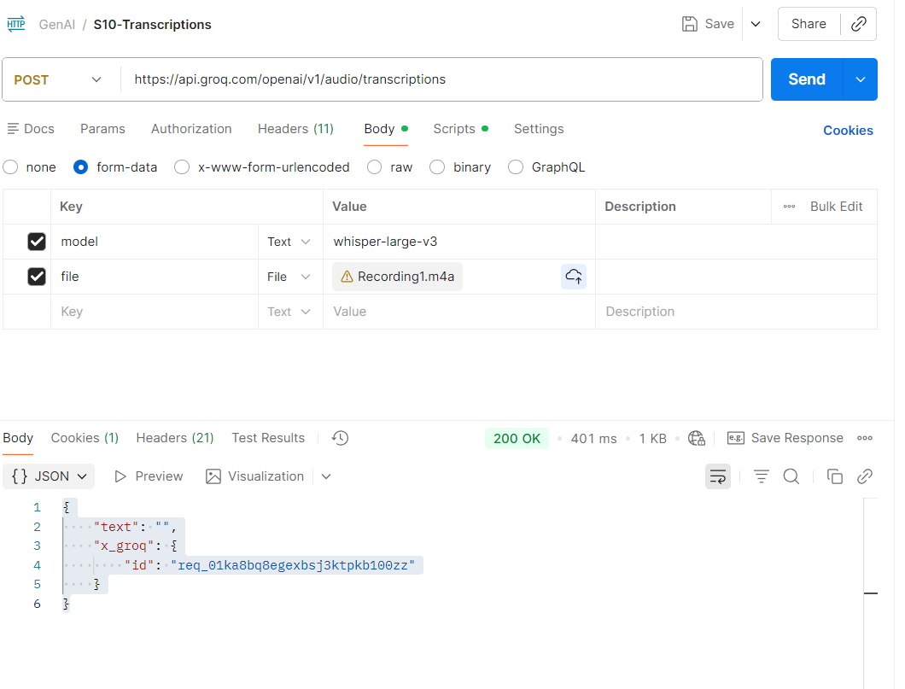
Steps to import GENAI collection:

1) Open postman (desktop)
2) Download the .json collection in your machine (given in whatsapp)
3) Import the collection as file
4) You will see Gen AI collection
5) Go to groq and get the api key (create if needed)
https://console.groq.com/keys
6) Go to Auth tab and paste the key, Save
7) Run the different API calls and confirm the response

Note:For Audio Transcription ,record any audio,upload and check the response.

1. Send Message: POST API
https://api.groq.com/openai/v1/chat/completions
{
"model": "llama-3.3-70b-versatile",
"messages": [
{
"role": "user",
"content": "As an Automation Architect use the instrcions in the prompt ,Instructions (user prompt)\n\n- Generate ONLY a Selenium Java Code\n- Use TestNG as the test runner\n- Add Javadoc for methods & class.\n- Use Selenium 2.30+ compatible imports.\n- Use meaningful method names.\n- [DO NOT] include explanations or test code.\n- Follow Locator Strategies\n - Use ID only when it is unique and do not have numbers in it\n - Use NAME only if ID is not present and when it is unique\n - Use XPath (preferably attribute based or text based)\n - [NEVER] use CSS\n - Use Explicit wait No (No thread.sleep)"
},
{
"role": "system",
"content": "As an AI Assistant give me a selenium java code with TestNG"
},
{
"role": "assistant",
"content": "only Java selenium code should be displayed along with the comments"
}
]
}

Response:
{
"id": "chatcmpl-e0a9c7f8-86a6-4282-a0f1-2475fab3edf6",
"object": "chat.completion",
"created": 1763364210,
"model": "llama-3.3-70b-versatile",
"choices": [
{
"index": 0,
"message": {
"role": "assistant",
"content": " \n\n```java\nimport org.openqa.selenium.By;\nimport org.openqa.selenium.WebDriver;\nimport org.openqa.selenium.WebElement;\nimport org.openqa.selenium.chrome.ChromeDriver;\nimport org.testng.annotations.AfterClass;\nimport org.testng.annotations.BeforeClass;\nimport org.testng.annotations.Test;\n\n/**\n * This class represents a TestNG test class for Selenium Java Automation.\n * \n * @author Your Name\n */\npublic class SeleniumTestNGTest {\n\n private WebDriver driver;\n\n /**\n * This method is used to setup the WebDriver before running the tests.\n * \n * It creates a new instance of the Chrome driver.\n */\n @BeforeClass\n public void setup() {\n System.setProperty(\"webdriver.chrome.driver\", \"./drivers/chromedriver\");\n driver = new ChromeDriver();\n driver.get(\"https://www.example.com\");\n }\n\n /**\n * This method is used to test the login functionality of the application.\n * \n * It locates the username and password fields using their IDs, enters the credentials,\n * and then clicks the login button using its XPath.\n */\n @Test\n public void testLoginFunctionality() {\n // Locate the username field using ID\n WebElement usernameField = driver.findElement(By.id(\"username\"));\n usernameField.sendKeys(\"your_username\");\n\n // Locate the password field using ID\n WebElement passwordField = driver.findElement(By.id(\"password\"));\n passwordField.sendKeys(\"your_password\");\n\n // Locate the login button using XPath\n WebElement loginButton = driver.findElement(By.xpath(\"//button[@type='submit']\"));\n loginButton.click();\n }\n\n /**\n * This method is used to test the search functionality of the application.\n * \n * It locates the search field using its XPath, enters the search query,\n * and then clicks the search button using its XPath.\n */\n @Test\n public void testSearchFunctionality() {\n // Locate the search field using XPath\n WebElement searchField = driver.findElement(By.xpath(\"//input[@type='search']\"));\n searchField.se
},
"logprobs": null,
"finish_reason": "stop"
}
],
"usage": {
"queue_time": 0.161184711,
"prompt_tokens": 202,
"prompt_time": 0.014900367,
"completion_tokens": 573,
"completion_time": 1.515786398,
"total_tokens": 775,
"total_time": 1.530686765
},
"usage_breakdown": null,
"system_fingerprint": "fp_d051da168d",
"x_groq": {
"id": "req_01ka8b50e9fjrscts8mh0mx13b"
},
"service_tier": "on_demand"
}

2. Test Token Limit
https://api.groq.com/openai/v1/chat/completions
{
"messages": [
{
"role": "user",
"content": "Write AI Story for my 12 year old son with tech background"
}
],
"model": "llama-3.3-70b-versatile",
"max_completion_tokens": 150
}
{
"id": "chatcmpl-23a3f9f8-93d2-4dc9-b604-9d86ca18dbb5",
"object": "chat.completion",
"created": 1763364341,
"model": "llama-3.3-70b-versatile",
"choices": [
{
"index": 0,
"message": {
"role": "assistant",
"content": "**The Mysterious Code of NovaTech**\n\nIn the year 2157, in a world where technology had advanced beyond human imagination, a 12-year-old boy named Max lived in the city of NovaTech. Max was a tech whiz, just like his father, who was a renowned robotics engineer. Max spent most of his free time coding, building robots, and exploring the latest gadgets.\n\nOne day, while rummaging through his father's old laboratory, Max stumbled upon an unusual-looking computer chip. It was unlike anything he had ever seen before. The chip had a peculiar symbol etched onto its surface, which seemed to glow with a soft blue light.\n\nIntrigued, Max decided to examine the chip further. He connected"
},
"logprobs": null,
"finish_reason": "length"
}
],
"usage": {
"queue_time": 0.058078259,
"prompt_tokens": 48,
"prompt_time": 0.002408111,
"completion_tokens": 150,
"completion_time": 0.432491661,
"total_tokens": 198,
"total_time": 0.434899772
},
"usage_breakdown": null,
"system_fingerprint": "fp_eff2255fd7",
"x_groq": {
"id": "req_01ka8b91kdftma5z09mmre99nh"
},
"service_tier": "on_demand"
}

3 | Transcriptions
https://api.groq.com/openai/v1/audio/transcriptions

