DATA VISUALIZATION
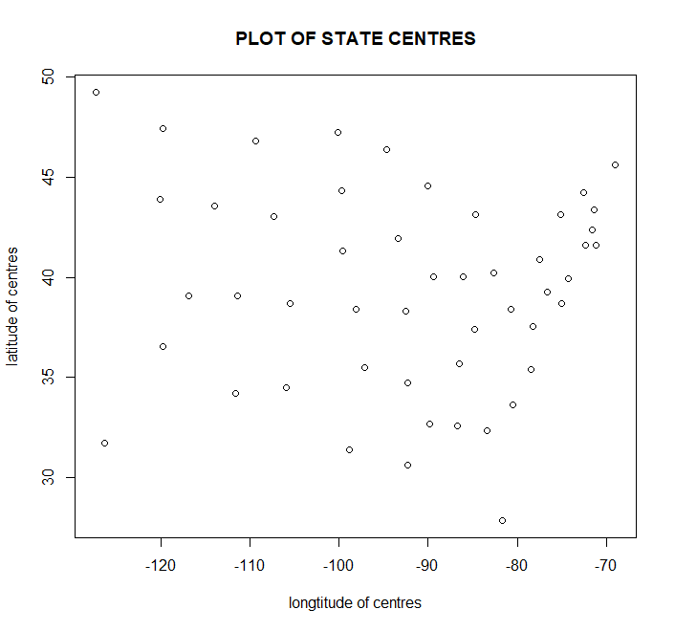
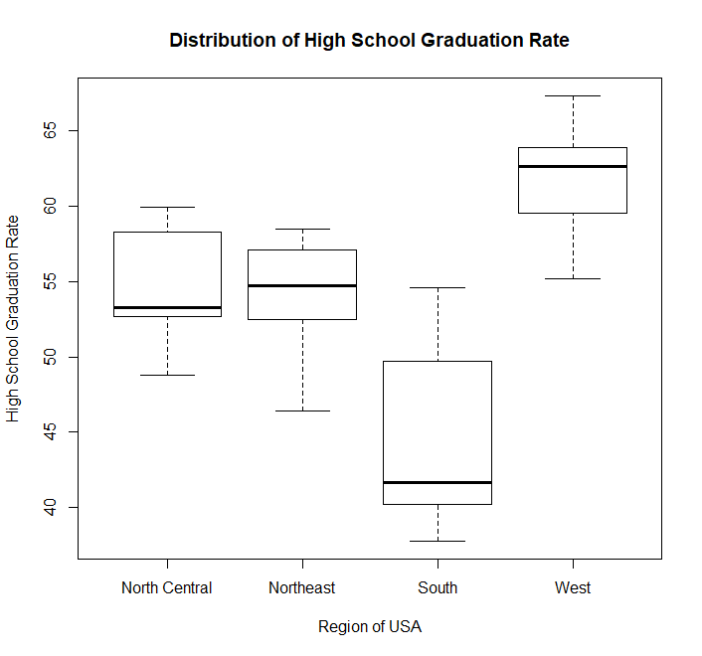

ACTUAL VS PREDICTED
Actual Vs Predicted
Life.Exp | Pred_Life
69.05 | 68.48111866
69.31 | 69.857403995
70.55 | 71.414156706
70.66 | 69.573738812
71.71 | 71.795645989
72.06 | 71.103541842
72.48 | 72.034589725
70.06 | 71.126468844
70.66 | 70.615394954
68.54 | 68.63694227
73.6 | 72.093168539
71.87 | 71.499892864
70.14 | 70.192441602
70.88 | 70.901585255
72.56 | 72.39652876
72.58 | 71.903519627
70.1 | 69.244179327
68.76 | 69.150448457
70.39 | 71.860954115
70.22 | 70.518519957
71.83 | 72.441053911
70.63 | 69.868933596
72.96 | 72.265596197
68.09 | 69.005353844
70.69 | 70.106100311
70.56 | 71.400248049
72.6 | 72.170323093
69.03 | 69.52482393
71.23 | 71.726356149
70.93 | 71.596120861
70.32 | 70.031190553
70.55 | 70.629371493
69.21 | 69.286241787
72.78 | 71.876494496
70.82 | 71.08548767
71.42 | 71.158600421
72.13 | 72.414453333
70.43 | 71.380455267
71.9 | 71.760070181
67.96 | 69.061091718
72.08 | 72.011608811
70.11 | 69.465833487
70.9 | 69.97885943
72.9 | 72.057531833
71.64 | 71.061349811
70.08 | 70.146913923
71.72 | 72.682724264
69.48 | 70.449825879
72.48 | 72.009956765
70.29 | 70.876788635

