Dashboard
DASHBOARD

TOTAL APPS | TOTAL CATEGORY | AVERAGE RATING | TOTAL INSTALL

10837 | 33 | 4.1 | 167632.42 Million

Most used Android Version
 | Total
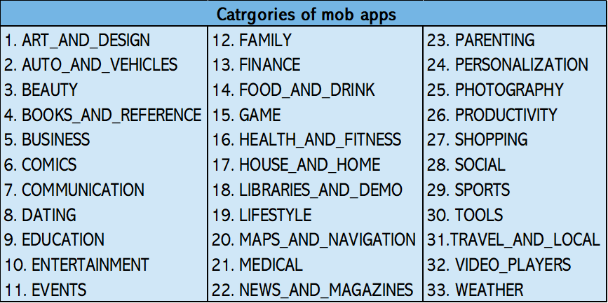

MOST install CATEGORY BY million
 | App install in million

Top 10 mob apps
 | Total
Top 10 Catrgory Apps
 | Total

Q1
Which is the most used Android version?

Most used Android Version

Row Labels | Count of Installs
4.1 and up | 2451
4.0.3 and up | 1501
4.0 and up | 1375
Varies with device | 1362
4.4 and up | 980
2.3 and up | 652
5.0 and up | 601
4.2 and up | 394
2.3.3 and up | 281
2.2 and up | 244
4.3 and up | 243
3.0 and up | 241
2.1 and up | 134
1.6 and up | 116
6.0 and up | 60 | The most used android version is 4.1 and up
7.0 and up | 42
3.2 and up | 36
2.0 and up | 32
5.1 and up | 24
1.5 and up | 19
4.4W and up | 12
3.1 and up | 10
2.0.1 and up | 7
8.0 and up | 6
7.1 and up | 3
5.0 - 8.0 | 2
4.0.3 - 7.1.1 | 2
1.0 and up | 2
2.2 - 7.1.1 | 1
5.0 - 7.1.1 | 1
7.0 - 7.1.1 | 1
5.0 - 6.0 | 1
4.1 - 7.1.1 | 1
Grand Total | 10837

Q2
Which all categories of mob apps are existing from this dataset?

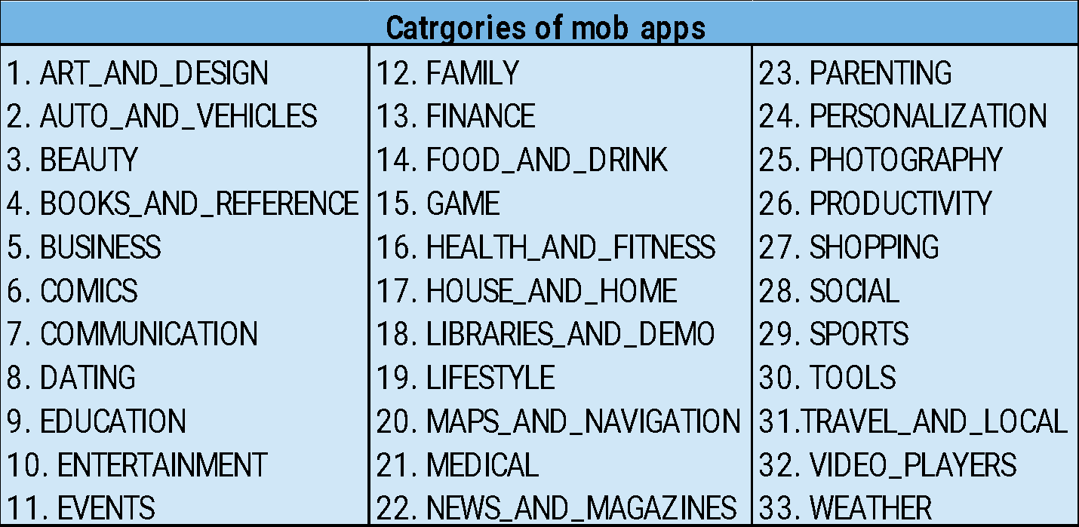
Catrgories of mob apps
ART_AND_DESIGN
AUTO_AND_VEHICLES
BEAUTY
BOOKS_AND_REFERENCE
BUSINESS
COMICS
COMMUNICATION
DATING
EDUCATION
ENTERTAINMENT
EVENTS
FAMILY
FINANCE
FOOD_AND_DRINK
GAME
HEALTH_AND_FITNESS
HOUSE_AND_HOME
LIBRARIES_AND_DEMO
LIFESTYLE
MAPS_AND_NAVIGATION
MEDICAL
NEWS_AND_MAGAZINES
PARENTING
PERSONALIZATION
PHOTOGRAPHY
PRODUCTIVITY
SHOPPING
SOCIAL
SPORTS
TOOLS
TRAVEL_AND_LOCAL
VIDEO_PLAYERS
WEATHER

Q3
Which is the most installed category of mob app from this dataset?

MOST install CATEGORY BY million
Category | App install in million | sum of install
GAME | 35086.02 | 35086024415
COMMUNICATION | 32647.28 | 32647276251
PRODUCTIVITY | 14176.09 | 14176091369
SOCIAL | 14069.87 | 14069867902
TOOLS | 11452.77 | 11452771915
FAMILY | 10258.26 | 10258263505
PHOTOGRAPHY | 10088.25 | 10088247655
NEWS_AND_MAGAZINES | 7496.32 | 7496317760
TRAVEL_AND_LOCAL | 6868.89 | 6868887146
VIDEO_PLAYERS | 6222.00 | 6222002720
SHOPPING | 3247.85 | 3247848785
ENTERTAINMENT | 2869.16 | 2869160000
PERSONALIZATION | 2325.48 | 2325483782
BOOKS_AND_REFERENCE | 1921.47 | 1921469576
SPORTS | 1751.17 | 1751174498 | The most Installed Category of mob app is game by 35086.02 Million
HEALTH_AND_FITNESS | 1583.07 | 1583072512
BUSINESS | 1001.91 | 1001914865
FINANCE | 876.65 | 876648734
EDUCATION | 871.45 | 871452000
MAPS_AND_NAVIGATION | 724.28 | 724281890
LIFESTYLE | 537.64 | 537643539
WEATHER | 426.10 | 426100520
FOOD_AND_DRINK | 273.90 | 273898751
DATING | 264.31 | 264310807
HOUSE_AND_HOME | 168.71 | 168712461
ART_AND_DESIGN | 124.34 | 124338100
LIBRARIES_AND_DEMO | 62.00 | 61995910
COMICS | 56.09 | 56086150
MEDICAL | 53.26 | 53257437
AUTO_AND_VEHICLES | 53.13 | 53130211
PARENTING | 31.52 | 31521110
BEAUTY | 27.20 | 27197050
EVENTS | 15.97 | 15973161
Total | 167632.42

Q6
Which are the top 10 mob apps based on ratings?

Top 10 mob apps
Row Labels | Sum of Rating
ROBLOX | 40.5
CBS Sports App - Scores, News, Stats & Watch Live | 34.4
Duolingo: Learn Languages Free | 32.9
8 Ball Pool | 31.5
Candy Crush Saga | 30.8
ESPN | 29.4
Zombie Catchers | 28.2
Bowmasters | 28.2
Sniper 3D Gun Shooter: Free Shooting Games - FPS | 27.6
Subway Surfers | 27
Grand Total | 310.5

Top 10 Catrgory Apps

Row Labels | Average of Rating
EVENTS | 4.4
EDUCATION | 4.4
ART_AND_DESIGN | 4.4
BOOKS_AND_REFERENCE | 4.3
PERSONALIZATION | 4.3
PARENTING | 4.3
GAME | 4.3
BEAUTY | 4.3
HEALTH_AND_FITNESS | 4.3
SHOPPING | 4.3
Grand Total | 4.3

