Sheet1
Question | GPT Response | Validation
analyze this excel and summarize the data it is containing | ✨ Here’s a comprehensive summary of the Excel data you shared: 📊 Dataset Overview Total Rows: 170,331 Total Columns: 21 Unique Customers: 5,319 Unique Collectors: 21 CLR Types Present: 3 (CREDIT HOLD REMOVABLE, CREDIT LIMIT EXTENSION, etc.) 🧾 Key Columns: Customer Info: customer_number, customer_name, COLLECTOR Credit Details: clr_type, credit_hold_reason, current_credit_limit, required_credit_limit, ApprovedCreditLimit Approval Workflow: approval_level, approval_status, Mail Initate Date, Approved Date, time taken Other Metadata: logid, comments, types ⚠️ Missing Data Insights: credit_hold_reason: 45,515 missing name & Role: 3,507 missing Approved Date & time taken: 3,183 missing comments: 10,225 missing ✅ Approval Status Breakdown: Approve: 45,736 First Level Approved: 39,692 Second Level Approved: 35,506 Referback Response: 14,362 Referback: 11,986 Third Level Approved: 11,505 Reject: 5,198 Fourth Level Approved: 4,270 RefertoED: 2,076 This looks like a credit limit request (CLR) workflow dataset, tracking requests, approvals, rejections, and credit hold removals/extensions. 👉 What would you like me to do next with this data? Press a hotkey to continue: 1️⃣ 📈 Create visual charts (Approval trends, collectors’ performance, CLR type distribution) 2️⃣ 📊 Generate pivot summaries (per collector, per customer, per status) 3️⃣ 🔍 Clean & preprocess the dataset (handle missing values, duplicates, anomalies) 4️⃣ 📑 Export a summarized Excel report with insights | Correct
How many CLRs are Approved? | ✅ There are 45,736 CLRs with the status "Approved" 🎉 Would you like me to also: 1️⃣ 📈 Compare "Approved" vs other statuses in a chart 2️⃣ 📊 Show approval counts by collector 3️⃣ 🕒 Analyze approval trends over time 4️⃣ 📑 Export a summary report with all approvals | 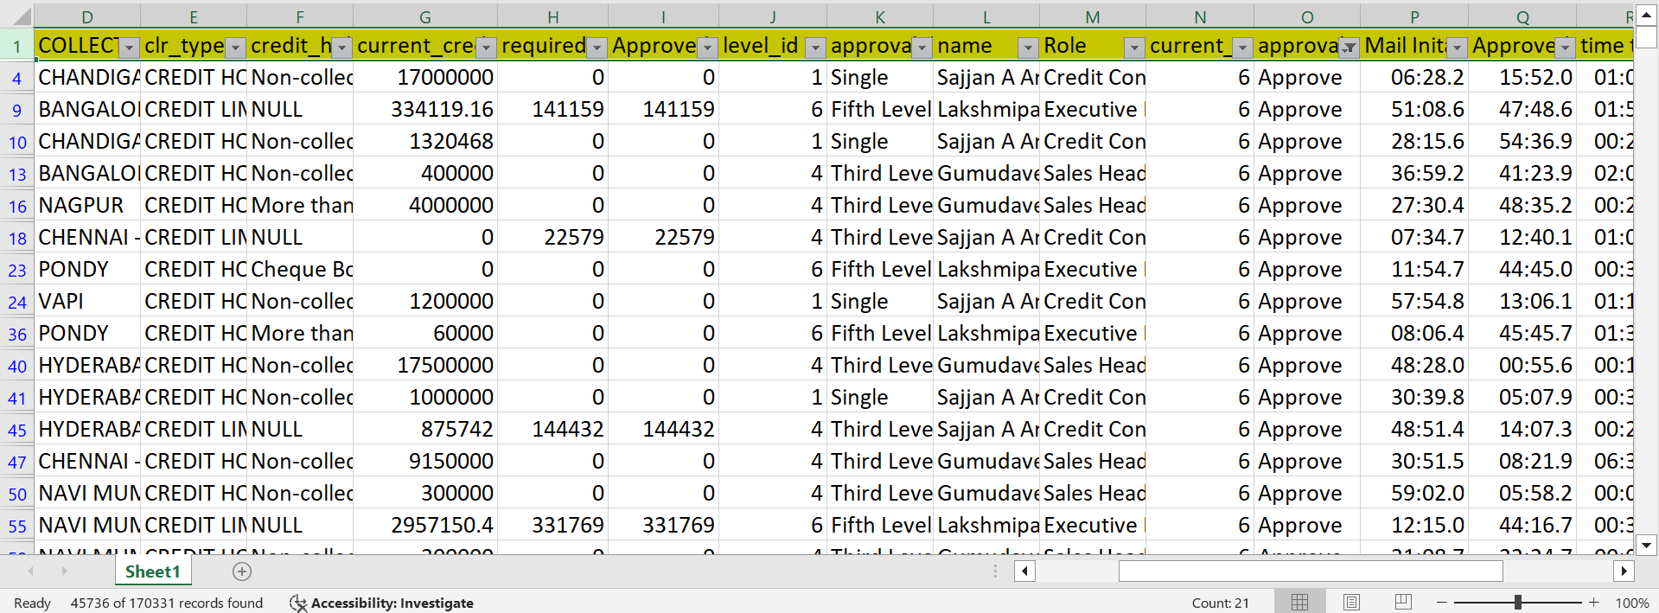
What is the maximum required_credit_limit? | 💰 The maximum required credit limit in your dataset is 50,000,000.00 🚀 Do you want me to: 1️⃣ 📊 List the customers who requested this maximum limit 2️⃣ 📈 Show the distribution of required credit limits 3️⃣ 🔎 Compare required vs approved credit limits 4️⃣ 📑 Export a detailed report of top credit limit requests | 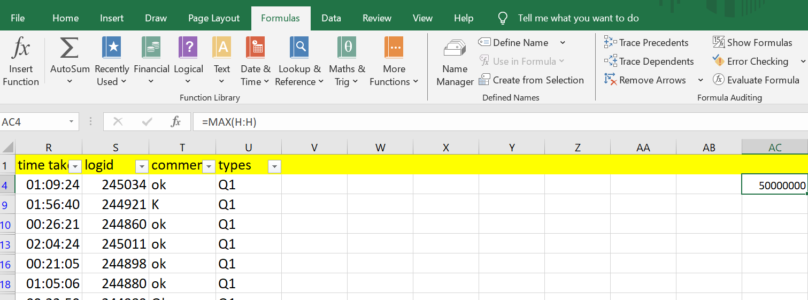
Which customer has the highest ApprovedCreditLimit? | 🏆 Multiple customers have the highest Approved Credit Limit of 50,000,000.00. Some of them include: ASIAN PAINTS LIMITED HALDIA PETROCHEMICALS LTD GLENMARK LIFE SCIENCES LIMITED VINATI ORGANICS LIMITED KANSAI NEROLAC PAINTS LIMITED SUN PHARMACEUTICAL INDUSTRIES LIMITED UPL LIMITED PIDILITE INDUSTRIES LIMITED CIPLA LIMITED GRASIM INDUSTRIES LIMITED ...and more (total 23 top customers). Would you like me to: 1️⃣ 📑 Export the full list of top customers with ₹50M limit 2️⃣ 📈 Visualize the top 10 approved limits in a bar chart 3️⃣ 🔍 Compare required vs approved limits for these customers 4️⃣ 📊 Build a ranking report of all customers by Approved Credit Limit | 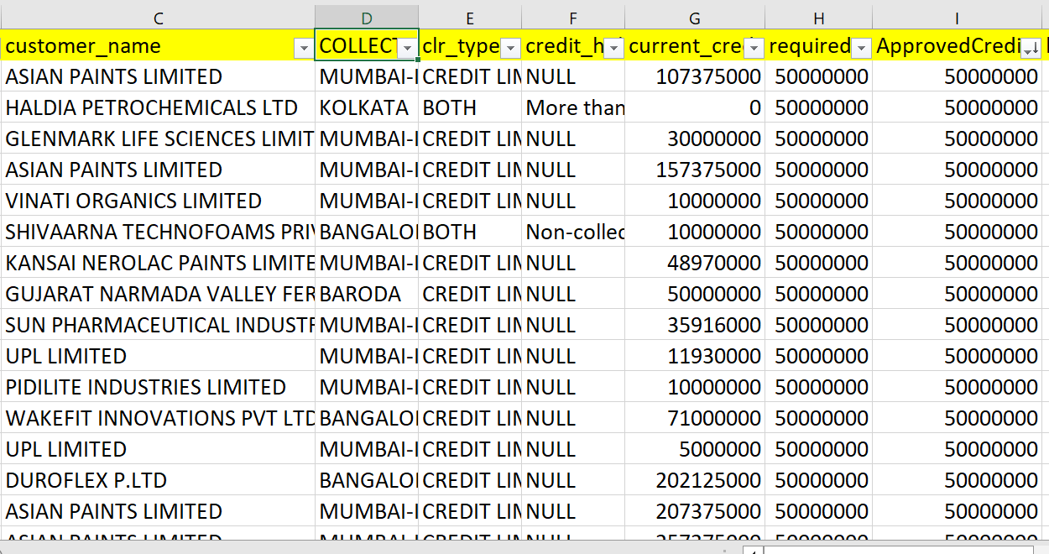
How many CLRs are on credit hold (credit_hold_reason not blank)? | ⚠️ There are 124,816 CLRs currently on credit hold (where credit_hold_reason is filled). Would you like me to: 1️⃣ 📊 Break down credit hold reasons with counts 2️⃣ 📈 Show % of CLRs on hold vs not on hold 3️⃣ 🔍 See which collectors/customers have the most holds 4️⃣ 📑 Export a detailed report of all CLRs on credit hold | 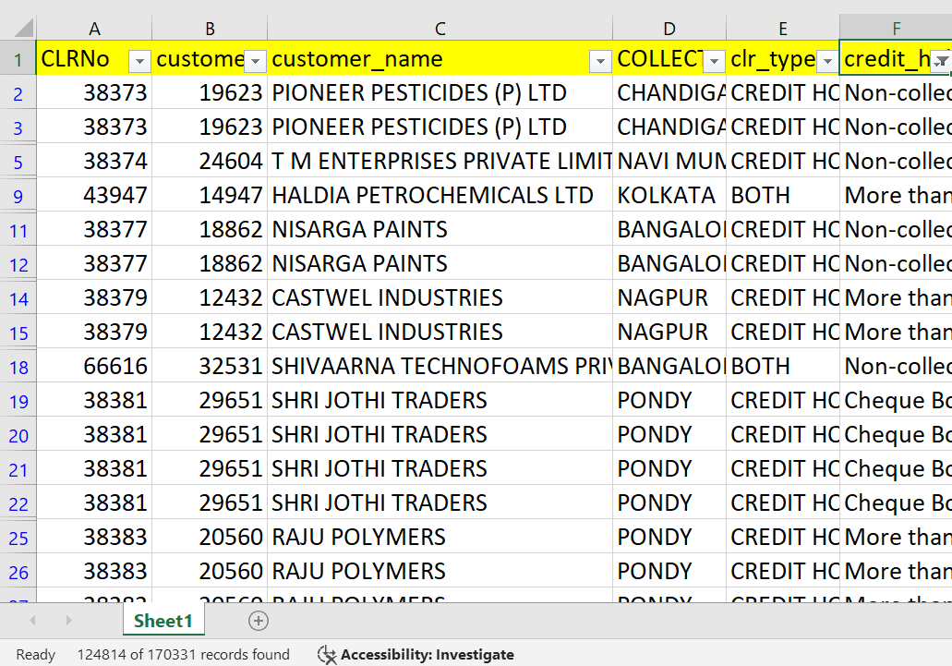
How many CLRs were processed by each COLLECTOR? | 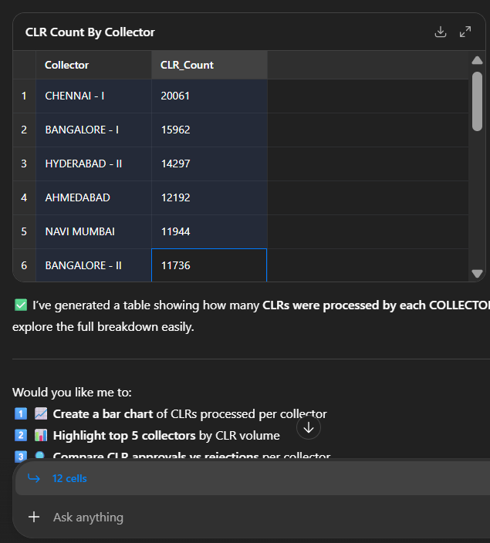 | 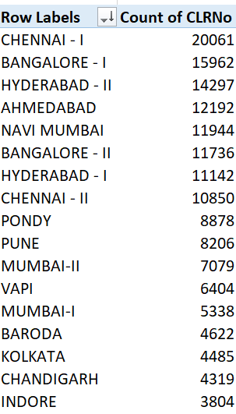
Which customers had a current_credit_limit = required_credit_limit? | 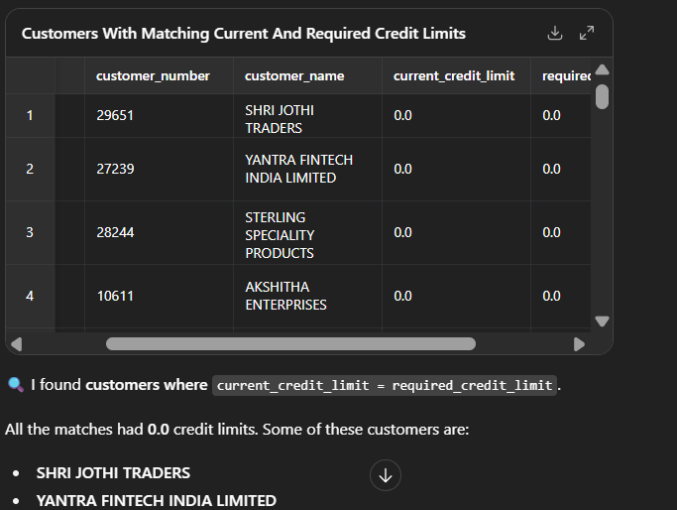 | 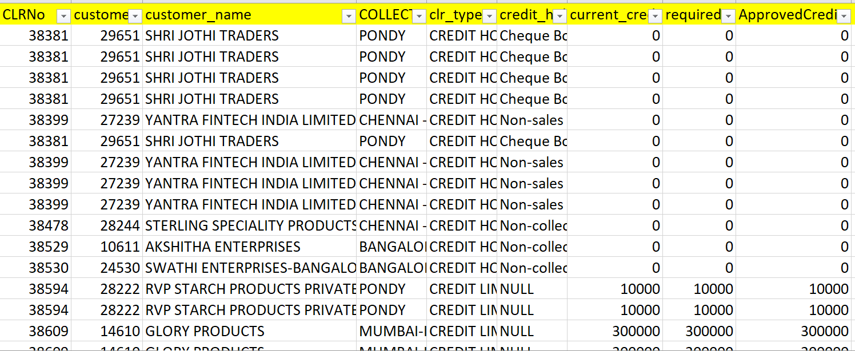
How many CLRs are Rejected? | ❌ A total of 5,198 CLRs have been Rejected. Would you like me to: 1️⃣ 📊 Break down rejections by collector 2️⃣ 📈 Show rejection rate (%) vs approvals 3️⃣ 🔍 List top customers with the most rejections 4️⃣ 📑 Export a rejection analysis report Catch the Quantum Wave... Password: spinor | 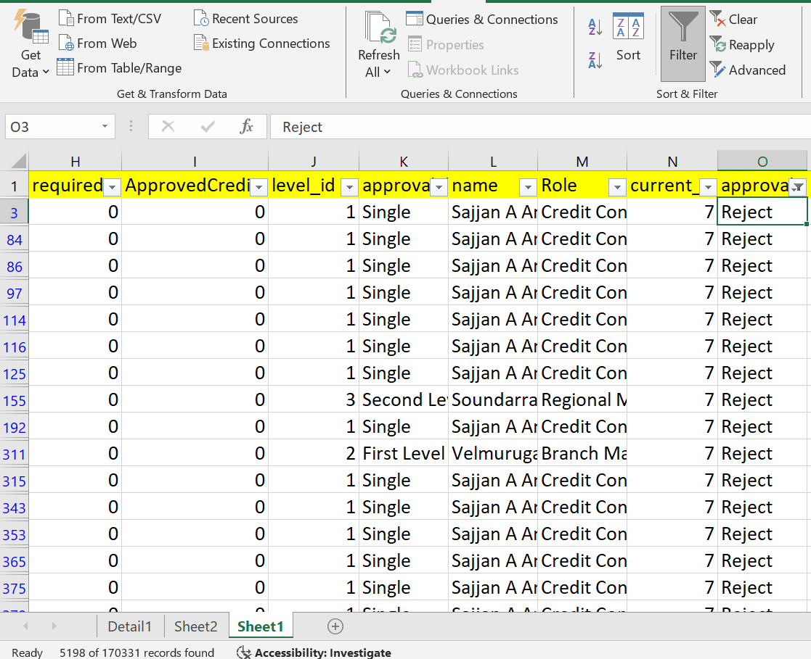
Which customer requested the highest required_credit_limit? | 💰 The highest required credit limit is 50,000,000.00, and multiple customers requested it. Some of them are: ASIAN PAINTS LIMITED HALDIA PETROCHEMICALS LTD GLENMARK LIFE SCIENCES LIMITED KANSAI NEROLAC PAINTS LIMITED SUN PHARMACEUTICAL INDUSTRIES LIMITED PIDILITE INDUSTRIES LIMITED CIPLA LIMITED GRASIM INDUSTRIES LIMITED ...and many more (total 26 customers). | 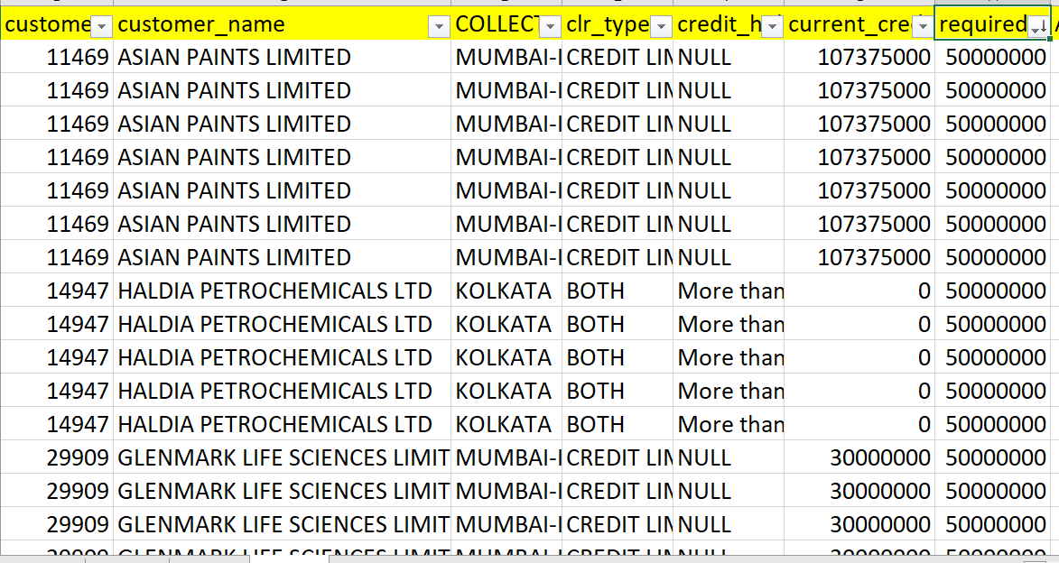
. How many CLRs have ApprovedCreditLimit < required_credit_limit? | 📉 A total of 3,195 CLRs have an Approved Credit Limit lower than the Required Credit Limit. Would you like me to: 1️⃣ 📊 List customers who were approved for less than they requested 2️⃣ 📈 Visualize the gap between required vs approved limits 3️⃣ 🔍 Show collectors with the most such cases 4️⃣ 📑 Export a detailed mismatch report | 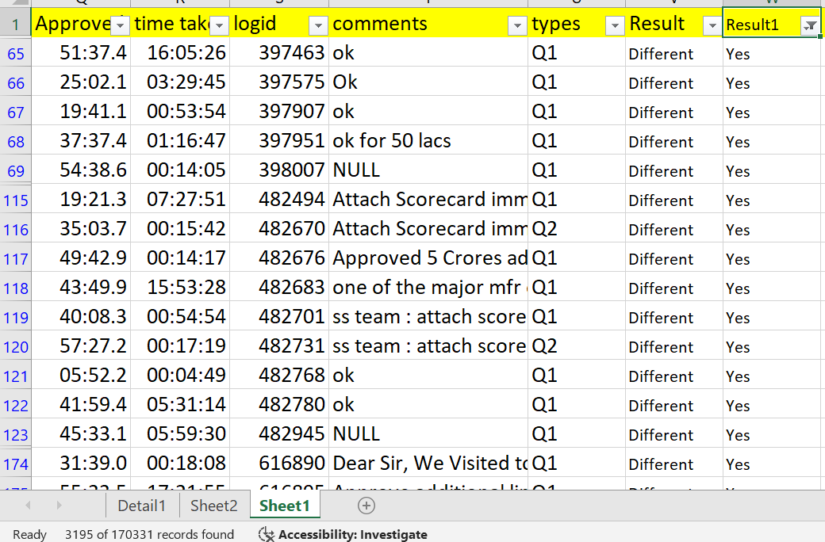
How many CLRs were processed each month? | 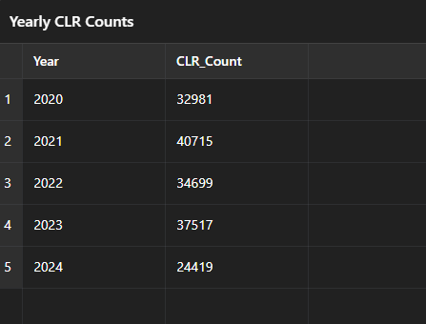 | 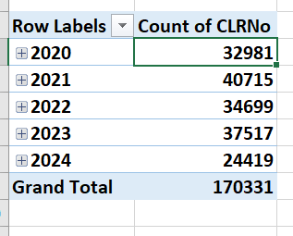
Which CLRs took more than 10 days for approval? | Excel AI said: 📈 The largest requested credit increase was 50,000,000.00, coming from: HALDIA PETROCHEMICALS LTD (from 0 → 50M) CIPLA LIMITED (from 0 → 50M) Both started at 0 credit limit and requested the maximum available. Would you like me to: 1️⃣ 📊 List top 10 customers by credit increase requests 2️⃣ 📈 Visualize required vs current limits for largest requests 3️⃣ 🔍 Compare how much of their requests were actually approved 4️⃣ 📑 Export a full ranking of requested credit increases | 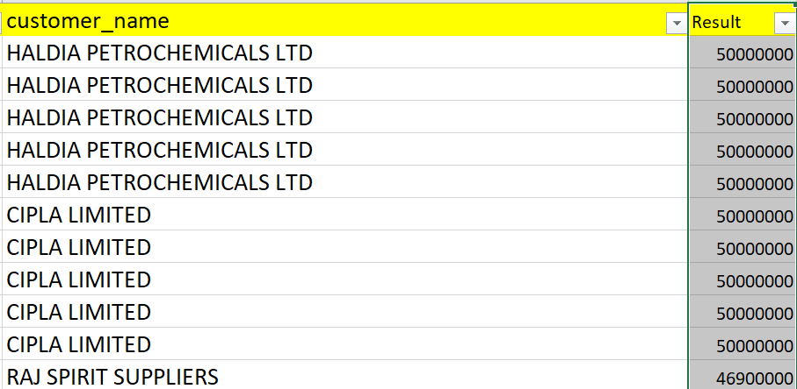
Which level_id has the highest number of rejections? | 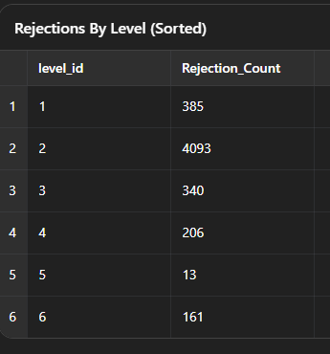 | 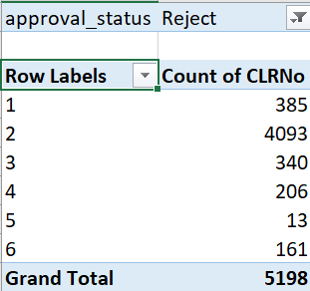
Which Role handled the highest ApprovedCreditLimit total? | 🏆 The Role that handled the highest Approved Credit Limit total is: Branch Manager → ₹25.53 billion Followed by: Regional Manager → ₹19.83 billion Executive Director → ₹19.56 billion Sales Head → ₹19.24 billion CFO → ₹13.03 billion Other roles handled significantly smaller totals. | 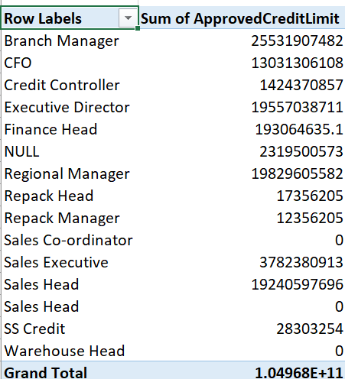
Which collector processed the fastest approvals on average? | 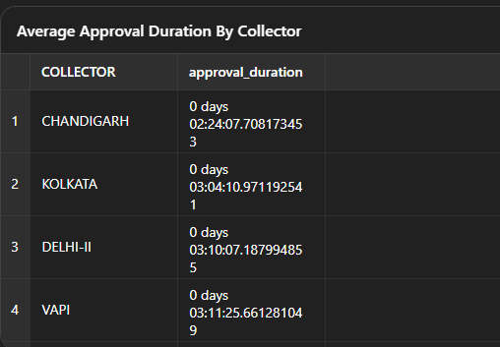 | 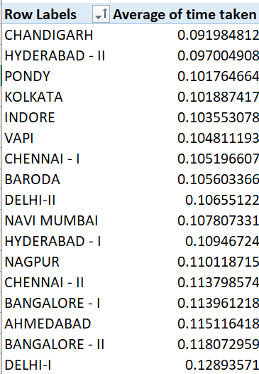
Are there any duplicate customer_number entries with different CLRNo? | 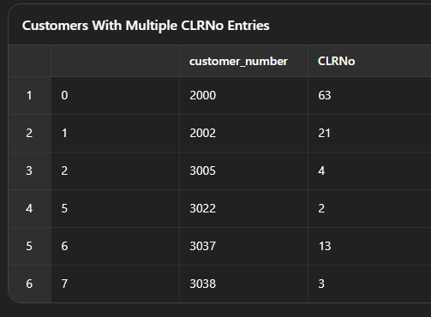 | 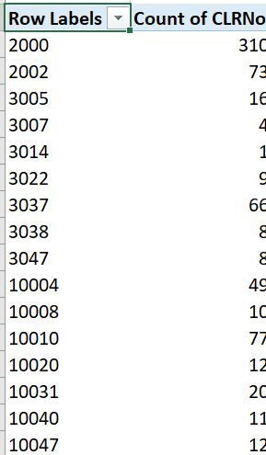
Which approval_level gave the largest average ApprovedCreditLimit? | Excel AI said: 📊 The approval level with the largest average Approved Credit Limit is: Fourth Level → ~₹2,007,553 per CLR Followed by: Fifth Level → ~₹1,532,316 Third Level → ~₹512,373 Second Level → ~₹473,270 First Level → ~₹455,005 Single → ~₹38,599 | 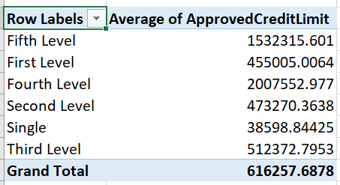
Which name (approver) approved the highest total ApprovedCreditLimit? | Lakshmipathy MP → ~₹19.10 billion Kumaresan M. → ~₹12.90 billion Branch Manager (as name) → ~₹4.99 billion Raghavendra Bhat V. → ~₹4.35 billion | 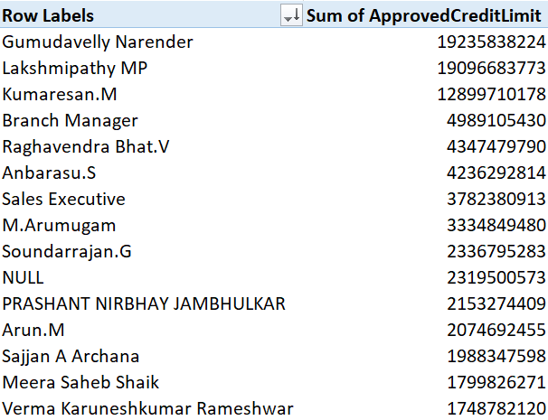
What is the average ApprovedCreditLimit per approval_level? | 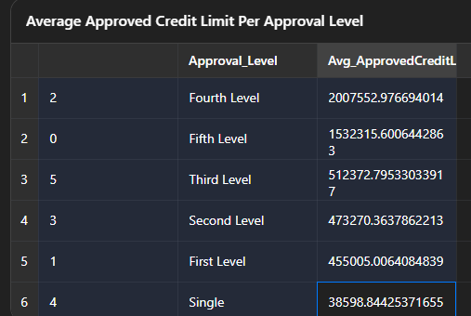 | 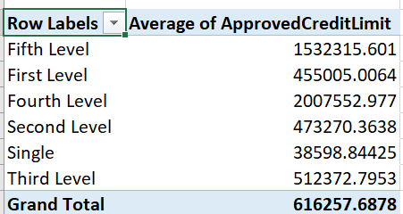
How many CLRs were Approved vs Rejected per collector? | 