Sheet1
Application_Metrics |  |  | Window Scaling = False
Application Id | Application Name | Source Id | Destination Id | Packet generated | Packet received | Payload generated (bytes) | Payload received (bytes) | Throughput (Mbps) | Delay(microsec) | Jitter(microsec)
1 | App1_CBR | 1 | 2 | 2500 | 2500 | 3650000 | 3650000 | 0.584217 | 26538.155592 | 3612.469963
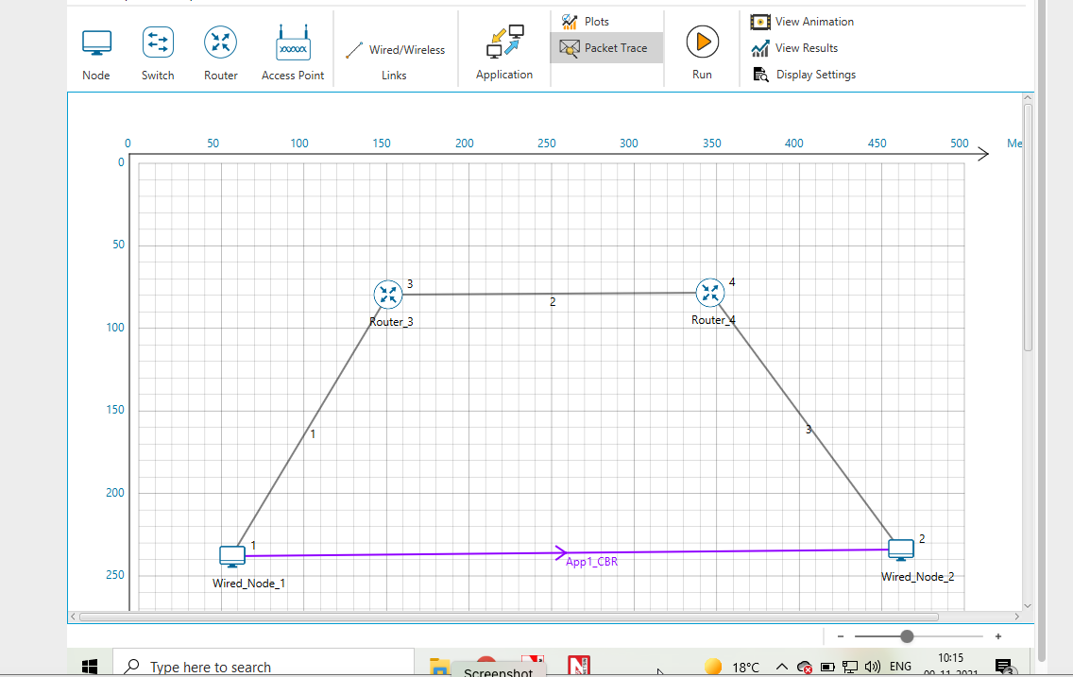

 | Window Scaling = True

Application_Metrics
Application Id | Application Name | Source Id | Destination Id | Packet generated | Packet received | Payload generated (bytes) | Payload received (bytes) | Throughput (Mbps) | Delay(microsec) | Jitter(microsec)
1 | App1_CBR | 1 | 2 | 2500 | 2302 | 3650000 | 3420038 | 0.9208 | 52076.31108 | 1204.153333

