Solution
1 -> In spanning tree red line represent blocked ports and green represent forworded ports
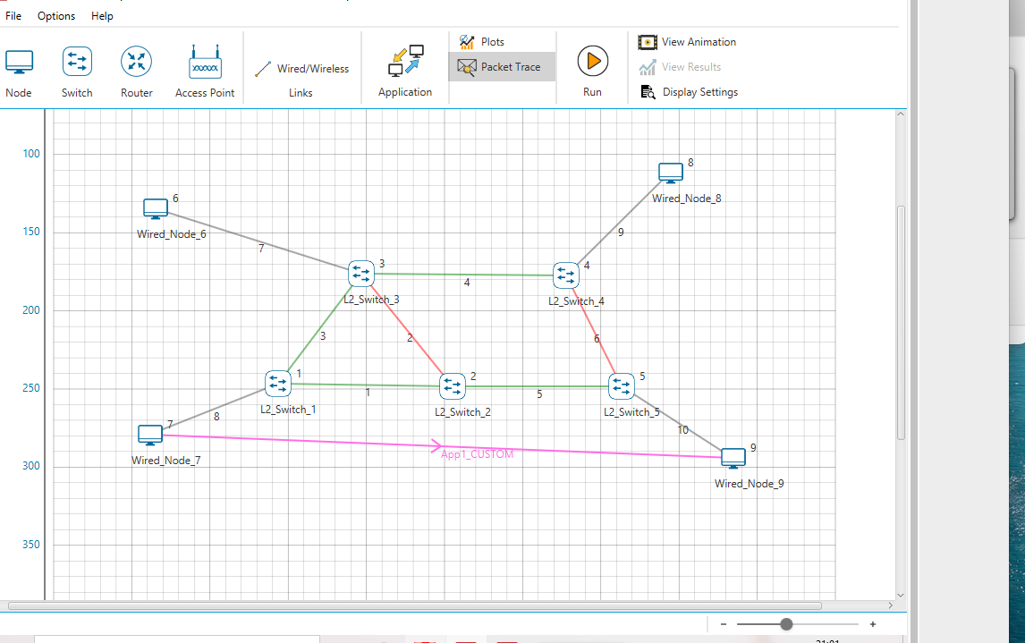
L2_SWITCH_1
Mac Address | Type | OutPort
AF1D00000201 | Dynamic | 1
AF1D00000302 | Dynamic | 2
AF1D00000701 | Dynamic | 3
AF1D00000901 | Dynamic | 1

L2_SWITCH_2
Mac Address | Type | OutPort
AF1D00000101 | Dynamic | 1
AF1D00000301 | Dynamic | 2
AF1D00000501 | Dynamic | 3
AF1D00000701 | Dynamic | 1
AF1D00000901 | Dynamic | 3

L2_SWITCH_3
Mac Address | Type | OutPort
AF1D00000202 | Dynamic | 1
AF1D00000102 | Dynamic | 2
AF1D00000401 | Dynamic | 3
AF1D00000601 | Dynamic | 4
AF1D00000701 | Dynamic | 2

L2_SWITCH_4
Mac Address | Type | OutPort
AF1D00000303 | Dynamic | 1
AF1D00000502 | Dynamic | 2
AF1D00000801 | Dynamic | 3
AF1D00000701 | Dynamic | 1

L2_SWITCH_5
Mac Address | Type | OutPort
AF1D00000203 | Dynamic | 1
AF1D00000402 | Dynamic | 2
AF1D00000901 | Dynamic | 3
AF1D00000701 | Dynamic | 1

QUESTION 2
 |  |  | Devics id | Packet sent | Packet forwarded | Packet received
2A |  |  | 1 | 450 | 0 | 0
 |  |  | 2 | 0 | 0 | 446
VLAN id | frame received |  | 3 | 0 | 0 | 0
1 | 446 |  | 4 | 0 | 0 | 0
2 | 0

2B |  |  | 1 | 452 | 0 | 453
 |  |  | 2 | 455 | 0 | 451
VLAN id | Frame received |  | 3 | 0 | 0 | 0
1 | 904 |  | 4 | 0 | 0 | 0
2 | 0

2C |  |  | 1 | 0 | 0 | 0
VLAN id | frame received |  | 2 | 4 | 0 | 0
1 | 0 |  | 3 | 0 | 0 | 0
2 | 0 |  | 4 | 0 | 0 | 0

