Sheet1
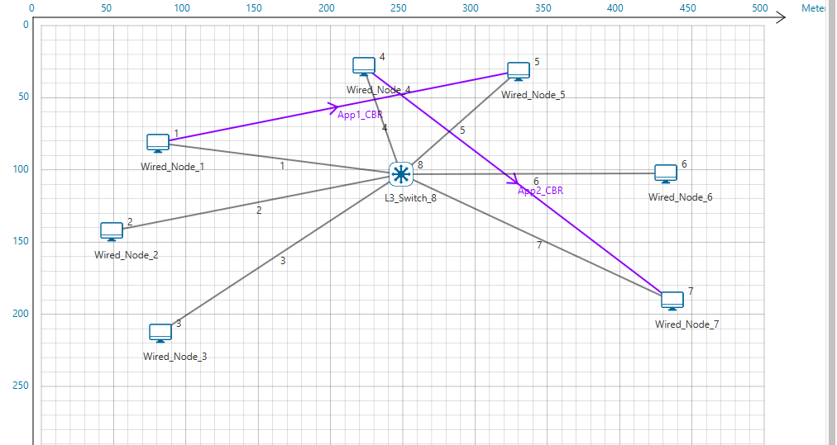
download
Application Id | Application Name | Source Id | Destination Id | Packet generated | Packet received | Payload generated (bytes) | Payload received (bytes) | Throughput (Mbps) | Delay(microsec) | Jitter(microsec)
1 | App1_CBR | 1 | 5 | 2500 | 2500 | 3650000 | 3650000 | 0.584231 | 10536.600256 | 1585.753021
2 | App2_CBR | 4 | 7 | 2500 | 2500 | 3650000 | 3650000 | 0.584231 | 21039.663431 | 3187.288361

Link_Metrics
Link_id | Link_throughput_plot | Packet_transmitted | Packet_errored | Packet_collided | Bytes_transmitted(bytes) | Payload_transmitted(bytes) | Overhead_transmitted(bytes)
Data | Control | Data | Control | Data | Control
All | NA | 10023 | 10015 | 11 | 2 | 0 | 0 | 15956120 | 14617520 | 1338600
1 | NA | 2504 | 2504 | 2 | 1 | 0 | 0 | 3986376 | 3652920 | 333456
2 | NA | 0 | 0 | 0 | 0 | 0 | 0 | 0 | 0 | 0
3 | NA | 0 | 0 | 0 | 0 | 0 | 0 | 0 | 0 | 0
4 | NA | 2509 | 2503 | 1 | 0 | 0 | 0 | 3993940 | 3661680 | 332260
5 | NA | 2502 | 2504 | 1 | 0 | 0 | 0 | 3983324 | 3651460 | 331864
6 | NA | 0 | 0 | 0 | 0 | 0 | 0 | 0 | 0 | 0
7 | NA | 2508 | 2504 | 7 | 1 | 0 | 0 | 3992480 | 3651460 | 341020

Sheet2
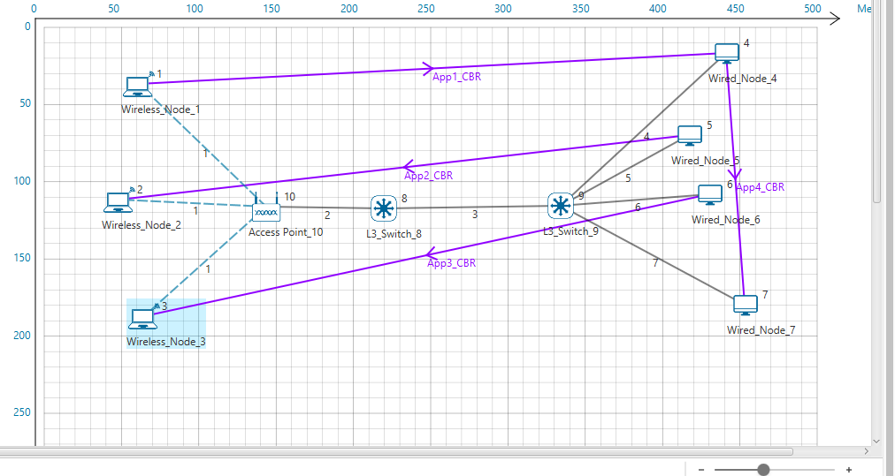
L3_SWITCH_8
Network Destination | Netmask/Prefix len | Gateway | Interface | Metrics | Type
11.2.0.0 | 255.255.0.0 | on-link | 11.2.1.6 | 300 | LOCAL
224.0.0.1 | 255.255.255.255 | on-link | 11.2.1.6 | 306 | MULTICAST
224.0.0.0 | 240.0.0.0 | on-link | 11.2.1.6 | 306 | MULTICAST
255.255.255.255 | 255.255.255.255 | on-link | 11.2.1.6 | 999 | BROADCAST

L3_SWITCH_9
Network Destination | Netmask/Prefix len | Gateway | Interface | Metrics | Type
11.2.0.0 | 255.255.0.0 | on-link | 11.2.1.1 | 300 | LOCAL
224.0.0.1 | 255.255.255.255 | on-link | 11.2.1.1 | 306 | MULTICAST
224.0.0.0 | 240.0.0.0 | on-link | 11.2.1.1 | 306 | MULTICAST
255.255.255.255 | 255.255.255.255 | on-link | 11.2.1.1 | 999 | BROADCAST

Application_Metrics
Application Id | Application Name | Source Id | Destination Id | Packet generated | Packet received | Payload generated (bytes) | Payload received (bytes) | Throughput (Mbps) | Delay(microsec) | Jitter(microsec)
1 | App1_CBR | 1 | 4 | 2500 | 2500 | 3650000 | 0 | 0.584212 | 0 | 0
2 | App2_CBR | 5 | 2 | 2500 | 2500 | 3650000 | 0 | 0.584191 | 0 | 0
3 | App3_CBR | 6 | 3 | 2500 | 0 | 3650000 | 0 | 0 | 0 | 0
4 | App4_CBR | 4 | 7 | 2500 | 0 | 3650000 | 0 | 0 | 0 | 0

Link_Metrics
Link_id | Link_throughput_plot | Packet_transmitted | Packet_errored | Packet_collided | Bytes_transmitted(bytes) | Payload_transmitted(bytes) | Overhead_transmitted(bytes)
Data | Control | Data | Control | Data | Control
All | NA | 0 | 156 | 0 | 0 | 0 | 2 | 9498 | 0 | 9498
1 | NA | 0 | 68 | 0 | 0 | 0 | 2 | 3370 | 0 | 3370
2 | NA | 0 | 38 | 0 | 0 | 0 | 0 | 2628 | 0 | 2628
3 | NA | 0 | 15 | 0 | 0 | 0 | 0 | 1050 | 0 | 1050
4 | NA | 0 | 15 | 0 | 0 | 0 | 0 | 1050 | 0 | 1050
5 | NA | 0 | 15 | 0 | 0 | 0 | 0 | 1050 | 0 | 1050
6 | NA | 0 | 5 | 0 | 0 | 0 | 0 | 350 | 0 | 350
7 | NA | 0 | 0 | 0 | 0 | 0 | 0 | 0 | 0 | 0

