Sheet1
ARP table for swithes and router
PACKET_ID | SEGMENT_ID | PACKET_TYPE | CONTROL_PACKET_TYPE/APP_NAME | SOURCE_ID | DESTINATION_ID | TRANSMITTER_ID | RECEIVER_ID | APP_LAYER_ARRIVAL_TIME(US) | TRX_LAYER_ARRIVAL_TIME(US) | NW_LAYER_ARRIVAL_TIME(US) | MAC_LAYER_ARRIVAL_TIME(US) | PHY_LAYER_ARRIVAL_TIME(US) | PHY_LAYER_START_TIME(US) | PHY_LAYER_END_TIME(US) | APP_LAYER_PAYLOAD(Bytes) | TRX_LAYER_PAYLOAD(Bytes) | NW_LAYER_PAYLOAD(Bytes) | MAC_LAYER_PAYLOAD(Bytes) | PHY_LAYER_PAYLOAD(Bytes) | PHY_LAYER_OVERHEAD(Bytes) | PACKET_STATUS | LOCAL_ADDRESS | REMOTE_ADDRESS | CWND | SEQ_NO | ACK_NO | isSyn | isAck | isFin | SEGMENT_LEN | SOURCE_IP | DESTINATION_IP | GATEWAY_IP | NEXT_HOP_IP
0 | N/A | Control_Packet | ARP_Request | NODE-1 | Broadcast-0 | NODE-1 | SWITCH-5 | N/A | N/A | 0 | 0 | 0.96 | 8 | 13 | N/A | N/A | 42 | 62 | 88 | 0 | Successful | N/A | N/A | N/A | N/A | N/A | N/A | N/A | N/A | N/A | 192.32.65.7 | 255.255.255.255 | - | -
0 | N/A | Control_Packet | ARP_Request | NODE-1 | Broadcast-0 | SWITCH-5 | NODE-2 | N/A | N/A | 0 | 0 | 13 | 20.04 | 25.04 | N/A | N/A | 42 | 62 | 88 | 0 | Successful | N/A | N/A | N/A | N/A | N/A | N/A | N/A | N/A | N/A | 192.32.65.7 | 255.255.255.255 | - | -
0 | N/A | Control_Packet | ARP_Request | NODE-1 | Broadcast-0 | SWITCH-5 | ROUTER-6 | N/A | N/A | 0 | 0 | 13 | 20.04 | 25.04 | N/A | N/A | 42 | 62 | 88 | 0 | Successful | N/A | N/A | N/A | N/A | N/A | N/A | N/A | N/A | N/A | 192.32.65.7 | 255.255.255.255 | - | -
0 | N/A | Control_Packet | ARP_Request | NODE-1 | Broadcast-0 | NODE-1 | SWITCH-5 | N/A | N/A | 15000000 | 15000000 | 15000000 | 15000007.04 | 15000012.04 | N/A | N/A | 42 | 62 | 88 | 0 | Successful | N/A | N/A | N/A | N/A | N/A | N/A | N/A | N/A | N/A | 192.32.65.7 | 255.255.255.255 | - | -
0 | N/A | Control_Packet | ARP_Request | NODE-1 | Broadcast-0 | SWITCH-5 | NODE-2 | N/A | N/A | 15000000 | 15000000 | 15000012.04 | 15000019.08 | 15000024.08 | N/A | N/A | 42 | 62 | 88 | 0 | Successful | N/A | N/A | N/A | N/A | N/A | N/A | N/A | N/A | N/A | 192.32.65.7 | 255.255.255.255 | - | -
0 | N/A | Control_Packet | ARP_Request | NODE-1 | Broadcast-0 | SWITCH-5 | ROUTER-6 | N/A | N/A | 15000000 | 15000000 | 15000012.04 | 15000019.08 | 15000024.08 | N/A | N/A | 42 | 62 | 88 | 0 | Successful | N/A | N/A | N/A | N/A | N/A | N/A | N/A | N/A | N/A | 192.32.65.7 | 255.255.255.255 | - | -
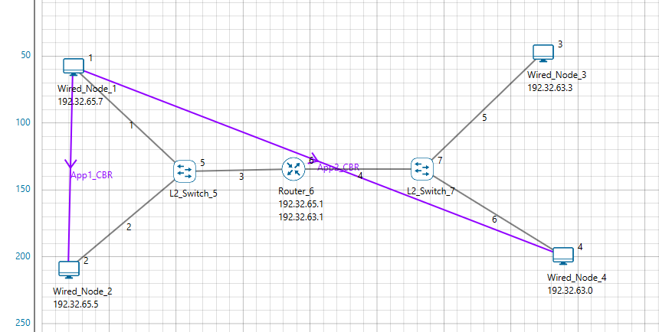
Switch Mac address table
L2_SWITCH_5
Mac Address | Type | OutPort
AF1D00000101 | Dynamic | 1
AF1D00000201 | Dynamic | 2
AF1D00000601 | Dynamic | 3

L2_SWITCH_7
Mac Address | Type | OutPort
AF1D00000602 | Dynamic | 1
AF1D00000301 | Dynamic | 2
AF1D00000401 | Dynamic | 3

ROUTER_6
Network Destination | Netmask/Prefix len | Gateway | Interface | Metrics | Type
192.32.0.0 | 255.255.0.0 | on-link | 192.32.63.1 | 300 | LOCAL
192.32.0.0 | 255.255.0.0 | on-link | 192.32.65.1 | 300 | LOCAL
224.0.0.1 | 255.255.255.255 | on-link | 192.32.65.1 192.32.63.1 | 306 | MULTICAST
224.0.0.0 | 240.0.0.0 | on-link | 192.32.65.1 192.32.63.1 | 306 | MULTICAST
255.255.255.255 | 255.255.255.255 | on-link | 192.32.63.1 | 999 | BROADCAST
255.255.255.255 | 255.255.255.255 | on-link | 192.32.65.1 | 999 | BROADCAST

