Sheet1
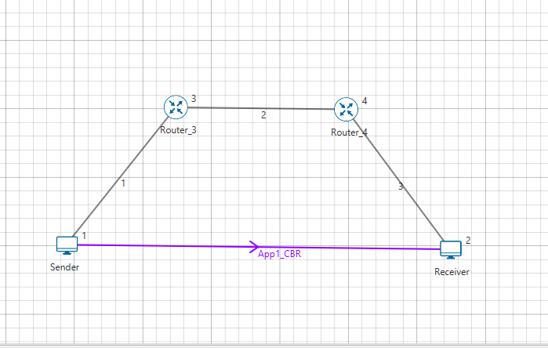
 |  | Tahoe
Application Id | Throughput Plot | Application Name | Source Id | Destination Id | Packet generated | Packet received | Payload generated (bytes) | Payload received (bytes) | Throughput (Mbps) | Delay(microsec) | Jitter(microsec)
1
Application_Throughput_plot

App1_CBR | 1 | 2 | 17124 | 5191 | 25001040 | 7578860 | 3.031544 | 6706000.9003 | 2745.465274

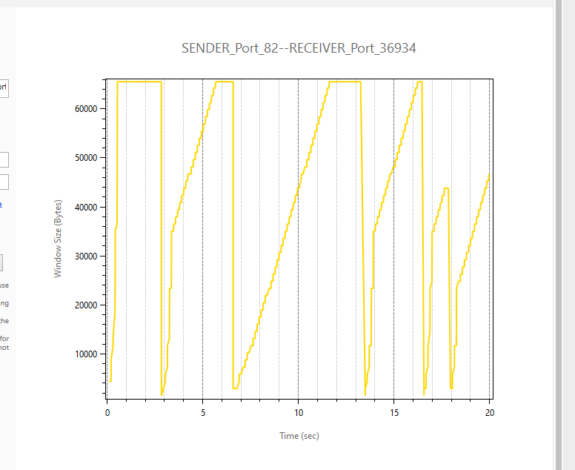

 |  |  | Reno
Application_Metrics
Application Id | Throughput Plot | Application Name | Source Id | Destination Id | Packet generated | Packet received | Payload generated (bytes) | Payload received (bytes) | Throughput (Mbps) | Delay(microsec) | Jitter(microsec)
1
Application_Throughput_plot

App1_CBR | 1 | 2 | 17124 | 7071 | 25001040 | 10323660 | 4.129464 | 6648139.4772 | 1688.915734

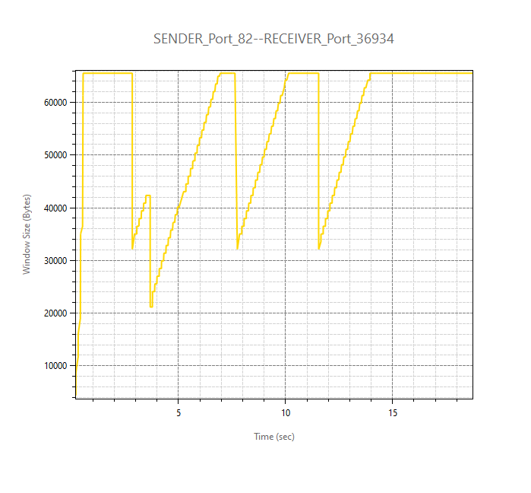

 |  | Topology

