Sheet1
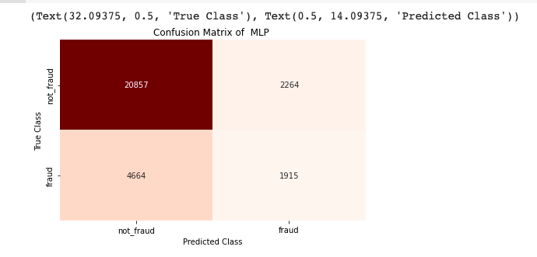
Project Name :- Neural Approach for Credit Card fraud Detection

 | Result Analysis
 |  |  | Name - Vikash Rajput
 |  |  | Roll No- 1901216

 |  | About Dataset
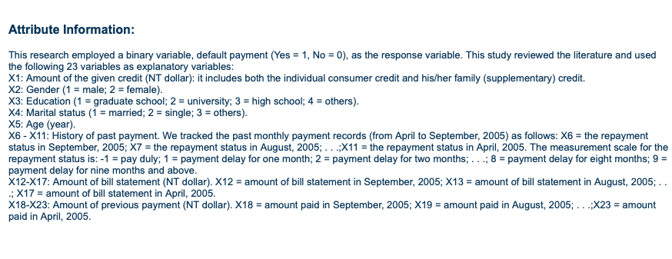

1 . Result of Logistic Regression

Accuracy, Precision , Recall and F1 score of Logistic Regression
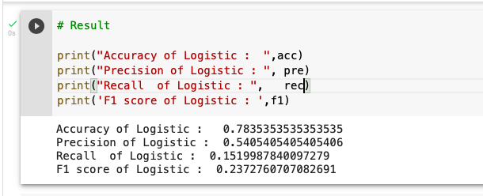

Confusion Matrix of Logistic Regression
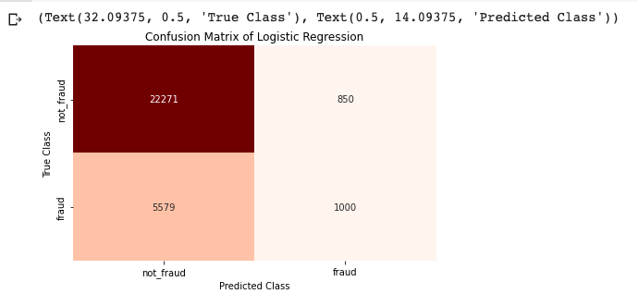

2. Result of SLP(Single layer Perceptron)

Accuracy, Precision, Reccall and F1 score of SLP
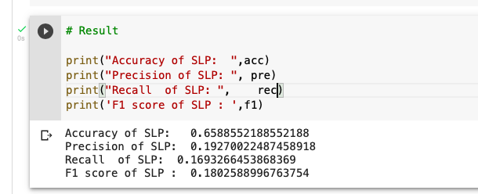

Confusion matrix of SLP
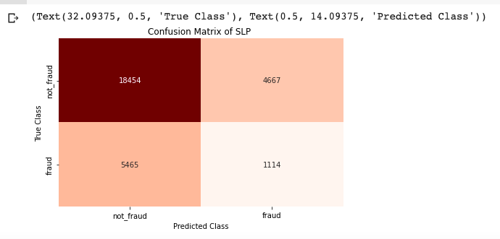

3. Result of MLP(Multilayer Perceptron)

Accuracy, Precision, Recall and F1 score
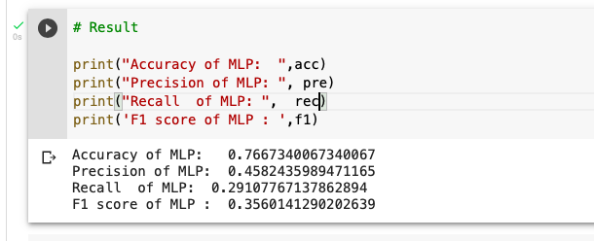

Confusion matrix of MLP

