Chart1
Show EV counts per legislative district to understand policy impact.

\ | Count of VIN (1-10)
1 | 2910
2 | 371
5 | 2580
7 | 59
8 | 401
9 | 193
10 | 474
11 | 1741
12 | 103
13 | 298
16 | 177
19 | 152 | 1 D
20 | 111 | area 2D
21 | 1725
23 | 635
24 | 342
25 | 600
26 | 900
27 | 583
28 | 589
29 | 325
30 | 826
31 | 1038
32 | 1164
33 | 1007
34 | 1030
35 | 345
36 | 1641
37 | 1315
38 | 543
39 | 675
41 | 4184
43 | 1337
44 | 1920
45 | 3609
46 | 1416
47 | 1514
48 | 3762
Grand Total | 42595

chart2
Display the top cities with the highest number of EV registrations.

Row Labels | Count of VIN (1-10)
Bellevue | 3629
Bothell | 2552
Redmond | 2566
Sammamish | 2113
Seattle | 6325
Grand Total | 17185

chart3
Breakdown of vehicles eligible for incentives vs. those that are not

Row Labels | Count of VIN (1-10)
Clean Alternative Fuel Vehicle Eligible | 35
Eligibility unknown as battery range has not been researched | 42608
Not eligible due to low battery range | 2
Grand Total | 42645

chart4
To show the number of electric vehicles per county.

Row Labels | Count of VIN (1-10)
Benton | 486
Kitsap | 1097
Pierce | 3959
Snohomish | 7783
King | 27398

 |  | columns vertical

 | 40723

chart5
top 5 postal code

 | Row Labels | Count of VIN (1-10)
 | 98004 | 1088
 | 98006 | 1190
 | 98012 | 1581
 | 98052 | 1898
 | 98074 | 1041
 | Grand Total | 6798

 |  |  | pie full donut hollow

chart6
Show the number of EVs registered each year to track growth trends

Row Labels | Count of VIN (1-10) | row lebel | count
2023 | 23096 | 2023 | 23096
2024 | 14836 | 2024 | 14836
2025 | 4713 | 2025 | 4713

 | 42645

 |  |  | 1D

Dashboard
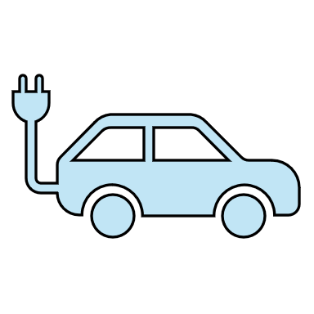
Electric Vehicle Registration
Electric Vehicle REGISTRATION
42645

Electric Vehicle Adoption by Legislative District
 | Total
1 | 2910
2 | 371
5 | 2580
7 | 59
8 | 401
9 | 193
10 | 474
11 | 1741
12 | 103
13 | 298
16 | 177
19 | 152
20 | 111
21 | 1725
23 | 635
24 | 342
25 | 600
26 | 900
27 | 583
28 | 589
29 | 325
30 | 826
31 | 1038
32 | 1164
33 | 1007
34 | 1030
35 | 345
36 | 1641
37 | 1315
38 | 543
39 | 675
41 | 4184
43 | 1337
44 | 1920
45 | 3609
46 | 1416
47 | 1514
48 | 3762
Top 5 Postal Code
 | Total
98004 | 1088
98006 | 1190
98012 | 1581
98052 | 1898
98074 | 1041
Electric Vehicle Incentive Eligibility Breakdownl
 | Total
Clean Alternative Fuel Vehicle Eligible | 35
Eligibility unknown as battery range has not been researched | 42608
Not eligible due to low battery range | 2

Top Cities for Electric Vehicle Adoption
 | Total
Bellevue | 3629
Bothell | 2552
Redmond | 2566
Sammamish | 2113
Seattle | 6325
Electric Vehicle Distribution by County
 | Total
Benton | 486
Kitsap | 1097
Pierce | 3959
Snohomish | 7783
King | 27398
Annual Growth of Electric Vehicle Registrations
 | Total
2023 | 23096
2024 | 14836
2025 | 4713

