VMS Front Suspension
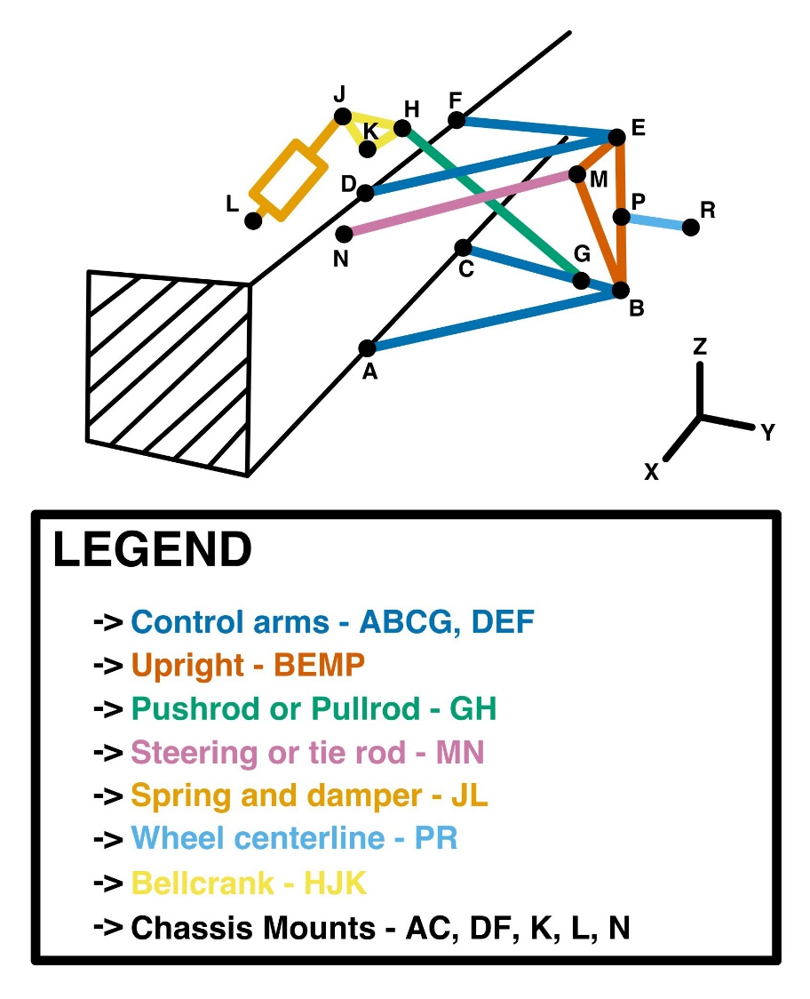
Pt | X | Y | Z
A | 268.799 | 111.693 | 1610
B | 635.872 | 135.438 | 1538.987
C | 268.799 | 108.68 | 1308.42
D | 300 | 235.262 | 1610
E | 620.146 | 314.534 | 1520.163
F | 300 | 218.034 | 1310.976
G | 585.95 | 287.25 | 1520.13
H | 318.97 | 97.007 | 1520
J | 318.97 | 97.007 | 1538.9
K | 286.799 | 110.794 | 1520
L | 300 | 286.699 | 1538.9
M | 637.872 | 136.021 | 1583.987
N | 269 | 112.106 | 1650
P | 628.426 | 220.234 | 1530.075
R | 669.26 | 220.95 | 1530

VMS Rear Suspension
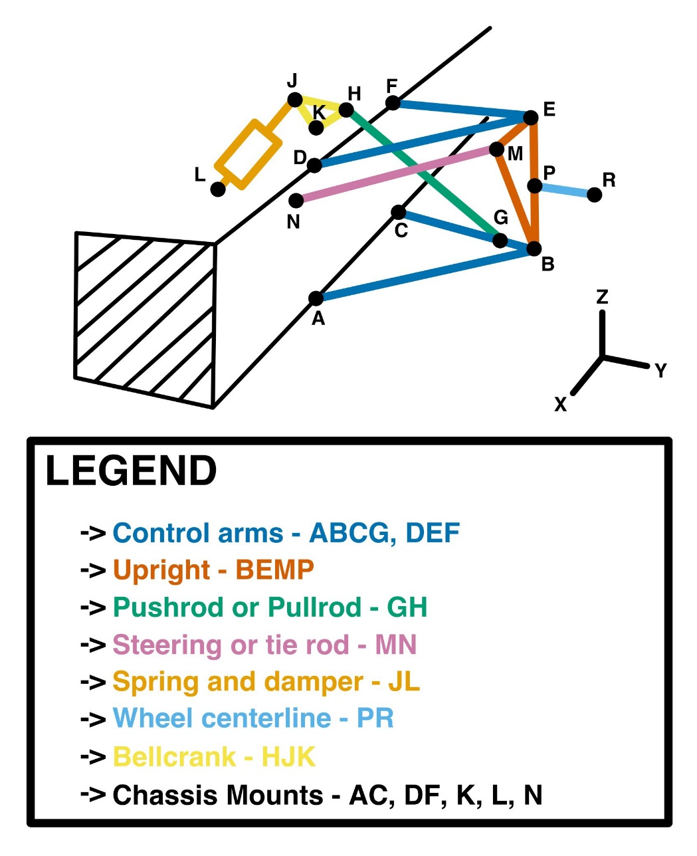
Pt | X | Y | Z
A | 100 | 153.266 | 125
B | 655.743 | 135.698 | 0
C | 100 | 139.305 | -150
D | 100 | 260.771 | 125
E | 640.016 | 315.45 | 0
F | 100 | 255.152 | -150
G | 616.11 | 153.79 | -8.21
H | 150.02 | 369.08 | -101.05
J | 112.32 | 386.478 | -57.713
K | 166.76 | 361.355 | -60
L | 166.76 | 361.355 | 116.076
M | 640.016 | 314.429 | -49.99
N | 396.306 | 287.601 | -98.83
P | 648.316 | 220.581 | 0
R | 669.26 | 220.95 | 0

