Tabelle1
Micromouse PinOut STM32-NUCLEO-F446RE

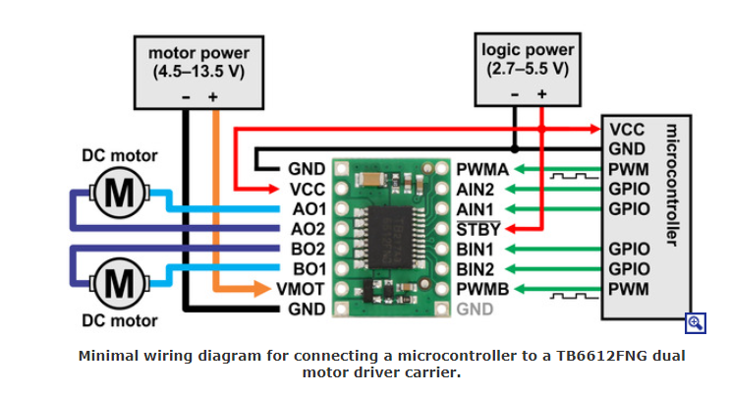

Motor
Funktion | PIN | Board | Peripheral
Links / PWM A | PB8 | D15 | TIM4-> CH3 (AF2)
Rechts / PWM B | PB9 | D14 | TIM4-> CH4 (AF2)
AIN1 | PA10 | D2 | GPIO / OUT
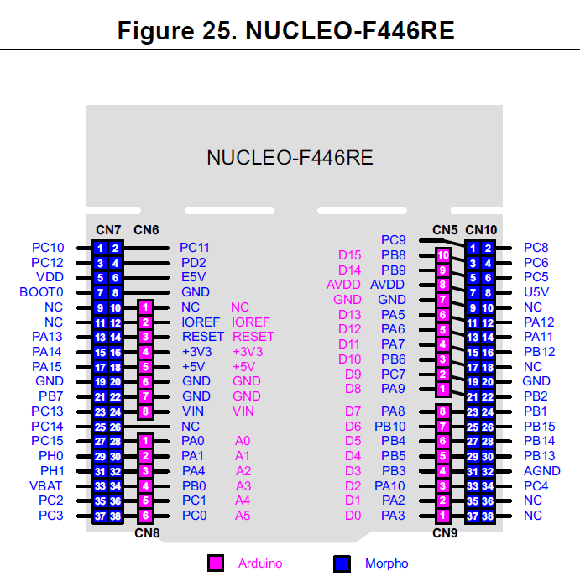
AIN2 | PC9 | D3 | GPIO / OUT
BIN1 | PB5 | D4 | GPIO / OUT
BIN2 | PC8 | D5 | GPIO / OUT

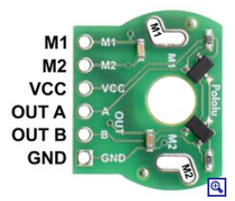

Encoder
Funktion | PIN | Board | Peripheral
Links / OUT A | PA6 | D12 | TIM3 -> CH1 (AF2)
Links / OUT B | PA7 | D11 | TIM3 -> CH2 (AF2)
Rechts / OUT A | PA8 | D7 | TIM1 -> CH1 (AF1)
Rechts / OUT B | PA9 | D8 | TIM1 -> CH2 (AF1)

UART
Funktion | PIN | Board | Peripheral
TX | PC6 | / | UART6 (AF8)
RX | PC7 | D9 | UART6 (AF8)

I2C TOF
Funktion | PIN | Board | Peripheral
SCL | PB10 | / | I2C
SDA | PC12 | / | I2C

IR-Sensor / Receiver-Diode werden nicht mehr benötigt
Funktion | PIN | Board | Peripheral
Links | PA0 | A0 | ADC1 (CH0)
Links 45° | PA1 | A1 | ADC1 (CH1)
Vorne Links | PA4 | A2 | ADC1 (CH4)
Vorne Rechts | PB0 | A3 | ADC1 (CH8)
Rechts 45° | PC1 | A4 | ADC1 (CH11)
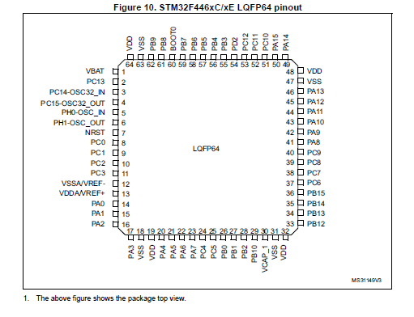
Rechts | PC0 | A5 | ADC1 (CH10)
IR-Sensor / Transmitter-Diode new I2C TOF
Funktion | PIN | Board | Peripheral
GPIO0 RR | PB7 | / | GPIO / OUT
PIO0 RM | PC13 | / | GPIO / OUT
GPIO0 RL | PC4 | / | GPIO / OUT
GIPO0 LR | PC5 | / | GPIO / OUT
GPIO0 LM | PC2 | / | GPIO / OUT
GPIO0 LL | PC3 | / | GPIO / OUT

Debugger
Funktion | PIN | Board | Peripheral
NRST | / | / | (LQFP64) -> PIN7
JTMS / SWIDO | PA13 | / | JTAG / SWD
JTCK / SWCLK | PA14 | / | JTAG / SWD
TDI | PA15 | / | JTAG | ***
JTDO/TRACESWO) | PB3 | / | JTAG / SWD
NJTRST | PB4 | / | JTAG
STLK_RX | PA3 | / | COM-PORT / Kein muss
STLK_TX | PA2 | / | COM-PORT / Kein muss
WKUP | PA0 | / | WAKEUP
MCO | PH1 | / | OSC_OUT

***brauch ma prob ned***

Interface
Funktion | PIN | Board | Peripheral
Button 2 | PB1 | / | GPIO / IN
Button 3 | PB2 | / | GPIO / IN
Led 1 | PA11 | / | GPIO / OUT
Led 2 | PA12 | / | GPIO / OUT
Led 3 | PD2 | / | GPIO / OUT

SPI3 Chip Select
Funktion | PIN | Board | Peripheral
SPI_CS1 | PB6 | /
SPI_CS0 | PB15 | /


Spare GPIO
Funktion | PIN | Board | Peripheral
GPIO1 RR | PC0 | /
GPIO1 RM | PB0 | /
GPIO1 RL | PA0 | /
GPIO1 LR | PA1 | /
GPIO1 LM | PA4 | /
GPIO1 LL | PA5 | /

