15_SCREENSHOTS
15 SCREENSHOTS
Audit snapshot · 2026-07-30 (Asia/Riyadh) · commit ada62124

Screenshot ID | Journey ID | Step ID | Persona | Screen | State | Timestamp | Environment | What screenshot proves | Annotation | Source image file | Related finding
SCR-001 | JRN-ADMIN-IAM-001 | JRN-INSPECTOR-PREP-001-S01 | Unauthenticated | Login | Initial | 2026-07-30 | Local production build | Login renders with staff-number label, reset and locale controls | Actual application; no code screenshot | SCR-001-login.png | BP-001;TEN-001
SCR-002 | JRN-INSPECTOR-PREP-001 | JRN-INSPECTOR-PREP-001-S01 | Inspector | Login | Authentication blocked | 2026-07-30 | Local production build + configured auth | Available inspector identity could not authenticate; staff-number route reports missing directory contract | No secret retained in workbook | SCR-002-login-auth-blocked.png | BP-001
SCR-003 | Multiple | Multiple | Unauthorized | Protected planning route | Redirected to login | 2026-07-30 | Local production build | Protected /planning route redirects to login without authorized session | Confirms guard, not persona authorization quality | SCR-003-planning-auth-guard.png | BP-001

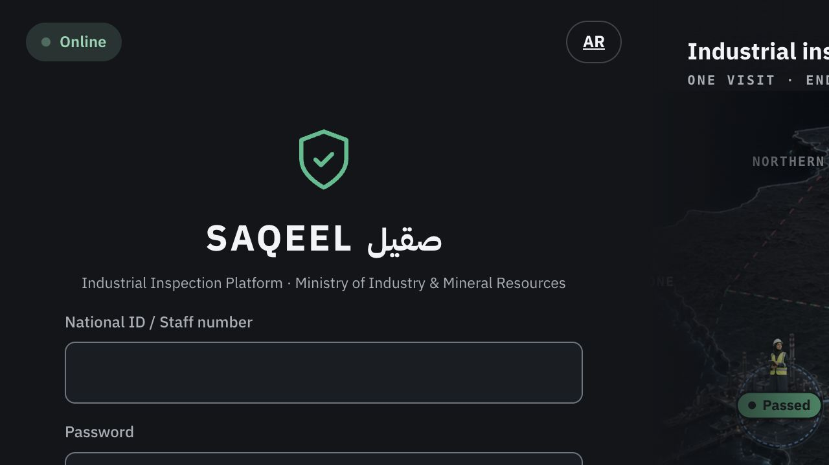
SCR-001 — runtime evidence

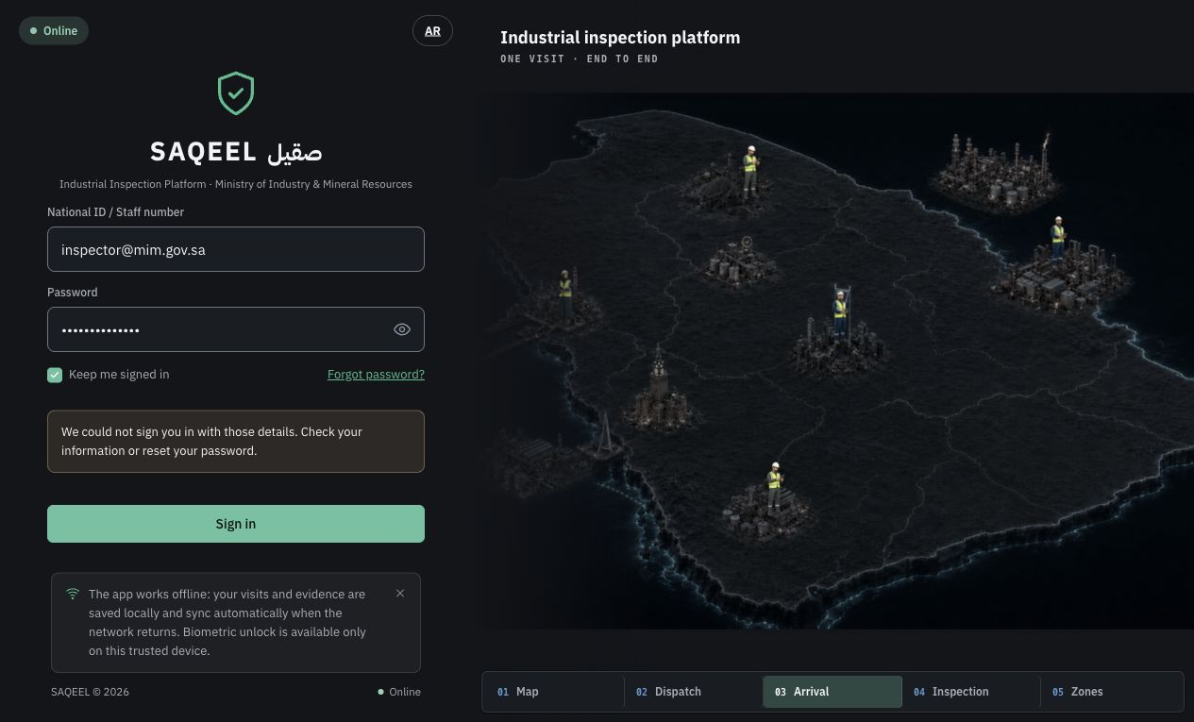
SCR-002 — runtime evidence


SCR-003 — runtime evidence

00_ENTERPRISE_HOME
INSPECTION JOURNEY COMMAND CENTER
Training-first view: follow the golden thread, see block completion, open fix prompts, and answer only the rules that need Product Owner authority.
 |  |  |  |  |  |  |  |  |  |  | Block | Completion
INSPECTOR END-TO-END VERDICT |  |  | Identity & access | Admin configuration | Plan & publish visit | Prepare, travel & arrive | Execute & submit | Review & rework | Corrective action & closure | Reporting, notifications & external sync | Identity & access | 30%
NO — core journey cannot yet be trained or certified end to end |  |  | 3 | 5 | 6 | 4 | 6 | 4 | 2 | 4 | Admin configuration | 45%
 |  |  | 10 | 11 | 11 | 10 | 11 | 9 | 10 | 12 | Plan & publish visit | 55%
 |  |  | 30% | 45% | 55% | 40% | 55% | 44% | 20% | 33% | Prepare, travel & arrive | 40%
 |  |  |  |  |  |  |  |  |  |  | Execute & submit | 55%
 |  |  |  |  |  |  |  |  |  |  | Review & rework | 44%
ENTERPRISE NAVIGATION |  |  |  |  |  |  |  |  |  |  | Corrective action & closure | 20%
 |  |  |  |  |  |  |  |  |  |  | Reporting, notifications & external sync | 33%
1. GOLDEN CANVAS | Swimlanes + hover detail | GOLDEN THREAD — ENTERPRISE TRAINING CANVAS | 1 · Approve disposable persona environment and credential custody
2. TRAINING STEPS | Fields, CRUD, state and recovery | TRAINING RUNBOOK — ONE VISIT END TO END | 2 · Confirm role separation and supported inspector execution surface
3. DATA WIRING | UI → service → database → break | DATA + WIRING CONTROL MAP | 3 · Approve zero-package and unconfigured-geofence behaviors
4. FIX PROMPTS | Copy-ready remediation prompts | FIX PROMPT CENTER | 4 · Approve quarantine treatment for invalid approved inspection
5. RULES DECISIONS | Your decisions + recommended answers | RULES DECISION CENTER | 5 · Define corrective owner types and legal closure invariant
6. FORENSIC APPENDIX | Original evidence and trace tables | 11 BREAKPOINT REGISTER | 6 · Approve Senaei trigger, KPI RACI and mandatory notification events

Completion is checkpoint-based, not opinion: verified mandatory checkpoints ÷ applicable checkpoints. Hover/comment markers appear on the Golden Canvas.

Evidence-backed completion by block

