15_SCREENSHOTS
15 SCREENSHOTS
Audit snapshot · 2026-07-30 (Asia/Riyadh) · commit ada62124

Screenshot ID | Journey ID | Step ID | Persona | Screen | State | Timestamp | Environment | What screenshot proves | Annotation | Source image file | Related finding
SCR-001 | JRN-ADMIN-IAM-001 | JRN-INSPECTOR-PREP-001-S01 | Unauthenticated | Login | Initial | 2026-07-30 | Local production build | Login renders with staff-number label, reset and locale controls | Actual application; no code screenshot | SCR-001-login.png | BP-001;TEN-001
SCR-002 | JRN-INSPECTOR-PREP-001 | JRN-INSPECTOR-PREP-001-S01 | Inspector | Login | Authentication blocked | 2026-07-30 | Local production build + configured auth | Available inspector identity could not authenticate; staff-number route reports missing directory contract | No secret retained in workbook | SCR-002-login-auth-blocked.png | BP-001
SCR-003 | Multiple | Multiple | Unauthorized | Protected planning route | Redirected to login | 2026-07-30 | Local production build | Protected /planning route redirects to login without authorized session | Confirms guard, not persona authorization quality | SCR-003-planning-auth-guard.png | BP-001

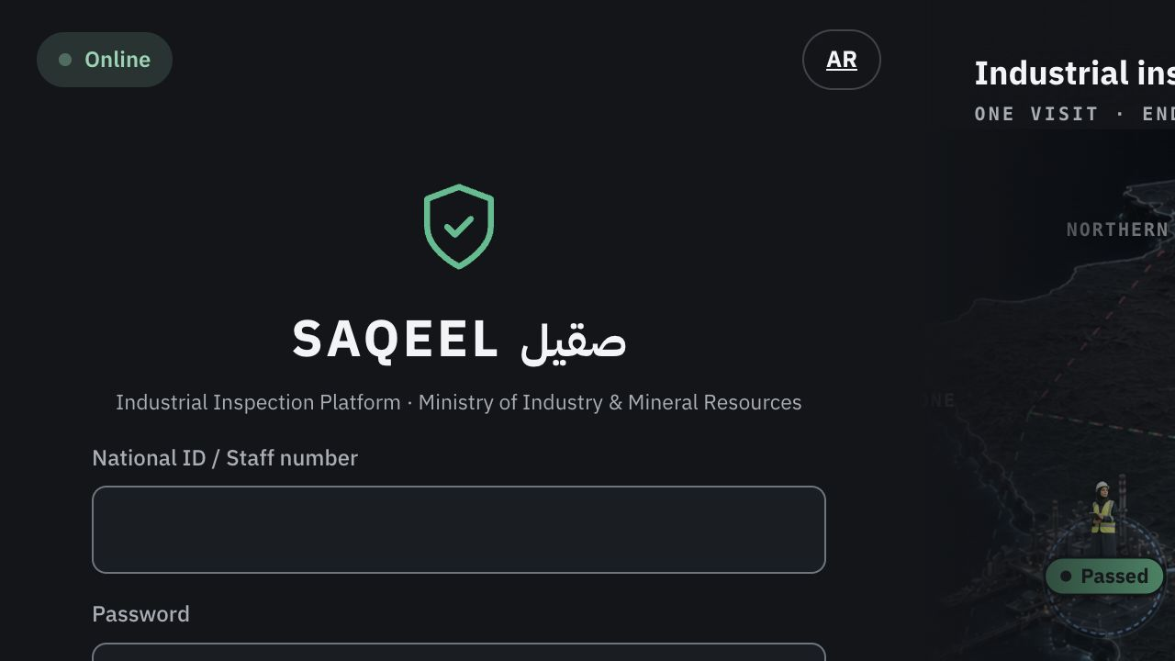
SCR-001 — runtime evidence

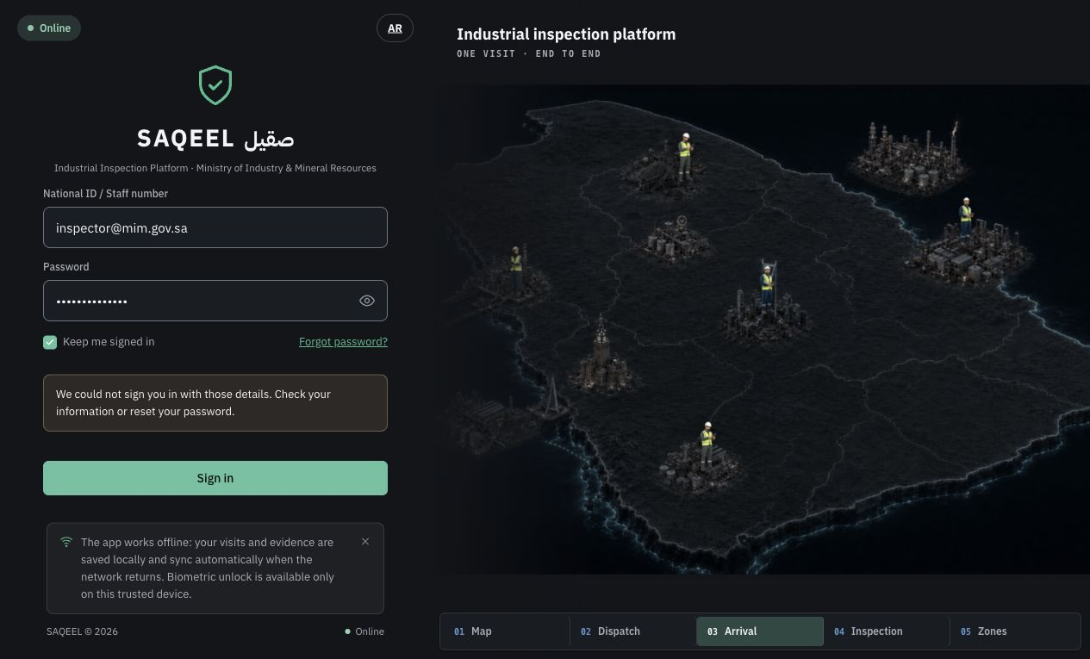
SCR-002 — runtime evidence


SCR-003 — runtime evidence

