Sentiment
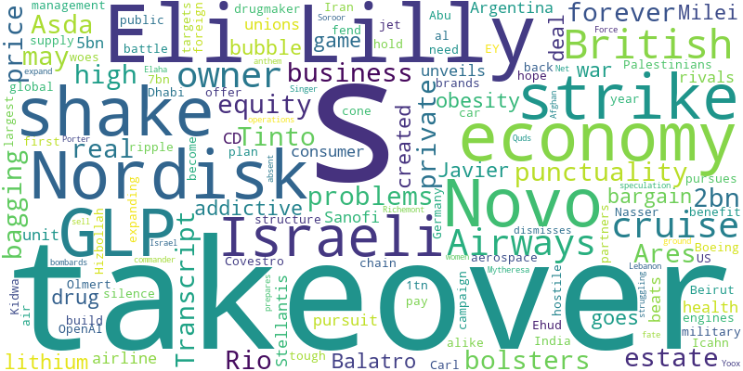
Sentiment in last 1 month | -0.9435
From | 2024-09-11
To | 2024-10-11

