Sentiment
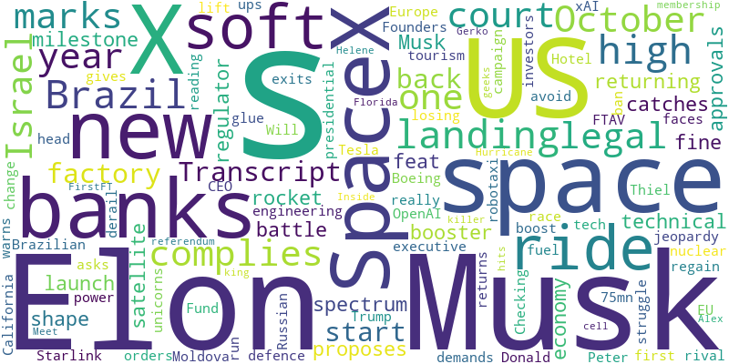
Sentiment in last 1 month | -0.9129
From | 2024-09-16
To | 2024-10-16

