Summary
Category | Count
Passed | 17
Failed | 4
Skipped | 0
Total | 21
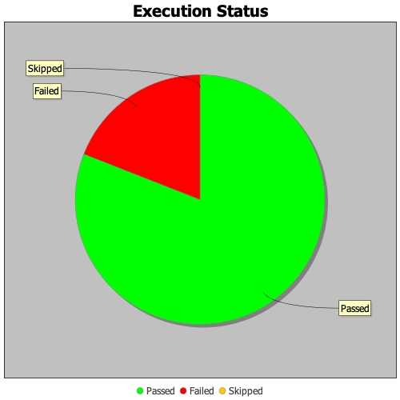
Start Time | Feb 06, 2020 07:18:09 PM
End Time | Feb 06, 2020 07:24:38 PM
Duration | 389460 ms

