Sheet2
Answer 1
 | Independent variable is the The type of test or word condition provided to the candidate, that is whether the words shown are congruent with the ink colors or if they are incongruent with ink colors. "An independent variable is that which stands alone and is not changes by the other variables we are trying to measure. In the given problem, type of test given/ condition provided to the participants: ""a congruent words condition, and an incongruent words condition"", is an independent variable. Where as the ""time takem by the participant to take the names of color in equally sized list"" is a dependent variable. Independent variable causes the change in dependent variable and vice-a-versa is not true. "
Links | https://nces.ed.gov/nceskids/help/user_guide/graph/variables.asp

Answer 2a
 | As far as assigning appropriate set of hypotheses for this task is conserned, we have two hypotheses, 1. Null Hypotheses: The results or the performance of candicates in congruent words condition and an incongruent words condition remains same. 2. Alternative Hypotheses: The results or the performance of candicates in congruent words condition and an incongruent words condition is different, it either increases or decreases. MUc : average of scores of participants who particiapted in congruent word condition. MUi : average of scores of participants who particiapted in incongruent word condition. Null Hypotheses: MUc - MUi = 0 Alternative Hypotheses: MUc - MUi ≠ 0

Answer 2b
 | Since Our Null Hypothesis is MUc = MUi, that means different word conditions doesnot affect our output. So we will check the Standard deviation of the sample and check if its t-stetistical value is within the t-critical bounds (as in whichever direction the t-statistical value goes, if the variation is in t-critical region, we can say that the type of test conditions have definately affected the test results). Reason for taking t-test insted of z-test is we don't know the population mean and poulation's standard devication. Stetistical test which I expect to perform is: t-test: Since each participant completes each of the word condition tests, we will be performing dependent t-test for paired samples. As two tasks are given to same candidate and output is recorded on both the conditions. Measures of Center: 1. Mean of both the "congruent words condition and an incongruent words condition" test ouput. This gives us the average test scores. 2. Mod: Gives us the most frequent value in the data set 3. Median: THe value in the middle of the distribution is median, this dont have any effect of outliers. 1. Range of data: This provides the value which shows the spread of the data. Measures of Variability: 1. Deviation from Mean 2. Find Variance: THis shows how spread out the data is. 2. Find Standard deviation: This defines how far from the average each score is. Also, an assumption is made that all these test were performed at same time for all the participants in similar conditions (for example similar lighing condition, same time, etc)
links | 1. https://classroom.udacity.com/courses/ud134-nd/lessons/4615238546/concepts/773674770923 2. https://classroom.udacity.com/courses/ud134-nd/lessons/4615238546/concepts/773450610923 3. https://study.com/academy/lesson/measures-of-variability-range-variance-standard-deviation.html

Answer 3
 | Mean of the provided data: 1. Congruent: 14.051125 2. Incongruent: 22.01591667 |  | Congruent | Incongruent | devication from mean Congruent | Square of devication from mean Congruent | devication from mean InCongruent | Square of devication from mean InCongruent | Sorted Congruent | Sorted Incongruent
 | Median of the provided data: 1. Congruent: 14.3565 2. Incongruent: 21.0175 |  | 12.079 | 19.278 | -1.972125 | 3.8892770156 | -2.7379166667 | 7.4961876736 | 8.63 | 15.687
 | Variance ofprovided data: 1. Congruent: 12.66902907 2. Incongruent: 23.01175704 |  | 16.791 | 18.741 | 2.739875 | 7.5069150156 | -3.2749166667 | 10.725079174 | 8.987 | 17.394
 | Standard Deviation of the provided data: 1. Congruent: 3.559357958 2. Incongruent: 4.797057122 |  | 9.564 | 21.214 | -4.487125 | 20.134290766 | -0.80191666667 | 0.64307034028 | 9.401 | 17.425
 |  |  | 8.63 | 15.687 | -5.421125 | 29.388596266 | -6.3289166667 | 40.055186174 | 9.564 | 17.51
 |  |  | 14.669 | 22.803 | 0.617875 | 0.38176951562 | 0.78708333333 | 0.61950017361 | 10.639 | 17.96
 |  |  | 12.238 | 20.878 | -1.813125 | 3.2874222656 | -1.1379166667 | 1.2948543403 | 11.344 | 18.644
 |  |  | 14.692 | 24.572 | 0.640875 | 0.41072076562 | 2.5560833333 | 6.5335620069 | 12.079 | 18.741
 |  |  | 8.987 | 17.394 | -5.064125 | 25.645362016 | -4.6219166667 | 21.362113674 | 12.13 | 19.278
 |  |  | 9.401 | 20.762 | -4.650125 | 21.623662516 | -1.2539166667 | 1.5723070069 | 12.238 | 20.33
 |  |  | 14.48 | 26.282 | 0.428875 | 0.18393376562 | 4.2660833333 | 18.199467007 | 12.369 | 20.429
 |  |  | 22.328 | 24.524 | 8.276875 | 68.506659766 | 2.5080833333 | 6.2904820069 | 12.944 | 20.762
 |  |  | 15.298 | 18.644 | 1.246875 | 1.5546972656 | -3.3719166667 | 11.369822007 | 14.233 | 20.878
 |  |  | 15.073 | 17.51 | 1.021875 | 1.0442285156 | -4.5059166667 | 20.303285007 | 14.48 | 21.157
 |  |  | 16.929 | 20.33 | 2.877875 | 8.2821645156 | -1.6859166667 | 2.8423150069 | 14.669 | 21.214
 |  |  | 18.2 | 35.255 | 4.148875 | 17.213163766 | 13.239083333 | 175.27332751 | 14.692 | 22.058
 |  |  | 12.13 | 22.158 | -1.921125 | 3.6907212656 | 0.14208333333 | 0.020187673611 | 15.073 | 22.158
 |  |  | 18.495 | 25.139 | 4.443875 | 19.748025016 | 3.1230833333 | 9.7536495069 | 15.298 | 22.803
 |  |  | 10.639 | 20.429 | -3.412125 | 11.642597016 | -1.5869166667 | 2.5183045069 | 16.004 | 23.894
 |  |  | 11.344 | 17.425 | -2.707125 | 7.3285257656 | -4.5909166667 | 21.07651584 | 16.791 | 24.524
 |  |  | 12.369 | 34.288 | -1.682125 | 2.8295445156 | 12.272083333 | 150.60402934 | 16.929 | 24.572
 |  |  | 12.944 | 23.894 | -1.107125 | 1.2257257656 | 1.8780833333 | 3.5271970069 | 18.2 | 25.139
 |  |  | 14.233 | 17.96 | 0.181875 | 0.033078515625 | -4.0559166667 | 16.450460007 | 18.495 | 26.282
 |  |  | 19.71 | 22.058 | 5.658875 | 32.022866266 | 0.042083333333 | 0.0017710069444 | 19.71 | 34.288
 |  |  | 16.004 | 21.157 | 1.952875 | 3.8137207656 | -0.85891666667 | 0.73773784028 | 22.328 | 35.255
 |  | Sigma calculated by Excel Formula | 3.5593579576 | 4.7970571225
 |  | n | 24
 |  | n-1 | 23
 |  | mean: | 14.051125 | 22.015916667
 |  | median | 14.3565 | 21.0175
 |  | mode | No value is repeated, but we can say that mode is around 12 | No value is repeated, but we can say that mode is around 17 and 20
 |  | variance | 12.669029071 | 23.011757036
 |  | SD (sigma, calculated manually) | 3.5593579576 | 4.7970571225

Answer 4
 | For Congruent words condition, as shown in the below histogram graph, the data is positively skewed with interval size of 2.538. shown below:

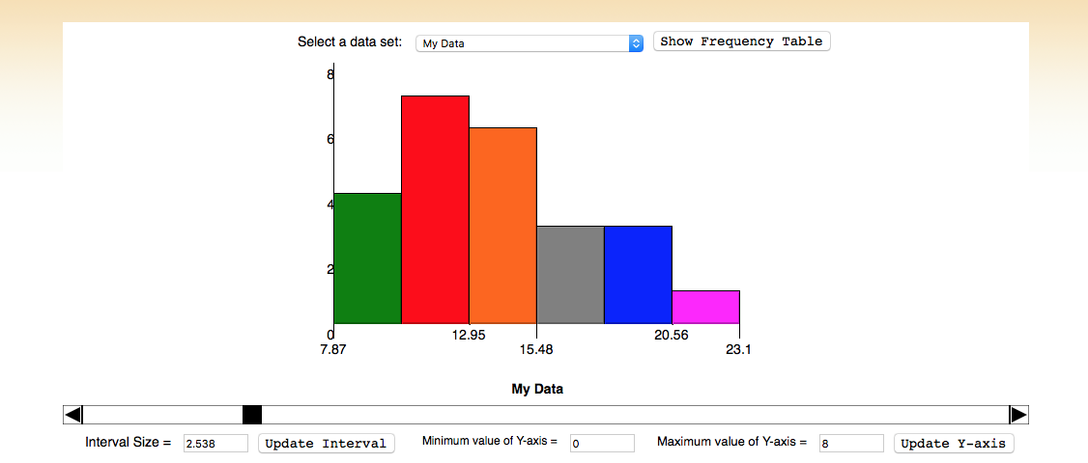

 | For Incongruent words condition, as shown in the below histogram graph, the data is positively skewed with interval size of 2.538. Also there lies few outliers as shown in the graph below:

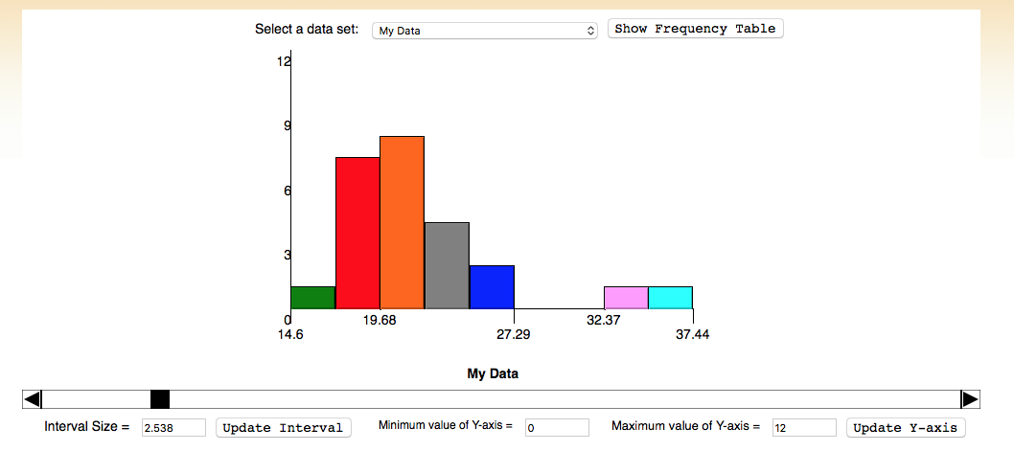

Link | http://www.shodor.org/interactivate/activities/Histogram/

Answer 5
 | Since the data is collected from same participants, for two different test conditions, we will calculate Dependent t-test for paired samples. |  | Congruent | Incongruent | Di | Di-Dbar | (Di-Dbar) ^2
 | Statistical Results: All the results are marked in cells highlighted in Yellow color |  | 12.079 | 19.278 | -7.199 | 0.76579166667 | 0.58643687674
 | Confidance Interval for alpha : 0.05 is -> -11.968 to -3.961 |  | 16.791 | 18.741 | -1.95 | 6.0147916667 | 36.177718793
 | d-bar: -7.964791667 |  | 9.564 | 21.214 | -11.65 | -3.6852083333 | 13.58076046
 | Variance of Differences: 23.66654087 |  | 8.63 | 15.687 | -7.057 | 0.90779166667 | 0.82408571007
 | Standard Devication of Differences: 4.86482691 |  | 14.669 | 22.803 | -8.134 | -0.16920833333 | 0.028631460069
 | Standard Error of Mean Diff: 0.993028635 |  | 12.238 | 20.878 | -8.64 | -0.67520833333 | 0.4559062934
 | t-statistics: -8.020706944 |  | 14.692 | 24.572 | -9.88 | -1.9152083333 | 3.6680229601
 | Cohen's d: -1.637219949 |  | 8.987 | 17.394 | -8.407 | -0.44220833333 | 0.19554821007
 | Confidance Interval: -10.01936791 to -5.910215421 |  | 9.401 | 20.762 | -11.361 | -3.3962083333 | 11.534231043
 | p-value: The two-tailed P value is less than 0.0001 By conventional criteria, this difference is considered to be extremely statistically significant. |  | 14.48 | 26.282 | -11.802 | -3.8372083333 | 14.724167793
 | Based on all the calculated statistics, as t-stetistic is significantly lower than the t-critical value, we "Reject the Null Hypothesis". |  | 22.328 | 24.524 | -2.196 | 5.7687916667 | 33.278957293
 | Consclusion: 1. We Reject the Null hypothesis, that means there is significant difference in result outcome beteen Congruent and Incongruent word condition tests results. 2. Based on the Confidence interwal we can say that all the participants performes 5 to 10 less errors in the test given on Congruent word coditions. |  | 15.298 | 18.644 | -3.346 | 4.6187916667 | 21.33323646
 | Result Expectations: Yes these results match my expectations as the Incongruent word condition based test was way more difficult than the other. |  | 15.073 | 17.51 | -2.437 | 5.5277916667 | 30.55648071
 |  |  | 16.929 | 20.33 | -3.401 | 4.5637916667 | 20.828194377
 |  |  | 18.2 | 35.255 | -17.055 | -9.0902083333 | 82.631887543
 |  |  | 12.13 | 22.158 | -10.028 | -2.0632083333 | 4.2568286267
 |  |  | 18.495 | 25.139 | -6.644 | 1.3207916667 | 1.7444906267
 |  |  | 10.639 | 20.429 | -9.79 | -1.8252083333 | 3.3313854601
 |  |  | 11.344 | 17.425 | -6.081 | 1.8837916667 | 3.5486710434
 |  |  | 12.369 | 34.288 | -21.919 | -13.954208333 | 194.71993021
 |  |  | 12.944 | 23.894 | -10.95 | -2.9852083333 | 8.9114687934
 |  |  | 14.233 | 17.96 | -3.727 | 4.2377916667 | 17.95887821
 |  |  | 19.71 | 22.058 | -2.348 | 5.6167916667 | 31.548348627
 |  |  | 16.004 | 21.157 | -5.153 | 2.8117916667 | 7.9061723767
 |  | x-bar (Confruent) | 14.051125
 |  | x-bar (InConfruent) |  | 22.015916667
 |  | Sample Size | 24
 |  | degree of freedom | 23
 |  | point estimate | -7.9647916667
 |  | d-bar( mean of differences) | -7.9647916667
 |  | variance of diffences | 23.666540868
 |  | S (stndard deviation of defferences) | 4.8648269104
 |  | Standard Error of Mean Diff | 0.99302863478
 |  | t-statistics | -8.0207069441 |  | t-critical for alpha : 0.05 | -2.069 | to | 2.069
 |  | margin of error | 2.0545762454
 |  | Cohen's d | -1.6372199491
 |  | Confidance Interval | Left: | -10.019367912
 |  |  | Right: | -5.9102154213
 |  | p-value | The two-tailed P value is less than 0.0001 By conventional criteria, this difference is considered to be extremely statistically significant.

links | 1. https://www.graphpad.com/quickcalcs/pValue2/ 2. https://s3.amazonaws.com/udacity-hosted-downloads/t-table.jpg

Answer 6
 | Reason of the effect observed between the two above mentioned samples: with Incongruent word sampels, as soon as we see the word subconciusly we try to read the word rather than observe the coler and end up mentioning what the word reads rather than what is the color of the word.

