VehicleLoan
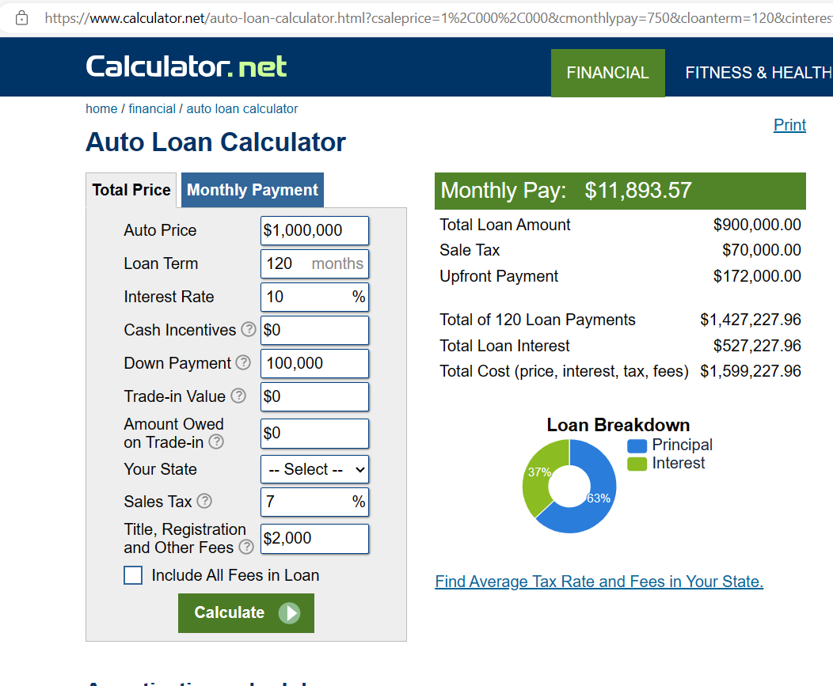
0 | 1 | 2 | 3 | 4 | 5 | 6 | 7 | 8 | 9 | 10 | 11 | 12
1 | Ctr | Vehicle Price | DP Requirement | DP Amount | Annual Interest Rate | Loan Term (Years/Months) | Loan Term Duration |  | Monthly EMI | Number of Payment | Total Interest | Total Payment
2 | 2 | ₱1,000,000.00 | 10 | ₱100,000.00 | 10 | Years | 10 |  | ₱11,893.57 | 120 | ₱527,227.96 | ₱1,427,227.96
3
4
5
6
7
8
9
10
11
12
13
14
15
 |  | URL: https://www.calculator.net/auto-loan-calculator.html?csaleprice=1%2C000%2C000&cmonthlypay=750&cloanterm=120&cinterestrate=10&cincentive=0&cdownpayment=100%2C000&ctradeinvalue=0&ctradeinowned=0&cstate=&csaletax=7&ctitlereg=2%2C000&printit=0&ctype=standard&x=Calculate#autoloanresult

