Design Plot(Feb3)
Design Plot
 | Day 1 | Day 2 | Day 3 | Day 4 | Day 5 | Day 6 | Day 7 | Day 8 | Day 9 | Day 10
 | 0% | 0% | 0% | 0% | 0% | 0% | 0% | 0% | 0% | 0%
 | 20% | 20% | 20% | 20% | 20% | 20% | 20% | 20% | 20% | 20%
 | 40% | 40% | 40% | 40% | 40% | 40% | 40% | 40% | 40% | 40%
 | 60% | 60% | 60% | 60% | 60% | 60% | 60% | 60% | 60% | 60%
 | 80% | 80% | 80% | 80% | 80% | 80% | 80% | 80% | 80% | 80%
 | 100% | 100% | 100% | 100% | 100% | 100% | 100% | 100% | 100% | 100%
 | 0% | 40% | 0% | 40% | 0% | 40% | 0% | 40% | 0% | 40%
 | 0% | 60% | 0% | 60% | 0% | 60% | 0% | 60% | 0% | 60%
 | 0% | 80% | 0% | 80% | 0% | 80% | 0% | 80% | 0% | 80%
 | 20% | 60% | 20% | 60% | 20% | 60% | 20% | 60% | 20% | 60%
 | 40% | 80% | 40% | 80% | 40% | 80% | 40% | 80% | 40% | 80%
Depiction of Stress levels through time.

Text from NSF-GRFP
Fig 1. Predicted relationships between the elevational and thermal barriers separating species pairs across a latitudinal gradient.
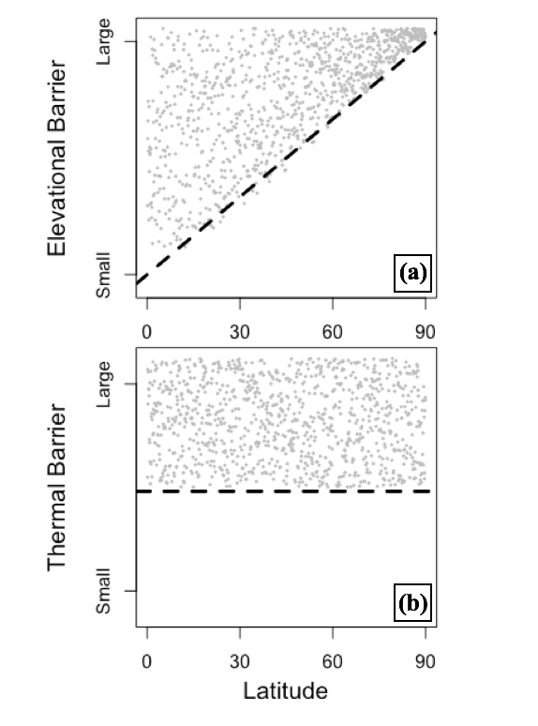
Latitude
Elev. Barrier
Thermal Barrier
0
60
90
small
small
large
large
(a)
(b)
30
Do geographic differences in barrier effectiveness drive latitudinal gradients of diversity?
Janzen’s mountain pass hypothesis is one of the most influential ideas shaping our current understanding of global patterns of diversity1. It posits that mountain ranges tend to be more effective barriers to gene flow in tropical than temperate regions for two reasons: 1) temperate organisms are often adapted to withstand strong yearly temperature variation (i.e., exhibit broad thermal niche breadths2) and therefore may cope better with elevational-temperature gradients encountered during dispersal through mountains than their tropical counterparts3; 2) temperature overlap between lowlands and highlands is often greater throughout the year in temperate mountains, such that dispersal through passes is also facilitated in temperate regions by windows of opportunity during which conditions at the pass are similar to those at lower elevations3.
While not originally intended to explain latitudinal gradients of diversity, Janzen's hypothesis has since been invoked as one reason why we tend to see more species in the tropics1,4,5,6. Although such extension is intuitively appealing, support for this view is currently ambiguous and indirect. Janzen’s assumptions have been supported by localized studies and by studies assessing only a few temperate and tropical sites. However, it is currently unclear whether they hold true at a global scale4,5,6, as no study has systematically explored how geographic differences in key mountain characteristics (e.g., proximity to coast, slope steepness, mountain mass, or range orientation) affect the overall correlation between latitude and annual temperature variation or between latitude and elevational patterns of temperature overlap. An additional source of concern is that many species occupying more temperate regions either migrate, hibernate, or have otherwise evolved means to avoid environmental extremes, meaning that they may exhibit much narrower thermal niche breadths than suggested by their breeding ranges4,5. Finally, direct (experimental) evidence confirming that environmental niche breadth mediates realized barrier effectiveness is entirely lacking.
The broader goal of this proposal is to use experimental and comparative methods to evaluate whether Janzen’s mountain pass hypothesis can be considered a general mechanism driving the formation of latitudinal gradients of diversity. I will achieve this goal by leveraging the expertise and tools available at the Botero Lab to conduct global-scale analyses of Janzen’s geographic and physiological predictions using taxonomic and environmental datasets. In addition, I will directly test the mechanisms that underlie Janzen’s predictions through experimental evolution in yeast. This work aims to explain the most prominent biodiversity pattern on earth, and to inform how climate change may alter the global distribution of diversity.
Aim 1: Evaluate the geographic assumptions of Janzen’s hypothesis at a global scale. I will use climate data from ecoClimate.org (coverage: 1901-2005/ global; resolution: monthly/ 0.5°x0.5°) and topographic data from GMTED2010 (topotools.cr.usgs.gov) to evaluate the extent to which correlations between latitude and temperature variation and between latitude and elevational-temperature overlap hold true at a global scale and are affected by latitudinal variation in key mountain characteristics such as slope, mass, and orientation. I will repeat these analyses using paleo-climate projections for the Mid-Holocene (6ka), Last Glacial Maximum (21ka) and Pliocene (3Ma). Because Janzen’s ideas could apply to other physiological barriers3,5, I will also evaluate global correlations between latitude and patterns of variation in precipitation and net primary production (NPP). For all variables considered, I will explore the effects of environmental gradients induced by mountains and those caused by other geographic features that may limit the spread and sympatry of organisms, including large rivers and sharp ecotones.
Aim 2: Assess the extent to which the mountain pass hypothesis applies to speciation events in vertebrates. For birds7, mammals8, and amphibians9, I will integrate current species distributions (iucnredlist.org) with information on geographic, climatic, and phylogenetic histories to identify speciation events that were likely driven by topographic barriers10. To test the hypothesis that mountain passes have been more effective barriers in tropical than temperate regions, I will explore how the magnitude of elevational and thermal barriers that separate known species pairs changes with latitude globally. For each sister species pair, I will measure the elevation of the barrier relative to the elevational occurrence of each species. The ‘thermal barrier’ imposed by each topographic feature will be measured as the overlap between species’ thermal niche breadths and the thermal regime at the mountain top (or valley bottom for montane species)5; I will consider both contemporary climate and climate at the time of estimated divergence10. Prediction 1: large elevational barriers will be associated with speciation events across all latitudes, but the minimum necessary size of elevational barriers will increase from low to high latitudes (Fig 1a). Prediction 2: mean or minimum elevational barrier size will be lower for species that avoid exposure to the harshest annual conditions through hibernation or migration. Prediction 3: the magnitude of thermal barriers will not vary with latitude (Fig 1b). I will apply similar tests to assess whether other environmental barriers (precipitation/ NPP gradients) follow similar geographic patterns.
Aim 3: Test Janzen’s assumptions via experimental evolution in a yeast model system. I will test whether prior fluctuating selection improves yeast survival in subsequent exposure to physiologically challenging conditions that can act as dispersal barriers. In collaboration with Dr. Justin Fay, the Botero Lab has already laid the groundwork for experimental evolution in yeast through the development of 100 barcoded yeast strains11, optimization of multiplex-PCR techniques11, and characterization of yeast growth-response curves for multiple stressors. I will experimentally evolve paired clonal strains for 30 days (300 gen.) under either daily-varying ethanol concentration ("fluctuating" treatment) or constant ethanol levels ("uniform" treatment: low, med., and high). I will use competition assays11 to subsequently assess the relative performance of these originally identical strains in physiologically challenging environments. Predictions: prior exposure to fluctuating selection will result in 1) increased fitness across a wider range of ethanol-driven stress; and 2) increased ability to cope with ethanol levels outside the range of exposure in native treatments. This will be the first direct experimental test of the main underlying mechanistic assumption of Janzen’s mountain pass hypothesis.
Broader Impacts: I am committed to providing research experiences for local high school and undergraduate students from underrepresented minorities. As a proof of my commitment, I am already mentoring Suchith DeSilva, a first year student at Washington U., and involving him in my work developing the experimental evolution protocols for this project. I will continue to provide Suchith and future students involved in my research with opportunities to learn wet-lab and computational techniques, and I will strive to provide them with opportunities to pursue their own research questions within this project’s framework under my mentorship. To make my science accessible to the community, I also plan to give presentations at Roosevelt High School and at the “Science on Tap” series, a forum designed to promote public engagement in science and to facilitate discussion between researchers and members of the St. Louis community.
References: 1Mittelbach et al. ’07 Ecol Lett; 2Soberón ’07 Ecol Lett; 3Janzen ‘67 Am Nat; 4Cadena et al. ‘12 Proc R Soc B; 5Ghalambor et al. ‘06 ICB; 6Zuloaga & Kerr ‘16 Ecography; 7Jetz et al. ‘12 Nature; 8Bininda-Emonds et al. ’08 Nature; 9Pyron & Wiens ’11 Mol Phylogenet Evol; 10Weeks et al. ’16 J Biogeogr; 11Selmecki et al. ‘15 Nature.

