Dashboard
 | Chocolate Sales Year 2022
TOTAL REVENUE
TOP COUNTRY BY
MEDIAN SALES
TOTAL BOXES SHIPPED
$11,872
India
1,126
Products
50% Dark Bites

PRODUCTS
COUNTRY
MONTHS
Country
Australia
India | $13,482
New Zealand | $9,765
USA | $9,737
Australia | $5,936
Canada | $3,024
UK | $2,107
Organic Choco Syrup | $2,303 | #N/A
Drinking Coco | $2,464 | #N/A
Mint Chip Choco | $2,674 | #N/A
Manuka Honey Choco | $3,336 | #N/A
Almond Choco | $3,752 | #N/A
99% Dark & Pure | $4,669 | #N/A
Smooth Sliky Salty | $4,757 | #N/A
70% Dark Bites | $5,100 | #N/A
50% Dark Bites | #N/A | $5,936
Spicy Special Slims | $6,619 | #N/A
Fruit & Nut Bars | $6,769 | #N/A
Raspberry Choco | $6,916 | #N/A
Eclairs | $6,979 | #N/A
White Choc | $7,357 | #N/A
Caramel Stuffed Bars | $8,757 | #N/A
Baker's Choco Chips | $9,163 | #N/A
January | #N/A | $9,765
June | $5,114 | #N/A
May | $4,312 | #N/A
April | $3,990 | #N/A
July | $3,626 | #N/A
March | $3,374 | #N/A

Month
January

Color_palette
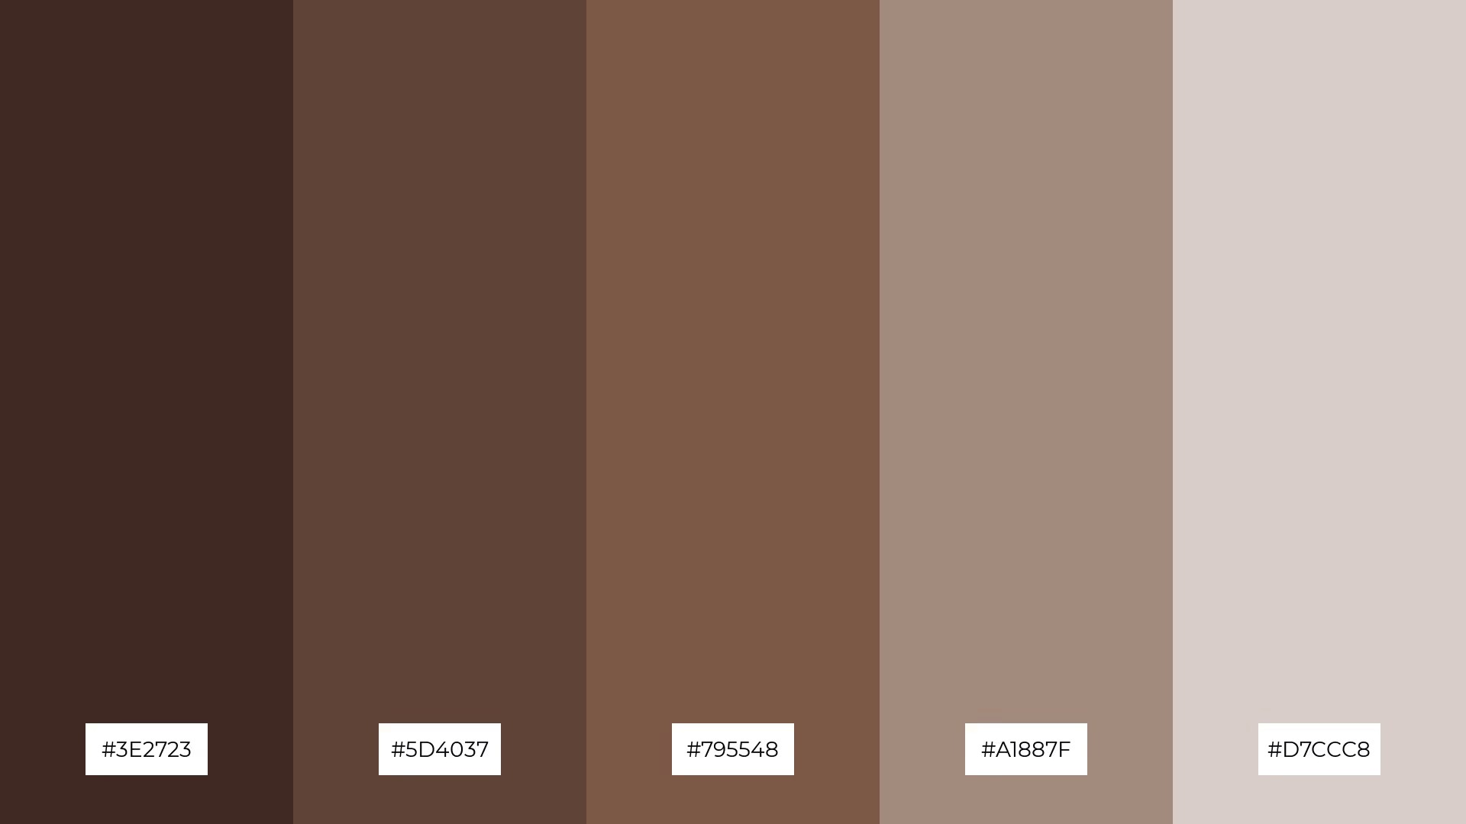

#3E2723 | #5D4037 | #795548 | #A1887F | #D7CCC8

