Tabelle1
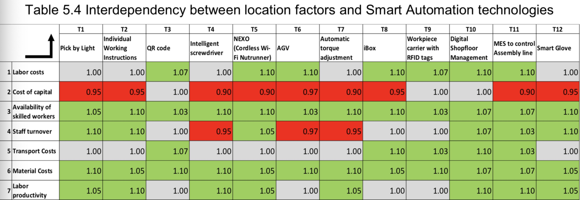
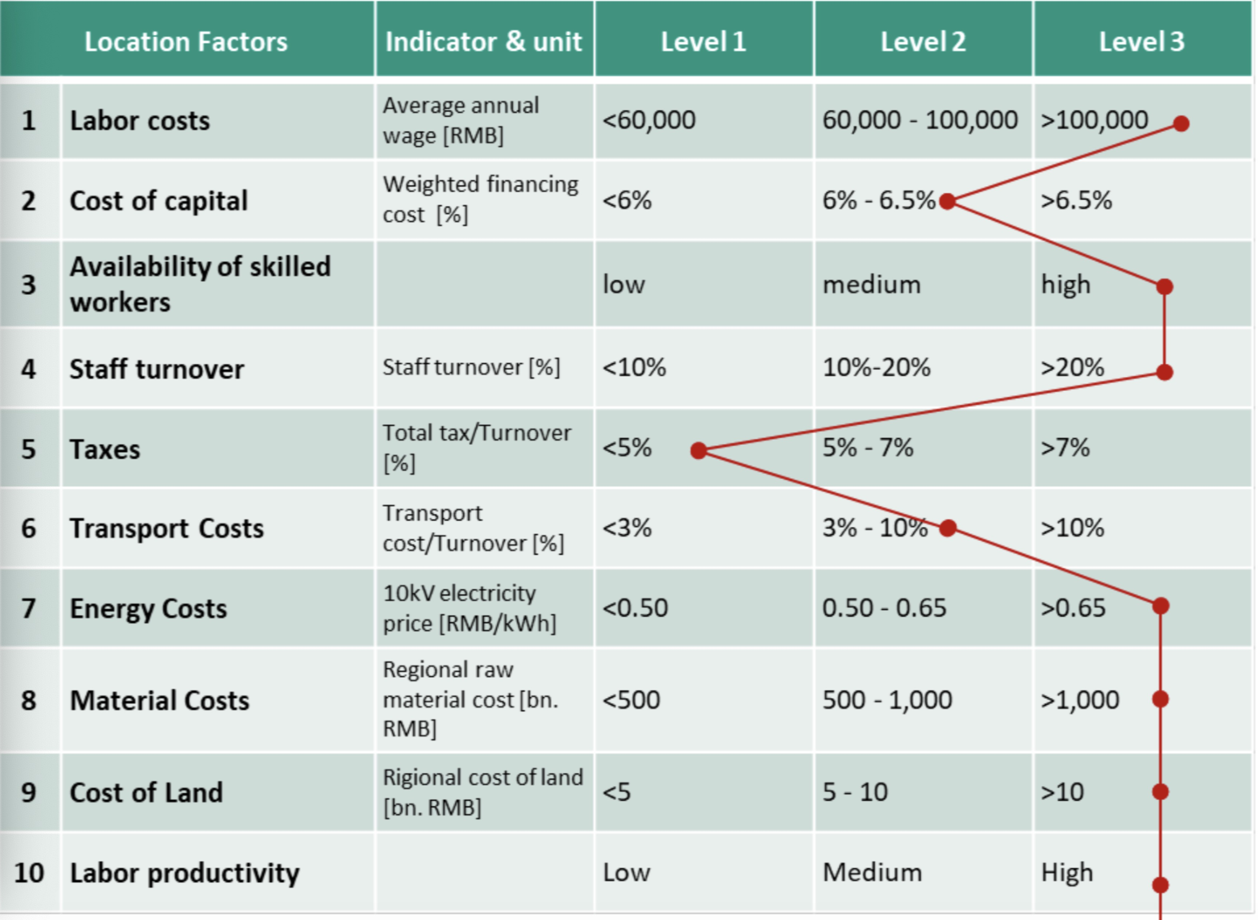
 | level1 | level2 | level3
Labor costs | 0.6 | 0.8 | 1
Cost of capital | 0.96 | 1 | 1.04
Availability of skilled workers | 0.6 | 0.8 | 1
Staff turnover | 0.5 | 0.75 | 1
Transport Costs | 0.46 | 1 | 1.54
Material Costs | 0.5 | 0.75 | 1
Labor productivity | 0.6 | 0.8 | 1

