Tabelle1
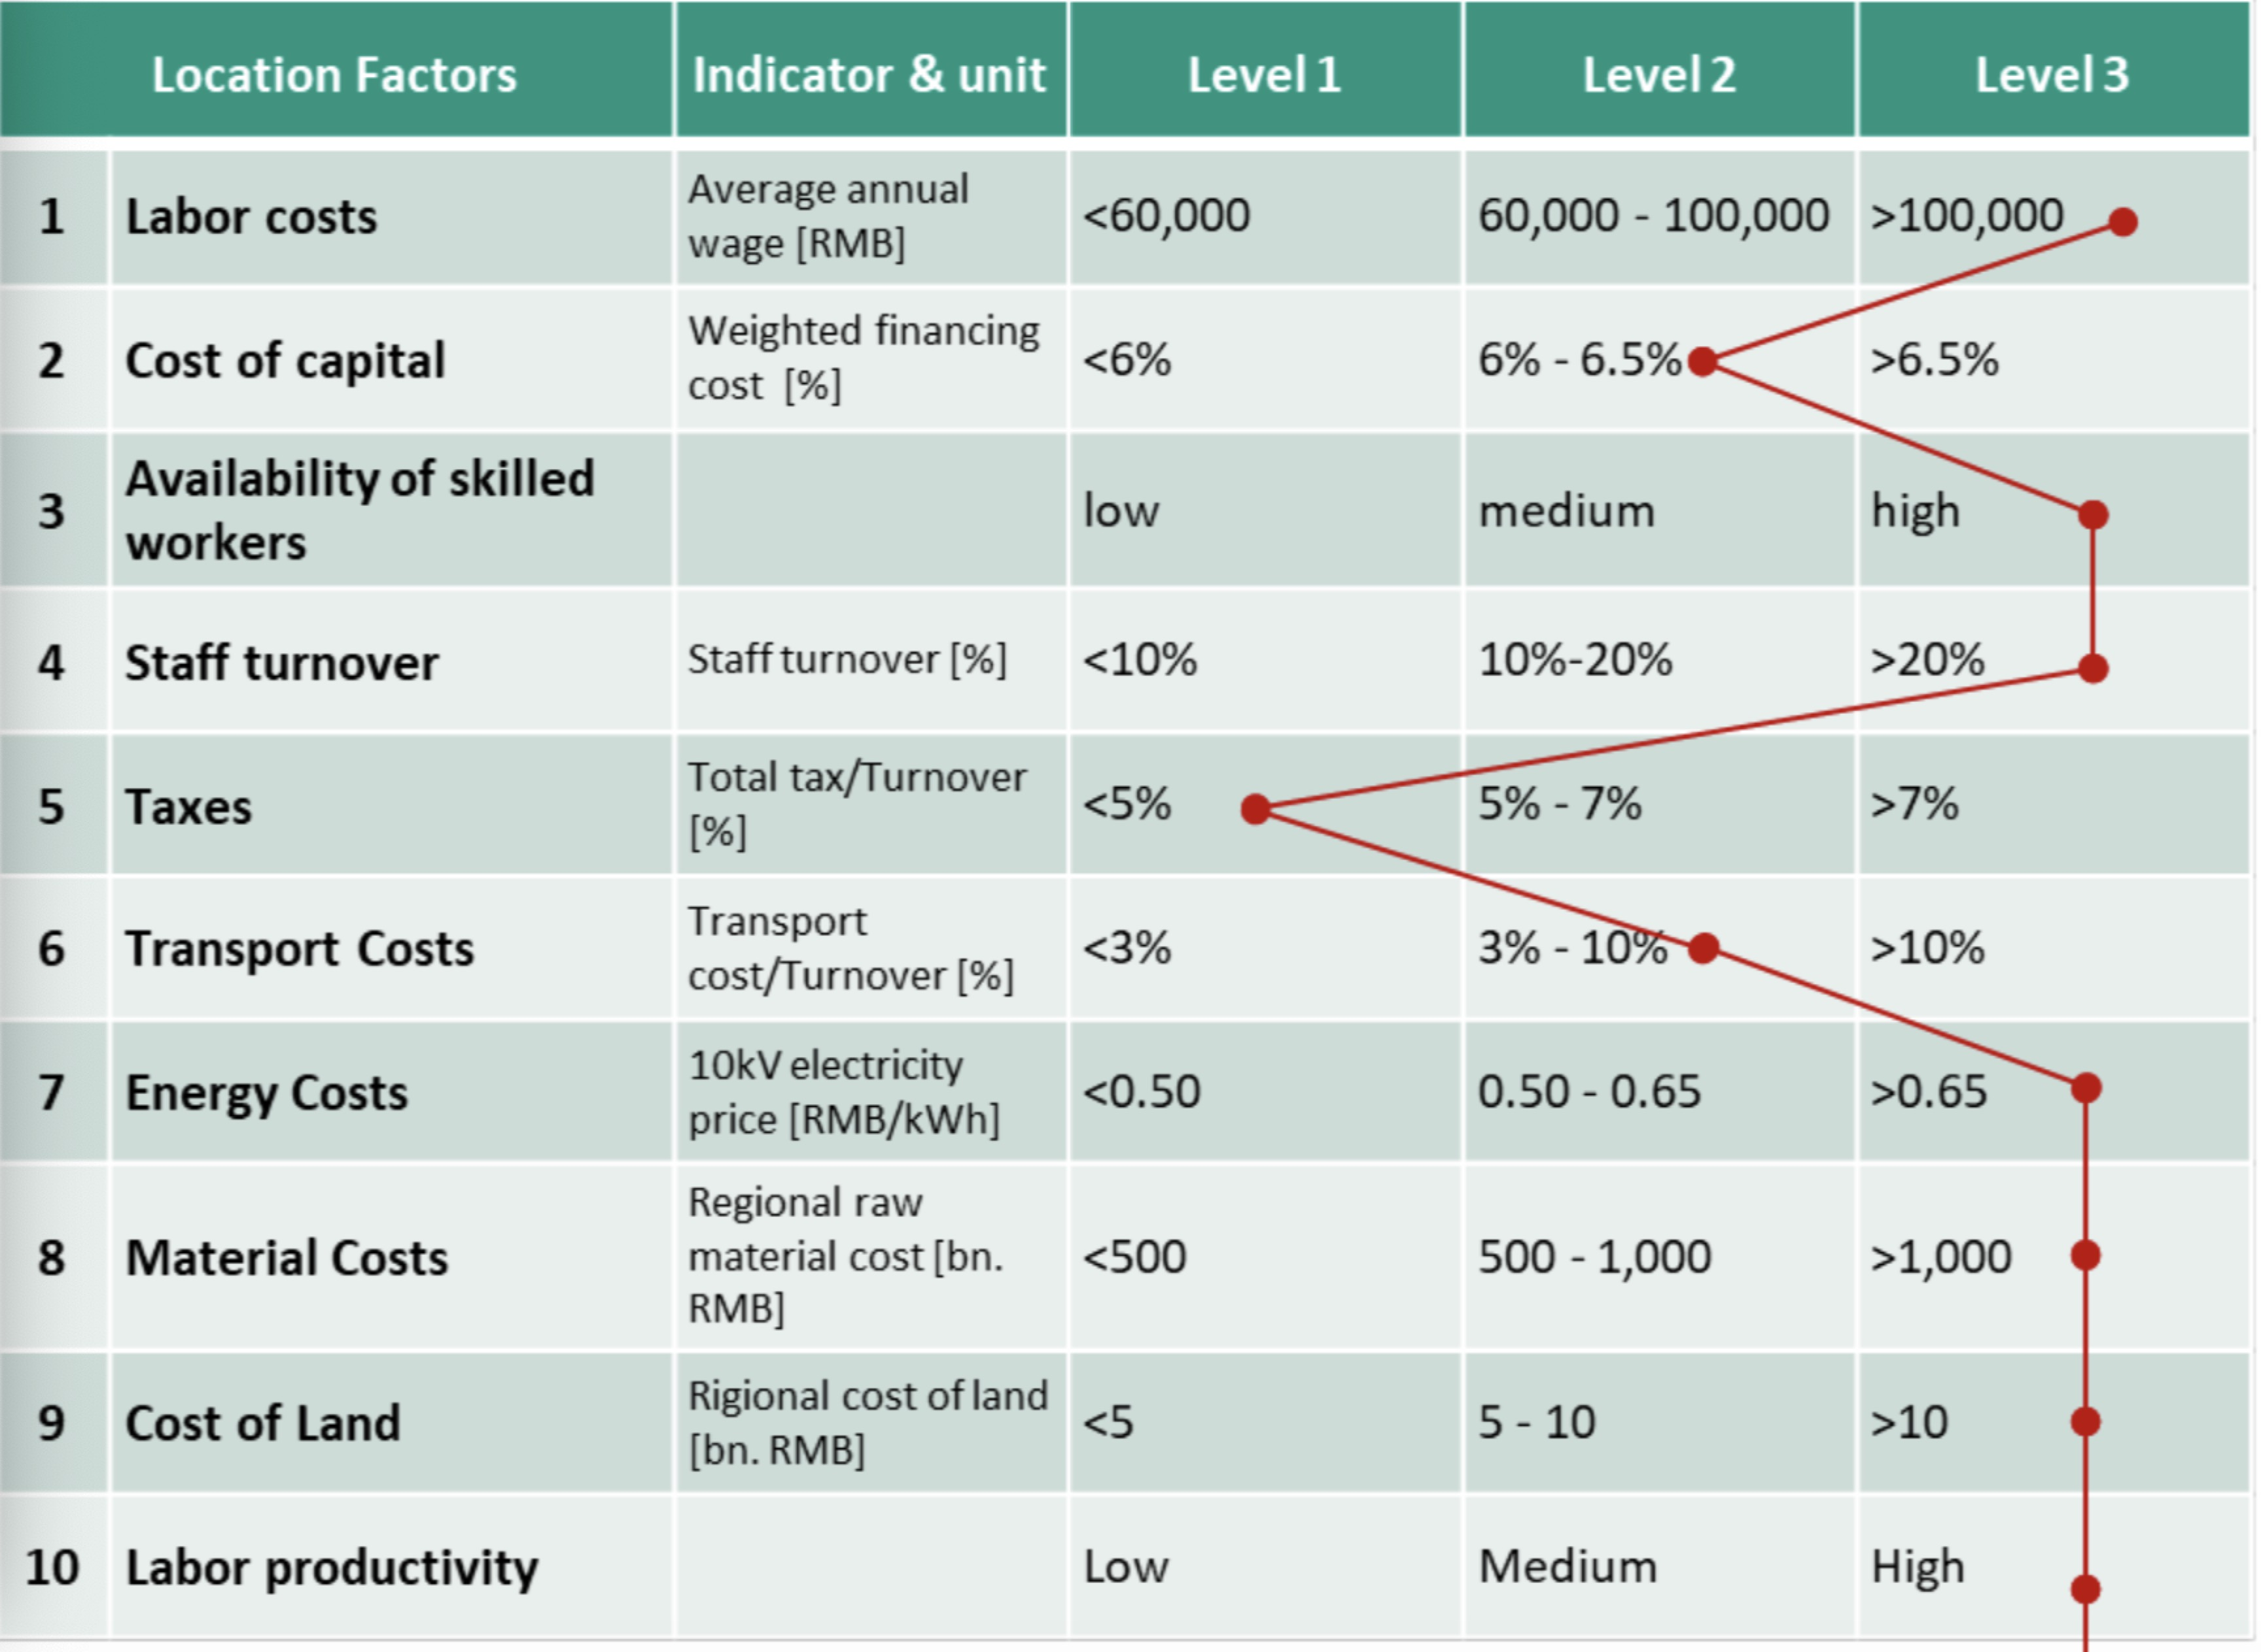
 | level1 | level2 | level3
Labor costs |  |  | 1
Cost of capital |  | 1
Availability of skilled workers |  |  | 1
Staff turnover |  |  | 1
Transport Costs |  | 1
Material Costs |  |  | 1
Labor productivity |  |  | 1

