USB
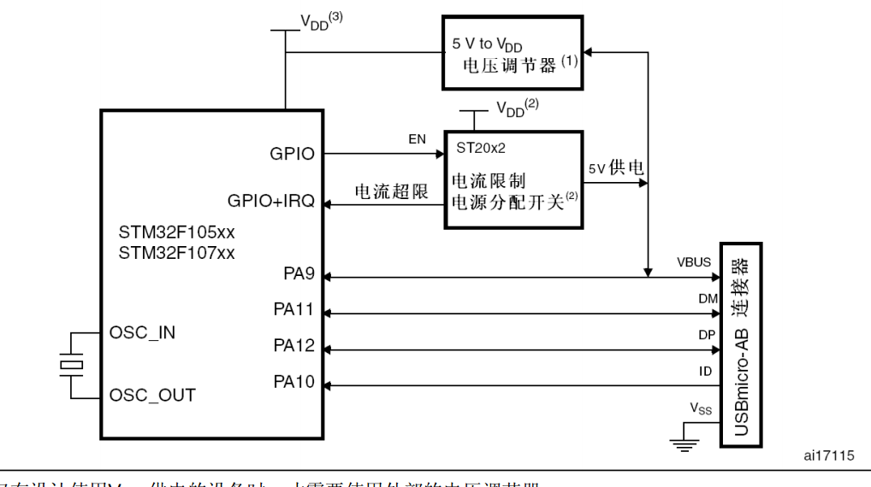
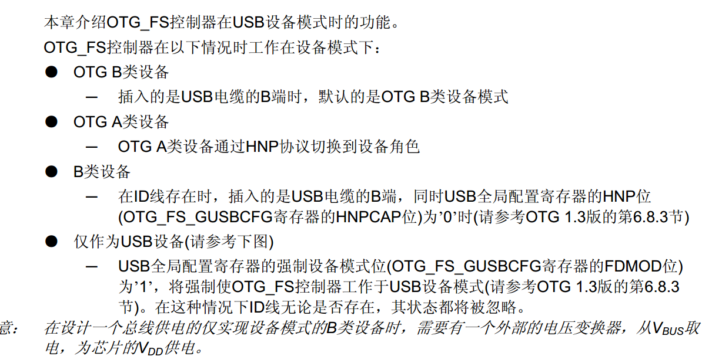

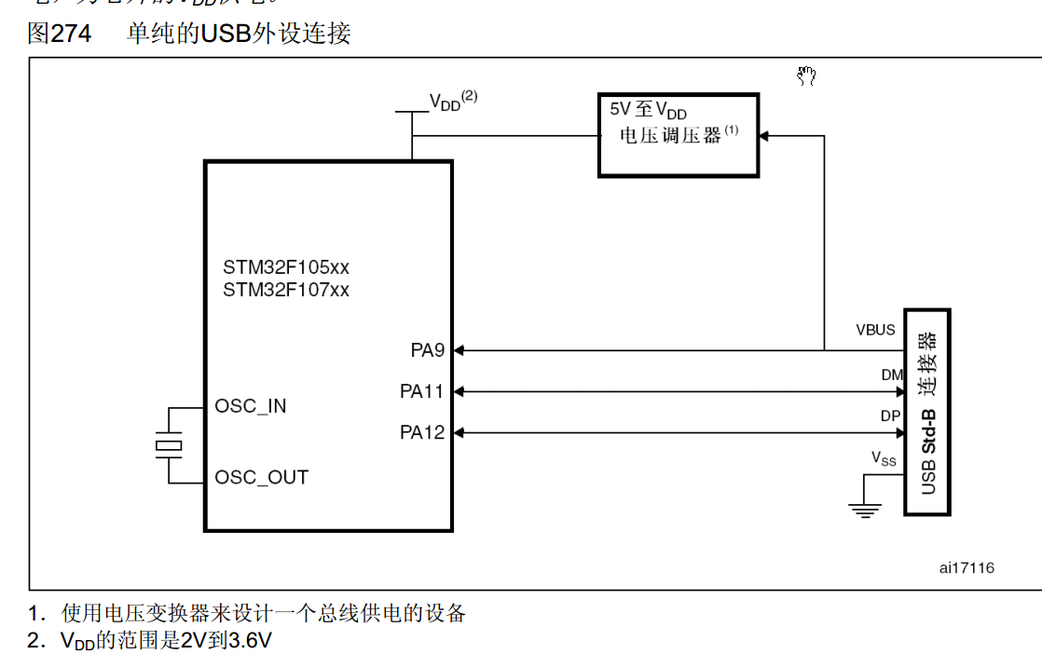

42 | PA9 | V-BUS,直接上拉至VDD
43 | PA10 | ID | 尝试直接强制作为设备模式，OTG_FS_GUSBCFG的FDMOD置位
44 | PA11 | OTG_FS_DM
45 | PA12 | OTG_FS_DP

SD Card
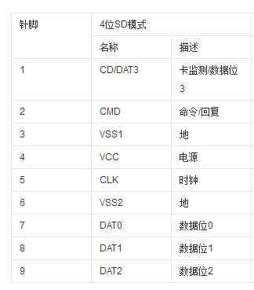

SCLK | PIN51 | PC10
DO/MISO | PIN52 SPI3_MISO | PC11
DI/MOSI | PIN53 SPI3_MOSI | PC12
CS | PIN54 | PD2

Clock
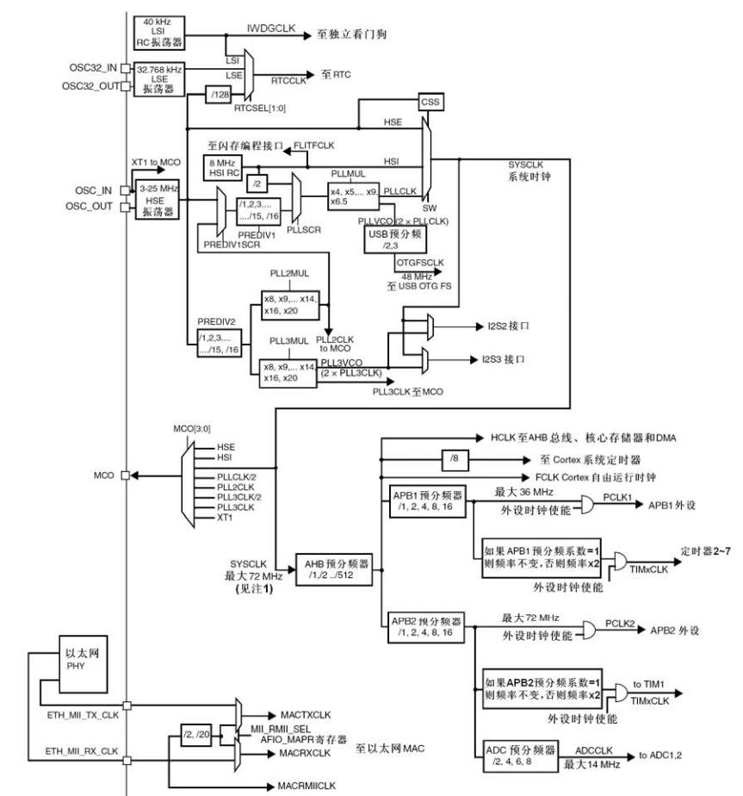
HSE | 8 | MHz
PLLXTPRE | 0 | HSE不分频
PLLSRC | 1 | HSE作为PLL时钟输入
PLLMUL | 7 | PLL9倍频输出
PLLCLK | 72 | MHz
SW | 2 | PLL作为系统时钟
SYSCLK | 72 | MHz
AHB(HPRE) | 0 | SYSCLK不分频
AHB | 72 | MHz
APB1（PPRE1) | 4 | 4表示2分频
APB1 CLK(PCLK1) | 36 | MHz

HSE | 8 | MHz
PREDIV1SRC | 1 | PLL2作为PREDIV1的时钟源
PREDIV1 | 0 | 1分频
PLLSRC | 1 | HSE作为PLL输入
PLLMUL | 7 | 9倍频
SW | 2 | PLL输出作为系统时钟
SYSCLK
PREDIV2 | 7 | 8分频
PLL2MUL | 6 | 8倍频
PLL3MUL | 0 | 预留配置，相当于未配置
HPRE | 0 | AHB直接等于SYSCLK
PPRE1 | 4
PPRE2 | 0

HSE | 8 | MHz
PLLCLK | 8
PLL2CLK | 8
SYSCLK | 72
APB1 | 36
APB2 | 144

 |  |  |  | Baud | TS1 | TS2 | BRP | tq
 |  |  | CAN | 0.125 | 3 | 3 | 31 | 0.88888888889
 |  |  |  | 1.2 | 5 | 7 | 1 | #DIV/0!

 | 1
 | 4
 | 4
 | 32

