PB_NN_mod
0.074926393274 | 0.68291254282 |  |  |  |  | 2003 | 1999 | 1994 | 1989 | 1994
0.1628660236 | 0.35543264891
0.0010147010195 | 0.56949578593
0.074926393274 | 0.68291254282
0.1628660236 | 0.35543264891
0.0010147010195 | 0.56949578593
0.14739803092 | 0.22019674546
0.034418667851 | 0.80204077452
0.23186095865 | 0.35449753623
0.40195868737 | 0.79824497612
0.20613255259 | 1.6937646164
0.22529466188 | 1.8345050686
0.061134407157 | 1.5204774147
0.0079126783299 | 1.8062356856
0.030192963865 |  |  |  |  | 1.4012157901
0.95089827446 | 0.8058282635
0.37270004206 |  | 0.34078445022
0.11731676467 |  |  | 0.91966816239
0.2524729713 |  |  |  |  | 0.26755700399
0.60647933372 | 0.71124456169
0.19932699611 |  | 0.11792856282
0.85235612926 |  |  |  |  | 0.62771294951
0.95772245593 | 0.67777560027
0.20132606817 |  |  |  | 0.074403110394
0.36727989347 |  |  |  |  | 0.72178546064
0.062891948204 | 0.43087317945
0.30729439283 |  | 0.63544825193
0.29473898736 |  |  | 0.61475050062
0.4142772887 |  |  |  |  | 0.7081311282
0.89957572597 | 0.97583397702
0.30120442037 |  |  | 0.90462378283
0.61501104295 |  |  |  | 0.11255381113
0.1405877835 |  |  |  |  | 0.57348010279
0.55061995684 | 0.50476511309
0.37804606669 |  | 0.91528426011
0.66487672627 |  |  |  |  | 0.5165306028
0.2679694959 | 0.89193941305
0.44888727237 |  | 0.79915356059
0.1415875009 |  |  | 0.37435294676
0.47248309806 |  |  |  | 0.58808719697
0.26612153469 |  |  |  |  | 0.069638222356
0.97769871363 | 0.83326293549
0.37599480539 |  |  | 0.45397478869
0.52669961916 |  |  |  |  | 0.82152570427
0.91783741672 | 0.94420794168
0.28528003676 |  | 0.89485522938
0.23473241391 |  |  | 0.56147914116
0.2822891282 |  |  |  | 0.794508763
0.46796563351 | 0.27985327978
0.33591207634 |  | 0.77075470315
0.011666953683 |  |  |  |  | 0.38722804804
0.80349922669 | 0.85919439976
0.26308884054 |  | 0.59497965504
...
0.14739803092 | 0.22019674546
0.034418667851 | 0.80204077452
0.23186095865 | 0.35449753623
0.40195868737 | 0.79824497612
0.20613255259 | 1.6937646164
0.22529466188 | 1.8345050686
0.061134407157 | 1.5204774147
0.0079126783299 | 1.8062356856
0.030192963865 |  |  |  |  | 1.4012157901
0.95089827446 | 0.8058282635
0.37270004206 |  | 0.34078445022
0.11731676467 |  |  | 0.91966816239
0.2524729713 |  |  |  |  | 0.26755700399
0.60647933372 | 0.71124456169
0.19932699611 |  | 0.11792856282
0.85235612926 |  |  |  |  | 0.62771294951
0.95772245593 | 0.67777560027
0.20132606817 |  |  |  | 0.074403110394
0.36727989347 |  |  |  |  | 0.72178546064
0.062891948204 | 0.43087317945
0.30729439283 |  | 0.63544825193
0.29473898736 |  |  | 0.61475050062
0.4142772887 |  |  |  |  | 0.7081311282
0.89957572597 | 0.97583397702
0.30120442037 |  |  | 0.90462378283
0.61501104295 |  |  |  | 0.11255381113
0.1405877835 |  |  |  |  | 0.57348010279
0.55061995684 | 0.50476511309
0.37804606669 |  | 0.91528426011
0.66487672627 |  |  |  |  | 0.5165306028
0.2679694959 | 0.89193941305
0.44888727237 |  | 0.79915356059
0.1415875009 |  |  | 0.37435294676
0.47248309806 |  |  |  | 0.58808719697
0.26612153469 |  |  |  |  | 0.069638222356
0.97769871363 | 0.83326293549
0.37599480539 |  |  | 0.45397478869
0.52669961916 |  |  |  |  | 0.82152570427
0.91783741672 | 0.94420794168
0.28528003676 |  | 0.89485522938
0.23473241391 |  |  | 0.56147914116
0.2822891282 |  |  |  | 0.794508763
0.46796563351 | 0.27985327978
0.33591207634 |  | 0.77075470315
0.011666953683 |  |  |  |  | 0.38722804804
0.80349922669 | 0.85919439976
0.26308884054 |  | 0.59497965504
0.16835639777 |  |  | 0.63427251716
0.54657279062 |  |  |  | 0.52379084538
0.15131662006 |  |  |  |  | 0.5021816587
0.085685478038 | 0.76567538434
0.17108786865 |  | 0.4728358494
0.28727284008 |  |  |  | 0.29440106983
0.34729462236 |  |  |  |  | 0.58283180455
0.94451764663 | 0.40726812265
0.14480681561 |  | 0.84546402509
0.13534914532 |  |  |  | 0.051078002929
0.063413151777 |  |  |  |  | 0.5082784422
0.011265373708 | 0.88891295411
0.017259560772 |  | 0.63996780848
0.10857936212 |  |  |  |  | 0.85872762593
0.36781509281 | 0.0046874470167
0.4852892294 |  | 0.62899041742
0.55184313113 |  |  |  | 0.44490853829
0.93036544813 |  |  |  |  | 0.23220955617
0.82567887704 | 0.84518249195
0.3507314158 |  | 0.77215552239
0.27952438238 |  |  |  | 0.091876449547
0.21153169043 |  |  |  |  | 0.95978508648
0.78279867665 | 0.80471348281
0.11498161106 |  | 0.56991792557
0.44286384617 |  |  |  | 0.7423002121
0.21662604359 |  |  |  |  | 0.8110745332
0.87392143619 | 0.2892035156
0.67230810965 |  | 0.69551012066
0.069041082899 |  |  |  |  | 0.47581920197
0.70181342429 | 0.68099967569
0.51552059744 |  |  |  | 0.98456250851
0.15046274649 |  |  |  |  | 0.41887737561
0.72546554119 | 0.087639426314
0.39482972201 |  |  | 0.042176103417
0.51960564152 |  |  |  | 0.95250279226
0.42786760941 |  |  |  |  | 0.28686340573
0.53280658013 | 0.84753235909
0.21351471545 |  | 0.55322722024
0.39155336222 |  |  |  | 0.69244716882
0.34115907555 |  |  |  |  | 0.50990260027
0.80608767608 | 0.45149417594
0.055906918717 |  |  | 0.61525711345
0.28095620003 |  |  |  | 0.16198337783
0.87228233606 |  |  |  |  | 0.37411048841
0.96649884579 | 0.83511932929
0.15984965459 |  | 0.98019179097
0.13820450122 |  |  | 0.80900353089
0.36182925561 |  |  |  | 0.09984170567
0.64147245645 |  |  |  |  | 0.12628616807
0.037519458582 | 0.04652595106
0.25061144132 |  |  |  | 0.31095041301
0.4566740981 |  |  |  |  | 0.40614241855
0.35102406274 | 0.61923565183
0.31086050103 |  |  | 1.1479334908
0.17447768218 |  |  |  | 0.92037785397
0.7550395051 |  |  |  |  | 0.44331942776
0.32486460087 | 1.8676792971
0.49554406123 |  | 1.6972261595
0.20250367262 |  |  | 1.6864318894
0.39221115998 |  |  |  | 1.5240428506
0.38436112421 |  |  |  |  | 1.4520434783
0.70145312204 | 1.8652329503
0.70560621868 |  |  |  |  | 1.6774381609
0.72900861779 | 1.3445678947
0.49115948851 |  | 1.5234886123
0.12818084532 |  |  | 1.5468349068
0.31152139468 |  |  |  | 1.4316544713
0.49284936086 |  |  |  |  | 1.5046791881
0.89027061677 | 1.2749298478
0.55700563498 |  |  |  | 1.4095577164
0.46928728157 |  |  |  |  | 1.4589989201
0.78228439181 | 1.8032328025
0.4287803027 |  | 1.181088537
0.58204355968 |  |  | 1.8503117262
0.60739282441 |  |  |  | 1.3267628536
0.3151662757 |  |  |  |  | 1.6701689573
0.90044898482 | 1.6559197083
0.31186054884 |  | 1.4302645448
0.030714785977 |  |  |  | 1.0102688504
0.83105250617 | 1.7533290137
0.12490407454 |  | 1.315167841
0.19775381262 |  |  | 1.4270221226
0.47045379456 |  |  |  |  | 1.6494403724
0.96428409644 | 1.6991307351
0.01539561459 |  | 1.7360031844
0.036392365325 |  |  | 1.491750219
0.19285180728 |  |  |  | 1.3322519885
0.12302639509 | 1.536068606
0.15640964616 |  |  |  |  | 1.5706550568
0.87454358641 | 1.9128936404
0.013887598566 |  | 1.7296499272
0.87114875628 | 1.6674439012
0.34782520851 |  |  |  |  | 1.6443322351
0.73158292131 | 1.9206648105
0.2364762469 |  | 1.8090513807
0.23768938158 |  |  |  | 1.811805475
0.39967376848 |  |  |  |  | 1.6839159799
0.98996685863 | 1.7446248659
0.63349604767 |  |  |  |  | 1.572023667
0.79308408284 | 1.6426252774
0.33632721742 |  |  |  | 1.3834816693
0.87702163363 |  |  |  |  | 1.5061913249
0.37918589113 | 1.8672808592
0.06436188303 |  | 1.5385248292
0.61581007383 |  |  |  | 1.0045227637
0.74064896947 |  |  |  |  | 1.131590827
0.05337285372 | 1.0350874125
0.5536043853 |  |  |  | 1.4478261149
0.20649034361 |  |  |  |  | 1.5331187224
0.88428489417 | 1.7488612453
0.11419596018 |  |  |  | 1.0242933725
0.15483148597 | 1.7001521339
0.43367826512 |  |  | 1.8700473913
0.20125679754 |  |  |  |  | 1.2465727592
0.16716792286 | 1.8233167964
0.1024409093 |  | 1.5763654583
0.37832769398 |  |  | 1.4927303827
0.40250559313 |  |  |  |  | 1.4528161467
0.3900813403 | 1.555423305
0.063414331968 |  | 1.9469594995
0.14697923587 |  |  | 1.016775781
0.32678644635 |  |  |  | 1.9007335573
0.69293535305 |  |  |  |  | 1.6573109689
0.54326073022 | 1.3198407788
0.51882502898 |  | 1.0494061818
0.10270249213 |  |  | 1.5972471026
0.55156861757 |  |  |  | 1.1748797869
0.99694265295 |  |  |  |  | 1.4980287404
0.121853399 | 1.6360294221
0.044031672238 |  | 1.3493964583
0.55586279626 |  |  | 1.5336798417
0.1699017615 |  |  |  | 1.0167582396
0.10979124717 | 1.8921037738
0.33274155983 |  |  |  |  | 1.3797125521
0.21574881639 | 1.4445657187
0.19453477431 |  | 1.1347131165
0.038201460004 |  |  | 1.0609384773
0.0071261290298 |  |  |  | 1.4567324037
0.19102981164 |  |  |  |  | 1.6255782643
0.19173622845 | 1.8518629412
0.56410494412 |  | 1.6759704451
0.086660920124 |  |  |  | 1.139964186
0.25052199345 |  |  |  |  | 1.3820160148
0.98088042307 | 0.72588618825
0.035099095085 |  | 0.37231231492
0.84288833783 |  |  | 0.53296640244
0.075690598893 |  |  |  | 0.22378581731
0.42072428663 |  |  |  |  | 0.55411042076
0.0044957139412 | 0.67968784112
0.056249019004 |  | 0.23067004413
0.0015214114603 |  |  | 0.20758091813
0.41673427677 |  |  |  | 0.89102259224
0.27063478112 |  |  |  |  | 0.61027599465
0.7047015189 | 0.29610496582
0.31164103446 |  | 0.84895596861
0.20865084903 |  |  | 0.48763741141
0.24789643989 |  |  |  | 0.14174447348
0.10827261469 |  |  |  |  | 0.61946029942
0.82877496282 | 0.25699425106
0.38068201527 |  | 0.99276732125
0.58233840463 |  |  | 0.3884019679
0.22123805046 |  |  |  | 0.53005888758
0.6644835357 |  |  |  |  | 0.62458534631
0.99381655646 | 0.78067190036
0.018673323592 |  | 0.78365251767
0.47309603393 |  |  | 0.8910092642
0.0013192902099 |  |  |  | 0.088310670353
0.28756294125 |  |  |  |  | 0.12252789157
0.31516589312 | 0.077113766981
0.16037507709 |  | 0.51775255547
0.12821513972 |  |  | 0.83651083083
0.079172219995 |  |  |  | 0.097721842614
0.44896348554 |  |  |  |  | 0.34107336746
0.85785486404 | 0.93269155995
0.0023776653189 |  | 0.4628944124
0.18301119989 |  |  | 0.67667240697
0.020714801577 |  |  |  | 0.86371932855
0.44704985184 |  |  |  |  | 0.90379980218
0.91904422508 | 0.76806079437
0.091415301736 |  | 0.33374101271
0.97000328149 |  |  | 0.7424515599
0.88357435506 |  |  |  | 0.40466669231
0.82101200443 |  |  |  |  | 0.70278878216
0.48839381229 | 0.85155868579
0.16253420083 |  | 0.53704416224
0.31846570538 |  |  | 0.72057406057
0.1082666357 |  |  |  | 0.16880330147
0.16524050586 |  |  |  |  | 0.8656190494
0.012751726064 | 0.49790990824
0.09578196961 |  | 0.86646714268
0.86454510494 |  |  | 0.44767921639
0.16614861924 |  |  |  | 0.37811097502
0.72780469191 |  |  |  |  | 0.065528419724
0.9103351351 | 0.04513579424
0.24620848321 |  | 0.87412880149
0.56523005845 |  |  | 0.028671094688
0.63085257088 |  |  |  | 0.089275151024
0.30374843895 |  |  |  |  | 0.57326102199
0.5624170211 | 0.71671839303
0.84669046456 |  | 0.017197236537
0.2487768514 |  |  | 0.39676863034
0.3528940845 |  |  |  | 0.32143434907
0.724386315 |  |  |  |  | 0.5028333624
0.60860898979 | 0.15407651974
0.036996104838 |  | 0.98513339163
0.78414655872 |  |  | 0.73064122692
0.28979991157 |  |  |  | 0.86352979714
0.13909579039 |  |  |  |  | 0.48171335843
0.91919644513 | 0.87090250536
0.12360734288 |  | 0.45952486206
0.066490620169 |  |  | 0.34752446914
0.17057076583 |  |  |  | 0.14080108794
0.44639965837 |  |  |  |  | 0.37103198985
0.41942924321 | 0.69301686881
0.21524403829 |  | 0.32479008917
0.81959259091 |  |  | 0.25573092529
0.34157455981 |  |  |  | 0.34797450997
0.29058392367 |  |  |  |  | 0.1175650374
0.73519516202 | 0.71493641952
0.28514511937 |  | 0.70486282499
0.42431427838 |  |  | 0.6304746272
0.93280406196 |  |  |  | 0.20696000022
0.36397152411 |  |  |  |  | 0.79994619758
0.79416615464 | 0.68443644715
0.20018475937 |  | 0.72794638755
0.17605857393 |  |  | 0.021652336157
0.77106912899 |  |  |  | 0.2540117444
0.059683021235 |  |  |  |  | 0.38702165967
0.035045504045 | 0.66230426972
0.26087968906 |  | 0.56870030871
0.14676567991 |  |  | 0.82773657828
0.77690281181 |  |  |  | 0.26374789708
0.44992636038 |  |  |  |  | 0.50710687697
0.26045235747 | 0.60731523427
0.12290034914 |  | 0.4951330184
0.89192408292 |  |  | 0.72168381708
0.38893252227 |  |  |  | 0.29396377202
0.39245752437 |  |  |  |  | 0.46408489626
0.69827500777 | 0.81997580905
0.15985262943 |  | 0.24879219163
0.95521848115 |  |  | 0.64296988292
0.0043064035807 |  |  |  | 0.23009540755
0.027216148104 |  |  |  |  | 0.37226161028
0.84463793632 | 0.64716450369
0.26627087125 |  | 0.61669532295
0.0075381444448 |  |  | 0.85435031419
0.89299331831 |  |  |  | 0.2023233805
0.51041903665 |  |  |  |  | 0.51167217339
0.69036592218 | 0.37898280485
0.26540237832 |  | 0.84512991898
0.44410418571 |  |  | 0.22149028732
0.30171989132 |  |  |  | 0.21532535975
0.039844120797 |  |  |  |  | 0.022345715141
0.54667651301 | 0.76101615609
0.8789978126 |  | 0.7627724218
0.55909769459 |  |  | 0.94477951946
0.38559493969 |  |  |  | 0.26391383444
0.80549995056 |  |  |  |  | 0.28258118709
0.6455866156 | 0.028239055413
0.20276161065 |  | 0.48071097654
0.73326600193 |  |  | 0.43215755384
0.22029451713 |  |  |  | 0.164714622
0.60322288295 |  |  |  |  | 0.59818092885
0.64980681872 | 0.75378176011
0.73532644516 |  | 0.48890064907
0.88960294572 |  |  | 0.88313370593
0.36733274816 |  |  |  | 0.30368397837
0.40002974473 |  |  |  |  | 0.16198417521
0.81506012187 | 1.0750536887
0.12859952982 |  | 1.7062584462
0.10103175161 |  |  | 1.2446970644
0.73468815183 |  |  |  | 0.95051720316
0.50949968571 |  |  |  |  | 1.4996032527
0.5653057061 | 1.8016087232
0.88014820989 |  | 1.4256695532
0.81492515165 |  |  | 1.2123992617
0.12287506819 |  |  |  | 1.385628235
0.3614861524 |  |  |  |  | 1.5837296713
0.82157942389 | 1.9156121869
0.80273837799 |  | 1.027205422
0.8419622745 |  |  | 1.8093487819
0.69943323484 |  |  |  | 1.0664040526
0.50082423106 |  |  |  |  | 1.5674777484
0.021386335924 | 1.9049054178
0.036395547206 |  | 1.1718867456
0.078566218756 |  |  | 1.7492895751
0.28433906317 |  |  |  | 1.5321033185
0.3151721337 |  |  |  |  | 1.2276359174
0.70072146396 | 1.8379792352
0.21801406174 |  | 1.2891414489
0.85883327113 |  |  | 1.3674412911
0.81577320638 |  |  |  | 1.2572014811
0.39281604195 |  |  |  |  | 1.3451810192
0.29967316391 | 1.7568419451
0.27224063286 |  | 1.2146357152
0.12372795791 |  |  | 1.345192266
0.032527701777 |  |  |  | 1.6233501045
0.48870826868 |  |  |  |  | 1.2269412871
0.5505294995 | 1.6856500218
0.37961906479 |  | 1.6647412105
0.90232128124 |  |  | 1.5689545324
0.49618070211 |  |  |  | 1.3387777151
0.52995258317 |  |  |  |  | 1.9527966504
0.57584748552 | 1.796801209
0.099823958525 |  | 1.6789979355
0.90528678652 |  |  | 1.3578391579
0.50684873152 |  |  |  | 1.2018936292
0.7740510454 |  |  |  |  | 1.5411400788
0.01186235981 | 1.4007209657
0.37051986247 |  | 1.9216802117
0.77038927799 |  |  | 1.7080683934
0.74053916826 |  |  |  | 1.4459868169
0.12457082907 |  |  |  |  | 1.4506526571
0.83296893477 | 1.7443116393
0.10528706754 |  | 1.4515625105
0.92009749986 |  |  | 1.7443588744
0.41433637312 |  |  |  | 1.9603592701
0.80457604955 |  |  |  |  | 1.2268574824
0.97106512608 | 1.7516425898
0.29372173613 |  | 1.589318815
0.19616350037 |  |  | 1.3230397396
0.010762080429 |  |  |  | 1.7376082187
0.18689104925 |  |  |  |  | 1.4778255823
0.76628791231 | 1.4275306216
0.97418666197 |  | 1.0653453661
0.20985052563 |  |  | 1.6658957287
0.099677912716 |  |  |  | 1.6898475785
0.34224583508 |  |  |  |  | 1.2891983537
0.18033254655 | 1.7284865722
0.13751612523 |  | 1.5953874314
0.14377551189 |  |  | 1.1418126732
0.067572218682 |  |  |  | 1.0459266176
0.2544518052 |  |  |  |  | 1.2347816253
0.92912177713 | 1.201035135
0.62173086796 |  | 1.5756617318
0.084473377327 |  |  | 1.5506906867
0.22702197364 |  |  |  | 1.9278652654
0.64342681767 |  |  |  |  | 1.4524142519
0.43676096545 | 1.6145087
0.14037982748 |  | 1.61601061
0.38589219227 |  |  | 1.054532626
0.17425461593 |  |  |  | 1.4530188137
0.43748628552 |  |  |  |  | 1.5569027365
0.69392818469 | 1.8351703408
0.13024929892 |  | 1.2667108696
0.1849648763 |  |  | 1.6331383226
0.26135211408 |  |  |  | 1.956152453
0.083296739109 |  |  |  |  | 1.4126099954
0.77252201901 | 1.6872668749
0.52543306467 |  | 1.4957658989
0.16815294451 |  |  | 1.0335698967
0.56352204482 |  |  |  | 1.1363384841
0.001154954848 |  |  |  |  | 1.8530612025
0.16331249236 | 1.4791632407
0.16165074357 |  | 1.2497067447
0.73695198912 |  |  | 1.2653454677
0.31109792031 |  |  |  | 1.4791120343
0.4137893364 |  |  |  |  | 1.054170467
0.10966036252 | 1.946387001
0.35728670689 |  | 1.7222346924
0.89380402848 |  |  | 1.620012693
0.084747086279 |  |  |  | 1.9012379083
0.59910158314 |  |  |  |  | 1.549202352
0.086092459195 | 1.7535132805
0.30817100829 |  | 1.5809463963
0.99056811774 |  |  | 1.6538956308
0.20157155676 |  |  |  | 1.2982764807
0.31517128968 |  |  |  |  | 1.2077948999
0.012790057495 | 1.5238882601
0.65506018614 |  | 1.7904953382
0.83753584641 |  |  | 1.2594928331
0.80238303277 |  |  |  | 1.1367188421
0.10598416416 |  |  |  |  | 1.2140570304
0.7221195368 | 1.872141935
0.14850563422 |  | 1.3861860627
0.30153710373 |  |  | 1.3792908449
0.010277124166 |  |  |  | 1.4027772237
0.33479529745 |  |  |  |  | 1.3599312003
0.52270551699 | 1.0519119573
0.061599300471 |  | 1.9288882513
0.81004075741 |  |  | 1.294092132
0.14042889483 |  |  |  | 1.8918662588
0.85097613885 |  |  |  |  | 1.1503144094
0.59447570183 | 1.7501528304
0.041692467855 |  | 1.4593301533
0.99097090184 |  |  | 1.8431203469
0.027897778631 |  |  |  | 1.8198959487
0.36727854234 |  |  |  |  | 1.4402010483
0.67272159078 | 1.6677810589
0.75075269832 |  | 1.8612514275
0.12585195629 |  |  | 1.1945259507
0.020360292801 |  |  |  | 1.078493752
0.12140923112 |  |  |  |  | 1.3947356347
0.57862937093 | 0.68414388936
0.93736334138 |  | 0.60340560852
0.86285745679 |  |  | 0.25641226337
0.52217261297 |  |  |  | 0.077794791371
0.37409494424 |  |  |  |  | 0.41272755333
0.86674719122 | 0.77659533998
0.52000560135 |  | 0.778968376
0.94157084954 |  |  | 0.22517934761
0.33320608968 |  |  |  | 0.10442432459
0.050433576579 |  |  |  |  | 0.50198434688
0.040537550397 | 0.67925706697
0.85314349726 |  | 0.40214624324
0.21573375171 |  |  | 0.33461288705
0.27832440179 |  |  |  | 0.24661164585
0.50518127508 |  |  |  |  | 0.43473118836
0.43290203632 | 0.086077847059
0.10242583546 |  | 0.48378035883
0.76399375309 |  |  | 0.52487964401
0.40002029809 |  |  |  | 0.97431889138
0.006846676994 |  |  |  |  | 0.25989942696
0.83875878102 | 0.11752364
0.11026687742 |  | 0.26677485624
0.19650630689 |  |  | 0.092501828513
0.37196640378 |  |  |  | 0.29721938759
0.40858174044 |  |  |  |  | 0.034328062788
0.026516510026 | 0.56594011378
0.31526886861 |  | 0.10524776396
0.94765626945 |  |  | 0.65123961715
0.48256872349 |  |  |  | 0.023539143288
0.37594817126 |  |  |  |  | 0.18564626079
0.2908468249 | 0.73255085813
0.89728368782 |  | 0.14396845628
0.82246033239 |  |  | 0.47315743965
0.19979346043 |  |  |  | 0.15466775594
0.26317627863 |  |  |  |  | 0.14689537257
0.49716027363 | 0.60354799864
0.69275063834 |  | 0.71463817486
0.92627608406 |  |  | 0.57500200294
0.24384979184 |  |  |  | 0.29397592479
0.32123113481 |  |  |  |  | 0.31891103666
0.64810168739 | 0.81481623835
0.12856458431 |  | 0.025725095124
0.95924744418 |  |  | 0.39992135441
0.92767889402 |  |  |  | 0.23793631005
0.95438724626 |  |  |  |  | 0.50192579154
0.2764024382 | 0.63749115496
0.0087417639554 |  | 0.92217643203
0.78190667634 |  |  | 0.98720321788
0.2676393008 |  |  |  | 0.84418802624
0.42508622099 |  |  |  |  | 0.3781473778
0.76934365587 | 0.71839840357
0.71809396135 |  | 0.65280570785
0.19267414425 |  |  | 0.75687699721
0.92829125387 |  |  |  | 0.061130312152
0.3102456694 |  |  |  |  | 0.56860560207
0.54568986793 | 0.041871782027
0.50629906677 |  | 0.58350312603
0.99460625194 |  |  | 0.44328489436
0.15416468299 |  |  |  | 0.94222547021
0.54649587056 |  |  |  |  | 0.19496556389
0.36542194999 | 0.78055647774
0.28590864459 |  | 0.45198316278
0.20373385463 |  |  | 0.41956847336
0.70231903398 |  |  |  | 0.65854425914
0.30926042387 |  |  |  |  | 0.35560379498
0.79502857336 | 0.7998049732
0.24772369394 |  | 0.40395092019
0.11811666059 |  |  | 0.26072722192
0.28028674998 |  |  |  | 0.87763325704
0.43364094033 |  |  |  |  | 0.062598988153
0.91330160786 | 0.71464084057
0.97883543992 |  | 0.6921325938
0.95283457888 |  |  | 0.40406060016
0.4031382382 |  |  |  | 0.85395226533
0.25400615822 |  |  |  |  | 0.87951951128
0.82746823317 | 0.41693912873
0.053226593523 |  | 0.30310360109
0.21331827361 |  |  | 0.58471078645
0.16143033462 |  |  |  | 0.096845350747
0.34659690338 |  |  |  |  | 0.80241276661
0.8141805275 | 0.019039740304
0.91849204889 |  | 0.55788339014
0.40145722967 |  |  | 0.831520519
0.81902192437 |  |  |  | 0.14069508055
0.31884531306 |  |  |  |  | 0.48575532072
0.0084290368702 | 0.052173249149
0.032969579953 |  | 0.95499886526
0.22221736591 |  |  | 0.2080611822
0.34980142298 |  |  |  | 0.54336735403
0.41167529315 |  |  |  |  | 0.38265726914
0.49005061716 | 0.51296856814
0.41756768084 |  | 0.60507727982
0.62597480427 |  |  | 0.49270146271
0.16814200064 |  |  |  | 0.97114210661
0.92103056264 |  |  |  |  | 0.23510393649
0.80060496718 | 0.44235202504
0.88758656112 |  | 0.83565874414
0.0018745850391 |  |  | 0.51830851089
0.18085228489 |  |  |  | 0.92804130173
0.89419223861 |  |  |  |  | 0.85688932978
0.38310703412 | 0.71148208516
0.87541121575 |  | 0.45183340693
0.094805251807 |  |  | 0.80975393197
0.41196784283 |  |  |  | 0.060972853464
0.96483509653 |  |  |  |  | 0.32697497775
0.82195917356 | 0.69849960171
0.20636885528 |  | 0.90726638992
0.43497784861 |  |  | 0.86645983989
0.092911206837 |  |  |  | 0.41181045409
0.32943531973 |  |  |  |  | 0.13631909698
0.71421311331 | 0.43249729332
0.8787235522 |  | 0.68306241821
0.96667377108 |  |  | 0.95528252528
0.50785626022 |  |  |  | 0.15841597905
0.42598209985 |  |  |  |  | 0.69520079699
0.93193052354 | 0.023396723325
0.76414877023 |  | 0.82252646512
0.95505603766 |  |  | 0.70796756008
0.30644918103 |  |  |  | 0.97858964088
0.49289355238 |  |  |  |  | 0.69843311364
0.62916289086 | 0.8847995863
0.20667062417 |  | 0.7070832599
0.92264249863 |  |  | 0.10747766878
0.043361535713 |  |  |  | 0.34800996755
0.69677411732 |  |  |  |  | 0.62304171052
0.63506989554 | 1.59980528
0.77287179486 |  | 1.7434276995
0.48899234861 |  |  | 1.6323122036
0.35006466921 |  |  |  | 1.1083569332
0.50219043 |  |  |  |  | 1.3313293142
0.17376950472 | 1.4072350032
0.86773584772 |  | 1.5551017699
0.26126569681 |  |  | 1.4597920826
0.15005741712 |  |  |  | 1.6536888652
0.35491618829 |  |  |  |  | 1.7424926381
0.25255728061 | 1.4768677622
0.17147414027 |  | 1.9979069156
0.20717475144 |  |  | 1.3491838676
0.44949550468 |  |  |  | 1.2229947541
0.31423410282 |  |  |  |  | 1.590443174
0.81379365872 | 1.6534747647
0.11423302029 |  | 1.8401657557
0.28234294235 |  |  | 1.3826251456
0.034721217808 |  |  |  | 1.4105219795
0.39722457013 |  |  |  |  | 1.4765774907
0.75281583851 | 1.7228370743
0.9008388532 |  | 1.7457034664
0.17668269464 |  |  | 1.8365765606
0.61938729614 |  |  |  | 1.6320898306
0.45356285466 |  |  |  |  | 1.4514507285
0.73696760816 | 1.0831109467
0.3192607516 |  | 1.6130570641
0.92390273974 |  |  | 1.4529089017
0.02030467328 |  |  |  | 1.0365000476
0.70006992404 |  |  |  |  | 1.521943359
0.14430816563 | 1.7788278289
0.034257565812 |  | 1.9221411834
0.88663806724 |  |  | 1.4060758534
0.069664341472 |  |  |  | 1.4770341713
0.17489765413 |  |  |  |  | 1.37152972
0.48698590323 | 1.4664039795
0.19793427869 |  | 1.8939882847
0.27106470956 |  |  | 1.942391281
0.1528130377 |  |  |  | 1.7255764813
0.18231082317 |  |  |  |  | 1.2863803665
0.55341474758 | 1.4362383736
0.54415562204 |  | 1.6195458695
0.93652746484 |  |  | 1.6279466259
0.52160371437 |  |  |  | 1.7456639819
0.46502109507 |  |  |  |  | 1.8429183888
0.58699161561 | 1.2586397851
0.93744894153 |  | 1.9636074796
0.7992511434 |  |  | 1.8606846907
0.50979438112 |  |  |  | 1.3818513819
0.80903055263 |  |  |  |  | 1.7115977748
0.82516356044 | 1.7336505573
0.72665544894 |  | 1.4810653273
0.04611552905 |  |  | 1.4821762566
0.19153658083 |  |  |  | 1.1743658622
0.21764544619 |  |  |  |  | 1.2399029772
0.069242767102 | 1.3256386494
0.49392194708 |  | 1.64361548
0.1861894463 |  |  | 1.4858528968
0.12037706879 |  |  |  | 1.8289128434
0.51374071261 |  |  |  |  | 1.1254321926
0.72557811506 | 1.1118494219
0.25939297245 |  | 1.8758265735
0.063858938556 |  |  | 1.5916708149
0.67426312435 |  |  |  | 1.4365504925
0.069020415139 |  |  |  |  | 1.196400194
0.98100688959 | 1.7009035936
0.24804676142 |  | 1.5054235939
0.22792450121 |  |  | 1.5672696264
0.78265494094 |  |  |  | 1.203709115
0.83768857938 |  |  |  |  | 1.191373465
0.84004591093 | 1.0501304211
0.95824511119 |  | 1.4251038184
0.16528276392 |  |  | 1.9760530025
0.10458341306 |  |  |  | 1.113949355
0.76420066932 |  |  |  |  | 1.194980111
0.50576304232 | 1.9966716905
0.61632554527 |  | 1.3881194965
0.05655113727 |  |  | 1.5532078616
0.17189095491 |  |  |  | 1.3674431741
0.57647409393 |  |  |  |  | 1.3540418713
0.76265658552 | 1.8039507417
0.17514870503 |  | 1.8533364445
0.039040672553 |  |  | 1.9286633863
0.18316723698 |  |  |  | 1.9251145578
0.3721758438 |  |  |  |  | 1.4363921233
0.11333116995 | 1.2972980589
0.34867368344 |  | 1.1090569402
0.98605554567 |  |  | 1.4935679606
0.11240620485 |  |  |  | 1.2992729011
0.047453378491 |  |  |  |  | 1.120963507
0.43338773744 | 1.6912047105
0.13935188707 |  | 1.3949335993
0.64649739671 |  |  | 1.5936656087
0.87950959951 |  |  |  | 1.4363123821
0.25058868841 |  |  |  |  | 1.3456736878
0.59354185722 | 1.7134261161
0.2544670497 |  | 1.6174391509
0.67828768559 |  |  | 1.4086064944
0.17412754809 |  |  |  | 1.144421999
0.17799089464 |  |  |  |  | 1.7211326334
0.41089467083 | 1.8539906001
0.16271375238 |  | 1.3608388521
0.014488557828 |  |  | 1.5216871714
0.10856508816 |  |  |  | 1.0663440569
0.18700519041 |  |  |  |  | 1.9709493961
0.13553922026 | 1.459163333
0.54288848803 |  | 1.7584523889
0.21555075437 |  |  | 1.8439097346
0.26437410707 |  |  |  | 1.0968141895
0.018947752177 |  |  |  |  | 1.2749916099
0.95646990338 | 1.7373033859
0.37219382417 |  | 1.4473086358
0.99876047239 |  |  | 1.5667989175
0.52011771441 |  |  |  | 1.2973226731
0.92417174282 |  |  |  |  | 1.4198285214
0.73981457637 | 1.7251024353
0.29162477465 |  | 1.6646004443
0.7017394048 |  |  | 1.3101735595
0.26707816402 |  |  |  | 1.0546441857
0.18926091738 |  |  |  |  | 1.2533096778
0.72498246672 | 1.8840696577
0.32674420548 |  | 1.3180038821
0.39319207033 |  |  | 1.4650564788
0.31847687964 |  |  |  | 1.0409910188
0.54184352773 |  |  |  |  | 1.4009883289
0.73158816217 | 0.62176266838
0.37074953493 |  | 0.93417099555
0.91405475734 |  |  | 0.9231173066
0.14455436026 |  |  |  | 0.11630000238
0.35882579815 |  |  |  |  | 0.61031173592
0.62558873607 | 0.69511193584
0.023969879813 |  | 0.74934305412
0.8486592535 |  |  | 0.64200478218
0.14743643606 |  |  |  | 0.2410957087
0.88556184044 |  |  |  |  | 0.42123360236
0.80046063837 | 0.73606669531
0.95865244959 |  | 0.74888805318
0.54030194549 |  |  | 0.51355492687
0.48544600523 |  |  |  | 0.021119851144
0.29173665516 |  |  |  |  | 0.73912432558
0.760846881 | 0.94335932418
0.78400347505 |  | 0.59471056541
0.95799496911 |  |  | 0.22267969937
0.32050017233 |  |  |  | 0.16960006452
0.38561729205 |  |  |  |  | 0.38645122951
0.97309668073 | 0.71899603456
0.2126694207 |  | 0.62745023701
0.9936735486 |  |  | 0.76292394641
0.2176582522 |  |  |  | 0.25639697462
0.027757012495 |  |  |  |  | 0.60408173596
0.31263495908 | 0.99874397151
0.47324985733 |  | 0.29416654448
0.52981151935 |  |  | 0.53275875877
0.36365476367 |  |  |  | 0.39295910741
0.88612206871 |  |  |  |  | 0.20145873383
0.94992102659 | 0.7446187165
0.83176782748 |  | 0.57472158301
0.011089868862 |  |  | 0.047076915108
0.25488942403 |  |  |  | 0.19531003254
0.0043913610442 |  |  |  |  | 0.14483033448
0.34608489531 | 0.90760653869
0.034469269217 |  | 0.36035014908
0.38663411363 |  |  | 0.49370600743
0.35610807892 |  |  |  | 0.19560910687
0.18088544509 |  |  |  |  | 0.27024699118
0.7036868752 | 0.82260583016
0.23345567057 |  | 0.081360561493
0.28395678945 |  |  | 0.67928228988
0.85774878496 |  |  |  | 0.20707659173
0.18479966789 |  |  |  |  | 0.55964599733
0.81753489081 | 0.78639167075
0.82529837304 |  | 0.64952683087
0.30689503084 |  |  | 0.59131480391
0.35387289432 |  |  |  | 0.12350782638
0.62467474103 |  |  |  |  | 0.54809878815
0.014647245447 | 0.097561218378
0.1829053527 |  | 0.016016403245
0.87647963741 |  |  | 0.80687577559
0.38383727621 |  |  |  | 0.46110892739
0.58805390025 |  |  |  |  | 0.77536823577
0.92271843205 | 0.27476245882
0.79463829966 |  | 0.5128050648
0.10045812856 |  |  | 0.32103046809
0.28066158016 |  |  |  | 0.013249113483
0.72401844461 |  |  |  |  | 0.11988688714
0.90200573043 | 0.82133853627
0.63794286768 |  | 0.24123243547
0.015658126962 |  |  | 0.65100594373
0.097425010267 |  |  |  | 0.71677850854
0.28905986716 |  |  |  |  | 0.77647040651
0.85222476396 | 0.60898246399
0.49514826134 |  | 0.37161205415
0.30220212669 |  |  | 0.22160721214
0.34070448376 |  |  |  | 0.25765266371
0.57388669083 |  |  |  |  | 0.10823793826
0.57678531414 | 0.19987780021
0.49372052671 |  | 0.39068650157
0.24583306975 |  |  | 0.56263391473
0.85768922892 |  |  |  | 0.17413147152
0.31300174223 |  |  |  |  | 0.42995102962
0.86653555042 | 0.56422203438
0.89501154172 |  | 0.49401676458
0.056268556364 |  |  | 0.21324473899
0.027419666977 |  |  |  | 0.061771331253
0.37630370037 |  |  |  |  | 0.49340514666
0.88718839028 | 0.58538890623
0.9963903952 |  | 0.44388229036
0.96019054895 |  |  | 0.42484363426
0.14472027135 |  |  |  | 0.58981651523
0.43893342906 |  |  |  |  | 0.18272827198
0.64885129492 | 0.46747523038
0.1054406486 |  | 0.6371452279
0.28430912435 |  |  | 0.33689010612
0.91726480066 |  |  |  | 0.51243726291
0.16378065867 |  |  |  |  | 0.29720197962
0.99327041358 | 0.74886716258
0.96042467231 |  | 0.78605568891
0.31736487962 |  |  | 0.65363499074
0.98732047922 |  |  |  | 0.2341558713
0.26964822431 |  |  |  |  | 0.82013659862
0.93776399433 | 0.71785077542
0.98948460374 |  | 0.67153675232
0.11157406682 |  |  | 0.60922973
0.58807147599 |  |  |  | 0.6095713137
0.51323653467 |  |  |  |  | 0.29935255308
0.35430073486 | 0.78858114047
0.37660730429 |  | 0.9166322551
0.0080666008464 |  |  | 0.67081840087
0.51348110555 |  |  |  | 0.62999072076
0.81431418778 |  |  |  |  | 0.095149958607
0.9672303057 | 0.85671913255
0.13569068646 |  | 0.81985120099
0.0044715608903 |  |  | 0.8513206812
0.40285683167 |  |  |  | 0.33299722462
0.073129778094 |  |  |  |  | 0.20896300854
0.99447874285 | 0.76370670405
0.053722225071 |  | 0.64788087143
0.60549543173 |  |  | 0.34683056598
0.22425524202 |  |  |  | 0.16133210252
0.34166247436 |  |  |  |  | 0.68042320571
0.7224123112 | 0.26520677256
0.060162970059 |  | 0.75369691425
0.069227151259 |  |  | 0.44771333801
0.32811581738 |  |  |  | 0.9528597575
0.35589533804 |  |  |  |  | 0.072574077497
0.14706332586 | 1.0165014103
0.97345076484 |  | 0.75245367999
0.042381150307 |  |  | 0.4732710019
0.66607894149 |  |  |  | 0.11472632119
0.43871263786 |  |  |  |  | 0.26354696489
0.90658951867 | 1.6512859839
0.29102835193 |  | 1.2039671384
0.58700690355 |  |  | 1.7016190546
0.97659390262 |  |  |  | 0.75894144368
0.29005210097 |  |  |  |  | 1.3959067315
0.96057195652 | 1.6239995146
0.85085652865 |  | 1.6221545769
0.83140210445 |  |  | 1.1052366888
0.9947779299 |  |  |  | 1.2305529329
0.46465401981 |  |  |  |  | 1.4326476945
0.81546399234 | 1.8948250141
0.058667950376 |  | 1.5697965943
0.88705887869 |  |  | 1.6577447891
0.40701034639 |  |  |  | 1.2517920125
0.44797755518 |  |  |  |  | 1.4107700445
0.95543207538 | 1.5334228713
0.97451034932 |  | 1.7475798584
0.43759288358 |  |  | 1.400619555
0.057643672168 |  |  |  | 1.1415787203
0.86896471965 |  |  |  |  | 1.4321777443
0.63307464198 | 1.5875234546
0.125246184 |  | 1.663532128
0.89762518299 |  |  | 1.5967845414
0.11651821771 |  |  |  | 1.7649760583
0.72406496895 |  |  |  |  | 1.5233100087
0.80435189717 | 1.6259873657
0.014516099257 |  | 1.9136386355
0.13141850313 |  |  | 1.5146961424
0.98127758141 |  |  |  | 1.0514265038
0.55128787538 |  |  |  |  | 1.32748427
0.96285672883 | 1.6391204798
0.11995328664 |  | 1.8151213981
0.99809931696 |  |  | 1.3059150349
0.81881609287 |  |  |  | 1.766463555
0.13541496998 |  |  |  |  | 1.9005351224
0.49412548946 | 1.6573094742
0.62603657236 |  | 1.8653156279
0.027702799001 |  |  | 1.3248166034
0.032177107467 |  |  |  | 1.2355095723
0.47056585339 |  |  |  |  | 1.309653974
0.90913891254 | 1.7336617868
0.00082741968238 |  | 1.3413404822
0.13081263829 |  |  | 1.8332174685
0.22916442916 |  |  |  | 1.2623534432
0.47937961674 |  |  |  |  | 1.5039424475
0.90491008034 | 1.4864394345
0.31555800847 |  | 1.6750908644
0.83882935609 |  |  | 1.2542023414
0.067487086643 |  |  |  | 1.6726738519
0.59143843362 |  |  |  |  | 1.4207442512
0.54077234971 | 1.7106387946
0.77909695581 |  | 1.5201593288
0.040933656556 |  |  | 1.5711923102
0.19722378759 |  |  |  | 1.696387285
0.3967306658 |  |  |  |  | 1.9911693936
0.95716009255 | 1.4946351474
0.79666039764 |  | 1.5554061817
0.11189233378 |  |  | 1.3065811432
0.52543420914 |  |  |  | 1.9191655466
0.27508215868 |  |  |  |  | 1.4888942252
0.67884938123 | 1.791734462
0.084412171535 |  | 1.5358157255
0.78422873333 |  |  | 1.4342765135
0.34326355852 |  |  |  | 1.3836354689
0.11242467636 |  |  |  |  | 1.6240894385
0.30737998797 | 1.0996258577
0.72346877475 |  | 1.6587804385
0.21532724555 |  |  | 1.5392129388
0.31291761643 |  |  |  | 1.2554823631
0.50476345788 |  |  |  |  | 1.6725122851
0.24705981112 | 1.9238048298
0.42385221199 |  | 1.7028711017
0.32415339043 |  |  | 1.8740685392
0.03953045072 |  |  |  | 1.9125926502
0.54125505757 |  |  |  |  | 1.6098212532
0.25187999806 | 1.7373501031
0.93964733159 |  | 1.6197848717
0.054195883568 |  |  | 1.8574762641
0.12199082176 |  |  |  | 1.9519347601
0.010224093626 |  |  |  |  | 1.3581360208
0.47835794046 | 1.8101332336
0.022502474516 |  | 1.5135615453
0.91665343133 |  |  | 1.7873478158
0.17614893073 |  |  |  | 1.8233777485
0.16215679083 |  |  |  |  | 1.2478166843
0.46564194733 | 1.7731206921
0.70983309023 |  | 1.8407772201
0.51113302102 |  |  | 1.0190293411
0.17696808202 |  |  |  | 1.1783967932
0.35025082027 |  |  |  |  | 1.2514250667
0.90017629462 | 1.4453629455
0.01842396086 |  | 1.6153360405
0.45726220059 |  |  | 1.3973842674
0.12133358503 |  |  |  | 1.9900735262
0.42030175269 |  |  |  |  | 1.3882871559
0.61532877666 | 1.0918112828
0.15971882507 |  | 1.8867763047
0.0065714317304 |  |  | 1.7926361661
0.16825467881 |  |  |  | 1.2698670907
0.6962015849 |  |  |  |  | 1.5138872011
0.57627897441 | 1.6558465071
0.20913590794 |  | 1.1398188377
0.22003345403 |  |  | 1.6220799814
0.46437832738 |  |  |  | 1.1619593169
0.45026032331 |  |  |  |  | 1.4151468905
0.23992921039 | 1.8033558581
0.92675029042 |  | 1.2938636493
0.77126426128 |  |  | 1.5569239856
0.44000194694 |  |  |  | 1.4842061307
0.26131594608 |  |  |  |  | 1.8175985212
0.4955810807 | 1.5754630781
0.53480648604 |  | 1.0920165029
0.016723104032 |  |  | 1.3791908571
0.4713078142 |  |  |  | 1.7443960656
0.46831707427 |  |  |  |  | 1.6414034774
0.49895254721 | 1.4049269315
0.61198426248 |  | 1.3877139595
0.24262391478 |  |  | 1.3121864048
0.11116988065 |  |  |  | 1.2559029099
0.73197338149 |  |  |  |  | 1.7773689795
0.36034539876 | 1.6806397264
0.87417536729 |  | 1.4821115269
0.11747289906 |  |  | 1.6277011172
0.31585027257 |  |  |  | 1.9280077605
0.3577734324 |  |  |  |  | 1.2849551198
0.93062022319 | 0.99431074227
0.092078362457 |  | 0.64792073076
0.2768096473 |  |  | 0.31472688349
0.14539247601 |  |  |  | 0.13726240655
0.36609425357 |  |  |  |  | 0.72033829032
0.75333044013 | 0.8298126342
0.78810093188 |  | 0.2670750834
0.047529005909 |  |  | 0.66066877817
0.24121042685 |  |  |  | 0.98605868512
0.78414309058 |  |  |  |  | 0.62964397933
0.9120654854 | 0.72121151712
0.98398819273 |  | 0.58329755407
0.011525478881 |  |  | 0.68780123014
0.39608653052 |  |  |  | 0.084184061994
0.22721498108 |  |  |  |  | 0.51536914231
0.29252795405 | 0.93078811422
0.52032190177 |  | 0.43978956974
0.84472914534 |  |  | 0.47681407851
0.41494706643 |  |  |  | 0.047489399797
0.0037743103942 |  |  |  |  | 0.14902905657
0.76916085341 | 0.78718318756
0.3289106839 |  | 0.72763206549
0.95823719203 |  |  | 0.60165121646
0.48785520481 |  |  |  | 0.017065268881
0.27941185294 |  |  |  |  | 0.52646397602
0.66594738977 | 0.72843143504
0.94110489844 |  | 0.95553747784
0.8592970031 |  |  | 0.48667576485
0.9521778666 |  |  |  | 0.047919004697
0.43377131267 |  |  |  |  | 0.10538209737
0.82245444484 | 0.64207176818
0.14861470334 |  | 0.012437776006
0.40758490072 |  |  | 0.3081793411
0.32386265862 |  |  |  | 0.48772982357
0.46321227383 |  |  |  |  | 0.33950890937
0.65791406532 | 0.86298595554
0.0069816002255 |  | 0.65144019849
0.57653312998 |  |  | 0.29170438031
0.089270089316 |  |  |  | 0.27196536227
0.90767568102 |  |  |  |  | 0.21322662446
0.07820335581 | 0.55225587281
0.90923267495 |  | 0.66493434355
0.85547176266 |  |  | 0.34436609414
0.56798827404 |  |  |  | 0.27564854999
0.6381679555 |  |  |  |  | 0.5076746773
0.73539204149 | 0.97113859074
0.016869101222 |  | 0.10806823875
0.99745063545 |  |  | 0.33065635675
0.94452405567 |  |  |  | 0.24834391261
0.24169646251 |  |  |  |  | 0.4603578333
0.90438342695 | 0.067191504956
0.1700658822 |  | 0.8800470644
0.16729826765 |  |  | 0.36300271039
0.12929722042 |  |  |  | 0.2165900648
0.23806250731 |  |  |  |  | 0.6383035092
0.18597343413 | 0.39216992908
0.65427689848 |  | 0.67469114074
0.075672294862 |  |  | 0.39142508293
0.22613829587 |  |  |  | 0.90018795208
0.45398012331 |  |  |  |  | 0.81984422276
0.7763660522 | 0.72209043559
0.94999501994 |  | 0.73111025536
0.0069794511631 |  |  | 0.56750374643
0.12276502548 |  |  |  | 0.083644550503
0.88366221838 |  |  |  |  | 0.80818985255
0.200441026 | 0.59159294706
0.38039935649 |  | 0.43043883405
0.83073117576 |  |  | 0.50296896912
0.58038376457 |  |  |  | 0.11126216867
0.35138372264 |  |  |  |  | 0.017667704959
0.9839884882 | 0.7259442982
0.20888051419 |  | 0.94404788941
0.41039421716 |  |  | 0.60212340106
0.030196393604 |  |  |  | 0.214538512
0.64638792396 |  |  |  |  | 0.37553154246
0.017390322849 | 0.72643569427
0.29175626122 |  | 0.2706811492
0.33139276862 |  |  | 0.77479773156
0.97514410511 |  |  |  | 0.30371806199
0.18570579565 |  |  |  |  | 0.39131691417
0.68366802808 | 0.74889147675
0.28312751068 |  | 0.61852817033
0.90798286614 |  |  | 0.49253702664
0.83545273032 |  |  |  | 0.16612826685
0.80531595294 |  |  |  |  | 0.39029307786
0.78292776833 | 0.0033152878144
0.073513416406 |  | 0.14348420624
0.097948144689 |  |  | 0.17079745868
0.87389056642 |  |  |  | 0.021336586692
0.8539052305 |  |  |  |  | 0.66556729144
0.68851465329 | 0.18611597687
0.78165557842 |  | 0.73232657278
0.62247928601 |  |  | 0.21075364511
0.25565978277 |  |  |  | 0.65674673037
0.48435306135 |  |  |  |  | 0.44859623712
0.6879414084 | 0.93432330977
0.046215663835 |  | 0.072656379943
0.30363572552 |  |  | 0.34500528339
0.01057038869 |  |  |  | 0.54754276468
0.38983413507 |  |  |  |  | 0.64840496276
0.83709700423 | 0.58311845912
0.17050001226 |  | 0.55283380434
0.66136139359 |  |  | 0.40911249567
0.18266361606 |  |  |  | 0.44546469907
0.47389104119 |  |  |  |  | 0.088254053194
0.87844445744 | 0.51477707807
0.99795450472 |  | 0.32559494365
0.7708278409 |  |  | 0.43947289054
0.27286692022 |  |  |  | 0.99818108861
0.25386015333 |  |  |  |  | 0.12958347247
0.8034071474 | 0.87708462759
0.90130222365 |  | 0.88051266911
0.66563104664 |  |  | 0.66272690345
0.15617369721 |  |  |  | 0.79682873754
0.25244815465 |  |  |  |  | 0.26153861058
0.71026425974 | 0.73437810681
0.10822685872 |  | 0.82822279578
0.97205887249 |  |  | 0.47896026363
0.21330814394 |  |  |  | 0.61474837337
0.37460686064 |  |  |  |  | 0.39225602775
0.61689620743 | 0.88161954599
0.21555888498 |  | 0.61820438755
0.22757578585 |  |  | 0.55500621065
0.017144365868 |  |  |  | 0.96343275543
0.10218207595 |  |  |  |  | 1.1390032427
0.87833865738 | 1.8526853968
0.93624205195 |  | 1.6814667704
0.33582294998 |  |  | 1.6167551574
0.87516002929 |  |  |  | 1.1992360015
0.90610911365 |  |  |  |  | 1.5640589205
0.73938500237 | 1.0521463052
0.94339270888 |  | 1.9504999728
0.13739278542 |  |  | 1.8658593759
0.26487316995 |  |  |  | 1.960517573
0.53312861168 |  |  |  |  | 1.5007605513
0.14711706192 | 1.7534830892
0.065734600666 |  | 1.7550692791
0.07997664622 |  |  | 1.397553352
0.30226001986 |  |  |  | 1.5283088665
0.53299772432 |  |  |  |  | 1.594846925
0.11712935786 | 1.7649719763
0.84044751408 |  | 1.9099475584
0.082820381896 |  |  | 1.6772208754
0.19215602966 |  |  |  | 1.8512329728
0.89992784039 |  |  |  |  | 1.7662517358
0.026465740655 | 1.6941555265
0.71866457863 |  | 1.6411290479
0.39231846655 |  |  | 1.4916329504
0.19846536091 |  |  |  | 1.3246950175
0.96930874409 |  |  |  |  | 1.8124320967
0.065071075149 | 1.0379827621
0.86128328927 |  | 1.3463788637
0.61204407929 |  |  | 1.3816228148
0.62042402056 |  |  |  | 1.1941083293
0.24141038589 |  |  |  |  | 1.3450341172
0.15177223655 | 1.8271491839
0.38320472873 |  | 1.9123286262
0.88102417651 |  |  | 1.4374646845
0.9973661905 |  |  |  | 1.9763775762
0.19438986251 |  |  |  |  | 1.5052654411
0.04234745509 | 1.8451737253
0.89933551992 |  | 1.7170031144
0.83653188117 |  |  | 1.4532920472
0.60682514251 |  |  |  | 1.0082029058
0.41866215077 |  |  |  |  | 1.8333584002
0.92433556939 | 1.7061086856
0.42283551511 |  | 1.8464532029
0.16916502888 |  |  | 1.0772279095
0.084410096551 |  |  |  | 1.1929948205
0.89513606633 |  |  |  |  | 1.6111175326
0.79703987023 | 1.7593171138
0.20407642775 |  | 1.8251046825
0.94798308246 |  |  | 1.6368186441
0.61422139178 |  |  |  | 1.0463722071
0.31342955978 |  |  |  |  | 1.3626019805
0.6914490922 | 1.651812486
0.52899987194 |  | 1.392980402
0.49345204441 |  |  | 1.9342669017
0.41527720797 |  |  |  | 1.304540294
0.4666907402 |  |  |  |  | 1.2643668444
0.82379275422 | 1.8074774221
0.18584293567 |  | 1.5114675043
0.18496015331 |  |  | 1.5458177433
0.19708761709 |  |  |  | 1.1842402581
0.14131250885 |  |  |  |  | 1.344939566
0.9612999166 | 1.9640050504
0.35463234419 |  | 1.5086466418
0.46611164687 |  |  | 1.6732138938
0.45564286643 |  |  |  | 1.2508580208
0.61906706985 |  |  |  |  | 1.317804197
0.70235811196 | 1.830718469
0.96951455546 |  | 1.0597062988
0.82216318722 |  |  | 1.1299312195
0.065425256847 |  |  |  | 1.3468251246
0.33417265179 |  |  |  |  | 1.7778128901
0.35660803158 | 1.2315761022
0.51064328556 |  | 1.8035929843
0.13086194202 |  |  | 1.4383203636
0.10520508682 |  |  |  | 1.5297947523
0.38697363104 |  |  |  |  | 1.5558682058
0.61736080388 | 1.901552295
0.73110034974 |  | 1.6341308016
0.60047199673 |  |  | 1.3635755531
0.25394720983 |  |  |  | 1.1077699235
0.28435066358 |  |  |  |  | 1.2690393369
0.90997965579 | 1.0249582862
0.53789939239 |  | 1.2928723503
0.070856129351 |  |  | 1.4185497046
0.2685551236 |  |  |  | 1.896545529
0.53432630574 |  |  |  |  | 1.6948825841
0.95452684824 | 1.5087433655
0.24178357542 |  | 1.4611927951
0.11453171354 |  |  | 1.2092332513
0.42367829395 |  |  |  | 1.1619217111
0.7442314961 |  |  |  |  | 1.6742360309
0.23588693775 | 1.728334927
0.94477933339 |  | 1.8817913371
0.0387192776 |  |  | 1.4444367202
0.43079802555 |  |  |  | 1.2414439761
0.53570832599 |  |  |  |  | 1.5246433001
0.95612955634 | 1.6141288788
0.46677018076 |  | 1.5466538712
0.45153716311 |  |  | 1.8286988155
0.0067148914645 |  |  |  | 1.9420309068
0.44257847712 |  |  |  |  | 1.1513371234
0.83495995731 | 1.04604705
0.072854851982 |  | 1.853113813
0.27120663305 |  |  | 1.9301429571
0.48931417006 |  |  |  | 1.4860185079
0.43186712696 |  |  |  |  | 1.9220434312
0.062806413192 | 1.6292095782
0.91205386958 |  | 1.7098801016
0.91587663995 |  |  | 1.3757301412
0.49280265106 |  |  |  | 1.5404076568
0.48117056549 |  |  |  |  | 1.6428803291
0.83279756763 | 1.6315740326
0.18612702876 |  | 1.5822501975
0.3323243655 |  |  | 1.5354335141
0.19782443855 |  |  |  | 1.228712345
0.54643985534 |  |  |  |  | 1.826835271
0.39289707674 | 1.2883867046
0.91710184214 |  | 1.313433503
0.31617234411 |  |  | 1.5810948398
0.077986979056 |  |  |  | 1.816425501
0.10971305483 |  |  |  |  | 1.5641070812
0.80263503484 | 1.9653175619
0.90251549341 |  | 1.8559787796
0.77783500886 |  |  | 1.7262759771
0.87611578655 |  |  |  | 1.346287741
0.091012064015 |  |  |  |  | 1.5326096494
0.71447440197 | 0.99145499722
0.53603927408 |  | 0.78543614743
0.900768125 |  |  | 0.73070213024
0.16022619758 |  |  |  | 0.014423986413
0.23988549065 |  |  |  |  | 0.4999576165
0.73458327627 | 0.6218718952
0.11001704358 |  | 0.22057988881
0.037410082257 |  |  | 0.86692821328
0.15613703529 |  |  |  | 0.20684933725
0.68115860499 |  |  |  |  | 0.63180892345
0.92181619483 | 0.43260105744
0.95710495412 |  | 0.42987360353
0.77261725363 |  |  | 0.24254226475
0.24761630894 |  |  |  | 0.33649345477
0.88942676753 |  |  |  |  | 0.28144195587
0.75600453406 | 0.43047894821
0.7482293824 |  | 0.18542830127
0.96634169961 |  |  | 0.29924716224
0.15304719798 |  |  |  | 0.74181046574
0.33195264258 |  |  |  |  | 0.2235663239
0.69194631378 | 0.017052481209
0.96756618775 |  | 0.41318632729
0.28711180151 |  |  | 0.56521321002
0.12483676111 |  |  |  | 0.95634529698
0.30803192696 |  |  |  |  | 0.085588664663
0.87322184466 | 0.69780986193
0.90807671983 |  | 0.88718480548
0.33022188171 |  |  | 0.27742113311
0.10642395475 |  |  |  | 0.45693711802
0.31992726023 |  |  |  |  | 0.98909848856
0.96206872776 | 0.68399023065
0.7590588571 |  | 0.32868231765
0.052936325569 |  |  | 0.52328542501
0.14228161569 |  |  |  | 0.20399705876
0.5727297586 |  |  |  |  | 0.87980549291
0.79544285888 | 0.67528804388
0.13770995481 |  | 0.31100880274
0.0067477882585 |  |  | 0.73009057725
0.67694975069 |  |  |  | 0.16693600183
0.76744577182 |  |  |  |  | 0.31806195942
0.60334014424 | 0.50839944109
0.08707450804 |  | 0.04221070759
0.038425929391 |  |  | 0.62405576601
0.95551968835 |  |  |  | 0.85731050655
0.19840969081 |  |  |  |  | 0.57927668203
0.42186467233 | 0.60126445096
0.059624850378 |  | 0.59626219024
0.040317842376 |  |  | 0.1449498941
0.28749587901 |  |  |  | 0.92952473269
0.5923859555 |  |  |  |  | 0.55892817531
0.45134988098 | 0.6139958351
0.80952871074 |  | 0.29512646493
0.76314876922 |  |  | 0.39356674798
0.053185781616 |  |  |  | 0.23613446941
0.11126308776 |  |  |  |  | 0.62216132523
0.75135508766 | 0.8823726254
0.21593991011 |  | 0.45838046654
0.2232978158 |  |  | 0.53670829692
0.64908326705 |  |  |  | 0.41133232209
0.50222450556 |  |  |  |  | 0.12695439987
0.7655374658 | 0.68268444889
0.25566274513 |  | 0.97877307292
0.7834360235 |  |  | 0.78027570783
0.97420861143 |  |  |  | 0.91383097777
0.88339323736 |  |  |  |  | 0.37113427194
0.36170225552 | 0.82252187316
0.15474626883 |  | 0.64584672576
0.58589539007 |  |  | 0.24869827814
0.023270726971 |  |  |  | 0.69871447614
0.99593231772 |  |  |  |  | 0.062112723405
0.76532678508 | 0.79821099501
0.46947037647 |  | 0.72946612664
0.53539847332 |  |  | 0.98730054969
0.58839400837 |  |  |  | 0.097406432302
0.52710835618 |  |  |  |  | 0.40618020634
0.99107128995 | 0.44063119936
0.97486170309 |  | 0.8722193675
0.79394935663 |  |  | 0.46336576963
0.78032289978 |  |  |  | 0.11912005601
0.57528928619 |  |  |  |  | 0.34588610425
0.71217317016 | 0.80896000305
0.53410267413 |  | 0.12206533661
0.8933932068 |  |  | 0.22891902102
0.19348903356 |  |  |  | 0.081435160285
0.12428215484 |  |  |  |  | 0.2814053072
0.43822302249 | 0.90090949168
0.31533767734 |  | 0.3912012709
0.96708518022 |  |  | 0.59841425477
0.90230684845 |  |  |  | 0.35113746426
0.32983141329 |  |  |  |  | 0.35620537744
0.85714492264 | 0.963524005
0.18409888781 |  | 0.61831915843
0.32919101167 |  |  | 0.25651353797
0.54724445803 |  |  |  | 0.086710336692
0.23259124277 |  |  |  |  | 0.45960400579
0.95066369412 | 0.66668797185
0.93943512483 |  | 0.81017467653
0.94893151235 |  |  | 0.42285331213
0.14118485948 |  |  |  | 0.32389510983
0.062647429098 |  |  |  |  | 0.45636215215
0.39404825249 | 0.99633661413
0.7702673761 |  | 0.10117584818
0.017017102715 |  |  | 0.47443236483
0.10269584161 |  |  |  | 0.753467496
0.70068928429 |  |  |  |  | 0.67267441958
0.86249387171 | 0.53476692036
0.41969711756 |  | 0.55341897816
0.061369158864 |  |  | 0.71308009002
0.42865379696 |  |  |  | 0.29429151648
0.65017429518 |  |  |  |  | 0.2440053994
0.73584432242 | 0.27018968539
0.073629727355 |  | 0.89386092784
0.0090269725725 |  |  | 0.75042357252
0.6672649166 |  |  |  | 0.27565273137
0.55639855935 |  |  |  |  | 0.27578248266
0.35472119152 | 0.60556656904
0.034773425687 |  | 0.60059758438
0.94823819373 |  |  | 0.4611458142
0.19717888494 |  |  |  | 0.89645635113
0.1678315013 |  |  |  |  | 0.16484923919
0.85383103386 | 1.2899027713
0.90608197482 |  | 0.64152714499
0.058956652945 |  |  | 1.0118166091
0.094715225127 |  |  |  | 0.038038933657
0.25875438804 |  |  |  |  | 0.7686160471
0.6957201686 | 1.5099744009
0.33993360423 |  | 1.9712373406
0.95393774622 |  |  | 1.8590280882
0.38225479836 |  |  |  | 0.98299026397
0.13345171723 |  |  |  |  | 1.6554593992
0.14781901894 | 1.4324300356
0.47363467696 |  | 1.4862367936
0.9448466692 |  |  | 1.4188633041
0.32885658838 |  |  |  | 1.095644062
0.2949772595 |  |  |  |  | 1.4856746917
0.8876696144 | 1.8175239959
0.54100143383 |  | 1.1856529131
0.028790096825 |  |  | 1.5594587023
0.49620743526 |  |  |  | 1.6500045934
0.81396227568 |  |  |  |  | 1.6435858199
0.46365233633 | 1.8945168782
0.9387381055 |  | 1.0072229375
0.14062777902 |  |  | 1.5577878694
0.89465685026 |  |  |  | 1.8728345955
0.37261429443 |  |  |  |  | 1.4374244754
0.85799416035 | 1.7640279951
0.10184866202 |  | 1.87989915
0.22681045323 |  |  | 1.2023569615
0.92041488428 |  |  |  | 1.2011241643
0.42596298418 |  |  |  |  | 1.4964098214
0.69885682979 | 1.4238371386
0.069503102373 |  | 1.769458967
0.99532431525 |  |  | 1.403713539
0.045530855904 |  |  |  | 1.5276016737
0.58305596096 |  |  |  |  | 1.2922172489
0.89482709574 | 1.7055663296
0.0052072480598 |  | 1.6954458747
0.17322424913 |  |  | 1.1903452264
0.95290768735 |  |  |  | 1.7791429682
0.50532384525 |  |  |  |  | 1.9477050646
0.057326419911 | 1.7707792004
0.079909478012 |  | 1.830871596
0.34379916003 |  |  | 1.064822996
0.030622037879 |  |  |  | 1.2396134276
0.70050572265 |  |  |  |  | 1.3077756908
0.19519455211 | 1.780723001
0.0099145442177 |  | 1.758322674
0.89312044999 |  |  | 1.488431374
0.14212257154 |  |  |  | 1.0688911376
0.61295275167 |  |  |  |  | 1.4124193816
0.60802496063 | 1.0734729602
0.19509216263 |  | 1.4377788865
0.19706974732 |  |  | 1.5356784017
0.10791054291 |  |  |  | 1.9563454529
0.81111586944 |  |  |  |  | 1.3962028373
0.94690771636 | 1.8365851882
0.14898873524 |  | 1.7505419489
0.76036924534 |  |  | 1.0499781551
0.12916433232 |  |  |  | 1.1939595614
0.020657687334 |  |  |  |  | 1.3650277142
0.67676689603 | 1.4204611567
0.40081090204 |  | 1.8718739255
0.99350384907 |  |  | 1.8555565591
0.25684798552 |  |  |  | 1.9710536219
0.33303932394 |  |  |  |  | 1.8606246784
0.096536572296 | 1.927311947
0.37131722702 |  | 1.7685348487
0.22213731862 |  |  | 1.3857111071
0.67348995112 |  |  |  | 1.2417502543
0.48986598364 |  |  |  |  | 1.3719554241
0.54590392689 | 1.8299716602
0.22806329581 |  | 1.7595657383
0.43481564365 |  |  | 1.6298495799
0.18292775539 |  |  |  | 1.0340518198
0.69994633059 |  |  |  |  | 1.3596495909
0.12571957778 | 1.7566207172
0.4884720717 |  | 1.1765606655
0.99733966733 |  |  | 1.522210417
0.083931755302 |  |  |  | 1.1439272267
0.50366999755 |  |  |  |  | 1.644486115
0.94502260329 | 1.6657501132
0.97922465774 |  | 1.770080498
0.7808473862 |  |  | 1.4792648307
0.24475166859 |  |  |  | 1.8305938207
0.5401325359 |  |  |  |  | 1.3626039818
0.81823784319 | 1.8700902172
0.85482216407 |  | 1.8970494897
0.8570568975 |  |  | 1.6379092853
0.17270226507 |  |  |  | 1.1958844004
0.15419934246 |  |  |  |  | 1.627094914
0.95840405686 | 1.5944294796
0.98713084204 |  | 1.9153875921
0.9589059512 |  |  | 1.6655704133
0.25220862038 |  |  |  | 1.8596958826
0.2577589997 |  |  |  |  | 1.2762152889
0.63447428138 | 1.7537331468
0.91430422659 |  | 1.260803564
0.18639920769 |  |  | 1.1260617019
0.29047675674 |  |  |  | 1.8681996663
0.15157374304 |  |  |  |  | 1.1846030242
0.77457596925 | 1.9130009978
0.93062398744 |  | 1.4908967837
0.0016586961027 |  |  | 1.5612687565
0.46334014543 |  |  |  | 1.433534809
0.88339013528 |  |  |  |  | 1.4303191169
0.80854129926 | 1.975009742
0.21698465306 |  | 1.1502727494
0.97633582252 |  |  | 1.8747115107
0.30241513078 |  |  |  | 1.9121566553
0.40410450742 |  |  |  |  | 1.4282440529
0.59867392701 | 1.2536894951
0.59868489798 |  | 1.5773384173
0.71467272296 |  |  | 1.4344255848
0.086556419136 |  |  |  | 1.2900200869
0.45631959964 |  |  |  |  | 1.4422889866
0.38092201436 | 1.3534498183
0.4378511069 |  | 1.3882256462
0.1764630379 |  |  | 1.5528426866
0.65003376912 |  |  |  | 1.1917640718
0.54734185277 |  |  |  |  | 1.7213678669
0.70979314505 | 1.1285872969
0.18455762814 |  | 1.814097523
0.66467759806 |  |  | 1.620993737
0.19423776318 |  |  |  | 1.1535230574
0.35940892771 |  |  |  |  | 1.342362833
0.58432811315 | 1.3701806142
0.06153995372 |  | 1.4958934134
0.26634990392 |  |  | 1.4450903544
0.95628887507 |  |  |  | 1.5596901705
0.14513668072 |  |  |  |  | 1.4640831293
0.73540576037 | 0.75202211378
0.25830713424 |  | 0.84773413437
0.98800214174 |  |  | 0.73830717665
0.59675313673 |  |  |  | 0.59807503409
0.056778347499 |  |  |  |  | 0.10386314467
0.16174974345 | 0.60085461975
0.77890535395 |  | 0.75332075605
0.85555608418 |  |  | 0.26422348391
0.43716368257 |  |  |  | 0.32091980897
0.54384263773 |  |  |  |  | 0.31190427939
0.91513940989 | 0.87857522625
0.19460130678 |  | 0.35643502454
0.75030341687 |  |  | 0.89630572903
0.16901974546 |  |  |  | 0.74129201671
0.56531018161 |  |  |  |  | 0.62517304548
0.70925598539 | 0.93267142176
0.502152638 |  | 0.70136420524
0.92739700115 |  |  | 0.33338132207
0.046862782115 |  |  |  | 0.22025156086
0.57162511603 |  |  |  |  | 0.097403983072
0.83013271652 | 0.0052398958334
0.82959694817 |  | 0.66791688215
0.6557814218 |  |  | 0.77819371129
0.68898993396 |  |  |  | 0.58682579015
0.28338561467 |  |  |  |  | 0.59613324998
0.12470346524 | 0.36266182324
0.65142306694 |  | 0.14547604622
0.14904937701 |  |  | 0.40311881533
0.47749017932 |  |  |  | 0.10669163896
0.91727493138 |  |  |  |  | 0.060788717282
0.056212429333 | 0.26928234393
0.030808339575 |  | 0.80176095265
0.46774415079 |  |  | 0.71220937231
0.68889125487 |  |  |  | 0.18962175237
0.82126756918 |  |  |  |  | 0.67393681959
0.78653918003 | 0.67132577667
0.9224129518 |  | 0.54807990215
0.24154884951 |  |  | 0.50913620234
0.39736822963 |  |  |  | 0.64441673893
0.50614668969 |  |  |  |  | 0.2562199396
0.48682829968 | 0.82948674662
0.97215930137 |  | 0.56299905359
0.26757168625 |  |  | 0.42626547425
0.23011733013 |  |  |  | 0.54673495478
0.34263391746 |  |  |  |  | 0.97257807978
0.84715355548 | 0.78469734246
0.18104212884 |  | 0.49471797172
0.92101237393 |  |  | 0.44988843295
0.21735660414 |  |  |  | 0.8139015845
0.4705520628 |  |  |  |  | 0.44216584655
0.48028455393 | 0.41608663911
0.25999024433 |  | 0.15229860363
0.31338318569 |  |  | 0.21028757873
0.39104787798 |  |  |  | 0.41320106697
0.22314770511 |  |  |  |  | 0.20219477373
0.50073509259 | 0.81304051988
0.34159736461 |  | 0.074438165674
0.11263791317 |  |  | 0.63261676243
0.7049316435 |  |  |  | 0.17098107304
0.2496003119 |  |  |  |  | 0.32499962784
0.79356979898 | 0.84552731708
0.5736809169 |  | 0.5031016312
0.39000620934 |  |  | 0.37906741931
0.293785002 |  |  |  | 0.83426902132
0.70653600994 |  |  |  |  | 0.69907819779
0.58964262683 | 0.82003503399
0.70987112023 |  | 0.71189364179
0.9915838216 |  |  | 0.63835569773
0.78037269194 |  |  |  | 0.019722871193
0.22167337577 |  |  |  |  | 0.34539029724
0.89840767363 | 0.24921283564
0.16156262312 |  | 0.85241916985
0.7792820466 |  |  | 0.12977894834
0.15553473409 |  |  |  | 0.097887991249
0.49199778014 |  |  |  |  | 0.31007223262
0.88658324806 | 0.89841283894
0.1232266745 |  | 0.51344380051
0.19549177344 |  |  | 0.80729519018
0.32980228563 |  |  |  | 0.16435880881
0.24178396315 |  |  |  |  | 0.40537359834
0.88663671235 | 0.78909721328
0.10391607371 |  | 0.1845550724
0.073209812489 |  |  | 0.87172646075
0.91538444927 |  |  |  | 0.87220803321
0.97892721859 |  |  |  |  | 0.25974263644
0.98053672543 | 0.48847180707
0.057351445422 |  | 0.78131769878
0.77978727284 |  |  | 0.48060760796
0.33848922633 |  |  |  | 0.42651897621
0.011697806338 |  |  |  |  | 0.28376431951
0.74761593514 | 0.85343993965
0.0011479286608 |  | 0.89787403413
0.55547137351 |  |  | 0.58486259342
0.053772131914 |  |  |  | 0.86427116152
0.36476859585 |  |  |  |  | 0.61676461158
0.82703418009 | 0.35194362196
0.0069849765499 |  | 0.81589976401
0.074607198657 |  |  | 0.58455543084
0.78910909799 |  |  |  | 0.89915570062
0.3698828261 |  |  |  |  | 0.23789333282
0.89414255608 | 0.89056268932
0.36431155335 |  | 0.57006093317
0.85849713317 |  |  | 0.46867170063
0.46872485258 |  |  |  | 0.49586267522
0.52801791628 |  |  |  |  | 0.14895890317
0.53732832211 | 0.057087315498
0.062819783822 |  | 0.88289584486
0.0042786794297 |  |  | 0.66543879509
0.23086844053 |  |  |  | 0.097500499716
0.46583413791 |  |  |  |  | 0.85005491458
0.94744978208 | 0.71798561459
0.066841149474 |  | 0.11792311521
0.12169957811 |  |  | 0.27788181309
0.96701989423 |  |  |  | 0.57172418055
0.16364283603 |  |  |  |  | 0.36191865305
0.81041437576 | 0.59446923573
0.3312091359 |  | 0.59187611198
0.14842057526 |  |  | 0.46936693932
0.87484083824 |  |  |  | 0.50486396461
0.32197111371 |  |  |  |  | 0.45763381788
0.048400257594 | 0.43721138311
0.22853251981 |  | 0.28143317438
0.86640667876 |  |  | 0.47033557852
0.959430992 |  |  |  | 0.83848012438
0.27780576239 |  |  |  |  | 0.32457463912
0.45705476192 | 1.7467407834
0.193468105 |  | 1.8974699232
0.45252684447 |  |  | 1.808419985
0.14241503545 |  |  |  | 1.4690634516
0.21955630696 |  |  |  |  | 1.5950993332
0.061667036368 | 1.697634095
0.96255927392 |  | 1.5753838559
0.068039830404 |  |  | 1.5875945657
0.33189530064 |  |  |  | 1.4513962764
0.15810669905 |  |  |  |  | 1.5246166704
0.98392739564 | 1.1034302397
0.33403952339 |  | 1.4726057623
0.88312584833 |  |  | 1.7092049947
0.92102339475 |  |  |  | 1.0946423005
0.46953091942 |  |  |  |  | 1.2001784607
0.87527150878 | 1.4152146755
0.44600304235 |  | 1.0078926705
0.2888743572 |  |  | 1.5336113528
0.96137848832 |  |  |  | 1.9787289215
0.22129788563 |  |  |  |  | 1.1945114603
0.62340960224 | 1.9198346476
5.66E-05 |  | 1.5238663367
0.73502539145 |  |  | 1.8161083462
0.42058851677 |  |  |  | 1.2085790157
0.36435162879 |  |  |  |  | 1.2765744984
0.14751876936 | 1.3489817042
0.21799637069 |  | 1.4884426549
0.0053227703516 |  |  | 1.2268429481
0.41975563522 |  |  |  | 1.3824864953
0.80825559682 |  |  |  |  | 1.3405334954
0.87664676373 | 1.4869540919
0.91591510622 |  | 1.6827255918
0.88311556062 |  |  | 1.3144984347
0.69430024432 |  |  |  | 1.1598263947
0.58547119126 |  |  |  |  | 1.6453143946
0.029122673427 | 1.6324778757
0.70231408921 |  | 1.1879470006
0.0017053277971 |  |  | 1.3396269347
0.28173190711 |  |  |  | 1.2603292634
0.9749112685 |  |  |  |  | 1.4852893514
0.68668067499 | 1.9804187529
0.96263112891 |  | 1.3859486539
0.19666349393 |  |  | 1.731896105
0.12543287087 |  |  |  | 1.8772813177
0.36963201945 |  |  |  |  | 1.1407027006
0.9289817128 | 1.3581544962
0.12900164362 |  | 1.6622593063
0.63641577905 |  |  | 1.0336056776
0.7350057866 |  |  |  | 1.1138506103
0.015915740195 |  |  |  |  | 1.0086915584
0.66547492097 | 1.9618884573
0.98785164572 |  | 1.4273960777
0.97747904093 |  |  | 1.5210051566
0.30588608048 |  |  |  | 1.3153249224
0.49668228448 |  |  |  |  | 1.0403872941
0.041842525311 | 1.8440415433
0.40349664587 |  | 1.5115858846
0.48858117332 |  |  | 1.8213855653
0.92310193756 |  |  |  | 1.162299454
0.25344092118 |  |  |  |  | 1.43834978
0.5343056205 | 1.6004531358
0.12537210592 |  | 1.049775788
0.10648868517 |  |  | 1.2136504846
0.22585845403 |  |  |  | 1.9919845655
0.87134882411 |  |  |  |  | 1.5630684468
0.86751476967 | 1.5119698194
0.23770369954 |  | 1.3950244555
0.94134055287 |  |  | 1.3701813953
0.078859101189 |  |  |  | 1.4376958151
0.30029771793 |  |  |  |  | 1.5778000144
0.81496174743 | 1.9273233828
0.078096673523 |  | 1.2350781574
0.96133584795 |  |  | 1.1676220393
0.34145777809 |  |  |  | 1.908845052
0.73949515347 |  |  |  |  | 1.5747355004
0.6228339734 | 1.6825643372
0.32284714553 |  | 1.732117356
0.18931844601 |  |  | 1.3457384178
0.26997441484 |  |  |  | 1.2447000624
0.57812865826 |  |  |  |  | 1.5152287252
0.88550642938 | 1.9253993779
0.90590269788 |  | 1.8381056143
0.89984784343 |  |  | 1.4559730502
0.14782612537 |  |  |  | 1.070395906
0.42958376703 |  |  |  |  | 1.5770790453
0.78545719296 | 1.6428275648
0.10978682285 |  | 1.5657434208
0.034068419588 |  |  | 1.7961533173
0.33023592139 |  |  |  | 1.1617763978
0.26050677298 |  |  |  |  | 1.2231951346
0.21048554296 | 1.6706933734
0.011158481503 |  | 1.7446738768
0.13244545023 |  |  | 1.2030224054
0.25735538971 |  |  |  | 1.0472834343
0.40122105224 |  |  |  |  | 1.6225597451
0.78520717223 | 1.3675176335
0.87366674254 |  | 1.7863997006
0.84923593629 |  |  | 1.92441063
0.3865586364 |  |  |  | 1.0270027407
0.18917126061 |  |  |  |  | 1.2507481772
0.78191362415 | 1.631888983
0.16380514263 |  | 1.693646498
0.24640267766 |  |  | 1.3616175009
0.95779463752 |  |  |  | 1.6294058988
0.39109204499 |  |  |  |  | 1.9083150959
0.22245732899 | 1.4388024142
0.22459212891 |  | 1.7099833358
0.31666155231 |  |  | 1.524710453
0.66036168366 |  |  |  | 1.5020364477
0.15559910778 |  |  |  |  | 1.1238221773
0.97372003003 | 1.8186674591
0.71444275019 |  | 1.5211844947
0.066464346047 |  |  | 1.4281194067
0.22120852781 |  |  |  | 1.2277585826
0.26785587091 |  |  |  |  | 1.0146828426
0.86953095068 | 1.3593181642
0.14095884941 |  | 1.7714799441
0.062211012173 |  |  | 1.3764878394
0.19250940956 |  |  |  | 1.2270061027
0.34135572235 |  |  |  |  | 1.7889508598
0.91925309419 | 1.0331007284
0.92730754926 |  | 1.6005391447
0.2399630731 |  |  | 1.7201096203
0.11275231426 |  |  |  | 1.8769504782
0.18742176875 |  |  |  |  | 1.2710511346
0.57518831043 | 0.56380637981
0.15303418224 |  | 0.50740009074
0.1797935243 |  |  | 0.60439468345
0.86295281497 |  |  |  | 0.91746343621
0.6546978971 |  |  |  |  | 0.4604771494
0.80279027442 | 0.82813376857
0.94727567496 |  | 0.38886572816
0.79847713633 |  |  | 0.038437037403
0.19646138475 |  |  |  | 0.033920887314
0.45992344368 |  |  |  |  | 0.054332586297
0.91191351069 | 0.94630123103
0.99229483123 |  | 0.1390210856
0.77785823929 |  |  | 0.48774786224
0.14247007311 |  |  |  | 0.69390922425
0.40566390298 |  |  |  |  | 0.0061016632205
0.88908286127 | 0.78882492116
0.74851050151 |  | 0.61354531144
0.020729051141 |  |  | 0.61558561627
0.71538048763 |  |  |  | 0.88893713382
0.56201744618 |  |  |  |  | 0.43748335573
0.75772841501 | 0.86378326871
0.17145779939 |  | 0.38456879526
0.011948221193 |  |  | 0.63415287729
0.96133060664 |  |  |  | 0.09677930743
0.93779376914 |  |  |  |  | 0.80927682307
0.66342792105 | 0.38751875819
0.25915766276 |  | 0.6316277142
0.55644712643 |  |  | 0.28974440818
0.56576456855 |  |  |  | 0.04669951935
0.81636524684 |  |  |  |  | 0.083412658918
0.5974196694 | 0.57266496157
0.26057597192 |  | 0.60055893108
0.75765367338 |  |  | 0.31047058075
0.54555782443 |  |  |  | 0.4488932965
0.73457959823 |  |  |  |  | 0.57458881652
0.013566750839 | 0.02263639621
0.32451389688 |  | 0.65304397634
0.92599206521 |  |  | 0.58709321215
0.34072693026 |  |  |  | 0.25903876888
0.22881375371 |  |  |  |  | 0.25327216888
0.050433787822 | 0.47824298223
0.40558096562 |  | 0.38508768187
0.60659645233 |  |  | 0.68838772608
0.19911795482 |  |  |  | 0.26930186649
0.72990667814 |  |  |  |  | 0.92392558295
0.16731199067 | 0.7126180097
0.75658594439 |  | 0.85609708338
0.99935243228 |  |  | 0.73457477512
0.33722917951 |  |  |  | 0.18627703461
0.30088244057 |  |  |  |  | 0.52526264701
0.0034322750877 | 0.69095748855
0.86003252516 |  | 0.066450213942
0.38425137684 |  |  | 0.7348974323
0.20919354421 |  |  |  | 0.03334300192
0.48460931259 |  |  |  |  | 0.20932565328
0.97605263877 | 0.51964444193
0.38765933978 |  | 0.52284181437
0.033362427465 |  |  | 0.86721030383
0.17730670508 |  |  |  | 0.20903434312
0.042886349566 |  |  |  |  | 0.26775136201
0.058213777562 | 0.26912232984
0.15792413533 |  | 0.80580529625
0.66593347557 |  |  | 0.46505186726
0.17920387845 |  |  |  | 0.11426811622
0.27898514587 |  |  |  |  | 0.40503803887
0.90845256848 | 0.489835853
0.09782757432 |  | 0.74681341001
0.049205738128 |  |  | 0.44893583144
0.19970242873 |  |  |  | 0.42555331631
0.40181308234 |  |  |  |  | 0.044487907497
0.74087929982 | 0.70262240356
0.047414182566 |  | 0.86945337483
0.10153852333 |  |  | 0.40006303267
0.75969237924 |  |  |  | 0.078554097245
0.30371235726 |  |  |  |  | 0.82848953264
0.80924246288 | 0.46043141043
0.068499837027 |  | 0.9237761016
0.19682318913 |  |  | 0.73287719997
0.26929300537 |  |  |  | 0.057582495586
0.51304193502 |  |  |  |  | 0.68405955236
0.27367004717 | 0.010537427254
0.17470726322 |  | 0.53708296308
0.87727113153 |  |  | 0.34371545459
0.4519503976 |  |  |  | 0.82219720164
0.70787404606 |  |  |  |  | 0.34405603269
0.1619190449 | 0.93007747912
0.66727773703 |  | 0.94141269307
0.019505557926 |  |  | 0.56926750612
0.010781600548 |  |  |  | 0.17467838189
0.4803799142 |  |  |  |  | 0.33467373232
0.81804396063 | 0.77429020895
0.092450345272 |  | 0.54201551619
0.049022120357 |  |  | 0.73863339383
0.037174914492 |  |  |  | 0.86903786714
0.11788166855 |  |  |  |  | 0.28514736302
0.9236929179 | 0.46083263314
0.9986235358 |  | 0.6943899428
0.61241406483 |  |  | 0.68430610801
0.059321819988 |  |  |  | 0.035505796394
0.30473402711 |  |  |  |  | 0.5312790627
0.77262634897 | 0.096830770186
0.038251889024 |  | 0.15797640483
0.21974872823 |  |  | 0.94210832352
0.92679247227 |  |  |  | 0.27930316136
0.70223201405 |  |  |  |  | 0.33486342892
0.39562458891 | 0.93028296206
0.93668971079 |  | 0.30758048094
0.95562653118 |  |  | 0.36476281703
0.24924158816 |  |  |  | 0.023810312973
0.18875446113 |  |  |  |  | 0.12981844289
0.031666355393 | 0.71737212338
0.13791285331 |  | 0.27873889323
0.98368833726 |  |  | 0.88271866012
0.16504288923 |  |  |  | 0.77220700144
0.39469283884 |  |  |  |  | 0.22689956522
0.60876421049 | 0.11267505371
0.35415890751 |  | 0.36956398854
0.33916124143 |  |  | 0.22713830296
0.61427624545 |  |  |  | 0.85043613551
0.045166016462 |  |  |  |  | 0.31590525405
0.4998379055 | 0.59960478882
0.51066056874 |  | 0.62423216959
0.49702793384 |  |  | 0.51539121424
0.67831739253 |  |  |  | 0.87787211509
0.39657408569 |  |  |  |  | 0.47090720815
0.049495421276 | 1.7504355759
0.30728234206 |  | 1.0981564947
0.15911576118 |  |  | 1.5072668557
0.3052563367 |  |  |  | 1.076658237
0.31080426767 |  |  |  |  | 1.0860430155
0.67214641805 | 1.8496986568
0.63310885875 |  | 1.9473934845
0.1016569241 |  |  | 1.6965896729
0.33673659734 |  |  |  | 1.1574221191
0.49264046449 |  |  |  |  | 1.5791077224
0.86700220381 | 1.7844585189
0.92628667516 |  | 1.7153817452
0.88719360671 |  |  | 1.9074638469
0.75769438557 |  |  |  | 1.5325785493
0.38551485435 |  |  |  |  | 1.099010575
0.79403119823 | 1.0433824922
0.2576606034 |  | 1.6742960915
0.99134744148 |  |  | 1.4614048085
0.22877467071 |  |  |  | 1.460507638
0.41863225865 |  |  |  |  | 1.2219805219
0.4984470351 | 1.7948024438
0.13529964118 |  | 1.5756186542
0.15427541558 |  |  | 1.4534303311
0.036113673917 |  |  |  | 1.3928285091
0.65199210709 |  |  |  |  | 1.0513829682
0.76887439961 | 1.8114174196
0.45072023471 |  | 1.7941914849
0.76386886599 |  |  | 1.4811295967
0.95146260132 |  |  |  | 1.7368294891
0.20120878746 |  |  |  |  | 1.9564688211
0.54099304511 | 1.9463735765
0.61441037314 |  | 1.3850255155
0.1409367523 |  |  | 1.6904363036
0.61843136192 |  |  |  | 1.1991958322
0.4872885971 |  |  |  |  | 1.1872858454
0.42787148326 | 1.7811116207
0.023312976231 |  | 1.6502340049
0.79902492817 |  |  | 1.6338006538
0.015123104022 |  |  |  | 1.215191737
0.35651337888 |  |  |  |  | 1.2630576725
0.71204665683 | 1.6901129012
0.05583820714 |  | 1.678479676
0.64345422158 |  |  | 1.5081541067
0.8644294672 |  |  |  | 1.0618737191
0.35483817677 |  |  |  |  | 1.0056390815
0.52315955724 | 1.7258219784
0.88707927066 |  | 1.75902059
0.19535463316 |  |  | 1.6262174785
0.28920977377 |  |  |  | 1.3279744853
0.34581291412 |  |  |  |  | 1.2779837584
0.36775134345 | 1.4876027682
0.32759971741 |  | 1.569451803
0.19454066627 |  |  | 1.2141988775
0.43852695444 |  |  |  | 1.6111597151
0.35319774911 |  |  |  |  | 1.8871276022
0.79282050391 | 1.4875672704
0.95160882359 |  | 1.006552928
0.97528167418 |  |  | 1.3820656106
0.95121398406 |  |  |  | 1.8514356431
0.54484939969 |  |  |  |  | 1.2053756227
0.33410287926 | 1.9421887792
0.86742286277 |  | 1.1879338278
0.14889810483 |  |  | 1.2895489732
0.88582381311 |  |  |  | 1.1316720264
0.65103934516 |  |  |  |  | 1.4160968231
0.53852898739 | 1.7469121669
0.74664038994 |  | 1.6962224841
0.2976104461 |  |  | 1.6656437796
0.18562426496 |  |  |  | 1.3168194039
0.58865301133 |  |  |  |  | 1.4523854838
0.077721080392 | 1.5172912248
0.88956115114 |  | 1.8830094957
0.57110795807 |  |  | 1.4901797386
0.3438885721 |  |  |  | 1.1959017577
0.56807024126 |  |  |  |  | 1.8783346483
0.49990579273 | 1.8318822643
0.93691731216 |  | 1.4246069986
0.14430987063 |  |  | 1.5666768184
0.559351891 |  |  |  | 1.2165039959
0.54332442652 |  |  |  |  | 1.6745505024
0.058606919361 | 1.6618080885
0.98987033401 |  | 1.5908683306
0.38515197966 |  |  | 1.3407365869
0.00065174333074 |  |  |  | 1.4945199434
0.86221273722 |  |  |  |  | 1.5439333662
0.23771636586 | 1.7381089901
0.14437162511 |  | 1.1994952724
0.095344399197 |  |  | 1.4499741606
0.30413658693 |  |  |  | 1.0884741793
0.38512820235 |  |  |  |  | 1.1961487994
0.18191323688 | 1.0346382643
0.054603520546 |  | 1.169587349
0.0063010840677 |  |  | 1.648831231
0.35116680774 |  |  |  | 1.178200571
0.59181314414 |  |  |  |  | 1.6184108377
0.94745887942 | 1.7836792797
0.39160587389 |  | 1.9414114975
0.49360338595 |  |  | 1.8382822717
0.37367442272 |  |  |  | 1.1048885251
0.13705722654 |  |  |  |  | 1.1793360466
0.9648202022 | 1.7742381587
0.37001945246 |  | 1.8462125769
0.16331709358 |  |  | 1.3705583587
0.67827882721 |  |  |  | 1.0546378586
0.43786066368 |  |  |  |  | 1.4772171373
0.57189766176 | 1.8541318137
0.54708489641 |  | 1.9363825102
0.89559241114 |  |  | 1.4460553347
0.16898146002 |  |  |  | 1.0759687635
0.31827639193 |  |  |  |  | 1.6430878598
0.97628389978 | 1.8383396791
0.034037389599 |  | 1.4906243133
0.11914223145 |  |  | 1.7898309026
0.57543456368 |  |  |  | 1.4248014841
0.78070711018 |  |  |  |  | 1.238455968
0.36973147256 | 1.596447982
0.70055037224 |  | 1.7129473114
0.54864548683 |  |  | 1.5918016885
0.97503763709 |  |  |  | 1.718660205
0.32689126828 |  |  |  |  | 1.4693143741
0.8490481636 | 1.7517079707
0.27848320317 |  | 1.88675525
0.87672209887 |  |  | 1.4569309905
0.67250155056 |  |  |  | 1.9566779953
0.47704509769 |  |  |  |  | 1.2033164499
0.37366670271 | 0.55741906166
0.27055063981 |  | 0.60917847943
...

s=0.15

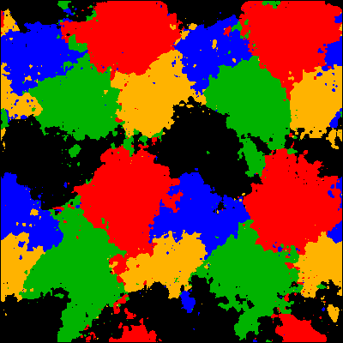
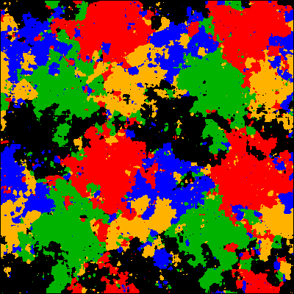
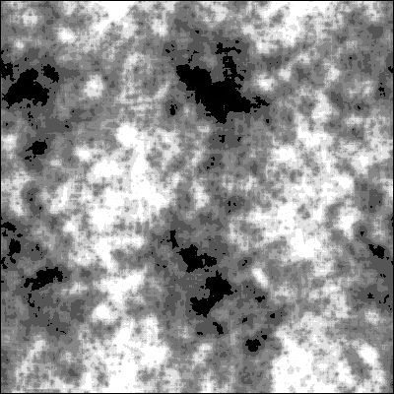
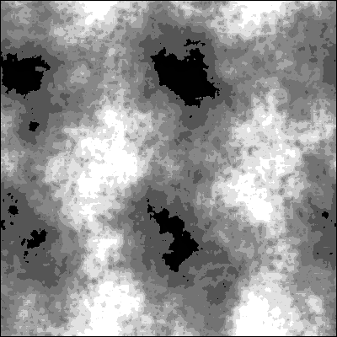
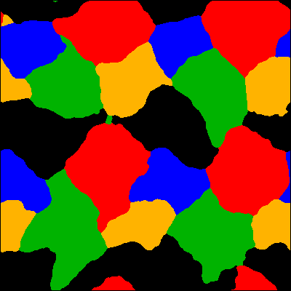
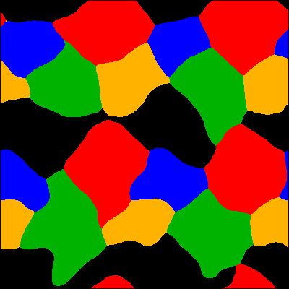
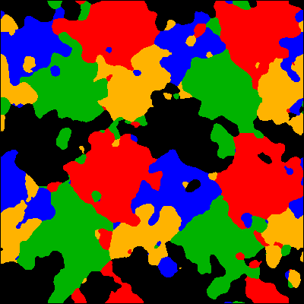
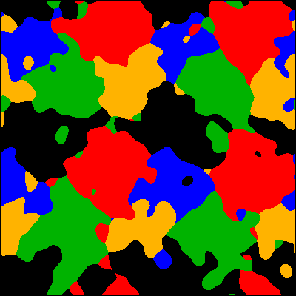
windows = 20 | windows=10 | window = 10 | window = 20

s=0.05
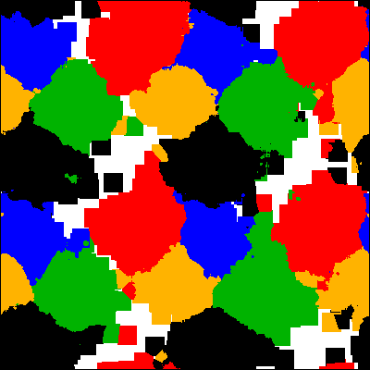
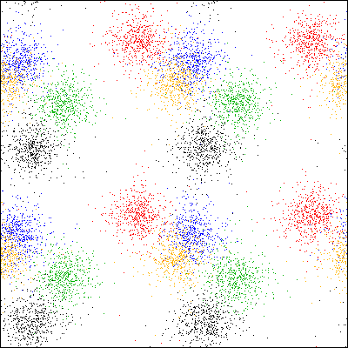
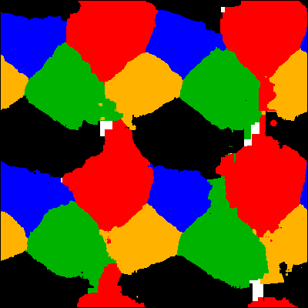

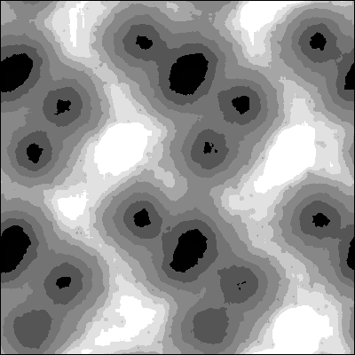
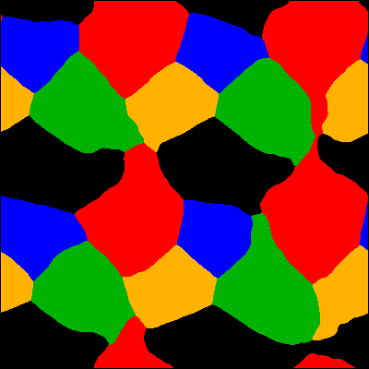
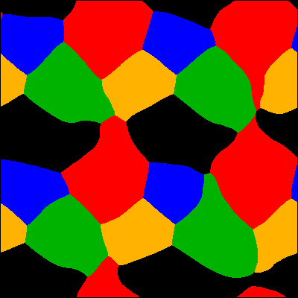
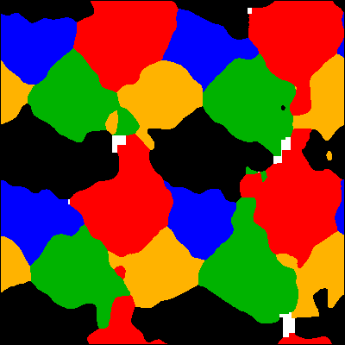
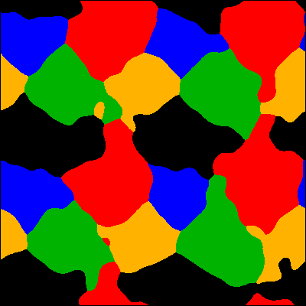
window = 20 | window = 10 | window = 10 | window = 20

fuzzy classif

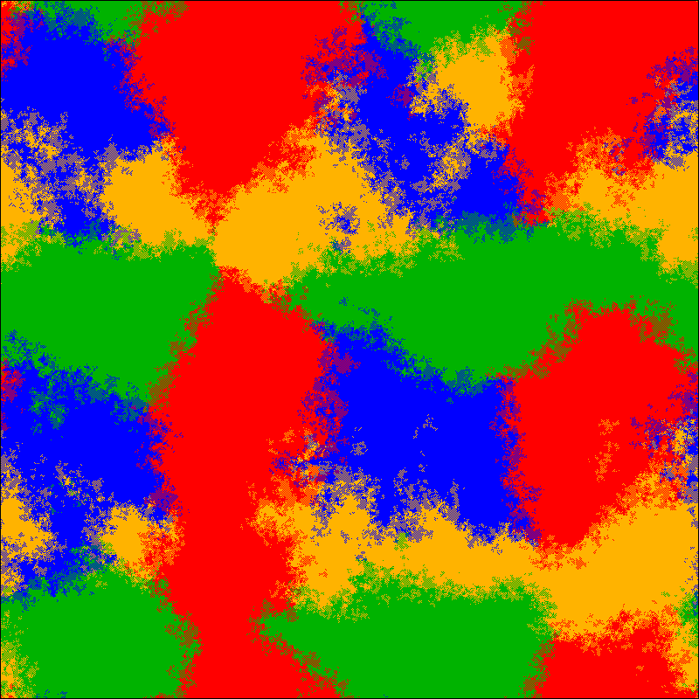

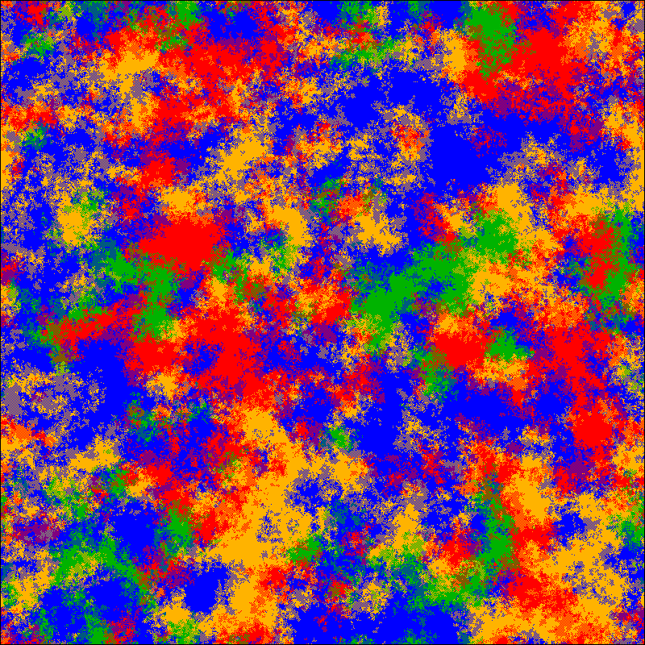
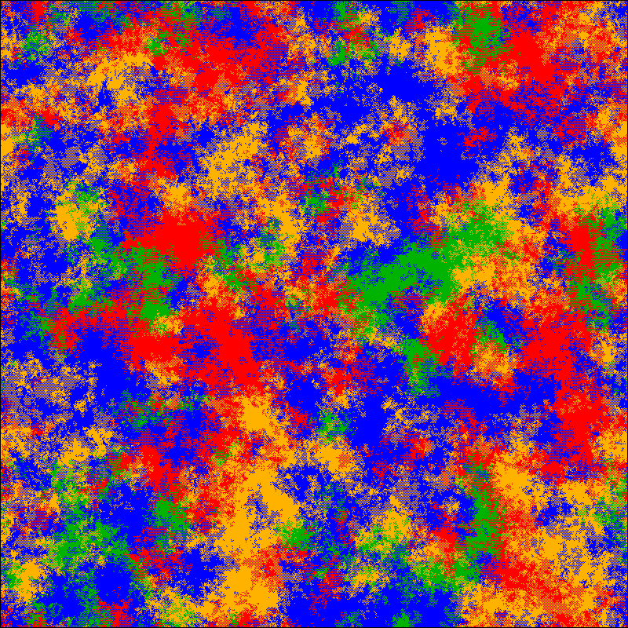
s=0.05 | 2nd frame | s=0.15 | frame 2 | frame 300 | frame 401 -- stochastic convergence

