online_teaching_survey_data
Pie chart of Learning outcomes
grade_level_teach | adaptation_level | curriculum_coverage | student_engagement | learning_outcomes | technology_used | tech_issues | admin_support | transition_difficulty | stress_impact | one_on_one_discussions | parent_support | additional_support | engagement_strategies | method_change | tech_access | socioeconomic_impact | future_practices | sustainability_belief | additional_comments
Secondary | Moderately | Effectively | Lower | No significant change | Teams | Internet connectivity | Well supported | 3 | Less affected | Once a week | Parents have played a crucial role in supporting remote learning by managing schedules and creating conductive learning environment. | To improve my online teaching, I would benefit from more advanced digit tools for interactive learning | To keep the students engaged in online, I used interactive tools like quizzes ,encouraged active participation through discussions and group activities. Regular feedback and personalized support also helped maintain their interest | Yes, I significantly adapted my teaching methods for online classes. Incorporated more multimedia resources ,interactive tools to accommodate students attention span .Regular feedback and flexibility became essential | Yes ,I have reliable access to the necessary technology | Students from lower income families often faced challenges such as limited access to devices, poor internet connectivity a, and lack of a conductive learning environment, which affected their engagement and learning outcomes | I will integrate more digital tools and online resources into my teaching. | Yes, but only as a supplement to traditional classroom teaching. | Online education in India has had a mixed impact. While it provide continuity in learning, technological challenges like poor internet, lack of access to devices ,and unfamiliarity with digital platforms were significant barriers, especially for students from rural or low income group. Additionally ,the absence of face -to -face interaction affected student engagement and motivation. to improve ,there should be access to affordable internet and devices for students, increased teacher training in pedagogy and user friendly platforms that cater to socioeconomic needs
Pre- Primary | With difficulty | Neutral | Lower | Greatly decreased | Zoom | Internet connectivity | Well supported | 5 | More affected | Twice a month | Parents where encouraging their children to participate when questions were raised and in activities and helped in home work | Teachers to be trained on usage of tools to make online teaching easier and interesting. | I would be calling names who are distracted and put questions or ask them to continue from the last line i read | Yes | At first no, then later made necessary arrangements | Parents argument and forcing child to answer first. | I will integrate more digital tools and online resources into my teaching. | No, it is not sustainable and should not replace traditional teaching. | Parents were complaining that their child was not encouraged, questioned always only few students were focused.
Area Chart of transition_difficulty
Secondary | Moderately | Neutral | Lower | Slightly improved | Teams | Internet connectivity | Neutral | 3 | Less affected | Once a week | I got 50%parents support | My colleague support | Some special mudras and finger games used in my class. | Yes,extra interaction of students. | We had | 70%students affected | I will integrate more digital tools and online resources into my teaching. | Yes, but only as a supplement to traditional classroom teaching. | The biggest advantage is students can record all classes and then refer later. Teachers learning capacity increase in technology side(not only subject knowledge).
Secondary | Moderately | Neutral | Lower | No significant change | Teams | Internet connectivity | Well supported | 3 | More affected | Daily | Parents helped their level a lot. | More Technical knowledge. | Will Interact often. | Yes I have changed. | Yes | Nowadays all are having smart phone so no major effect. | I will integrate more digital tools and online resources into my teaching. | Yes, but only as a supplement to traditional classroom teaching. | Need concentration in students side.
Secondary | With difficulty | Neutral | Lower | Slightly improved | Teams | Internet connectivity | Neutral | 3 | Less affected | Daily | Not all the parents are supportive to the children, each parent have different difficulty in their children's remote learning. | No additional support, in every aspects we find difficulty. | Using pictures,power point presentation multiple choice questioning method,sending the materials in pdf format, etc., | Yes, observing and learning is different in every catagory. Like just listening is one way and other way is observing and learning,, | Yes, not at full support. | During pandemic, economically some families are weak and they are not affordable to provide gadgets to their children. | I will integrate more digital tools and online resources into my teaching. | It is sustainable in certain contexts, but not universally. | During pandemic, education through online is new and it is difficult to carry to the economically poor children, and poor network connection in the remote areas found very difficult. Online teaching is costlier for the vulnerable weeker section of the society.
Secondary | Easily | Effectively | Lower | Greatly decreased | Zoom | Internet connectivity | Well supported | 3 | More affected | Daily | Well supportive | Ambient environment | Activities | yes | yes | It has affected. But with growing and competitive prices of the service provider, it is getting lesser | I will integrate more digital tools and online resources into my teaching. | Yes, but only as a supplement to traditional classroom teaching. | The online education has impacted a lot. With growing advent of AI, the role of effective teaching is diminishing. I would recommend for some effective techniques which will be a touch of traditional teaching too
Secondary | Easily | Effectively | Lower | No significant change | Teams | Software problems | Neutral | 4 | More affected | Twice a month | Parents were cooperative, especially slow learner's parents. | More teaching tools would probably help us to to improve like access to online resources . | To keep them engaged, I taught the topics in PowerPoint rather than using textbooks, some online worksheets and debates which made them more interesting. And the end of the class, I asked them how they felt (a kind of feedback). | Not really more, indeed sometimes! | Yes | Students from low economic background severely affected indeed it was challenging for the teachers to make them participate in the sessions. | I will be more flexible and adaptable in my teaching strategies. | It is sustainable in certain contexts, but not universally. | Many teachers lack the confidence and training to use technology in their teaching. My first and foremost suggestions for the teachers from non technical background need to be trained first by the experts and have the access to the technology. To improve active learning that help students retain and transfer skills and knowledge.
Secondary | Moderately | Effectively | About the same | No significant change | Teams | Software problems | Well supported | 3 | More affected | Daily | Great | Technical knowledge | Discussion on current affairs | Yes | Yes | Financial restrictions for getting gadgets and network connectivity | I will integrate more digital tools and online resources into my teaching. | Yes, but only as a supplement to traditional classroom teaching. | Updating technical knowledge.
Secondary | Moderately | Effectively | Lower | No significant change | Zoom | Internet connectivity | Neutral | 3 | No change | Once a week | Neutral support | Proper technology use, and device | Mock test, games related to the subject | Yes | Yes, but faced issues sometimes | Yes, concentration while using the gadgets | I will be more flexible and adaptable in my teaching strategies. | It is sustainable in certain contexts, but not universally. | NA
Secondary | With difficulty | Effectively | Much higher | Slightly improved | Teams | Hardware issues | Neutral | 2 |  | Twice a month | Some were supportable and some didnt | Parent's involvement | Making the class interesting and excited with some jokes in between | Yes | Yes | They are unable to concentrate because of noises surrounded by them, no seperate rooms for them, not having mobiles. | I will be more flexible and adaptable in my teaching strategies. | Yes, but only as a supplement to traditional classroom teaching. | Parents monitor on children
Primary | Moderately | Very effectively | Much higher | Slightly improved | Zoom | Internet connectivity | Well supported | 3 | More affected | Daily | Parents well supported | Connectivity with students individually | Keep asking questions | Yes ofcourse | Yes | In many ways as per their financial ability | I will be more flexible and adaptable in my teaching strategies. | It is sustainable in certain contexts, but not universally. | Technical issues. . students deviated in other apps.. .
Primary | Easily | Effectively | Lower | No significant change | Zoom | Internet connectivity | Well supported | 3 | Less affected | Once a week | No cooperation from all the parents | Teaching aids | Quiz time | Yea | Yes | Lack of online facilities | I will integrate more digital tools and online resources into my teaching. | Yes, but only as a supplement to traditional classroom teaching. | Hands on learning will be more effective
Lineplot of tech_issues against transition_difficulty
Secondary | Moderately | Neutral | Lower | Slightly improved | Teams | Software problems | Neutral | 3 | More affected | Once a week | Parents who were helpful in helping children effectively | Slides based on the contents along with all necessary resource materials can be provided | During the time of instruction we show them demo video to keep them engaged | Yes | Yes | Positive learning environment like family background, financial support, quality of internet connection play an important role making the learning effectively | I will integrate more digital tools and online resources into my teaching. | No, it is not sustainable and should not replace traditional teaching. | Intermittent physical classes can be given to the online students to have an effective learning experience
Secondary | Moderately | Neutral | Lower | Greatly decreased | Teams | Internet connectivity | Neutral | 3 | Less affected | Never | Moderatly | Iscribe pad | I ask to show the workout answers in cam itself | Yes. | Not up to the level | It's true. Siblings of different grades were more affect due to lack of gadgets. | I will integrate more digital tools and online resources into my teaching. | It is sustainable in certain contexts, but not universally. | Online teaching during pandemic is very new one for most of the teacher And for students also, they have to use to it.so we can conduct online classes during rainy holiday or other unplanned holidays.
SCATTER PLOT
transition_difficulty 3 5 3 3 3 3 4 3 3 2 3 3 3 | 3
parent_support Parents have played a crucial role in supporting remote learning by managing schedules and creating conductive learning environment. Parents where encouraging their children to participate when questions were raised and in activities and he | 0

Descrptive stats
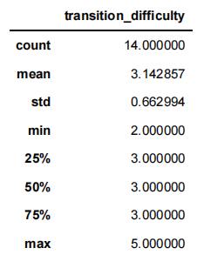

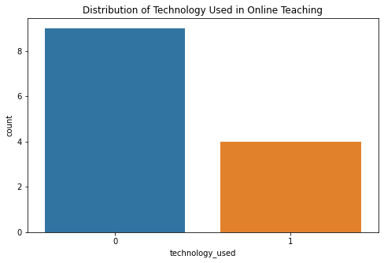
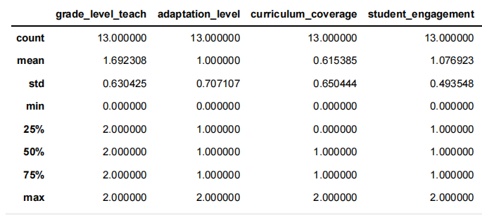

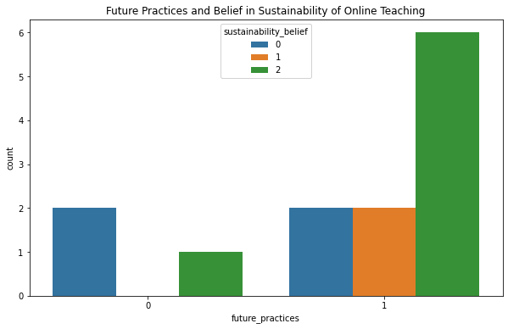

Visualizations
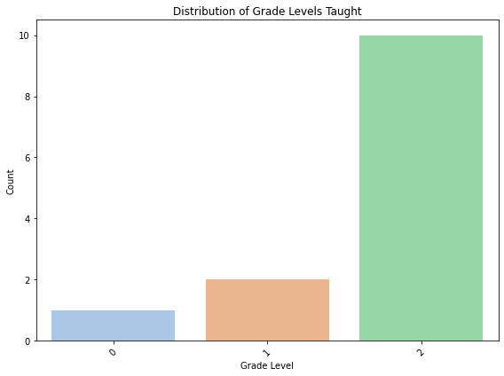
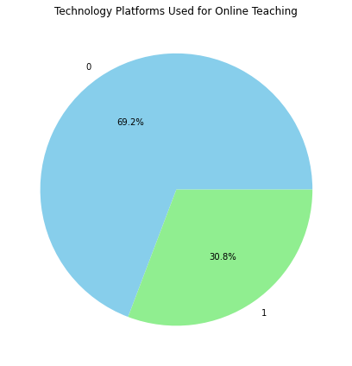

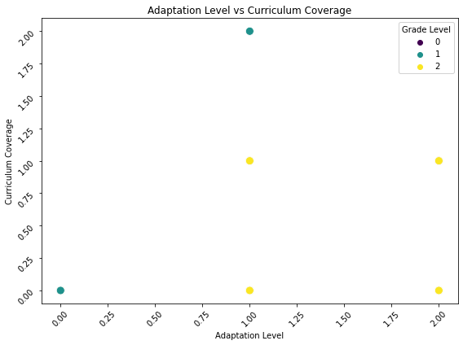

Outlier detection
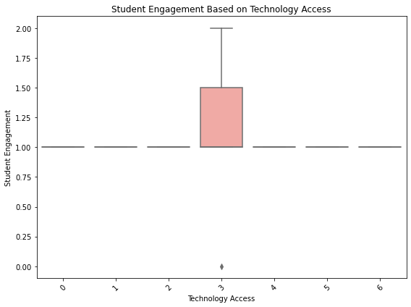
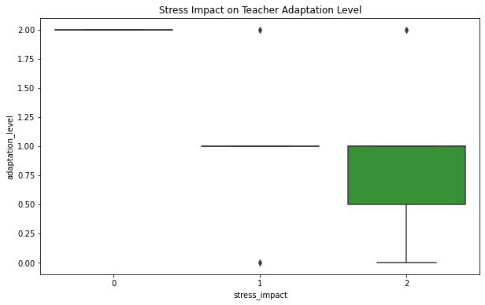

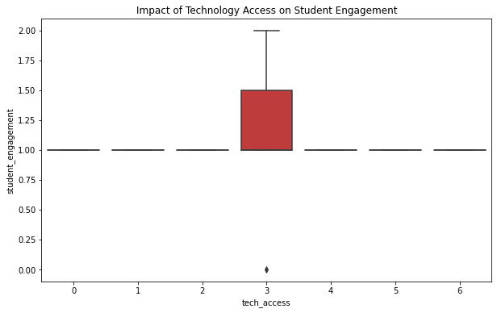
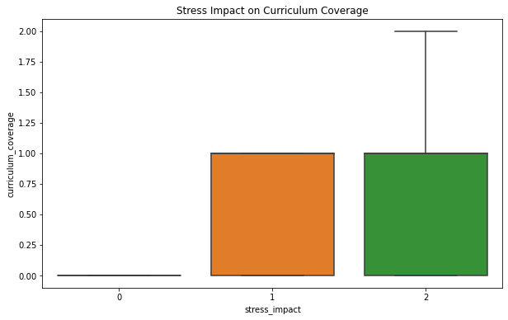

Trend Visualizations
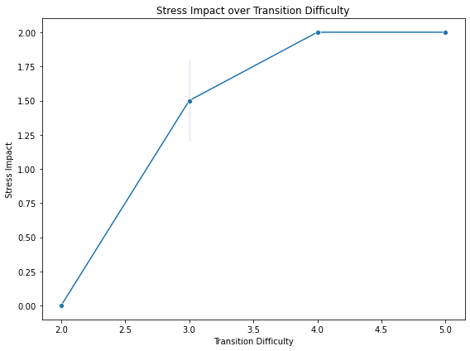

Logistic Regression
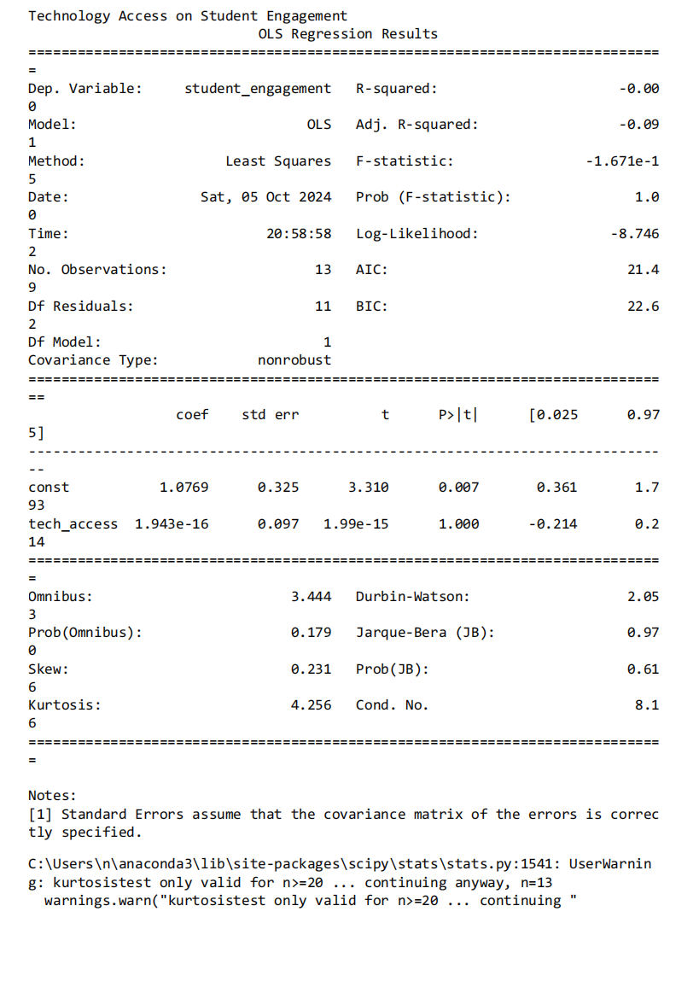
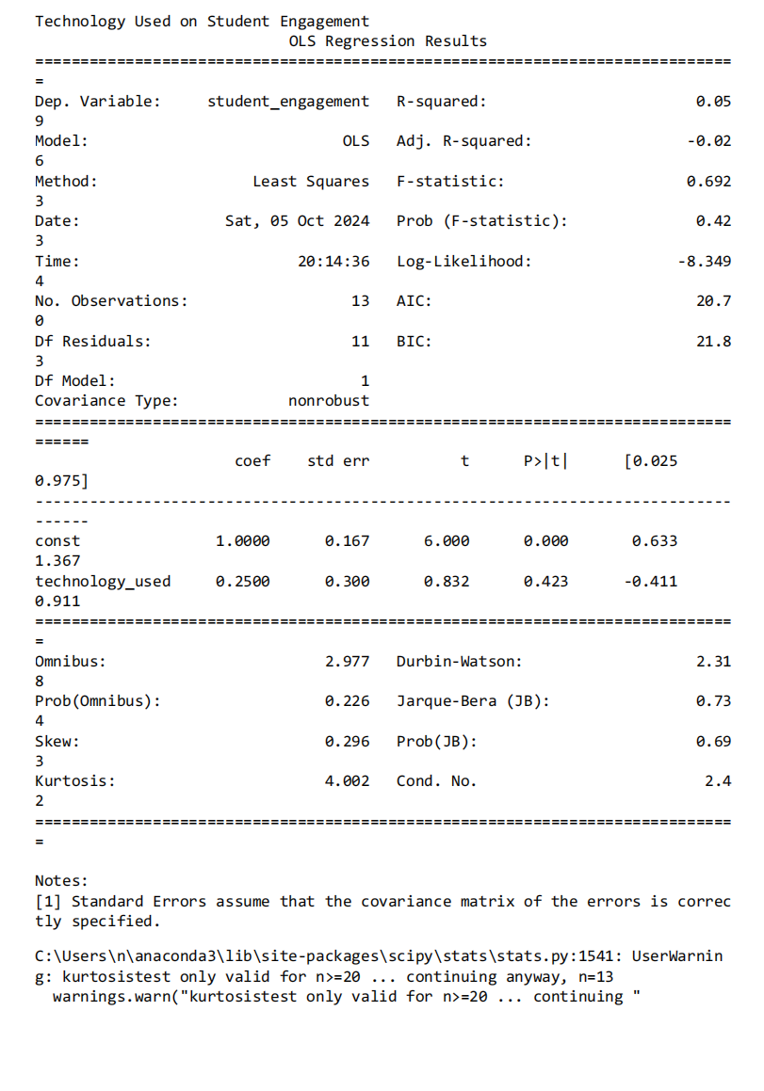

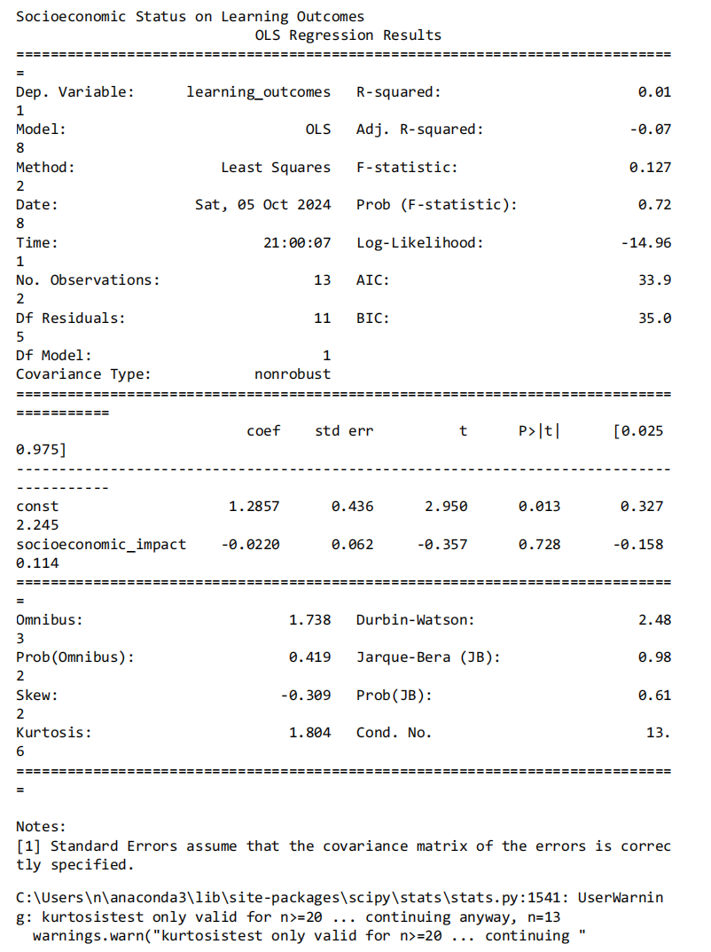

Correlation Analysis
