Input
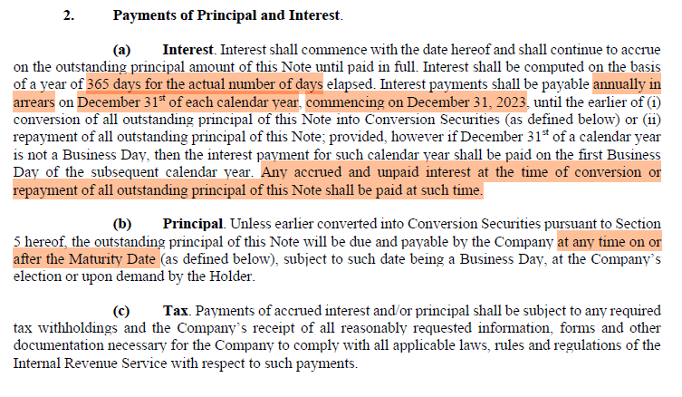
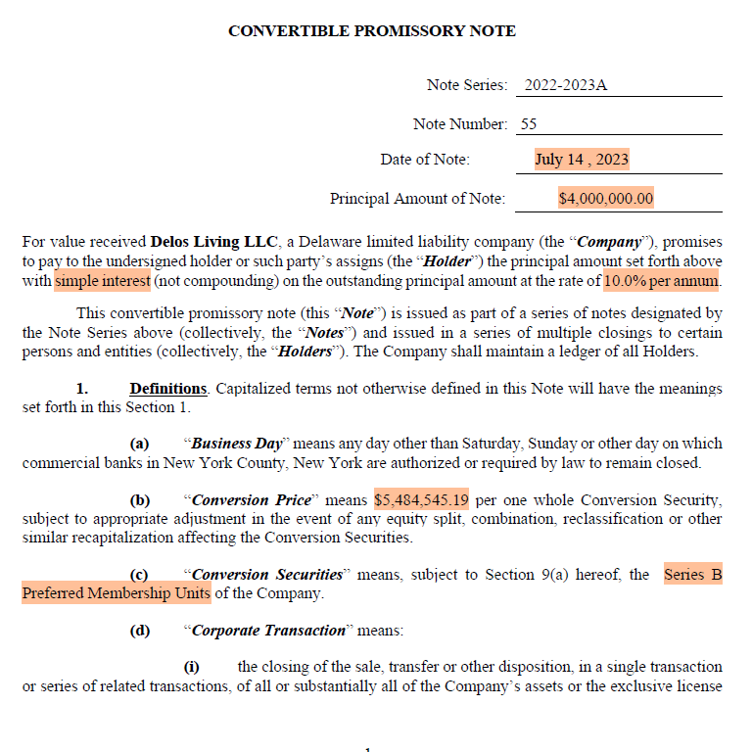
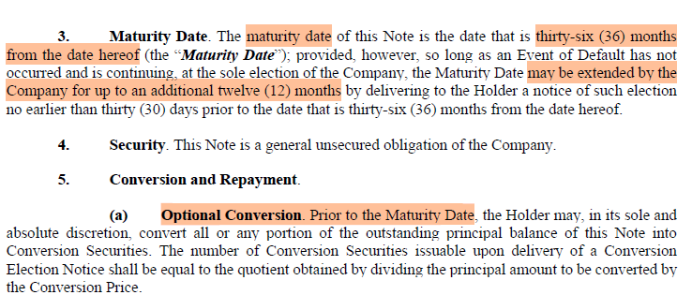
Valuation Date | 2025-06-30
Issue Date | 2023-07-14
Principal | 10,000,000 | USD (4mil+6mil)
Conversion Securities | Series B Preferred Membershup Units
Conversion Price | 5,484,545 | USD
Day Basis | Actual/365
Maturity Date | 2026-07-14 | May be extended by up to 12 months
Extended Maturity Date | 2027-07-14
Interest Rate | 10% | Payable annually in arrear on 31 Dec of each calendar year. All outstanding accrued interest (1 Jan 2026 to 14 July 2026) shall be payable on maturity date
Prepayment | May not be made without consent of Holder
Conversion | Prior to maturity date
Probability for Extension | 70% | Assumed by the Client after discussion with the issuer

Interest Payment Schedule (No Extension):
2023-12-31 | 465,753
2024-12-31 | 1,002,740
2025-12-31 | 1,000,000
2026-07-14 | 534,247

Interest Payment Schedule (Extension):
2023-12-31 | 465,753
2024-12-31 | 1,002,740
2025-12-31 | 1,000,000
2026-12-31 | 1,000,000
2027-07-14 | 534,247

Risky Rate
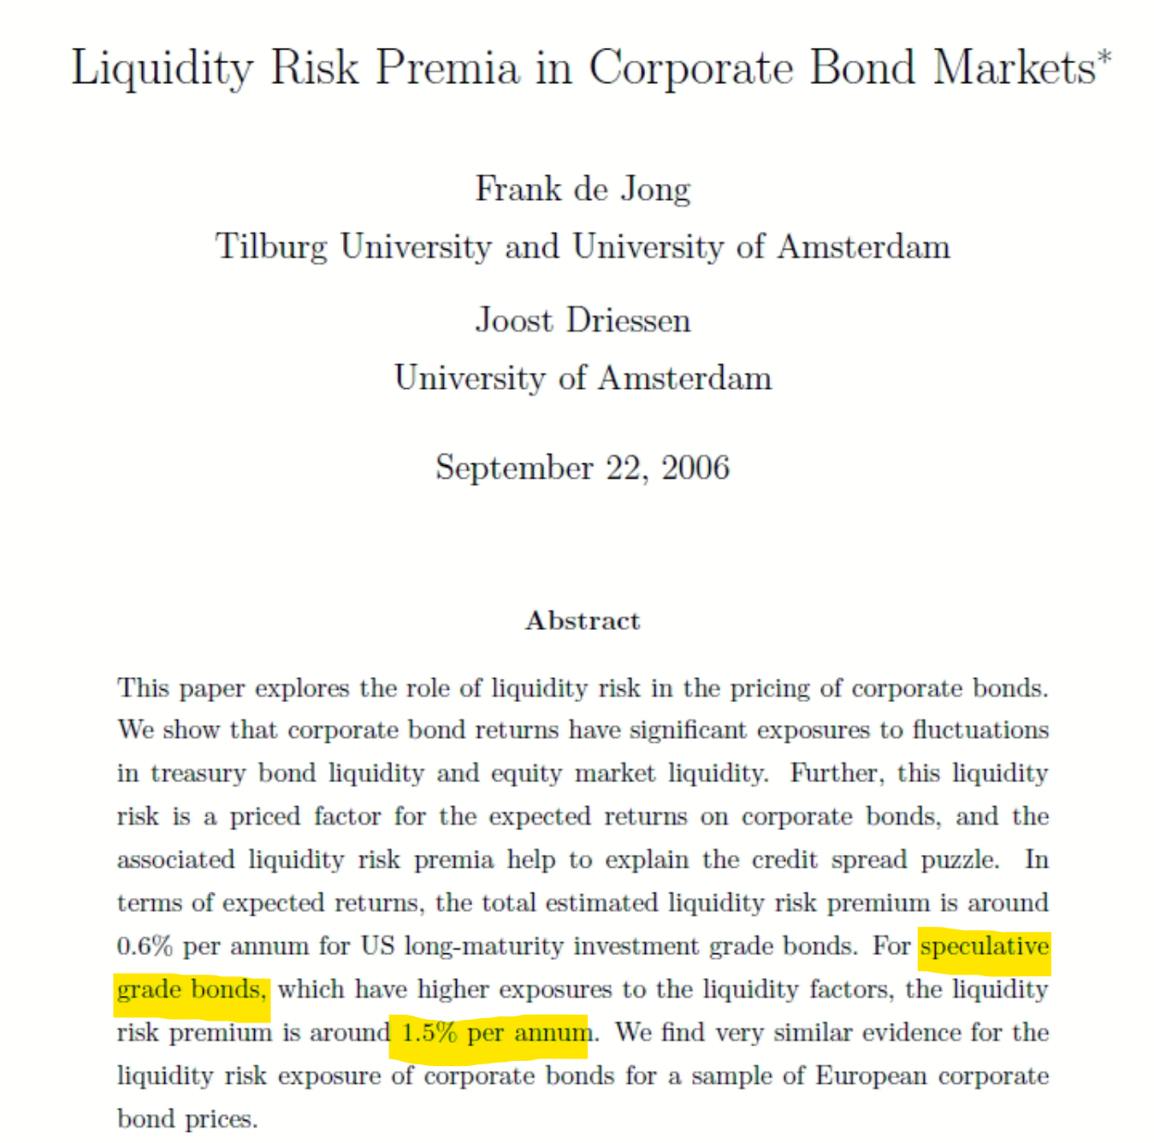
 | 1.04-Y | 2.04-Y
Rfr | 3.96% | 3.72%
OAS | 14.85% | 14.85%
Liquidity | 1.50% | 1.50%
Other Risk | 28.76% | 28.76% | Backsolved and calibrated by day-1 valuation to match the issue price
Risky Rate | 49.08% | 48.83%

Ticker | Issuer |  |  | S&P Rating | Moody's Rating | Fitch Rating | OAS (bps) | Firm OAS (bps)
BP2798786 Corp | ACProducts Holdings Inc |  |  | CCC- | Ca | N/A | 2,807 | 2,807
ZO4200051 Corp | Cornerstone Building Brands Inc |  |  | CCC | Caa2 | N/A | 1,271 | 928
BM6056535 Corp | CP Atlas Buyer Inc |  |  | CCC- | Caa2 | N/A | 586 | 586
ZB8403683 Corp | Vestel Elektronik Sanayi ve Ticaret AS |  |  | N/A | Caa1 | B- | 1,335 | 1,335
BO2210397 Corp | Victoria PLC |  |  | CCC+ | Caa1 | B- | 596 | 2,362
BO4852279 Corp | Victoria PLC |  |  | CCC+ | Caa1 | B- | 4,128
YW5767903 Corp | Wilsonart LLC |  |  | B- | Caa2 | N/A | 892 | 892
 |  |  |  |  |  |  |  | 1,485
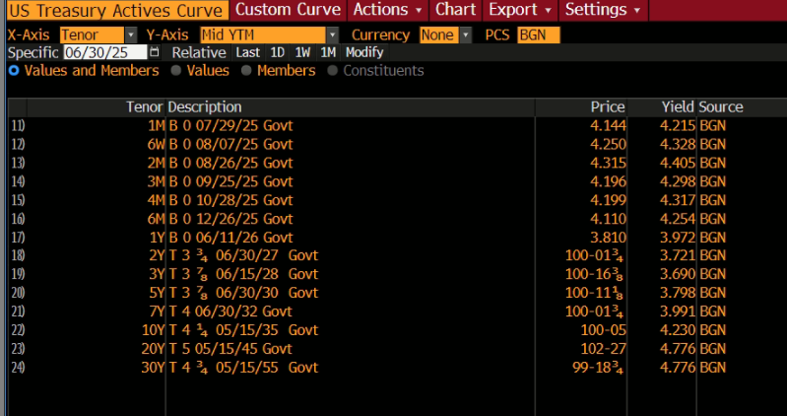

 |  |  |  |  |  |  | Tenor | Rfr
 |  |  |  |  |  |  | 1.00 | 3.972%
 |  |  |  |  |  |  | 2.00 | 3.721%
 |  |  |  |  |  |  | 3.00 | 3.690%
 |  |  |  |  |  |  | 1.04 | 3.962%
 |  |  |  |  |  |  | 2.04 | 3.720%

Vol
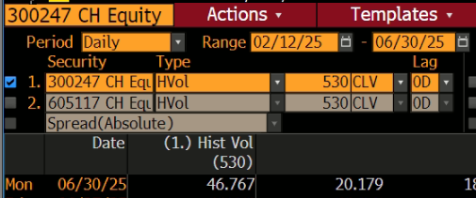
Ticker | Name | 270-Day Vol |  | 269.97260274
021240 KS Equity | Coway Co Ltd | 41.900
192400 KS Equity | Cuckoo Holdings Co Ltd | 30.008
SCNP IJ Equity | Selaras Citra Nusantara Perkasa PT | 69.575
CROMPTON IN Equity | Crompton Greaves Consumer Electricals Ltd |  | no air purifier in the product line (see website) as at 30 June 2025
000651 CH Equity | Gree Electric Appliances Inc of Zhuhai | 26.858
002032 CH Equity | Zhejiang Supor Co Ltd | 25.659
605117 CH Equity | Ningbo Deye Technology Co Ltd | 50.265
5909 JP Equity | Corona Corp | 21.418
5951 JP Equity | Dainichi Co Ltd | 21.501
300247 CH Equity | Youngy Health Co Ltd | 53.317
4609 TT Equity | Airlux Electrical Co Ltd |  | no air purifier in the product line (see website) as at 30 June 2025
Average |  | 37.83%

Ticker | Name | 530-Day Vol |  | 529.97260274
021240 KS Equity | Coway Co Ltd | 36.627
192400 KS Equity | Cuckoo Holdings Co Ltd | 30.953
SCNP IJ Equity | Selaras Citra Nusantara Perkasa PT | 69.261
000651 CH Equity | Gree Electric Appliances Inc of Zhuhai | 25.856
002032 CH Equity | Zhejiang Supor Co Ltd | 26.673
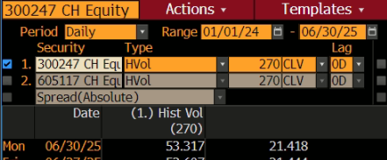
605117 CH Equity | Ningbo Deye Technology Co Ltd | 53.41
5909 JP Equity | Corona Corp | 18.387
5951 JP Equity | Dainichi Co Ltd | 20.189
300247 CH Equity | Youngy Health Co Ltd | 46.767
Average |  | 36.46%

2024FS
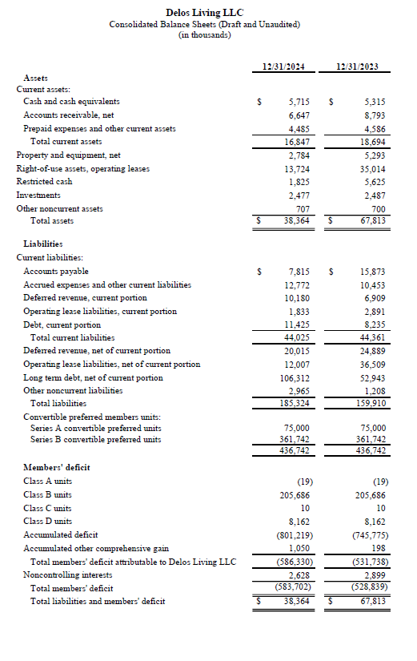
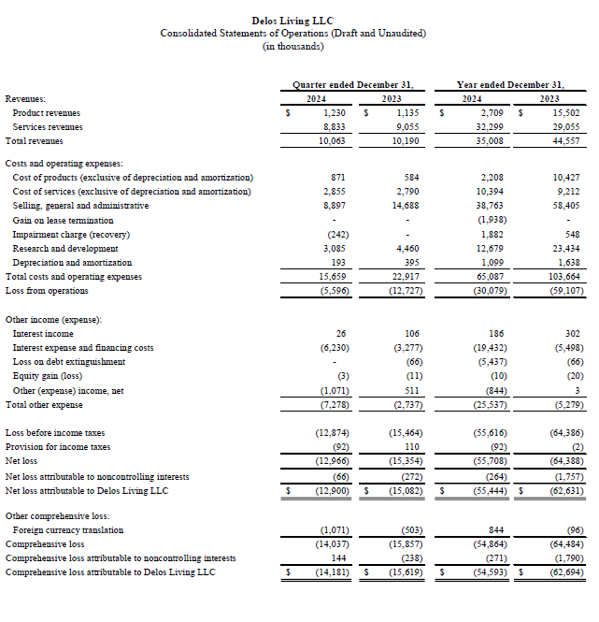
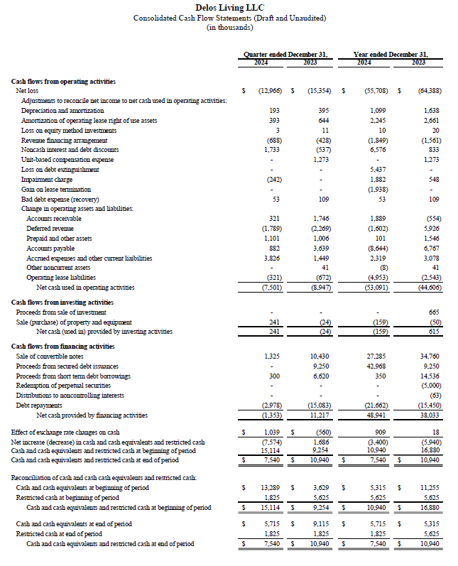
 | in USD'000 | in USD
Revenue | 35,008 | 35,008,000

Net Profit | (55,708) | (55,708,000)
Add: Tax | 92 | 92,000
EBT | (55,616) | (55,616,000)
Add: Interest | 19,432 | 19,432,000
EBIT | (36,184) | (36,184,000)
Add: Amortisation | 2,245 | 2,245,000 | Amortization of operating lease right of use assets
EBITA | (33,939) | (33,939,000)
Add: Depreciation | 1,099 | 1,099,000
EBITDA | (32,840) | (32,840,000)

Cash and cash equivalents | 5,715 | 5,715,000
Restricted cash | 1,825 | 1,825,000

Total Asset in 2024 | 38,364 | 38,364,000
Total Asset in 2023 | 67,813 | 67,813,000

Debt, current portion | (11,425) | (11,425,000)
Operating lease liabilities, current portion | (1,833) | (1,833,000)
Long term debt, net of current portion | (106,312) | (106,312,000)
Operating lease liabilities, net of current portion | (12,007) | (12,007,000)

Total NAV | (583,702) | (583,702,000)

Capex | 159 | 159,000

