Pictorial Evidence
Sl.no | Defect ID | Pictorial-Evidence | Comments
SS_01 | Defect_01 | 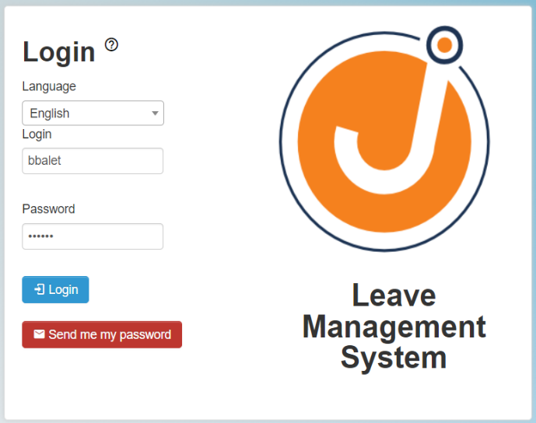 | Login button not working after enter the valid credentials, So user not able login successfully.

