Bugs
ID Bug | Bug Name/Title | Desription | Precondition | Steps to reproduce: | Expected result | Actual result | Priority | Severity | Environmnet
1 Create an account | Incorrect text on page Create account | There are grammatical errors on the Create Account page | Create an account page open | 1)Open page Create an account; 2) Checking spelling in a section Header; 3)Checking spelling in a section Password; 4)Checking spelling in a section Reenter Password; 5)Checking spelling in a section BirthDate(Header); | 1)Page opened on Create an account; 2)Name of page(Header) should be "Create an account" 3)Name of form (Password) should be "Password" 4)Name of form(Reenter Password) should be"Reenter password" 5)Name of header of forms (Birthdate) should be "Birthbate" | 1)Page opened on Create an account; 2)Name of page(Header) is "Create an accoun" 3)Name of form (Password) is "Pasword" 4)Name of form(Reenter Password) is "Reenter passwor" 5)Name of header of forms (Birthdate) is "Birthbat" | Low | low | Google
2 Create an account | Incorrect placeholder on page Create an account on name forms | There are plaseholders errors on the Create Account page | Create an account page open | 1)Open page Create an account; 2)Checking placeholders in a section Last name; 3)Checking placeholder in a section User name; | 1)Page opened on Create an account; 2)Placeholder from (Last name) should be or "Clean" or "Last name"; 3)Placeholder from (User name) should be "User name"; | 1)Page opened on Create an account; 2) Placeholder of Last name is "Name_Name_Name" 3)Plaveholder of User name is "someone@example" | midle | low | Google
3 Create an account | inviseble or none drop down button in drop menu Country/region | Drop down button should be visible or be on html file in block | Create an account page open | 1)Open page Create an account; 2) Checking present drop down button in drop menu Country/region | 1)Page opened on Create an account; 2)Drop down button present in drop menu; | 1)Page opened on Create an account; 2)Drop down button no present in drop menu; | high | high | Google
4 Create an account | invisible or none border-box on form Day in section Birthdate | invisible or none border-box on form Day in section:Birthdate(Day) | Create an account page open | 1)Open page Create an account; 2) Checking present border box present in drop menu Day | 1)Page opened on Create an account; 2) Border box present in drop menu Day | 1)Page opened on Create an account; 2) Border box no present in drop menu Day | medium | low | Google
5 Create an account | inviseble or none drop down button in drop menu year of section Birthdate | inviseble or none drop down button section :Birthdate(year) | Create an account page open | 1)Open page Create an account; 2) Checking present drop down button in drop menu year | 1)Page opened on Create an account; 2)Drop down button present in drop menu; | 1)Page opened on Create an account; 2)Drop down button no present in drop menu; | high | high | Google
6 Create an account | incorrect choise in drop menu sectia Genul | incorrect choise of genul in secction Genul | Create an account page open | 1)Open page Create an account; 2)Check what the user can choose from the drop menu | 1)Page opened on Create an account; 2)We hawe in drop menu 3 genuri(Male,Female,Another) | 1)Page opened on Create an account; 2)We hawe in drop menu 4 genuri(Male,Female,Another and S) | medium | low | Google
7 Create an account | Informal text in section Help us project youre info | The user might think that the company is not as serious as it is | Create an account page open | 1)Open page Create an account; 2)Verify how write text in section Help Us | 1)Open page Create an account; 2)Text is businez form | 1)Page opened on Create an account; 2)Text is un businez form | high | high | Google
8 Create an account | Unuseble enter date in section Country code | Unuseble enter date in section:Country code | Create an account page open | 1)Open page Create an account 2)Enter youre Country 3)Verify cod of youre country | 1)Page opened on Create an account; 2) We entered County 3)Cod is our country | 1)Page opened on Create an account; 2)We entered Country; 3)Cod country outpun our country | high | high | Google
9 Create an account | Different of font text in section of examination of you are real people; | Different of font text in section: check I'm not a robot | Create an account page open | 1)Open page Create an account 2)Cheking font of examination text | 1)Page opened on Create an account; 2)Text is similar | 1)Page opened on Create an account; 2)Text is different | low | low | Google
10 Create an account | invisible or none checkbox or link in section Promotional offers | invisible or none checkbox or link section:promotional offers | Create an account page open | 1)Open page Create an account 2)Checking if link present | 1)Page opened on Create an account; 2)Link present and we can click | 1)Page opened on Create an account; 2)Link dosent present and we can't click | medium | high | Google
11 Create an account | invisible or none checkbox or radion button in section Privacy and cookies | invisible or none checkbox or radion button section: Privacy and cookies | Create an account page open | 1)Open page Create an account 2)Checking if present checkbox or radiobutton | 1)Page opened on Create an account; 2)Radiobatton or checkbox present | 1)Page opened on Create an account; 2)radiobaton or checkbox none present | medium | high | Google
12 Create an account | inviseble or none text in button of create account in section Footer button | We don't see text in button | Create an account page open | 1)Open page Create an account 2)Verify if text is visible | 1)Page opened on Create an account; 2)Text present | 1)Page opened on Create an account; 2)Text invisible | high | High | Google

OpenCart 0.1
Bug01 | Shoping pop-up don't hovering | User cant hover mouse on pop-up menu becouse Shoping Cart pop up dont open | None | 1)Open open Cart 2)Hovering mouse on pup_up menu | 1)Site opened 2)Pop_up menu opened | 1)site opened 2)Horev effect dont begin and pop_up not opened | high | low | Google(Open Cart 0.1;Open cart new;)
Bug02 | In shoping Cart dont present img of items | User can't see of img items | Open shoping Cart | 1)Open open Cart 2)Click shoping Cart | 1)Site opened 2)img of items is present | 1)Site opened 2)Img cant loading | high | high | Google(Open Cart 0.1)
Bug03 | Removing all items on Shoping Cart | If we click on remove in soping Cart all items remove | Shoppping Cart mast have one item or more " | 1)Open open Cart 2)Open shoping Cart 3)Click on remove at items | 1)Site opened 2)Shoping Cart opened 3)Removing one item where we click | 1)Site opened 2)Shoping Cart opened 3)Removing all items | high | high | Google(Open Cart 0.1)
Bug04 | Removing all items in pop up menu Shoping Cart | If we click on remove in soping Cart pop up all items will remove | Shoppping Cart pop up mast have one item or more " | 1)Open open Cart 2)Open shoping Cart pop up 3)Click on remove at items | 1)Site opened 2)Shoping Cart pop up opened 3)Removing one item where we click | 1)Site opened 2)Shoping Cart pop up opened 3)Removing all items | high | high | Google(Open Cart 0.1)
Bug05 | If user clic on Subscribe radiobuttob "Yes "in page "Registration Account " we cant registered | If user clic on Subscribe radiobuttob "Yes "in page "Registration Account " we cant registered | Opened page Registered Account | 1)Open open Cart 2)Open registered page 3)Chouse "Yes" in Subscribe radiobutton | 1)Site opened 2)registered page is opened 3)User can click on radiobutton and registered | 1)Site opened 2)registered page is opened 3)User click on redion button and button registered have status inactive | high | high | Google(Open Cart 0.1)
Bug06 | We can create account with telefon have special haracters literars | User can use Alfabet literars | Open page ragistered Account | 1)Open open Cart on Registerred Account 2)Write telephon; | 1)Site opened 2)User write telephon with litera alfabet we take error | 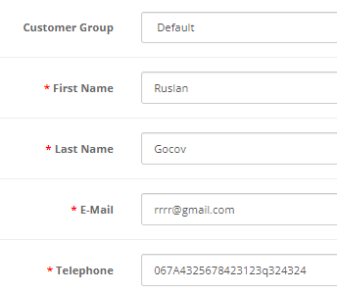 1)Site opened 2)User write telephon with litera alfabet wecan registed | high | high | Google(Open Cart 0.1)
Bug07 | We cant add a new adress in Checkout | Radiobutton add new adress is blocked | Open page Checkout | 1)Open page checkout 2)Click on radio button new adress | 1)Open page checkout 2)Click on radio button new adress we can use addres | 1)Open page checkout 2)Click on radio button new adress we can't use addres | high | high | Google(Open Cart 0.1)
Bug08 | User can registered whem form phone is empty | User sould be cant registered account when telefon form is empty | Open Registered page on Open Cart | 1)Open page Registered 2)Write all data without telefon number; 3)Click button "Continue" | 1)Site opened ; 2)All data writeing without telephone; 3)Click button "Continue" and take error "Form telephone are charecter " | 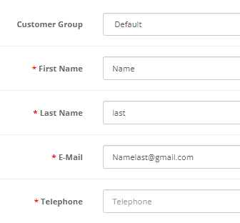 1)Site opened ; 2)All data writeing without telephone; 3)User click to button and registered | high | high | Google(Open Cart 0.1)
Bug09 | User can't chose all currency | User sould be chose currency | Open open Cart page | 1)Open Open Cart 2)Click "Current bill" 3)Chose youre bill and click on bill | 1)Site opened; 2)Drop bill menu is drop status; 3)user chose bill and page reloade and show bill who chose | 1)Site Opened; 2)Drop bil menu work; 3)We click on bill and site reloade but bill not shift | high | high | Google(Open Cart 0.1)
Bug10 | Registration with numbers in the name and surname | The user should not help to register on the site with numbers in the name, since the numbers in the name are not a valid character | Open open Cart page | 1)Fill form Name with number in form; 2)Fill form LastName with number in form; 3)Fill all data and click to Continue;" | 1) The field is completed; 2) The field is completed; 3) An error appears that the character of the input is incorrect | 1) The field is completed; 2) The field is completed; 3)Account is created | high | high | Google(Open Cart 0.1)
Bug11 | Registration with non checked checkbox Privecy Priorety; | User must mark privacy priority | Open open Cart page | 1)Fill all forms with data; 2)Click Continue without Privacy Policy checkbox; | 1)Forms if completed; 2)User take error"Not confirmed Privacy Policy" | 1)Forms if completed; 2)Account is created; | high | high | Google(Open Cart 0.1)

OpenCart new
Bug1 open cart new | refresh button call of error "Long time loadin page" | User click on refresh and he take error " Long loading time page" | Open open Cart page | 1)Open Shopping cart; 2)Refresh an item; | 1)Site opened; 2)Refreshing is succes; | 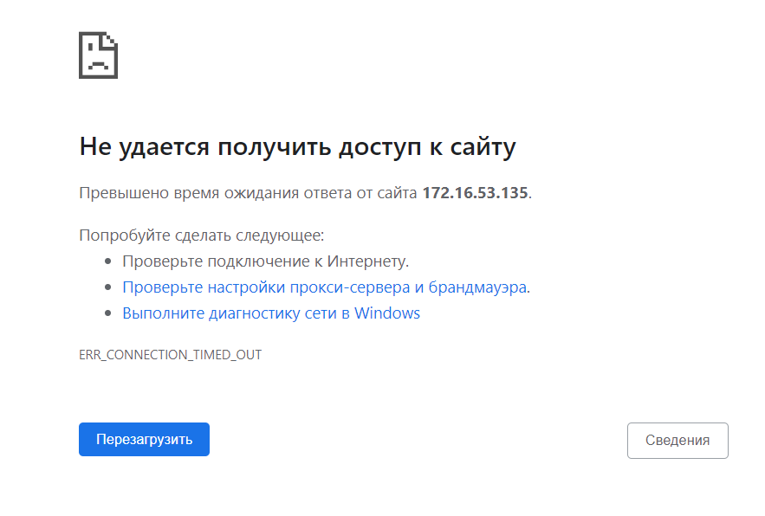 1)Site opened; 2)Refreshing give error "Long time loading page; | high | high | Google(Opem cart new)
Bug2 open cart new | All links/buttons Checkout give an error "Long time loading page" | User click on Checkout and he take error " Long loading time page" | Open open Cart page | 1)Click on Checkout link in header 2)Click on Checkout link in Pop-up Shopping Cart 3)Click on Checkout link in Shopping Cart | 1-3)Checkout page open; | 1-3)Give error "Long time loading page" | high | high | Google(Opem cart new)
Bug3 open cart new | All links/buttons Create an account button did not work; | User can't to open page Create an account | Open Opencart page | 1)Click MuAccount; 2)Click Regiter; | 1)Drop menu is open; 2)Register page open; | 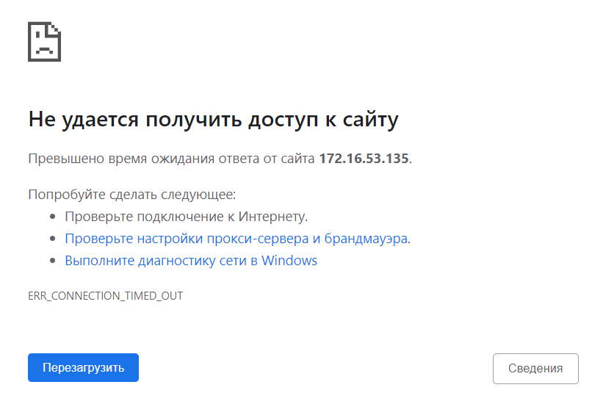 1)Drop menu is open; 2)Register link give error "Long time loading page" | high | high | Google(Opem cart new)

