azure_func_100_180 (2)
Label | # Samples | Average | Median | 90% Line | 95% Line | 99% Line | Min | Max | Error % | Throughput | Received KB/sec | Sent KB/sec
Get me | 320 | 831 | 400 | 1530 | 2762 | 7194 | 119 | 25922 | 10.63% | 1.77 | 1.09 | 0.85
Search 50 products with prices, availability, tax, discounts | 317 | 1557 | 797 | 2508 | 3596 | 9980 | 153 | 68434 | 17.67% | 1.74 | 9.83 | 2.89
Get product detail | 2241 | 1131 | 631 | 1816 | 2468 | 6822 | 133 | 69611 | 13.57% | 12.47 | 14.18 | 23.00
Add SKU to cart | 2202 | 1786 | 1232 | 2887 | 3606 | 10949 | 126 | 69332 | 13.17% | 12.39 | 14.60 | 11.78
Get cart | 240 | 1829 | 1357 | 3835 | 4434 | 5556 | 200 | 14377 | 17.92% | 1.50 | 32.78 | 12.63
Add delivery address | 232 | 1424 | 1046 | 2274 | 2691 | 15158 | 273 | 21603 | 15.52% | 1.47 | 2.46 | 1.90
Add payment method | 228 | 2275 | 1352 | 2816 | 3497 | 33569 | 225 | 68663 | 11.40% | 1.43 | 1.57 | 1.57
Create order from cart | 226 | 1921 | 1397 | 3103 | 4068 | 11539 | 127 | 50572 | 26.11% | 1.43 | 3.30 | 1.12
Remove cart | 225 | 703 | 553 | 1198 | 1412 | 2127 | 142 | 8167 | 13.78% | 1.47 | 1.22 | 0.95
TOTAL | 6.231 | 1.46 | 836 | 2571 | 3286 | 8247 | 119 | 69611 | 14.11% | 33.32 | 73.37 | 52.41

 | azure
# Samples | 6.231
Average | 1.46
Error % | 0.14107
Throughput | 33.31533

Report 2021 (xApi)
Azure S1: 1 Core 1.75Gb x 3 | $219.00
Azure Functions | $71.40

 | Azure S1: 1 Core 1.75Gb x 3 | Azure Functions 1.6Gb Consumption plan
Get me | 831 | 1019
Search 50 products with prices, availability, tax, discounts | 1557 | 5811
Get product detail | 1131 | 2580
Add SKU to cart | 1786 | 6110
Get cart | 1829 | 3427
Add delivery address | 1424 | 5155
Add payment method | 2275 | 6749
Create order from cart | 1921 | 9012
Remove cart | 703 | 605

 | Azure S1: 1 Core 1.75Gb x 3 | Azure Functions 1.6Gb Consumption plan
# Samples | 2.157 | 6.231
Average | 4.28 | 1.46
Error % | 0 | 0.14107
Throughput | 11.62916 | 33.31533

Report 2019 Benchmark (comp)
Data volumes
Seo link | Tax calculation | Quotes | Promotions | Prices
collapsed | False | False | 100 | 30K
Products | Categories | Properties | Associations | PropertyValues
10K | 980 | 120 | 40000 | 200000
Platform settings
API Smart cache | API Full Index Object | FPC | Index engine
true | false | false | ElasticSearch
Load pattern
Users | Duraton (min) | Load pattern
300 | 5 | Step
 | 2.49.0 | 3.0.0
Return products by category GET api/catalog/search/products | 50.00 | 41.00
Return product data by id GET api/catalog/products/{id} | 150.00 | 198.00
Evaluate prices POST api/pricing/evaluate | 78.00 | 151.00
Save shopping cart POST api/cart | 20.42 | 91.00
Create order POST api/order | 7.00 | 13.70
Mixed category 30%, product 40%, pricing 10%,save cart 20% | 78.05 | 82.10
 | 2.49.0 | 3.0.0
35 | 35 | 15

 | 2.49.0 | 3.0.0
Return products by category GET api/catalog/search/products | 2.18 | 1.43
Return product data by id GET api/catalog/products/{id} | 1.20 | 0.78
Evaluate prices POST api/pricing/evaluate | 1.16 | 0.13
Save shopping cart POST api/cart | 1.80 | 1.28
Create order POST api/order | 2.20 | 2.46
Mixed category 30%, product 40%, pricing 10%,save cart 20% | 1.62 | 1.58
 | 2.49.0 | 3.0.0
Return products by category GET api/catalog/search/products | 300 | 180
Return product data by id GET api/catalog/products/{id} | 300 | 300
Evaluate prices POST api/pricing/evaluate | 150 | 300
Save shopping cart POST api/cart | 120 | 150
Create order POST api/order | 15 | 70
Mixed category 30%, product 40%, pricing 10%,save cart 20% | 300 | 300

Report 2019 Benchmark
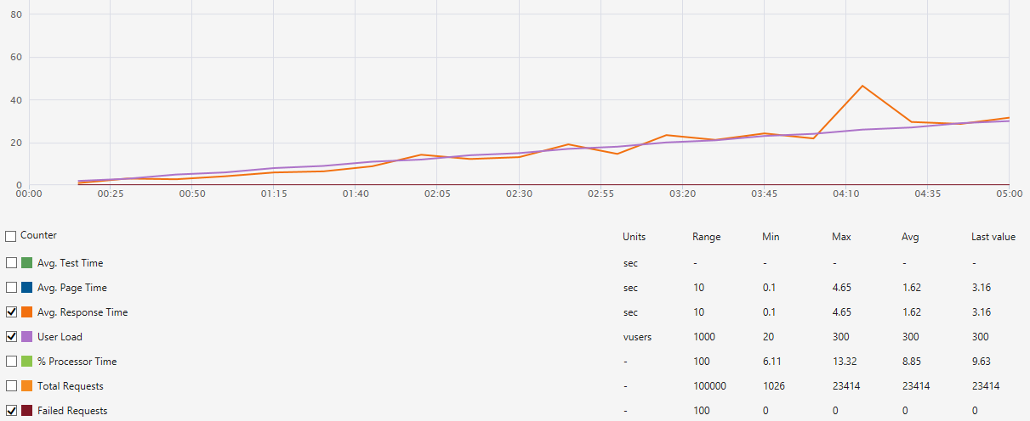
Data volumes
Seo link | Tax calculation | Quotes | Promotions | Prices
collapsed | False | False | 100 | 30K
Products | Categories | Properties | Associations | PropertyValues
19K | 650 | 120 | 40000 | 200000
Platform settings
API Smart cache | API Full Index Object | FPC | Index engine
true | false | false | ElasticSearch
Load pattern
Users | Duraton (min) | Load pattern
300 | 5 | Step

Storefront ver 3.3 (scriban engine). Theme: vc-default-theme
 |  |  |  |  | Stress storefront test upon to 300 users - mixed (category browsing 30%, product details 40%, add product to cart 10%, search by phrase 20%)
 | B3 - 04.2019 (300 users)
Category browsing | 46.60
Product details page browsing | 78.53
Search by unique search phrase | 125.00
Add product to cart | 6.46
Mixed (category browsing 30%, product details 40%, Add product to cart 10%, Search by phrase 20%) | 23.50
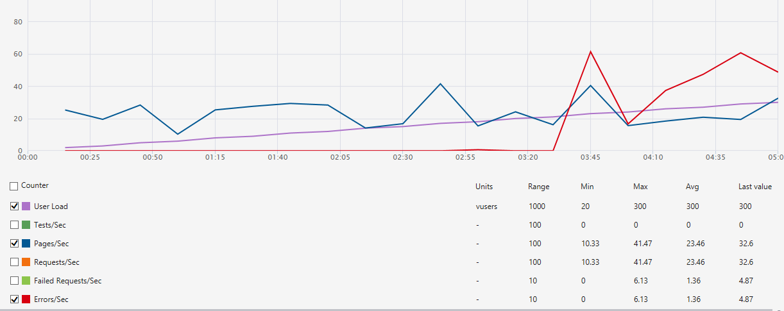

 | B3 - 04.2019 (300 users)
Category browsing | 3.25
Product details page browsing | 1.95
Search by unique search phrase | 1.22
Add product to cart | 20.73
Mixed (category browsing 30%, product details 40%, Add product to cart 10%, Search by phrase 20%) | 5.98
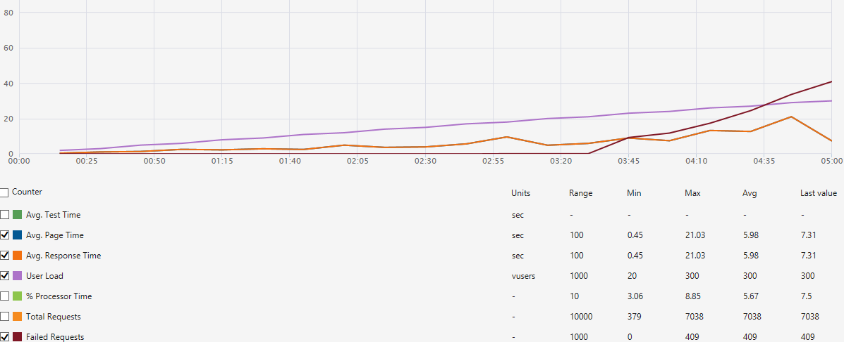

Platform API ver 2.13.44
 |  |  |  |  | Stress API test upon to 300 Users - mixed ( /search/products 30%, /products 40%, /pricing/evaluate 10%, /api/cart 20%)

 | B3 - 04.2019 (300 users)
Return products by category GET api/catalog/search/products | 50.00
Return product data by id GET api/catalog/products/{id} | 150.00
Evaluate prices POST api/pricing/evaluate | 78.00
Save shopping cart POST api/cart | 20.42
Create order POST api/order | 7.00
Mixed category 30%, product 40%, pricing 10%,save cart 20% | 78.05
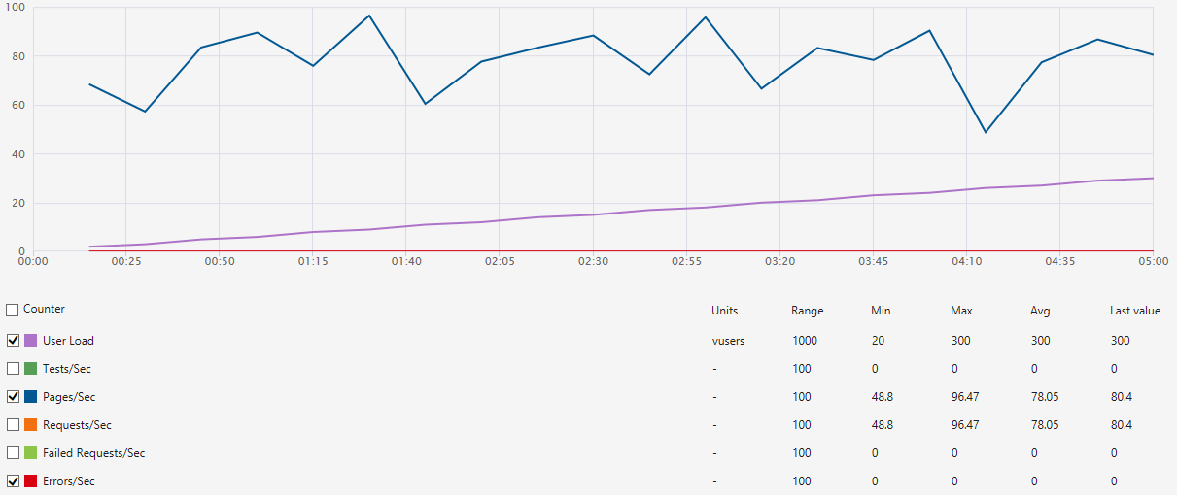

 | B3 - 04.2019 (300 users)
Return products by category GET api/catalog/search/products | 2.18
Return product data by id GET api/catalog/products/{id} | 1.20
Evaluate prices POST api/pricing/evaluate | 1.16
Save shopping cart POST api/cart | 1.80
Create order POST api/order | 2.20
Mixed category 30%, product 40%, pricing 10%,save cart 20% | 1.62

Report 2017
Store settings
Seo link | Tax calculation | Quotes | Promotions
collapsed | False | False | 5
Catalog settings
Products | Categories | Properties | Associations | PropertyValues
9915 | 325 | 120 | 40000 | 200000
Platform settings
API Smart cache | API Full Index Object | FPC | Index engine
true | false | true | Lucene
Load pattern
Users | Duraton (min) | Load pattern
25 | 2 | Constant

Storefront ver 3.0. Theme: vc-default-theme |  |  |  |  | Stress storefront test upon to 250 users - mixed (category browsing 30%, product details 40%, add product to cart 10%, search by phrase 20%)
 | B2 - 2 Core 2.5 GB, DTU 10 (S0) | B3 - 4 Core 7Gb RAM, DTU 10 (S0)
Unique category page | 6.20 | 12.80
Unique product page | 5.80 | 10.60
Search by unique search phrase | 7.70 | 14.60
Add product to cart | 2.20 | 2.90
Mixed (category browsing 30%, product details 40%, Add product to cart 10%, Search by phrase 20%) | 5.50 | 8.90
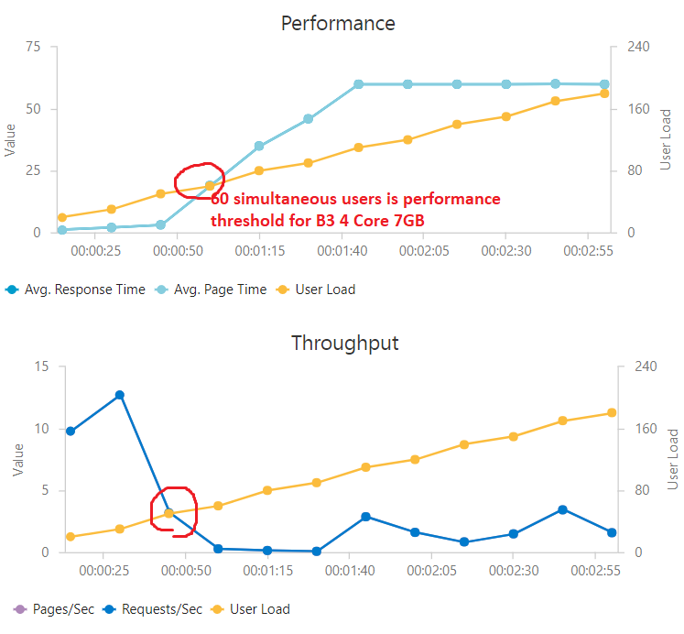

 | B2 - 2 Core 2.5Gb, DTU 10 (S0) | B3 - 4 Core 7Gb RAM, DTU 10 (S0)
Unique category page | 3.90 | 1.90
Unique product page | 4.20 | 2.30
Search by unique search phrase | 3.20 | 1.70
Add product to cart | 10.70 | 8.19
Mixed (category browsing 30%, product details 40%, Add product to cart 10%, Search by phrase 20%) | 4.40 | 2.70

Platform API ver. 2.13.17 |  |  |  |  | Stress API test upon to 250 Users - mixed ( /search/products 30%, /products 40%, /pricing/evaluate 10%, /api/cart 20%)

 | B2 - 2 Core 2.5 GB | B3 - 4 Core 7Gb RAM
GET api/catalog/search/products | 12.80 | 14.40
GET api/catalog/products/{id} | 10.60 | 91.00
POST api/pricing/evaluate | 14.60 | 29.50
POST api/cart | 2.90 | 25.50
Mixed(GET /search/products 30%, GET /products/{id} 40%, POST /pricing/evaluate 10%, POST /api/cart 20%)) | 8.90 | 66.00
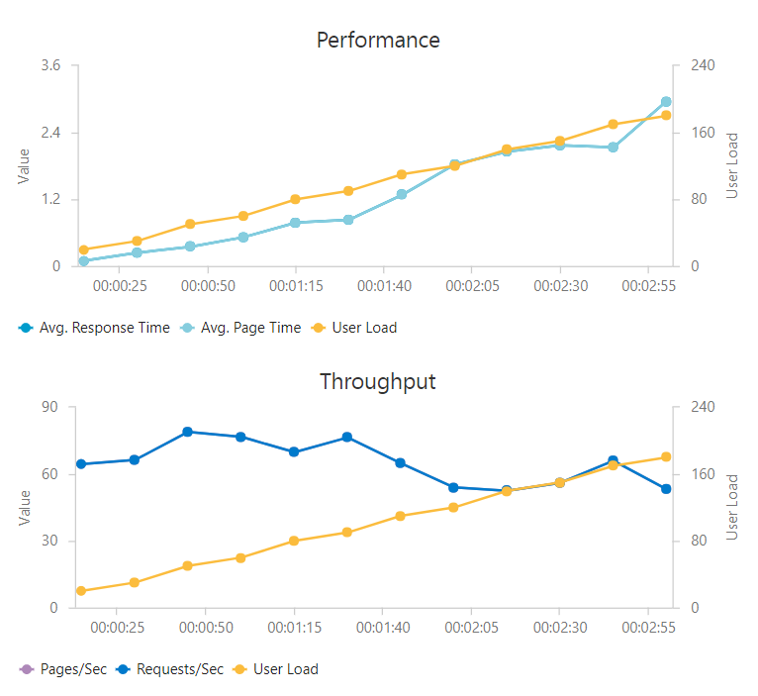

 | B2 - 2 Core 2.5Gb | B3 - 4 Core 7Gb RAM
GET api/catalog/search/products | 1.90 | 0.81
GET api/catalog/products/{id} | 2.30 | 0.26
POST api/pricing/evaluate | 1.70 | 0.44
POST api/cart | 8.19 | 0.88
Mixed(GET /search/products 30%, GET /products/{id} 40%, POST /pricing/evaluate 10%, POST /api/cart 20%)) | 2.70 | 0.23

