Report
Store settings
Seo link | Tax calculation | Quotes | Promotions
collapsed | False | False | 5
Catalog settings
Products | Categories | Properties | Associations | PropertyValues
9915 | 325 | 120 | 40000 | 200000
Platform settings
API Smart cache | API Full Index Object | FPC | Index engine
true | false | true | Lucene
Load pattern
Users | Duraton (min) | Load pattern
25 | 2 | Constant

Storefront ver 3.0. Theme: vc-default-theme |  |  |  |  | Stress storefront test upon to 250 users - mixed (category browsing 30%, product details 40%, add product to cart 10%, search by phrase 20%)
 | B2 - 2 Core 2.5 GB, DTU 10 (S0) | B3 - 4 Core 7Gb RAM, DTU 10 (S0)
Unique category page | 6.20 | 12.80
Unique product page | 5.80 | 10.60
Search by unique search phrase | 7.70 | 14.60
Add product to cart | 2.20 | 2.90
Mixed (category browsing 30%, product details 40%, Add product to cart 10%, Search by phrase 20%) | 5.50 | 8.90
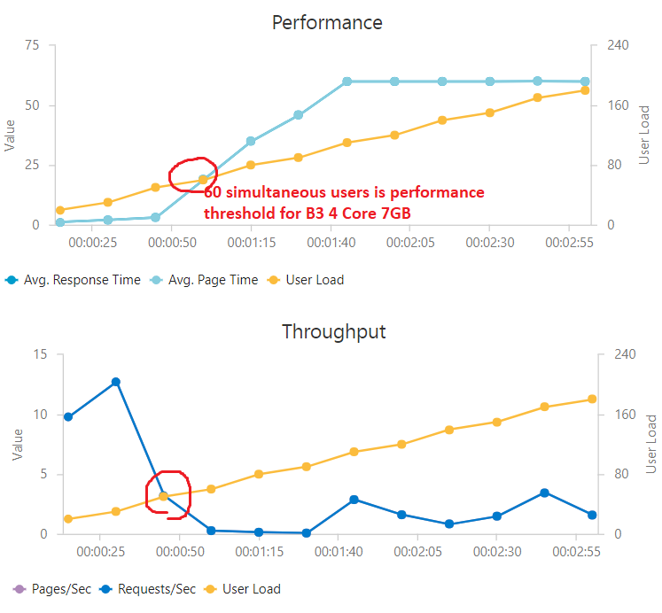

 | B2 - 2 Core 2.5Gb, DTU 10 (S0) | B3 - 4 Core 7Gb RAM, DTU 10 (S0)
Unique category page | 3.90 | 1.90
Unique product page | 4.20 | 2.30
Search by unique search phrase | 3.20 | 1.70
Add product to cart | 10.70 | 8.19
Mixed (category browsing 30%, product details 40%, Add product to cart 10%, Search by phrase 20%) | 4.40 | 2.70

Platform API ver. 2.13.17 |  |  |  |  | Stress API test upon to 250 Users - mixed ( /search/products 30%, /products 40%, /pricing/evaluate 10%, /api/cart 20%)

 | B2 - 2 Core 2.5 GB | B3 - 4 Core 7Gb RAM
GET api/catalog/search/products | 12.40 | 14.40
GET api/catalog/products/{id} | 89.00 | 91.00
POST api/pricing/evaluate | 29.50 | 29.50
POST api/cart | 12.60 | 25.50
Mixed(GET /search/products 30%, GET /products/{id} 40%, POST /pricing/evaluate 10%, POST /api/cart 20%)) | 55.00 | 66.00
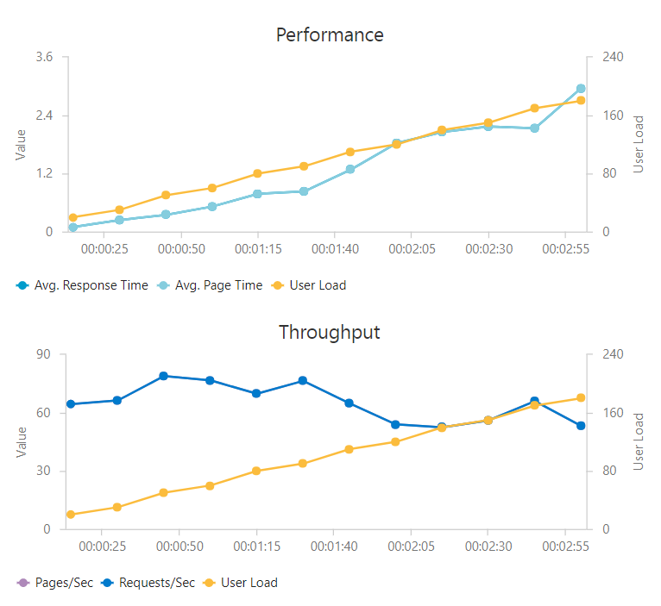

 | B2 - 2 Core 2.5Gb | B3 - 4 Core 7Gb RAM
GET api/catalog/search/products | 1.10 | 0.81
GET api/catalog/products/{id} | 0.27 | 0.26
POST api/pricing/evaluate | 0.44 | 0.44
POST api/cart | 1.90 | 0.88
Mixed(GET /search/products 30%, GET /products/{id} 40%, POST /pricing/evaluate 10%, POST /api/cart 20%)) | 0.33 | 0.23

