PopulationReport
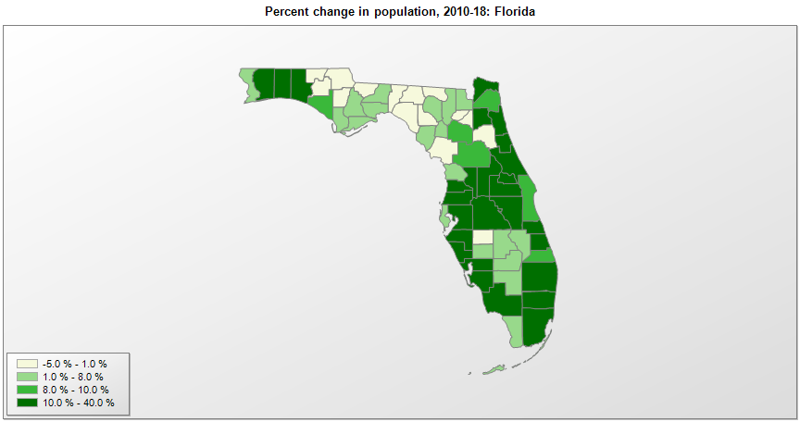

FIPS* | County name | RUC code | Pop. 1990 | Pop. 2000 | Pop. 2010 | Pop. 2018 | Change 2010-18
12000 | Florida |  | 12,938,071 | 15,982,571 | 18,804,580 | 21,299,325 | 13.3%
12001 | Alachua County | 2 | 181,596 | 217,964 | 247,337 | 269,956 | 9.1%
12003 | Baker County | 1 | 18,486 | 22,255 | 27,115 | 28,355 | 4.6%
12005 | Bay County | 3 | 126,994 | 148,270 | 168,852 | 185,287 | 9.7%
12007 | Bradford County | 6 | 22,515 | 26,096 | 28,520 | 27,732 | -2.8%
12009 | Brevard County | 2 | 398,978 | 476,299 | 543,372 | 596,849 | 9.8%
12011 | Broward County | 1 | 1,255,531 | 1,622,974 | 1,748,146 | 1,951,260 | 11.6%
12013 | Calhoun County | 6 | 11,011 | 13,002 | 14,625 | 14,587 | -0.3%
12015 | Charlotte County | 3 | 110,975 | 141,620 | 159,964 | 184,998 | 15.6%
12017 | Citrus County | 3 | 93,513 | 118,106 | 141,229 | 147,929 | 4.7%
12019 | Clay County | 1 | 105,986 | 140,788 | 190,865 | 216,072 | 13.2%
12021 | Collier County | 2 | 152,099 | 251,412 | 321,521 | 378,488 | 17.7%
12023 | Columbia County | 4 | 42,613 | 56,413 | 67,526 | 70,503 | 4.4%
12027 | DeSoto County | 6 | 23,865 | 32,204 | 34,862 | 37,489 | 7.5%
12029 | Dixie County | 6 | 10,585 | 13,758 | 16,422 | 16,700 | 1.7%
12031 | Duval County | 1 | 672,971 | 778,896 | 864,267 | 950,181 | 9.9%
12033 | Escambia County | 2 | 262,445 | 294,415 | 297,620 | 315,534 | 6.0%
12035 | Flagler County | 2 | 28,701 | 49,818 | 95,703 | 112,067 | 17.1%
12037 | Franklin County | 6 | 8,967 | 9,827 | 11,549 | 11,736 | 1.6%
12039 | Gadsden County | 2 | 41,116 | 45,017 | 47,744 | 45,894 | -3.9%
12041 | Gilchrist County | 2 | 9,667 | 14,429 | 16,941 | 18,256 | 7.8%
12043 | Glades County | 6 | 7,591 | 10,531 | 12,881 | 13,724 | 6.5%
12045 | Gulf County | 3 | 11,504 | 14,548 | 15,861 | 16,164 | 1.9%
12047 | Hamilton County | 6 | 10,930 | 13,321 | 14,799 | 14,310 | -3.3%
12049 | Hardee County | 6 | 19,499 | 26,854 | 27,731 | 27,245 | -1.8%
12051 | Hendry County | 4 | 25,773 | 36,184 | 39,143 | 41,556 | 6.2%
12053 | Hernando County | 1 | 101,115 | 130,795 | 172,777 | 190,865 | 10.5%
12055 | Highlands County | 3 | 68,432 | 87,391 | 98,786 | 105,424 | 6.7%
12057 | Hillsborough County | 1 | 834,054 | 998,994 | 1,229,178 | 1,436,888 | 16.9%
12059 | Holmes County | 6 | 15,778 | 18,564 | 19,924 | 19,477 | -2.2%
12061 | Indian River County | 3 | 90,208 | 112,877 | 138,028 | 157,413 | 14.0%
12063 | Jackson County | 6 | 41,375 | 46,781 | 49,761 | 48,305 | -2.9%
12065 | Jefferson County | 2 | 11,296 | 12,876 | 14,759 | 14,288 | -3.2%
12067 | Lafayette County | 9 | 5,578 | 7,019 | 8,870 | 8,732 | -1.6%
12069 | Lake County | 1 | 152,104 | 210,418 | 297,052 | 356,495 | 20.0%
12071 | Lee County | 2 | 335,113 | 440,910 | 618,754 | 754,610 | 22.0%
12073 | Leon County | 2 | 192,493 | 239,509 | 275,484 | 292,502 | 6.2%
12075 | Levy County | 6 | 25,912 | 34,448 | 40,801 | 40,770 | -0.1%
12077 | Liberty County | 8 | 5,569 | 7,011 | 8,365 | 8,457 | 1.1%
12079 | Madison County | 6 | 16,569 | 18,720 | 19,230 | 18,529 | -3.6%
12081 | Manatee County | 2 | 211,707 | 263,996 | 322,879 | 394,855 | 22.3%
12083 | Marion County | 2 | 194,835 | 258,873 | 331,299 | 359,977 | 8.7%
12085 | Martin County | 2 | 100,900 | 126,777 | 146,852 | 160,912 | 9.6%
12086 | Miami-Dade County | 1 | 1,937,194 | 2,253,793 | 2,498,013 | 2,761,581 | 10.6%
12087 | Monroe County | 4 | 78,024 | 79,602 | 73,090 | 75,027 | 2.7%
12089 | Nassau County | 1 | 43,941 | 57,645 | 73,310 | 85,832 | 17.1%
12091 | Okaloosa County | 3 | 143,777 | 170,520 | 180,825 | 207,269 | 14.6%
12093 | Okeechobee County | 4 | 29,627 | 35,869 | 39,996 | 41,537 | 3.9%
12095 | Orange County | 1 | 677,491 | 896,123 | 1,145,954 | 1,380,645 | 20.5%
12097 | Osceola County | 1 | 107,728 | 172,520 | 268,683 | 367,990 | 37.0%
12099 | Palm Beach County | 1 | 863,503 | 1,131,189 | 1,320,135 | 1,485,941 | 12.6%
12101 | Pasco County | 1 | 281,131 | 344,749 | 464,703 | 539,630 | 16.1%
12103 | Pinellas County | 1 | 851,659 | 921,500 | 916,804 | 975,280 | 6.4%
12105 | Polk County | 2 | 405,382 | 483,888 | 602,098 | 708,009 | 17.6%
12107 | Putnam County | 4 | 65,070 | 70,418 | 74,368 | 74,163 | -0.3%
12109 | St. Johns County | 1 | 83,829 | 123,237 | 190,034 | 254,261 | 33.8%
12111 | St. Lucie County | 2 | 150,171 | 192,679 | 277,255 | 321,128 | 15.8%
12113 | Santa Rosa County | 2 | 81,961 | 117,752 | 151,371 | 179,349 | 18.5%
12115 | Sarasota County | 2 | 277,776 | 326,002 | 379,435 | 426,718 | 12.5%
12117 | Seminole County | 1 | 287,521 | 365,448 | 422,713 | 467,832 | 10.7%
12119 | Sumter County | 3 | 31,577 | 53,337 | 93,420 | 128,754 | 37.8%
12121 | Suwannee County | 6 | 26,780 | 34,881 | 41,555 | 44,191 | 6.3%
12123 | Taylor County | 6 | 17,111 | 19,253 | 22,571 | 21,623 | -4.2%
12125 | Union County | 6 | 10,252 | 13,428 | 15,535 | 14,940 | -3.8%
12127 | Volusia County | 2 | 370,737 | 443,385 | 494,596 | 547,538 | 10.7%
12129 | Wakulla County | 2 | 14,202 | 22,857 | 30,783 | 32,461 | 5.5%
12131 | Walton County | 3 | 27,759 | 40,561 | 55,043 | 71,375 | 29.7%
12133 | Washington County | 6 | 16,919 | 20,975 | 24,896 | 24,880 | -0.1%

Source: U.S. Census Bureau, 1990, 2000, and 2010 Censuses of Population (corrected), and 2018 County Total Population Estimates. 1) The FIPS codes uniquely identify each county and are part of the Federal Information Processing Standards (FIPS) developed by the National Institute of Standards and Technology (NIST), U.S. Department of Commerce. For more information, see the NIST FIPS publication page. 2) The 2013 rural-urban continuum codes classify metropolitan counties (codes 1 through 3) by size of the Metropolitan Statistical Area (MSA), and nonmetropolitan counties (codes 4 through 9) by degree of urbanization and proximity to metro areas. See rural-urban continuum codes for precise definitions of each code.

