Topic Wise
 |  | 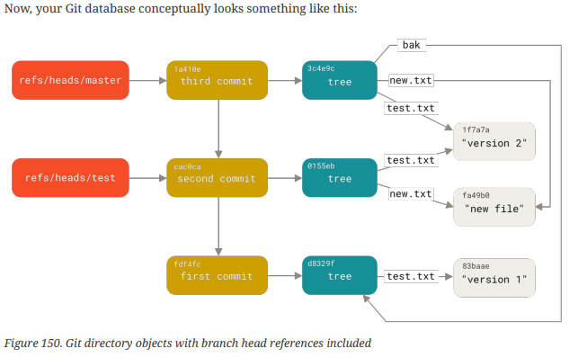

 |  |  | Commands | What do they do ? | Explanation | Examples
GIT Basics
 |  | 1 | git init | Initializing a Repository in an Existing Directory | Suppose we are in "C:/Users/user/my_project", This command creates a new subdirectory named .git that contains all of your necessary repository files — a Git repository skeleton. At this point, nothing in your project is tracked yet.
 |  | 2 | git clone <url> | Cloning an Existing Repository | If you’re familiar with other VCSs such as Subversion, you’ll notice that the command is "clone" and not "checkout". This is an important distinction — instead of getting just a working copy, Git receives a full copy of nearly all data that the server has. Every version of every file for the history of the project is pulled down by default when you run git clone. In fact, if your server disk gets corrupted, you can often use nearly any of the clones on any client to set the server back to the state it was in when it was cloned (you may lose some server-side hooks and such, but all the versioned data would be there). That creates a directory named libgit2, initializes a .git directory inside it, pulls down all the data for that repository, and checks out a working copy of the latest version. | git clone https://github.com/libgit2/libgit2

 |  | Remember that each file in your working directory can be in one of two states: tracked or untracked. Tracked files are files that were in the last snapshot; they can be unmodified, modified, or staged. In short, tracked files are files that Git knows about.Untracked files are everything else — any files in your working directory that were not in your last snapshot and are not in your staging area.

 |  | 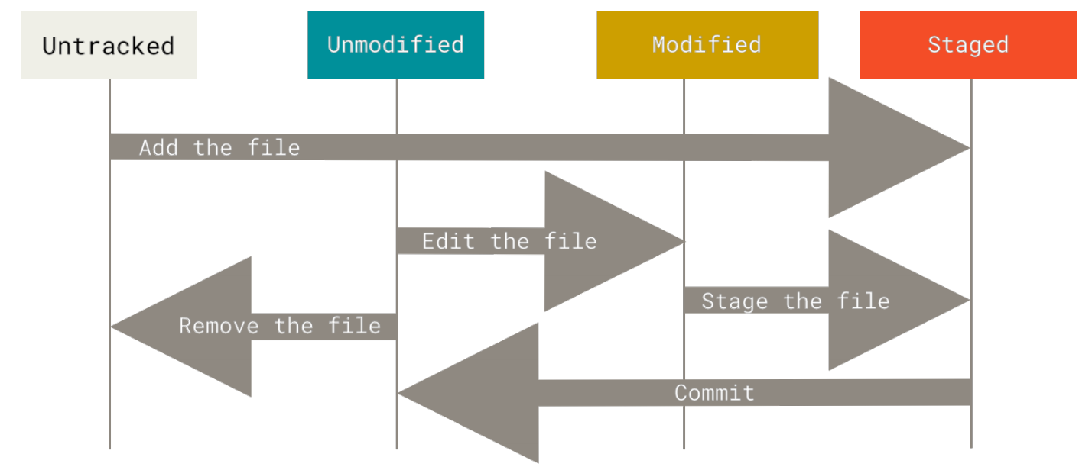

 |  | 3 | git status | Checking the Status of Your Files | The main tool you use to determine which files are in which state is the git status command.
 |  | 4 | git add <filename> | 1. Tracking New Files 2. Staging Modified Files | In order to begin tracking a new file, you use the command git add. git add is a multipurpose command — you use it to begin tracking new files, to stage files, and to do other things like marking merge-conflicted files as resolved. It may be helpful to think of it more as “add precisely this content to the next commit” rather than “add this file to the project”. | git add CONTRIBUTING.md

 |  | Often, you’ll have a class of files that you don’t want Git to automatically add or even show you as being untracked. These are generally automatically generated files such as log files or files produced by your build system. In such cases, you can create a file listing patterns to match them named .gitignore.

 |  | 5 | git diff | Viewing Your Staged and Unstaged Changes | If the git status command is too vague for you — you want to know exactly what you changed, not just which files were changed — you can use the git diff command. you’ll probably use it most often to answer these two questions: What have you changed but not yet staged? And what have you staged that you are about to commit? That command compares what is in your working directory with what is in your staging area. The result tells you the changes you’ve made that you haven’t yet staged. If you want to see what you’ve staged that will go into your next commit, you can use git diff --staged/ git diff --cached. This command compares your staged changes to your last commit. It’s important to note that git diff by itself doesn’t show all changes made since your last commit — only changes that are still unstaged. If you’ve staged all of your changes, git diff will give you no output.
 |  | 6 | git commit | Committing Your Changes | Remember that anything that is still unstaged — any files you have created or modified that you haven’t run git add on since you edited them — won’t go into this commit. They will stay as modified files on your disk. You can see that the default commit message contains the latest output of the git status command commented out and one empty line on top. You can remove these comments and type your commit message, or you can leave them there to help you remember what you’re committing. For an even more explicit reminder of what you’ve modified, you can pass the -v option to git commit. Doing so also puts the diff of your change in the editor so you can see exactly what changes you’re committing. Alternatively, you can type your commit message inline with the commit command by specifying it after a -m flag. Adding the -a option to the git commit command makes Git automatically stage every file that is already tracked before doing the commit, letting you skip the git add part | 1. git commit -m "Story 182: fix benchmarks for speed" 2. git commit -a -m 'Add new benchmarks'
 |  | 7 | git rm | Removing Files | To remove a file from Git, you have to remove it from your tracked files (more accurately, remove it from your staging area) and then commit. The git rm command does that, and also removes the file from your working directory so you don’t see it as an untracked file the next time around. The next time you commit, the file will be gone and no longer tracked. If you modified the file or had already added it to the staging area, you must force the removal with the -f option. Another useful thing you may want to do is to keep the file in your working tree but remove it from your staging area. In other words, you may want to keep the file on your hard drive but not have Git track it anymore. This is particularly useful if you forgot to add something to your .gitignore file and accidentally staged it, like a large log file or a bunch of .a compiled files. To do this, use the --cached option | 1. git rm PROJECTS.md 2. git rm --cached README
 |  | 8 | git mv file_from file_to | Moving Files | Unlike many other VCSs, Git doesn’t explicitly track file movement. If you rename a file in Git, no metadata is stored in Git that tells it you renamed the file. If you want to rename a file in Git, you can run something like "git mv README.md README" and it works fine. In fact, if you run something like this and look at the status, you’ll see that Git considers it a renamed file. | git mv README.md README
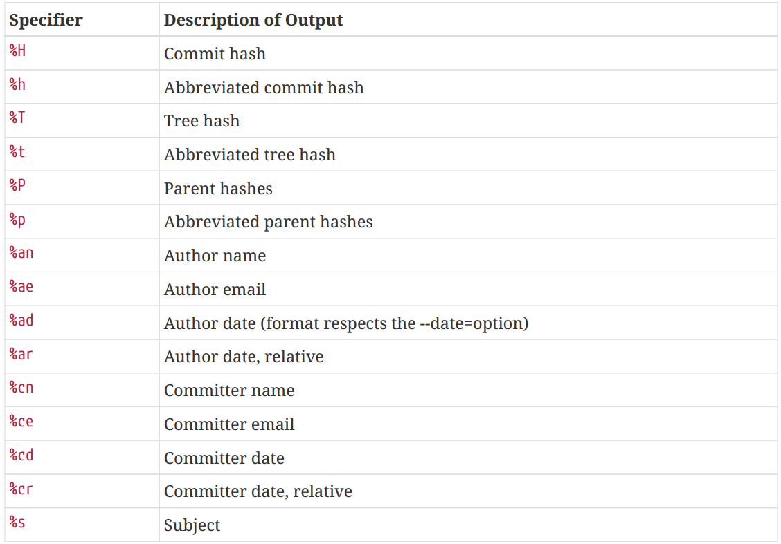
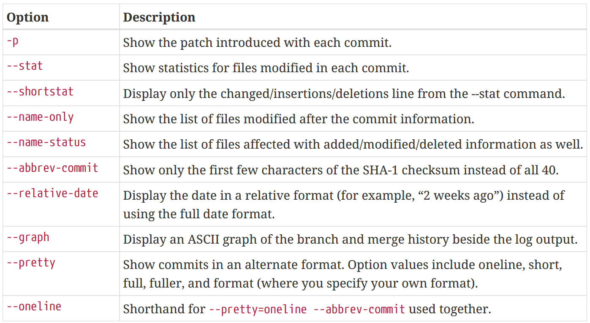
 |  | 9 | git log | Viewing the Commit History | By default, with no arguments, git log lists the commits made in that repository in reverse chronological order; that is, the most recent commits show up first. As you can see, this command lists each commit with its SHA-1 checksum, the author’s name and email, the date written, and the commit message. One of the more helpful options is -p or --patch, which shows the difference (the patch output) introduced in each commit. You can also limit the number of log entries displayed, such as using -2 to show only the last two entries. if you want to see some abbreviated stats for each commit, you can use the --stat option. Another really useful option is --pretty. This option changes the log output to formats other than the default. The oneline value for this option prints each commit on a single line, which is useful if you’re looking at a lot of commits. In addition, the short, full, and fuller values show the output in roughly the same format but with less or more information, respectively. The most interesting option value is format, which allows you to specify your own log output format. This is especially useful when you’re generating output for machine parsing — because you specify the format explicitly, you know it won’t change with updates to Git. | 1. git log 2. git log -p -2 3. git log --stat 4. git log --pretty=oneline 5. git log --pretty=format:"%h - %an, %ar : %s"

 | Undoing Things
 |  | 10 | git commit --amend | 1. Add Forgotton Files 2. Change commit message | One of the common undos takes place when you commit too early and possibly forget to add some files, or you mess up your commit message. If you want to redo that commit, make the additional changes you forgot, stage them, and commit again using the --amend option. This command takes your staging area and uses it for the commit. If you’ve made no changes since your last commit (for instance, you run this command immediately after your previous commit), then your snapshot will look exactly the same, and all you’ll change is your commit message.

 |  | It’s important to understand that when you’re amending your last commit, you’re not so much fixing it as replacing it entirely with a new, improved commit that pushes the old commit out of the way and puts the new commit in its place. Effectively, it’s as if the previous commit never happened, and it won’t show up in your repository history. Only amend commits that are still local and have not been pushed somewhere. Amending previously pushed commits and force pushing the branch will cause problems for your collaborators.

 |  | 11 | git reset HEAD <file> | Unstaging a Staged File | let’s use that advice to unstage the CONTRIBUTING.md file. The command is a bit strange, but it works. The CONTRIBUTING.md file is modified but once again unstaged. | git reset HEAD CONTRIBUTING.md
 |  | 12 | git checkout -- <file> | Unmodifying a Modified File | What if you realize that you don’t want to keep your changes to the CONTRIBUTING.md file? How can you easily unmodify it — revert it back to what it looked like when you last committed (or initially cloned, or however you got it into your working directory)? Luckily, git status tells you how to do that, too. | git checkout -- CONTRIBUTING.md

 |  | Remember, anything that is committed in Git can almost always be recovered. Even commits that were on branches that were deleted or commits that were overwritten with an --amend commit can be recovered (see Data Recovery for data recovery). However, anything you lose that was never committed is likely never to be seen again.

 |  | 13 | git restore --staged <file> | Unstaging a Staged File with git restore | use git restore --staged <file>… to unstage. So, let’s use that advice to unstage the CONTRIBUTING.md fileThe CONTRIBUTING.md file is modified but once again unstaged. | git restore --staged CONTRIBUTING.md
 |  | 14 | git restore <file> | Unmodifying a Modified File with git restore | What if you realize that you don’t want to keep your changes to the CONTRIBUTING.md file? How can you easily unmodify it — revert it back to what it looked like when you last committed (or initially cloned, or however you got it into your working directory)? Git just replaced that file with the last staged or committed version. | git restore CONTRIBUTING.md

 | Working with Remotes
 |  | 15 | git remote | Showing Your Remotes | To see which remote servers you have configured, you can run the git remote command. It lists the shortnames of each remote handle you’ve specified. You can also specify -v, which shows you the URLs that Git has stored for the shortname to be used when reading and writing to that remote. | git remote -v
 |  | 16 | git remote add <shortname> <url> | Adding Remote Repositories | Now you can use the string pb on the command line in lieu of the whole URL. For example, if you want to fetch all the information that Paul has but that you don’t yet have in your repository, you can run git fetch pb. | git remote add pb https://github.com/paulboone/ticgit
 |  | 17 | git fetch <remote> | Fetching from Your Remotes | The command goes out to that remote project and pulls down all the data from that remote project that you don’t have yet. After you do this, you should have references to all the branches from that remote, which you can merge in or inspect at any time. If you clone a repository, the command automatically adds that remote repository under the name “origin”. So, git fetch origin fetches any new work that has been pushed to that server since you cloned (or last fetched from) it. It’s important to note that the git fetch command only downloads the data to your local repository — it doesn’t automatically merge it with any of your work or modify what you’re currently working on. You have to merge it manually into your work when you’re ready.
 |  | 18 | git pull | pulling from Your Remotes | If your current branch is set up to track a remote branch, you can use the git pull command to automatically fetch and then merge that remote branch into your current branch.
 |  | 19 | git push <remote> <branch> | Pushing to Your Remotes | If you want to push your master branch to your origin server (again, cloning generally sets up both of those names for you automatically), then you can run this to push any commits you’ve done back up to the server - git push origin master. If you and someone else clone at the same time and they push upstream and then you push upstream, your push will rightly be rejected. You’ll have to fetch their work first and incorporate it into yours before you’ll be allowed to push.
 |  | 20 | git remote show <remote> | Inspecting a Remote | It lists the URL for the remote repository as well as the tracking branch information. The command helpfully tells you that if you’re on the master branch and you run git pull, it will automatically merge the remote’s master branch into the local one after it has been fetched. It also lists all the remote references it has pulled down.
 |  | 21 | git remote rename | Renaming Remotes | You can run git remote rename to change a remote’s shortname. It’s worth mentioning that this changes all your remote-tracking branch names, too. What used to be referenced at pb/master is now at paul/master.
 |  | 22 | git remote remove | Removing Remotes | If you want to remove a remote for some reason — you’ve moved the server or are no longer using a particular mirror, or perhaps a contributor isn’t contributing anymore. Once you delete the reference to a remote this way, all remote-tracking branches and configuration settings associated with that remote are also deleted.

 | Git Aliases
 |  | 23 | git config --global alias.ci commit |  | Git doesn’t automatically infer your command if you type it in partially. If you don’t want to type the entire text of each of the Git commands, you can easily set up an alias for each command using git config. This means that, for example, instead of typing git commit, you just need to type git ci. | git config --global alias.unstage 'reset HEAD --'

Git Branching
 |  | As you may remember from What is Git?, Git doesn’t store data as a series of changesets or differences, but instead as a series of snapshots. When you make a commit, Git stores a commit object that contains a pointer to the snapshot of the content you staged. This object also contains the author’s name and email address, the message that you typed, and pointers to the commit or commits that directly came before this commit (its parent or parents): zero parents for the initial commit, one parent for a normal commit, and multiple parents for a commit that results from a merge of two or more branches.

 |  | To visualize this, let’s assume that you have a directory containing three files, and you stage them all and commit. Staging the files computes a checksum for each one (the SHA-1 hash we mentioned in What is Git?), stores that version of the file in the Git repository (Git refers to them as blobs), and adds that checksum to the staging area: $ git add README test.rb LICENSE $ git commit -m 'Initial commit' When you create the commit by running git commit, Git checksums each subdirectory (in this case, just the root project directory) and stores them as a tree object in the Git repository. Git then creates a commit object that has the metadata and a pointer to the root project tree so it can re-create that snapshot when needed. Your Git repository now contains five objects: three blobs (each representing the contents of one of the three files), one tree that lists the contents of the directory and specifies which file names are stored as which blobs, and one commit with the pointer to that root tree and all the commit metadata.

 |  | 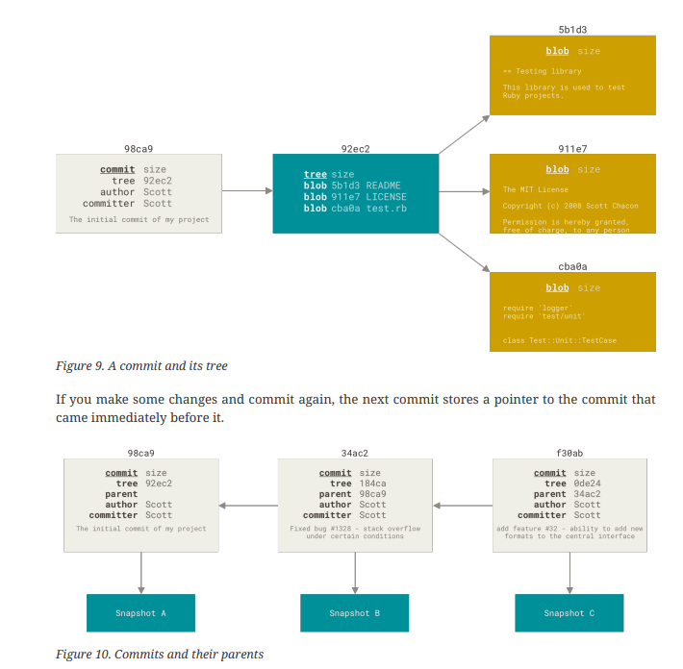 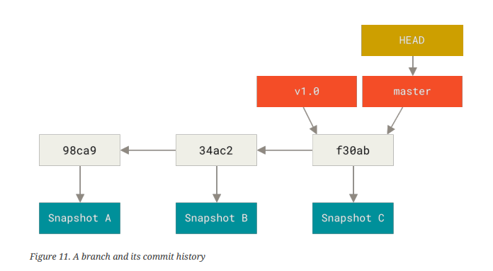

 |  | 1 | git branch testing | Creating a New Branch | What happens when you create a new branch? Well, doing so creates a new pointer for you to move around. Let’s say you want to create a new branch called testing. You do this with the git branch command. It’s typical to create a new branch and want to switch to that new branch at the same time — this can be done in one operation with git checkout -b <newbranchname>.
 |  |  |  |  | 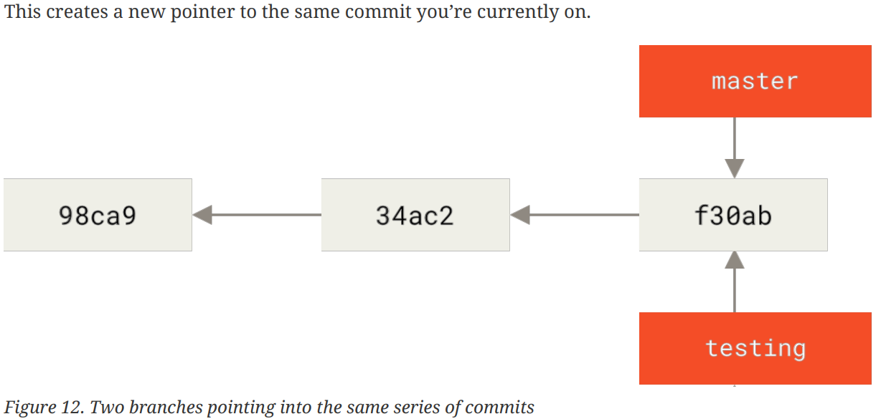

 |  | How does Git know what branch you’re currently on? It keeps a special pointer called HEAD. Note that this is a lot different than the concept of HEAD in other VCSs you may be used to, such as Subversion or CVS. In Git, this is a pointer to the local branch you’re currently on. In this case, you’re still on master. The git branch command only created a new branch — it didn’t switch to that You can easily see this by running a simple git log command that shows you where the branch pointers are pointing. This option is called --decorate.

 |  |  |  | 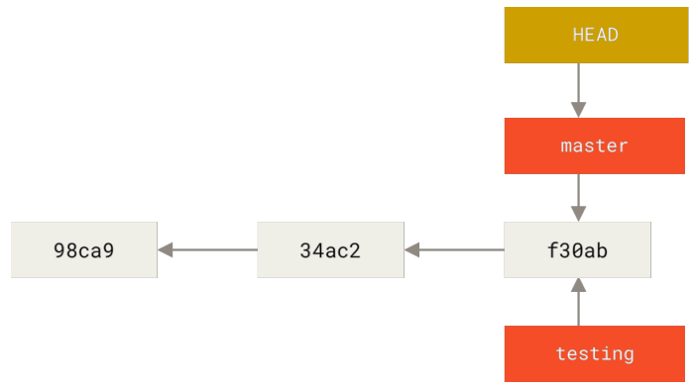

 |  | 2 | git checkout testing | Switching Branches | To switch to an existing branch, you run the git checkout command. Let’s switch to the new testing branch. This moves HEAD to point to the testing branch. From Git version 2.23 onwards you can use git switch instead of git checkout to: • Switch to an existing branch: git switch testing-branch. • Create a new branch and switch to it: git switch -c new-branch. The -c flag stands for create, you can also use the full flag: --create. • Return to your previously checked out branch: git switch -. If your working directory or staging area has uncommitted changes that conflict with the branch you’re checking out, Git won’t let you switch branches. It’s best to have a clean working state when you switch branches.
 |  |  |  | 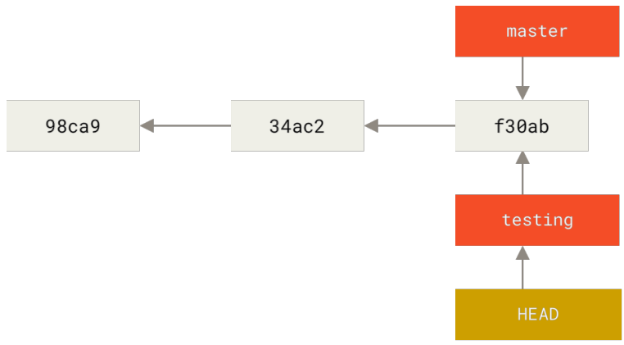

 |  |  |  |  | What is the significance of that? Well, let’s do another commit: $ vim test.rb $ git commit -a -m 'made a change' This is interesting, because now your testing branch has moved forward, but your master branch still points to the commit you were on when you ran git checkout to switch branches.
 |  |  |  |  | 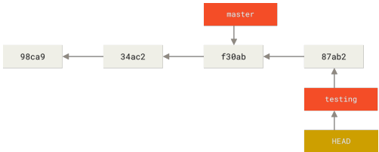

 |  | Switching branches changes files in your working directory It’s important to note that when you switch branches in Git, files in your working directory will change. If you switch to an older branch, your working directory will be reverted to look like it did the last time you committed on that branch. If Git cannot do it cleanly, it will not let you switch at all.

 |  | 3 | git branch -d hotfix | Delete Branch. | This command will delete branch named "hotfix".
 |  | 4 | git merge | Basic Merging | All you have to do is check out the branch you wish to merge into and then run the git merge command. | $ git checkout master Switched to branch 'master' $ git merge iss53 Merge made by the 'recursive' strategy. index.html | 1 + 1 file changed, 1 insertion(+)
 |  | 5 | git branch | Lists all the branches | If you run it with no arguments, you get a simple listing of your current branches. The useful --merged and --no-merged options can filter this list to branches that you have or have not yet merged into the branch you’re currently on. To see which branches are already merged into the branch you’re on, you can run git branch --merged. To see all the branches that contain work you haven’t yet merged in, you can run git branch --no -merged
 |  | 6 | git branch --move | Rename the branch | Suppose you have a branch that is called bad-branch-name and you want to change it to correctedbranch-name, while keeping all history. You also want to change the branch name on the remote (GitHub, GitLab, other server). How do you do this? Rename the branch locally with the git branch --move command. This replaces your bad-branch-name with corrected-branch-name, but this change is only local for now. To let others see the corrected branch on the remote, push it. | git branch --move bad-branch-name corrected-branch-name
 |  | 7 | git ls-remote <remote> | Remote references | Remote references are references (pointers) in your remote repositories, including branches, tags, and so on. You can get a full list of remote references explicitly with git ls-remote <remote>, or git remote show <remote> for remote branches as well as more information. Nevertheless, a more common way is to take advantage of remote-tracking branches. Remote-tracking branches are references to the state of remote branches. They’re local references that you can’t move; Git moves them for you whenever you do any network communication, to make sure they accurately represent the state of the remote repository. Think of them as bookmarks, to remind you where the branches in your remote repositories were the last time you connected to them. Remote-tracking branch names take the form <remote>/<branch>. For instance, if you wanted to see what the master branch on your origin remote looked like as of the last time you communicated with it, you would check the origin/master branch. If you were working on an issue with a partner and they pushed up an iss53 branch, you might have your own local iss53 branch, but the branch on the server would be represented by the remote-tracking branch origin/iss53. This may be a bit confusing, so let’s look at an example. Let’s say you have a Git server on your network at git.ourcompany.com. If you clone from this, Git’s clone command automatically names it origin for you, pulls down all its data, creates a pointer to where its master branch is, and names it origin/master locally. Git also gives you your own local master branch starting at the same place as origin’s master branch, so you have something to work from.
 |  |  |  |  | 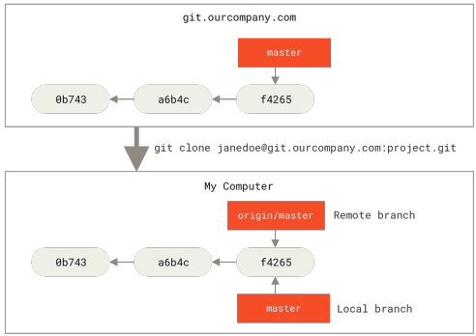 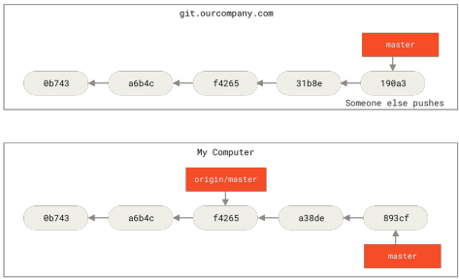

 |  |  |  |  | To synchronize your work with a given remote, you run a git fetch <remote> command (in our case, git fetch origin). This command looks up which server “origin” is (in this case, it’s git.ourcompany.com), fetches any data from it that you don’t yet have, and updates your local database, moving your origin/master pointer to its new, more up-to-date position.
 |  |  |  |  | 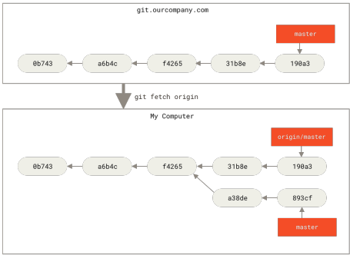

 |  | 8 | git push <remote> <branch> | Push changes to remote | When you want to share a branch with the world, you need to push it up to a remote to which you have write access. Your local branches aren’t automatically synchronized to the remotes you write to — you have to explicitly push the branches you want to share. | git push origin serverfix

 |  | Checking out a local branch from a remote-tracking branch automatically creates what is called a “tracking branch” (and the branch it tracks is called an “upstream branch”). Tracking branches are local branches that have a direct relationship to a remote branch. If you’re on a tracking branch and type git pull, Git automatically knows which server to fetch from and which branch to merge in. When you clone a repository, it generally automatically creates a master branch that tracks origin/master. However, you can set up other tracking branches if you wish — ones that track branches on other remotes, or don’t track the master branch. The simple case is the example you just saw, running git checkout -b <branch> <remote>/<branch>. This is a common enough operation that Git provides the --track shorthand: $ git checkout --track origin/serverfix Branch serverfix set up to track remote branch serverfix from origin. Switched to a new branch 'serverfix' In fact, this is so common that there’s even a shortcut for that shortcut. If the branch name you’re trying to checkout (a) doesn’t exist and (b) exactly matches a name on only one remote, Git will create a tracking branch for you: $ git checkout serverfix Branch serverfix set up to track remote branch serverfix from origin. Switched to a new branch 'serverfix' To set up a local branch with a different name than the remote branch, you can easily use the first version with a different local branch name: $ git checkout -b sf origin/serverfix Branch sf set up to track remote branch serverfix from origin. Switched to a new branch 'sf' Now, your local branch sf will automatically pull from origin/serverfix. If you already have a local branch and want to set it to a remote branch you just pulled down, or want to change the upstream branch you’re tracking, you can use the -u or --set-upstream-to option to git branch to explicitly set it at any time. $ git branch -u origin/serverfix Branch serverfix set up to track remote bra

 |  | 9 | git branch -vv | Show what tracking branches you have set up | If you want to see what tracking branches you have set up, you can use the -vv option to git branch. This will list out your local branches with more information including what each branch is tracking and if your local branch is ahead, behind or both.
 |  | 10 | git pull | Fetch all the changes from remote and merge those changes with local working directory. | While the git fetch command will fetch all the changes on the server that you don’t have yet, it will not modify your working directory at all. It will simply get the data for you and let you merge it yourself. However, there is a command called git pull which is essentially a git fetch immediately followed by a git merge in most cases.
 |  | 11 | git push origin --delete serverfix | Deleting Remote Branches | Suppose you’re done with a remote branch — say you and your collaborators are finished with a feature and have merged it into your remote’s master branch (or whatever branch your stable codeline is in). You can delete a remote branch using the --delete option to git push.

 |  | In Git, there are two main ways to integrate changes from one branch into another: the merge and the rebase.

 |  | 12 |  |  | The easiest way to integrate the branches, as we’ve already covered, is the merge command. It performs a three-way merge between the two latest branch snapshots (C3 and C4) and the most recent common ancestor of the two (C2), creating a new snapshot (and commit).
 |  |  |  |  | 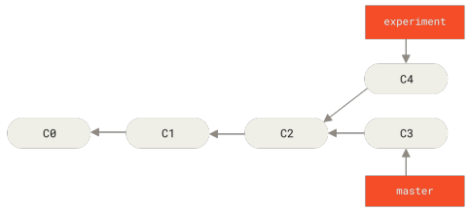 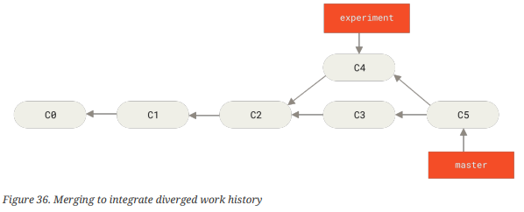

 |  |  |  |  | However, there is another way: you can take the patch of the change that was introduced in C4 and reapply it on top of C3. In Git, this is called rebasing. With the rebase command, you can take all the changes that were committed on one branch and replay them on a different branch. This operation works by going to the common ancestor of the two branches (the one you’re on and the one you’re rebasing onto), getting the diff introduced by each commit of the branch you’re on, saving those diffs to temporary files, resetting the current branch to the same commit as the branch you are rebasing onto, and finally applying each change in turn. At this point, you can go back to the master branch and do a fast-forward merge. Now, the snapshot pointed to by C4' is exactly the same as the one that was pointed to by C5 in the merge example. There is no difference in the end product of the integration, but rebasing makes for a cleaner history. If you examine the log of a rebased branch, it looks like a linear history: it appears that all the work happened in series, even when it originally happened in parallel. | $ git checkout experiment $ git rebase master First, rewinding head to replay your work on top of it... Applying: added staged command $ git checkout master $ git merge experiment

 |  | Do not rebase commits that exist outside your repository and that people may have based work on. When you rebase stuff, you’re abandoning existing commits and creating new ones that are similar but different. If you push commits somewhere and others pull them down and base work on them, and then you rewrite those commits with git rebase and push them up again, your collaborators will have to re-merge their work and things will get messy when you try to pull their work back into yours.

GIT Tools
 |  | 1 | git show | Single Revisions Selections | You can obviously refer to any single commit by its full, 40-character SHA-1 hash. Git is smart enough to figure out what commit you’re referring to if you provide the first few characters of the SHA-1 hash, as long as that partial hash is at least four characters long and unambiguous; that is, no other object in the object database can have a hash that begins with the same prefix. In this case, say you’re interested in the commit whose hash begins with 1c002dd…. You can inspect that commit with any of the following variations of git show (assuming the shorter versions are unambiguous):
 |  | 2 | git reflog | RefLog Shortnames | One of the things Git does in the background while you’re working away is keep a “reflog” — a log of where your HEAD and branch references have been for the last few months. Every time your branch tip is updated for any reason, Git stores that information for you in this temporary history. You can use your reflog data to refer to older commits as well. For example, if you want to see the fifth prior value of the HEAD of your repository, you can use the @{5} reference that you see in the reflog output: $ git show HEAD@{5} You can also use this syntax to see where a branch was some specific amount of time ago. For instance, to see where your master branch was yesterday, you can type: $ git show master@{yesterday}

 |  | Ancestry References : The other main way to specify a commit is via its ancestry. If you place a ^ (caret) at the end of a reference, Git resolves it to mean the parent of that commit. Then, you can see the previous commit by specifying HEAD^, which means “the parent of HEAD”. You can also specify a number after the ^ to identify which parent you want; for example, d921970^2 means “the second parent of d921970.” The other main ancestry specification is the ~ (tilde). This also refers to the first parent, so HEAD~ and HEAD^ are equivalent. The difference becomes apparent when you specify a number. HEAD~2 means “the first parent of the first parent,” or “the grandparent” — it traverses the first parents the number of times you specify. The most common range specification is the double-dot syntax. This basically asks Git to resolve a range of commits that are reachable from one commit but aren’t reachable from another. Say you want to see what is in your experiment branch that hasn’t yet been merged into your master branch. You can ask Git to show you a log of just those commits with master..experiment — that means “all commits reachable from experiment that aren’t reachable from master.” The last major range-selection syntax is the triple-dot syntax, which specifies all the commits that are reachable by either of two references but not by both of them. If you want to see what is in master or experiment but not any common references, you can run: $ git log master...experiment.

 |  | 3 | git add -i | Interactive Staging | Interactive Git commands that can help you craft your commits to include only certain combinations and parts of files. These tools are helpful if you modify a number of files extensively, then decide that you want those changes to be partitioned into several focused commits rather than one big messy commit. Staging and Unstaging Files If you type u or 2 (for update) at the What now> prompt, you’re prompted for which files you want to stage: What now> u staged unstaged path 1: unchanged +0/-1 TODO 2: unchanged +1/-1 index.html 3: unchanged +5/-1 lib/simplegit.rb Update>> To stage the TODO and index.html files, you can type the numbers: Update>> 1,2 staged unstaged path * 1: unchanged +0/-1 TODO * 2: unchanged +1/-1 index.html 3: unchanged +5/-1 lib/simplegit.rb Update>> The * next to each file means the file is selected to be staged. If you press Enter after typing nothing at the Update>> prompt, Git takes anything selected and stages it for you: Update>> updated 2 paths *** Commands *** 1: [s]tatus 2: [u]pdate 3: [r]evert 4: [a]dd untracked 5: [p]atch 6: [d]iff 7: [q]uit 8: [h]elp What now> s staged unstaged path 1: +0/-1 nothing TODO 2: +1/-1 nothing index.html 3: unchanged +5/-1 lib/simplegit.rb Now you can see that the TODO and index.html files are staged and the simplegit.rb file is still unstaged.
 |  | 4 | git add -p <filename> | Staging Patches | It’s also possible for Git to stage certain parts of files and not the rest. For example, if you make two changes to your simplegit.rb file and want to stage one of them and not the other, doing so is very easy in Git. From the same interactive prompt explained in the previous section, type p or 5 (for patch). Git will ask you which files you would like to partially stage; then, for each section of the selected files, it will display hunks of the file diff and ask if you would like to stage them, one by one.
 |  | 5 | git stash | Stashing and Cleaning | Often, when you’ve been working on part of your project, things are in a messy state and you want to switch branches for a bit to work on something else. The problem is, you don’t want to do a commit of half-done work just so you can get back to this point later. The answer to this issue is the git stash command. Stashing takes the dirty state of your working directory — that is, your modified tracked files and staged changes — and saves it on a stack of unfinished changes that you can reapply at any time (even on a different branch). To see which stashes you’ve stored, you can use git stash list. You can reapply the one you just stashed by using the command git stash apply If you want to apply one of the older stashes, you can specify it by naming it, like this: git stash apply stash@{2}. If you don’t specify a stash, Git assumes the most recent stash and tries to apply it. The changes to your files were reapplied, but the file you staged before wasn’t restaged. To do that, you must run the git stash apply command with a --index option to tell the command to try to reapply the staged changes. If you had run that instead, you’d have gotten back to your original position. There are a few stash variants that may also be helpful. The first option that is quite popular is the --keep-index option to the git stash command. This tells Git to not only include all staged content in the stash being created, but simultaneously leave it in the index. Another common thing you may want to do with stash is to stash the untracked files as well as the tracked ones. By default, git stash will stash only modified and staged tracked files. If you specify --include-untracked or -u, Git will include untracked files in the stash being created. However, including untracked files in the stash will still not include explicitly ignored files; to additionally include ignored files, use --all (or just -a). Finally, if you specify the --patch flag, Git will not stash everything that is modifi
 |  | 6 | git stash branch <new branchname> | Creating a Branch from a Stash | which creates a new branch for you with your selected branch name, checks out the commit you were on when you stashed your work, reapplies your work there, and then drops the stash if it applies successfully
 |  | 7 | git clean | Cleaning your Working Directory | Finally, you may not want to stash some work or files in your working directory, but simply get rid of them; that’s what the git clean command is for. You’ll want to be pretty careful with this command, since it’s designed to remove files from your working directory that are not tracked. If you change your mind, there is often no retrieving the content of those files. A safer option is to run git stash --all to remove everything but save it in a stash. you can run git clean -f -d, which removes any files and also any subdirectories that become empty as a result. The -f means 'force' or “really do this,” and is required if the Git configuration variable clean.requireForce is not explicitly set to false. If you ever want to see what it would do, you can run the command with the --dry-run (or -n) option, which means “do a dry run and tell me what you would have removed”. By default, the git clean command will only remove untracked files that are not ignored. Any file that matches a pattern in your .gitignore or other ignore files will not be removed. If you want to remove those files too, such as to remove all .o files generated from a build so you can do a fully clean build, you can add a -x to the clean command. The other way you can be careful about the process is to run it with the -i or “interactive” flag. This will run the clean command in an interactive mode. | git clean -d -n
 |  | 8 | git commit --amend | Changing the Last Commit | The command above loads the previous commit message into an editor session, where you can make changes to the message, save those changes and exit. If, on the other hand, you want to change the actual content of your last commit, the process works basically the same way — first make the changes you think you forgot, stage those changes, and the subsequent git commit --amend replaces that last commit with your new, improved commit. For example, if you want to change the last three commit messages, or any of the commit messages in that group, you supply as an argument to git rebase -i the parent of the last commit you want to edit, which is HEAD~2^ or HEAD~3. It may be easier to remember the ~3 because you’re trying to edit the last three commits, but keep in mind that you’re actually designating four commits ago, the parent of the last commit you want to edit: $ git rebase -i HEAD~3 Remember again that this is a rebasing command — every commit in the range HEAD~3..HEAD with a changed message and all of its descendants will be rewritten. Don’t include any commit you’ve already pushed to a central server — doing so will confuse other developers by providing an alternate version of the same change. Running this command gives you a list of commits in your text editor that looks something like this: pick f7f3f6d Change my name a bit pick 310154e Update README formatting and add blame pick a5f4a0d Add cat-file # Rebase 710f0f8..a5f4a0d onto 710f0f8 # # Commands: # p, pick <commit> = use commit # r, reword <commit> = use commit, but edit the commit message # e, edit <commit> = use commit, but stop for amending # s, squash <commit> = use commit, but meld into previous commit # f, fixup <commit> = like "squash", but discard this commit's log message # x, exec <command> = run command (the rest of the line) using shell # b, break = stop here (continue rebase later with 'git rebase --continue') # d, drop <commit> = remove commit # l, label <label> = label current
 |  | 9 |  | Changing Multiple Commit Messages | To modify a commit that is farther back in your history, you must move to more complex tools. Git doesn’t have a modify-history tool, but you can use the rebase tool to rebase a series of commits onto the HEAD they were originally based on instead of moving them to another one. With the interactive rebase tool, you can then stop after each commit you want to modify and change the message, add files, or do whatever you wish. You can run rebase interactively by adding the -i option to git rebase. You must indicate how far back you want to rewrite commits by telling the command which commit to rebase onto.
 |  | 10 |  | Reordering Commits | You can also use interactive rebases to reorder or remove commits entirely.
 |  | 11 |  | Squashing Commits | It’s also possible to take a series of commits and squash them down into a single commit with the interactive rebasing tool. If, instead of “pick” or “edit”, you specify “squash”, Git applies both that change and the change directly before it and makes you merge the commit messages together. So, if you want to make a single commit from these three commits, you make the script look like this: pick f7f3f6d Change my name a bit squash 310154e Update README formatting and add blame squash a5f4a0d Add cat-file When you save and exit the editor, Git applies all three changes and then puts you back into the editor to merge the three commit messages:
 |  | 12 |  | Splitting a Commit | Splitting a commit undoes a commit and then partially stages and commits as many times as commits you want to end up with. For example, suppose you want to split the middle commit of your three commits. Instead of “Update README formatting and add blame”, you want to split it into two commits: “Update README formatting” for the first, and “Add blame” for the second. You can do that in the rebase -i script by changing the instruction on the commit you want to split to “edit”: pick f7f3f6d Change my name a bit edit 310154e Update README formatting and add blame pick a5f4a0d Add cat-file Then, when the script drops you to the command line, you reset that commit, take the changes that have been reset, and create multiple commits out of them. When you save and exit the editor, Git rewinds to the parent of the first commit in your list, applies the first commit (f7f3f6d), applies the second (310154e), and drops you to the console. There, you can do a mixed reset of that commit with git reset HEAD^, which effectively undoes that commit and leaves the modified files unstaged. Now you can stage and commit files until you have several commits, and run git rebase --continue when you’re done.
 |  | 13 |  | Deleting a commit | If you want to get rid of a commit, you can delete it using the rebase -i script. In the list of commits, put the word “drop” before the commit you want to delete (or just delete that line from the rebase script): pick 461cb2a This commit is OK drop 5aecc10 This commit is broken Because of the way Git builds commit objects, deleting or altering a commit will cause the rewriting of all the commits that follow it. The further back in your repo’s history you go, the more commits will need to be recreated. This can cause lots of merge conflicts if you have many commits later in the sequence that depend on the one you just deleted. If you get partway through a rebase like this and decide it’s not a good idea, you can always stop. Type git rebase --abort, and your repo will be returned to the state it was in before you started the rebase.
 |  | 14 | git merge --abort | Aborting a Merge
 |  | 15 |  | Undoing Merges | There are two ways to approach this problem, depending on what your desired outcome is. 1. Fix the references If the unwanted merge commit only exists on your local repository, the easiest and best solution is to move the branches so that they point where you want them to. In most cases, if you follow the errant git merge with git reset --hard HEAD~, this will reset the branch pointers. The downside of this approach is that it’s rewriting history, which can be problematic with a shared repository. 2. Reverse the commit Git gives you the option of making a new commit which undoes all the changes from an existing one. Git calls this operation a “revert”, and in this particular scenario, you’d invoke it like this: $ git revert -m 1 HEAD [master b1d8379] Revert "Merge branch 'topic'" The -m 1 flag indicates which parent is the “mainline” and should be kept. When you invoke a merge into HEAD (git merge topic), the new commit has two parents: the first one is HEAD (C6), and the second is the tip of the branch being merged in (C4). In this case, we want to undo all the changes introduced by merging in parent #2 (C4), while keeping all the content from parent #1 (C6). The new commit ^M has exactly the same contents as C6, so starting from here it’s as if the merge never happened, except that the now-unmerged commits are still in HEAD’s history.
 | Debugging with Git
 |  | 16 | git blame | File Annotation | If you track down a bug in your code and want to know when it was introduced and why, file annotation is often your best tool. It shows you what commit was the last to modify each line of any file. So if you see that a method in your code is buggy, you can annotate the file with git blame to determine which commit was responsible for the introduction of that line. The following example uses git blame to determine which commit and committer was responsible for lines in the top-level Linux kernel Makefile and, further, uses the -L option to restrict the output of the annotation to lines 69 through 82 of that file: | git blame -L 69,82 Makefile
 |  |  |  | Binary Search | Annotating a file helps if you know where the issue is to begin with. If you don’t know what is breaking, and there have been dozens or hundreds of commits since the last state where you know the code worked, you’ll likely turn to git bisect for help. The bisect command does a binary search through your commit history to help you identify as quickly as possible which commit introduced an issue. Let’s say you just pushed out a release of your code to a production environment, you’re getting bug reports about something that wasn’t happening in your development environment, and you can’t imagine why the code is doing that. You go back to your code, and it turns out you can reproduce the issue, but you can’t figure out what is going wrong. You can bisect the code to find out. First you run git bisect start to get things going, and then you use git bisect bad to tell the system that the current commit you’re on is broken. Then, you must tell bisect when the last known good state was, using git bisect good <good_commit>. Git figured out that about 12 commits came between the commit you marked as the last good commit (v1.0) and the current bad version, and it checked out the middle one for you. At this point, you can run your test to see if the issue exists as of this commit. If it does, then it was introduced sometime before this middle commit; if it doesn’t, then the problem was introduced sometime after the middle commit. It turns out there is no issue here, and you tell Git that by typing git bisect good and continue your journey. When you’re finished, you should run git bisect reset to reset your HEAD to where you were before you started, or you’ll end up in a weird state

