Screenshots
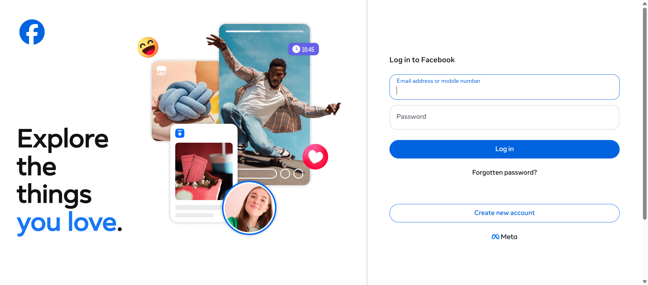
1. open https://www.facebook.com

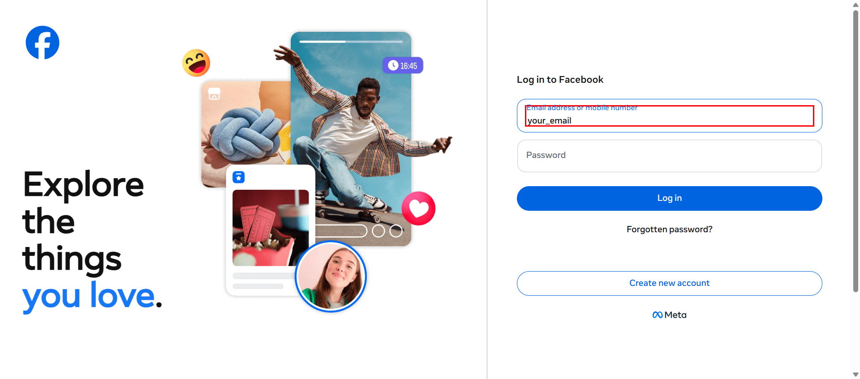
2. enter email test@gmail.com


3. enter password ******


4. click login

