Screenshots

1. open, enter, click

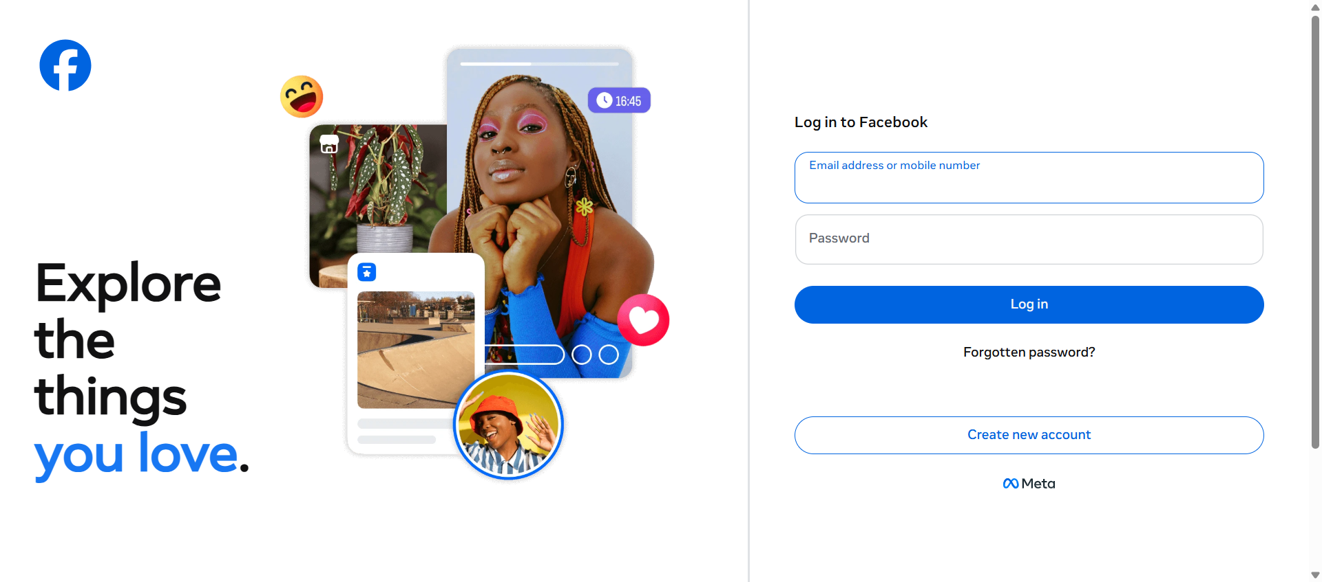
2. open https://www.facebook.com

3. enter email test@gmail.com


4. enter password ******

5. click login

