Screenshots
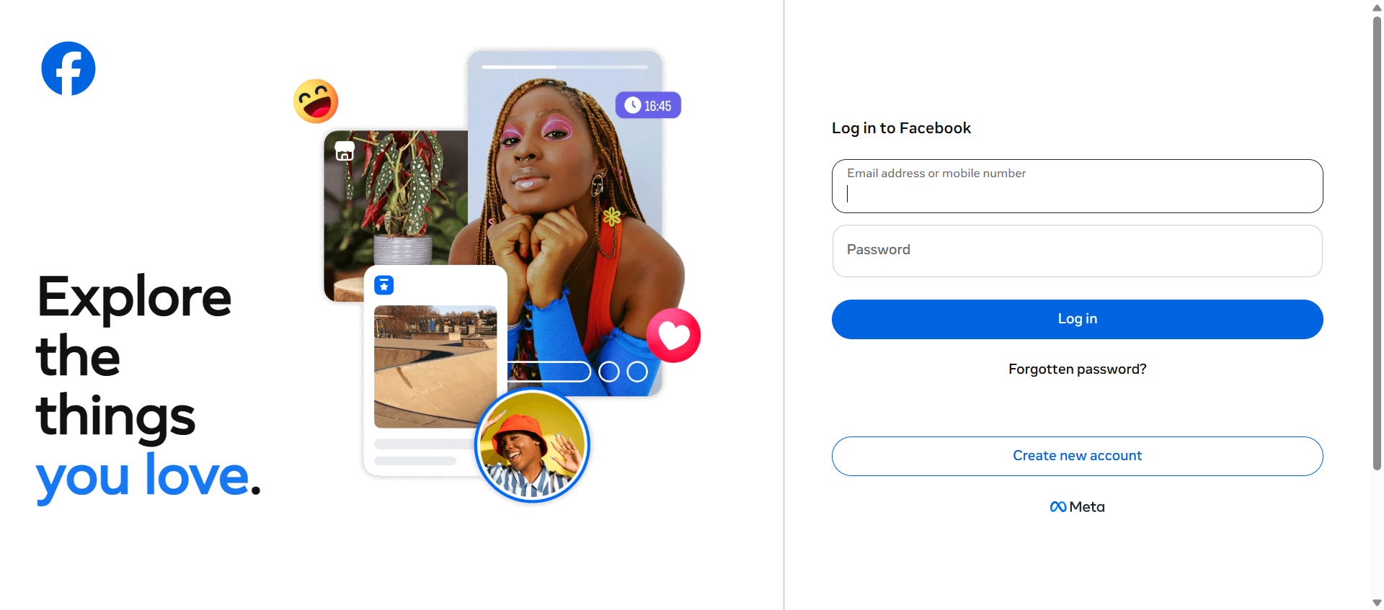
1. Open https://www.facebook.com/


2. Validate the Page title is Facebook

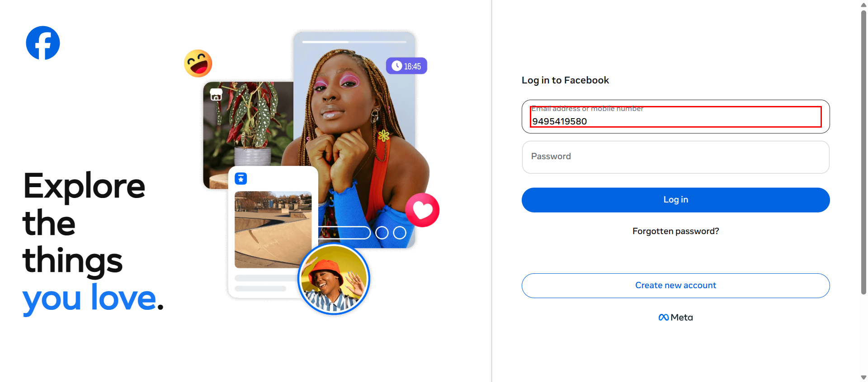
3. Enter Email address or mobile number 9495419580


4. Enter password ******

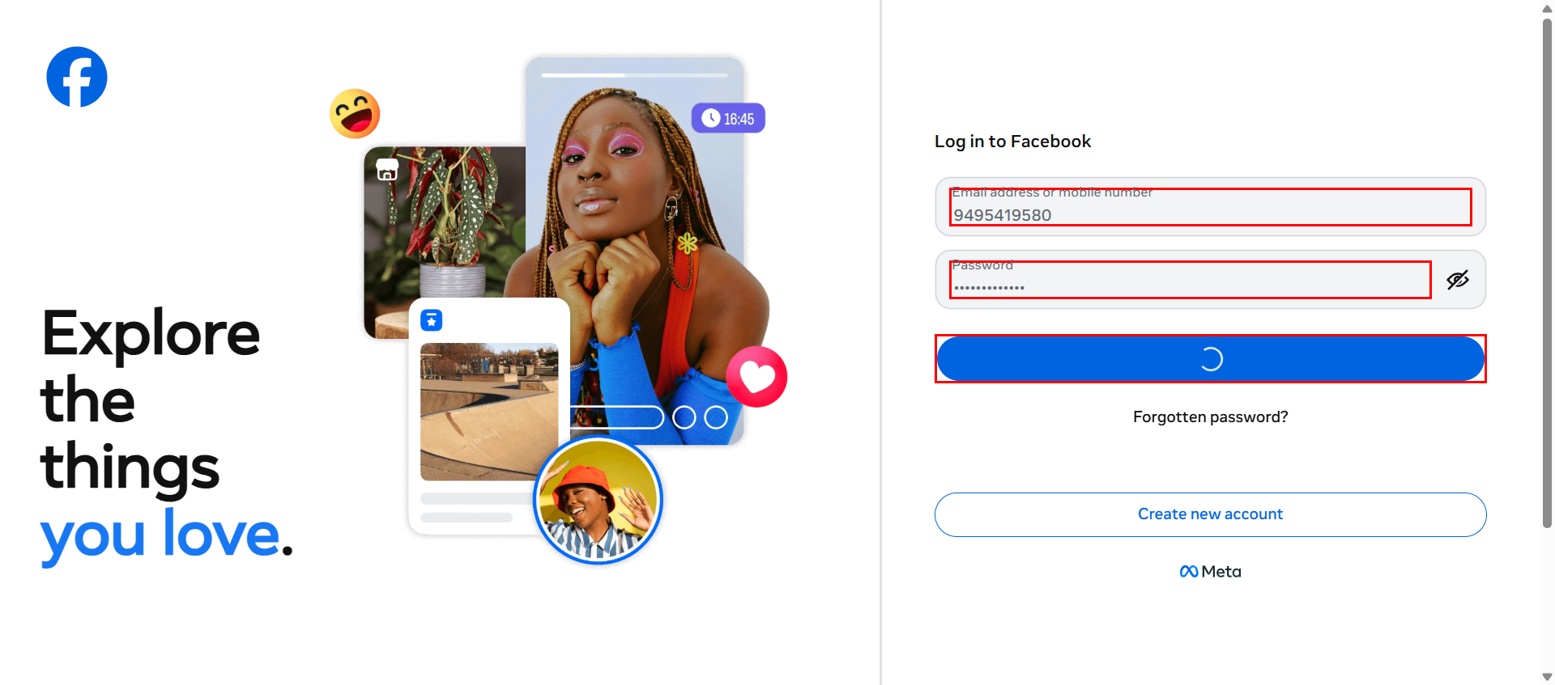
5. click Log in button

