BugReport
Royal Brothers
Version N0.: Verified By:
Tested By : Vishnu P 24/03/2024
Bug ID | Test Id | Expected Result | Bug Description | Steps To Reduce | Screenshot | Severity | status
rbb_001 | rb_036 | Should be able add bikes to wishlist or favourite | Add to wishlist option is missing | N/A | N/A | minor | new
rbb_002 | rb_039 | users can share bike listings on social media platforms. | Share option is missing | N/A | N/A | minor | new
rbb_003 | rb_068 | Should be able to make camparison option to evaluate the selected bike will fit for our ride | Camparison option is missing | N/A | N/A | minor | new
rbb_004 | rb_076 | Should be able to access , view and selecting options without any interuption like blocking ad | There is a blocking ad window that covers select date time field, it needs to be forcefully closed for smooth access | https://www.royalbrothers.com/ | 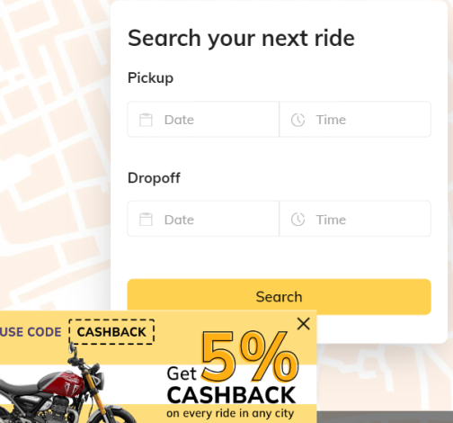 | minor | new

