Pivot Tables
Year-wise Pollution Trend

State-wise Pollution Comparison

Pollution Count by State

State-wise Pollution Trend (Top States)

Pollution Category Distribution

Top Pollution Hotspots (Monitoring Locations)

Dashboard
 | Water Quality & Pollution Analysis Dashboard

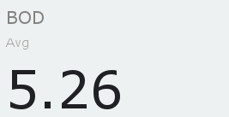
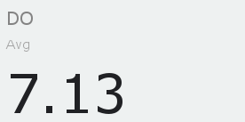
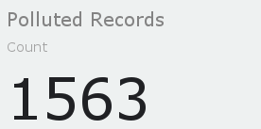
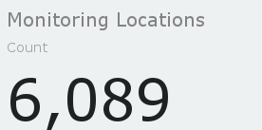

Year-wise Pollution Trend
Pollution Count by State

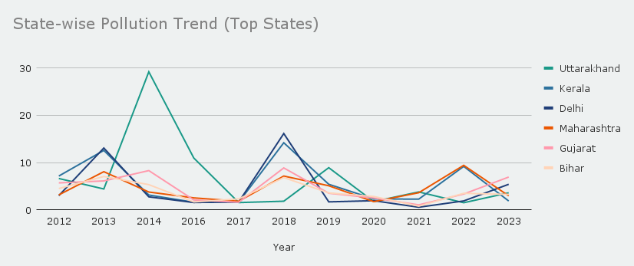
Pollution Category Distribution

Top Pollution Hotspots (Monitoring Locations)

Key Insights & Recommendations • Pollution is concentrated in a small number of monitoring locations; targeted clean-up actions at hotspot stations will be more effective than broad interventions. • Certain states consistently show higher pollution levels and should be prioritized for stricter monitoring and pollution control policies. • Although the majority of records fall under the “Good” category, a significant moderate and polluted share indicates the need for continuous monitoring. • State-wise trends reveal different pollution behaviors, suggesting that region-specific strategies are more effective than uniform national approaches. • Increasing monitoring frequency and focusing on high-risk seasons and locations can help reduce long-term pollution levels

