India
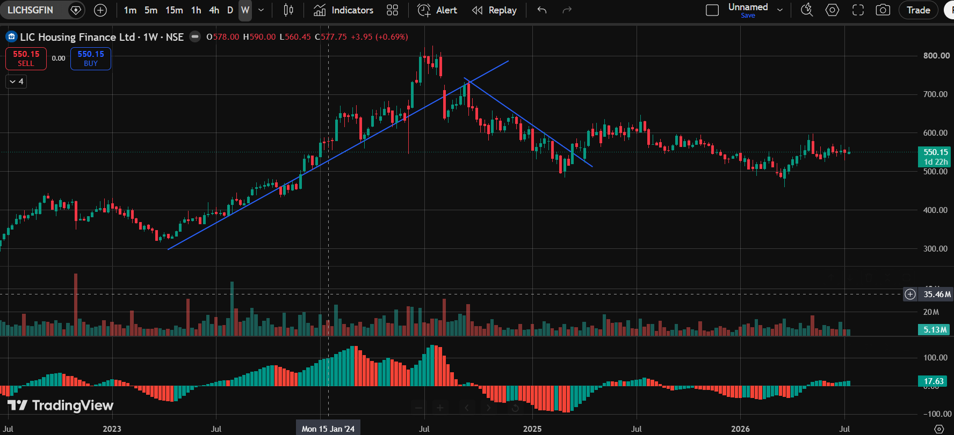
India — NBFC / Housing Finance Equities

Daily Chart (1D)

LIC Housing Finance Ltd. (LICHSGFIN · NSE)
Pattern Identified: Sideways Trendline
Technical Bias: Neutral / Range-bound

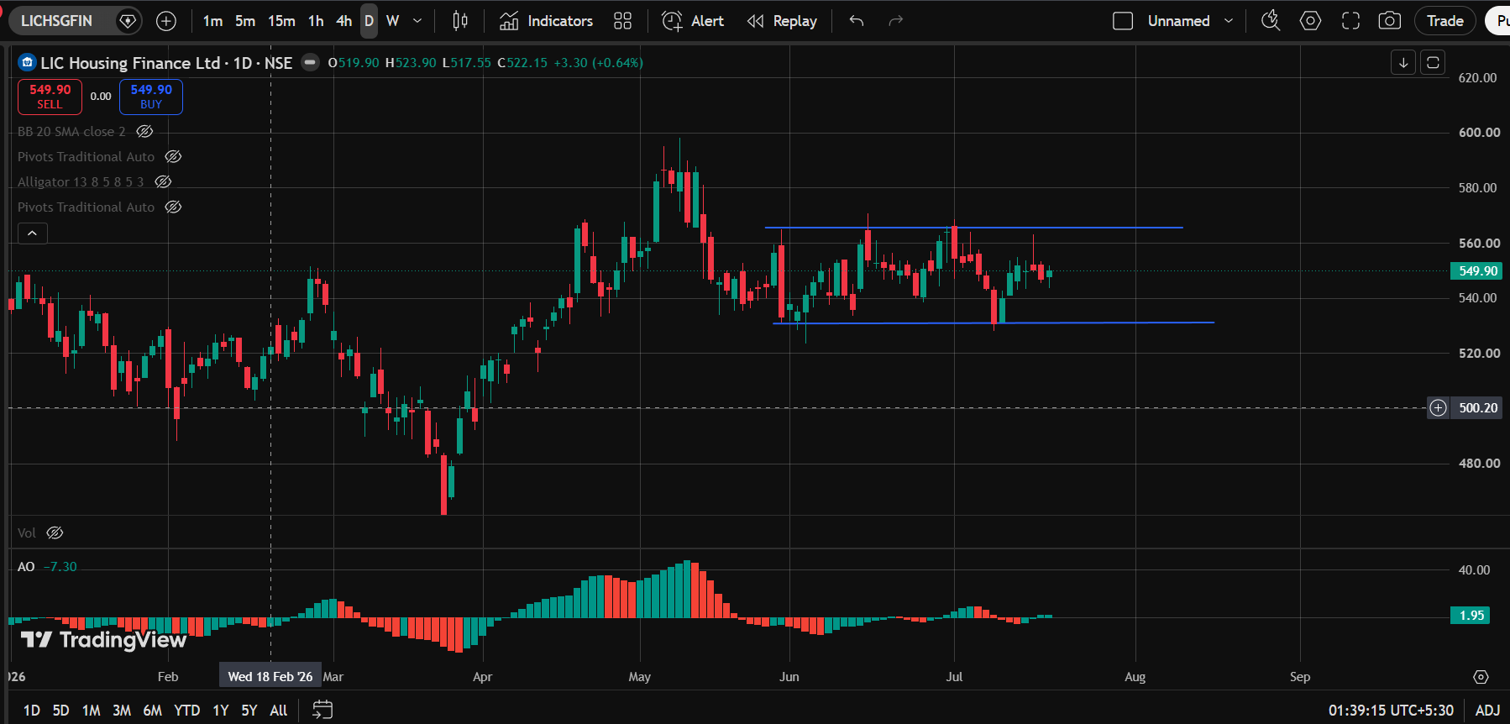

Aavas Financiers Ltd. (AAVAS · NSE)
Pattern Identified: Down Trendline + Rounding Top + Rounding Bottom
Technical Bias: Mixed Signals

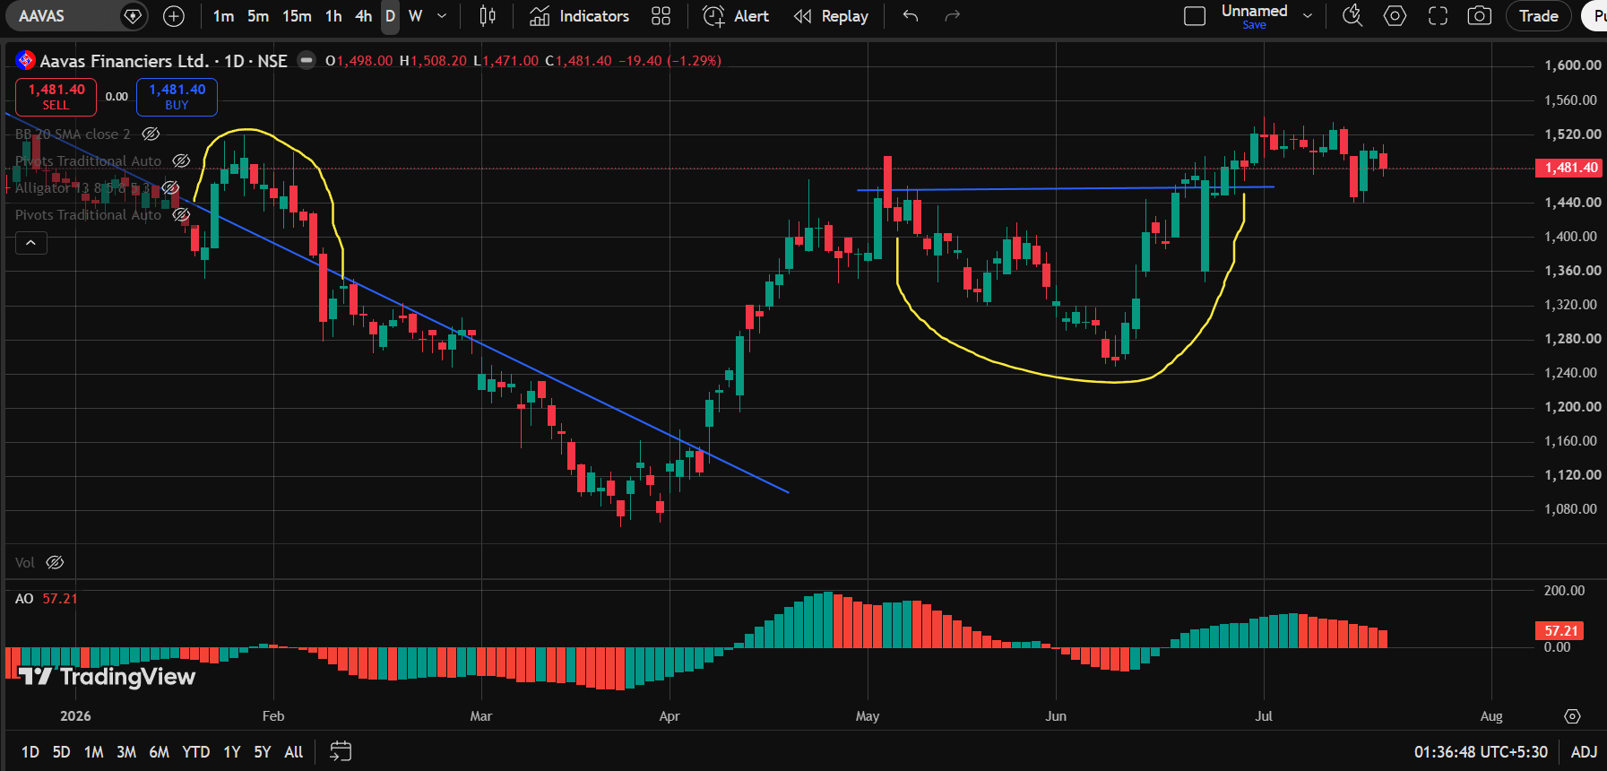

Mahindra & Mahindra Financial Services Ltd. (M&MFIN · NSE)
Pattern Identified: Channel Up
Technical Bias: Bullish

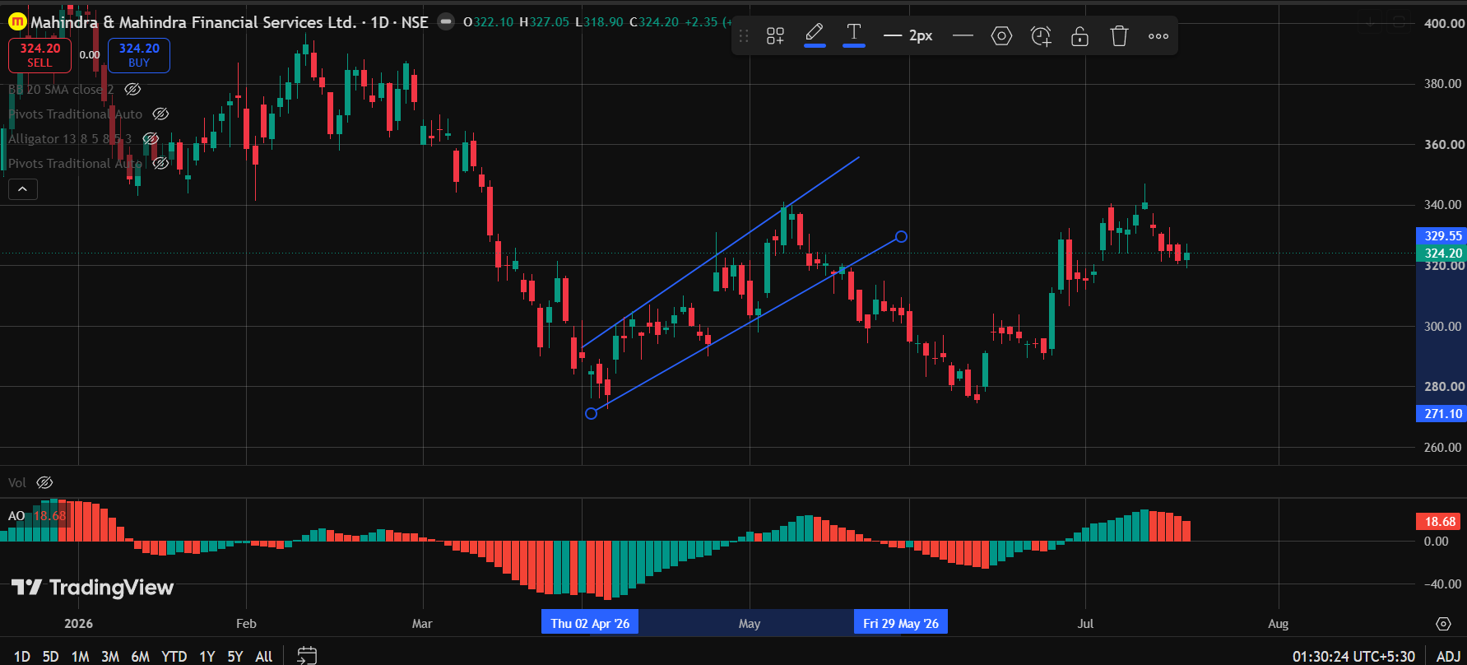

Cholamandalam Investment and Finance Co. Ltd. (CHOLAFIN · NSE)
Pattern Identified: Rounding Bottom
Technical Bias: Bullish

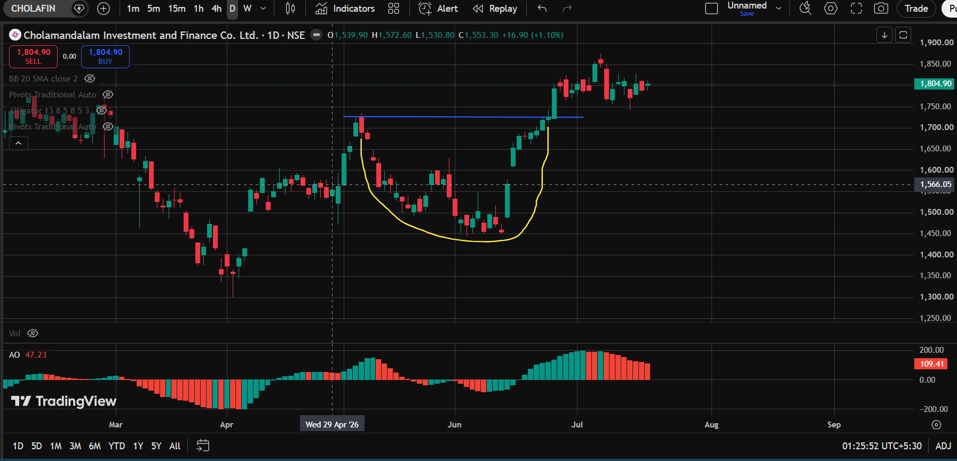

Shriram Finance Limited (SHRIRAMFIN · NSE)
Pattern Identified: Channel Down
Technical Bias: Bearish

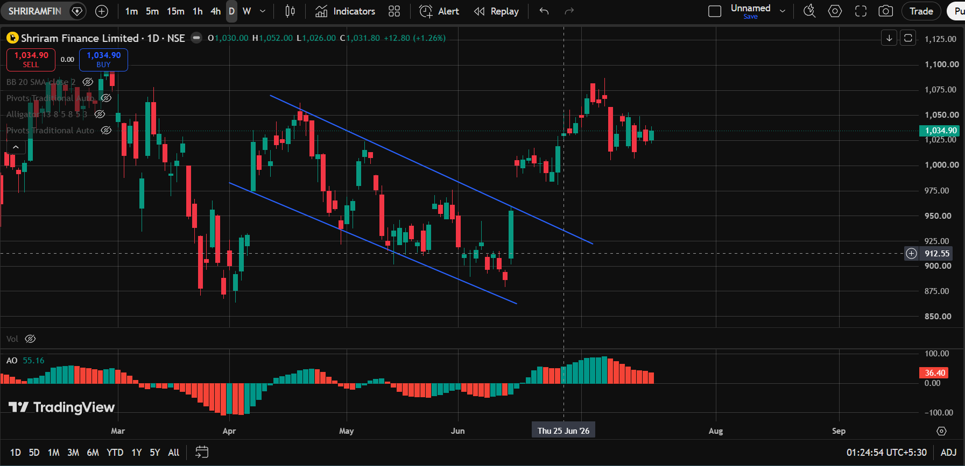

Weekly Chart (1W)

IIFL Finance Limited (IIFL · NSE)
Pattern Identified: Sideways Trendline + Double Top + Up Trendline + Rounding Bottom + Up Trendline + Rounding Bottom + Up Trendline
Technical Bias: Mixed Signals

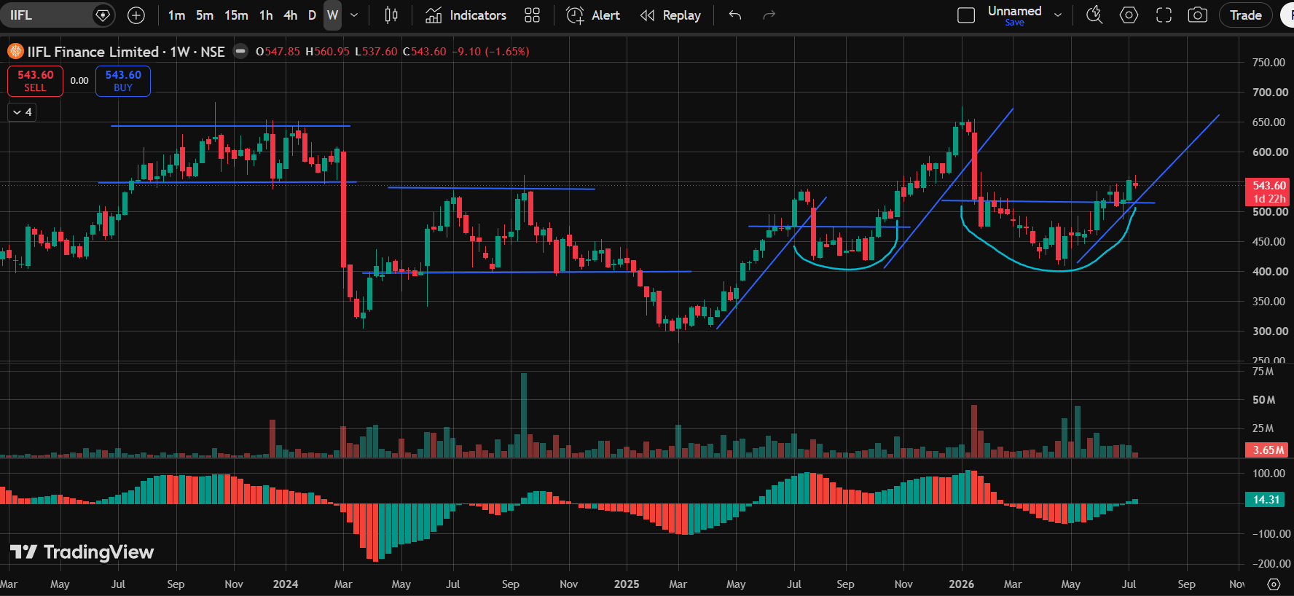

Muthoot Finance Ltd. (MUTHOOTFIN · NSE)
Pattern Identified: Up Trendline + Bump-and-Run Reversal
Technical Bias: Mixed Signals

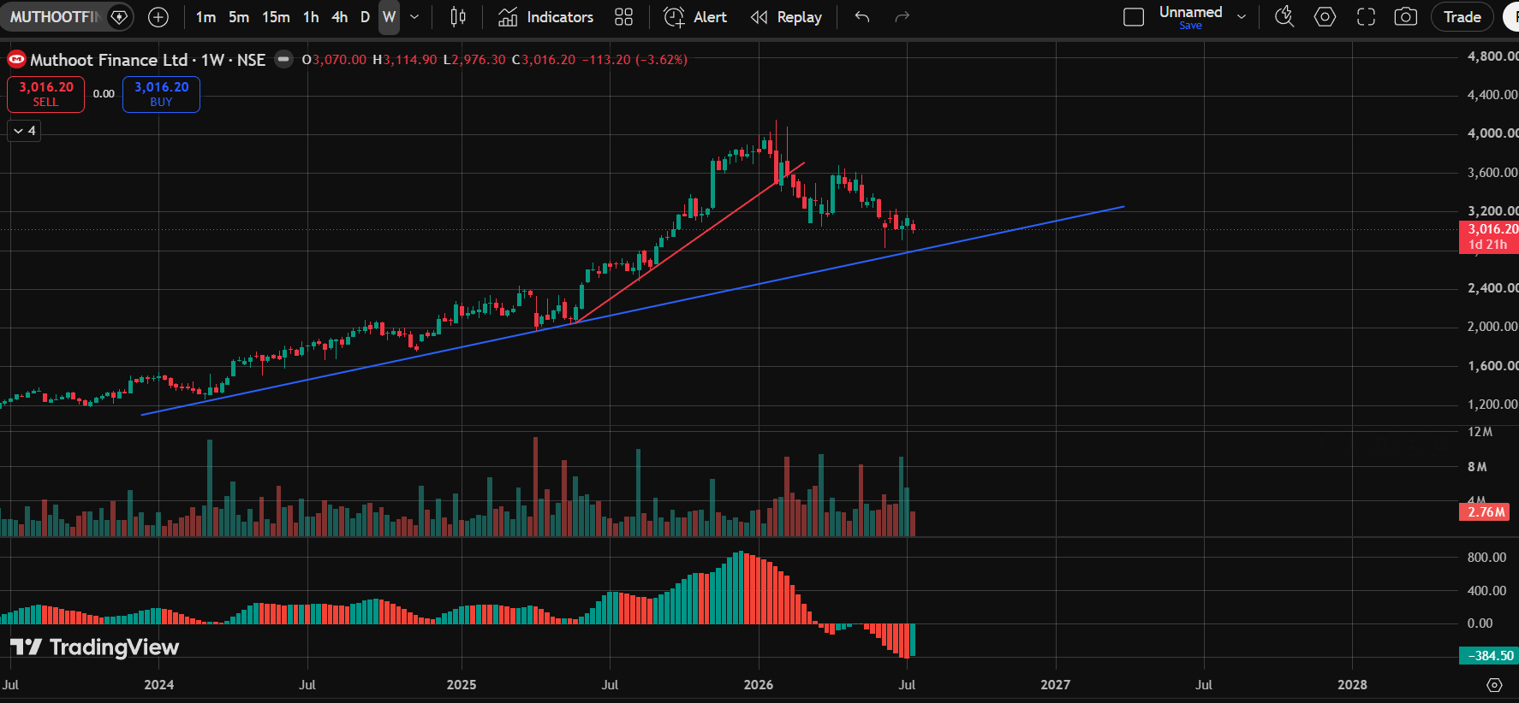

Shriram Finance Limited (SHRIRAMFIN · NSE)
Pattern Identified: Up Trendline + Rounding Bottom + Bump-and-Run Reversal + Sideways Trendline
Technical Bias: Mixed Signals

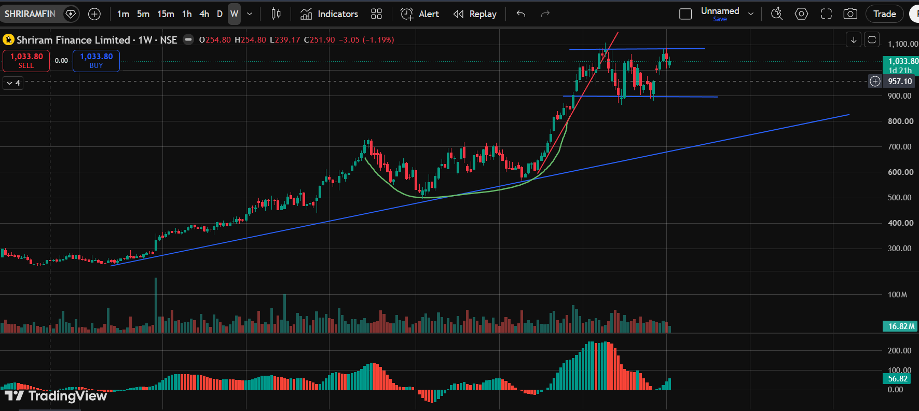

Cholamandalam Investment and Finance Co. Ltd. (CHOLAFIN · NSE)
Pattern Identified: Up Trendline + Bump-and-Run Reversal + Rounding Bottom
Technical Bias: Mixed Signals

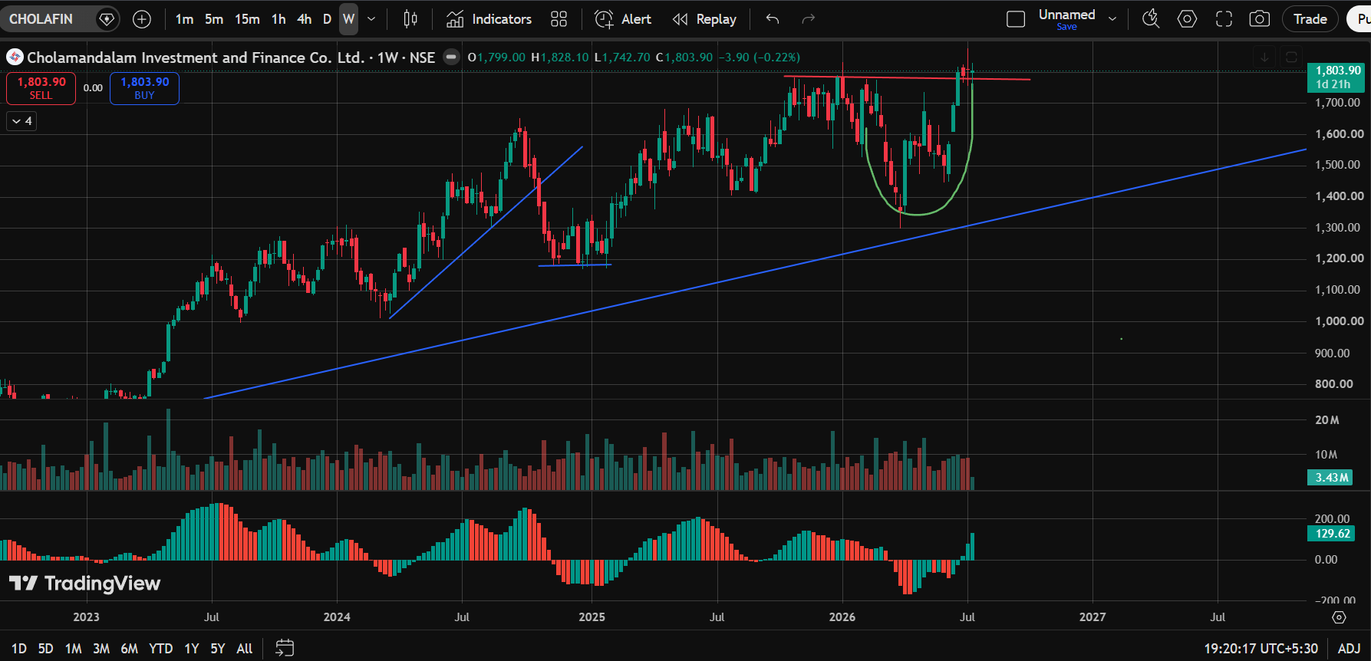

Sundaram Finance Limited (SUNDARAMFIN · NSE)
Pattern Identified: Up Trendline + Bump-and-Run Reversal
Technical Bias: Mixed Signals

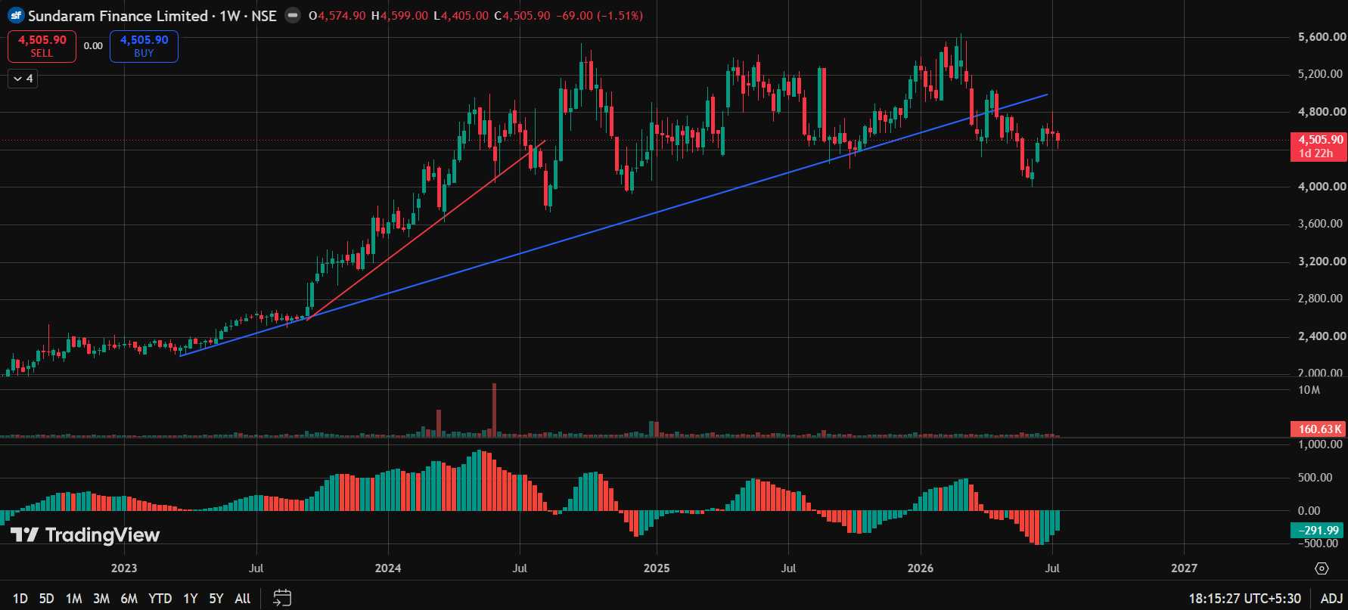

Mahindra & Mahindra Financial Services Ltd. (M&MFIN · NSE)
Pattern Identified: Sideways Trendline + Up Trendline + Double Bottom
Technical Bias: Bullish-leaning

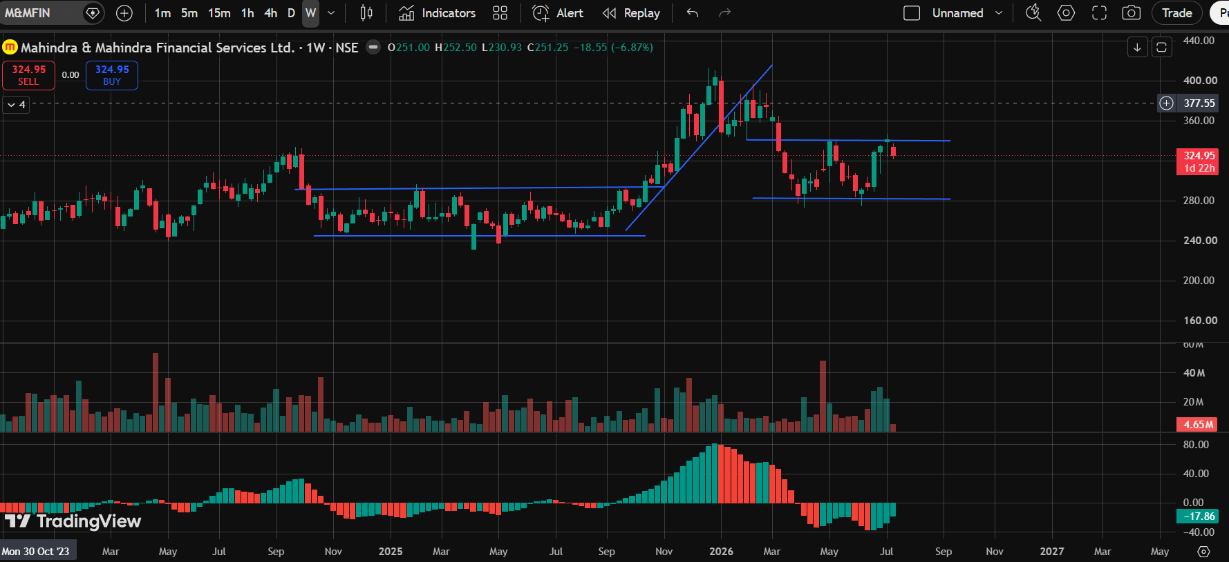

Home First Finance Company India Ltd. (HOMEFIRST · NSE)
Pattern Identified: Up Trendline + Sideways Trendline
Technical Bias: Bullish-leaning

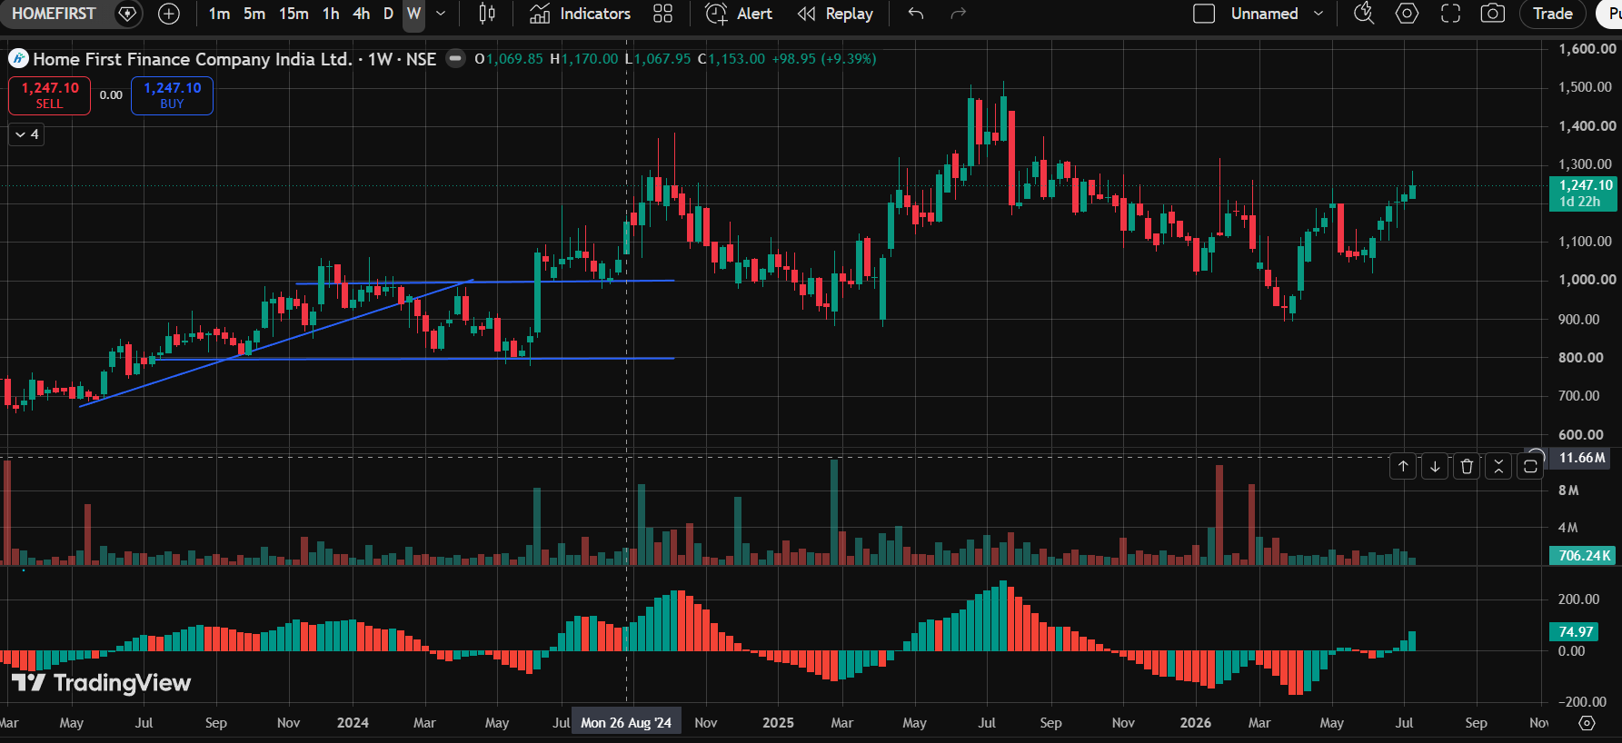

Aavas Financiers Ltd. (AAVAS · NSE)
Pattern Identified: Sideways Trendline + Down Trendline
Technical Bias: Bearish-leaning

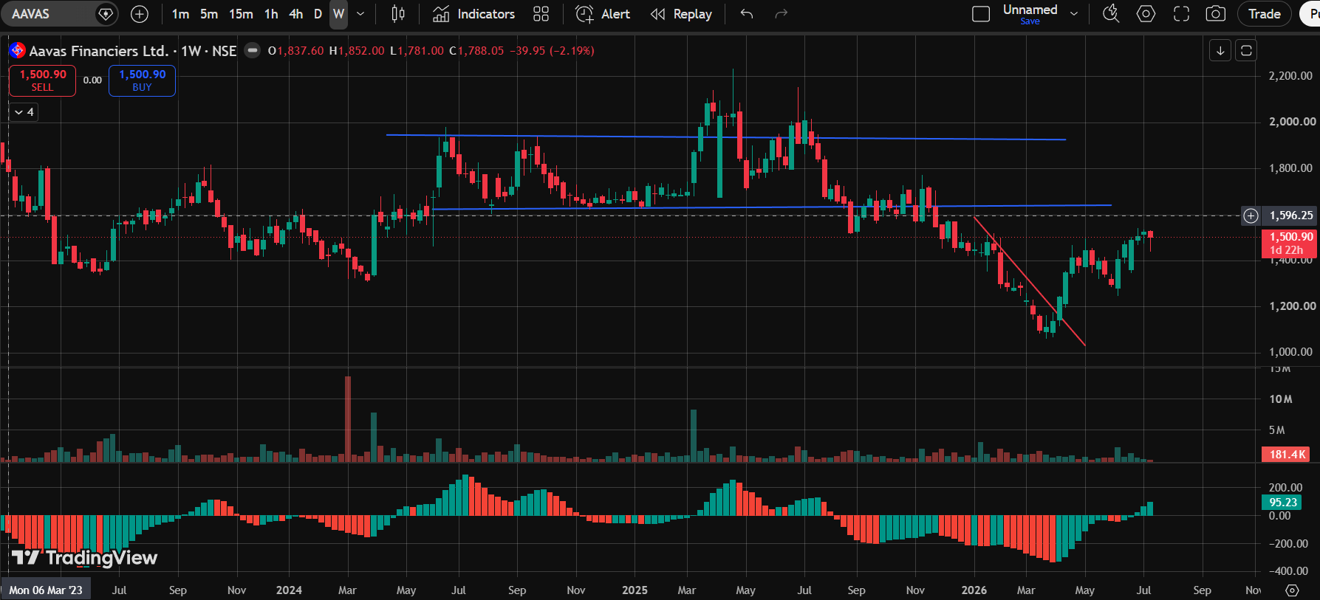

Five-Star Business Finance Limited (FIVESTAR · NSE)
Pattern Identified: Sideways Trendline + Rounding Bottom + Down Trendline
Technical Bias: Mixed Signals

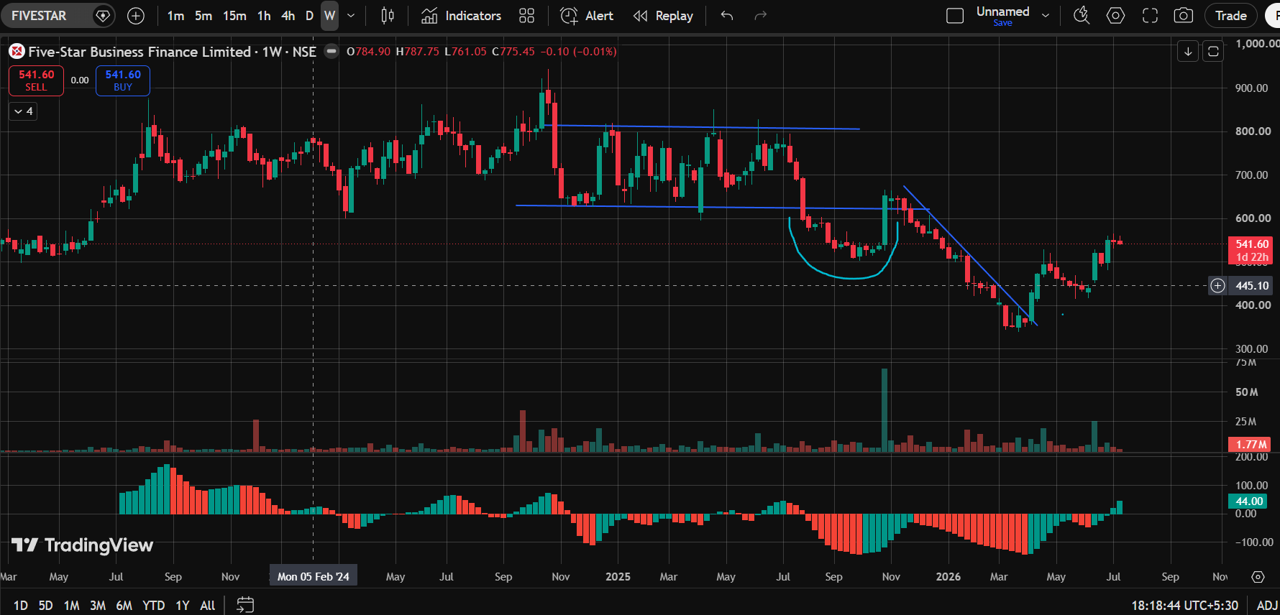

LIC Housing Finance Ltd. (LICHSGFIN · NSE)
Pattern Identified: Up Trendline + Down Trendline
Technical Bias: Mixed Signals

US
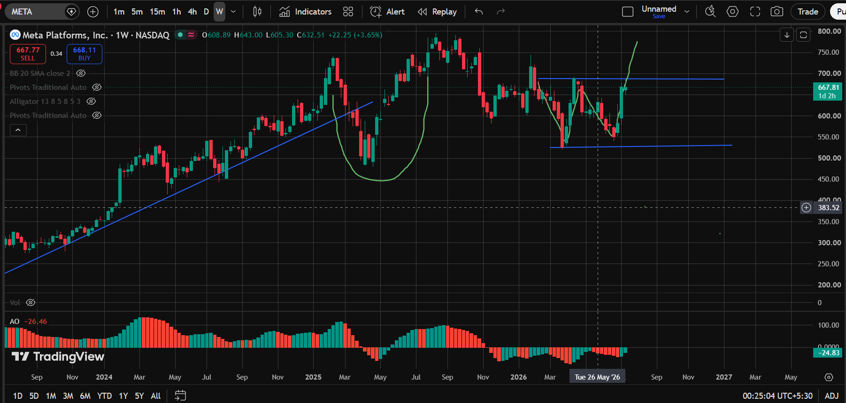
United States — Large-Cap Technology Equities

Daily Chart (1D)

Tesla, Inc. (TSLA · NASDAQ)
Pattern Identified: Channel Down + Double Top
Technical Bias: Bearish

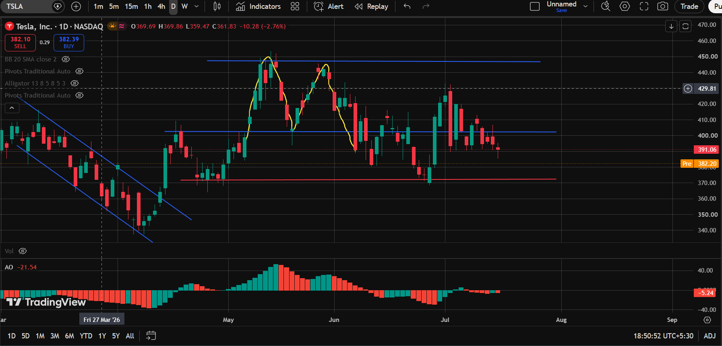

Meta Platforms, Inc. (META · NASDAQ)
Pattern Identified: Channel Down
Technical Bias: Bearish

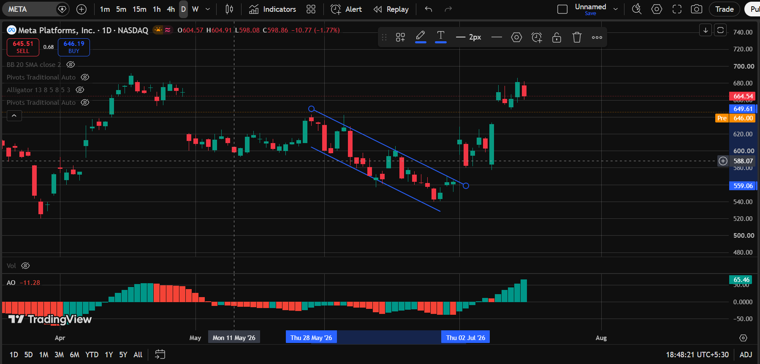

Apple Inc. (AAPL · NASDAQ)
Pattern Identified: Up Trendline + Rounding Bottom
Technical Bias: Bullish

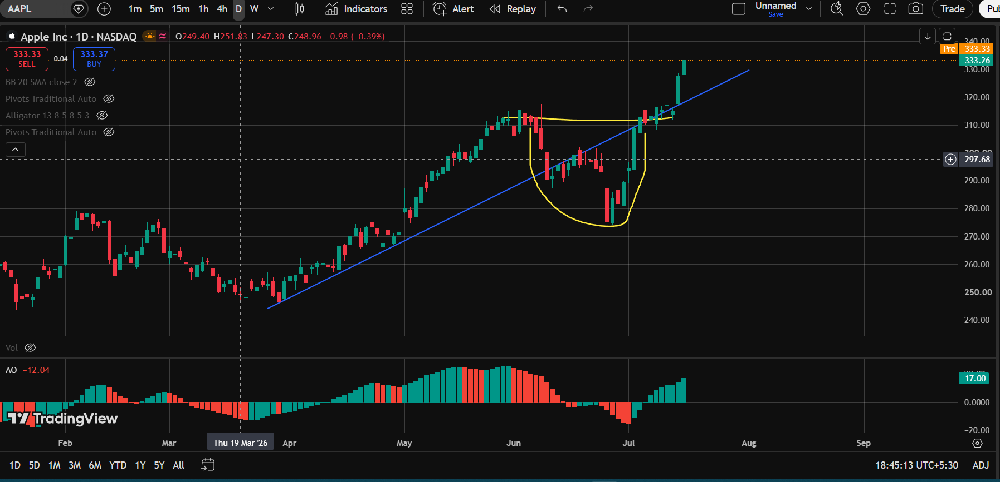

Amazon.com, Inc. (AMZN · NASDAQ)
Pattern Identified: Double Bottom + Double Top + Rounding Bottom + Up Trendline
Technical Bias: Mixed Signals

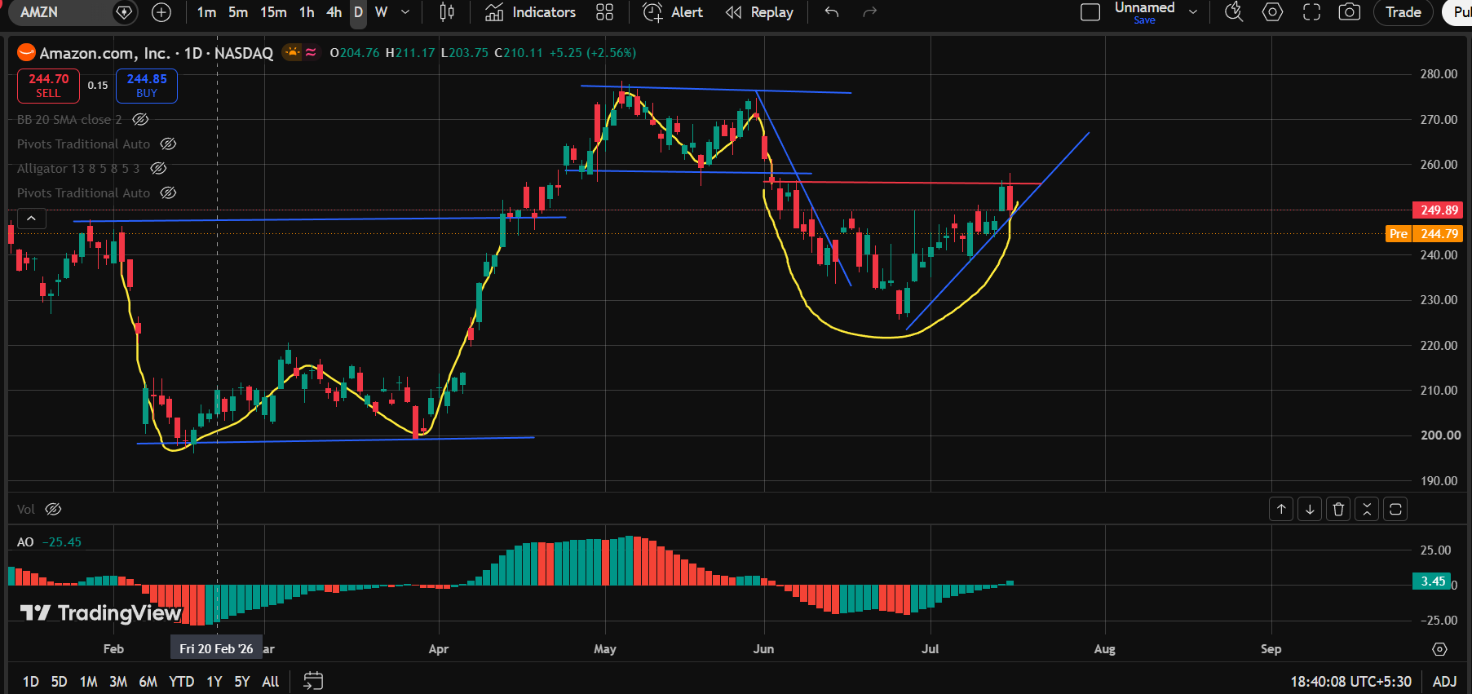

Netflix, Inc. (NFLX · NASDAQ)
Pattern Identified: Down Trendline + Up Trendline
Technical Bias: Mixed Signals

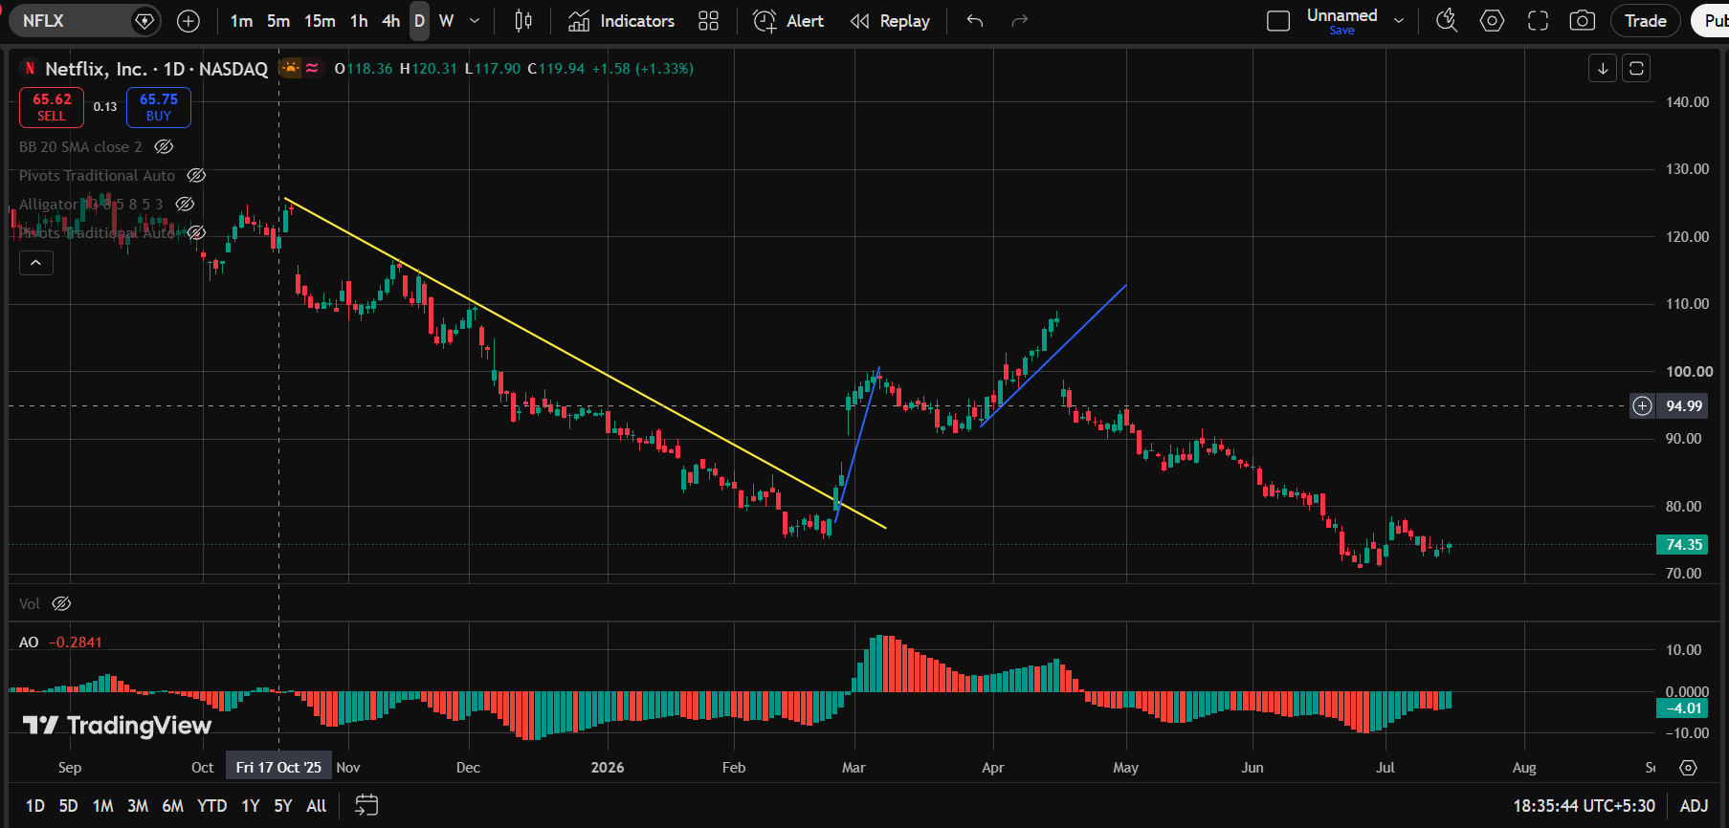

NVIDIA Corporation (NVDA · NASDAQ)
Pattern Identified: Double Top
Technical Bias: Bearish

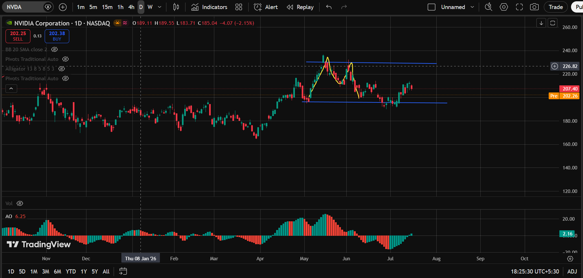

Weekly Chart (1W)

NVIDIA Corporation (NVDA · NASDAQ)
Pattern Identified: Rounding Bottom + Up Trendline + Sideways Trendline
Technical Bias: Bullish-leaning

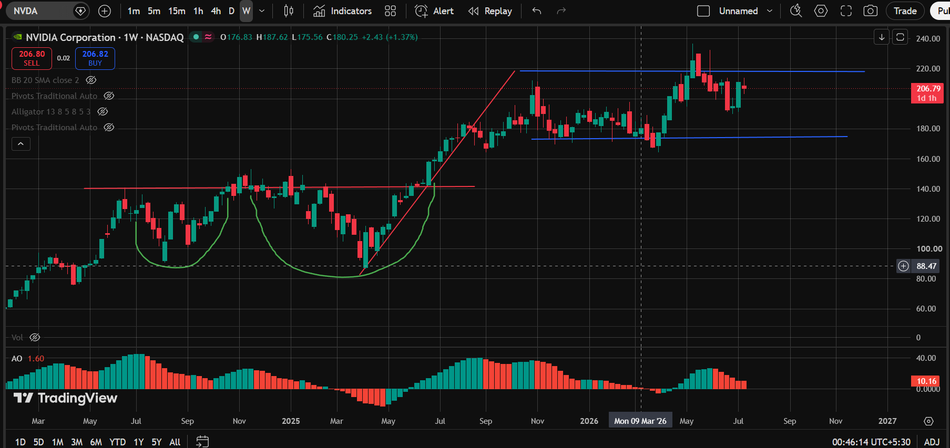

Alphabet Inc. (Google) Class C (GOOGL · NASDAQ)
Pattern Identified: Up Trendline + Bump-and-Run Reversal
Technical Bias: Mixed Signals

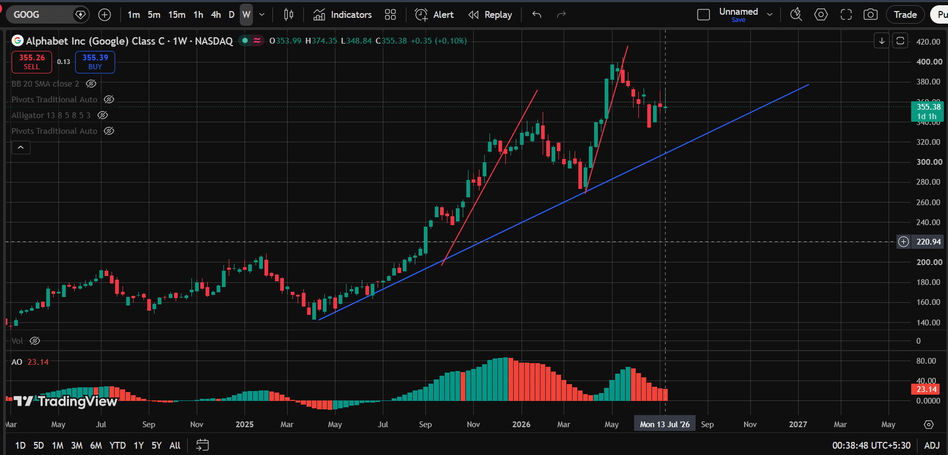

Netflix, Inc. (NFLX · NASDAQ)
Pattern Identified: Up Trendline + Bump-and-Run Reversal + Down Trendline
Technical Bias: Mixed Signals

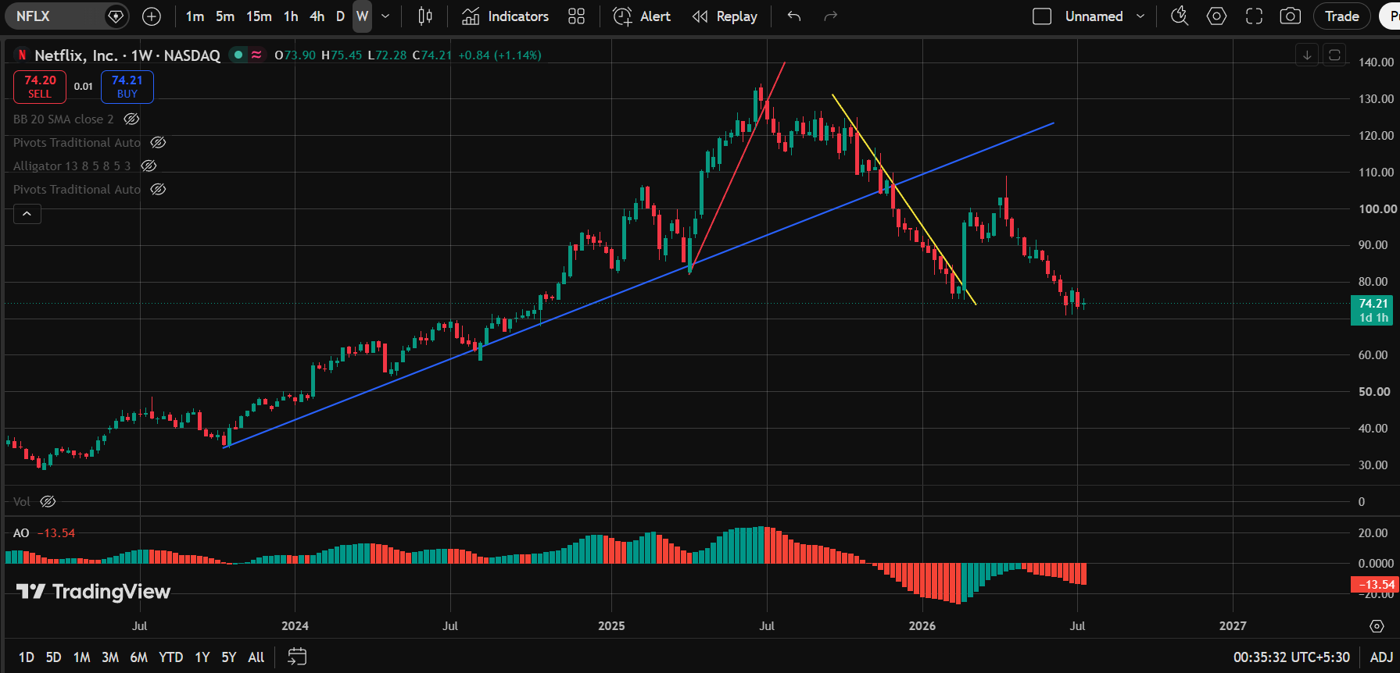

Amazon.com, Inc. (AMZN · NASDAQ)
Pattern Identified: Rounding Bottom + Double Bottom
Technical Bias: Bullish

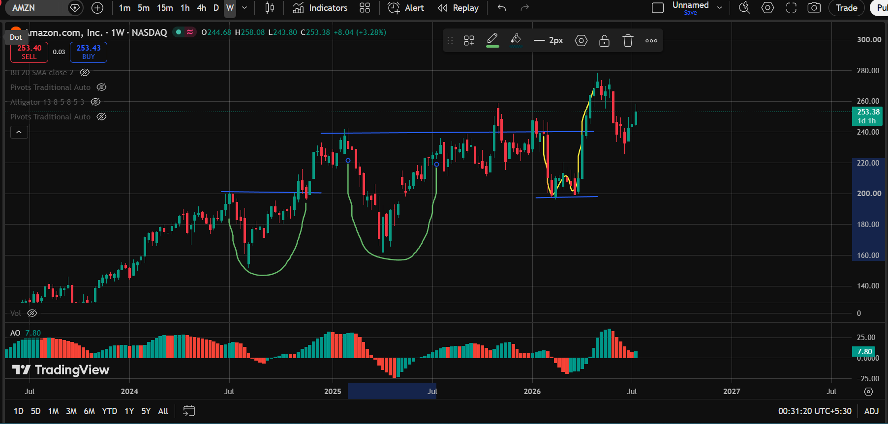

Apple Inc. (AAPL · NASDAQ)
Pattern Identified: Rounding Bottom + Double Bottom
Technical Bias: Bullish

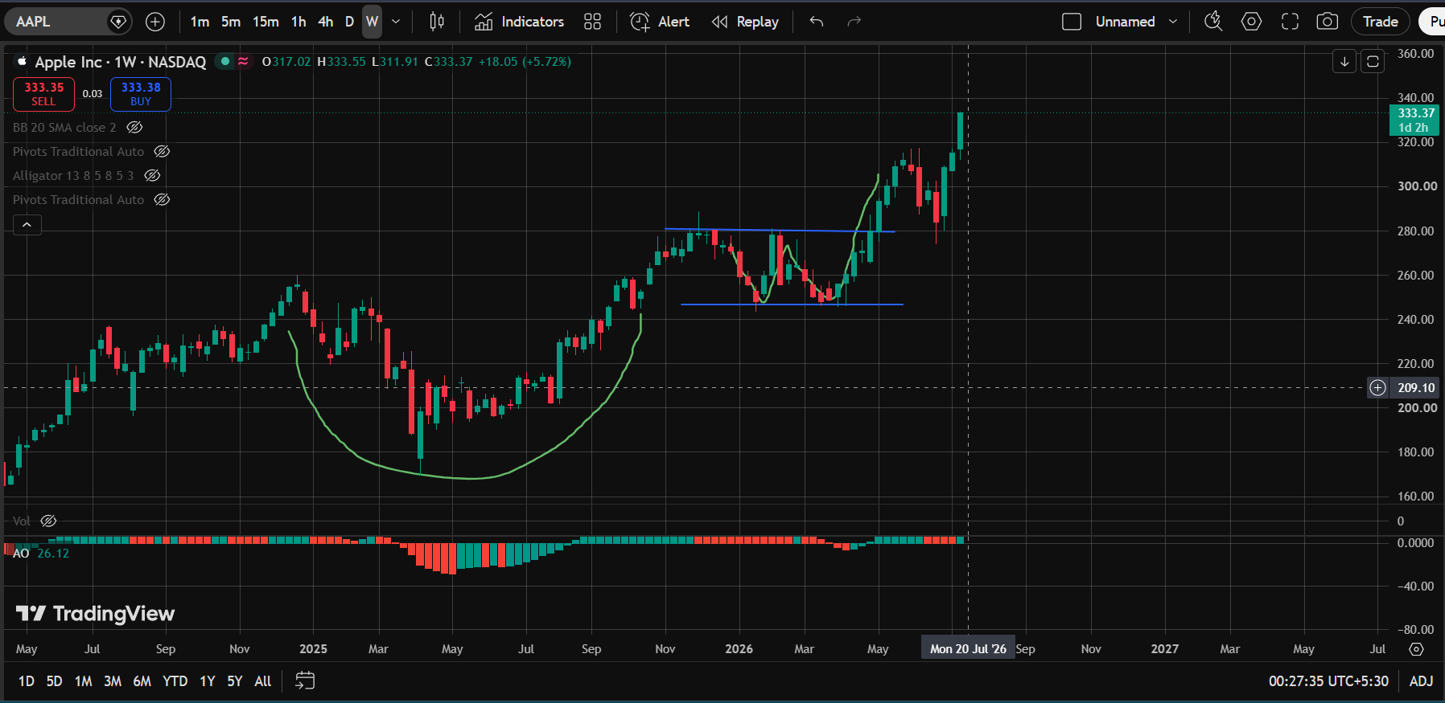

Meta Platforms, Inc. (META · NASDAQ)
Pattern Identified: Up Trendline + Rounding Bottom + Double Bottom
Technical Bias: Bullish

Crypto
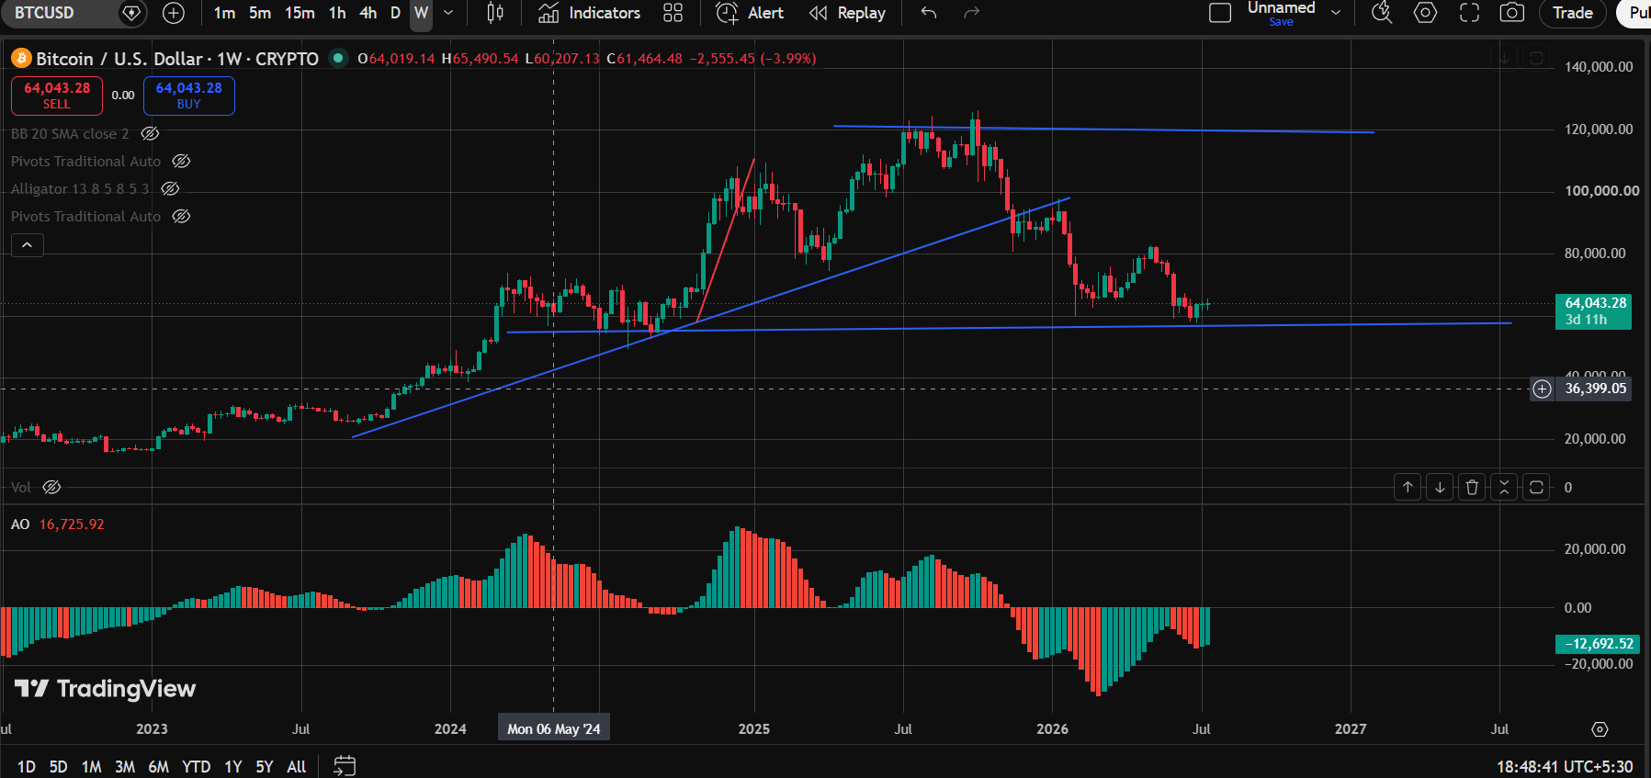
Cryptocurrency — Major Digital Assets

Daily Chart (1D)

Binance Coin / TetherUS (BNBUSDT · Binance)
Pattern Identified: Double Top
Technical Bias: Bearish

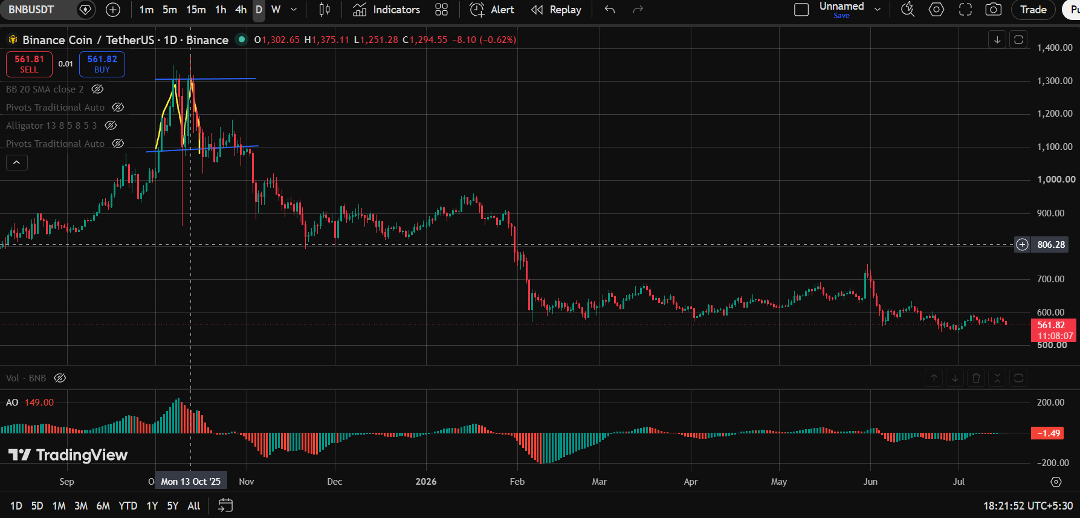

XRP / TetherUS (XRPUSDT · Binance)
Pattern Identified: Double Top
Technical Bias: Bearish

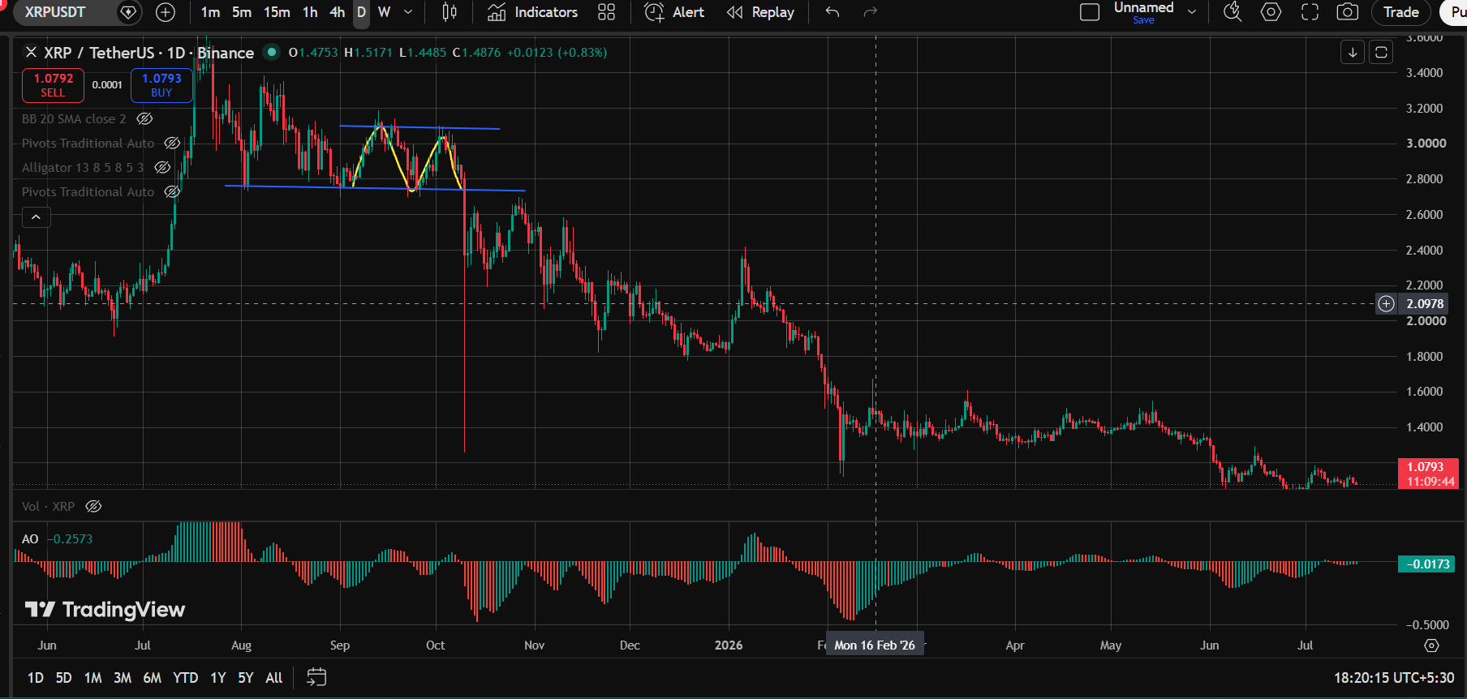

Tether (USDT) Market Cap (USDT.M · CRYPTOCAP)
Pattern Identified: Up Trendline + Rounding Bottom
Technical Bias: Bullish

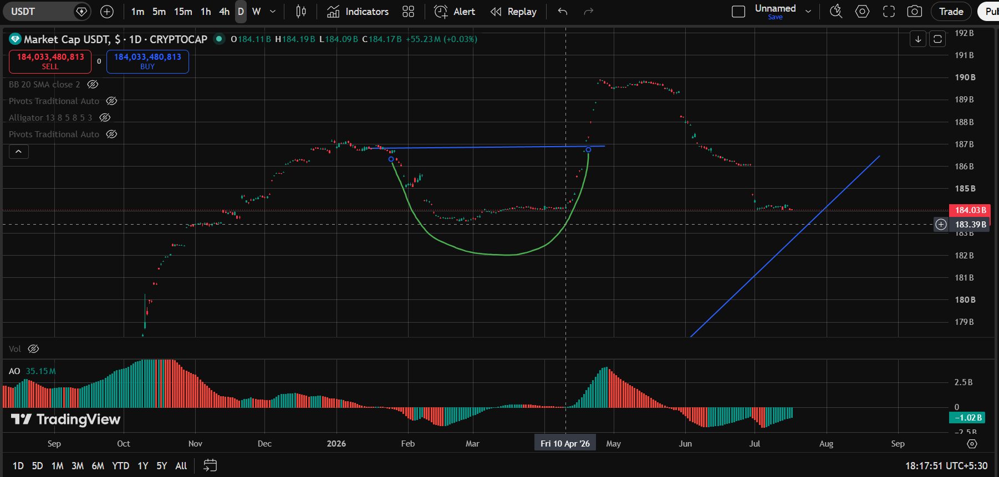

Bitcoin / U.S. Dollar (BTCUSD · Bitstamp)
Pattern Identified: Sideways Trendline
Technical Bias: Neutral / Range-bound

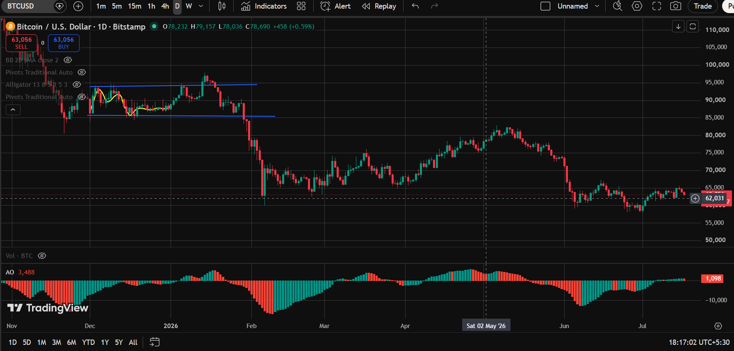

Solana / U.S. Dollar (SOLUSD · Trade Nation)
Pattern Identified: Down Trendline
Technical Bias: Bearish

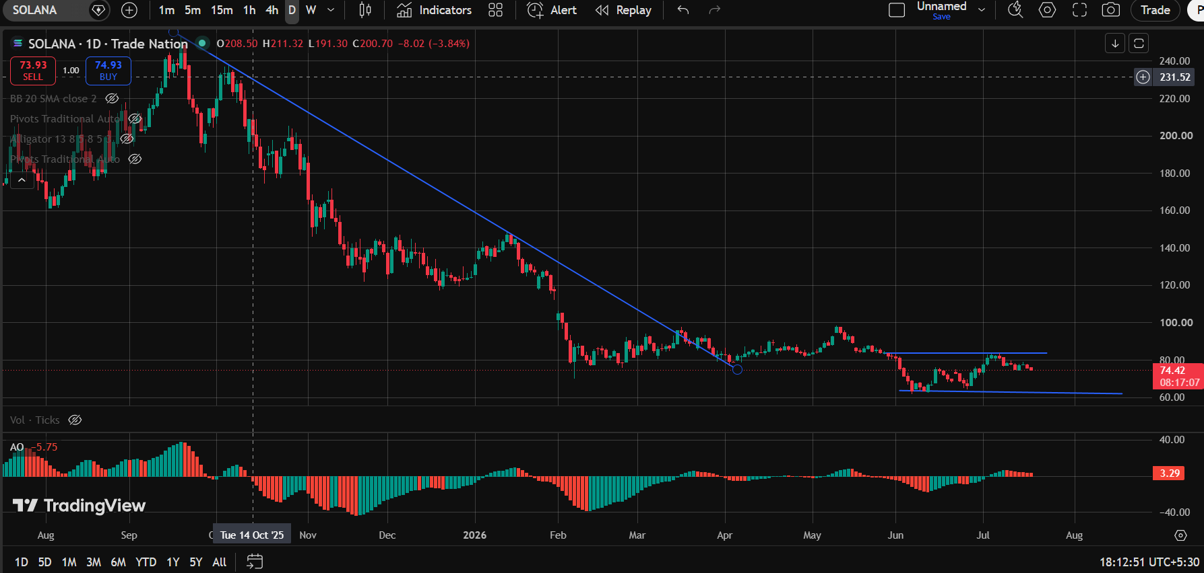

Ethereum / U.S. Dollar (ETHUSD · Bitstamp)
Pattern Identified: Channel Up + Double Bottom
Technical Bias: Bullish

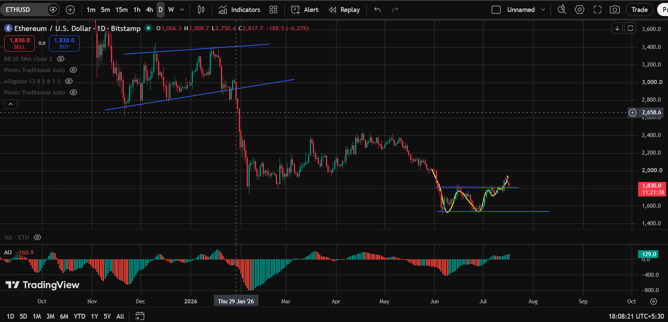

Weekly Chart (1W)

USD Coin (USDC) Market Cap (USDC.M · CRYPTOCAP)
Pattern Identified: Up Trendline + Sideways Trendline
Technical Bias: Bullish-leaning

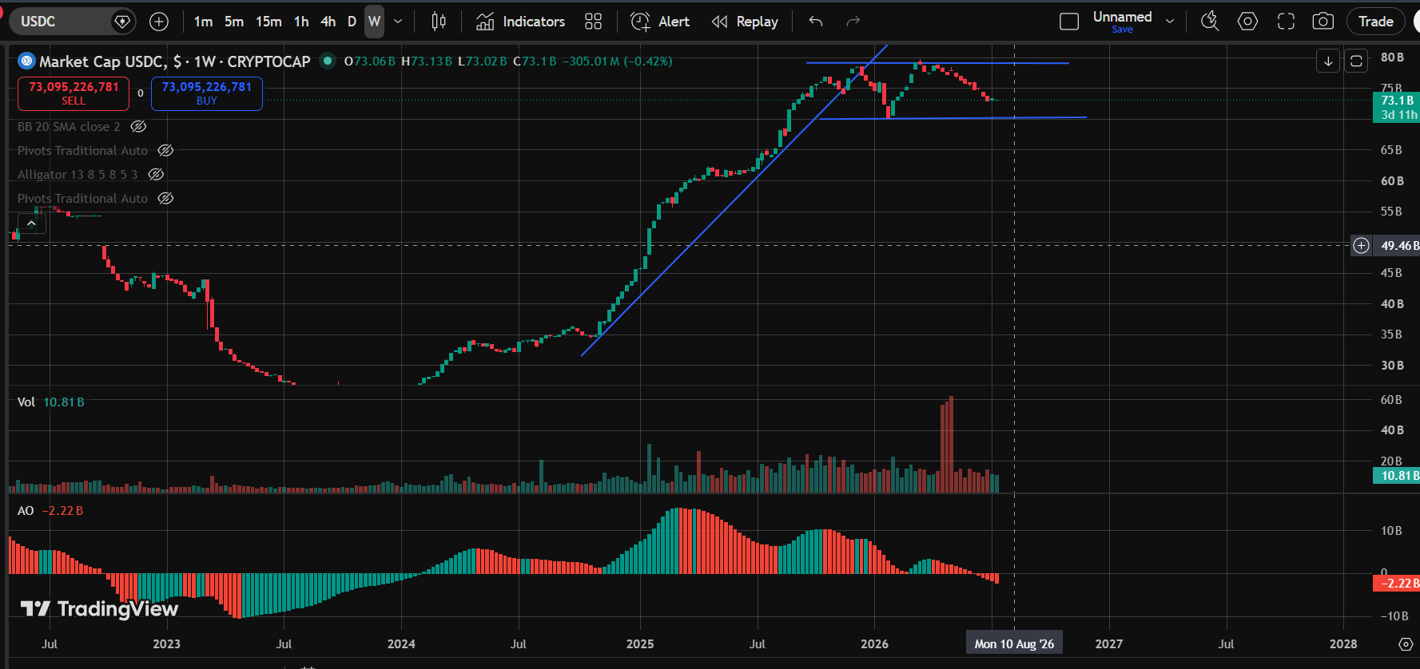

Tether (USDT) Market Cap (USDT.M · CRYPTOCAP)
Pattern Identified: Up Trendline
Technical Bias: Bullish

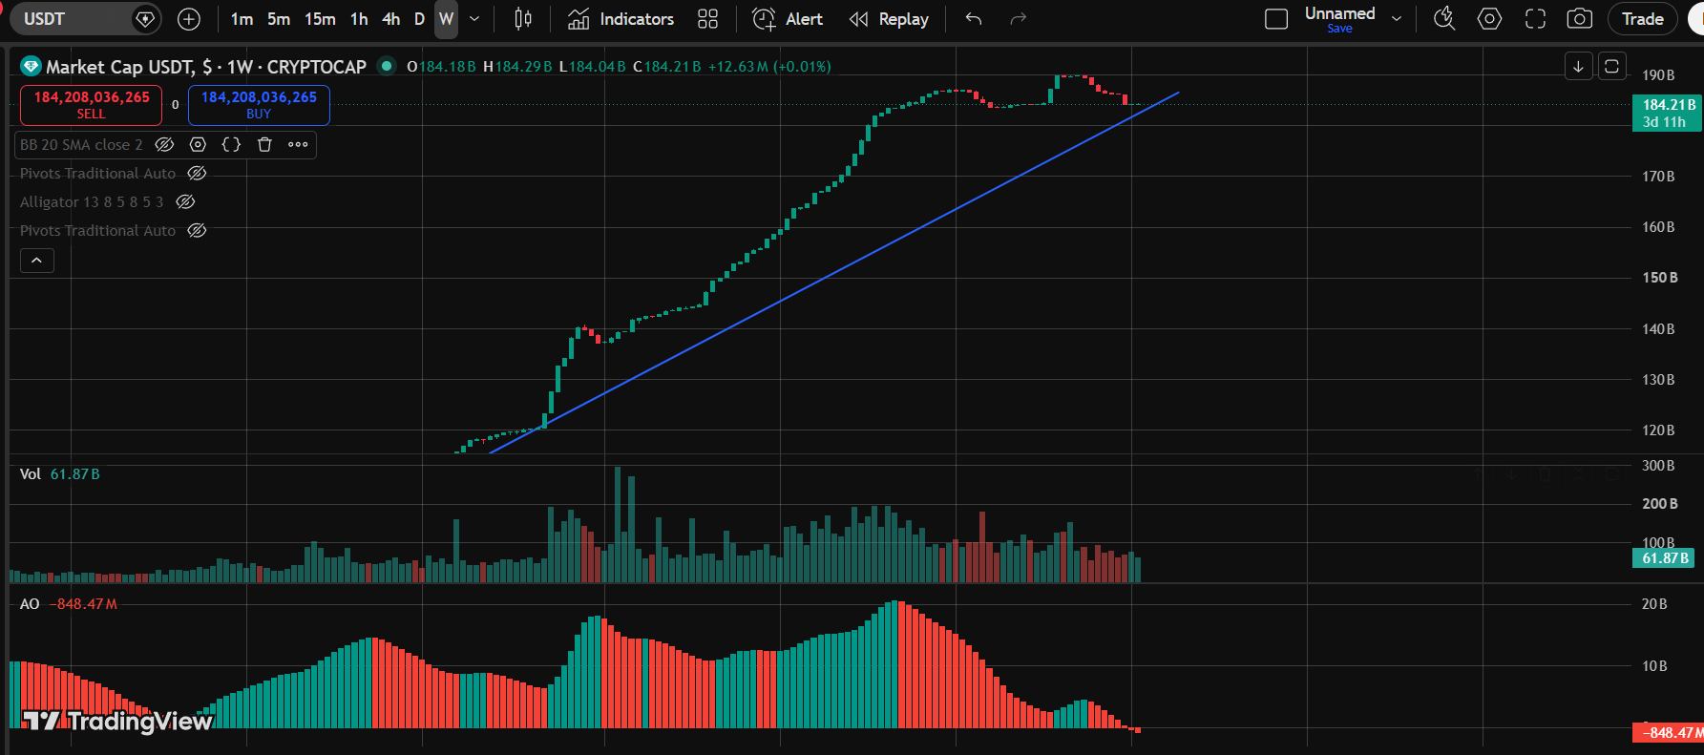

Solana / U.S. Dollar (SOLUSD · Trade Nation)
Pattern Identified: Sideways Trendline
Technical Bias: Neutral / Range-bound

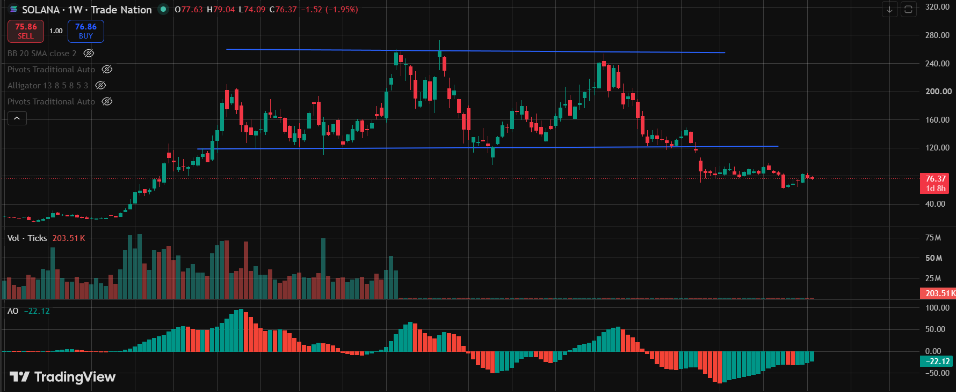

Ethereum / U.S. Dollar (ETHUSD · Bitstamp)
Pattern Identified: Rounding Bottom + Down Trendline
Technical Bias: Mixed Signals

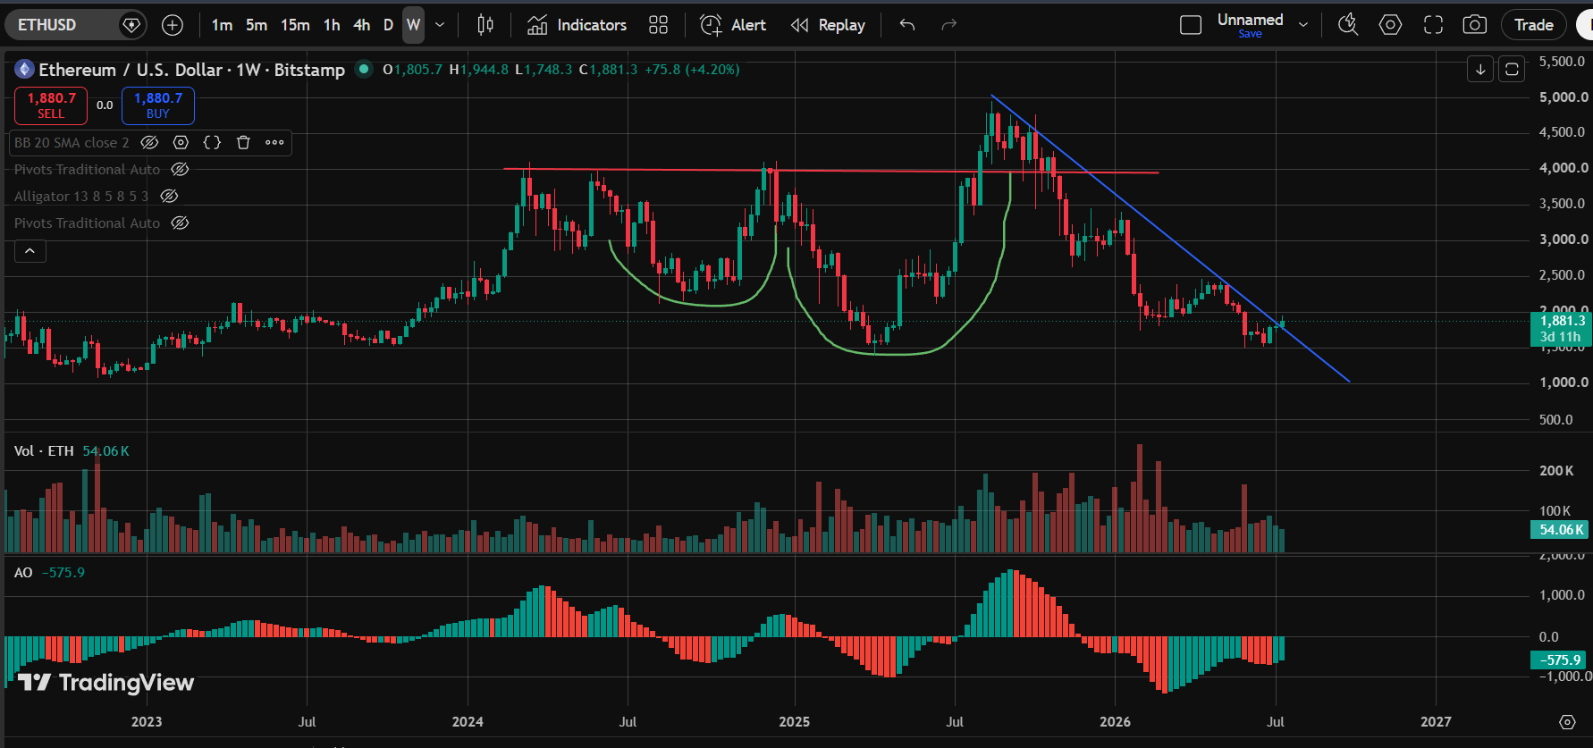

Bitcoin / U.S. Dollar (BTCUSD · CRYPTO (Coinbase))
Pattern Identified: Up Trendline + Bump-and-Run Reversal
Technical Bias: Mixed Signals

Commodity
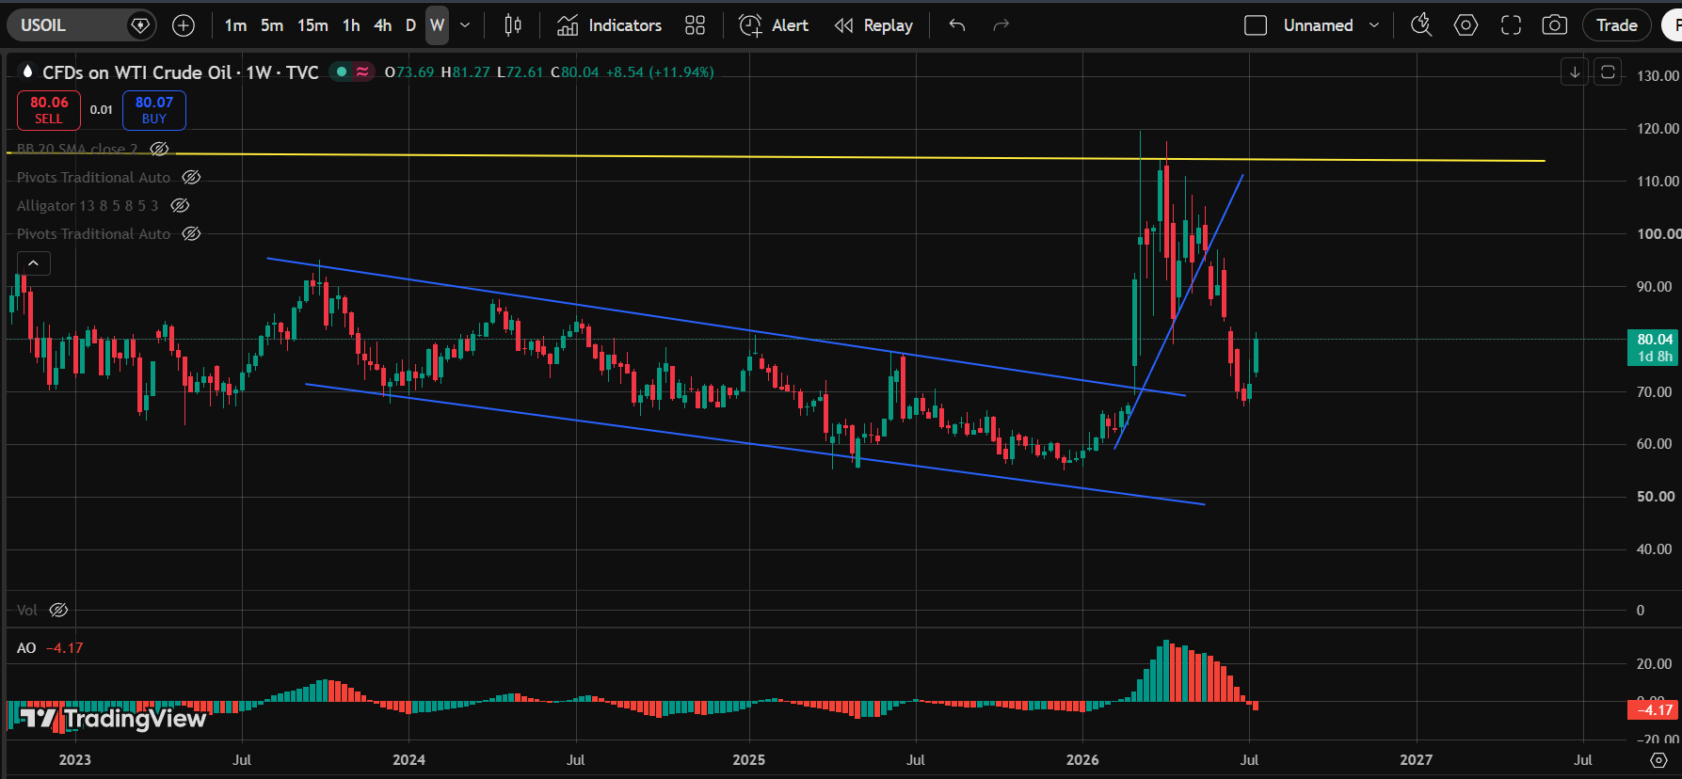
Commodities — Metals & Energy

Daily Chart (1D)

Silver / U.S. Dollar (XAGUSD · Spreadex)
Pattern Identified: Sideways Trendline + Down Trendline
Technical Bias: Bearish-leaning

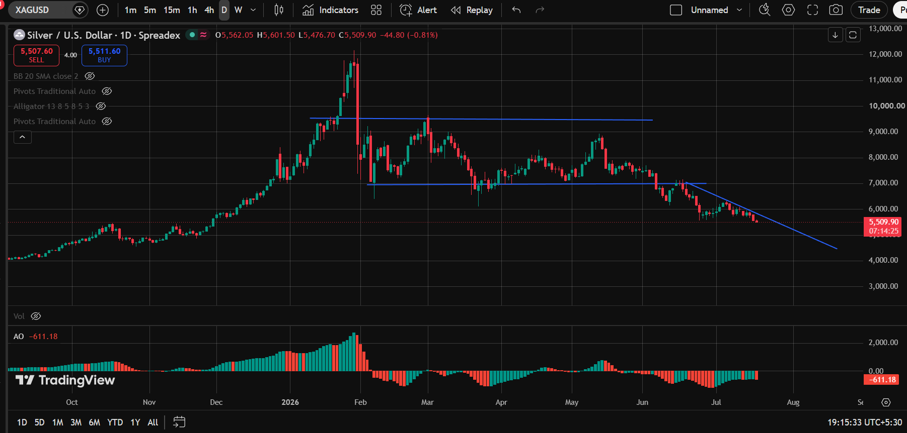

WTI Crude Oil (CFD) (USOIL · TVC)
Pattern Identified: Inverted Cup with Handle
Technical Bias: Bearish

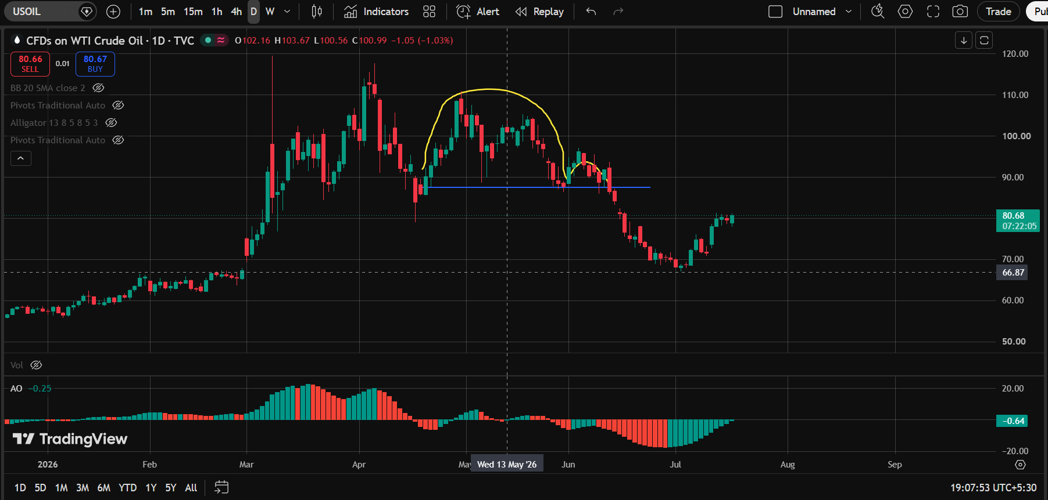

Gold Spot / U.S. Dollar (XAUUSD · OANDA)
Pattern Identified: Channel Up + Down Trendline + Channel Down
Technical Bias: Mixed Signals

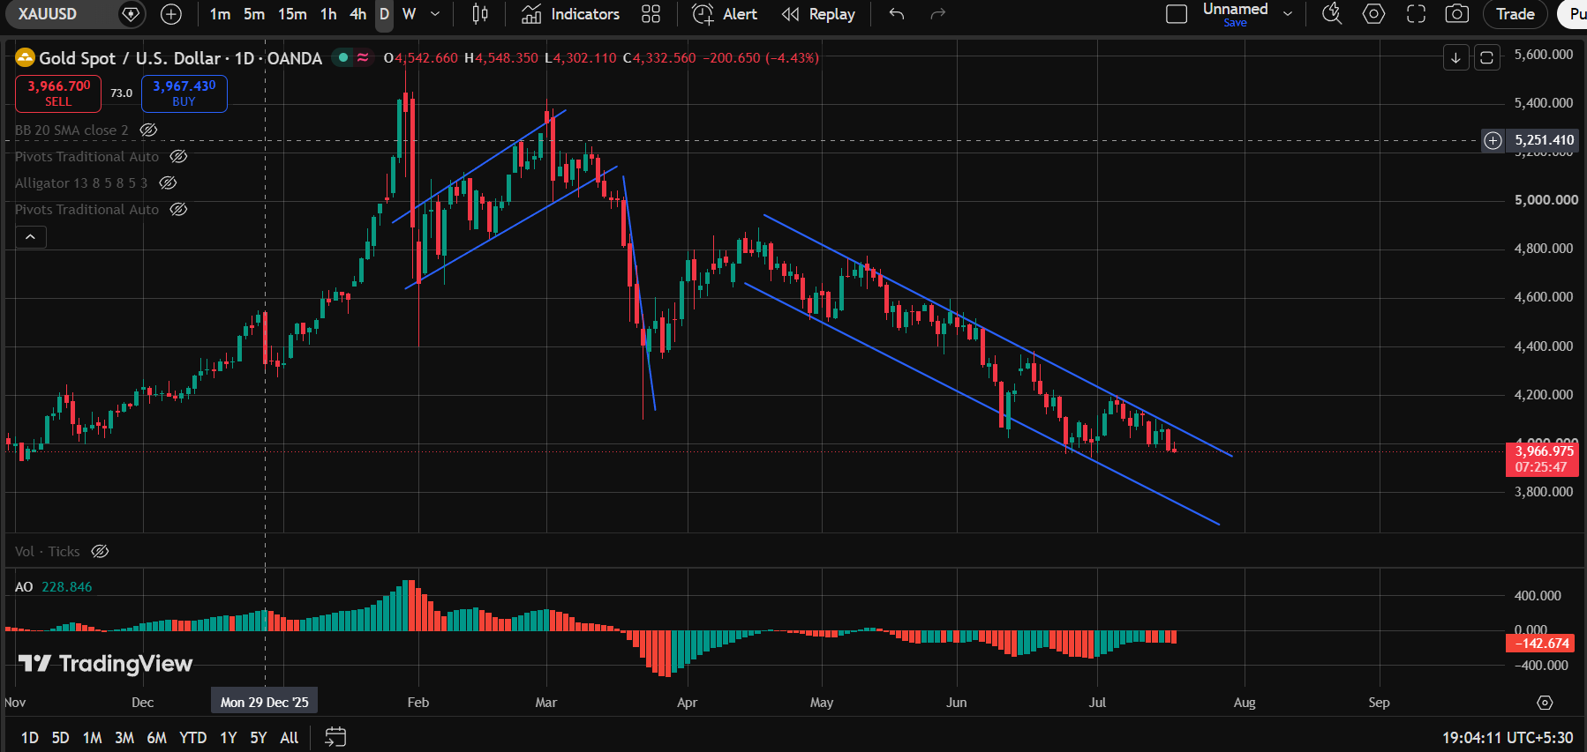

Copper Spot (XCUUSD · CXM)
Pattern Identified: Up Trendline + Sideways Trendline
Technical Bias: Bullish-leaning

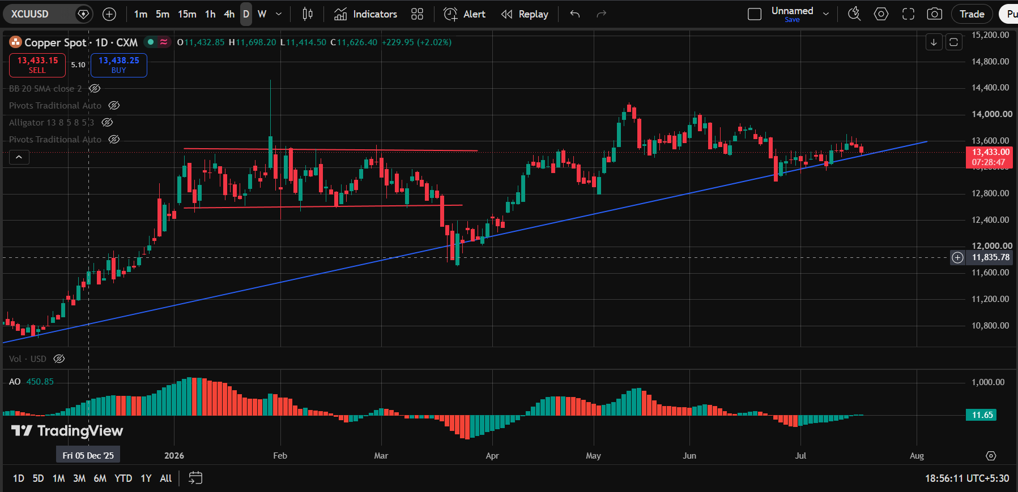

Aluminium Spot (XALUSD · CXM)
Pattern Identified: Up Trendline + Double Bottom
Technical Bias: Bullish

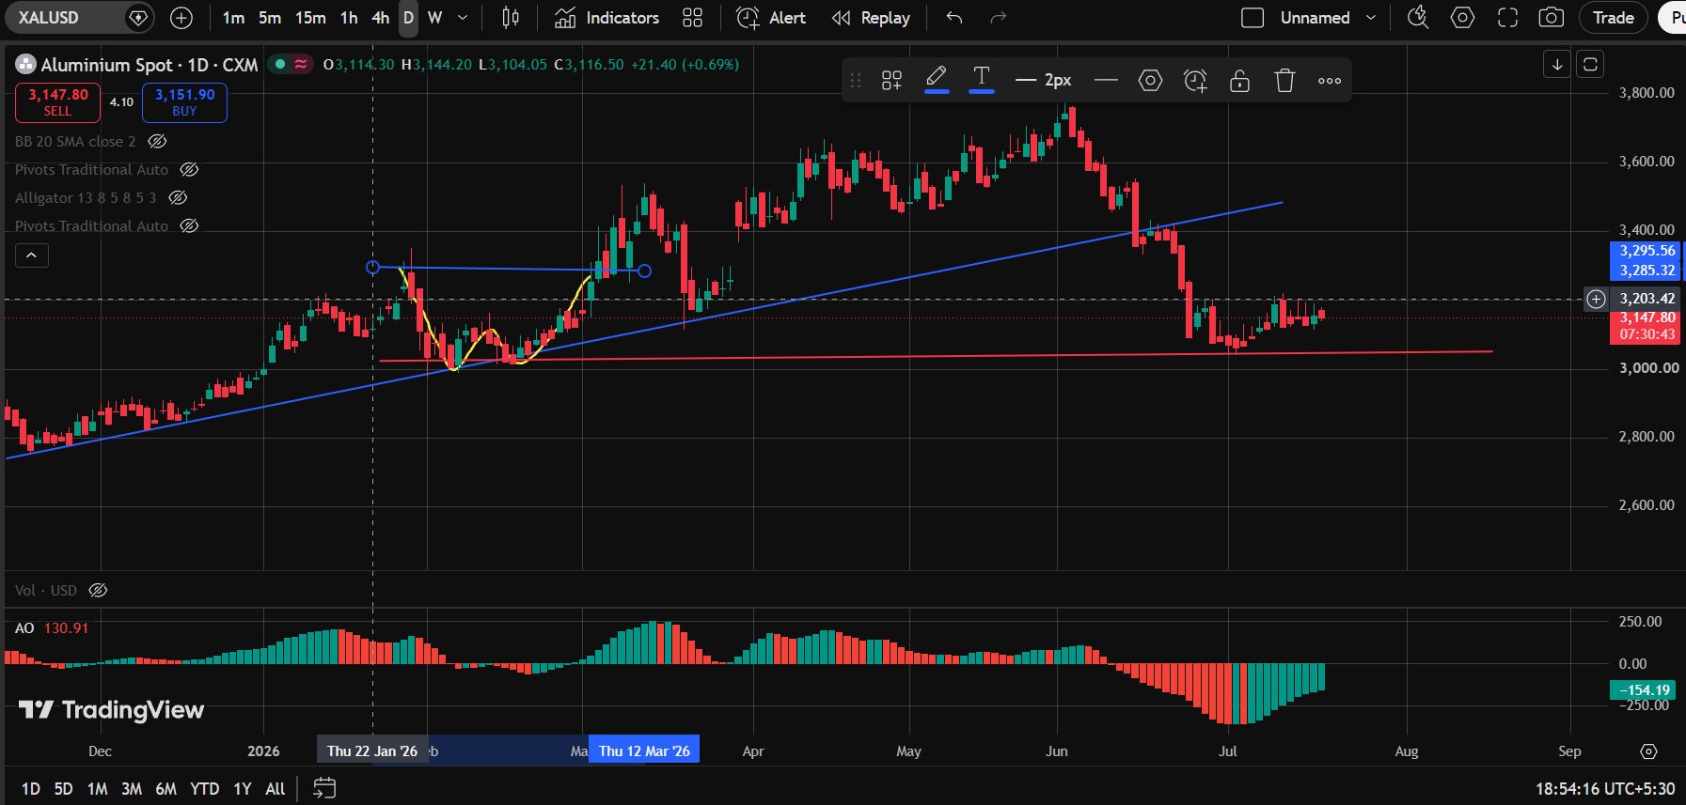

Weekly Chart (1W)

Aluminum Spot (ALUMSPOT · FXCM)
Pattern Identified: Sideways Trendline + Up Trendline
Technical Bias: Bullish-leaning

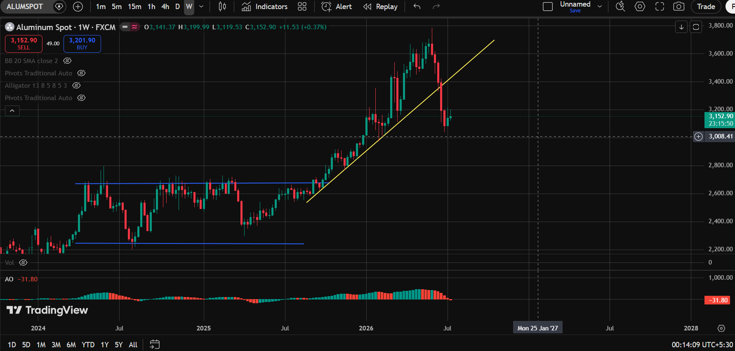

Copper Spot (XCUUSD · CXM)
Pattern Identified: Up Trendline
Technical Bias: Bullish

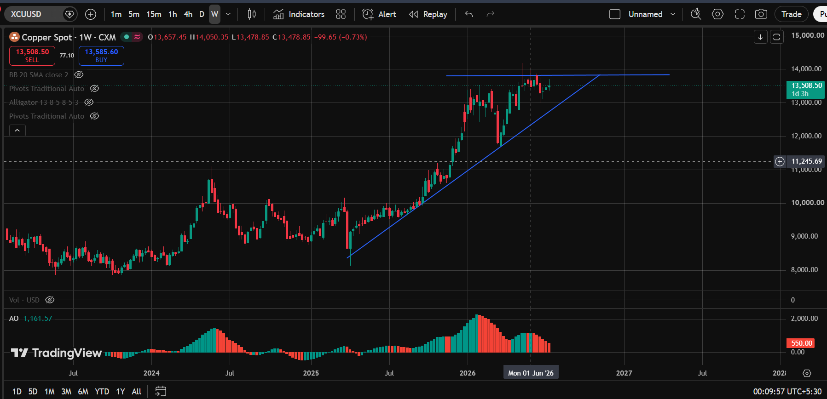

Silver / U.S. Dollar (XAGUSD · OANDA)
Pattern Identified: Up Trendline + Bump-and-Run Reversal + Down Trendline
Technical Bias: Mixed Signals

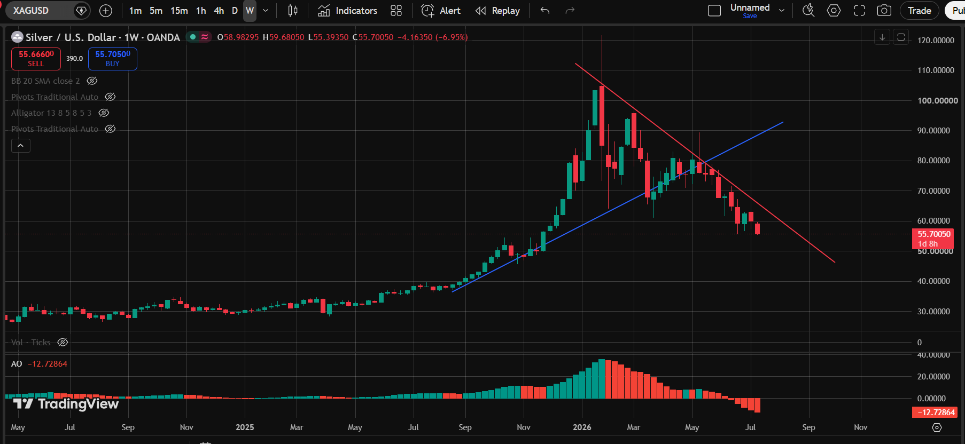

Gold Spot / U.S. Dollar (XAUUSD · OANDA)
Pattern Identified: Up Trendline + Bump-and-Run Reversal + Down Trendline
Technical Bias: Mixed Signals

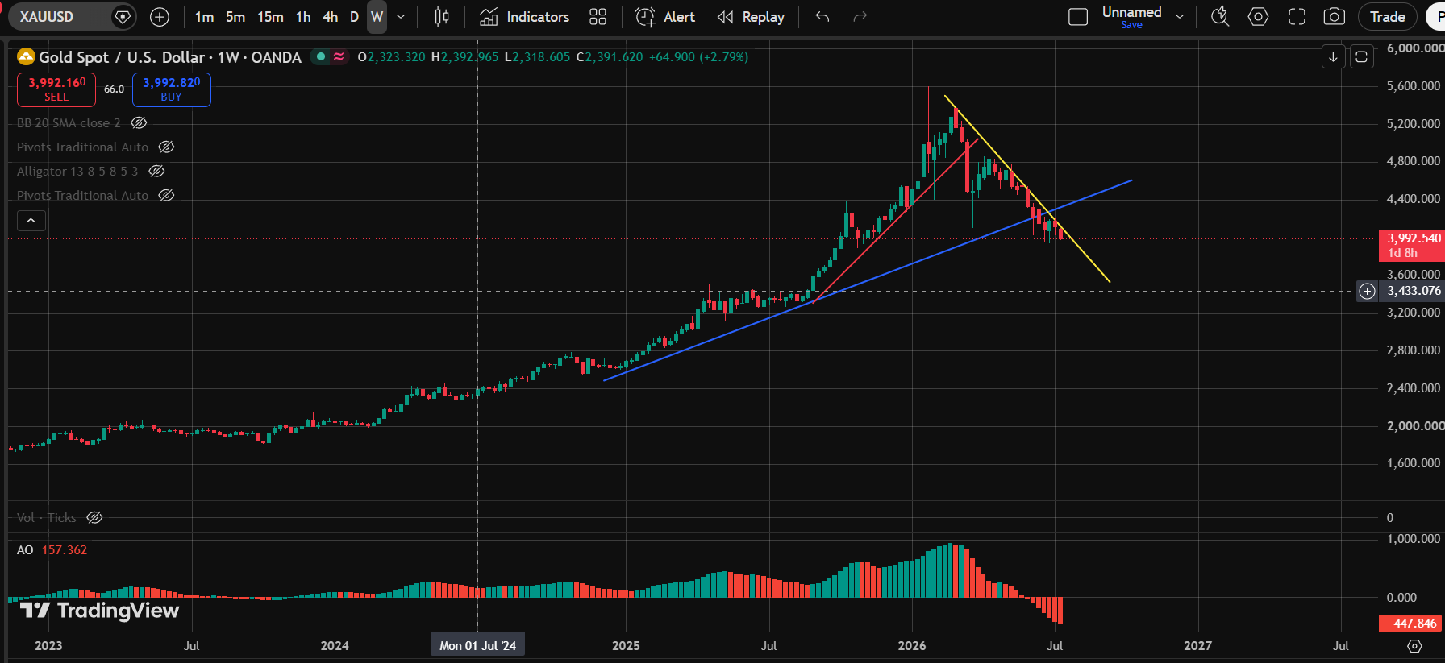

WTI Crude Oil (CFD) (USOIL · TVC)
Pattern Identified: Channel Down + Up Trendline
Technical Bias: Mixed Signals

FX
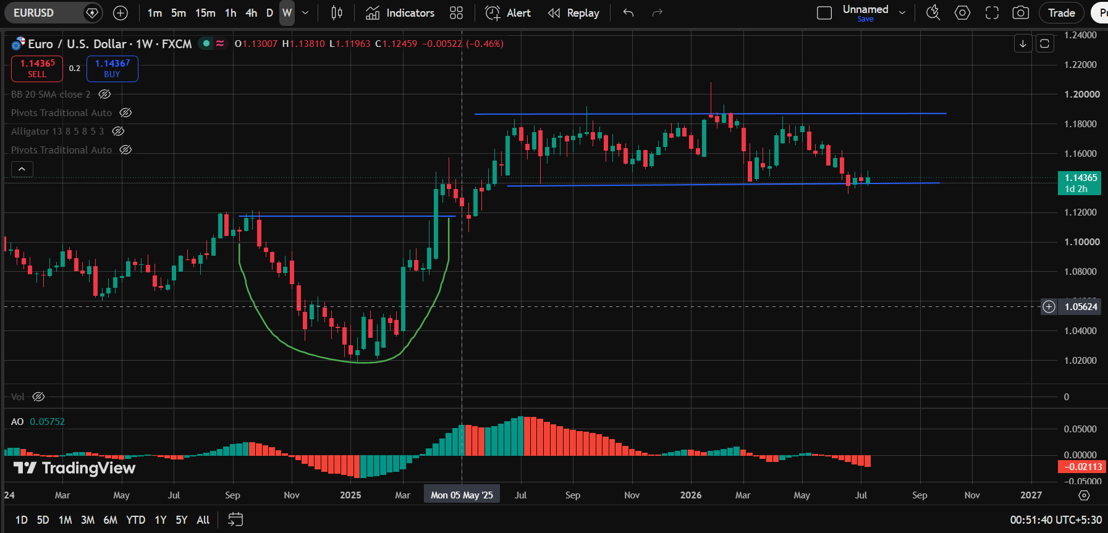
Foreign Exchange — Major Currency Pairs

Daily Chart (1D)

Euro / U.S. Dollar (EURUSD · OANDA)
Pattern Identified: Up Trendline
Technical Bias: Bullish

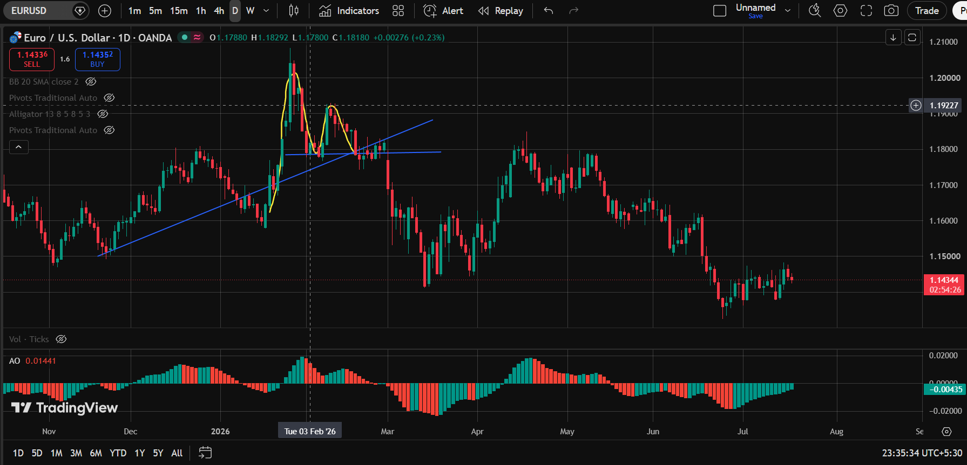

U.S. Dollar / Japanese Yen (USDJPY · OANDA)
Pattern Identified: Double Bottom + Sideways Trendline + Up Trendline
Technical Bias: Bullish



U.S. Dollar / Swiss Franc (USDCHF · OANDA)
Pattern Identified: Sideways Trendline
Technical Bias: Neutral / Range-bound



Australian Dollar / U.S. Dollar (AUDUSD · OANDA)
Pattern Identified: Up Trendline + Rounding Bottom
Technical Bias: Bullish



U.S. Dollar / Canadian Dollar (USDCAD · OANDA)
Pattern Identified: Double Top + Rounding Bottom
Technical Bias: Mixed Signals



Weekly Chart (1W)

U.S. Dollar / Canadian Dollar (USDCAD · OANDA)
Pattern Identified: Double Bottom + Up Trendline + Down Trendline + Double Bottom
Technical Bias: Mixed Signals



Australian Dollar / U.S. Dollar (AUDUSD · OANDA)
Pattern Identified: Sideways Trendline + Up Trendline
Technical Bias: Bullish-leaning



U.S. Dollar / Swiss Franc (USDCHF · OANDA)
Pattern Identified: Triple Top
Technical Bias: Bearish



British Pound / U.S. Dollar (GBPUSD · OANDA)
Pattern Identified: Rounding Bottom + Sideways Trendline
Technical Bias: Bullish-leaning



U.S. Dollar / Japanese Yen (USDJPY · FXCM)
Pattern Identified: Head and Shoulders + Up Trendline
Technical Bias: Mixed Signals



Euro / U.S. Dollar (EURUSD · FXCM)
Pattern Identified: Rounding Bottom + Sideways Trendline
Technical Bias: Bullish

G-Sec

Government Securities — Sovereign Bond Yields

Daily Chart (1D)

Australia 2-Year Government Bond Yield (AU02Y · TVC)
Pattern Identified: Double Top
Technical Bias: Bearish



US Government Bond 2-Year Yield (US02Y · TVC)
Pattern Identified: Up Trendline + Rounding Bottom
Technical Bias: Bullish



Germany Government Bond 10-Year Yield (DE10Y · TVC)
Pattern Identified: Rounding Bottom
Technical Bias: Bullish



Japan Government Bond 10-Year Yield (JP10Y · TVC)
Pattern Identified: Up Trendline + Rounding Bottom
Technical Bias: Bullish



UK Government Bond 10-Year Yield (GB10Y · TVC)
Pattern Identified: Up Trendline + Head and Shoulders + Up Trendline
Technical Bias: Mixed Signals



Weekly Chart (1W)

India Government Bond 10-Year Yield (IN10Y · TVC)
Pattern Identified: Up Trendline + Down Trendline
Technical Bias: Mixed Signals



UK Government Bond 10-Year Yield (GB10Y · TVC)
Pattern Identified: Double Top + Double Bottom + Channel Down + Sideways Trendline
Technical Bias: Mixed Signals



Japan Government Bond 10-Year Yield (JP10Y · TVC)
Pattern Identified: Up Trendline + Ascending Triangle
Technical Bias: Bullish



Germany Government Bond 10-Year Yield (DE10Y · TVC)
Pattern Identified: Sideways Trendline + Up Trendline
Technical Bias: Bullish-leaning



US 2-Year T-Note (US02Y · OANDA)
Pattern Identified: Up Trendline + Rounding Bottom + Up Trendline + Down Trendline
Technical Bias: Mixed Signals

