PCA
 |  |  |  |  |  |  |  |  |  | COVARIANCE MATRIX |  |  |  | f1-mean(f1) | f2-mean(f2) | O*P | sum(Q)/5, COV(F1,F2)
 | f1 | f2 | f3 | f4 | f1 | f2 | f3 | f4 |  | F1 | F2 | F3 | F4 | -1 | -0.6324555321 | 0.6324555321 | -0.2529822128
 | 1 | 2 | 3 | 4 | -1 | -0.6324555321 | 0 | 0.2606233453 | F1 | 0.8 | -0.25298221283 | 0.03849 | -0.14479 | 0.3333333333 | 1.264911064 | 0.4216370214
 | 5 | 5 | 6 | 7 | 0.3333333333 | 1.264911064 | 1.732050805 | 1.563740072 | F2 | -0.25298221283 | 0.8000000001 | 0.51121 | 0.4945 | -1 | 0.6324555321 | -0.6324555321
 | 1 | 4 | 2 | 3 | -1 | 0.6324555321 | -0.5773502684 | -0.1737488969 | F3 | 0.03849 | 0.51121 | 0.7999999978 | 0.75236 | 0.3333333333 | 0 | 0
 | 5 | 3 | 2 | 1 | 0.3333333333 | 0 | -0.5773502684 | -1.042493381 | F4 | -0.14479 | 0.4945 | 0.75236 | 0.8 | 1.333333333 | -1.264911064 | -1.686548086
 | 8 | 1 | 2 | 2 | 1.333333333 | -1.264911064 | -0.5773502684 | -0.608121139 |  |  |  |  |  | 0 | 0 | 0
Mean | 4 | 3 | 3 | 3.4 | 0 | 0 | 0 | 0

SD | 3 | 1.58113883 | 1.732050808 | 2.302172887 | 1 | 1 | 0.9999999986 | 0.9999999985

 | 1 | 9
 | 5 | 1
 | 1 | 9
 | 5 | 1
 | 8 | 16
 |  | 36 |  |  |  |  |  |  |  | var(f1) = ((-1.0-0)² + (0.33-0)² + (-1.0-0)² +(0.33–0)² +(1.33–0)²)/5
 |  | 3 |  |  |  |  |  |  |  | var (f1) = 0.8

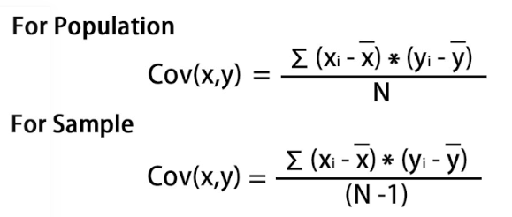

 |  |  |  |  |  |  |  |  |  | For λ = 2.51579324, solving the above equation using Cramer's rule, the values for v vector are

 |  |  |  |  |  |  |  |  |  | v1 = 0.16195986
 |  |  |  |  |  |  |  |  |  | v2 = -0.52404813
 |  |  |  |  |  |  |  |  |  | v3 = -0.58589647
 |  |  |  |  |  |  |  |  |  | v4 = -0.59654663

 |  |  |  |  |  |  |  |  |  | Transform the original matrix.
 |  |  |  |  |  |  |  |  |  | Feature matrix * top k eigenvectors = Transformed Data

