Sheet1
Li
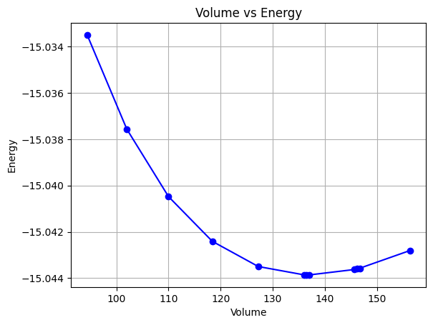
 | Lattice | Volume | Energy
 | 4.525 | 156.312 | -15.04280668 |  | c11 | -8.998245
 | 4.43 | 146.6722 | -15.04357055 | Equilibrium energy (E0): -15.043858 Ry | c12 | -2.51985578
 | 4.425 | 146.1761 | -15.0435982 | Bulk modulus (B0): 0.000933 Ry/au³ | c44 | -3.2768155
 | 4.42 | 145.6812 | -15.04362449 | Derivative of bulk modulus (B0_prime): 3.349387
 | 4.33 | 136.9621 | -15.04385921 | Equilibrium volume (V0): 136.982887 au³
 | 4.325 | 136.4882 | -15.04385818 | Bulk modulus (B0) in GPa: 13.72 GPa
 | 4.32 | 136.0153 | -15.0438556 |  | Shear modulus | -3.2617
 | 4.225 | 127.238 | -15.0434961
 | 4.125 | 118.4155 | -15.04240864
 | 4.025 | 110.0105 | -15.04047839
 | 3.925 | 102.013 | -15.03756763
 | 3.825 | 94.4128 | -15.03350263

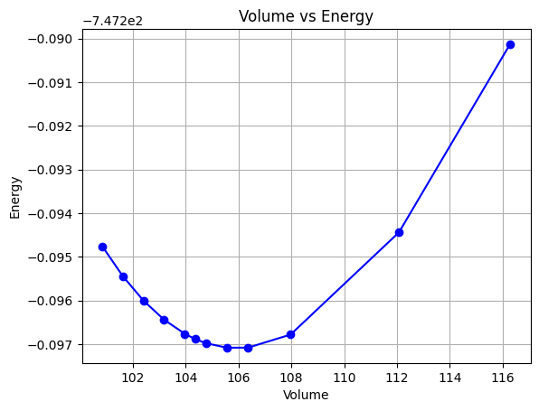
Pt
 | Lattice | Volume | Energy
 |  |  |  | Equilibrium energy (E0): -747.297090 Ry | c11 | -16.982089552
 | 3.91 | 100.8479 | -747.29475641 | Bulk modulus (B0): 0.016996 Ry/au³ | c12 | 65.632835821
 | 3.92 | 101.6237 | -747.2954385 | Derivative of bulk modulus (B0_prime): 5.613967 | c44 | -60.248883854
 | 3.93 | 102.4034 | -747.29599826 | Equilibrium volume (V0): 105.956448 au³
 | 3.94 | 103.1871 | -747.29643707 | Bulk modulus (B0) in GPa: 250.01 GPa
 | 3.95 | 103.9748 | -747.29676124 |  | Shear modulus | -52.6723
 | 3.955 | 104.3701 | -747.29688126
 | 3.96 | 104.7664 | -747.29697327
 | 3.97 | 105.5621 | -747.29707769
 | 3.98 | 106.3618 | -747.29707671
 | 4 | 107.9734 | -747.2967771
 | 4.01 | 116.2755 | -747.29013251
 | 4.05 | 112.0732 | -747.29443793

