Show Version
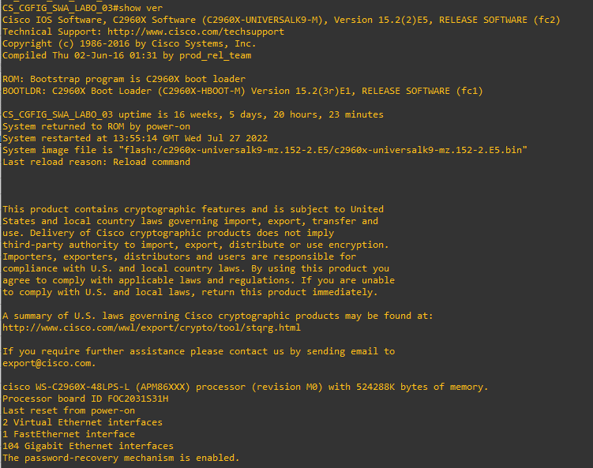
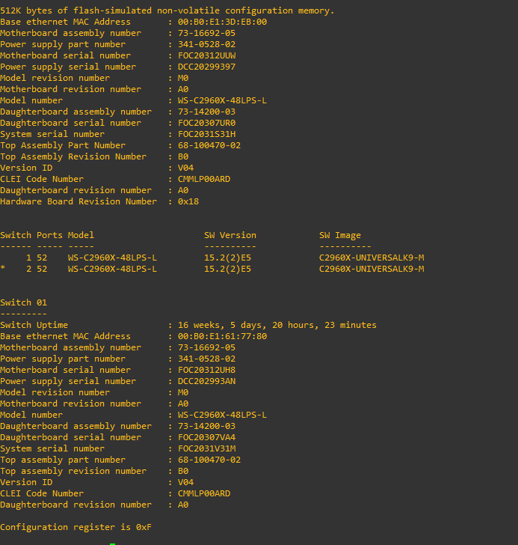
Hostname | ip | modelo | serial | IOS | Rom | uptime | license Level | Configuration Register
BR-MS-FAB-TSL-SWC_ADM.62.134 | 10.17.62.134 | WS-C4500X-32 | JAE2039050C | Catalyst 4500 L3 Switch Software (cat4500e-UNIVERSALK9-M) | 15.0(1r)SG12 | 5 years | C2960X-UNIVERSALK9-M | 0xF

Show Invetory
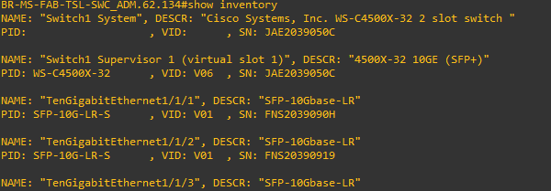
Hostname | ip | NAME | DESC | PID | VID | SN
BR-MS-FAB-TSL-SWC_ADM.62.134 | 10.17.62.134 | Switch1 System | Cisco Systems, Inc. WS-C4500X-32 2 slot switch |  |  | JAE2039050C
BR-MS-FAB-TSL-SWC_ADM.62.134 | 10.17.62.134 | TenGigabitEthernet1/1/1 | SFP-10Gbase-LR | SFP-10G-LR-S | V01 | FNS2039090H

swt-interfaces
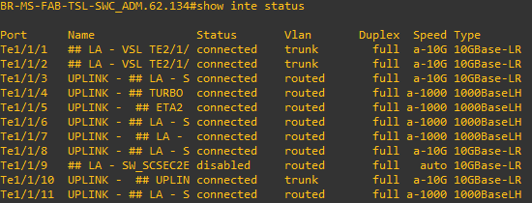
Hostname | ip | Port | Name | Status | Vlan | Duplex | Speed | Type
BR-MS-FAB-TSL-SWC_ADM.62.134 | 10.17.62.134 | Te1/1/1 | ## LA - VSL TE2/1/ | connected | trunk | full | a-10G | 10GBase-LR
BR-MS-FAB-TSL-SWC_ADM.62.134 | 10.17.62.134 | Te2/1/5 |  | notconnect | 1 | full | auto | No XCVR

interface_brief
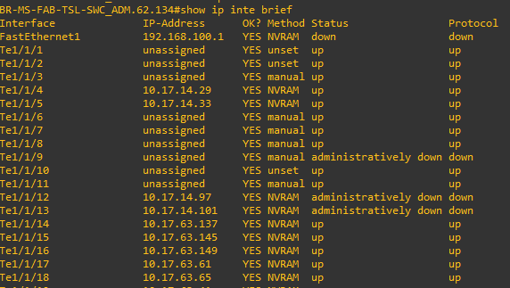
Hostname | ip | Interface | IP-Address | OK? | Method | Status | Protocol
BR-MS-FAB-TSL-SWC_ADM.62.134 | 10.17.62.134 | Te1/1/4 | 10.17.14.29 | YES | NVRAM | up | up
BR-MS-FAB-TSL-SWC_ADM.62.134 | 10.17.62.134 | Te1/1/9 | unassigned | YES | manual | administratively down | down

vtp
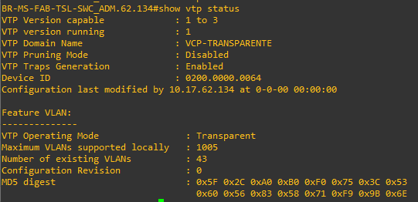
Hostname | ip | vtp Capable | vtp Running | vtp mode | domain name
BR-MS-FAB-TSL-SWC_ADM.62.134 | 10.17.62.134 | 1 to 3 | 1 | Transparent | VCP-TRANSPARENTE

vlan
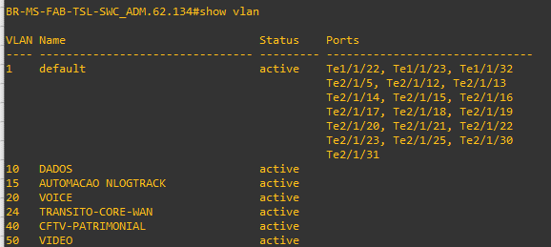
Hostname | ip | Vlan ID | Vlan Name | Status | Ports
BR-MS-FAB-TSL-SWC_ADM.62.134 | 10.17.62.134 | 10 | DADOS | active | Fa0/1, Fa0/2, Fa0/3, Fa0/4, Fa0/5, Fa0/6, Fa0/7, Fa0/8

MAC-Addr
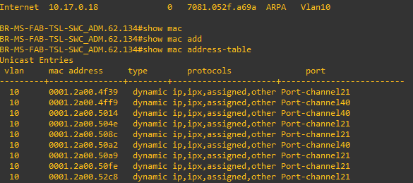
Hostname | ip | vlan | mac address | Type | protocols | port
BR-MS-FAB-TSL-SWC_ADM.62.134 | 10.17.62.134 | 10 | 0001.2a00.4f39 | dynamic | ip,ipx,assigned,other | Port-channel21
BR-MS-FAB-TSL-SWC_ADM.62.134 | 10.17.62.134

MAC-COUNT
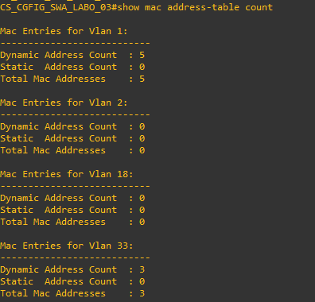
Hostname | ip | Vlan | Dynamic Count | Statis Count | Total
BR-MS-FAB-TSL-SWC_ADM.62.134 | 10.17.62.134 | 1 | 5 | 0 | 5

