Sheet1
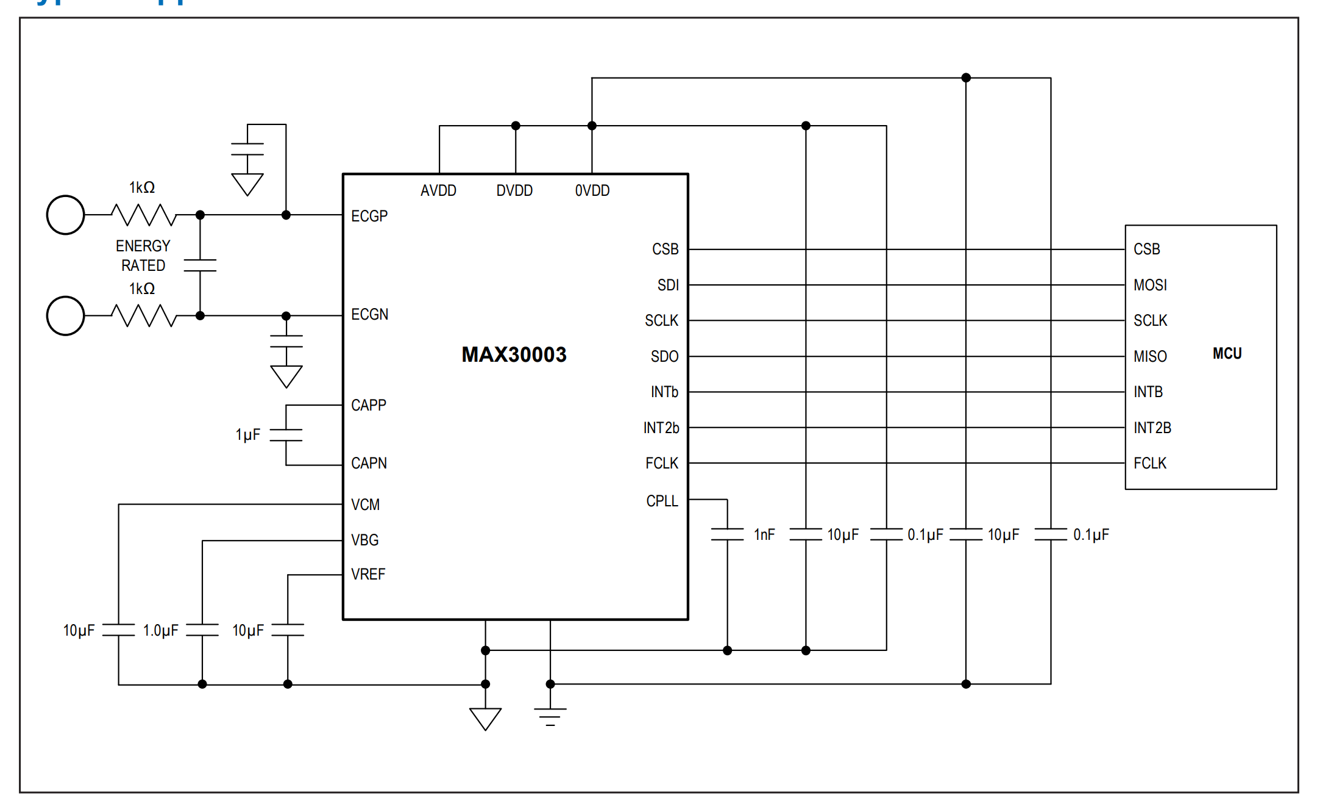
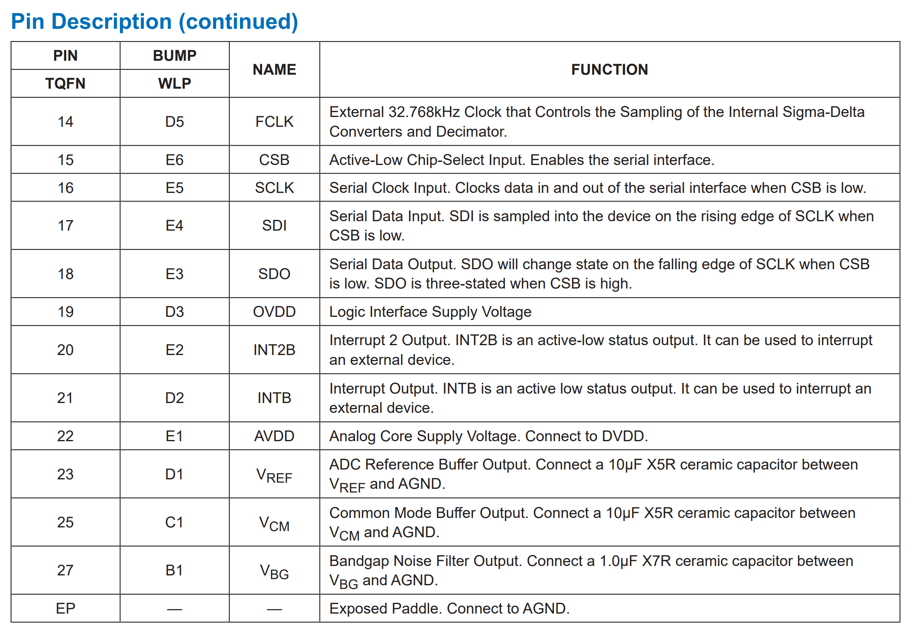
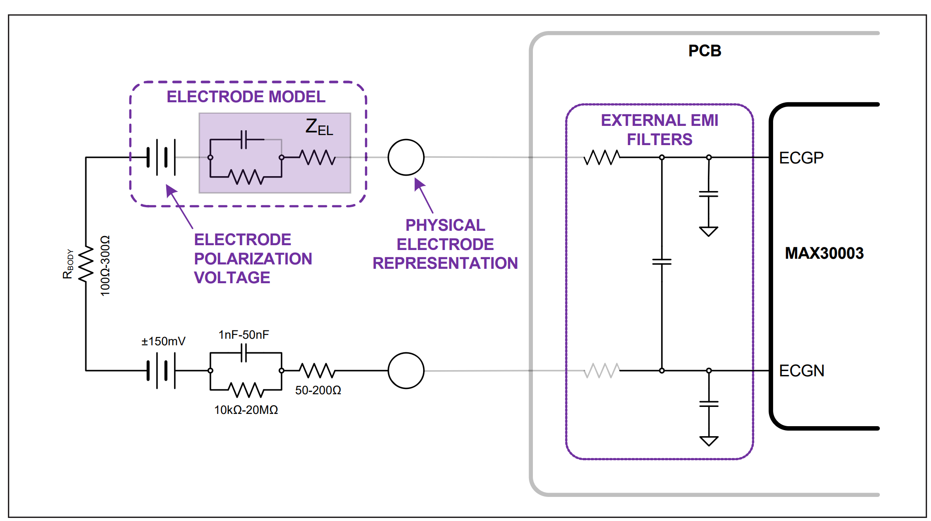
Part name | MPN | Description | Distributor link | Datasheet | QTY
ECG | MAX30003CTI+T | ECG Front End 28-TQFN (5x5) | https://www.digikey.ca/en/products/detail/analog-devices-inc-maxim-integrated/MAX30003CTI-T/9602597?gclsrc=aw.ds&gad_source=1&gad_campaignid=20233926405&gbraid=0AAAAADrbLlhJNYbdNSb1JlymoxP1W-AO5&gclid=Cj0KCQiA4pvMBhDYARIsAGfgwvzY3qZmd0vQuz9RCY97mRVUBTuipYyRYQZtIlXbjcsJUPy9GRajB2waArLJEALw_wcB | https://www.analog.com/media/en/technical-documentation/user-guides/maxim-ecg-monitor-users-guide.pdf | 1
Voltage regulator | MAX1726EUK18+T | IC REG LINEAR 1.8V 20MA SOT23-5 | https://www.digikey.com/en/products/detail/analog-devices-inc-maxim-integrated/MAX1726EUK18-T/10459801 | https://www.analog.com/media/en/technical-documentation/data-sheets/max1725-max1726.pdf | 1
32.7680KHz crystal | ASEK-32.768KHZ-L-R-T | XTAL OSC XO 32.7680KHZ CMOS SMD | https://www.digikey.ca/en/products/detail/abracon-llc/ASEK-32-768KHZ-L-R-T/2001365 | https://www.diodes.com/assets/Datasheets/KX321.pdf | 1

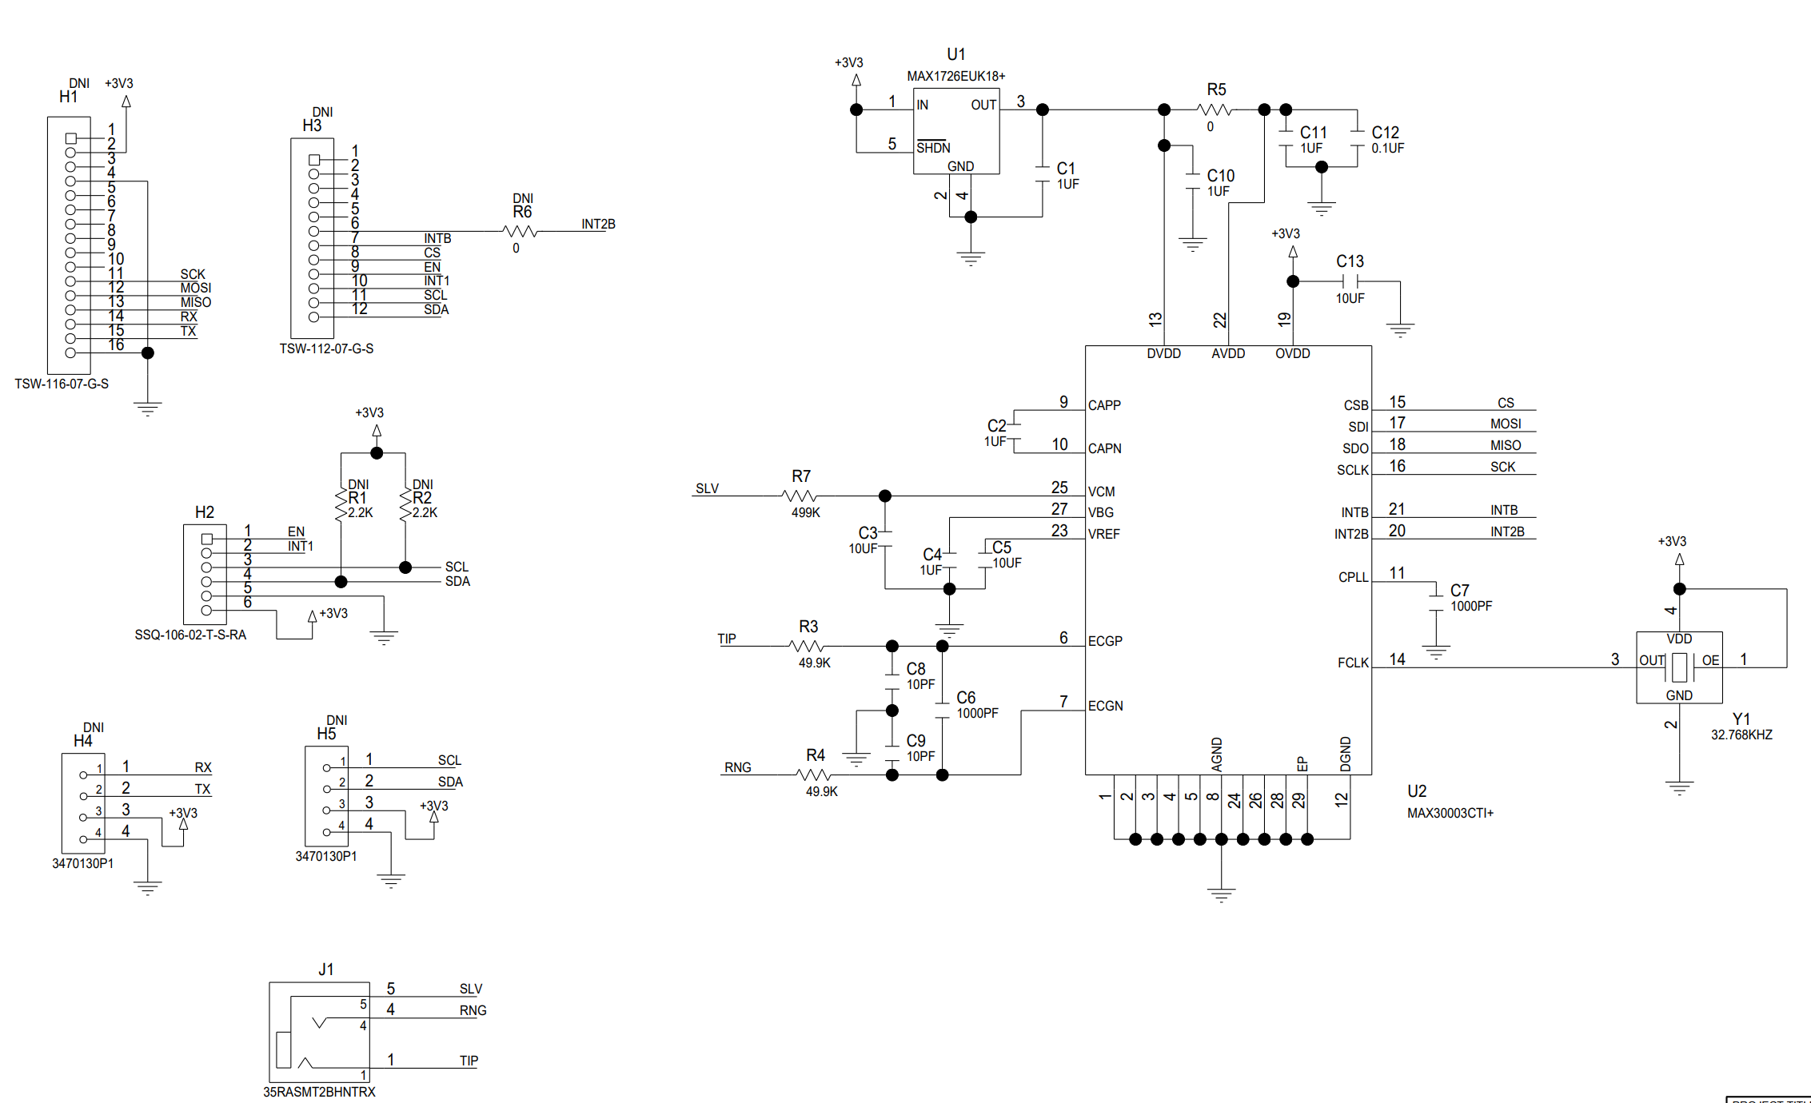
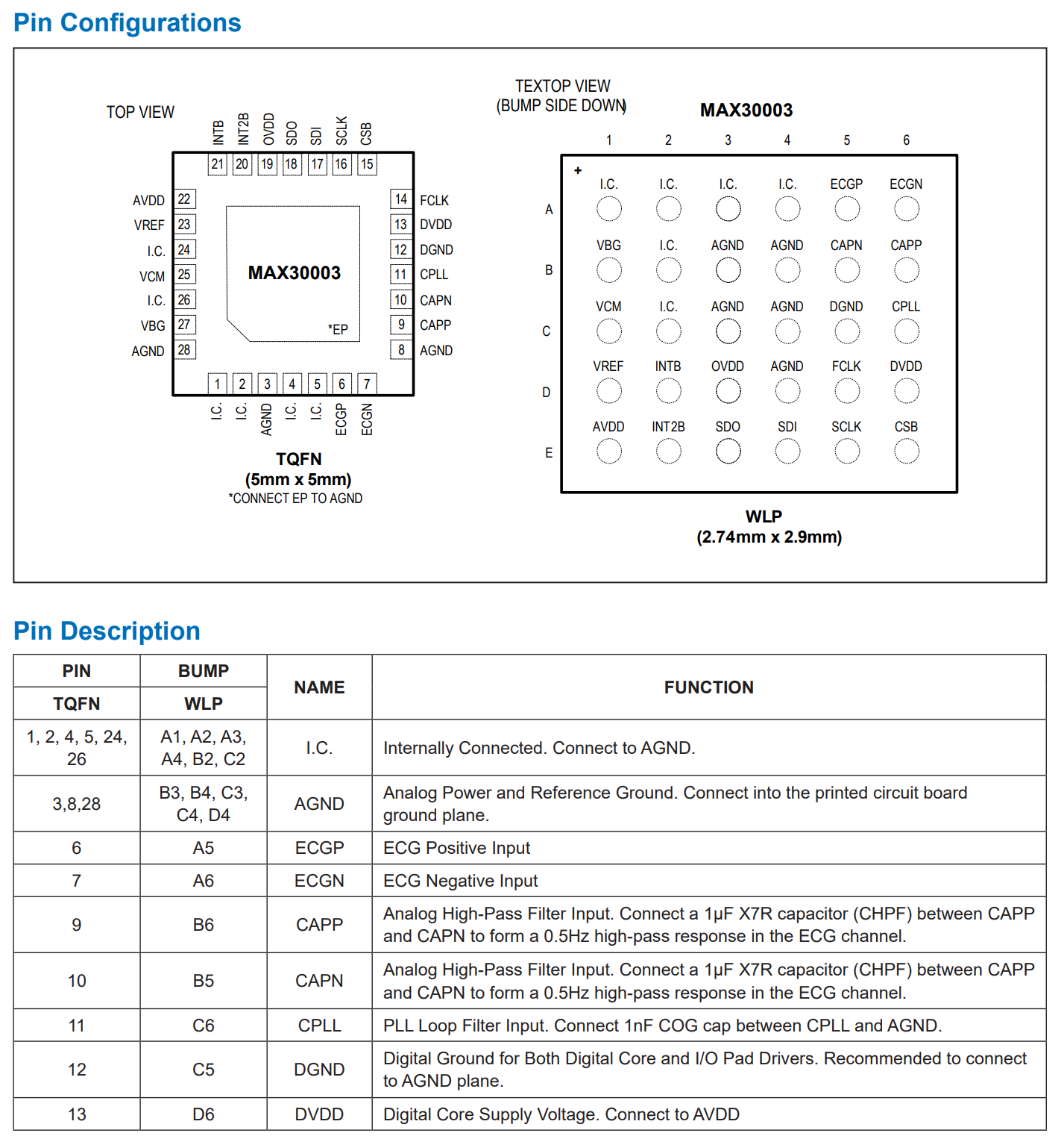
0 ohm resistor | TBD |  |  |  | 10
2.2K ohm resistor | TBD |  |  |  | 10
1uF CAP | TBD |  |  |  | 10
0.1uF cap | TBD |  |  |  | 10
10uF cap | TBD |  |  |  | 10

