NBN 93
Game Summary

 | Game Name |  |  |  |  | Board Size |  |  | STD
 | Nothing But Net (NBN) |  |  |  |  | 3 rows 5 reels |  |  | 6.113 Medium Profile

 | Line Wins |  |  | RTP 93.1368% |  |  |  | Win Frequency 1 in 6.4174 (15.5826%)
 | Left to Right on a payline

 | 25 winlines

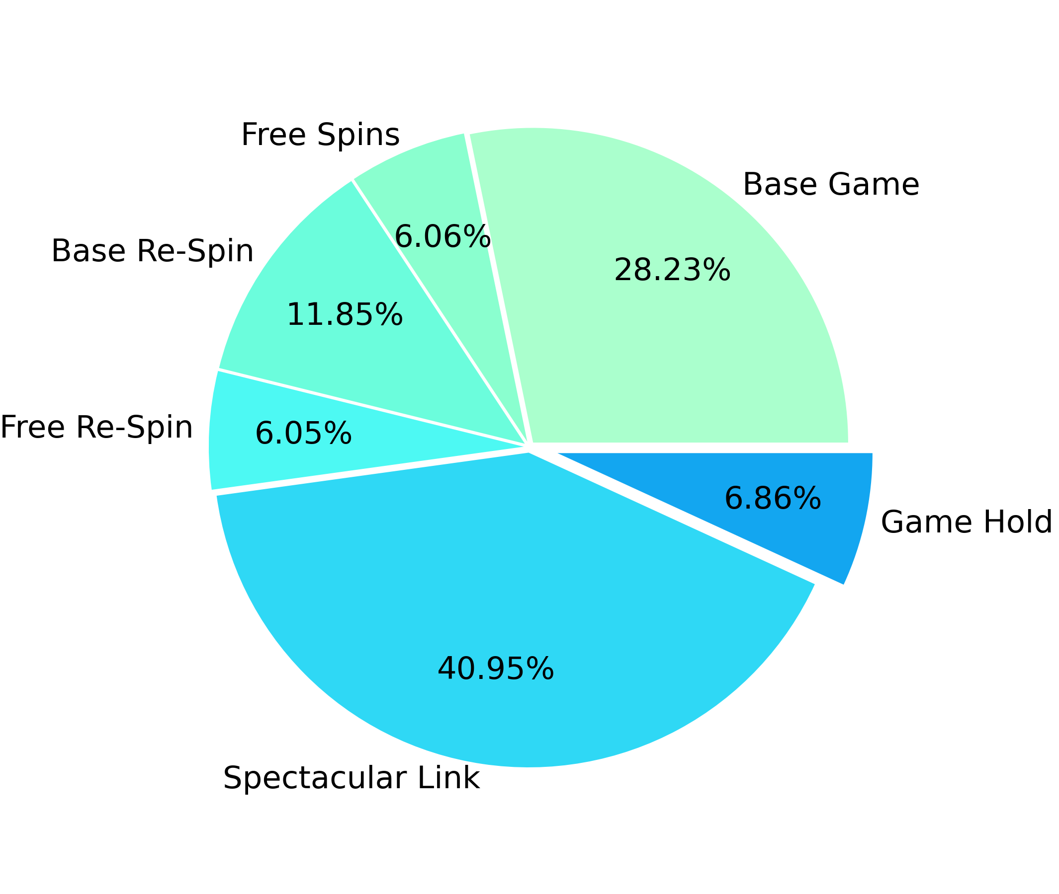
 | Game Features |  |  |  |  | RTP distribution by game sections
 | 1. Free Spins 2. Re-Spins 3. Wild Feature 4. Spectacular Link 5. Feature Spin 6. Buy Feature 7. Feature Re-Spin 8. Gamble 9. Spin Chance

 | Statistics calculated based on
 | 100,000,000,000 spins
 | Simulation ID
 | NBN usual 93 No Gamble Mon May 1 22:37:54 2023

Content

 | 1. Paytable
 | 2. Winlines
 | 3. RTP Distribution
 |  | 3.1. Total RTP Distribution
 |  | 3.2. Base Game RTP distribution
 |  | 3.3. Free Spins RTP distribution
 |  | 3.4. Base Re-Spin RTP distribution
 |  | 3.5. Free Re-Spin RTP distribution
 |  | 3.6. Spectacular Link RTP distribution
 | 4. Symbols wins sorted by payout
 |  | 4.1. Base Game Symbols Wins
 |  | 4.2. Free Spins Symbols Wins
 |  | 4.3. Base Re-Spin Symbols Wins
 |  | 4.4. Free Re-Spin Symbols Wins
 | 5. RTP Confidence Intervals
 |  | 5.1. 95% Confidence Intervals
 |  | 5.2. 99% Confidence Intervals
 | 6. Win Amount Statistics
 |  | 6.1. Top Award Statistics
 |  | 6.2. Max Bet Multiplier
 | 7. Wild Feature Statistics
 |  | 7.1. Number of Wilds Distribution Base Game
 |  | 7.2. Number of Wilds Distribution Free Game
 |  | 7.3. Number of Wilds Distribution Special Free Spin
 |  | 7.4. Wilds Positions Base Game
 |  | 7.5. Wilds Positions Free Game
 |  | 7.6. Wilds Positions Special Free Spin
 | 8. Free Spins Statistics
 |  | 8.1. Regular Free Spin and Re-Spin Win Distribution
 |  | 8.2. Special Free Spin and Re-Spin Win Distribution
 |  | 8.3. Free Spins Scatters Count Base
 |  | 8.4. Free Spins Scatters Count Base Re-Spin
 | 9. Spectacular Link Statistics
 |  | 9.1. Spectacular Link Main Info
 |  | 9.2. SL Scatters Count
 |  | 9.3. SL Scatters Win Distribution
 |  | 9.4. SL Re-Spin Count
 |  | 9.5. SL Number of Filled Cells Distribution
 |  | 9.6. SL Total Win Distribution
 |  | 9.7. SL Number of Filled Cells on One Re-Spin
 | 10. Reelsets Pivot Tables
 |  | 10.1. RTP distribution by All Reelsets
 |  | 10.2. RTP distribution by Base Reelsets
 | 11. Reelsets Statistics
 |  | 11.1. Base Game Reelsets
 |  | 11.2. Free Spins Reelsets
 |  | 11.3. Base Re-Spin Reelsets
 |  | 11.4. Free Re-Spin Reelsets
 |  | 11.5. Spectacular Link Reelsets
 | 12. Reelsets Structure
 |  | 12.1. Base Game Reelsets
 |  | 12.2. Free Spins Reelsets
 |  | 12.3. Base Re-Spin Reelsets
 |  | 12.4. Free Re-Spin Reelsets
 |  | 12.5. Spectacular Link Reelsets

1. Paytable

 | Symbol ID |  | Symbol Name |  |  | Winline Pay
 |  |  |  |  |  | 3 symbols |  | 4 symbols |  | 5 symbols
 | 0 |  | Two Basketball Players |  |  | 1.0x bets |  | 2.0x bets |  | 3.0x bets
 | 1 |  | Female Player Shooting |  |  | 0.5x bets |  | 0.8x bets |  | 1.5x bets
 | 2 |  | Male Player Dunking |  |  | 0.5x bets |  | 0.8x bets |  | 1.5x bets
 | 3 |  | Team Celebrating |  |  | 0.5x bets |  | 0.8x bets |  | 1.0x bets
 | 4 |  | Basketball Court |  |  | 0.5x bets |  | 0.8x bets |  | 1.0x bets
 | 5 |  | A |  |  | 0.2x bets |  | 0.4x bets |  | 0.8x bets
 | 6 |  | K |  |  | 0.2x bets |  | 0.4x bets |  | 0.8x bets
 | 7 |  | Q |  |  | 0.2x bets |  | 0.4x bets |  | 0.8x bets
 | 8 |  | J |  |  | 0.2x bets |  | 0.4x bets |  | 0.8x bets
 | 9 |  | Scatter |  |  | 0.0x bets |  | 0.0x bets |  | 0.0x bets
 | 10 |  | Wild |  |  | 0.0x bets |  | 0.0x bets |  | 3.0x bets
 | 11 |  | Cash x1 |  |  | 0.0x bets |  | 0.0x bets |  | 0.0x bets
 | 12 |  | Cash x2 |  |  | 0.0x bets |  | 0.0x bets |  | 0.0x bets
 | 13 |  | Cash x3 |  |  | 0.0x bets |  | 0.0x bets |  | 0.0x bets
 | 14 |  | Cash x4 |  |  | 0.0x bets |  | 0.0x bets |  | 0.0x bets
 | 15 |  | Cash x5 |  |  | 0.0x bets |  | 0.0x bets |  | 0.0x bets
 | 16 |  | Cash x10 |  |  | 0.0x bets |  | 0.0x bets |  | 0.0x bets
 | 17 |  | Cash x15 |  |  | 0.0x bets |  | 0.0x bets |  | 0.0x bets
 | 18 |  | Cash x20 |  |  | 0.0x bets |  | 0.0x bets |  | 0.0x bets
 | 19 |  | Cash x25 |  |  | 0.0x bets |  | 0.0x bets |  | 0.0x bets
 | 20 |  | Cash x6 |  |  | 0.0x bets |  | 0.0x bets |  | 0.0x bets
 | 21 |  | Cash x8 |  |  | 0.0x bets |  | 0.0x bets |  | 0.0x bets
 | 22 |  | Cash x12 |  |  | 0.0x bets |  | 0.0x bets |  | 0.0x bets
 | 23 |  | Cash x16 |  |  | 0.0x bets |  | 0.0x bets |  | 0.0x bets
 | 24 |  | Cash x30 |  |  | 0.0x bets |  | 0.0x bets |  | 0.0x bets
 | 25 |  | Cash x40 |  |  | 0.0x bets |  | 0.0x bets |  | 0.0x bets
 | 26 |  | Cash x50 |  |  | 0.0x bets |  | 0.0x bets |  | 0.0x bets
 | 27 |  | Cash x60 |  |  | 0.0x bets |  | 0.0x bets |  | 0.0x bets
 | 28 |  | Cash x80 |  |  | 0.0x bets |  | 0.0x bets |  | 0.0x bets
 | 29 |  | Cash x100 |  |  | 0.0x bets |  | 0.0x bets |  | 0.0x bets
 | 30 |  | Mini x50 |  |  | 0.0x bets |  | 0.0x bets |  | 0.0x bets
 | 31 |  | Minor x100 |  |  | 0.0x bets |  | 0.0x bets |  | 0.0x bets
 | 32 |  | Major x250 |  |  | 0.0x bets |  | 0.0x bets |  | 0.0x bets
 | 33 |  | Grand x500 |  |  | 0.0x bets |  | 0.0x bets |  | 0.0x bets
 | 34 |  | Free Place |  |  | 0.0x bets |  | 0.0x bets |  | 0.0x bets

2. Winlines |  |  |  |  |  |  |  |  |  |  |  |  |  | Go To Content

 | Index 0 |  |  |  |  |  | Index 1
 |  |  |  |  |  |  | 0 | 0 | 0 | 0 | 0
 | 1 | 1 | 1 | 1 | 1

 | Index 2 |  |  |  |  |  | Index 3
 |  |  |  |  |  |  | 0 |  |  |  | 0
 |  |  |  |  |  |  |  | 1 |  | 1
 | 2 | 2 | 2 | 2 | 2 |  |  |  | 2

 | Index 4 |  |  |  |  |  | Index 5
 |  |  | 0 |  |  |  | 0 | 0 |  | 0 | 0
 |  | 1 |  | 1 |  |  |  |  | 1
 | 2 |  |  |  | 2

 | Index 6 |  |  |  |  |  | Index 7

 |  |  | 1 |  |  |  | 1 |  |  |  | 1
 | 2 | 2 |  | 2 | 2 |  |  | 2 | 2 | 2

 | Index 8 |  |  |  |  |  | Index 9
 |  | 0 | 0 | 0 |  |  | 0 | 0
 | 1 |  |  |  | 1 |  |  |  | 1
 |  |  |  |  |  |  |  |  |  | 2 | 2

 | Index 10 |  |  |  |  |  | Index 11
 |  |  |  | 0 | 0 |  | 0 |  |  |  | 0
 |  |  | 1 |  |  |  |  | 1 | 1 | 1
 | 2 | 2

 | Index 12 |  |  |  |  |  | Index 13

 |  | 1 | 1 | 1 |  |  | 1 |  | 1 |  | 1
 | 2 |  |  |  | 2 |  |  | 2 |  | 2

 | Index 14 |  |  |  |  |  | Index 15
 |  | 0 |  | 0 |  |  |  | 0
 | 1 |  | 1 |  | 1 |  | 1 |  | 1 |  | 1
 |  |  |  |  |  |  |  |  |  | 2

 | Index 16 |  |  |  |  |  | Index 17
 |  |  |  | 0
 | 1 |  | 1 |  | 1 |  | 1 | 1 |  | 1 | 1
 |  | 2 |  |  |  |  |  |  | 2

 | Index 18 |  |  |  |  |  | Index 19
 |  |  | 0 |  |  |  | 0 |  | 0 |  | 0
 | 1 | 1 |  | 1 | 1 |  |  | 1 |  | 1

 | Index 20 |  |  |  |  |  | Index 21
 |  |  |  |  |  |  |  |  |  |  | 0
 |  | 1 |  | 1 |  |  |  | 1 | 1 | 1
 | 2 |  | 2 |  | 2 |  | 2

 | Index 22 |  |  |  |  |  | Index 23
 | 0 |  |  |  |  |  | 0
 |  | 1 | 1 | 1 |  |  |  | 1 |  |  | 1
 |  |  |  |  | 2 |  |  |  | 2 | 2

 | Index 24
 |  |  | 0 | 0
 |  | 1 |  |  | 1
 | 2

3. RTP Distribution |  |  |  |  |  |  |  |  |  |  |  |  |  | Go To Content

 | 3.1. Total RTP Distribution

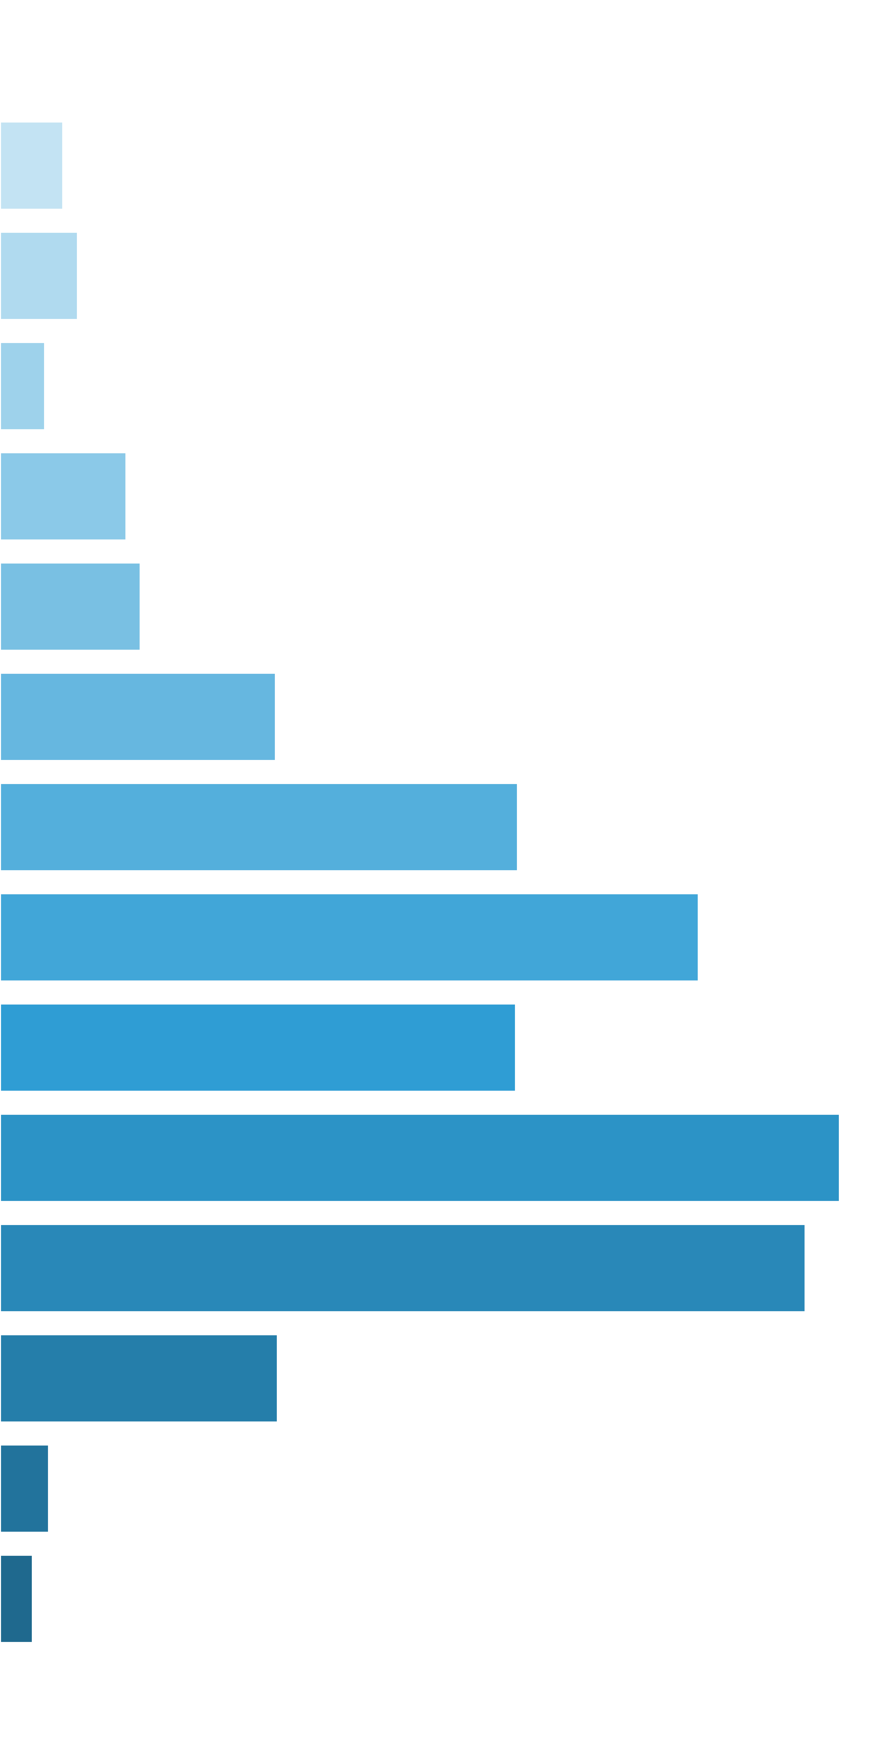
 | Win Ranges |  | Win in Range |  | Average Win |  | RTP per Range
 | [0x, 0x] |  | 1 in 1.18 |  | 0.00x |  | 0.000%
 | (0x, 0.5x] |  | 1 in 25.82 |  | 0.34x |  | 1.315%
 | (0.5x, 1x) |  | 1 in 42.71 |  | 0.69x |  | 1.627%
 | [1x, 1x] |  | 1 in 106.55 |  | 1.00x |  | 0.939%
 | (1x, 2x) |  | 1 in 54.78 |  | 1.44x |  | 2.631%
 | [2x, 3x) |  | 1 in 79.27 |  | 2.32x |  | 2.932%
 | [3x, 5x) |  | 1 in 65.46 |  | 3.77x |  | 5.754%
 | [5x, 10x) |  | 1 in 64.36 |  | 6.95x |  | 10.799%
 | [10x, 20x) |  | 1 in 95.05 |  | 13.85x |  | 14.569%
 | [20x, 30x) |  | 1 in 224.10 |  | 24.11x |  | 10.759%
 | [30x, 50x) |  | 1 in 215.29 |  | 37.70x |  | 17.513%
 | [50x, 100x) |  | 1 in 405.51 |  | 68.10x |  | 16.792%
 | [100x, 200x) |  | 1 in 2,161.69 |  | 125.29x |  | 5.796%
 | [200x, 500x) |  | 1 in 26,723.09 |  | 273.24x |  | 1.023%
 | [500x, 1000x) |  | 1 in 72,718.39 |  | 500.43x |  | 0.688%
 | [1000x, inf) |  | 1 in inf |  | nan |  | 0.000%
 | Total |  | 1 in 6.42 |  | 5.98x |  | 93.137%

 | 3.2. Base Game RTP distribution |  |  |  |  |  |  |  |  |  |  |  | Go To Content

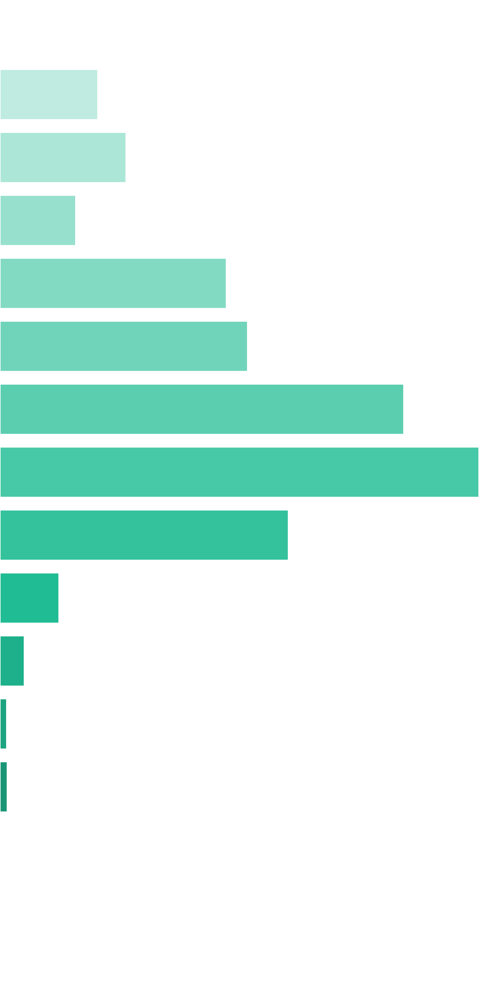
 | Win Ranges |  | Win in Range |  | Average Win |  | RTP per Range
 | [0x, 0x] |  | 1 in 1.16 |  | 0.00x |  | 0.000%
 | (0x, 0.5x] |  | 1 in 25.17 |  | 0.34x |  | 1.353%
 | (0.5x, 1x) |  | 1 in 40.01 |  | 0.70x |  | 1.741%
 | [1x, 1x] |  | 1 in 95.54 |  | 1.00x |  | 1.047%
 | (1x, 2x) |  | 1 in 46.20 |  | 1.45x |  | 3.129%
 | [2x, 3x) |  | 1 in 67.81 |  | 2.32x |  | 3.421%
 | [3x, 5x) |  | 1 in 66.30 |  | 3.70x |  | 5.581%
 | [5x, 10x) |  | 1 in 101.64 |  | 6.73x |  | 6.622%
 | [10x, 20x) |  | 1 in 322.15 |  | 12.85x |  | 3.988%
 | [20x, 30x) |  | 1 in 2,850.79 |  | 23.26x |  | 0.816%
 | [30x, 50x) |  | 1 in 10,751.12 |  | 36.17x |  | 0.336%
 | [50x, 100x) |  | 1 in 64,400.29 |  | 58.59x |  | 0.091%
 | [100x, 200x) |  | 1 in 99,804.98 |  | 100.00x |  | 0.100%
 | [200x, 500x) |  | 1 in inf |  | nan |  | 0.000%
 | [500x, 1000x) |  | 1 in inf |  | nan |  | 0.000%
 | [1000x, inf) |  | 1 in inf |  | nan |  | 0.000%
 | Total |  | 1 in 7.14 |  | 2.01x |  | 28.225%

 | 3.3. Free Spins RTP distribution |  |  |  |  |  |  |  |  |  |  |  | Go To Content

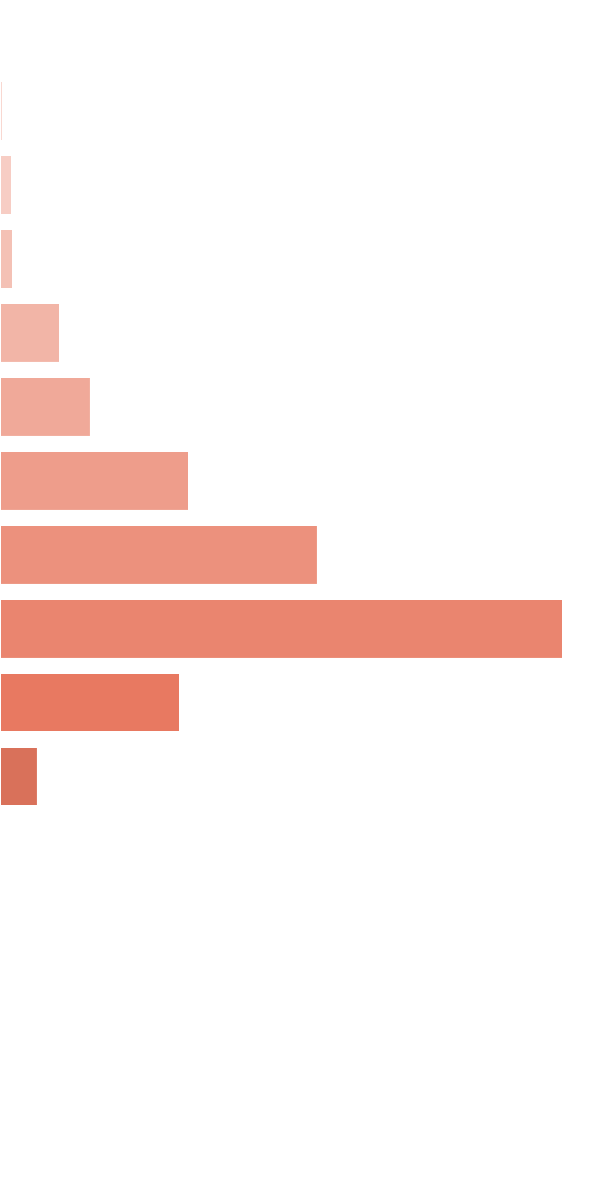
 | Win Ranges |  | Win in Range |  | Average Win |  | RTP per Range
 | [0x, 0x] |  | 1 in 1.45 |  | 0.00x |  | 0.000%
 | (0x, 0.5x] |  | 1 in 114.81 |  | 0.39x |  | 0.012%
 | (0.5x, 1x) |  | 1 in 51.64 |  | 0.73x |  | 0.049%
 | [1x, 1x] |  | 1 in 64.50 |  | 1.00x |  | 0.053%
 | (1x, 2x) |  | 1 in 20.80 |  | 1.49x |  | 0.246%
 | [2x, 3x) |  | 1 in 21.65 |  | 2.35x |  | 0.373%
 | [3x, 5x) |  | 1 in 16.70 |  | 3.78x |  | 0.780%
 | [5x, 10x) |  | 1 in 18.53 |  | 7.05x |  | 1.311%
 | [10x, 20x) |  | 1 in 20.45 |  | 13.80x |  | 2.326%
 | [20x, 30x) |  | 1 in 105.51 |  | 22.76x |  | 0.743%
 | [30x, 50x) |  | 1 in 769.90 |  | 34.52x |  | 0.155%
 | [50x, 100x) |  | 1 in 40,974.10 |  | 57.39x |  | 0.005%
 | [100x, 200x) |  | 1 in 72,683.24 |  | 100.00x |  | 0.005%
 | [200x, 500x) |  | 1 in inf |  | nan |  | 0.000%
 | [500x, 1000x) |  | 1 in inf |  | nan |  | 0.000%
 | [1000x, inf) |  | 1 in inf |  | nan |  | 0.000%
 | Total |  | 1 in 3.21 |  | 5.65x |  | 6.059%

 | 3.4. Base Re-Spin RTP distribution |  |  |  |  |  |  |  |  |  |  |  | Go To Content

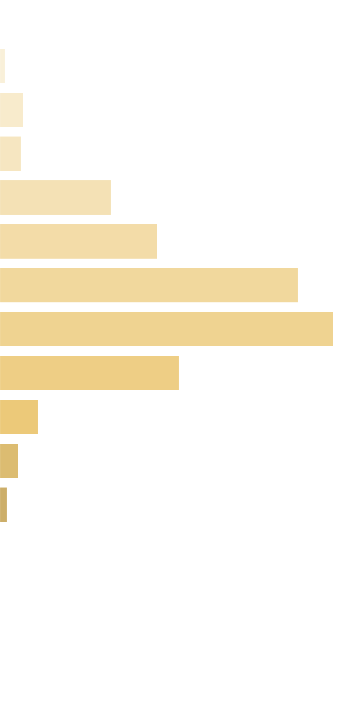
 | Win Ranges |  | Win in Range |  | Average Win |  | RTP per Range
 | [0x, 0x] |  | 1 in 1.46 |  | 0.00x |  | 0.000%
 | (0x, 0.5x] |  | 1 in 86.54 |  | 0.39x |  | 0.051%
 | (0.5x, 1x) |  | 1 in 35.31 |  | 0.74x |  | 0.232%
 | [1x, 1x] |  | 1 in 53.12 |  | 1.00x |  | 0.209%
 | (1x, 2x) |  | 1 in 14.97 |  | 1.49x |  | 1.104%
 | [2x, 3x) |  | 1 in 16.68 |  | 2.35x |  | 1.565%
 | [3x, 5x) |  | 1 in 14.09 |  | 3.76x |  | 2.963%
 | [5x, 10x) |  | 1 in 22.60 |  | 6.74x |  | 3.313%
 | [10x, 20x) |  | 1 in 80.42 |  | 12.88x |  | 1.779%
 | [20x, 30x) |  | 1 in 684.21 |  | 23.27x |  | 0.378%
 | [30x, 50x) |  | 1 in 2,194.91 |  | 36.60x |  | 0.185%
 | [50x, 100x) |  | 1 in 9,375.38 |  | 58.51x |  | 0.069%
 | [100x, 200x) |  | 1 in inf |  | nan |  | 0.000%
 | [200x, 500x) |  | 1 in inf |  | nan |  | 0.000%
 | [500x, 1000x) |  | 1 in inf |  | nan |  | 0.000%
 | [1000x, inf) |  | 1 in inf |  | nan |  | 0.000%
 | Total |  | 1 in 3.17 |  | 3.38x |  | 11.848%

 | 3.5. Free Re-Spin RTP distribution |  |  |  |  |  |  |  |  |  |  |  | Go To Content

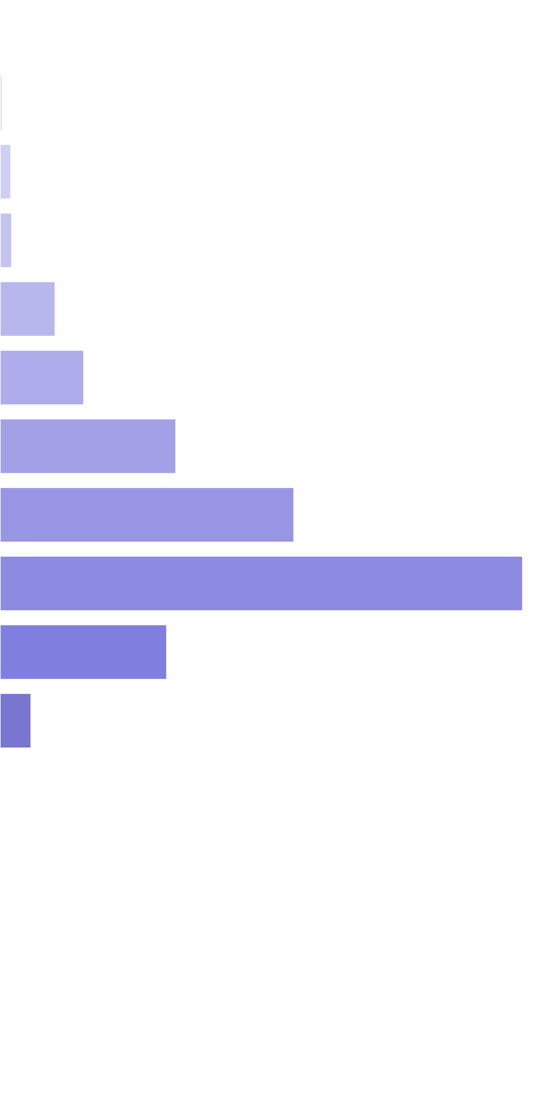
 | Win Ranges |  | Win in Range |  | Average Win |  | RTP per Range
 | [0x, 0x] |  | 1 in 1.45 |  | 0.00x |  | 0.000%
 | (0x, 0.5x] |  | 1 in 117.83 |  | 0.39x |  | 0.011%
 | (0.5x, 1x) |  | 1 in 51.79 |  | 0.73x |  | 0.049%
 | [1x, 1x] |  | 1 in 64.65 |  | 1.00x |  | 0.053%
 | (1x, 2x) |  | 1 in 20.89 |  | 1.49x |  | 0.246%
 | [2x, 3x) |  | 1 in 21.64 |  | 2.35x |  | 0.374%
 | [3x, 5x) |  | 1 in 16.59 |  | 3.78x |  | 0.785%
 | [5x, 10x) |  | 1 in 18.52 |  | 7.05x |  | 1.312%
 | [10x, 20x) |  | 1 in 20.39 |  | 13.81x |  | 2.333%
 | [20x, 30x) |  | 1 in 105.21 |  | 22.75x |  | 0.745%
 | [30x, 50x) |  | 1 in 859.25 |  | 34.58x |  | 0.139%
 | [50x, 100x) |  | 1 in 41,882.42 |  | 57.45x |  | 0.005%
 | [100x, 200x) |  | 1 in inf |  | nan |  | 0.000%
 | [200x, 500x) |  | 1 in inf |  | nan |  | 0.000%
 | [500x, 1000x) |  | 1 in inf |  | nan |  | 0.000%
 | [1000x, inf) |  | 1 in inf |  | nan |  | 0.000%
 | Total |  | 1 in 3.21 |  | 5.64x |  | 6.053%

 | 3.6. Spectacular Link RTP distribution |  |  |  |  |  |  |  |  |  |  |  | Go To Content

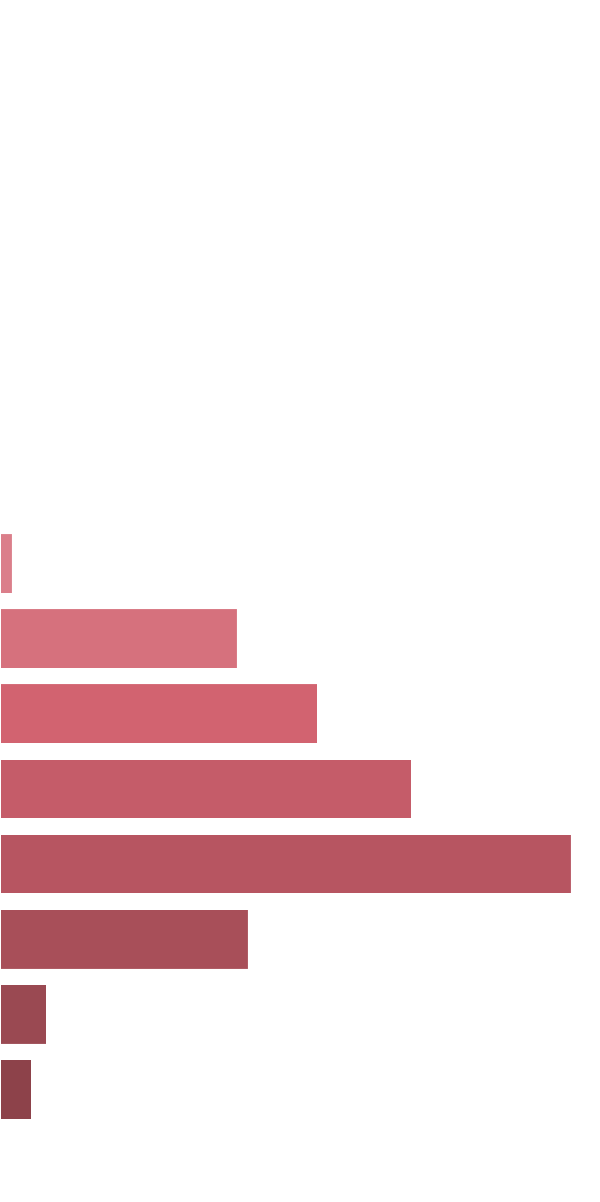
 | Win Ranges |  | Win in Range |  | Average Win |  | RTP per Range
 | [0x, 0x] |  | 1 in inf |  | nan |  | 0.000%
 | (0x, 0.5x] |  | 1 in inf |  | nan |  | 0.000%
 | (0.5x, 1x) |  | 1 in inf |  | nan |  | 0.000%
 | [1x, 1x] |  | 1 in inf |  | nan |  | 0.000%
 | (1x, 2x) |  | 1 in inf |  | nan |  | 0.000%
 | [2x, 3x) |  | 1 in inf |  | nan |  | 0.000%
 | [3x, 5x) |  | 1 in inf |  | nan |  | 0.000%
 | [5x, 10x) |  | 1 in 35.04 |  | 8.31x |  | 0.269%
 | [10x, 20x) |  | 1 in 3.24 |  | 14.77x |  | 5.175%
 | [20x, 30x) |  | 1 in 3.95 |  | 24.12x |  | 6.938%
 | [30x, 50x) |  | 1 in 4.69 |  | 37.10x |  | 8.986%
 | [50x, 100x) |  | 1 in 6.47 |  | 70.96x |  | 12.463%
 | [100x, 200x) |  | 1 in 26.46 |  | 126.11x |  | 5.415%
 | [200x, 500x) |  | 1 in 305.04 |  | 273.26x |  | 1.018%
 | [500x, 1000x) |  | 1 in 826.34 |  | 500.17x |  | 0.688%
 | [1000x, inf) |  | 1 in inf |  | nan |  | 0.000%
 | Total |  | 1 in 1.00 |  | 36.04x |  | 40.952%

4. Symbols wins sorted by payout |  |  |  |  |  |  |  |  |  |  |  |  |  | Go To Content

 | 4.1. Base Game Symbols Wins

 | Symbol |  |  | Counter |  | Multiplier |  | Probability |  | Pulls to hit (1 in) |  | Paytable |  | RTP |  | Total Symbol RTP
 | Two Basketball Players |  |  | 3 |  | 1 |  | 0.02368050 |  | 42.23 |  | 1.00x bets |  | 2.368% |  | 4.932%
 |  |  |  | 4 |  | 1 |  | 0.00830490 |  | 120.41 |  | 2.00x bets |  | 1.661%
 |  |  |  | 5 |  | 1 |  | 0.00301027 |  | 332.20 |  | 3.00x bets |  | 0.903%
 | Female Player Shooting |  |  | 3 |  | 1 |  | 0.02314662 |  | 43.20 |  | 0.50x bets |  | 1.157% |  | 2.212%
 |  |  |  | 4 |  | 1 |  | 0.00814026 |  | 122.85 |  | 0.80x bets |  | 0.651%
 |  |  |  | 5 |  | 1 |  | 0.00268773 |  | 372.06 |  | 1.50x bets |  | 0.403%
 | Male Player Dunking |  |  | 3 |  | 1 |  | 0.02500435 |  | 39.99 |  | 0.50x bets |  | 1.250% |  | 2.348%
 |  |  |  | 4 |  | 1 |  | 0.00849863 |  | 117.67 |  | 0.80x bets |  | 0.680%
 |  |  |  | 5 |  | 1 |  | 0.00278308 |  | 359.31 |  | 1.50x bets |  | 0.417%
 | Team Celebrating |  |  | 3 |  | 1 |  | 0.03401933 |  | 29.40 |  | 0.50x bets |  | 1.701% |  | 2.972%
 |  |  |  | 4 |  | 1 |  | 0.01131471 |  | 88.38 |  | 0.80x bets |  | 0.905%
 |  |  |  | 5 |  | 1 |  | 0.00366171 |  | 273.10 |  | 1.00x bets |  | 0.366%
 | Basketball Court |  |  | 5 |  | 1 |  | 0.00378939 |  | 263.89 |  | 1.00x bets |  | 0.379% |  | 3.116%
 |  |  |  | 4 |  | 1 |  | 0.01201320 |  | 83.24 |  | 0.80x bets |  | 0.961%
 |  |  |  | 3 |  | 1 |  | 0.03552055 |  | 28.15 |  | 0.50x bets |  | 1.776%
 | A |  |  | 3 |  | 1 |  | 0.07328421 |  | 13.65 |  | 0.20x bets |  | 1.466% |  | 2.889%
 |  |  |  | 4 |  | 1 |  | 0.02079951 |  | 48.08 |  | 0.40x bets |  | 0.832%
 |  |  |  | 5 |  | 1 |  | 0.00739739 |  | 135.18 |  | 0.80x bets |  | 0.592%
 | K |  |  | 3 |  | 1 |  | 0.08150378 |  | 12.27 |  | 0.20x bets |  | 1.630% |  | 3.092%
 |  |  |  | 4 |  | 1 |  | 0.02161434 |  | 46.27 |  | 0.40x bets |  | 0.865%
 |  |  |  | 5 |  | 1 |  | 0.00747261 |  | 133.82 |  | 0.80x bets |  | 0.598%
 | Q |  |  | 3 |  | 1 |  | 0.08399055 |  | 11.91 |  | 0.20x bets |  | 1.680% |  | 3.173%
 |  |  |  | 4 |  | 1 |  | 0.02209399 |  | 45.26 |  | 0.40x bets |  | 0.884%
 |  |  |  | 5 |  | 1 |  | 0.00761581 |  | 131.31 |  | 0.80x bets |  | 0.609%
 | J |  |  | 3 |  | 1 |  | 0.07617114 |  | 13.13 |  | 0.20x bets |  | 1.523% |  | 3.003%
 |  |  |  | 4 |  | 1 |  | 0.02190050 |  | 45.66 |  | 0.40x bets |  | 0.876%
 |  |  |  | 5 |  | 1 |  | 0.00754807 |  | 132.48 |  | 0.80x bets |  | 0.604%
 | Wild |  |  | 5 |  | 1 |  | 0.00129081 |  | 774.71 |  | 3.00x bets |  | 0.387% |  | 0.387%
 |  |  |  |  |  |  |  |  |  |  |  |  |  |  |  | 28.125%

 | Base Game RTP distribution by Symbols |  |  |  |  |  |  |  |  |  | Base Game RTP distribution by Winline Length
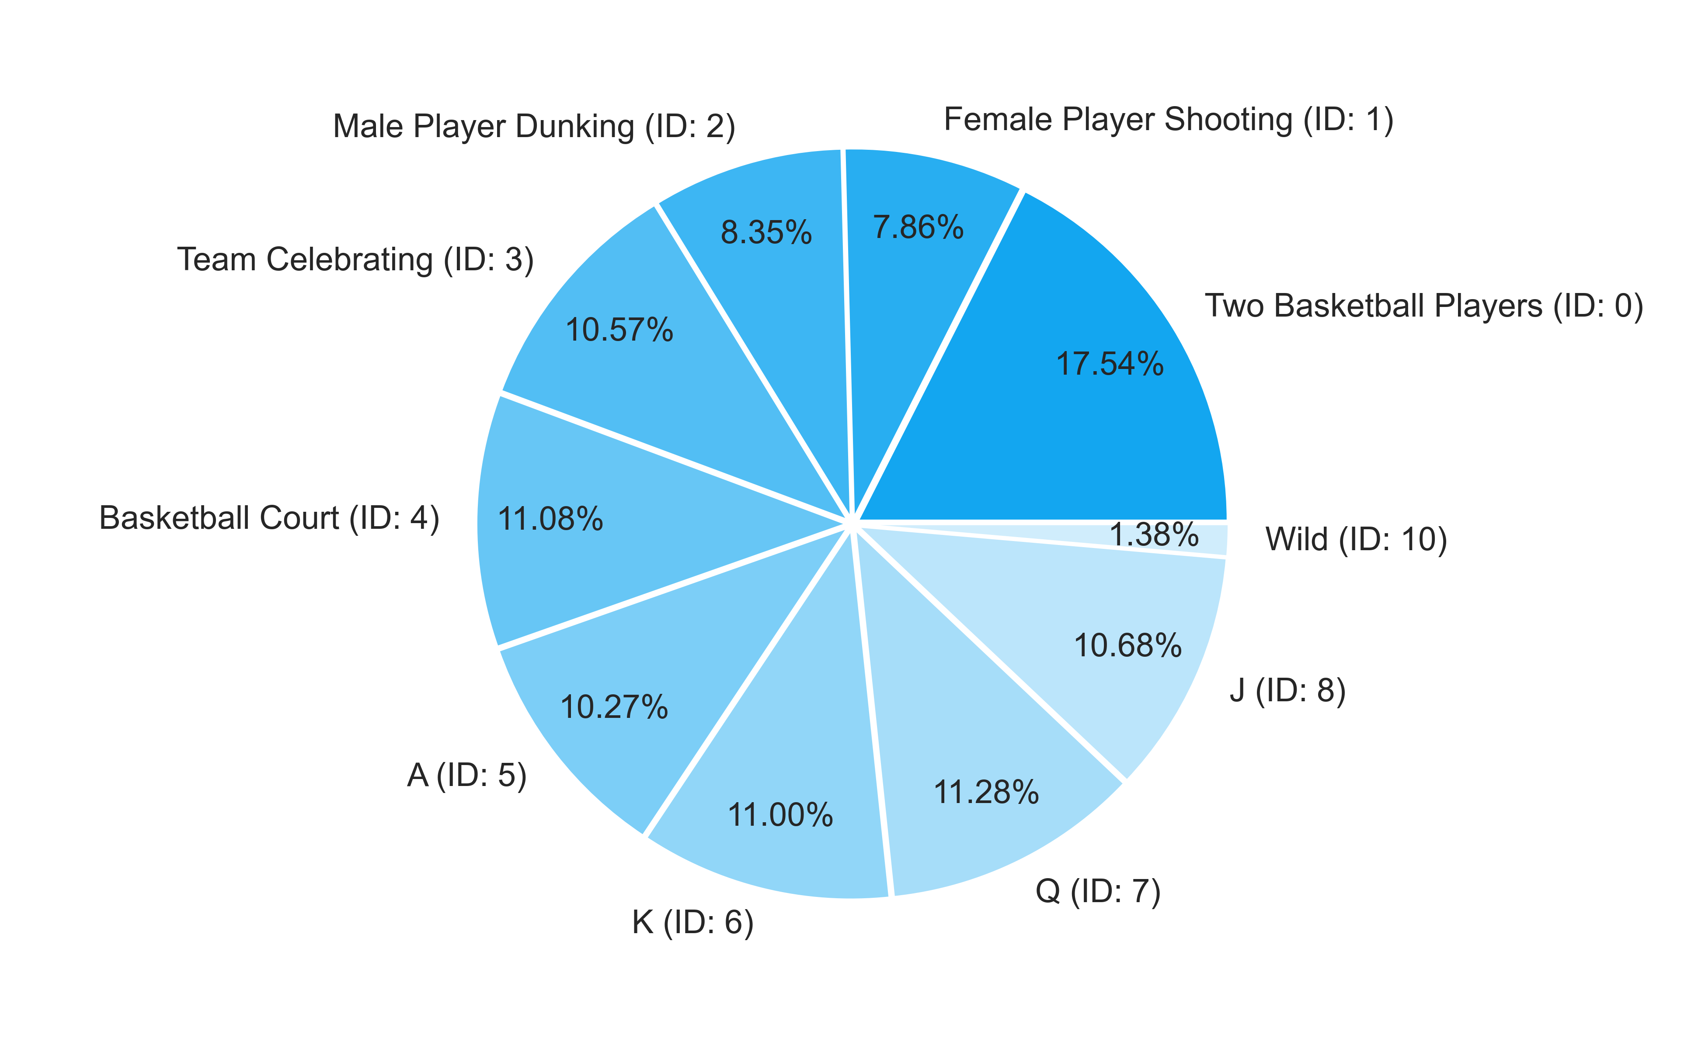
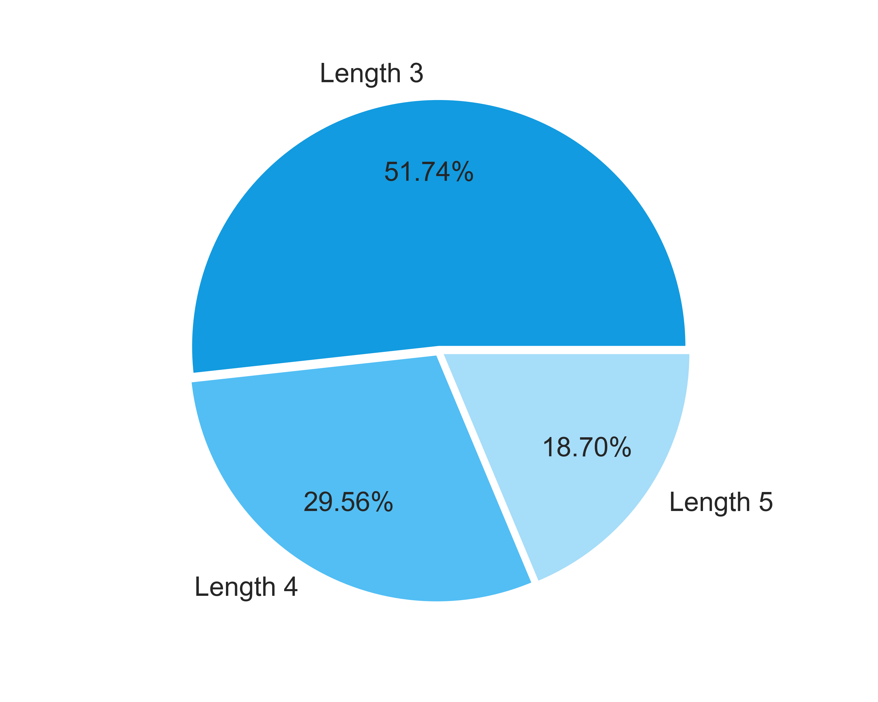

 | 4.2. Free Spins Symbols Wins |  |  |  |  |  |  |  |  |  |  |  | Go To Content

 | Symbol |  |  | Counter |  | Multiplier |  | Probability |  | Pulls to hit (1 in) |  | Paytable |  | RTP |  | Total Symbol RTP
 | Two Basketball Players |  |  | 3 |  | 1 |  | 0.04810859 |  | 20.79 |  | 1.00x bets |  | 0.166% |  | 0.774%
 |  |  |  | 4 |  | 1 |  | 0.05796434 |  | 17.25 |  | 2.00x bets |  | 0.399%
 |  |  |  | 5 |  | 1 |  | 0.02017267 |  | 49.57 |  | 3.00x bets |  | 0.209%
 | Female Player Shooting |  |  | 3 |  | 1 |  | 0.09153171 |  | 10.93 |  | 0.50x bets |  | 0.158% |  | 0.835%
 |  |  |  | 4 |  | 1 |  | 0.12644006 |  | 7.91 |  | 0.80x bets |  | 0.349%
 |  |  |  | 5 |  | 1 |  | 0.06357063 |  | 15.73 |  | 1.50x bets |  | 0.329%
 | Male Player Dunking |  |  | 3 |  | 1 |  | 0.08757481 |  | 11.42 |  | 0.50x bets |  | 0.151% |  | 0.879%
 |  |  |  | 4 |  | 1 |  | 0.11532438 |  | 8.67 |  | 0.80x bets |  | 0.318%
 |  |  |  | 5 |  | 1 |  | 0.07943707 |  | 12.59 |  | 1.50x bets |  | 0.411%
 | Team Celebrating |  |  | 3 |  | 1 |  | 0.09745846 |  | 10.26 |  | 0.50x bets |  | 0.168% |  | 0.770%
 |  |  |  | 4 |  | 1 |  | 0.15731750 |  | 6.36 |  | 0.80x bets |  | 0.434%
 |  |  |  | 5 |  | 1 |  | 0.04873009 |  | 20.52 |  | 1.00x bets |  | 0.168%
 | Basketball Court |  |  | 5 |  | 1 |  | 0.05931899 |  | 16.86 |  | 1.00x bets |  | 0.204% |  | 0.714%
 |  |  |  | 4 |  | 1 |  | 0.12860167 |  | 7.78 |  | 0.80x bets |  | 0.355%
 |  |  |  | 3 |  | 1 |  | 0.08987057 |  | 11.13 |  | 0.50x bets |  | 0.155%
 | A |  |  | 3 |  | 1 |  | 0.10289296 |  | 9.72 |  | 0.20x bets |  | 0.071% |  | 0.453%
 |  |  |  | 4 |  | 1 |  | 0.16949600 |  | 5.90 |  | 0.40x bets |  | 0.234%
 |  |  |  | 5 |  | 1 |  | 0.05385240 |  | 18.57 |  | 0.80x bets |  | 0.148%
 | K |  |  | 3 |  | 1 |  | 0.09687987 |  | 10.32 |  | 0.20x bets |  | 0.067% |  | 0.470%
 |  |  |  | 4 |  | 1 |  | 0.12696506 |  | 7.88 |  | 0.40x bets |  | 0.175%
 |  |  |  | 5 |  | 1 |  | 0.08279436 |  | 12.08 |  | 0.80x bets |  | 0.228%
 | Q |  |  | 3 |  | 1 |  | 0.08913221 |  | 11.22 |  | 0.20x bets |  | 0.061% |  | 0.393%
 |  |  |  | 4 |  | 1 |  | 0.12088354 |  | 8.27 |  | 0.40x bets |  | 0.167%
 |  |  |  | 5 |  | 1 |  | 0.05975260 |  | 16.74 |  | 0.80x bets |  | 0.165%
 | J |  |  | 3 |  | 1 |  | 0.09510435 |  | 10.51 |  | 0.20x bets |  | 0.066% |  | 0.462%
 |  |  |  | 4 |  | 1 |  | 0.12679548 |  | 7.89 |  | 0.40x bets |  | 0.175%
 |  |  |  | 5 |  | 1 |  | 0.08034770 |  | 12.45 |  | 0.80x bets |  | 0.221%
 | Wild |  |  | 5 |  | 1 |  | 0.02951469 |  | 33.88 |  | 3.00x bets |  | 0.305% |  | 0.305%
 |  |  |  |  |  |  |  |  |  |  |  |  |  |  |  | 6.054%

 | Free Spins RTP distribution by Symbols |  |  |  |  |  |  |  |  |  | Free Spins RTP distribution by Winline Length
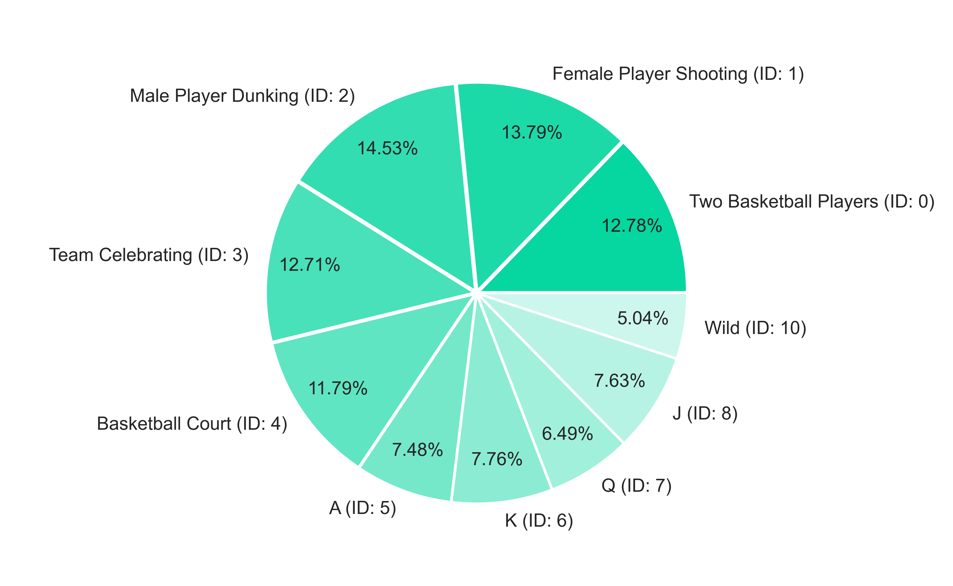
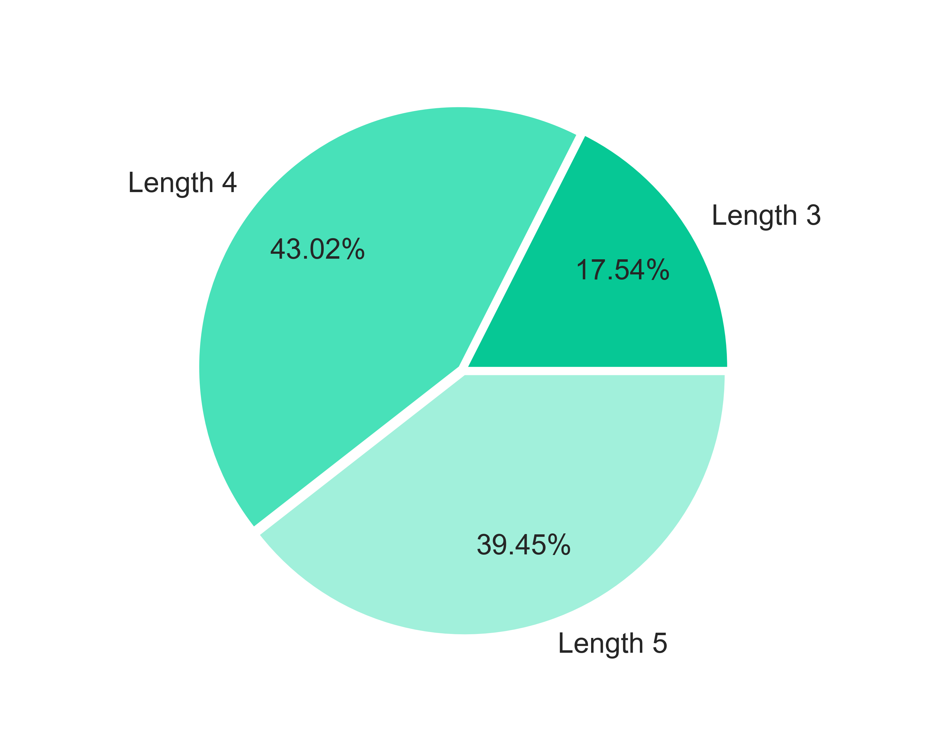

 | 4.3. Base Re-Spin Symbols Wins |  |  |  |  |  |  |  |  |  |  |  | Go To Content

 | Symbol |  |  | Counter |  | Multiplier |  | Probability |  | Pulls to hit (1 in) |  | Paytable |  | RTP |  | Total Symbol RTP
 | Two Basketball Players |  |  | 3 |  | 1 |  | 0.03807870 |  | 26.26 |  | 1.00x bets |  | 0.423% |  | 0.991%
 |  |  |  | 4 |  | 1 |  | 0.01682756 |  | 59.43 |  | 2.00x bets |  | 0.374%
 |  |  |  | 5 |  | 1 |  | 0.00582860 |  | 171.57 |  | 3.00x bets |  | 0.194%
 | Female Player Shooting |  |  | 3 |  | 1 |  | 0.08169012 |  | 12.24 |  | 0.50x bets |  | 0.454% |  | 1.102%
 |  |  |  | 4 |  | 1 |  | 0.04945780 |  | 20.22 |  | 0.80x bets |  | 0.440%
 |  |  |  | 5 |  | 1 |  | 0.01253843 |  | 79.75 |  | 1.50x bets |  | 0.209%
 | Male Player Dunking |  |  | 3 |  | 1 |  | 0.08611569 |  | 11.61 |  | 0.50x bets |  | 0.478% |  | 1.220%
 |  |  |  | 4 |  | 1 |  | 0.05046957 |  | 19.81 |  | 0.80x bets |  | 0.449%
 |  |  |  | 5 |  | 1 |  | 0.01760640 |  | 56.80 |  | 1.50x bets |  | 0.293%
 | Team Celebrating |  |  | 3 |  | 1 |  | 0.11461320 |  | 8.72 |  | 0.50x bets |  | 0.637% |  | 1.686%
 |  |  |  | 4 |  | 1 |  | 0.09596401 |  | 10.42 |  | 0.80x bets |  | 0.853%
 |  |  |  | 5 |  | 1 |  | 0.01762150 |  | 56.75 |  | 1.00x bets |  | 0.196%
 | Basketball Court |  |  | 5 |  | 1 |  | 0.02123532 |  | 47.09 |  | 1.00x bets |  | 0.236% |  | 1.481%
 |  |  |  | 4 |  | 1 |  | 0.07621932 |  | 13.12 |  | 0.80x bets |  | 0.677%
 |  |  |  | 3 |  | 1 |  | 0.10215495 |  | 9.79 |  | 0.50x bets |  | 0.568%
 | A |  |  | 3 |  | 1 |  | 0.16471989 |  | 6.07 |  | 0.20x bets |  | 0.366% |  | 1.454%
 |  |  |  | 4 |  | 1 |  | 0.17143924 |  | 5.83 |  | 0.40x bets |  | 0.762%
 |  |  |  | 5 |  | 1 |  | 0.03666785 |  | 27.27 |  | 0.80x bets |  | 0.326%
 | K |  |  | 3 |  | 1 |  | 0.13002563 |  | 7.69 |  | 0.20x bets |  | 0.289% |  | 1.194%
 |  |  |  | 4 |  | 1 |  | 0.11907639 |  | 8.40 |  | 0.40x bets |  | 0.529%
 |  |  |  | 5 |  | 1 |  | 0.04226206 |  | 23.66 |  | 0.80x bets |  | 0.376%
 | Q |  |  | 3 |  | 1 |  | 0.14573476 |  | 6.86 |  | 0.20x bets |  | 0.324% |  | 1.180%
 |  |  |  | 4 |  | 1 |  | 0.11562554 |  | 8.65 |  | 0.40x bets |  | 0.514%
 |  |  |  | 5 |  | 1 |  | 0.03851774 |  | 25.96 |  | 0.80x bets |  | 0.342%
 | J |  |  | 3 |  | 1 |  | 0.13713084 |  | 7.29 |  | 0.20x bets |  | 0.305% |  | 1.153%
 |  |  |  | 4 |  | 1 |  | 0.10504357 |  | 9.52 |  | 0.40x bets |  | 0.467%
 |  |  |  | 5 |  | 1 |  | 0.04285355 |  | 23.34 |  | 0.80x bets |  | 0.381%
 | Wild |  |  | 5 |  | 1 |  | 0.01161739 |  | 86.08 |  | 3.00x bets |  | 0.387% |  | 0.387%
 |  |  |  |  |  |  |  |  |  |  |  |  |  |  |  | 11.848%

 | Base Re-Spin RTP distribution by Symbols |  |  |  |  |  |  |  |  |  | Base Re-Spin RTP distribution by Winline Length
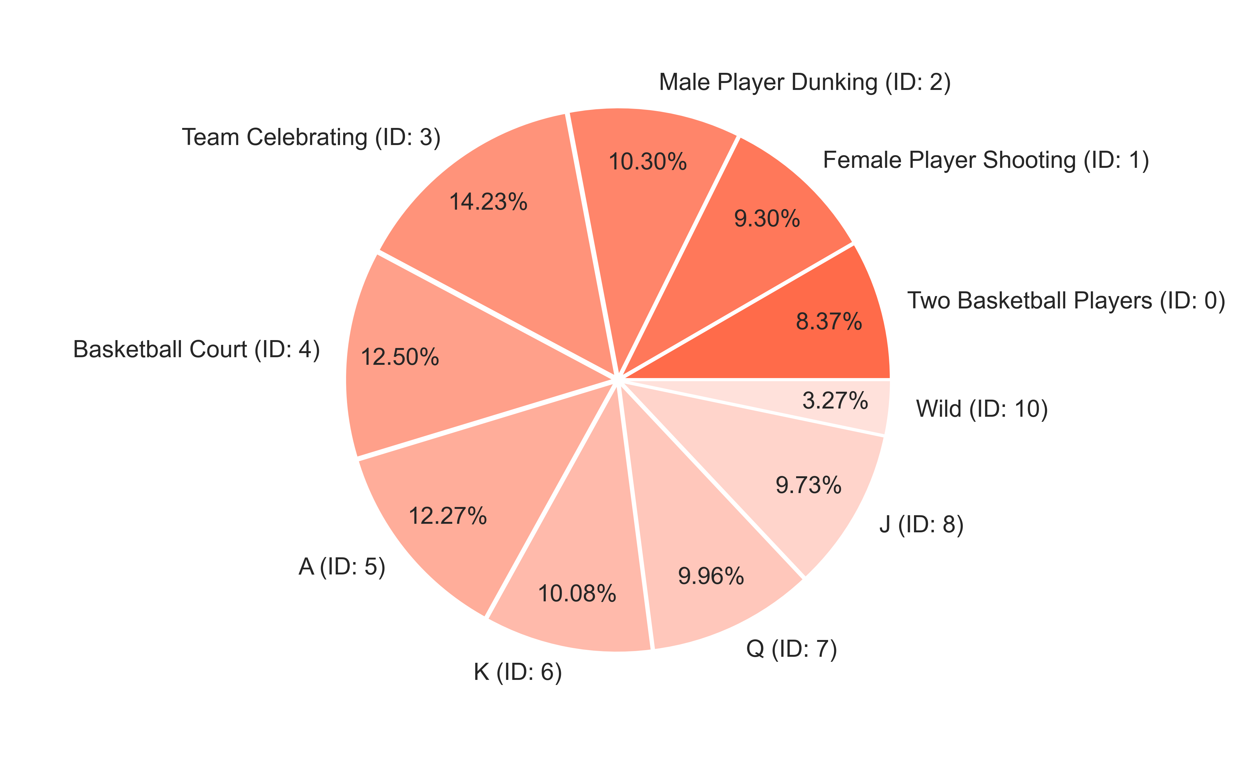
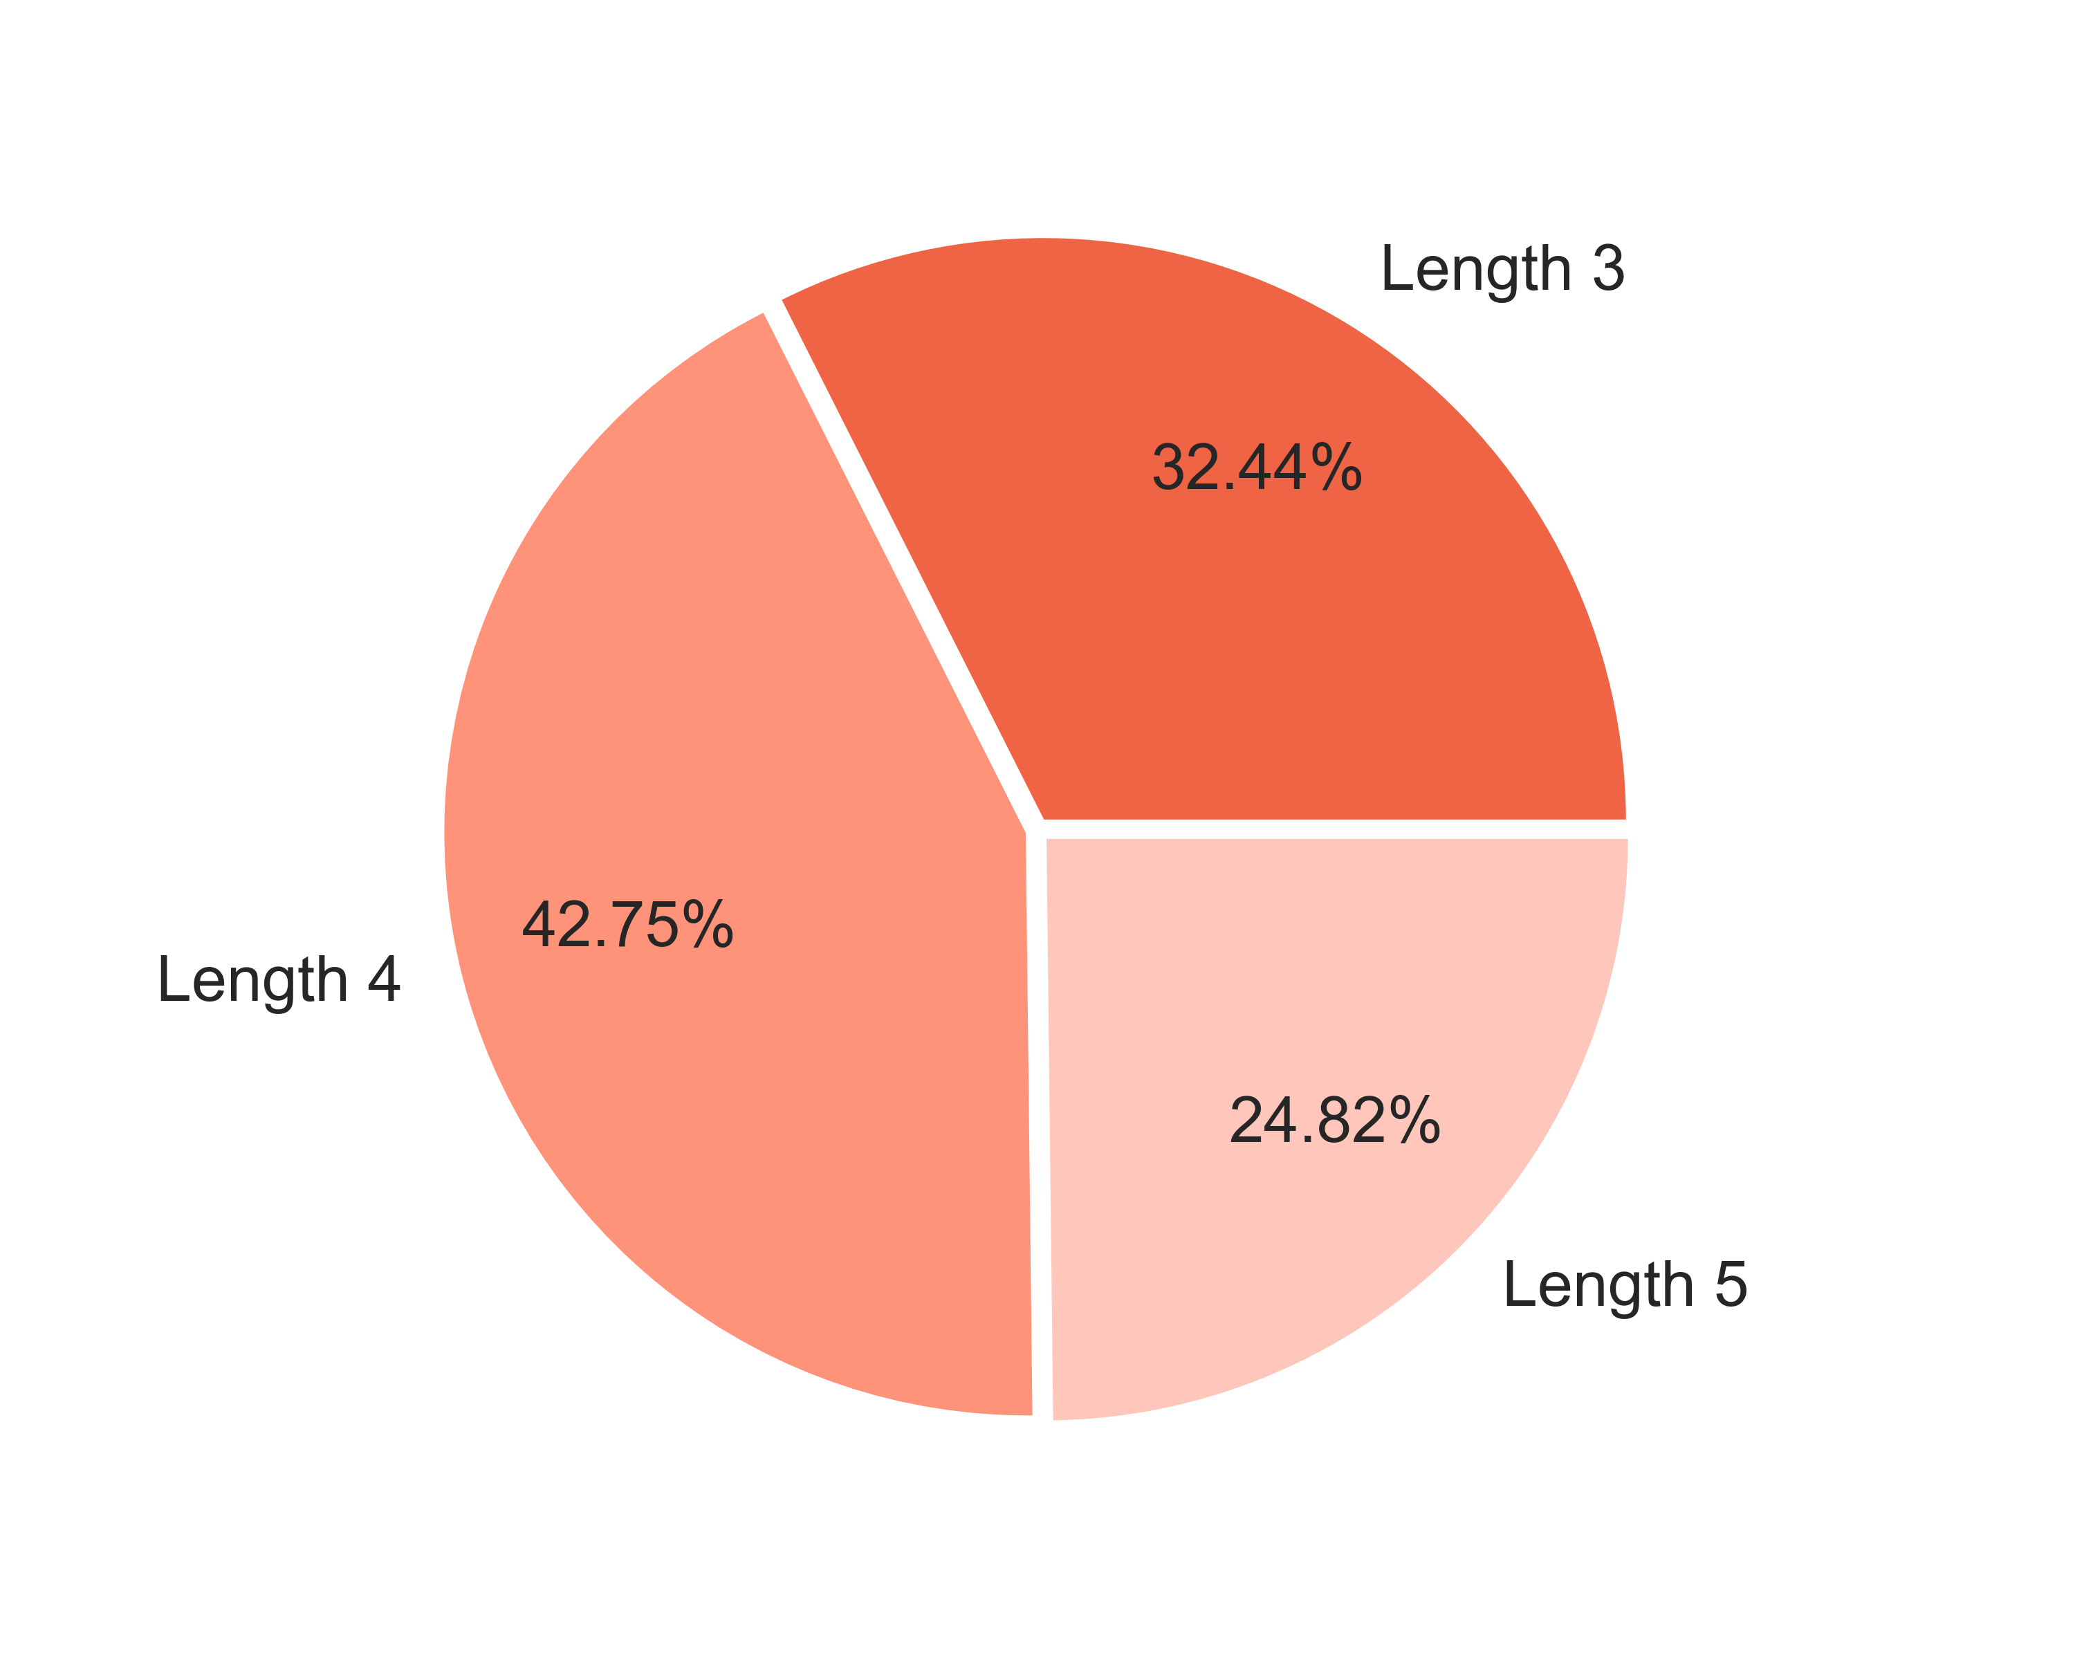

 | 4.4. Free Re-Spin Symbols Wins |  |  |  |  |  |  |  |  |  |  |  | Go To Content

 | Symbol |  |  | Counter |  | Multiplier |  | Probability |  | Pulls to hit (1 in) |  | Paytable |  | RTP |  | Total Symbol RTP
 | Two Basketball Players |  |  | 3 |  | 1 |  | 0.04502882 |  | 22.21 |  | 1.00x bets |  | 0.155% |  | 0.705%
 |  |  |  | 4 |  | 1 |  | 0.05166774 |  | 19.35 |  | 2.00x bets |  | 0.356%
 |  |  |  | 5 |  | 1 |  | 0.01875660 |  | 53.31 |  | 3.00x bets |  | 0.194%
 | Female Player Shooting |  |  | 3 |  | 1 |  | 0.08746138 |  | 11.43 |  | 0.50x bets |  | 0.151% |  | 0.799%
 |  |  |  | 4 |  | 1 |  | 0.12359923 |  | 8.09 |  | 0.80x bets |  | 0.341%
 |  |  |  | 5 |  | 1 |  | 0.05946590 |  | 16.82 |  | 1.50x bets |  | 0.307%
 | Male Player Dunking |  |  | 3 |  | 1 |  | 0.09610078 |  | 10.41 |  | 0.50x bets |  | 0.166% |  | 0.974%
 |  |  |  | 4 |  | 1 |  | 0.13232294 |  | 7.56 |  | 0.80x bets |  | 0.365%
 |  |  |  | 5 |  | 1 |  | 0.08581927 |  | 11.65 |  | 1.50x bets |  | 0.444%
 | Team Celebrating |  |  | 3 |  | 1 |  | 0.09638428 |  | 10.38 |  | 0.50x bets |  | 0.166% |  | 0.817%
 |  |  |  | 4 |  | 1 |  | 0.17210512 |  | 5.81 |  | 0.80x bets |  | 0.474%
 |  |  |  | 5 |  | 1 |  | 0.05126399 |  | 19.51 |  | 1.00x bets |  | 0.177%
 | Basketball Court |  |  | 5 |  | 1 |  | 0.05973543 |  | 16.74 |  | 1.00x bets |  | 0.206% |  | 0.715%
 |  |  |  | 4 |  | 1 |  | 0.12781661 |  | 7.82 |  | 0.80x bets |  | 0.352%
 |  |  |  | 3 |  | 1 |  | 0.09082531 |  | 11.01 |  | 0.50x bets |  | 0.156%
 | A |  |  | 3 |  | 1 |  | 0.10404714 |  | 9.61 |  | 0.20x bets |  | 0.072% |  | 0.443%
 |  |  |  | 4 |  | 1 |  | 0.16312920 |  | 6.13 |  | 0.40x bets |  | 0.225%
 |  |  |  | 5 |  | 1 |  | 0.05295125 |  | 18.89 |  | 0.80x bets |  | 0.146%
 | K |  |  | 3 |  | 1 |  | 0.09198533 |  | 10.87 |  | 0.20x bets |  | 0.063% |  | 0.433%
 |  |  |  | 4 |  | 1 |  | 0.11479059 |  | 8.71 |  | 0.40x bets |  | 0.158%
 |  |  |  | 5 |  | 1 |  | 0.07657775 |  | 13.06 |  | 0.80x bets |  | 0.211%
 | Q |  |  | 3 |  | 1 |  | 0.09206936 |  | 10.86 |  | 0.20x bets |  | 0.063% |  | 0.410%
 |  |  |  | 4 |  | 1 |  | 0.12461689 |  | 8.02 |  | 0.40x bets |  | 0.172%
 |  |  |  | 5 |  | 1 |  | 0.06324708 |  | 15.81 |  | 0.80x bets |  | 0.174%
 | J |  |  | 3 |  | 1 |  | 0.09138065 |  | 10.94 |  | 0.20x bets |  | 0.063% |  | 0.453%
 |  |  |  | 4 |  | 1 |  | 0.12265456 |  | 8.15 |  | 0.40x bets |  | 0.169%
 |  |  |  | 5 |  | 1 |  | 0.08027100 |  | 12.46 |  | 0.80x bets |  | 0.221%
 | Wild |  |  | 5 |  | 1 |  | 0.02951510 |  | 33.88 |  | 3.00x bets |  | 0.305% |  | 0.305%
 |  |  |  |  |  |  |  |  |  |  |  |  |  |  |  | 6.053%

 | Free Re-Spin RTP distribution by Symbols |  |  |  |  |  |  |  |  |  | Free Re-Spin RTP distribution by Winline Length
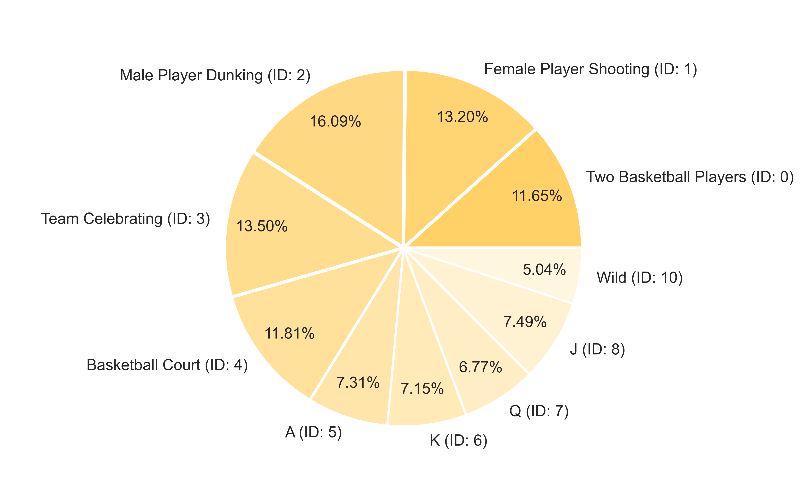
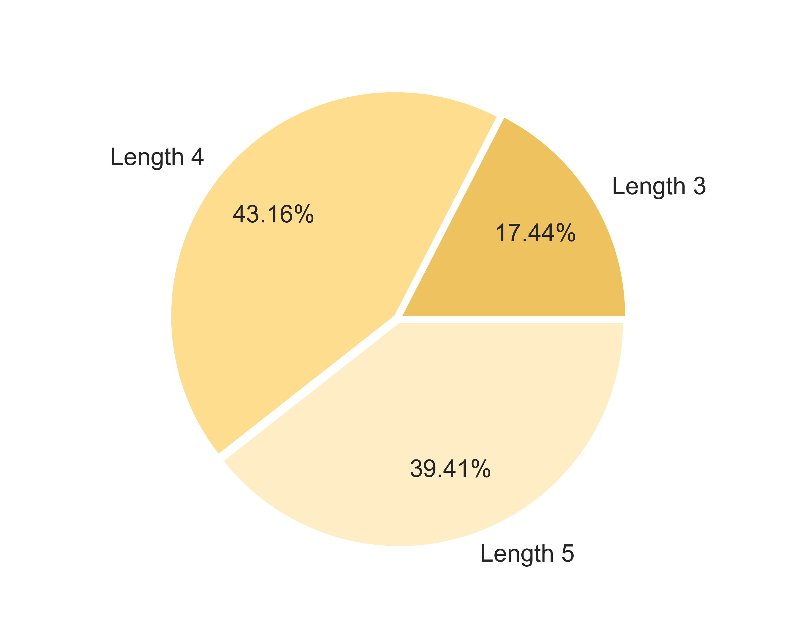

5. RTP Confidence Intervals |  |  |  |  |  |  |  |  |  |  |  |  |  | Go To Content

 | 5.1. 95% Confidence Intervals

 | Total RTP Confidence Intervals |  |  |  |  |  |  |  | Base Game RTP Confidence Intervals |  |  |  |  |  |  |  | Free Spins RTP Confidence Intervals |  |  |  |  |  |  | Base Re-Spin RTP Confidence Intervals |  |  |  |  | Free Re-Spin RTP Confidence Intervals |  |  |  | Spectacular Link RTP Confidence Intervals
 | Theoretical RTP (bet): |  |  |  | 0.9314 |  |  |  | Theoretical RTP (bet): |  |  |  | 0.2823 |  |  |  | Theoretical RTP (bet): |  |  |  | 0.0606 |  |  | Theoretical RTP (bet): |  |  | 0.1185 |  | Theoretical RTP (bet): |  | 0.0605 |  | Theoretical RTP (bet): |  | 0.4095
 | Standard deviation (bet): |  |  |  | 6.1125 |  |  |  | Standard deviation (bet): |  |  |  | 1.3242 |  |  |  | Standard deviation (bet): |  |  |  | 0.7746 |  |  | Standard deviation (bet): |  |  | 0.8454 |  | Standard deviation (bet): |  | 0.7693 |  | Standard deviation (bet): |  | 3.6872
 | Confidence: |  |  |  | 95% |  |  |  | Confidence: |  |  |  | 95% |  |  |  | Confidence: |  |  |  | 95% |  |  | Confidence: |  |  | 95% |  | Confidence: |  | 95% |  | Confidence: |  | 95%

 | Number of Games |  |  | RTP Min |  | RTP Max |  |  | Number of Games |  |  | RTP Min |  | RTP Max |  |  | Number of Games |  |  | RTP Min |  | RTP Max |  | Number of Games |  | RTP Min |  | RTP Max | Number of Games | RTP Min |  | RTP Max | Number of Games | RTP Min |  | RTP Max
 | 1,000 |  |  | 55.2517% |  | 131.0219% |  |  | 1,000 |  |  | 20.0179% |  | 36.4325% |  |  | 1,000 |  |  | 1.2578% |  | 10.8596% |  | 1,000 |  | 6.6085% |  | 17.0881% | 1,000 | 1.2850% |  | 10.8206% | 1,000 | 18.0987% |  | 63.8050%
 | 2,000 |  |  | 66.3480% |  | 119.9256% |  |  | 2,000 |  |  | 22.4218% |  | 34.0286% |  |  | 2,000 |  |  | 2.6639% |  | 9.4534% |  | 2,000 |  | 8.1432% |  | 15.5534% | 2,000 | 2.6814% |  | 9.4242% | 2,000 | 24.7922% |  | 57.1115%
 | 3,000 |  |  | 71.2638% |  | 115.0098% |  |  | 3,000 |  |  | 23.4867% |  | 32.9637% |  |  | 3,000 |  |  | 3.2869% |  | 8.8305% |  | 3,000 |  | 8.8231% |  | 14.8735% | 3,000 | 3.3001% |  | 8.8055% | 3,000 | 27.7576% |  | 54.1461%
 | 5,000 |  |  | 76.1941% |  | 110.0796% |  |  | 5,000 |  |  | 24.5548% |  | 31.8956% |  |  | 5,000 |  |  | 3.9116% |  | 8.2057% |  | 5,000 |  | 9.5050% |  | 14.1916% | 5,000 | 3.9206% |  | 8.1850% | 5,000 | 30.7316% |  | 51.1721%
 | 8,000 |  |  | 79.7424% |  | 106.5312% |  |  | 8,000 |  |  | 25.3235% |  | 31.1269% |  |  | 8,000 |  |  | 4.3613% |  | 7.7560% |  | 8,000 |  | 9.9958% |  | 13.7008% | 8,000 | 4.3671% |  | 7.7385% | 8,000 | 32.8720% |  | 49.0317%
 | 10,000 |  |  | 81.1565% |  | 105.1171% |  |  | 10,000 |  |  | 25.6298% |  | 30.8206% |  |  | 10,000 |  |  | 4.5405% |  | 7.5768% |  | 10,000 |  | 10.1913% |  | 13.5053% | 10,000 | 4.5451% |  | 7.5605% | 10,000 | 33.7250% |  | 48.1786%
 | 20,000 |  |  | 84.6655% |  | 101.6082% |  |  | 20,000 |  |  | 26.3900% |  | 30.0604% |  |  | 20,000 |  |  | 4.9852% |  | 7.1322% |  | 20,000 |  | 10.6767% |  | 13.0200% | 20,000 | 4.9867% |  | 7.1189% | 20,000 | 35.8417% |  | 46.0620%
 | 30,000 |  |  | 86.2200% |  | 100.0537% |  |  | 30,000 |  |  | 26.7268% |  | 29.7236% |  |  | 30,000 |  |  | 5.1822% |  | 6.9352% |  | 30,000 |  | 10.8917% |  | 12.8050% | 30,000 | 5.1823% |  | 6.9233% | 30,000 | 36.7794% |  | 45.1242%
 | 50,000 |  |  | 87.7791% |  | 98.4946% |  |  | 50,000 |  |  | 27.0645% |  | 29.3859% |  |  | 50,000 |  |  | 5.3797% |  | 6.7376% |  | 50,000 |  | 11.1073% |  | 12.5893% | 50,000 | 5.3785% |  | 6.7271% | 50,000 | 37.7199% |  | 44.1838%
 | 80,000 |  |  | 88.9011% |  | 97.3725% |  |  | 80,000 |  |  | 27.3076% |  | 29.1428% |  |  | 80,000 |  |  | 5.5219% |  | 6.5954% |  | 80,000 |  | 11.2625% |  | 12.4341% | 80,000 | 5.5197% |  | 6.5859% | 80,000 | 38.3968% |  | 43.5069%
 | 100,000 |  |  | 89.3483% |  | 96.9253% |  |  | 100,000 |  |  | 27.4045% |  | 29.0459% |  |  | 100,000 |  |  | 5.5786% |  | 6.5388% |  | 100,000 |  | 11.3243% |  | 12.3723% | 100,000 | 5.5760% |  | 6.5296% | 100,000 | 38.6665% |  | 43.2372%
 | 200,000 |  |  | 90.4579% |  | 95.8157% |  |  | 200,000 |  |  | 27.6449% |  | 28.8055% |  |  | 200,000 |  |  | 5.7192% |  | 6.3981% |  | 200,000 |  | 11.4778% |  | 12.2188% | 200,000 | 5.7157% |  | 6.3899% | 200,000 | 39.3359% |  | 42.5678%
 | 300,000 |  |  | 90.9495% |  | 95.3241% |  |  | 300,000 |  |  | 27.7514% |  | 28.6991% |  |  | 300,000 |  |  | 5.7815% |  | 6.3358% |  | 300,000 |  | 11.5458% |  | 12.1508% | 300,000 | 5.7775% |  | 6.3281% | 300,000 | 39.6324% |  | 42.2713%
 | 500,000 |  |  | 91.4425% |  | 94.8311% |  |  | 500,000 |  |  | 27.8582% |  | 28.5922% |  |  | 500,000 |  |  | 5.8440% |  | 6.2734% |  | 500,000 |  | 11.6140% |  | 12.0826% | 500,000 | 5.8396% |  | 6.2660% | 500,000 | 39.9298% |  | 41.9739%
 | 800,000 |  |  | 91.7974% |  | 94.4763% |  |  | 800,000 |  |  | 27.9350% |  | 28.5154% |  |  | 800,000 |  |  | 5.8889% |  | 6.2284% |  | 800,000 |  | 11.6631% |  | 12.0336% | 800,000 | 5.8842% |  | 6.2214% | 800,000 | 40.1439% |  | 41.7598%
 | 1,000,000 |  |  | 91.9388% |  | 94.3349% |  |  | 1,000,000 |  |  | 27.9657% |  | 28.4847% |  |  | 1,000,000 |  |  | 5.9069% |  | 6.2105% |  | 1,000,000 |  | 11.6826% |  | 12.0140% | 1,000,000 | 5.9020% |  | 6.2036% | 1,000,000 | 40.2292% |  | 41.6745%
 | 2,000,000 |  |  | 92.2897% |  | 93.9840% |  |  | 2,000,000 |  |  | 28.0417% |  | 28.4087% |  |  | 2,000,000 |  |  | 5.9513% |  | 6.1660% |  | 2,000,000 |  | 11.7311% |  | 11.9655% | 2,000,000 | 5.9462% |  | 6.1594% | 2,000,000 | 40.4408% |  | 41.4628%
 | 3,000,000 |  |  | 92.4451% |  | 93.8285% |  |  | 3,000,000 |  |  | 28.0754% |  | 28.3750% |  |  | 3,000,000 |  |  | 5.9710% |  | 6.1463% |  | 3,000,000 |  | 11.7526% |  | 11.9440% | 3,000,000 | 5.9658% |  | 6.1399% | 3,000,000 | 40.5346% |  | 41.3691%
 | 5,000,000 |  |  | 92.6010% |  | 93.6726% |  |  | 5,000,000 |  |  | 28.1091% |  | 28.3413% |  |  | 5,000,000 |  |  | 5.9908% |  | 6.1266% |  | 5,000,000 |  | 11.7742% |  | 11.9224% | 5,000,000 | 5.9854% |  | 6.1202% | 5,000,000 | 40.6286% |  | 41.2750%
 | 8,000,000 |  |  | 92.7133% |  | 93.5604% |  |  | 8,000,000 |  |  | 28.1334% |  | 28.3170% |  |  | 8,000,000 |  |  | 6.0050% |  | 6.1123% |  | 8,000,000 |  | 11.7897% |  | 11.9069% | 8,000,000 | 5.9995% |  | 6.1061% | 8,000,000 | 40.6963% |  | 41.2073%
 | 10,000,000 |  |  | 92.7580% |  | 93.5157% |  |  | 10,000,000 |  |  | 28.1431% |  | 28.3073% |  |  | 10,000,000 |  |  | 6.0107% |  | 6.1067% |  | 10,000,000 |  | 11.7959% |  | 11.9007% | 10,000,000 | 6.0051% |  | 6.1005% | 10,000,000 | 40.7233% |  | 41.1804%
 | 20,000,000 |  |  | 92.8689% |  | 93.4047% |  |  | 20,000,000 |  |  | 28.1672% |  | 28.2832% |  |  | 20,000,000 |  |  | 6.0247% |  | 6.0926% |  | 20,000,000 |  | 11.8113% |  | 11.8854% | 20,000,000 | 6.0191% |  | 6.0865% | 20,000,000 | 40.7902% |  | 41.1134%
 | 30,000,000 |  |  | 92.9181% |  | 93.3556% |  |  | 30,000,000 |  |  | 28.1778% |  | 28.2726% |  |  | 30,000,000 |  |  | 6.0310% |  | 6.0864% |  | 30,000,000 |  | 11.8181% |  | 11.8786% | 30,000,000 | 6.0253% |  | 6.0803% | 30,000,000 | 40.8199% |  | 41.0838%
 | 50,000,000 |  |  | 92.9674% |  | 93.3062% |  |  | 50,000,000 |  |  | 28.1885% |  | 28.2619% |  |  | 50,000,000 |  |  | 6.0372% |  | 6.0801% |  | 50,000,000 |  | 11.8249% |  | 11.8717% | 50,000,000 | 6.0315% |  | 6.0741% | 50,000,000 | 40.8496% |  | 41.0540%
 | 80,000,000 |  |  | 93.0029% |  | 93.2708% |  |  | 80,000,000 |  |  | 28.1962% |  | 28.2542% |  |  | 80,000,000 |  |  | 6.0417% |  | 6.0756% |  | 80,000,000 |  | 11.8298% |  | 11.8668% | 80,000,000 | 6.0359% |  | 6.0697% | 80,000,000 | 40.8710% |  | 41.0326%
 | 100,000,000 |  |  | 93.0170% |  | 93.2566% |  |  | 100,000,000 |  |  | 28.1993% |  | 28.2512% |  |  | 100,000,000 |  |  | 6.0435% |  | 6.0739% |  | 100,000,000 |  | 11.8317% |  | 11.8649% | 100,000,000 | 6.0377% |  | 6.0679% | 100,000,000 | 40.8796% |  | 41.0241%
 | 200,000,000 |  |  | 93.0521% |  | 93.2215% |  |  | 200,000,000 |  |  | 28.2069% |  | 28.2436% |  |  | 200,000,000 |  |  | 6.0479% |  | 6.0694% |  | 200,000,000 |  | 11.8366% |  | 11.8600% | 200,000,000 | 6.0421% |  | 6.0635% | 200,000,000 | 40.9007% |  | 41.0029%
 | 300,000,000 |  |  | 93.0677% |  | 93.2060% |  |  | 300,000,000 |  |  | 28.2102% |  | 28.2402% |  |  | 300,000,000 |  |  | 6.0499% |  | 6.0674% |  | 300,000,000 |  | 11.8387% |  | 11.8579% | 300,000,000 | 6.0441% |  | 6.0615% | 300,000,000 | 40.9101% |  | 40.9936%
 | 500,000,000 |  |  | 93.0832% |  | 93.1904% |  |  | 500,000,000 |  |  | 28.2136% |  | 28.2368% |  |  | 500,000,000 |  |  | 6.0519% |  | 6.0655% |  | 500,000,000 |  | 11.8409% |  | 11.8557% | 500,000,000 | 6.0461% |  | 6.0595% | 500,000,000 | 40.9195% |  | 40.9842%
 | 800,000,000 |  |  | 93.0945% |  | 93.1792% |  |  | 800,000,000 |  |  | 28.2160% |  | 28.2344% |  |  | 800,000,000 |  |  | 6.0533% |  | 6.0640% |  | 800,000,000 |  | 11.8425% |  | 11.8542% | 800,000,000 | 6.0475% |  | 6.0581% | 800,000,000 | 40.9263% |  | 40.9774%
 | 1,000,000,000 |  |  | 93.0989% |  | 93.1747% |  |  | 1,000,000,000 |  |  | 28.2170% |  | 28.2334% |  |  | 1,000,000,000 |  |  | 6.0539% |  | 6.0635% |  | 1,000,000,000 |  | 11.8431% |  | 11.8535% | 1,000,000,000 | 6.0480% |  | 6.0576% | 1,000,000,000 | 40.9290% |  | 40.9747%
 | 2,000,000,000 |  |  | 93.1100% |  | 93.1636% |  |  | 2,000,000,000 |  |  | 28.2194% |  | 28.2310% |  |  | 2,000,000,000 |  |  | 6.0553% |  | 6.0621% |  | 2,000,000,000 |  | 11.8446% |  | 11.8520% | 2,000,000,000 | 6.0494% |  | 6.0562% | 2,000,000,000 | 40.9357% |  | 40.9680%
 | 3,000,000,000 |  |  | 93.1149% |  | 93.1587% |  |  | 3,000,000,000 |  |  | 28.2205% |  | 28.2299% |  |  | 3,000,000,000 |  |  | 6.0559% |  | 6.0614% |  | 3,000,000,000 |  | 11.8453% |  | 11.8513% | 3,000,000,000 | 6.0501% |  | 6.0556% | 3,000,000,000 | 40.9386% |  | 40.9650%
 | 5,000,000,000 |  |  | 93.1199% |  | 93.1538% |  |  | 5,000,000,000 |  |  | 28.2215% |  | 28.2289% |  |  | 5,000,000,000 |  |  | 6.0565% |  | 6.0608% |  | 5,000,000,000 |  | 11.8460% |  | 11.8507% | 5,000,000,000 | 6.0507% |  | 6.0549% | 5,000,000,000 | 40.9416% |  | 40.9621%
 | 8,000,000,000 |  |  | 93.1234% |  | 93.1502% |  |  | 8,000,000,000 |  |  | 28.2223% |  | 28.2281% |  |  | 8,000,000,000 |  |  | 6.0570% |  | 6.0604% |  | 8,000,000,000 |  | 11.8465% |  | 11.8502% | 8,000,000,000 | 6.0511% |  | 6.0545% | 8,000,000,000 | 40.9438% |  | 40.9599%
 | 10,000,000,000 |  |  | 93.1248% |  | 93.1488% |  |  | 10,000,000,000 |  |  | 28.2226% |  | 28.2278% |  |  | 10,000,000,000 |  |  | 6.0572% |  | 6.0602% |  | 10,000,000,000 |  | 11.8467% |  | 11.8500% | 10,000,000,000 | 6.0513% |  | 6.0543% | 10,000,000,000 | 40.9446% |  | 40.9591%
 | 20,000,000,000 |  |  | 93.1284% |  | 93.1453% |  |  | 20,000,000,000 |  |  | 28.2234% |  | 28.2270% |  |  | 20,000,000,000 |  |  | 6.0576% |  | 6.0597% |  | 20,000,000,000 |  | 11.8471% |  | 11.8495% | 20,000,000,000 | 6.0517% |  | 6.0539% | 20,000,000,000 | 40.9467% |  | 40.9569%
 | 30,000,000,000 |  |  | 93.1299% |  | 93.1437% |  |  | 30,000,000,000 |  |  | 28.2237% |  | 28.2267% |  |  | 30,000,000,000 |  |  | 6.0578% |  | 6.0595% |  | 30,000,000,000 |  | 11.8474% |  | 11.8493% | 30,000,000,000 | 6.0519% |  | 6.0537% | 30,000,000,000 | 40.9477% |  | 40.9560%
 | 50,000,000,000 |  |  | 93.1315% |  | 93.1422% |  |  | 50,000,000,000 |  |  | 28.2240% |  | 28.2264% |  |  | 50,000,000,000 |  |  | 6.0580% |  | 6.0593% |  | 50,000,000,000 |  | 11.8476% |  | 11.8491% | 50,000,000,000 | 6.0521% |  | 6.0535% | 50,000,000,000 | 40.9486% |  | 40.9551%
 | 80,000,000,000 |  |  | 93.1326% |  | 93.1411% |  |  | 80,000,000,000 |  |  | 28.2243% |  | 28.2261% |  |  | 80,000,000,000 |  |  | 6.0581% |  | 6.0592% |  | 80,000,000,000 |  | 11.8477% |  | 11.8489% | 80,000,000,000 | 6.0523% |  | 6.0533% | 80,000,000,000 | 40.9493% |  | 40.9544%
 | 100,000,000,000 |  |  | 93.1330% |  | 93.1406% |  |  | 100,000,000,000 |  |  | 28.2244% |  | 28.2260% |  |  | 100,000,000,000 |  |  | 6.0582% |  | 6.0591% |  | 100,000,000,000 |  | 11.8478% |  | 11.8488% | 100,000,000,000 | 6.0523% |  | 6.0533% | 100,000,000,000 | 40.9496% |  | 40.9541%

 | 5.2. 99% Confidence Intervals |  |  |  |  |  |  |  |  |  |  |  | Go To Content

 | Total RTP Confidence Intervals |  |  |  |  |  |  |  | Base Game RTP Confidence Intervals |  |  |  |  |  |  |  | Free Spins RTP Confidence Intervals |  |  |  |  |  |  | Base Re-Spin RTP Confidence Intervals |  |  |  |  | Free Re-Spin RTP Confidence Intervals |  |  |  | Spectacular Link RTP Confidence Intervals
 | Theoretical RTP (bet): |  |  |  | 0.9314 |  |  |  | Theoretical RTP (bet): |  |  |  | 0.2823 |  |  |  | Theoretical RTP (bet): |  |  |  | 0.0606 |  |  | Theoretical RTP (bet): |  |  | 0.1185 |  | Theoretical RTP (bet): |  | 0.0605 |  | Theoretical RTP (bet): |  | 0.4095
 | Standard deviation (bet): |  |  |  | 6.1125 |  |  |  | Standard deviation (bet): |  |  |  | 1.3242 |  |  |  | Standard deviation (bet): |  |  |  | 0.7746 |  |  | Standard deviation (bet): |  |  | 0.8454 |  | Standard deviation (bet): |  | 0.7693 |  | Standard deviation (bet): |  | 3.6872
 | Confidence: |  |  |  | 99% |  |  |  | Confidence: |  |  |  | 99% |  |  |  | Confidence: |  |  |  | 99% |  |  | Confidence: |  |  | 99% |  | Confidence: |  | 99% |  | Confidence: |  | 99%

 | Number of Games |  |  | RTP Min |  | RTP Max |  |  | Number of Games |  |  | RTP Min |  | RTP Max |  |  | Number of Games |  |  | RTP Min |  | RTP Max |  | Number of Games |  | RTP Min |  | RTP Max | Number of Games | RTP Min |  | RTP Max | Number of Games | RTP Min |  | RTP Max
 | 1,000 |  |  | 43.3473% |  | 142.9263% |  |  | 1,000 |  |  | 17.4390% |  | 39.0114% |  |  | 1,000 |  |  | 0.0000% |  | 12.3681% |  | 1,000 |  | 4.9621% |  | 18.7345% | 1,000 | 0.0000% |  | 12.3188% | 1,000 | 10.9177% |  | 70.9860%
 | 2,000 |  |  | 57.9303% |  | 128.3433% |  |  | 2,000 |  |  | 20.5982% |  | 35.8522% |  |  | 2,000 |  |  | 1.5972% |  | 10.5201% |  | 2,000 |  | 6.9790% |  | 16.7176% | 2,000 | 1.6221% |  | 10.4835% | 2,000 | 19.7145% |  | 62.1892%
 | 3,000 |  |  | 64.3909% |  | 121.8828% |  |  | 3,000 |  |  | 21.9978% |  | 34.4526% |  |  | 3,000 |  |  | 2.4159% |  | 9.7014% |  | 3,000 |  | 7.8725% |  | 15.8241% | 3,000 | 2.4351% |  | 9.6705% | 3,000 | 23.6116% |  | 58.2921%
 | 5,000 |  |  | 70.8703% |  | 115.4034% |  |  | 5,000 |  |  | 23.4015% |  | 33.0489% |  |  | 5,000 |  |  | 3.2370% |  | 8.8803% |  | 5,000 |  | 8.7687% |  | 14.9279% | 5,000 | 3.2506% |  | 8.8550% | 5,000 | 27.5202% |  | 54.3835%
 | 8,000 |  |  | 75.5336% |  | 110.7401% |  |  | 8,000 |  |  | 24.4117% |  | 32.0387% |  |  | 8,000 |  |  | 3.8279% |  | 8.2894% |  | 8,000 |  | 9.4137% |  | 14.2830% | 8,000 | 3.8374% |  | 8.2682% | 8,000 | 30.3332% |  | 51.5705%
 | 10,000 |  |  | 77.3920% |  | 108.8816% |  |  | 10,000 |  |  | 24.8143% |  | 31.6361% |  |  | 10,000 |  |  | 4.0635% |  | 8.0539% |  | 10,000 |  | 9.6707% |  | 14.0259% | 10,000 | 4.0713% |  | 8.0343% | 10,000 | 31.4542% |  | 50.4495%
 | 20,000 |  |  | 82.0036% |  | 104.2701% |  |  | 20,000 |  |  | 25.8133% |  | 30.6371% |  |  | 20,000 |  |  | 4.6478% |  | 7.4695% |  | 20,000 |  | 10.3085% |  | 13.3881% | 20,000 | 4.6517% |  | 7.4539% | 20,000 | 34.2360% |  | 47.6677%
 | 30,000 |  |  | 84.0465% |  | 102.2271% |  |  | 30,000 |  |  | 26.2559% |  | 30.1945% |  |  | 30,000 |  |  | 4.9067% |  | 7.2106% |  | 30,000 |  | 10.5911% |  | 13.1056% | 30,000 | 4.9088% |  | 7.1968% | 30,000 | 35.4684% |  | 46.4353%
 | 50,000 |  |  | 86.0955% |  | 100.1781% |  |  | 50,000 |  |  | 26.6998% |  | 29.7506% |  |  | 50,000 |  |  | 5.1664% |  | 6.9510% |  | 50,000 |  | 10.8745% |  | 12.8222% | 50,000 | 5.1667% |  | 6.9389% | 50,000 | 36.7044% |  | 45.1993%
 | 80,000 |  |  | 87.5702% |  | 98.7035% |  |  | 80,000 |  |  | 27.0193% |  | 29.4311% |  |  | 80,000 |  |  | 5.3533% |  | 6.7641% |  | 80,000 |  | 11.0784% |  | 12.6182% | 80,000 | 5.3522% |  | 6.7534% | 80,000 | 37.5939% |  | 44.3098%
 | 100,000 |  |  | 88.1579% |  | 98.1158% |  |  | 100,000 |  |  | 27.1466% |  | 29.3038% |  |  | 100,000 |  |  | 5.4277% |  | 6.6896% |  | 100,000 |  | 11.1597% |  | 12.5369% | 100,000 | 5.4262% |  | 6.6794% | 100,000 | 37.9484% |  | 43.9553%
 | 200,000 |  |  | 89.6162% |  | 96.6575% |  |  | 200,000 |  |  | 27.4625% |  | 28.9879% |  |  | 200,000 |  |  | 5.6125% |  | 6.5048% |  | 200,000 |  | 11.3614% |  | 12.3352% | 200,000 | 5.6097% |  | 6.4959% | 200,000 | 38.8281% |  | 43.0756%
 | 300,000 |  |  | 90.2622% |  | 96.0114% |  |  | 300,000 |  |  | 27.6025% |  | 28.8479% |  |  | 300,000 |  |  | 5.6944% |  | 6.4229% |  | 300,000 |  | 11.4507% |  | 12.2459% | 300,000 | 5.6910% |  | 6.4146% | 300,000 | 39.2178% |  | 42.6859%
 | 500,000 |  |  | 90.9102% |  | 95.3635% |  |  | 500,000 |  |  | 27.7428% |  | 28.7076% |  |  | 500,000 |  |  | 5.7765% |  | 6.3408% |  | 500,000 |  | 11.5403% |  | 12.1563% | 500,000 | 5.7726% |  | 6.3330% | 500,000 | 39.6087% |  | 42.2950%
 | 800,000 |  |  | 91.3765% |  | 94.8971% |  |  | 800,000 |  |  | 27.8439% |  | 28.6066% |  |  | 800,000 |  |  | 5.8356% |  | 6.2817% |  | 800,000 |  | 11.6048% |  | 12.0918% | 800,000 | 5.8313% |  | 6.2743% | 800,000 | 39.8900% |  | 42.0137%
 | 1,000,000 |  |  | 91.5623% |  | 94.7113% |  |  | 1,000,000 |  |  | 27.8841% |  | 28.5663% |  |  | 1,000,000 |  |  | 5.8591% |  | 6.2582% |  | 1,000,000 |  | 11.6305% |  | 12.0661% | 1,000,000 | 5.8547% |  | 6.2510% | 1,000,000 | 40.0021% |  | 41.9016%
 | 2,000,000 |  |  | 92.0235% |  | 94.2501% |  |  | 2,000,000 |  |  | 27.9840% |  | 28.4664% |  |  | 2,000,000 |  |  | 5.9176% |  | 6.1998% |  | 2,000,000 |  | 11.6943% |  | 12.0023% | 2,000,000 | 5.9127% |  | 6.1929% | 2,000,000 | 40.2803% |  | 41.6234%
 | 3,000,000 |  |  | 92.2278% |  | 94.0458% |  |  | 3,000,000 |  |  | 28.0283% |  | 28.4221% |  |  | 3,000,000 |  |  | 5.9435% |  | 6.1739% |  | 3,000,000 |  | 11.7226% |  | 11.9740% | 3,000,000 | 5.9384% |  | 6.1672% | 3,000,000 | 40.4035% |  | 41.5002%
 | 5,000,000 |  |  | 92.4327% |  | 93.8410% |  |  | 5,000,000 |  |  | 28.0727% |  | 28.3777% |  |  | 5,000,000 |  |  | 5.9694% |  | 6.1479% |  | 5,000,000 |  | 11.7509% |  | 11.9457% | 5,000,000 | 5.9642% |  | 6.1414% | 5,000,000 | 40.5271% |  | 41.3766%
 | 8,000,000 |  |  | 92.5802% |  | 93.6935% |  |  | 8,000,000 |  |  | 28.1046% |  | 28.3458% |  |  | 8,000,000 |  |  | 5.9881% |  | 6.1292% |  | 8,000,000 |  | 11.7713% |  | 11.9253% | 8,000,000 | 5.9827% |  | 6.1229% | 8,000,000 | 40.6160% |  | 41.2876%
 | 10,000,000 |  |  | 92.6389% |  | 93.6347% |  |  | 10,000,000 |  |  | 28.1173% |  | 28.3331% |  |  | 10,000,000 |  |  | 5.9956% |  | 6.1218% |  | 10,000,000 |  | 11.7794% |  | 11.9172% | 10,000,000 | 5.9901% |  | 6.1155% | 10,000,000 | 40.6515% |  | 41.2522%
 | 20,000,000 |  |  | 92.7848% |  | 93.4889% |  |  | 20,000,000 |  |  | 28.1489% |  | 28.3015% |  |  | 20,000,000 |  |  | 6.0141% |  | 6.1033% |  | 20,000,000 |  | 11.7996% |  | 11.8970% | 20,000,000 | 6.0085% |  | 6.0971% | 20,000,000 | 40.7395% |  | 41.1642%
 | 30,000,000 |  |  | 92.8494% |  | 93.4243% |  |  | 30,000,000 |  |  | 28.1629% |  | 28.2875% |  |  | 30,000,000 |  |  | 6.0222% |  | 6.0951% |  | 30,000,000 |  | 11.8086% |  | 11.8881% | 30,000,000 | 6.0166% |  | 6.0890% | 30,000,000 | 40.7784% |  | 41.1252%
 | 50,000,000 |  |  | 92.9142% |  | 93.3595% |  |  | 50,000,000 |  |  | 28.1770% |  | 28.2734% |  |  | 50,000,000 |  |  | 6.0305% |  | 6.0869% |  | 50,000,000 |  | 11.8175% |  | 11.8791% | 50,000,000 | 6.0248% |  | 6.0808% | 50,000,000 | 40.8175% |  | 41.0862%
 | 80,000,000 |  |  | 92.9608% |  | 93.3129% |  |  | 80,000,000 |  |  | 28.1871% |  | 28.2633% |  |  | 80,000,000 |  |  | 6.0364% |  | 6.0810% |  | 80,000,000 |  | 11.8240% |  | 11.8727% | 80,000,000 | 6.0307% |  | 6.0750% | 80,000,000 | 40.8456% |  | 41.0580%
 | 100,000,000 |  |  | 92.9794% |  | 93.2943% |  |  | 100,000,000 |  |  | 28.1911% |  | 28.2593% |  |  | 100,000,000 |  |  | 6.0387% |  | 6.0786% |  | 100,000,000 |  | 11.8265% |  | 11.8701% | 100,000,000 | 6.0330% |  | 6.0726% | 100,000,000 | 40.8569% |  | 41.0468%
 | 200,000,000 |  |  | 93.0255% |  | 93.2482% |  |  | 200,000,000 |  |  | 28.2011% |  | 28.2493% |  |  | 200,000,000 |  |  | 6.0446% |  | 6.0728% |  | 200,000,000 |  | 11.8329% |  | 11.8637% | 200,000,000 | 6.0388% |  | 6.0668% | 200,000,000 | 40.8847% |  | 41.0190%
 | 300,000,000 |  |  | 93.0459% |  | 93.2277% |  |  | 300,000,000 |  |  | 28.2055% |  | 28.2449% |  |  | 300,000,000 |  |  | 6.0471% |  | 6.0702% |  | 300,000,000 |  | 11.8357% |  | 11.8609% | 300,000,000 | 6.0414% |  | 6.0642% | 300,000,000 | 40.8970% |  | 41.0067%
 | 500,000,000 |  |  | 93.0664% |  | 93.2072% |  |  | 500,000,000 |  |  | 28.2100% |  | 28.2405% |  |  | 500,000,000 |  |  | 6.0497% |  | 6.0676% |  | 500,000,000 |  | 11.8386% |  | 11.8580% | 500,000,000 | 6.0439% |  | 6.0617% | 500,000,000 | 40.9094% |  | 40.9943%
 | 800,000,000 |  |  | 93.0812% |  | 93.1925% |  |  | 800,000,000 |  |  | 28.2131% |  | 28.2373% |  |  | 800,000,000 |  |  | 6.0516% |  | 6.0657% |  | 800,000,000 |  | 11.8406% |  | 11.8560% | 800,000,000 | 6.0458% |  | 6.0598% | 800,000,000 | 40.9183% |  | 40.9854%
 | 1,000,000,000 |  |  | 93.0870% |  | 93.1866% |  |  | 1,000,000,000 |  |  | 28.2144% |  | 28.2360% |  |  | 1,000,000,000 |  |  | 6.0524% |  | 6.0650% |  | 1,000,000,000 |  | 11.8414% |  | 11.8552% | 1,000,000,000 | 6.0465% |  | 6.0591% | 1,000,000,000 | 40.9218% |  | 40.9819%
 | 2,000,000,000 |  |  | 93.1016% |  | 93.1720% |  |  | 2,000,000,000 |  |  | 28.2176% |  | 28.2328% |  |  | 2,000,000,000 |  |  | 6.0542% |  | 6.0631% |  | 2,000,000,000 |  | 11.8434% |  | 11.8532% | 2,000,000,000 | 6.0484% |  | 6.0572% | 2,000,000,000 | 40.9306% |  | 40.9731%
 | 3,000,000,000 |  |  | 93.1081% |  | 93.1656% |  |  | 3,000,000,000 |  |  | 28.2190% |  | 28.2314% |  |  | 3,000,000,000 |  |  | 6.0550% |  | 6.0623% |  | 3,000,000,000 |  | 11.8443% |  | 11.8523% | 3,000,000,000 | 6.0492% |  | 6.0564% | 3,000,000,000 | 40.9345% |  | 40.9692%
 | 5,000,000,000 |  |  | 93.1146% |  | 93.1591% |  |  | 5,000,000,000 |  |  | 28.2204% |  | 28.2300% |  |  | 5,000,000,000 |  |  | 6.0558% |  | 6.0615% |  | 5,000,000,000 |  | 11.8452% |  | 11.8514% | 5,000,000,000 | 6.0500% |  | 6.0556% | 5,000,000,000 | 40.9384% |  | 40.9653%
 | 8,000,000,000 |  |  | 93.1192% |  | 93.1544% |  |  | 8,000,000,000 |  |  | 28.2214% |  | 28.2290% |  |  | 8,000,000,000 |  |  | 6.0564% |  | 6.0609% |  | 8,000,000,000 |  | 11.8459% |  | 11.8507% | 8,000,000,000 | 6.0506% |  | 6.0550% | 8,000,000,000 | 40.9412% |  | 40.9625%
 | 10,000,000,000 |  |  | 93.1211% |  | 93.1526% |  |  | 10,000,000,000 |  |  | 28.2218% |  | 28.2286% |  |  | 10,000,000,000 |  |  | 6.0567% |  | 6.0607% |  | 10,000,000,000 |  | 11.8461% |  | 11.8505% | 10,000,000,000 | 6.0508% |  | 6.0548% | 10,000,000,000 | 40.9423% |  | 40.9613%
 | 20,000,000,000 |  |  | 93.1257% |  | 93.1480% |  |  | 20,000,000,000 |  |  | 28.2228% |  | 28.2276% |  |  | 20,000,000,000 |  |  | 6.0573% |  | 6.0601% |  | 20,000,000,000 |  | 11.8468% |  | 11.8498% | 20,000,000,000 | 6.0514% |  | 6.0542% | 20,000,000,000 | 40.9451% |  | 40.9586%
 | 30,000,000,000 |  |  | 93.1277% |  | 93.1459% |  |  | 30,000,000,000 |  |  | 28.2232% |  | 28.2272% |  |  | 30,000,000,000 |  |  | 6.0575% |  | 6.0598% |  | 30,000,000,000 |  | 11.8471% |  | 11.8496% | 30,000,000,000 | 6.0517% |  | 6.0539% | 30,000,000,000 | 40.9464% |  | 40.9573%
 | 50,000,000,000 |  |  | 93.1298% |  | 93.1439% |  |  | 50,000,000,000 |  |  | 28.2237% |  | 28.2267% |  |  | 50,000,000,000 |  |  | 6.0578% |  | 6.0596% |  | 50,000,000,000 |  | 11.8473% |  | 11.8493% | 50,000,000,000 | 6.0519% |  | 6.0537% | 50,000,000,000 | 40.9476% |  | 40.9561%
 | 80,000,000,000 |  |  | 93.1313% |  | 93.1424% |  |  | 80,000,000,000 |  |  | 28.2240% |  | 28.2264% |  |  | 80,000,000,000 |  |  | 6.0580% |  | 6.0594% |  | 80,000,000,000 |  | 11.8475% |  | 11.8491% | 80,000,000,000 | 6.0521% |  | 6.0535% | 80,000,000,000 | 40.9485% |  | 40.9552%
 | 100,000,000,000 |  |  | 93.1318% |  | 93.1418% |  |  | 100,000,000,000 |  |  | 28.2241% |  | 28.2263% |  |  | 100,000,000,000 |  |  | 6.0580% |  | 6.0593% |  | 100,000,000,000 |  | 11.8476% |  | 11.8490% | 100,000,000,000 | 6.0522% |  | 6.0534% | 100,000,000,000 | 40.9488% |  | 40.9548%

6. Win Amount Statistics |  |  |  |  |  |  |  |  |  |  |  |  |  | Go To Content

 | 6.1. Top Award Statistics

 |  |  |  | Number of Games |  |  | Top Award
 |  |  |  | 5 Thousand |  |  | 130.0x bets
 |  |  |  | 10 Thousand |  |  | 156.0x bets
 |  |  |  | 50 Thousand |  |  | 310.0x bets
 |  |  |  | 100 Thousand |  |  | 500.0x bets
 |  |  |  | 500 Thousand |  |  | 500.0x bets
 |  |  |  | 1 Million |  |  | 500.4x bets
 |  |  |  | 5 Million |  |  | 506.2x bets
 |  |  |  | 10 Million |  |  | 511.2x bets
 |  |  |  | 14 Million |  |  | 515.3x bets
 |  |  |  | 20 Million |  |  | 521.6x bets
 |  |  |  | 30 Million |  |  | 532.0x bets
 |  |  |  | 50 Million |  |  | 548.0x bets
 |  |  |  | 100 Million |  |  | 576.0x bets
 |  |  |  | 1 Billiard |  |  | 660.2x bets
 |  |  |  | 10 Billiard |  |  | 734.0x bets
 |  |  |  | 100 Billiard |  |  | 822.0x bets

 | 6.2. Max Bet Multiplier |  |  |  |  |  |  |  |  |  |  |  | Go To Content

 |  |  | Max Bet Multiplier: |  |  |  | 876.0x bets
 |  |  | Max Bet Multiplier Counter: |  |  |  | 1
 |  |  | Pulls to Hit Max Bet Multiplier: |  |  |  | 1 in 100,000,000,000.00
 |  |  | *calculated based on simulation of 100,000,000,000 spins

7. Wild Feature Statistics |  |  |  |  |  |  |  |  |  |  |  |  |  | Go To Content

 | 7.1. Number of Wilds Distribution Base Game

 |  |  | Average number of Wild: (without zero case) |  |  |  |  | 3.76
 |  |  | Pulls to hit any Wilds: (without zero case, 1 in ... base spins) |  |  |  |  | 1 in 9.00
 |  |  | Pulls to hit 3+ Wilds: (1 in ... base spins) |  |  |  |  | 1 in 9.00
 |  |  | Pulls to hit 5+ Wilds: (1 in ... base spins) |  |  |  |  | 1 in 48.83
 |  |  | Pulls to hit 7+ Wilds: (1 in ... base spins) |  |  |  |  | 1 in 265.25
 |  |  | Pulls to hit 10+ Wilds: (1 in ... base spins) |  |  |  |  | 1 in 3,332.33
 |  |  | Pulls to hit 15+ Wilds: (1 in ... base spins) |  |  |  |  | 1 in 99,804.98

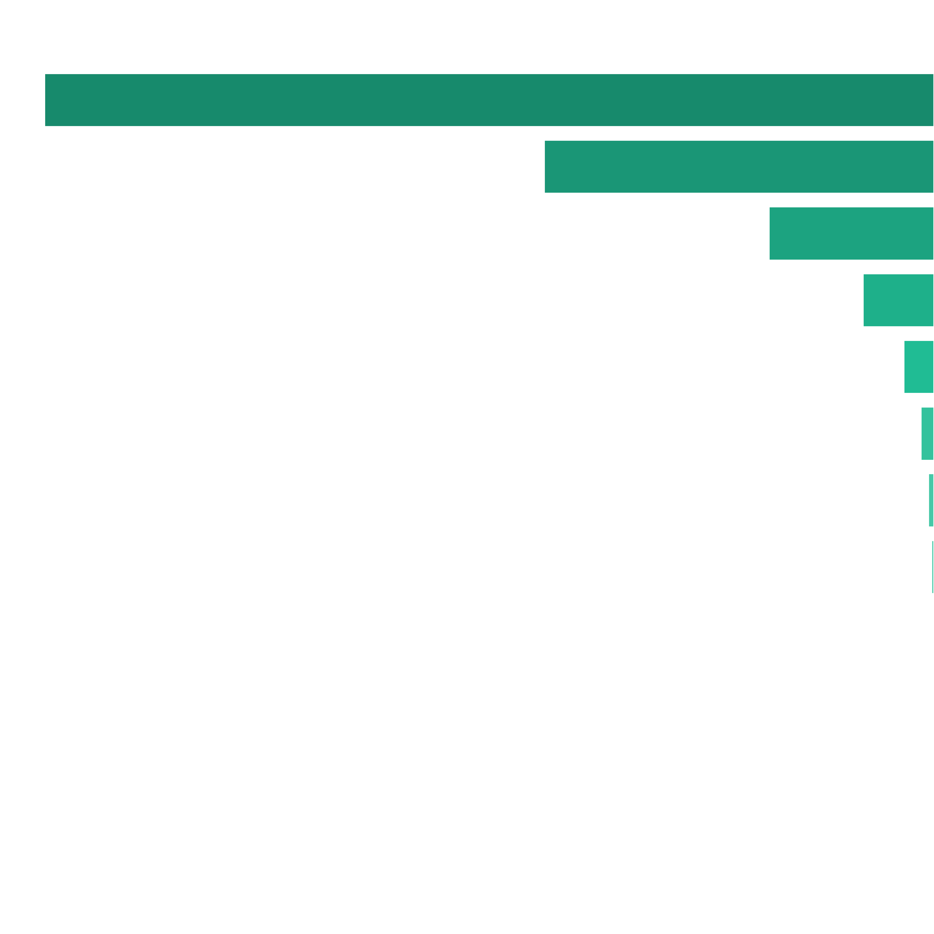
 | Number of Wilds in View Distribution |  |  |  |  |  |  |  | Wilds Count |  | Pulls to Hit (1 in ... feature spins) |  | Merged Ranges (1 in ... feature spins) |  | Percent (from feature spins) |  | Merged Ranges (from feature spins)
 |  |  |  |  |  |  |  |  | 0 |  | 1 in 1.13 |  | 1 in 1.13 |  | 88.89% |  | 88.41%
 |  |  |  |  |  |  |  |  | 3 |  | 1 in 15.87 |  | 1 in 9.37 |  | 6.30% |  | 10.68%
 |  |  |  |  |  |  |  |  | 4 |  | 1 in 36.21 |  |  |  | 2.76%
 |  |  |  |  |  |  |  |  | 5 |  | 1 in 85.54 |  |  |  | 1.17%
 |  |  |  |  |  |  |  |  | 6 |  | 1 in 199.20 |  | 1 in 118.43 |  | 0.50% |  | 0.84%
 |  |  |  |  |  |  |  |  | 7 |  | 1 in 465.17 |  |  |  | 0.21%
 |  |  |  |  |  |  |  |  | 8 |  | 1 in 1,086.84 |  |  |  | 0.09%
 |  |  |  |  |  |  |  |  | 9 |  | 1 in 2,499.45 |  | 1 in 1,478.20 |  | 0.04% |  | 0.07%
 |  |  |  |  |  |  |  |  | 10 |  | 1 in 5,879.38 |  |  |  | 0.02%
 |  |  |  |  |  |  |  |  | 11 |  | 1 in 14,282.49 |  |  |  | 0.01%
 |  |  |  |  |  |  |  |  | 12 |  | 1 in 33,340.58 |  |  |  | 0.00%
 |  |  |  |  |  |  |  |  | 13 |  | 1 in 100,133.78 |  | 1 in 33,519.83 |  | 0.00% |  | 0.00%
 |  |  |  |  |  |  |  |  | 14 |  | 1 in 100,111.12 |  |  |  | 0.00%
 |  |  |  |  |  |  |  |  | 15 |  | 1 in 99,804.98 |  |  |  | 0.00%
 |  |  |  |  |  |  |  |  | Total: |  | 1 in 9.00 |  |  |  | 11.11%

 | 7.2. Number of Wilds Distribution Free Game |  |  |  |  |  |  |  |  |  |  |  | Go To Content

 |  |  | Average number of Wild: (without zero case) |  |  |  |  | 3.55
 |  |  | Pulls to hit any Wilds: (without zero case, 1 in ... feature spins) |  |  |  |  | 1 in 1.00
 |  |  | Pulls to hit 3+ Wilds: (1 in ... feature spins) |  |  |  |  | 1 in 1.00
 |  |  | Pulls to hit 5+ Wilds: (1 in ... feature spins) |  |  |  |  | 1 in 7.88
 |  |  | Pulls to hit 7+ Wilds: (1 in ... feature spins) |  |  |  |  | 1 in 72.68
 |  |  | Pulls to hit 10+ Wilds: (1 in ... feature spins) |  |  |  |  | 1 in 1,590.00
 |  |  | Pulls to hit 15+ Wilds: (1 in ... feature spins) |  |  |  |  | 1 in 65,658.43

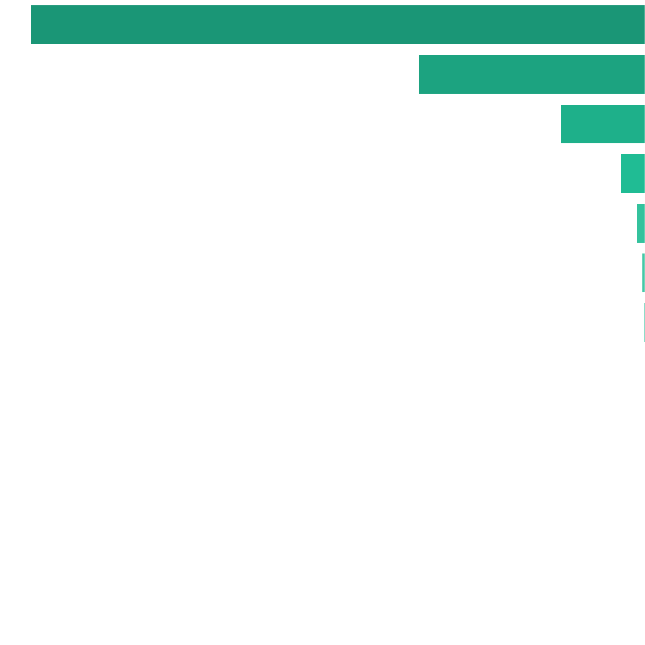
 | Number of Wilds in View Distribution |  |  |  |  |  |  |  | Wilds Count |  | Pulls to Hit (1 in ... feature spins) |  | Merged Ranges (1 in ... feature spins) |  | Percent (from feature spins) |  | Merged Ranges (from feature spins)
 |  |  |  |  |  |  |  |  | 3 |  | 1 in 1.57 |  | 1 in 1.04 |  | 63.77% |  | 96.07%
 |  |  |  |  |  |  |  |  | 4 |  | 1 in 4.25 |  |  |  | 23.55%
 |  |  |  |  |  |  |  |  | 5 |  | 1 in 11.41 |  |  |  | 8.77%
 |  |  |  |  |  |  |  |  | 6 |  | 1 in 39.29 |  | 1 in 26.61 |  | 2.55% |  | 3.76%
 |  |  |  |  |  |  |  |  | 7 |  | 1 in 113.06 |  |  |  | 0.88%
 |  |  |  |  |  |  |  |  | 8 |  | 1 in 317.05 |  |  |  | 0.32%
 |  |  |  |  |  |  |  |  | 9 |  | 1 in 884.34 |  | 1 in 593.67 |  | 0.11% |  | 0.17%
 |  |  |  |  |  |  |  |  | 10 |  | 1 in 2,498.07 |  |  |  | 0.04%
 |  |  |  |  |  |  |  |  | 11 |  | 1 in 7,299.37 |  |  |  | 0.01%
 |  |  |  |  |  |  |  |  | 12 |  | 1 in 21,793.14 |  |  |  | 0.00%
 |  |  |  |  |  |  |  |  | 13 |  | 1 in 65,524.37 |  | 1 in 22,444.50 |  | 0.00% |  | 0.00%
 |  |  |  |  |  |  |  |  | 14 |  | 1 in 65,583.73 |  |  |  | 0.00%
 |  |  |  |  |  |  |  |  | 15 |  | 1 in 65,658.43 |  |  |  | 0.00%
 |  |  |  |  |  |  |  |  | Total: |  | 1 in 1.00 |  |  |  | 100.00%

 | 7.3. Number of Wilds Distribution Special Free Spin |  |  |  |  |  |  |  |  |  |  |  | Go To Content

 |  |  | Average number of Wild: (without zero case) |  |  |  |  | 8.13
 |  |  | Pulls to hit any Wilds: (without zero case, 1 in ... feature spins) |  |  |  |  | 1 in 1.00
 |  |  | Pulls to hit 7+ Wilds: (1 in ... feature spins) |  |  |  |  | 1 in 1.00

 | Number of Wilds in View Distribution |  |  |  |  |  |  |  | Wilds Count |  | Pulls to Hit (1 in ... feature spins) |  | Merged Ranges (1 in ... feature spins) |  | Percent (from feature spins) |  | Merged Ranges (from feature spins)
 |  |  |  |  |  |  |  |  | 7 |  | 1 in 3.66 |  | 1 in 1.00 |  | 27.31% |  | 100.00%
 |  |  |  |  |  |  |  |  | 8 |  | 1 in 3.06 |  |  |  | 32.69%
 |  |  |  |  |  |  |  |  | 9 |  | 1 in 2.50 |  |  |  | 40.00%
 |  |  |  |  |  |  |  |  | Total: |  | 1 in 1.00 |  |  |  | 100.00%

 | 7.4. Wilds Positions Base Game |  |  |  |  |  |  |  |  |  |  |  | Go To Content


 |  |  | 2.20% (1 in 45.44) |  | 4.86% (1 in 20.60) |  | 5.68% (1 in 17.62) |  | 12.13% (1 in 8.24) |  | 7.76% (1 in 12.89)

 |  |  | 2.20% (1 in 45.44) |  | 5.15% (1 in 19.43) |  | 6.74% (1 in 14.84) |  | 12.91% (1 in 7.75) |  | 7.76% (1 in 12.89)

 |  |  | 2.20% (1 in 45.44) |  | 4.86% (1 in 20.60) |  | 5.68% (1 in 17.62) |  | 12.13% (1 in 8.24) |  | 7.76% (1 in 12.89)

 | 7.5. Wilds Positions Free Game |  |  |  |  |  |  |  |  |  |  |  | Go To Content


 |  |  | 1.92% (1 in 51.96) |  | 4.26% (1 in 23.46) |  | 5.37% (1 in 18.63) |  | 13.11% (1 in 7.62) |  | 8.29% (1 in 12.07)

 |  |  | 1.94% (1 in 51.66) |  | 4.42% (1 in 22.61) |  | 5.92% (1 in 16.90) |  | 13.52% (1 in 7.40) |  | 8.29% (1 in 12.06)

 |  |  | 1.92% (1 in 51.96) |  | 4.27% (1 in 23.45) |  | 5.37% (1 in 18.63) |  | 13.11% (1 in 7.63) |  | 8.29% (1 in 12.07)

 | 7.6. Wilds Positions Special Free Spin |  |  |  |  |  |  |  |  |  |  |  | Go To Content


 |  |  | 3.56% (1 in 28.11) |  | 6.58% (1 in 15.19) |  | 7.12% (1 in 14.04) |  | 10.17% (1 in 9.84) |  | 5.13% (1 in 19.47)

 |  |  | 3.61% (1 in 27.68) |  | 7.17% (1 in 13.94) |  | 8.13% (1 in 12.30) |  | 10.75% (1 in 9.30) |  | 5.21% (1 in 19.21)

 |  |  | 3.55% (1 in 28.14) |  | 6.59% (1 in 15.17) |  | 7.12% (1 in 14.05) |  | 10.17% (1 in 9.84) |  | 5.14% (1 in 19.47)

8. Free Spins Statistics |  |  |  |  |  |  |  |  |  |  |  |  |  | Go To Content

 | 8.1. Regular Free Spin and Re-Spin Win Distribution

 |  |  | Average Win: (with zero wins) |  |  |  | 1.57x bets
 |  |  | Average Win: (no zero wins) |  |  |  | 5.75x bets
 |  |  | Win Frequency: (1 in .. feature spins) |  |  |  | 1 in 3.66
 |  |  | Win Frequency: (1 in .. base spins) |  |  |  | 1 in 117.54

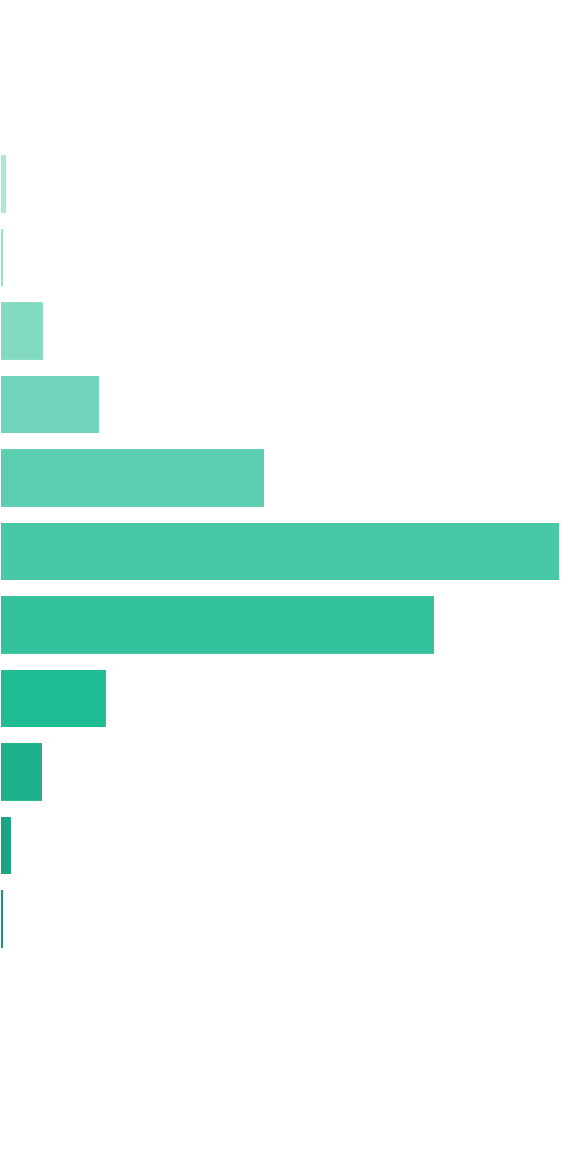
 | Win Ranges |  | Win in Range (1 in ... feature spins) |  | Win in Range (1 in ... base spins) |  | Average Win (in range) |  | Max Win (in range) |  | RTP (from whole RTP) |  | RTP (from common RTP)
 | [0x, 0x] |  | 1 in 1.38 |  | 1 in 44.21 |  | 0.00x bets |  | 0.00x bets |  | 0.000% |  | 0.000%
 | (0x, 0.5x] |  | 1 in 236.07 |  | 1 in 7,583.75 |  | 0.36x bets |  | 0.50x bets |  | 0.005% |  | 0.097%
 | (0.5x, 1x) |  | 1 in 116.97 |  | 1 in 3,757.68 |  | 0.75x bets |  | 0.90x bets |  | 0.020% |  | 0.406%
 | [1x, 1x] |  | 1 in 271.28 |  | 1 in 8,715.01 |  | 1.00x bets |  | 1.00x bets |  | 0.011% |  | 0.235%
 | (1x, 2x) |  | 1 in 34.77 |  | 1 in 1,116.91 |  | 1.51x bets |  | 1.90x bets |  | 0.135% |  | 2.760%
 | [2x, 3x) |  | 1 in 24.19 |  | 1 in 777.08 |  | 2.40x bets |  | 2.90x bets |  | 0.309% |  | 6.319%
 | [3x, 5x) |  | 1 in 14.79 |  | 1 in 475.25 |  | 3.90x bets |  | 4.90x bets |  | 0.820% |  | 16.766%
 | [5x, 10x) |  | 1 in 12.42 |  | 1 in 399.08 |  | 6.92x bets |  | 9.90x bets |  | 1.733% |  | 35.454%
 | [10x, 20x) |  | 1 in 30.56 |  | 1 in 981.76 |  | 13.22x bets |  | 19.90x bets |  | 1.346% |  | 27.533%
 | [20x, 30x) |  | 1 in 221.09 |  | 1 in 7,102.58 |  | 23.44x bets |  | 29.90x bets |  | 0.330% |  | 6.749%
 | [30x, 50x) |  | 1 in 842.45 |  | 1 in 27,063.97 |  | 35.97x bets |  | 49.90x bets |  | 0.133% |  | 2.718%
 | [50x, 100x) |  | 1 in 5,490.35 |  | 1 in 176,379.60 |  | 62.95x bets |  | 99.90x bets |  | 0.036% |  | 0.730%
 | [100x, 200x) |  | 1 in 29,652.22 |  | 1 in 952,589.61 |  | 109.39x bets |  | 150.00x bets |  | 0.011% |  | 0.235%
 | [200x, 500x) |  | 1 in inf |  | 1 in inf |  | nan |  | 0.00 |  | 0.000% |  | 0.000%
 | [500x, 1000x) |  | 1 in inf |  | 1 in inf |  | nan |  | 0.00 |  | 0.000% |  | 0.000%
 | [1000x, inf) |  | 1 in inf |  | 1 in inf |  | nan |  | 0.00 |  | 0.000% |  | 0.000%
 | Total |  | 1 in 3.66 |  | 1 in 117.54 |  | 5.75x bets |  | 150.00x bets |  | 4.89% |  | 100.00%

 | 8.2. Special Free Spin and Re-Spin Win Distribution |  |  |  |  |  |  |  |  |  |  |  | Go To Content

 |  |  | Average Win: (with zero wins) |  |  |  | 21.69x bets
 |  |  | Average Win: (no zero wins) |  |  |  | 23.29x bets
 |  |  | Win Frequency: (1 in .. feature spins) |  |  |  | 1 in 1.07
 |  |  | Win Frequency: (1 in .. base spins) |  |  |  | 1 in 322.51

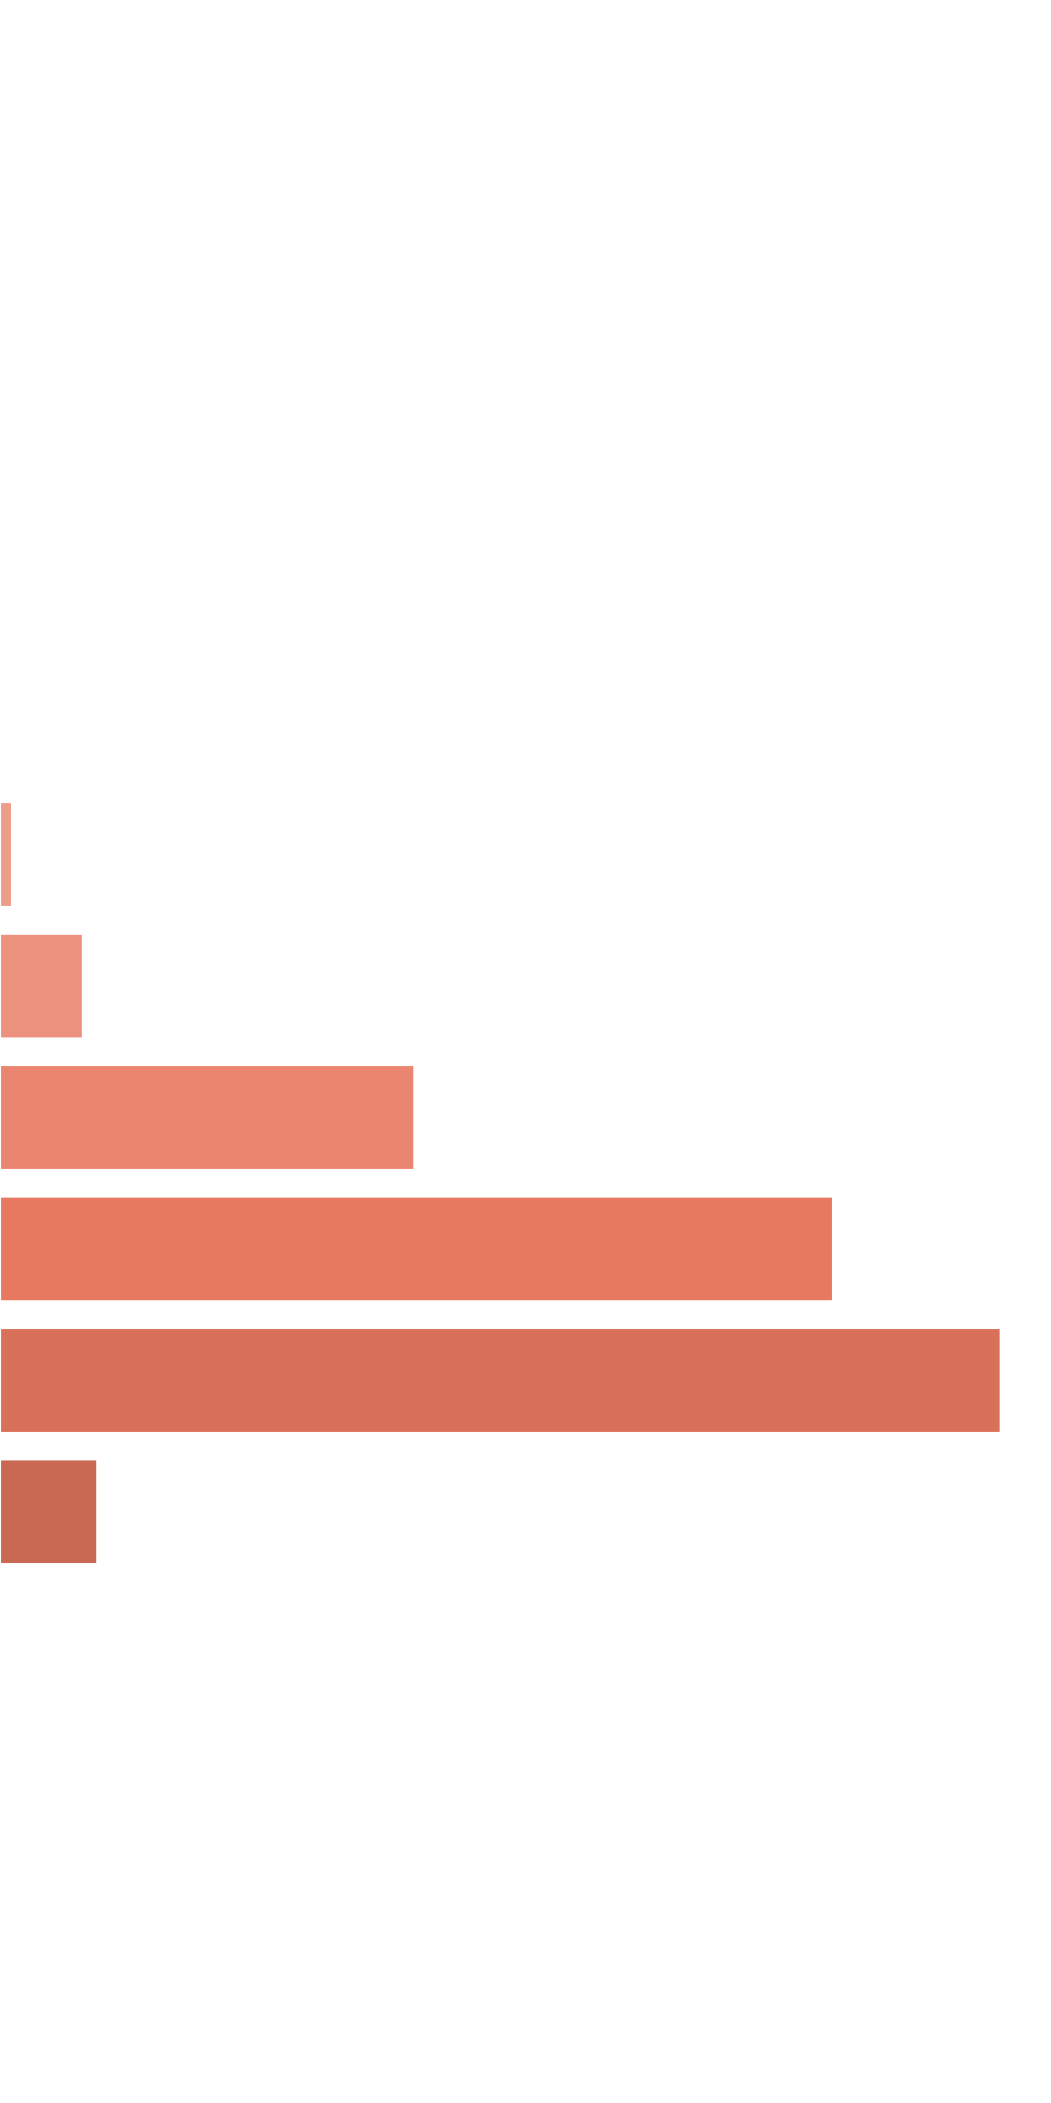
 | Win Ranges |  | Win in Range (1 in ... feature spins) |  | Win in Range (1 in ... base spins) |  | Average Win (in range) |  | Max Win (in range) |  | RTP (from whole RTP) |  | RTP (from common RTP)
 | [0x, 0x] |  | 1 in 14.50 |  | 1 in 4,352.94 |  | 0.00x bets |  | 0.00x bets |  | 0.000% |  | 0.000%
 | (0x, 0.5x] |  | 1 in 41,448.53 |  | 1 in 12,445,550.72 |  | 0.36x bets |  | 0.50x bets |  | 0.000% |  | 0.000%
 | (0.5x, 1x) |  | 1 in 2,875.29 |  | 1 in 863,349.10 |  | 0.80x bets |  | 0.90x bets |  | 0.000% |  | 0.001%
 | [1x, 1x] |  | 1 in 10,609.38 |  | 1 in 3,185,626.45 |  | 1.00x bets |  | 1.00x bets |  | 0.000% |  | 0.000%
 | (1x, 2x) |  | 1 in 748.57 |  | 1 in 224,770.62 |  | 1.55x bets |  | 1.90x bets |  | 0.001% |  | 0.010%
 | [2x, 3x) |  | 1 in 306.48 |  | 1 in 92,026.37 |  | 2.35x bets |  | 2.90x bets |  | 0.003% |  | 0.035%
 | [3x, 5x) |  | 1 in 37.30 |  | 1 in 11,199.80 |  | 4.01x bets |  | 4.90x bets |  | 0.036% |  | 0.496%
 | [5x, 10x) |  | 1 in 10.46 |  | 1 in 3,142.17 |  | 7.69x bets |  | 9.90x bets |  | 0.245% |  | 3.389%
 | [10x, 20x) |  | 1 in 4.10 |  | 1 in 1,231.91 |  | 15.10x bets |  | 19.90x bets |  | 1.226% |  | 16.976%
 | [20x, 30x) |  | 1 in 3.34 |  | 1 in 1,003.86 |  | 24.73x bets |  | 29.90x bets |  | 2.464% |  | 34.114%
 | [30x, 50x) |  | 1 in 4.08 |  | 1 in 1,225.51 |  | 36.27x bets |  | 49.90x bets |  | 2.960% |  | 40.978%
 | [50x, 100x) |  | 1 in 63.61 |  | 1 in 19,099.31 |  | 55.19x bets |  | 99.60x bets |  | 0.289% |  | 4.001%
 | [100x, 200x) |  | 1 in 10,743,192.00 |  | 1 in 3,225,806,451.61 |  | 103.94x bets |  | 118.60x bets |  | 0.000% |  | 0.000%
 | [200x, 500x) |  | 1 in inf |  | 1 in inf |  | nan |  | 0.00 |  | 0.000% |  | 0.000%
 | [500x, 1000x) |  | 1 in inf |  | 1 in inf |  | nan |  | 0.00 |  | 0.000% |  | 0.000%
 | [1000x, inf) |  | 1 in inf |  | 1 in inf |  | nan |  | 0.00 |  | 0.000% |  | 0.000%
 | Total |  | 1 in 1.07 |  | 1 in 322.51 |  | 23.29x bets |  | 118.60x bets |  | 7.22% |  | 100.00%

 | 8.3. Free Spins Scatters Count Base |  |  |  |  |  |  |  |  |  |  |  | Go To Content

 |  |  | Average number of scatters: (without zero case) |  |  |  |  | 1.33
 |  |  | Pulls to hit any scatters: (without zero case, 1 in ... base spins) |  |  |  |  | 1 in 8.44
 |  |  | Pulls to hit 3+ scatters: (1 in ... base spins) |  |  |  |  | 1 in 333.46

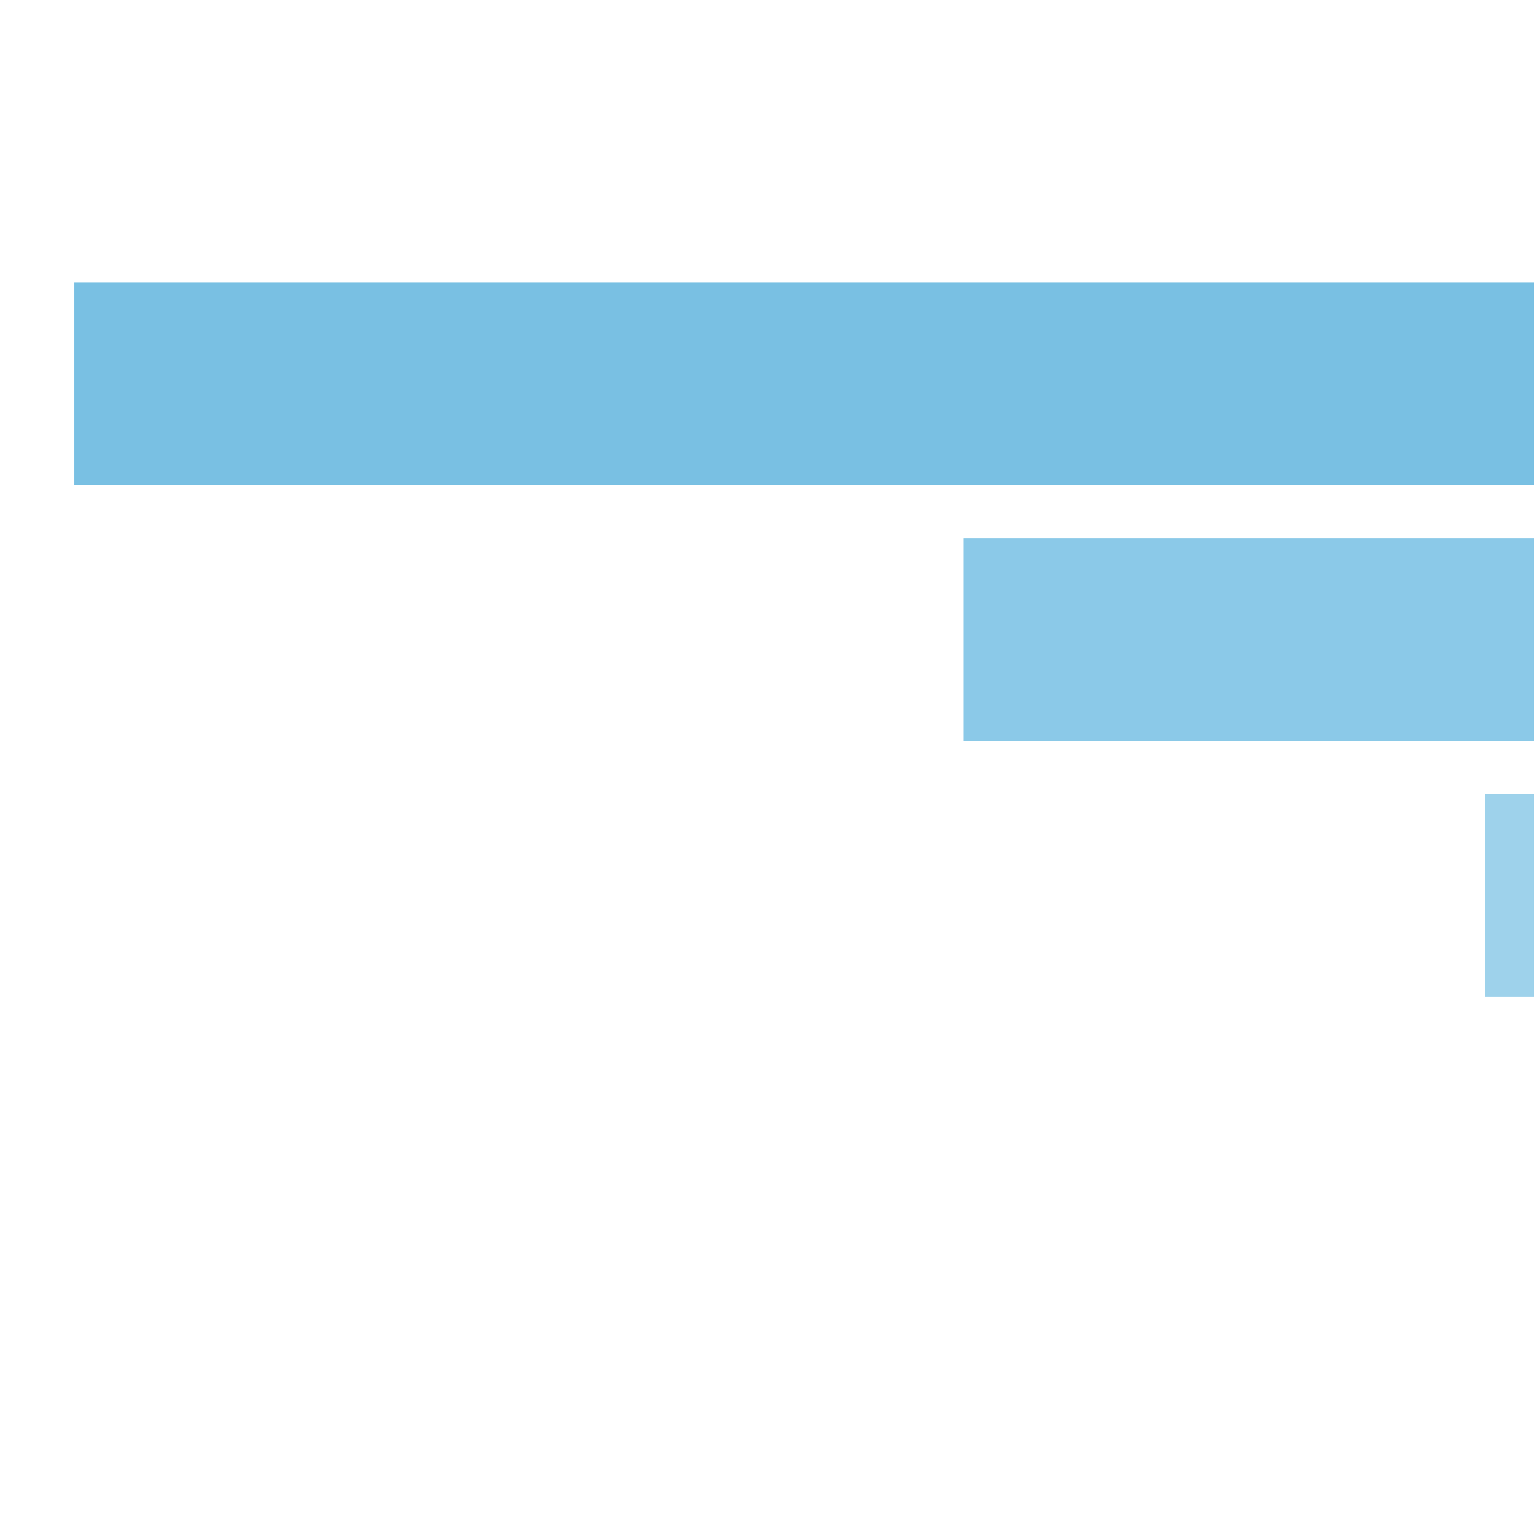
 | Number of Scatters in View Distribution |  |  |  |  |  |  |  | Scatters Count |  | Pulls to Hit (1 in ... base spins) |  | Merged Ranges (1 in ... base spins) |  | Percent (from whole spins) |  | Merged Ranges (from whole spins)
 |  |  |  |  |  |  |  |  | 0 |  | 1 in 1.13 |  | 1 in 1.00 |  | 88.16% |  | 99.99%
 |  |  |  |  |  |  |  |  | 1 |  | 1 in 12.06 |  |  |  | 8.29%
 |  |  |  |  |  |  |  |  | 2 |  | 1 in 30.78 |  |  |  | 3.25%
 |  |  |  |  |  |  |  |  | 3 |  | 1 in 343.62 |  | 1 in 333.46 |  | 0.29% |  | 0.30%
 |  |  |  |  |  |  |  |  | 4 |  | 1 in 11,582.15 |  |  |  | 0.01%
 |  |  |  |  |  |  |  |  | 5 |  | 1 in 432,956.66 |  |  |  | 0.00%
 |  |  |  |  |  |  |  |  | Total: |  | 1 in 8.44 |  |  |  | 11.84%

 | 8.4. Free Spins Scatters Count Base Re-Spin |  |  |  |  |  |  |  |  |  |  |  | Go To Content

 |  |  | Average number of scatters: (without zero case) |  |  |  |  | 1.15
 |  |  | Pulls to hit any scatters: (without zero case, 1 in ... base spins) |  |  |  |  | 1 in 29.83
 |  |  | Pulls to hit any scatters: (without zero case, 1 in ... feature spins) |  |  |  |  | 1 in 3.31
 |  |  | Pulls to hit 3+ scatters: (1 in ... base spins) |  |  |  |  | 1 in 3,007.21
 |  |  | Pulls to hit 3+ scatters: (1 in ... feature spins) |  |  |  |  | 1 in 334.13

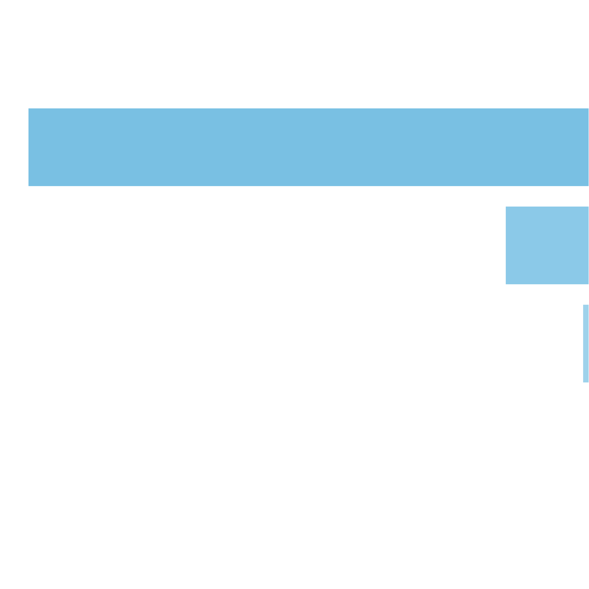
 | Number of Scatters in View Distribution |  |  |  |  |  |  |  | Scatters Count |  | Pulls to Hit (1 in ... feature spins) |  | Merged Ranges (1 in ... feature spins) |  | Pulls to Hit (1 in ... base spins) |  | Merged Ranges (1 in ... base spins) |  | Percent (from feature spins) |  | Merged Ranges (from feature spins) |  | Percent (from whole spins) | Merged Ranges (from whole spins)
 |  |  |  |  |  |  |  |  | 0 |  | 1 in 1.43 |  | 1 in 1.00 |  | 1 in 12.89 |  | 1 in 9.00 |  | 69.83% |  | 99.70% |  | 7.76% | 11.11%
 |  |  |  |  |  |  |  |  | 1 |  | 1 in 3.85 |  |  |  | 1 in 34.62 |  |  |  | 26.00% |  |  |  | 2.89%
 |  |  |  |  |  |  |  |  | 2 |  | 1 in 25.83 |  |  |  | 1 in 232.46 |  |  |  | 3.87% |  |  |  | 0.43%
 |  |  |  |  |  |  |  |  | 3 |  | 1 in 346.77 |  | 1 in 335.09 |  | 1 in 3,120.94 |  | 1 in 3,007.21 |  | 0.29% |  | 0.30% |  | 0.03% | 0.03%
 |  |  |  |  |  |  |  |  | 4 |  | 1 in 9,306.19 |  |  |  | 1 in 83,756.58 |  |  |  | 0.01% |  |  |  | 0.00%
 |  |  |  |  |  |  |  |  | 5 |  | 1 in 624,283.70 |  |  |  | 1 in 5,618,608.83 |  |  |  | 0.00% |  |  |  | 0.00%
 |  |  |  |  |  |  |  |  | Total: |  | 1 in 3.31 |  |  |  | 1 in 29.83 |  |  |  | 30.17% |  |  |  | 3.35%

9. Spectacular Link Statistics |  |  |  |  |  |  |  |  |  |  |  |  |  | Go To Content

 | 9.1. Spectacular Link Main Info

 |  |  | Spectacular Link Triggered: (1 in ... base spins) |  |  |  |  | 1 in 88.002
 |  |  | Average number of Re-Spins: |  |  |  |  | 12.783
 |  |  | Average number of Filled Cells: (total 35 cells) |  |  |  |  | 15.802
 |  |  | Average Win Amount: |  |  |  |  | 36.038x bets
 |  |  | Average SL Scatters Win Amount: |  |  |  |  | 6.302x bets

 |  | SL Upgrades Frequencies

 |  | Upgrade Name |  | Upgrade in View (1 in ... SL features) |  | Upgrade Triggered (when in view) |  | Upgrade Triggered (1 in ... SL features) |  | Trigger Probability (when in view)
 |  | Spinner |  | 1 in 2.000 |  | 1 in 1.988 |  | 1 in 3.976 |  | 50.304%
 |  | Whistle |  | 1 in 2.000 |  | 1 in 1.988 |  | 1 in 3.976 |  | 50.302%
 |  | Elimination |  | 1 in 1.000 |  | 1 in 1.305 |  | 1 in 1.305 |  | 76.635%

 |  | SL Pots Frequencies

 |  | Pot Name |  |  |  | Pulls to Hit (1 in ... SL features) |  |  | Pulls to Hit (1 in ... base spins)
 |  | Mini x50 |  |  |  | 1 in 9.225 |  |  | 1 in 811.837
 |  | Minor x100 |  |  |  | 1 in 221.470 |  |  | 1 in 19489.827
 |  | Major x250 |  |  |  | 1 in 450.411 |  |  | 1 in 39637.051
 |  | Grand x500 |  |  |  | 1 in 829.375 |  |  | 1 in 72986.681

 | 9.2. SL Scatters Count |  |  |  |  |  |  |  |  |  |  |  | Go To Content

 |  |  | Average number of scatters: (without zero case) |  |  |  |  | 1.81
 |  |  | Pulls to hit any scatters: (without zero case, 1 in ... base spins) |  |  |  |  | 1 in 3.44
 |  |  | Pulls to hit 4+ scatters: (1 in ... base spins) |  |  |  |  | 1 in 88.00
 |  |  | Pulls to hit 7+ scatters: (1 in ... base spins) |  |  |  |  | 1 in 4,080.50
 |  |  | Pulls to hit 10+ scatters: (1 in ... base spins) |  |  |  |  | 1 in 806,529.66

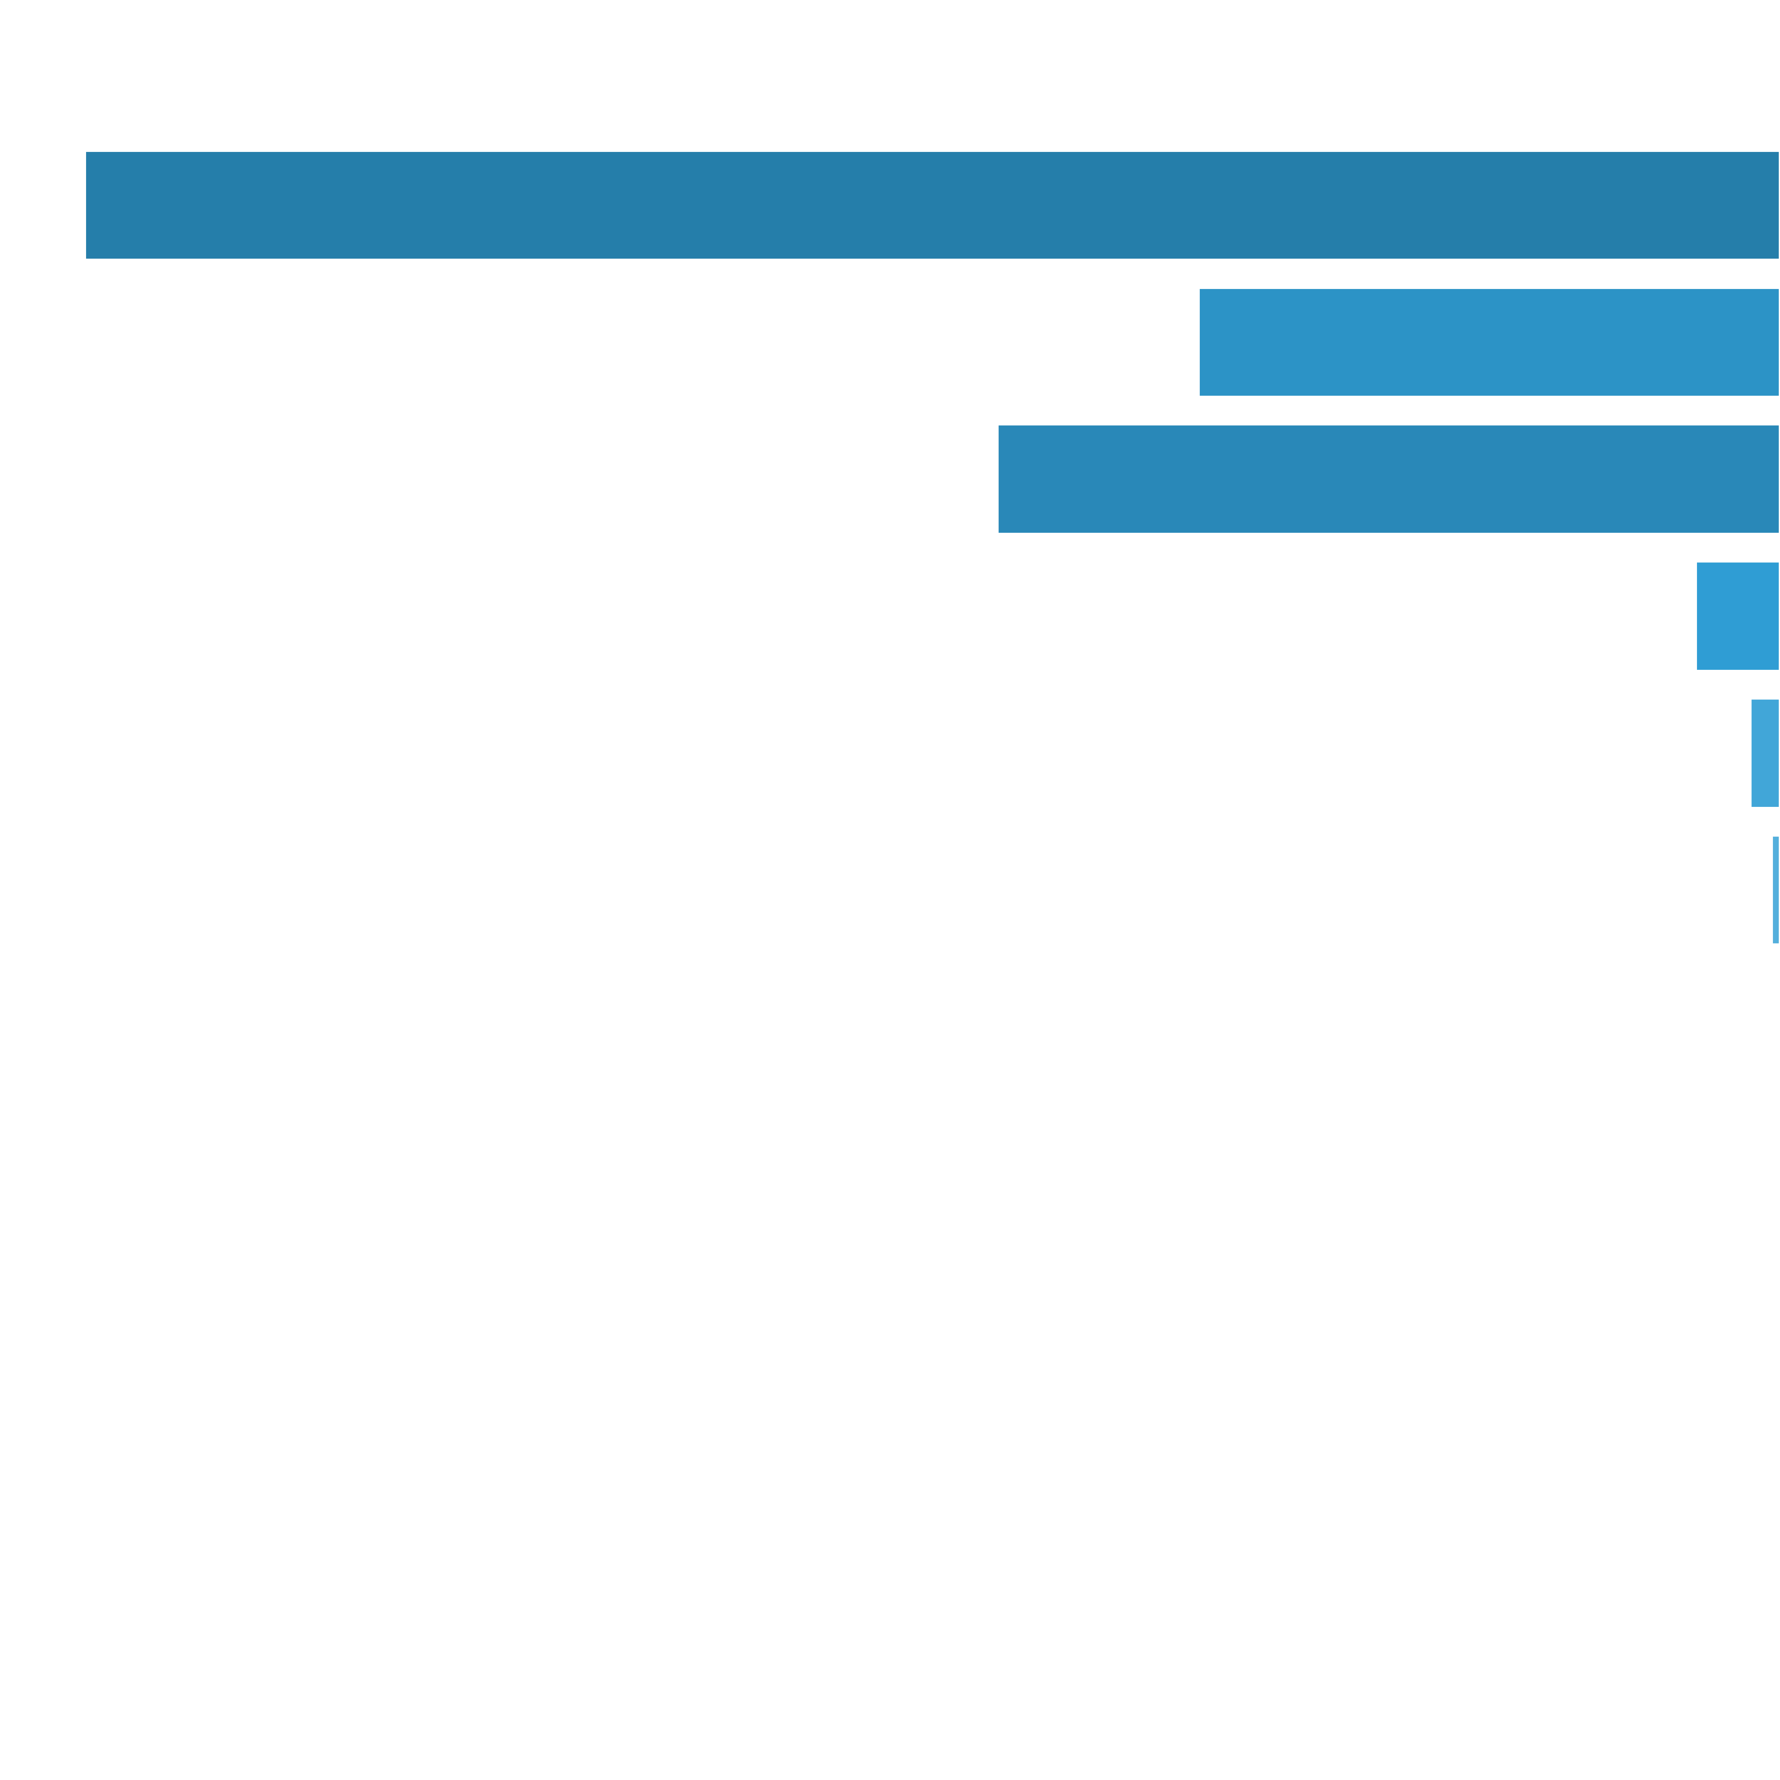
 | Number of Scatters in View Distribution |  |  |  |  |  |  |  | Scatters Count |  | Pulls to Hit (1 in ... base spins) |  | Merged Ranges (1 in ... base spins) |  | Percent (from whole spins) |  | Merged Ranges (from whole spins)
 |  |  |  |  |  |  |  |  | 0 |  | 1 in 1.41 |  | 1 in 1.16 |  | 70.94% |  | 86.41%
 |  |  |  |  |  |  |  |  | 1 |  | 1 in 6.46 |  | 1 in 3.49 |  | 15.47% |  | 28.69%
 |  |  |  |  |  |  |  |  | 2 |  | 1 in 18.84 |  |  |  | 5.31%
 |  |  |  |  |  |  |  |  | 3 |  | 1 in 14.00 |  |  |  | 7.14%
 |  |  |  |  |  |  |  |  | 4 |  | 1 in 130.49 |  | 1 in 88.39 |  | 0.77% |  | 1.13%
 |  |  |  |  |  |  |  |  | 5 |  | 1 in 372.61 |  |  |  | 0.27%
 |  |  |  |  |  |  |  |  | 6 |  | 1 in 1,296.74 |  |  |  | 0.08%
 |  |  |  |  |  |  |  |  | 7 |  | 1 in 5,134.14 |  | 1 in 4,082.53 |  | 0.02% |  | 0.02%
 |  |  |  |  |  |  |  |  | 8 |  | 1 in 23,975.25 |  |  |  | 0.00%
 |  |  |  |  |  |  |  |  | 9 |  | 1 in 136,170.40 |  |  |  | 0.00%
 |  |  |  |  |  |  |  |  | 10 |  | 1 in 894,310.40 |  | 1 in 806,529.66 |  | 0.00% |  | 0.00%
 |  |  |  |  |  |  |  |  | 11 |  | 1 in 8,948,545.86 |  |  |  | 0.00%
 |  |  |  |  |  |  |  |  | 12 |  | 1 in 100,502,512.56 |  |  |  | 0.00%
 |  |  |  |  |  |  |  |  | Total: |  | 1 in 3.44 |  |  |  | 29.06%

 | 9.3. SL Scatters Win Distribution |  |  |  |  |  |  |  |  |  |  |  | Go To Content

 |  |  | Average Win: (no zero wins) |  |  |  | 6.30x bets

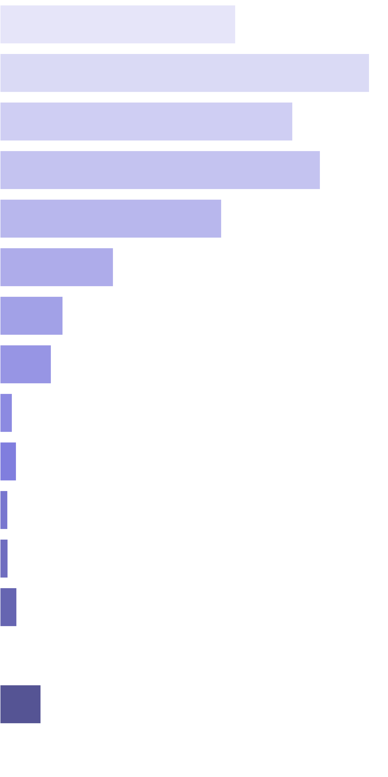
 | Win Ranges |  | Win in Range (1 in ... feature spins) |  | Win in Range (1 in ... base spins) |  | Average Win (in range) |  | Max Win (in range) |  | RTP (from whole RTP) |  | RTP (from common RTP)
 | [4x, 4x] |  | 1 in 4.77 |  | 1 in 419.59 |  | 4.00x bets |  | 4.00x bets |  | 0.953% |  | 13.312%
 | [5x, 5x] |  | 1 in 3.80 |  | 1 in 334.29 |  | 5.00x bets |  | 5.00x bets |  | 1.496% |  | 20.885%
 | [6x, 6x] |  | 1 in 5.75 |  | 1 in 506.37 |  | 6.00x bets |  | 6.00x bets |  | 1.185% |  | 16.545%
 | [7x, 7x] |  | 1 in 6.14 |  | 1 in 540.02 |  | 7.00x bets |  | 7.00x bets |  | 1.296% |  | 18.100%
 | [8x, 8x] |  | 1 in 10.14 |  | 1 in 892.14 |  | 8.00x bets |  | 8.00x bets |  | 0.897% |  | 12.521%
 | [9x, 9x] |  | 1 in 22.30 |  | 1 in 1,962.09 |  | 9.00x bets |  | 9.00x bets |  | 0.459% |  | 6.405%
 | [10x, 10x] |  | 1 in 44.68 |  | 1 in 3,931.86 |  | 10.00x bets |  | 10.00x bets |  | 0.254% |  | 3.551%
 | [11x, 13x] |  | 1 in 63.37 |  | 1 in 5,576.28 |  | 11.60x bets |  | 13.00x bets |  | 0.208% |  | 2.906%
 | [14x, 17x] |  | 1 in 339.76 |  | 1 in 29,899.42 |  | 14.79x bets |  | 17.00x bets |  | 0.049% |  | 0.691%
 | [18x, 23x] |  | 1 in 334.90 |  | 1 in 29,471.45 |  | 19.64x bets |  | 23.00x bets |  | 0.067% |  | 0.930%
 | [24x, 35x] |  | 1 in 986.01 |  | 1 in 86,770.91 |  | 27.41x bets |  | 35.00x bets |  | 0.032% |  | 0.441%
 | [36x, 80x] |  | 1 in 1,922.59 |  | 1 in 169,191.57 |  | 54.37x bets |  | 80.00x bets |  | 0.032% |  | 0.449%
 | [81x, 150x] |  | 1 in 1,749.54 |  | 1 in 153,963.40 |  | 104.80x bets |  | 147.00x bets |  | 0.068% |  | 0.950%
 | [151x, 200x] |  | 1 in 3,322,625.86 |  | 1 in 292,397,660.82 |  | 153.08x bets |  | 177.00x bets |  | 0.000% |  | 0.001%
 | [201x, 300x] |  | 1 in 1,750.61 |  | 1 in 154,056.86 |  | 254.80x bets |  | 292.00x bets |  | 0.165% |  | 2.309%
 | [301x, inf) |  | 1 in 1,546,038.15 |  | 1 in 136,054,421.77 |  | 327.23x bets |  | 371.00x bets |  | 0.000% |  | 0.003%
 | Total |  | 1 in 1.27 |  | 1 in 111.36 |  | 7.97x bets |  | 371.00x bets |  | 7.16% |  | 100.00%

 | 9.4. SL Re-Spin Count |  |  |  |  |  |  |  |  |  |  |  | Go To Content

 |  |  | Average number of Re-spins: (without zero case) |  |  |  |  | 12.78
 |  |  | Pulls to hit 10+ Re-spins: (1 in ... feature spins) |  |  |  |  | 1 in 1.34
 |  |  | Pulls to hit 15+ Re-spins: (1 in ... feature spins) |  |  |  |  | 1 in 3.39
 |  |  | Pulls to hit 20+ Re-spins: (1 in ... feature spins) |  |  |  |  | 1 in 14.11
 |  |  | Pulls to hit 30+ Re-spins: (1 in ... feature spins) |  |  |  |  | 1 in 1,546.36

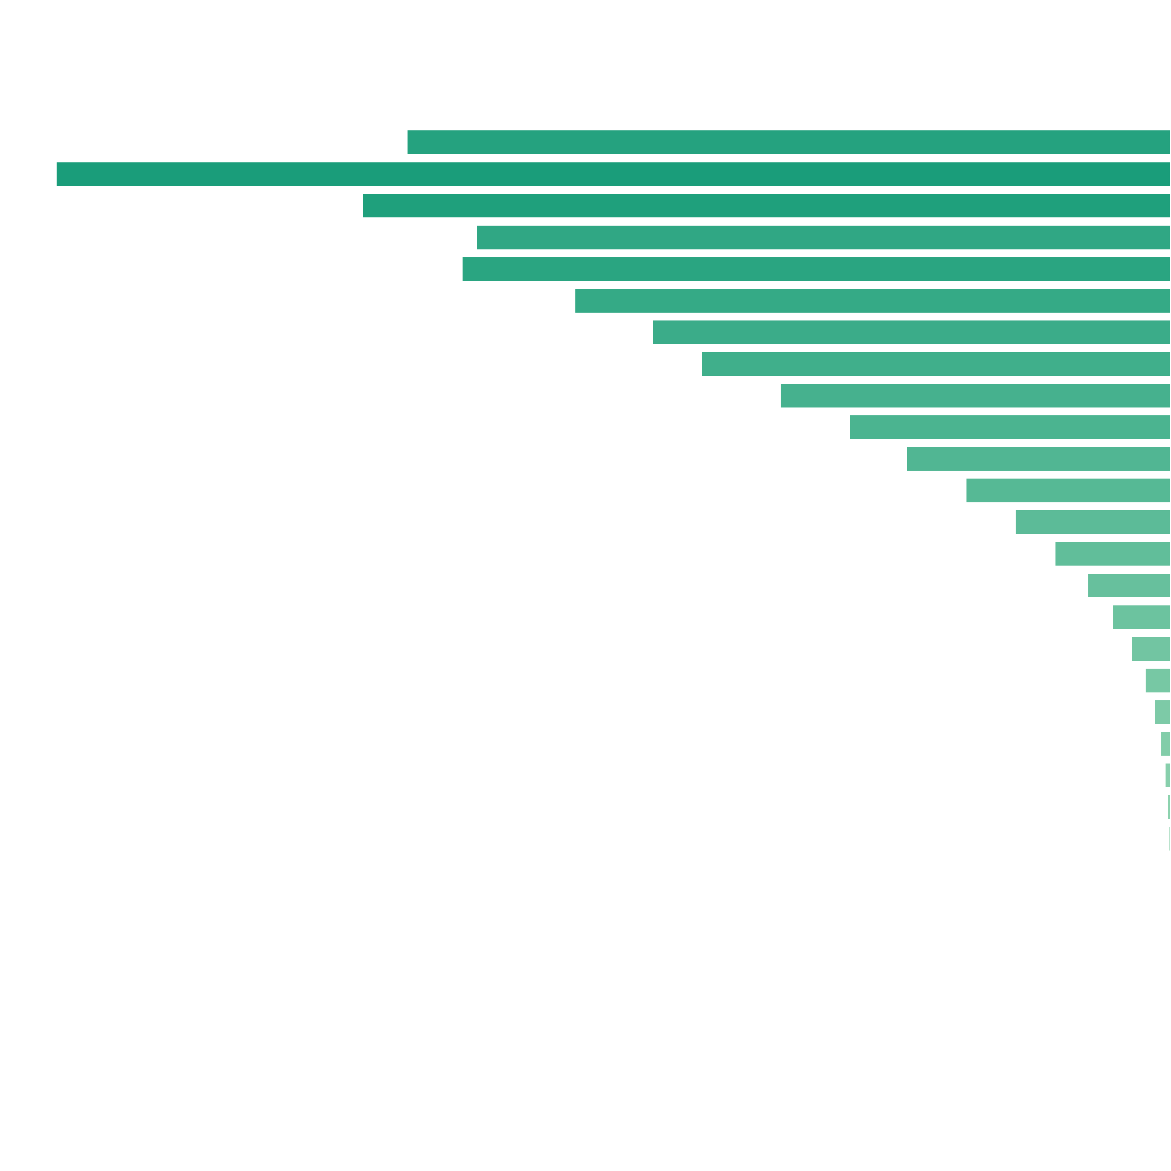
 | Number of Re-spins Distribution |  |  |  |  |  |  |  | Re-spins Count |  | Pulls to Hit (1 in ... feature spins) |  | Merged Ranges (1 in ... feature spins) |  | Percent (from feature spins) |  | Merged Ranges (from feature spins)
 |  |  |  |  |  |  |  |  | 4 |  | 1 in 568,169,021.50 |  | 1 in 2,304,945.32 |  | 0.00% |  | 0.00%
 |  |  |  |  |  |  |  |  | 5 |  | 1 in 54,111,335.38 |  |  |  | 0.00%
 |  |  |  |  |  |  |  |  | 6 |  | 1 in 12,912,932.31 |  |  |  | 0.00%
 |  |  |  |  |  |  |  |  | 7 |  | 1 in 2,974,706.92 |  |  |  | 0.00%
 |  |  |  |  |  |  |  |  | 8 |  | 1 in 9.66 |  | 1 in 3.93 |  | 10.35% |  | 25.45%
 |  |  |  |  |  |  |  |  | 9 |  | 1 in 6.62 |  |  |  | 15.10%
 |  |  |  |  |  |  |  |  | 10 |  | 1 in 9.13 |  | 1 in 3.34 |  | 10.95% |  | 29.97%
 |  |  |  |  |  |  |  |  | 11 |  | 1 in 10.63 |  |  |  | 9.41%
 |  |  |  |  |  |  |  |  | 12 |  | 1 in 10.41 |  |  |  | 9.60%
 |  |  |  |  |  |  |  |  | 13 |  | 1 in 12.38 |  | 1 in 4.66 |  | 8.08% |  | 21.47%
 |  |  |  |  |  |  |  |  | 14 |  | 1 in 14.23 |  |  |  | 7.03%
 |  |  |  |  |  |  |  |  | 15 |  | 1 in 15.71 |  |  |  | 6.37%
 |  |  |  |  |  |  |  |  | 16 |  | 1 in 18.88 |  | 1 in 5.51 |  | 5.30% |  | 18.14%
 |  |  |  |  |  |  |  |  | 17 |  | 1 in 22.92 |  |  |  | 4.36%
 |  |  |  |  |  |  |  |  | 18 |  | 1 in 27.92 |  |  |  | 3.58%
 |  |  |  |  |  |  |  |  | 19 |  | 1 in 35.94 |  |  |  | 2.78%
 |  |  |  |  |  |  |  |  | 20 |  | 1 in 47.24 |  |  |  | 2.12%
 |  |  |  |  |  |  |  |  | 21 |  | 1 in 63.38 |  | 1 in 22.74 |  | 1.58% |  | 4.40%
 |  |  |  |  |  |  |  |  | 22 |  | 1 in 88.42 |  |  |  | 1.13%
 |  |  |  |  |  |  |  |  | 23 |  | 1 in 126.20 |  |  |  | 0.79%
 |  |  |  |  |  |  |  |  | 24 |  | 1 in 185.24 |  |  |  | 0.54%
 |  |  |  |  |  |  |  |  | 25 |  | 1 in 281.00 |  |  |  | 0.36%
 |  |  |  |  |  |  |  |  | 26 |  | 1 in 436.84 |  | 1 in 185.26 |  | 0.23% |  | 0.54%
 |  |  |  |  |  |  |  |  | 27 |  | 1 in 698.21 |  |  |  | 0.14%
 |  |  |  |  |  |  |  |  | 28 |  | 1 in 1,150.81 |  |  |  | 0.09%
 |  |  |  |  |  |  |  |  | 29 |  | 1 in 1,950.31 |  |  |  | 0.05%
 |  |  |  |  |  |  |  |  | 30 |  | 1 in 3,393.90 |  |  |  | 0.03%
 |  |  |  |  |  |  |  |  | 31 |  | 1 in 6,061.28 |  | 1 in 2,941.50 |  | 0.02% |  | 0.03%
 |  |  |  |  |  |  |  |  | 32 |  | 1 in 11,081.68 |  |  |  | 0.01%
 |  |  |  |  |  |  |  |  | 33 |  | 1 in 21,118.78 |  |  |  | 0.00%
 |  |  |  |  |  |  |  |  | 34 |  | 1 in 40,041.51 |  |  |  | 0.00%
 |  |  |  |  |  |  |  |  | 35 |  | 1 in 80,539.94 |  |  |  | 0.00%
 |  |  |  |  |  |  |  |  | 36 |  | 1 in 161,825.41 |  | 1 in 82,853.67 |  | 0.00% |  | 0.00%
 |  |  |  |  |  |  |  |  | 37 |  | 1 in 330,138.89 |  |  |  | 0.00%
 |  |  |  |  |  |  |  |  | 38 |  | 1 in 666,083.26 |  |  |  | 0.00%
 |  |  |  |  |  |  |  |  | 39 |  | 1 in 1,343,189.18 |  |  |  | 0.00%
 |  |  |  |  |  |  |  |  | 40 |  | 1 in 1,625,662.44 |  |  |  | 0.00%
 |  |  |  |  |  |  |  |  | Total: |  | 1 in 1.00 |  |  |  | 100.00%

 | 9.5. SL Number of Filled Cells Distribution |  |  |  |  |  |  |  |  |  |  |  | Go To Content

 |  |  | Average number of Filled Cells: (without zero case) |  |  |  |  | 15.80
 |  |  | Pulls to hit 10+ Filled Cells: (1 in ... feature spins) |  |  |  |  | 1 in 1.15
 |  |  | Pulls to hit 15+ Filled Cells: (1 in ... feature spins) |  |  |  |  | 1 in 1.82
 |  |  | Pulls to hit 20+ Filled Cells: (1 in ... feature spins) |  |  |  |  | 1 in 3.48
 |  |  | Pulls to hit 25+ Filled Cells: (1 in ... feature spins) |  |  |  |  | 1 in 17.78
 |  |  | Pulls to hit 30+ Filled Cells: (1 in ... feature spins) |  |  |  |  | 1 in 105.27

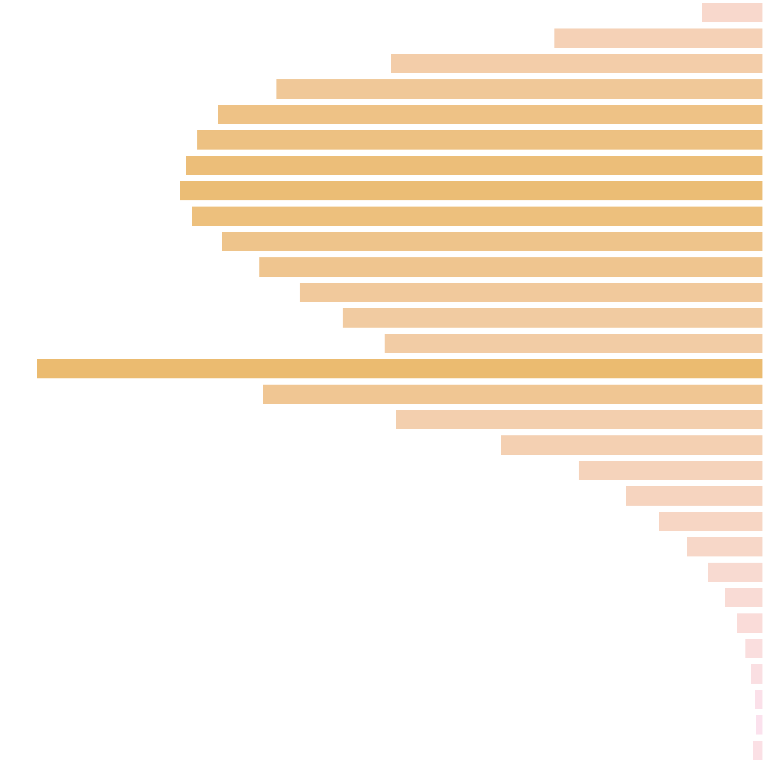
 | Number of Filled Cells Distribution |  |  |  |  |  |  |  | Filled Cells Count |  | Pulls to Hit (1 in ... feature spins) |  | Merged Ranges (1 in ... feature spins) |  | Percent (from feature spins) |  | Merged Ranges (from feature spins)
 |  |  |  |  |  |  |  |  | 6 |  | 1 in 142.71 |  | 1 in 13.71 |  | 0.70% |  | 7.29%
 |  |  |  |  |  |  |  |  | 7 |  | 1 in 42.21 |  |  |  | 2.37%
 |  |  |  |  |  |  |  |  | 8 |  | 1 in 23.68 |  |  |  | 4.22%
 |  |  |  |  |  |  |  |  | 9 |  | 1 in 18.12 |  | 1 in 5.52 |  | 5.52% |  | 18.12%
 |  |  |  |  |  |  |  |  | 10 |  | 1 in 16.17 |  |  |  | 6.19%
 |  |  |  |  |  |  |  |  | 11 |  | 1 in 15.59 |  |  |  | 6.42%
 |  |  |  |  |  |  |  |  | 12 |  | 1 in 15.27 |  | 1 in 3.88 |  | 6.55% |  | 25.78%
 |  |  |  |  |  |  |  |  | 13 |  | 1 in 15.12 |  |  |  | 6.61%
 |  |  |  |  |  |  |  |  | 14 |  | 1 in 15.43 |  |  |  | 6.48%
 |  |  |  |  |  |  |  |  | 15 |  | 1 in 16.30 |  |  |  | 6.13%
 |  |  |  |  |  |  |  |  | 16 |  | 1 in 17.51 |  | 1 in 3.54 |  | 5.71% |  | 28.27%
 |  |  |  |  |  |  |  |  | 17 |  | 1 in 19.02 |  |  |  | 5.26%
 |  |  |  |  |  |  |  |  | 18 |  | 1 in 20.96 |  |  |  | 4.77%
 |  |  |  |  |  |  |  |  | 19 |  | 1 in 23.28 |  |  |  | 4.30%
 |  |  |  |  |  |  |  |  | 20 |  | 1 in 12.14 |  |  |  | 8.24%
 |  |  |  |  |  |  |  |  | 21 |  | 1 in 17.62 |  | 1 in 6.07 |  | 5.67% |  | 16.47%
 |  |  |  |  |  |  |  |  | 22 |  | 1 in 24.00 |  |  |  | 4.17%
 |  |  |  |  |  |  |  |  | 23 |  | 1 in 33.63 |  |  |  | 2.97%
 |  |  |  |  |  |  |  |  | 24 |  | 1 in 47.70 |  |  |  | 2.10%
 |  |  |  |  |  |  |  |  | 25 |  | 1 in 64.13 |  |  |  | 1.56%
 |  |  |  |  |  |  |  |  | 26 |  | 1 in 84.65 |  | 1 in 29.29 |  | 1.18% |  | 3.41%
 |  |  |  |  |  |  |  |  | 27 |  | 1 in 115.42 |  |  |  | 0.87%
 |  |  |  |  |  |  |  |  | 28 |  | 1 in 158.38 |  |  |  | 0.63%
 |  |  |  |  |  |  |  |  | 29 |  | 1 in 228.83 |  |  |  | 0.44%
 |  |  |  |  |  |  |  |  | 30 |  | 1 in 334.98 |  |  |  | 0.30%
 |  |  |  |  |  |  |  |  | 31 |  | 1 in 488.03 |  | 1 in 153.51 |  | 0.20% |  | 0.65%
 |  |  |  |  |  |  |  |  | 32 |  | 1 in 712.29 |  |  |  | 0.14%
 |  |  |  |  |  |  |  |  | 33 |  | 1 in 1,010.12 |  |  |  | 0.10%
 |  |  |  |  |  |  |  |  | 34 |  | 1 in 1,155.66 |  |  |  | 0.09%
 |  |  |  |  |  |  |  |  | 35 |  | 1 in 829.29 |  |  |  | 0.12%
 |  |  |  |  |  |  |  |  | Total: |  | 1 in 1.00 |  |  |  | 100.00%

 | 9.6. SL Total Win Distribution |  |  |  |  |  |  |  |  |  |  |  | Go To Content

 |  |  | Average Win: (no zero wins) |  |  |  | 36.04x bets
 |  |  | Win Frequency: (1 in .. feature spins) |  |  |  | 1 in 1.00
 |  |  | Win Frequency: (1 in .. base spins) |  |  |  | 1 in 88.00

 | Win Ranges |  | Win in Range (1 in ... feature spins) |  | Win in Range (1 in ... base spins) |  | Average Win (in range) |  | Max Win (in range) |  | RTP (from whole RTP) |  | RTP (from common RTP)
 | [0x, 0x] |  | 1 in inf |  | 1 in inf |  | nan |  | 0.00 |  | 0.000% |  | 0.000%
 | (0x, 0.5x] |  | 1 in inf |  | 1 in inf |  | nan |  | 0.00 |  | 0.000% |  | 0.000%
 | (0.5x, 1x) |  | 1 in inf |  | 1 in inf |  | nan |  | 0.00 |  | 0.000% |  | 0.000%
 | [1x, 1x] |  | 1 in inf |  | 1 in inf |  | nan |  | 0.00 |  | 0.000% |  | 0.000%
 | (1x, 2x) |  | 1 in inf |  | 1 in inf |  | nan |  | 0.00 |  | 0.000% |  | 0.000%
 | [2x, 3x) |  | 1 in inf |  | 1 in inf |  | nan |  | 0.00 |  | 0.000% |  | 0.000%
 | [3x, 5x) |  | 1 in inf |  | 1 in inf |  | nan |  | 0.00 |  | 0.000% |  | 0.000%
 | [5x, 10x) |  | 1 in 35.04 |  | 1 in 3,083.79 |  | 8.31x bets |  | 9.00x bets |  | 0.269% |  | 0.658%
 | [10x, 20x) |  | 1 in 3.24 |  | 1 in 285.44 |  | 14.77x bets |  | 19.00x bets |  | 5.175% |  | 12.636%
 | [20x, 30x) |  | 1 in 3.95 |  | 1 in 347.62 |  | 24.12x bets |  | 29.00x bets |  | 6.938% |  | 16.942%
 | [30x, 50x) |  | 1 in 4.69 |  | 1 in 412.86 |  | 37.10x bets |  | 49.00x bets |  | 8.986% |  | 21.942%
 | [50x, 100x) |  | 1 in 6.47 |  | 1 in 569.34 |  | 70.96x bets |  | 99.00x bets |  | 12.463% |  | 30.433%
 | [100x, 200x) |  | 1 in 26.46 |  | 1 in 2,328.79 |  | 126.11x bets |  | 199.00x bets |  | 5.415% |  | 13.223%
 | [200x, 500x) |  | 1 in 305.04 |  | 1 in 26,844.38 |  | 273.26x bets |  | 499.00x bets |  | 1.018% |  | 2.486%
 | [500x, 1000x) |  | 1 in 826.34 |  | 1 in 72,719.29 |  | 500.17x bets |  | 876.00x bets |  | 0.688% |  | 1.680%
 | [1000x, inf) |  | 1 in inf |  | 1 in inf |  | nan |  | 0.00 |  | 0.000% |  | 0.000%
 | Total |  | 1 in 1.00 |  | 1 in 88.00 |  | 36.04x bets |  | 876.00x bets |  | 40.95% |  | 100.00%

 | 9.7. SL Number of Filled Cells on One Re-Spin |  |  |  |  |  |  |  |  |  |  |  | Go To Content

 |  |  | Average number of Filled Cells: (without zero case) |  |  |  |  | 2.39
 |  |  | Pulls to hit 2+ Filled Cells: (1 in ... feature spins) |  |  |  |  | 1 in 1.54
 |  |  | Pulls to hit 3+ Filled Cells: (1 in ... feature spins) |  |  |  |  | 1 in 2.52
 |  |  | Pulls to hit 4+ Filled Cells: (1 in ... feature spins) |  |  |  |  | 1 in 5.03
 |  |  | Pulls to hit 5+ Filled Cells: (1 in ... feature spins) |  |  |  |  | 1 in 10.54
 |  |  | Pulls to hit 6+ Filled Cells: (1 in ... feature spins) |  |  |  |  | 1 in 23.96

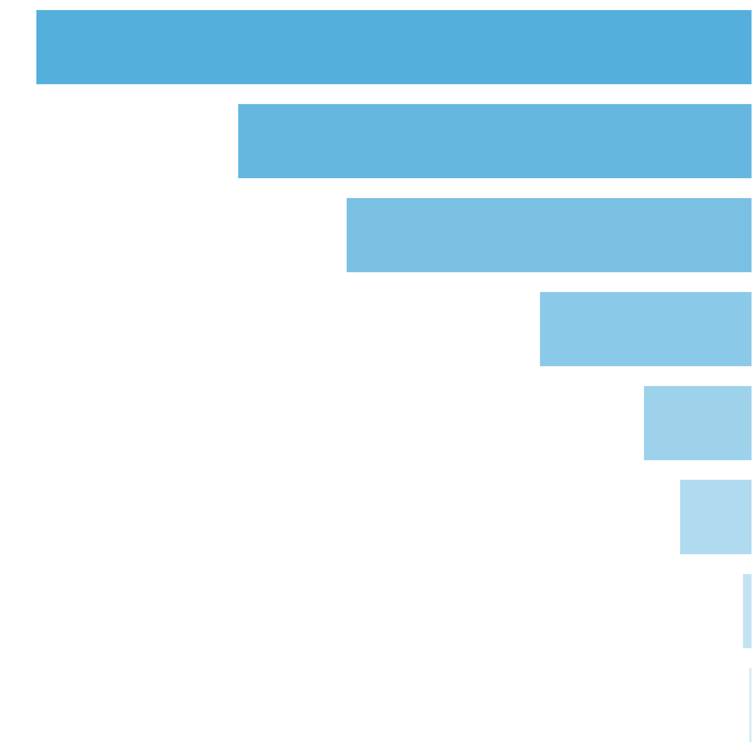
 | Number of Filled Cells Distribution |  |  |  |  |  |  |  | Filled Cells Count |  | Pulls to Hit (1 in ... feature spins) |  | Merged Ranges (1 in ... feature spins) |  | Percent (from feature spins) |  | Merged Ranges (from feature spins)
 |  |  |  |  |  |  |  |  | 1 |  | 1 in 2.85 |  | 1 in 2.58 |  | 35.06% |  | 38.78%
 |  |  |  |  |  |  |  |  | 2 |  | 1 in 3.97 |  | 1 in 3.27 |  | 25.18% |  | 30.59%
 |  |  |  |  |  |  |  |  | 3 |  | 1 in 5.03 |  | 1 in 3.37 |  | 19.86% |  | 29.67%
 |  |  |  |  |  |  |  |  | 4 |  | 1 in 9.61 |  |  |  | 10.40%
 |  |  |  |  |  |  |  |  | 5 |  | 1 in 18.83 |  |  |  | 5.31%
 |  |  |  |  |  |  |  |  | 6 |  | 1 in 28.17 |  | 1 in 104.06 |  | 3.55% |  | 0.96%
 |  |  |  |  |  |  |  |  | 7 |  | 1 in 214.80 |  |  |  | 0.47%
 |  |  |  |  |  |  |  |  | 8 |  | 1 in 630.92 |  |  |  | 0.16%
 |  |  |  |  |  |  |  |  | Total: |  | 1 in 1.00 |  |  |  | 100.00%

10. Reelsets Pivot Tables |  |  |  |  |  |  |  |  |  |  |  |  |  | Go To Content

 | 10.1. RTP distribution by All Reelsets

 | Base Game Reelsets
 | Index | Reelset Name |  |  |  |  |  | RTP, % |  | Common RTP, % |  |  | Probability |  |  | Pulls to Hit |  |  | Average Win |  | Max Win |  | Win Frequency |  | STD
 | 0 | Base Game | Normal Game | RTP 86% |  |  |  |  |  | 7.8058 |  | 31.4371 |  |  | 0.24830 |  |  | 1 in 4.027 |  |  | 2.80x bets |  | 100.00x bets |  | 1 in 8.9078 |  | 1.492x bets
 | 1 | Base Game | Cheap High Win Freq 1 | RTP 86% |  |  |  |  |  | 1.1801 |  | 45.6536 |  |  | 0.02585 |  |  | 1 in 38.685 |  |  | 0.82x bets |  | 100.00x bets |  | 1 in 1.8037 |  | 1.171x bets
 | 2 | Base Game | Cheap High Win Freq 2 | RTP 86% |  |  |  |  |  | 1.0927 |  | 42.2690 |  |  | 0.02585 |  |  | 1 in 38.686 |  |  | 0.82x bets |  | 100.00x bets |  | 1 in 1.9370 |  | 1.104x bets
 | 3 | Base Game | Many Pictures | RTP 86% |  |  |  |  |  | 3.2498 |  | 32.4976 |  |  | 0.10000 |  |  | 1 in 10.000 |  |  | 2.88x bets |  | 100.00x bets |  | 1 in 8.8472 |  | 1.558x bets
 | 4 | Base Game | Free Spin Scatters | Reels 2,4 | RTP 86% |  |  |  |  |  | 1.3252 |  | 26.5044 |  |  | 0.05000 |  |  | 1 in 20.000 |  |  | 2.80x bets |  | 100.00x bets |  | 1 in 10.5806 |  | 1.328x bets
 | 5 | Base Game | Free Spin Scatters | Reels 1,3,5 | RTP 86% |  |  |  |  |  | 1.2833 |  | 25.6669 |  |  | 0.05000 |  |  | 1 in 20.000 |  |  | 2.73x bets |  | 100.00x bets |  | 1 in 10.6202 |  | 1.309x bets
 | 6 | Base Game | Free Spin Scatters | Reels 1,2,3,4,5 | RTP 86% |  |  |  |  |  | 2.6975 |  | 26.9749 |  |  | 0.10000 |  |  | 1 in 10.000 |  |  | 2.75x bets |  | 100.00x bets |  | 1 in 10.1857 |  | 1.352x bets
 | 7 | Base Game | CF Max 3 scatters | 1-2-3 reels | RTP 86% |  |  |  |  |  | 0.5690 |  | 21.8827 |  |  | 0.02600 |  |  | 1 in 38.461 |  |  | 1.68x bets |  | 100.00x bets |  | 1 in 7.6593 |  | 1.072x bets
 | 8 | Base Game | CF Max 3 scatters | 3-4-5 reels | RTP 86% |  |  |  |  |  | 0.7207 |  | 27.7181 |  |  | 0.02600 |  |  | 1 in 38.461 |  |  | 1.59x bets |  | 100.00x bets |  | 1 in 5.7469 |  | 1.163x bets
 | 9 | Base Game | CF Max 3 scatters | 2-5 reels | RTP 86% |  |  |  |  |  | 0.7489 |  | 24.9639 |  |  | 0.03000 |  |  | 1 in 33.333 |  |  | 1.73x bets |  | 100.00x bets |  | 1 in 6.9145 |  | 1.155x bets
 | 10 | Base Game | CF Max 3 scatters | 3-4 reels | RTP 86% |  |  |  |  |  | 0.7110 |  | 23.7015 |  |  | 0.03000 |  |  | 1 in 33.334 |  |  | 1.76x bets |  | 100.00x bets |  | 1 in 7.4255 |  | 1.175x bets
 | 11 | Base Game | CF Max 3 scatters | 2 reel | RTP 86% |  |  |  |  |  | 0.7043 |  | 20.1229 |  |  | 0.03500 |  |  | 1 in 28.572 |  |  | 2.01x bets |  | 100.00x bets |  | 1 in 10.0089 |  | 1.101x bets
 | 12 | Base Game | CF Max 3 scatters | 3 reel | RTP 86% |  |  |  |  |  | 0.7085 |  | 20.2427 |  |  | 0.03500 |  |  | 1 in 28.571 |  |  | 1.91x bets |  | 100.00x bets |  | 1 in 9.4258 |  | 1.084x bets
 | 13 | Base Game | CF Max 3 scatters | 5 reel | RTP 86% |  |  |  |  |  | 0.5151 |  | 28.6152 |  |  | 0.01800 |  |  | 1 in 55.555 |  |  | 1.59x bets |  | 100.00x bets |  | 1 in 5.5715 |  | 1.188x bets
 | 14 | Base Game | CF Max 12 scatters | Common trigger | RTP 86% |  |  |  |  |  | 4.9133 |  | 24.5665 |  |  | 0.20000 |  |  | 1 in 5.000 |  |  | 1.80x bets |  | 100.00x bets |  | 1 in 7.3424 |  | 1.174x bets
 | Total: |  |  |  |  |  |  | 28.2252 |  | 28.2252 |  |  | 1.0000 |  |  | 1 in 1.000 |  |  | 2.01x bets |  | 100.00x bets |  | 1 in 7.1387 |  | 1.324x bets

 | Free Spins Reelsets
 | Index | Reelset Name |  |  |  |  |  | RTP, % |  | Common RTP, % |  |  | Probability |  |  | Pulls to Hit |  |  | Average Win |  | Max Win |  | Win Frequency |  | STD
 | 0 | Free Game | Normal Game | RTP 86% |  |  |  |  |  | 0.8319 |  | 241.4234 |  |  | 0.10000 |  |  | 1 in 9.863 |  |  | 5.50x bets |  | 100.00x bets |  | 1 in 2.2777 |  | 4.767x bets
 | 1 | Free Game | Blocker 1 | RTP 86% |  |  |  |  |  | 1.6273 |  | 157.4184 |  |  | 0.30000 |  |  | 1 in 3.344 |  |  | 5.32x bets |  | 100.00x bets |  | 1 in 3.3767 |  | 3.834x bets
 | 2 | Free Game | Blocker 2 | RTP 86% |  |  |  |  |  | 1.7360 |  | 167.9321 |  |  | 0.30000 |  |  | 1 in 3.338 |  |  | 5.66x bets |  | 100.00x bets |  | 1 in 3.3681 |  | 4.005x bets
 | 3 | Free Game | Blocker 3 | RTP 86% |  |  |  |  |  | 1.8596 |  | 179.8849 |  |  | 0.30000 |  |  | 1 in 3.333 |  |  | 6.04x bets |  | 100.00x bets |  | 1 in 3.3561 |  | 4.417x bets
 | Total: |  |  |  |  |  |  | 6.0548 |  | 175.7130 |  |  | 1.0000 |  |  | 1 in 1.000 |  |  | 5.65x bets |  | 100.00x bets |  | 1 in 3.2112 |  | 4.173x bets

 | Base Re-Spin Reelsets
 | Index | Reelset Name |  |  |  |  |  | RTP, % |  | Common RTP, % |  |  | Probability |  |  | Pulls to Hit |  |  | Average Win |  | Max Win |  | Win Frequency |  | STD
 | 0 | Re-spin Base Game | Normal game | RTP 86% |  |  |  |  |  | 1.7912 |  | 161.2067 |  |  | 0.10000 |  |  | 1 in 10.000 |  |  | 3.80x bets |  | 75.00x bets |  | 1 in 2.3577 |  | 3.163x bets
 | 1 | Re-spin Base Game | Blocker 1 | RTP 86% |  |  |  |  |  | 3.1546 |  | 94.6377 |  |  | 0.30000 |  |  | 1 in 3.333 |  |  | 3.08x bets |  | 75.00x bets |  | 1 in 3.2514 |  | 2.308x bets
 | 2 | Re-spin Base Game | Blocker 2 | RTP 86% |  |  |  |  |  | 3.5364 |  | 106.0926 |  |  | 0.30000 |  |  | 1 in 3.333 |  |  | 3.59x bets |  | 75.00x bets |  | 1 in 3.3866 |  | 2.626x bets
 | 3 | Re-spin Base Game | Blocker 3 | RTP 86% |  |  |  |  |  | 3.3662 |  | 100.9866 |  |  | 0.30000 |  |  | 1 in 3.333 |  |  | 3.30x bets |  | 75.00x bets |  | 1 in 3.2652 |  | 2.402x bets
 | Total: |  |  |  |  |  |  | 11.8483 |  | 106.6357 |  |  | 1.0000 |  |  | 1 in 1.000 |  |  | 3.38x bets |  | 75.00x bets |  | 1 in 3.1731 |  | 2.536x bets

 | Free Re-Spin Reelsets
 | Index | Reelset Name |  |  |  |  |  | RTP, % |  | Common RTP, % |  |  | Probability |  |  | Pulls to Hit |  |  | Average Win |  | Max Win |  | Win Frequency |  | STD
 | 0 | Re-spin Free Game | Normal Game | RTP 86% |  |  |  |  |  | 0.8318 |  | 241.4063 |  |  | 0.10000 |  |  | 1 in 9.863 |  |  | 5.51x bets |  | 75.00x bets |  | 1 in 2.2839 |  | 4.770x bets
 | 1 | Re-spin Free Game | Blocker 1 | RTP 86% |  |  |  |  |  | 1.6162 |  | 156.3439 |  |  | 0.30000 |  |  | 1 in 3.345 |  |  | 5.29x bets |  | 75.00x bets |  | 1 in 3.3822 |  | 3.776x bets
 | 2 | Re-spin Free Game | Blocker 2 | RTP 86% |  |  |  |  |  | 1.7731 |  | 171.5205 |  |  | 0.30000 |  |  | 1 in 3.336 |  |  | 5.76x bets |  | 75.00x bets |  | 1 in 3.3570 |  | 4.073x bets
 | 3 | Re-spin Free Game | Blocker 3 | RTP 86% |  |  |  |  |  | 1.8278 |  | 176.8184 |  |  | 0.30000 |  |  | 1 in 3.335 |  |  | 5.94x bets |  | 75.00x bets |  | 1 in 3.3587 |  | 4.312x bets
 | Total: |  |  |  |  |  |  | 6.0489 |  | 175.5455 |  |  | 1.0000 |  |  | 1 in 1.000 |  |  | 5.64x bets |  | 75.00x bets |  | 1 in 3.2116 |  | 4.144x bets

 | Spectacular Link Reelsets
 | Index | Reelset Name |  |  |  |  |  | RTP, % |  | Common RTP, % |  |  | Probability |  |  | Pulls to Hit |  |  | Average Win |  | Max Win |  | Win Frequency |  | STD
 | 0 | CF Fictive |  |  |  |  |  | 40.9518 |  | 3603.8427 |  |  | 1.00000 |  |  | 1 in 1.000 |  |  | 36.04x bets |  | 876.00x bets |  | 1 in 1.0000 |  | 34.590x bets
 | Total: |  |  |  |  |  |  | 40.9518 |  | 3603.8427 |  |  | 1.0000 |  |  | 1 in 1.000 |  |  | 36.04x bets |  | 876.00x bets |  | 1 in 1.0000 |  | 34.590x bets

 | 10.2. RTP distribution by Base Reelsets |  |  |  |  |  |  |  |  |  |  |  | Go To Content

 | All RTP Distribution by Base Game Reelsets
 | Index | Reelset Name |  |  |  |  |  | RTP, % |  | Common RTP, % |  |  | Probability |  |  | Pulls to Hit |  |  | Average Win |  | Max Win |  | Win Frequency |  | STD
 | 0 | Base Game | Normal Game | RTP 86% |  |  |  |  |  | 11.0484 |  | 44.4962 |  |  | 0.24830 |  |  | 1 in 4.027 |  |  | 3.88x bets |  | 257.20x bets |  | 1 in 8.7209 |  | 2.302x bets
 | 1 | Base Game | Cheap High Win Freq 1 | RTP 86% |  |  |  |  |  | 1.5177 |  | 58.7131 |  |  | 0.02585 |  |  | 1 in 38.685 |  |  | 1.06x bets |  | 244.70x bets |  | 1 in 1.8008 |  | 2.083x bets
 | 2 | Base Game | Cheap High Win Freq 2 | RTP 86% |  |  |  |  |  | 1.4302 |  | 55.3264 |  |  | 0.02585 |  |  | 1 in 38.686 |  |  | 1.07x bets |  | 226.90x bets |  | 1 in 1.9335 |  | 2.028x bets
 | 3 | Base Game | Many Pictures | RTP 86% |  |  |  |  |  | 4.5557 |  | 45.5568 |  |  | 0.10000 |  |  | 1 in 10.000 |  |  | 3.95x bets |  | 257.50x bets |  | 1 in 8.6606 |  | 2.350x bets
 | 4 | Base Game | Free Spin Scatters | Reels 2,4 | RTP 86% |  |  |  |  |  | 1.9781 |  | 39.5622 |  |  | 0.05000 |  |  | 1 in 20.000 |  |  | 4.07x bets |  | 264.80x bets |  | 1 in 10.2910 |  | 2.159x bets
 | 5 | Base Game | Free Spin Scatters | Reels 1,3,5 | RTP 86% |  |  |  |  |  | 7.7660 |  | 155.3197 |  |  | 0.05000 |  |  | 1 in 20.000 |  |  | 12.29x bets |  | 279.30x bets |  | 1 in 7.9106 |  | 7.270x bets
 | 6 | Base Game | Free Spin Scatters | Reels 1,2,3,4,5 | RTP 86% |  |  |  |  |  | 9.0739 |  | 90.7394 |  |  | 0.10000 |  |  | 1 in 10.000 |  |  | 8.01x bets |  | 334.10x bets |  | 1 in 8.8287 |  | 5.174x bets
 | 7 | Base Game | CF Max 3 scatters | 1-2-3 reels | RTP 86% |  |  |  |  |  | 0.9085 |  | 34.9426 |  |  | 0.02600 |  |  | 1 in 38.461 |  |  | 2.63x bets |  | 245.30x bets |  | 1 in 7.5258 |  | 1.970x bets
 | 8 | Base Game | CF Max 3 scatters | 3-4-5 reels | RTP 86% |  |  |  |  |  | 1.0603 |  | 40.7826 |  |  | 0.02600 |  |  | 1 in 38.461 |  |  | 2.32x bets |  | 239.10x bets |  | 1 in 5.6820 |  | 2.054x bets
 | 9 | Base Game | CF Max 3 scatters | 2-5 reels | RTP 86% |  |  |  |  |  | 1.1407 |  | 38.0237 |  |  | 0.03000 |  |  | 1 in 33.333 |  |  | 2.58x bets |  | 243.20x bets |  | 1 in 6.7849 |  | 2.046x bets
 | 10 | Base Game | CF Max 3 scatters | 3-4 reels | RTP 86% |  |  |  |  |  | 1.1028 |  | 36.7613 |  |  | 0.03000 |  |  | 1 in 33.334 |  |  | 2.69x bets |  | 241.30x bets |  | 1 in 7.3096 |  | 2.065x bets
 | 11 | Base Game | CF Max 3 scatters | 2 reel | RTP 86% |  |  |  |  |  | 1.1614 |  | 33.1829 |  |  | 0.03500 |  |  | 1 in 28.572 |  |  | 3.15x bets |  | 224.80x bets |  | 1 in 9.4956 |  | 2.004x bets
 | 12 | Base Game | CF Max 3 scatters | 3 reel | RTP 86% |  |  |  |  |  | 1.1655 |  | 33.2990 |  |  | 0.03500 |  |  | 1 in 28.571 |  |  | 3.01x bets |  | 255.10x bets |  | 1 in 9.0536 |  | 1.992x bets
 | 13 | Base Game | CF Max 3 scatters | 5 reel | RTP 86% |  |  |  |  |  | 0.7501 |  | 41.6715 |  |  | 0.01800 |  |  | 1 in 55.555 |  |  | 2.30x bets |  | 217.90x bets |  | 1 in 5.5121 |  | 2.073x bets
 | 14 | Base Game | CF Max 12 scatters | Common trigger | RTP 86% |  |  |  |  |  | 48.4776 |  | 242.3879 |  |  | 0.20000 |  |  | 1 in 5.000 |  |  | 12.69x bets |  | 876.00x bets |  | 1 in 5.2350 |  | 11.889x bets
 | Total: |  |  |  |  |  |  | 93.1370 |  | 93.1370 |  |  | 1.0000 |  |  | 1 in 1.000 |  |  | 5.98x bets |  | 876.00x bets |  | 1 in 6.4174 |  | 6.113x bets

11. Reelsets Statistics |  |  |  |  |  |  |  |  |  |  |  |  |  | Go To Content

 | Reelsets Statistics Content

 | 1. Base Game Reelsets
 |  | 1.0. Reelset: 'Base Game | Normal Game | RTP 86%' spin wins
 |  | 1.1. Reelset: 'Base Game | Cheap High Win Freq 1 | RTP 86%' spin wins
 |  | 1.2. Reelset: 'Base Game | Cheap High Win Freq 2 | RTP 86%' spin wins
 |  | 1.3. Reelset: 'Base Game | Many Pictures | RTP 86%' spin wins
 |  | 1.4. Reelset: 'Base Game | Free Spin Scatters | Reels 2,4 | RTP 86%' spin wins
 |  | 1.5. Reelset: 'Base Game | Free Spin Scatters | Reels 1,3,5 | RTP 86%' spin wins
 |  | 1.6. Reelset: 'Base Game | Free Spin Scatters | Reels 1,2,3,4,5 | RTP 86%' spin wins
 |  | 1.7. Reelset: 'Base Game | CF Max 3 scatters | 1-2-3 reels | RTP 86%' spin wins
 |  | 1.8. Reelset: 'Base Game | CF Max 3 scatters | 3-4-5 reels | RTP 86%' spin wins
 |  | 1.9. Reelset: 'Base Game | CF Max 3 scatters | 2-5 reels | RTP 86%' spin wins
 |  | 1.10. Reelset: 'Base Game | CF Max 3 scatters | 3-4 reels | RTP 86%' spin wins
 |  | 1.11. Reelset: 'Base Game | CF Max 3 scatters | 2 reel | RTP 86%' spin wins
 |  | 1.12. Reelset: 'Base Game | CF Max 3 scatters | 3 reel | RTP 86%' spin wins
 |  | 1.13. Reelset: 'Base Game | CF Max 3 scatters | 5 reel | RTP 86%' spin wins
 |  | 1.14. Reelset: 'Base Game | CF Max 12 scatters | Common trigger | RTP 86%' spin wins
 | 2. Free Spins Reelsets
 |  | 2.0. Reelset: 'Free Game | Normal Game | RTP 86%' spin wins
 |  | 2.1. Reelset: 'Free Game | Blocker 1 | RTP 86%' spin wins
 |  | 2.2. Reelset: 'Free Game | Blocker 2 | RTP 86%' spin wins
 |  | 2.3. Reelset: 'Free Game | Blocker 3 | RTP 86%' spin wins
 | 3. Base Re-Spin Reelsets
 |  | 3.0. Reelset: 'Re-spin Base Game | Normal game | RTP 86%' spin wins
 |  | 3.1. Reelset: 'Re-spin Base Game | Blocker 1 | RTP 86%' spin wins
 |  | 3.2. Reelset: 'Re-spin Base Game | Blocker 2 | RTP 86%' spin wins
 |  | 3.3. Reelset: 'Re-spin Base Game | Blocker 3 | RTP 86%' spin wins
 | 4. Free Re-Spin Reelsets
 |  | 4.0. Reelset: 'Re-spin Free Game | Normal Game | RTP 86%' spin wins
 |  | 4.1. Reelset: 'Re-spin Free Game | Blocker 1 | RTP 86%' spin wins
 |  | 4.2. Reelset: 'Re-spin Free Game | Blocker 2 | RTP 86%' spin wins
 |  | 4.3. Reelset: 'Re-spin Free Game | Blocker 3 | RTP 86%' spin wins
 | 5. Spectacular Link Reelsets
 |  | 5.0. Reelset: 'CF Fictive' spin wins

 | 11.1. Base Game Reelsets

 | Section Index: |  | 0 | Section Name: |  | Base Game
 | Reelset Index: |  | 0 | Reelset Name: |  | Base Game | Normal Game | RTP 86%
 | Win Ranges |  | Win in Range |  | Average Win |  | RTP per Range
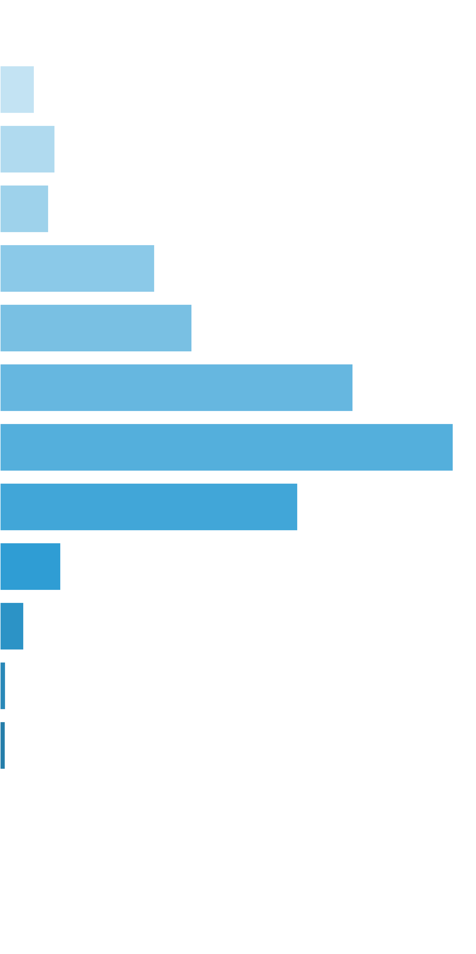
 | [0x, 0x] |  | 1 in 1.13 |  | 0.00x |  | 0.000%
 | (0x, 0.5x] |  | 1 in 55.45 |  | 0.36x |  | 0.160%
 | (0.5x, 1x) |  | 1 in 69.56 |  | 0.71x |  | 0.255%
 | [1x, 1x] |  | 1 in 110.30 |  | 1.00x |  | 0.225%
 | (1x, 2x) |  | 1 in 50.18 |  | 1.45x |  | 0.717%
 | [2x, 3x) |  | 1 in 64.29 |  | 2.30x |  | 0.890%
 | [3x, 5x) |  | 1 in 56.00 |  | 3.69x |  | 1.636%
 | [5x, 10x) |  | 1 in 80.17 |  | 6.78x |  | 2.100%
 | [10x, 20x) |  | 1 in 230.78 |  | 12.82x |  | 1.379%
 | [20x, 30x) |  | 1 in 2,042.55 |  | 23.22x |  | 0.282%
 | [30x, 50x) |  | 1 in 8,150.69 |  | 36.03x |  | 0.110%
 | [50x, 100x) |  | 1 in 55,270.44 |  | 58.61x |  | 0.026%
 | [100x, 200x) |  | 1 in 99,660.94 |  | 100.00x |  | 0.025%
 | [200x, 500x) |  | 1 in inf |  | nan |  | 0.000%
 | [500x, 1000x) |  | 1 in inf |  | nan |  | 0.000%
 | [1000x, inf) |  | 1 in inf |  | nan |  | 0.000%
 | Total |  | 1 in 8.91 |  | 2.80x |  | 7.806%

 | Section Index: |  | 0 | Section Name: |  | Base Game |  |  |  |  |  |  | Go To Content
 | Reelset Index: |  | 1 | Reelset Name: |  | Base Game | Cheap High Win Freq 1 | RTP 86%
 | Win Ranges |  | Win in Range |  | Average Win |  | RTP per Range
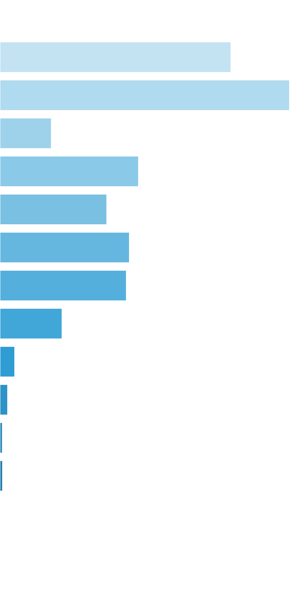
 | [0x, 0x] |  | 1 in 2.24 |  | 0.00x |  | 0.000%
 | (0x, 0.5x] |  | 1 in 3.51 |  | 0.32x |  | 0.234%
 | (0.5x, 1x) |  | 1 in 5.90 |  | 0.67x |  | 0.294%
 | [1x, 1x] |  | 1 in 49.52 |  | 1.00x |  | 0.052%
 | (1x, 2x) |  | 1 in 25.89 |  | 1.41x |  | 0.141%
 | [2x, 3x) |  | 1 in 55.59 |  | 2.33x |  | 0.108%
 | [3x, 5x) |  | 1 in 73.45 |  | 3.73x |  | 0.131%
 | [5x, 10x) |  | 1 in 133.56 |  | 6.63x |  | 0.128%
 | [10x, 20x) |  | 1 in 534.23 |  | 13.02x |  | 0.063%
 | [20x, 30x) |  | 1 in 4,096.22 |  | 23.67x |  | 0.015%
 | [30x, 50x) |  | 1 in 12,180.48 |  | 36.52x |  | 0.008%
 | [50x, 100x) |  | 1 in 63,102.71 |  | 58.90x |  | 0.002%
 | [100x, 200x) |  | 1 in 100,878.15 |  | 100.00x |  | 0.003%
 | [200x, 500x) |  | 1 in inf |  | nan |  | 0.000%
 | [500x, 1000x) |  | 1 in inf |  | nan |  | 0.000%
 | [1000x, inf) |  | 1 in inf |  | nan |  | 0.000%
 | Total |  | 1 in 1.80 |  | 0.82x |  | 1.180%

 | Section Index: |  | 0 | Section Name: |  | Base Game |  |  |  |  |  |  | Go To Content
 | Reelset Index: |  | 2 | Reelset Name: |  | Base Game | Cheap High Win Freq 2 | RTP 86%
 | Win Ranges |  | Win in Range |  | Average Win |  | RTP per Range
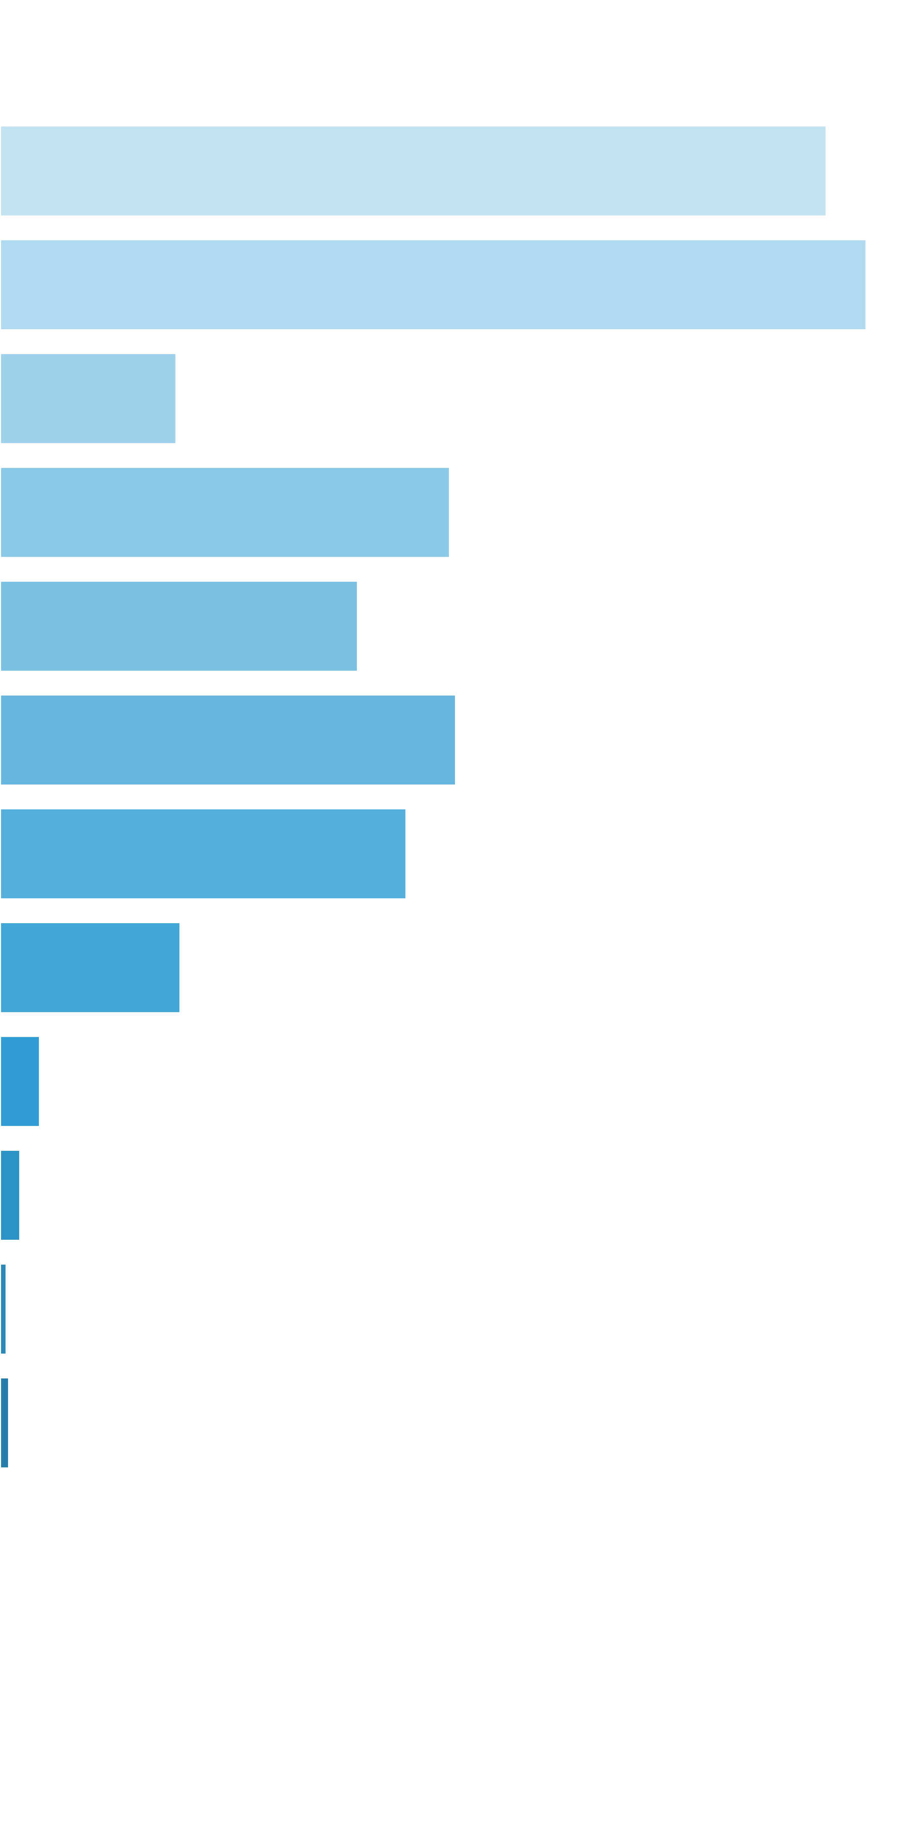
 | [0x, 0x] |  | 1 in 2.07 |  | 0.00x |  | 0.000%
 | (0x, 0.5x] |  | 1 in 3.60 |  | 0.33x |  | 0.238%
 | (0.5x, 1x) |  | 1 in 6.92 |  | 0.67x |  | 0.249%
 | [1x, 1x] |  | 1 in 50.92 |  | 1.00x |  | 0.051%
 | (1x, 2x) |  | 1 in 28.62 |  | 1.43x |  | 0.129%
 | [2x, 3x) |  | 1 in 59.02 |  | 2.35x |  | 0.103%
 | [3x, 5x) |  | 1 in 73.70 |  | 3.74x |  | 0.131%
 | [5x, 10x) |  | 1 in 146.07 |  | 6.61x |  | 0.117%
 | [10x, 20x) |  | 1 in 646.21 |  | 12.98x |  | 0.052%
 | [20x, 30x) |  | 1 in 5,333.87 |  | 23.61x |  | 0.011%
 | [30x, 50x) |  | 1 in 16,033.82 |  | 36.46x |  | 0.006%
 | [50x, 100x) |  | 1 in 78,783.66 |  | 58.64x |  | 0.002%
 | [100x, 200x) |  | 1 in 99,687.30 |  | 100.00x |  | 0.003%
 | [200x, 500x) |  | 1 in inf |  | nan |  | 0.000%
 | [500x, 1000x) |  | 1 in inf |  | nan |  | 0.000%
 | [1000x, inf) |  | 1 in inf |  | nan |  | 0.000%
 | Total |  | 1 in 1.94 |  | 0.82x |  | 1.093%

 | Section Index: |  | 0 | Section Name: |  | Base Game |  |  |  |  |  |  | Go To Content
 | Reelset Index: |  | 3 | Reelset Name: |  | Base Game | Many Pictures | RTP 86%
 | Win Ranges |  | Win in Range |  | Average Win |  | RTP per Range
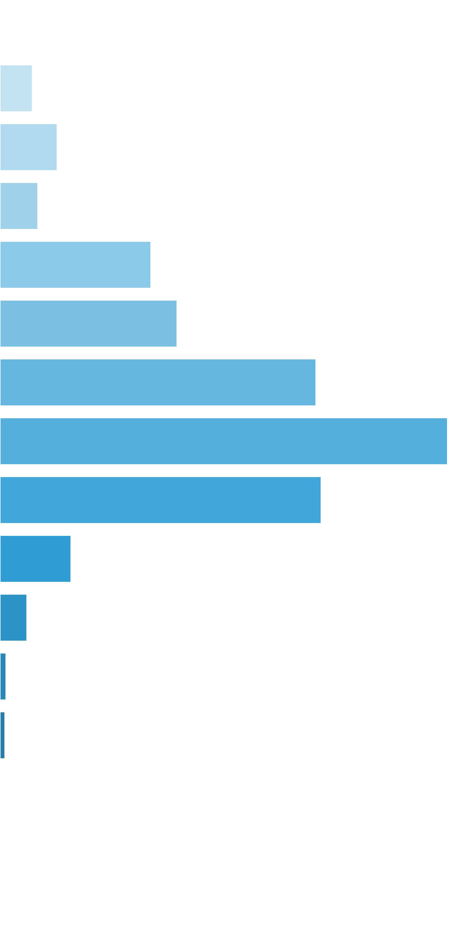
 | [0x, 0x] |  | 1 in 1.13 |  | 0.00x |  | 0.000%
 | (0x, 0.5x] |  | 1 in 54.54 |  | 0.35x |  | 0.064%
 | (0.5x, 1x) |  | 1 in 63.26 |  | 0.71x |  | 0.113%
 | [1x, 1x] |  | 1 in 133.85 |  | 1.00x |  | 0.075%
 | (1x, 2x) |  | 1 in 48.44 |  | 1.44x |  | 0.297%
 | [2x, 3x) |  | 1 in 66.41 |  | 2.32x |  | 0.349%
 | [3x, 5x) |  | 1 in 59.32 |  | 3.69x |  | 0.623%
 | [5x, 10x) |  | 1 in 76.05 |  | 6.71x |  | 0.882%
 | [10x, 20x) |  | 1 in 202.90 |  | 12.84x |  | 0.633%
 | [20x, 30x) |  | 1 in 1,654.93 |  | 23.17x |  | 0.140%
 | [30x, 50x) |  | 1 in 6,810.40 |  | 35.97x |  | 0.053%
 | [50x, 100x) |  | 1 in 49,309.78 |  | 58.53x |  | 0.012%
 | [100x, 200x) |  | 1 in 99,991.22 |  | 100.00x |  | 0.010%
 | [200x, 500x) |  | 1 in inf |  | nan |  | 0.000%
 | [500x, 1000x) |  | 1 in inf |  | nan |  | 0.000%
 | [1000x, inf) |  | 1 in inf |  | nan |  | 0.000%
 | Total |  | 1 in 8.85 |  | 2.88x |  | 3.250%

 | Section Index: |  | 0 | Section Name: |  | Base Game |  |  |  |  |  |  | Go To Content
 | Reelset Index: |  | 4 | Reelset Name: |  | Base Game | Free Spin Scatters | Reels 2,4 | RTP 86%
 | Win Ranges |  | Win in Range |  | Average Win |  | RTP per Range
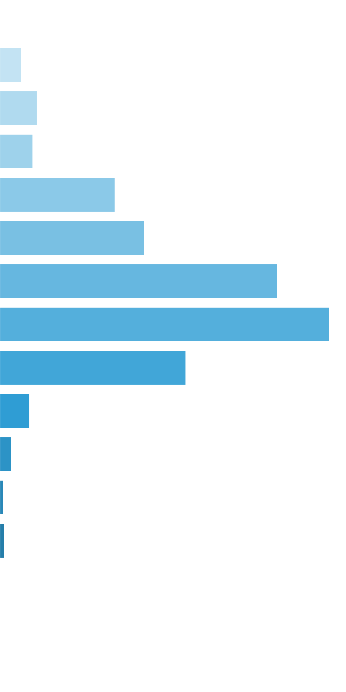
 | [0x, 0x] |  | 1 in 1.10 |  | 0.00x |  | 0.000%
 | (0x, 0.5x] |  | 1 in 74.38 |  | 0.36x |  | 0.024%
 | (0.5x, 1x) |  | 1 in 86.87 |  | 0.72x |  | 0.041%
 | [1x, 1x] |  | 1 in 136.94 |  | 1.00x |  | 0.037%
 | (1x, 2x) |  | 1 in 56.94 |  | 1.45x |  | 0.128%
 | [2x, 3x) |  | 1 in 72.67 |  | 2.33x |  | 0.160%
 | [3x, 5x) |  | 1 in 59.76 |  | 3.68x |  | 0.308%
 | [5x, 10x) |  | 1 in 94.16 |  | 6.89x |  | 0.366%
 | [10x, 20x) |  | 1 in 312.68 |  | 12.92x |  | 0.207%
 | [20x, 30x) |  | 1 in 3,485.76 |  | 23.08x |  | 0.033%
 | [30x, 50x) |  | 1 in 14,305.16 |  | 36.19x |  | 0.013%
 | [50x, 100x) |  | 1 in 77,749.34 |  | 58.59x |  | 0.004%
 | [100x, 200x) |  | 1 in 100,544.60 |  | 100.00x |  | 0.005%
 | [200x, 500x) |  | 1 in inf |  | nan |  | 0.000%
 | [500x, 1000x) |  | 1 in inf |  | nan |  | 0.000%
 | [1000x, inf) |  | 1 in inf |  | nan |  | 0.000%
 | Total |  | 1 in 10.58 |  | 2.80x |  | 1.325%

 | Section Index: |  | 0 | Section Name: |  | Base Game |  |  |  |  |  |  | Go To Content
 | Reelset Index: |  | 5 | Reelset Name: |  | Base Game | Free Spin Scatters | Reels 1,3,5 | RTP 86%
 | Win Ranges |  | Win in Range |  | Average Win |  | RTP per Range

 | [0x, 0x] |  | 1 in 1.10 |  | 0.00x |  | 0.000%
 | (0x, 0.5x] |  | 1 in 67.16 |  | 0.36x |  | 0.027%
 | (0.5x, 1x) |  | 1 in 85.56 |  | 0.71x |  | 0.042%
 | [1x, 1x] |  | 1 in 132.62 |  | 1.00x |  | 0.038%
 | (1x, 2x) |  | 1 in 57.90 |  | 1.46x |  | 0.126%
 | [2x, 3x) |  | 1 in 75.84 |  | 2.32x |  | 0.153%
 | [3x, 5x) |  | 1 in 62.91 |  | 3.70x |  | 0.294%
 | [5x, 10x) |  | 1 in 98.40 |  | 6.83x |  | 0.347%
 | [10x, 20x) |  | 1 in 318.96 |  | 12.85x |  | 0.201%
 | [20x, 30x) |  | 1 in 3,337.55 |  | 22.95x |  | 0.034%
 | [30x, 50x) |  | 1 in 14,086.22 |  | 36.29x |  | 0.013%
 | [50x, 100x) |  | 1 in 74,717.57 |  | 58.61x |  | 0.004%
 | [100x, 200x) |  | 1 in 99,484.67 |  | 100.00x |  | 0.005%
 | [200x, 500x) |  | 1 in inf |  | nan |  | 0.000%
 | [500x, 1000x) |  | 1 in inf |  | nan |  | 0.000%
 | [1000x, inf) |  | 1 in inf |  | nan |  | 0.000%
 | Total |  | 1 in 10.62 |  | 2.73x |  | 1.283%

 | Section Index: |  | 0 | Section Name: |  | Base Game |  |  |  |  |  |  | Go To Content
 | Reelset Index: |  | 6 | Reelset Name: |  | Base Game | Free Spin Scatters | Reels 1,2,3,4,5 | RTP 86%
 | Win Ranges |  | Win in Range |  | Average Win |  | RTP per Range
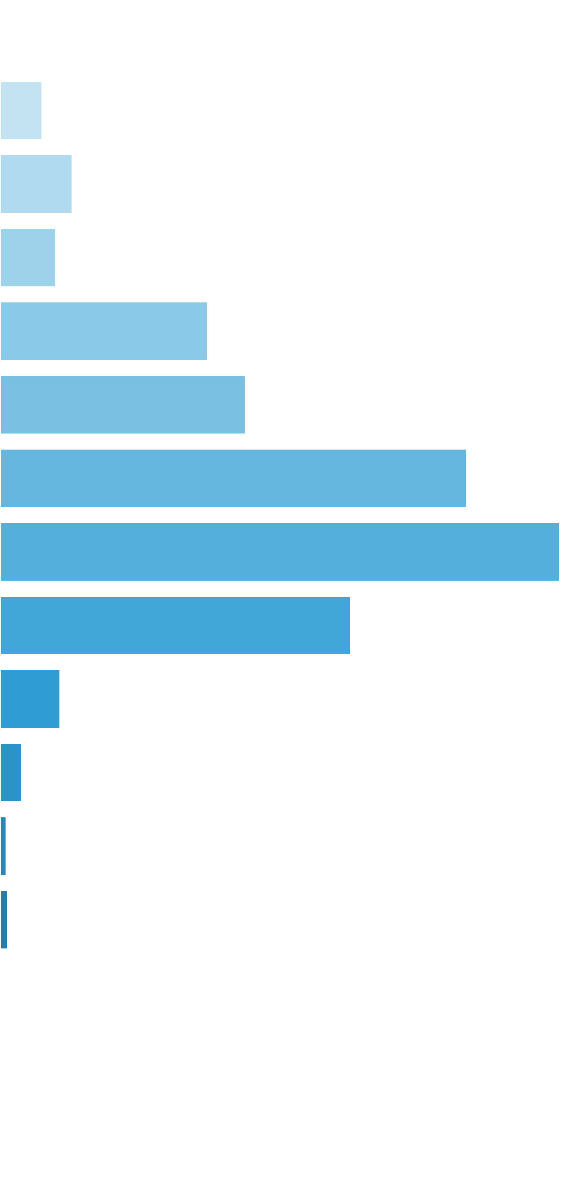
 | [0x, 0x] |  | 1 in 1.11 |  | 0.00x |  | 0.000%
 | (0x, 0.5x] |  | 1 in 65.16 |  | 0.35x |  | 0.054%
 | (0.5x, 1x) |  | 1 in 77.23 |  | 0.72x |  | 0.093%
 | [1x, 1x] |  | 1 in 138.85 |  | 1.00x |  | 0.072%
 | (1x, 2x) |  | 1 in 54.31 |  | 1.45x |  | 0.267%
 | [2x, 3x) |  | 1 in 73.98 |  | 2.34x |  | 0.316%
 | [3x, 5x) |  | 1 in 61.60 |  | 3.70x |  | 0.601%
 | [5x, 10x) |  | 1 in 94.53 |  | 6.81x |  | 0.721%
 | [10x, 20x) |  | 1 in 285.48 |  | 12.89x |  | 0.451%
 | [20x, 30x) |  | 1 in 2,959.13 |  | 22.88x |  | 0.077%
 | [30x, 50x) |  | 1 in 13,072.26 |  | 36.16x |  | 0.028%
 | [50x, 100x) |  | 1 in 73,397.54 |  | 58.60x |  | 0.008%
 | [100x, 200x) |  | 1 in 99,571.59 |  | 100.00x |  | 0.010%
 | [200x, 500x) |  | 1 in inf |  | nan |  | 0.000%
 | [500x, 1000x) |  | 1 in inf |  | nan |  | 0.000%
 | [1000x, inf) |  | 1 in inf |  | nan |  | 0.000%
 | Total |  | 1 in 10.19 |  | 2.75x |  | 2.697%

 | Section Index: |  | 0 | Section Name: |  | Base Game |  |  |  |  |  |  | Go To Content
 | Reelset Index: |  | 7 | Reelset Name: |  | Base Game | CF Max 3 scatters | 1-2-3 reels | RTP 86%
 | Win Ranges |  | Win in Range |  | Average Win |  | RTP per Range
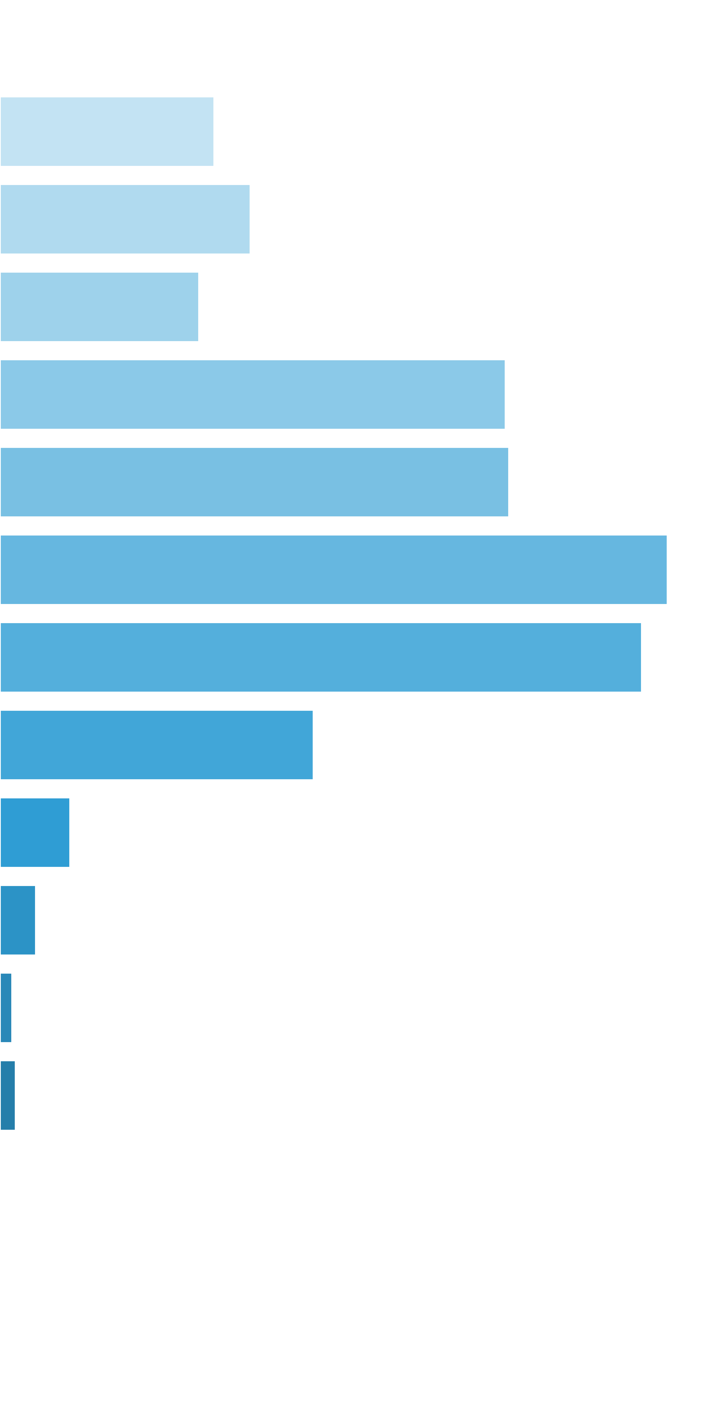
 | [0x, 0x] |  | 1 in 1.15 |  | 0.00x |  | 0.000%
 | (0x, 0.5x] |  | 1 in 25.56 |  | 0.35x |  | 0.035%
 | (0.5x, 1x) |  | 1 in 43.49 |  | 0.69x |  | 0.042%
 | [1x, 1x] |  | 1 in 78.86 |  | 1.00x |  | 0.033%
 | (1x, 2x) |  | 1 in 45.14 |  | 1.45x |  | 0.084%
 | [2x, 3x) |  | 1 in 71.35 |  | 2.31x |  | 0.084%
 | [3x, 5x) |  | 1 in 86.63 |  | 3.68x |  | 0.111%
 | [5x, 10x) |  | 1 in 161.00 |  | 6.58x |  | 0.106%
 | [10x, 20x) |  | 1 in 639.99 |  | 12.78x |  | 0.052%
 | [20x, 30x) |  | 1 in 5,274.19 |  | 23.54x |  | 0.012%
 | [30x, 50x) |  | 1 in 16,070.94 |  | 36.50x |  | 0.006%
 | [50x, 100x) |  | 1 in 75,972.93 |  | 58.62x |  | 0.002%
 | [100x, 200x) |  | 1 in 99,583.34 |  | 100.00x |  | 0.003%
 | [200x, 500x) |  | 1 in inf |  | nan |  | 0.000%
 | [500x, 1000x) |  | 1 in inf |  | nan |  | 0.000%
 | [1000x, inf) |  | 1 in inf |  | nan |  | 0.000%
 | Total |  | 1 in 7.66 |  | 1.68x |  | 0.569%

 | Section Index: |  | 0 | Section Name: |  | Base Game |  |  |  |  |  |  | Go To Content
 | Reelset Index: |  | 8 | Reelset Name: |  | Base Game | CF Max 3 scatters | 3-4-5 reels | RTP 86%
 | Win Ranges |  | Win in Range |  | Average Win |  | RTP per Range
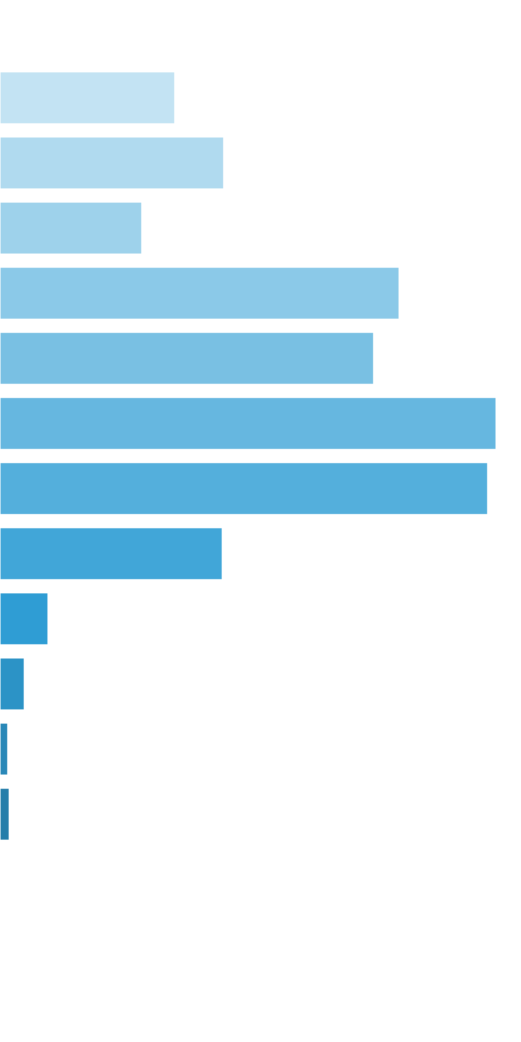
 | [0x, 0x] |  | 1 in 1.21 |  | 0.00x |  | 0.000%
 | (0x, 0.5x] |  | 1 in 18.46 |  | 0.34x |  | 0.048%
 | (0.5x, 1x) |  | 1 in 29.45 |  | 0.70x |  | 0.062%
 | [1x, 1x] |  | 1 in 66.31 |  | 1.00x |  | 0.039%
 | (1x, 2x) |  | 1 in 33.87 |  | 1.44x |  | 0.110%
 | [2x, 3x) |  | 1 in 58.65 |  | 2.33x |  | 0.103%
 | [3x, 5x) |  | 1 in 70.37 |  | 3.71x |  | 0.137%
 | [5x, 10x) |  | 1 in 127.16 |  | 6.59x |  | 0.135%
 | [10x, 20x) |  | 1 in 542.55 |  | 12.81x |  | 0.061%
 | [20x, 30x) |  | 1 in 4,603.85 |  | 23.53x |  | 0.013%
 | [30x, 50x) |  | 1 in 14,184.96 |  | 36.42x |  | 0.007%
 | [50x, 100x) |  | 1 in 71,378.10 |  | 58.61x |  | 0.002%
 | [100x, 200x) |  | 1 in 100,421.71 |  | 100.00x |  | 0.003%
 | [200x, 500x) |  | 1 in inf |  | nan |  | 0.000%
 | [500x, 1000x) |  | 1 in inf |  | nan |  | 0.000%
 | [1000x, inf) |  | 1 in inf |  | nan |  | 0.000%
 | Total |  | 1 in 5.75 |  | 1.59x |  | 0.721%

 | Section Index: |  | 0 | Section Name: |  | Base Game |  |  |  |  |  |  | Go To Content
 | Reelset Index: |  | 9 | Reelset Name: |  | Base Game | CF Max 3 scatters | 2-5 reels | RTP 86%
 | Win Ranges |  | Win in Range |  | Average Win |  | RTP per Range
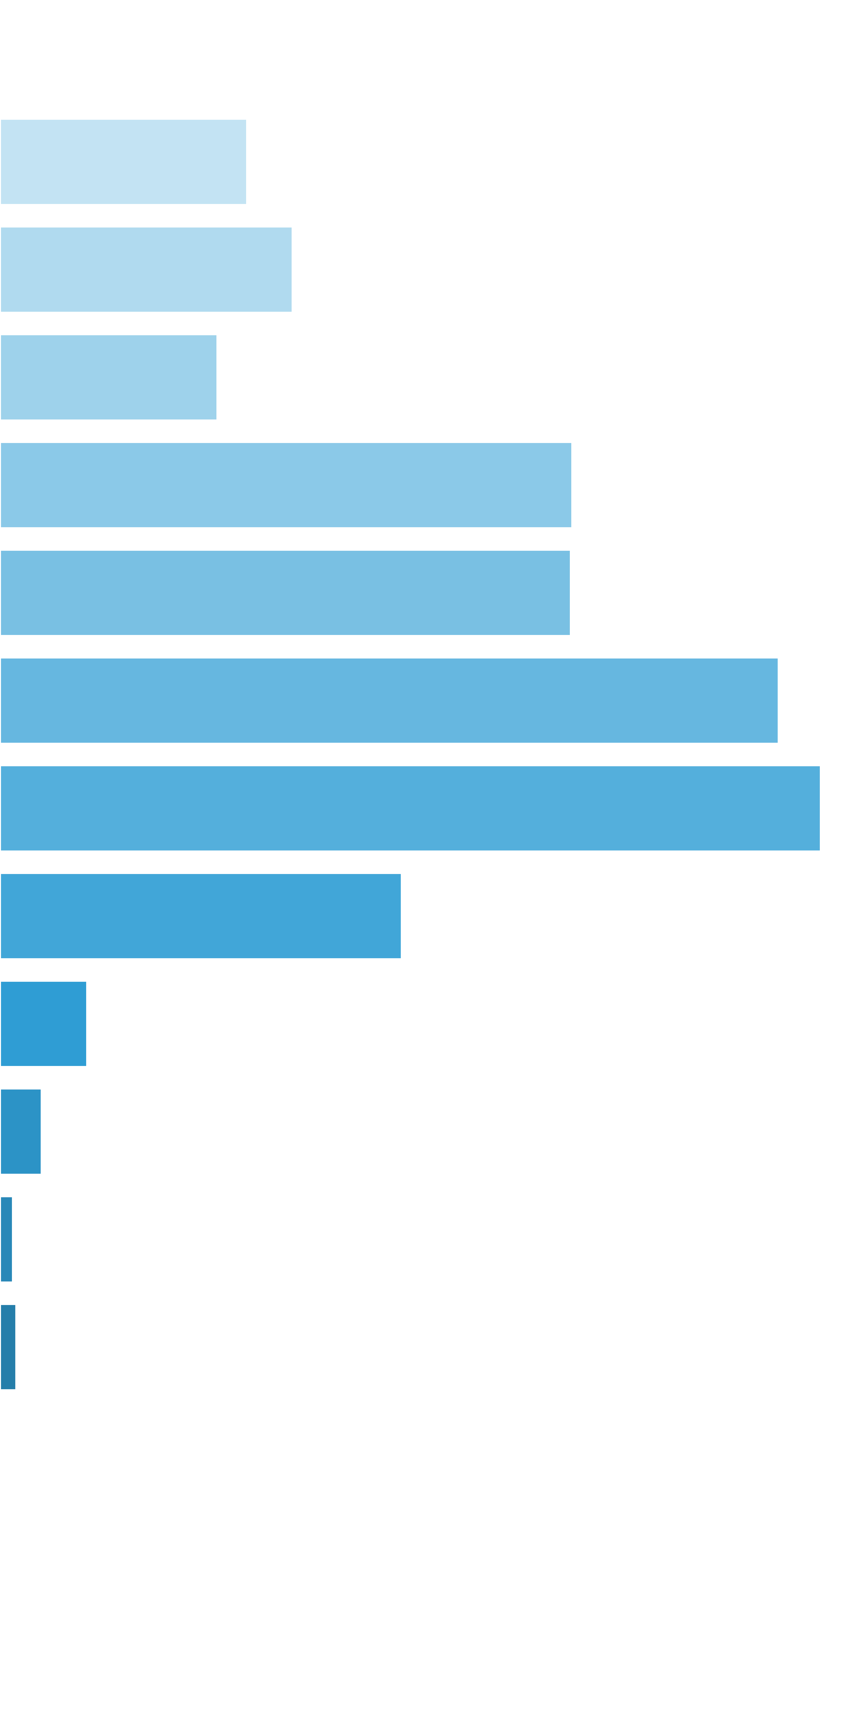
 | [0x, 0x] |  | 1 in 1.17 |  | 0.00x |  | 0.000%
 | (0x, 0.5x] |  | 1 in 22.99 |  | 0.35x |  | 0.046%
 | (0.5x, 1x) |  | 1 in 39.21 |  | 0.71x |  | 0.054%
 | [1x, 1x] |  | 1 in 74.78 |  | 1.00x |  | 0.040%
 | (1x, 2x) |  | 1 in 41.05 |  | 1.44x |  | 0.106%
 | [2x, 3x) |  | 1 in 66.12 |  | 2.32x |  | 0.105%
 | [3x, 5x) |  | 1 in 77.57 |  | 3.71x |  | 0.144%
 | [5x, 10x) |  | 1 in 131.20 |  | 6.62x |  | 0.151%
 | [10x, 20x) |  | 1 in 519.88 |  | 12.84x |  | 0.074%
 | [20x, 30x) |  | 1 in 4,403.83 |  | 23.54x |  | 0.016%
 | [30x, 50x) |  | 1 in 14,114.09 |  | 36.32x |  | 0.008%
 | [50x, 100x) |  | 1 in 74,245.78 |  | 58.60x |  | 0.002%
 | [100x, 200x) |  | 1 in 99,762.21 |  | 100.00x |  | 0.003%
 | [200x, 500x) |  | 1 in inf |  | nan |  | 0.000%
 | [500x, 1000x) |  | 1 in inf |  | nan |  | 0.000%
 | [1000x, inf) |  | 1 in inf |  | nan |  | 0.000%
 | Total |  | 1 in 6.91 |  | 1.73x |  | 0.749%

 | Section Index: |  | 0 | Section Name: |  | Base Game |  |  |  |  |  |  | Go To Content
 | Reelset Index: |  | 10 | Reelset Name: |  | Base Game | CF Max 3 scatters | 3-4 reels | RTP 86%
 | Win Ranges |  | Win in Range |  | Average Win |  | RTP per Range
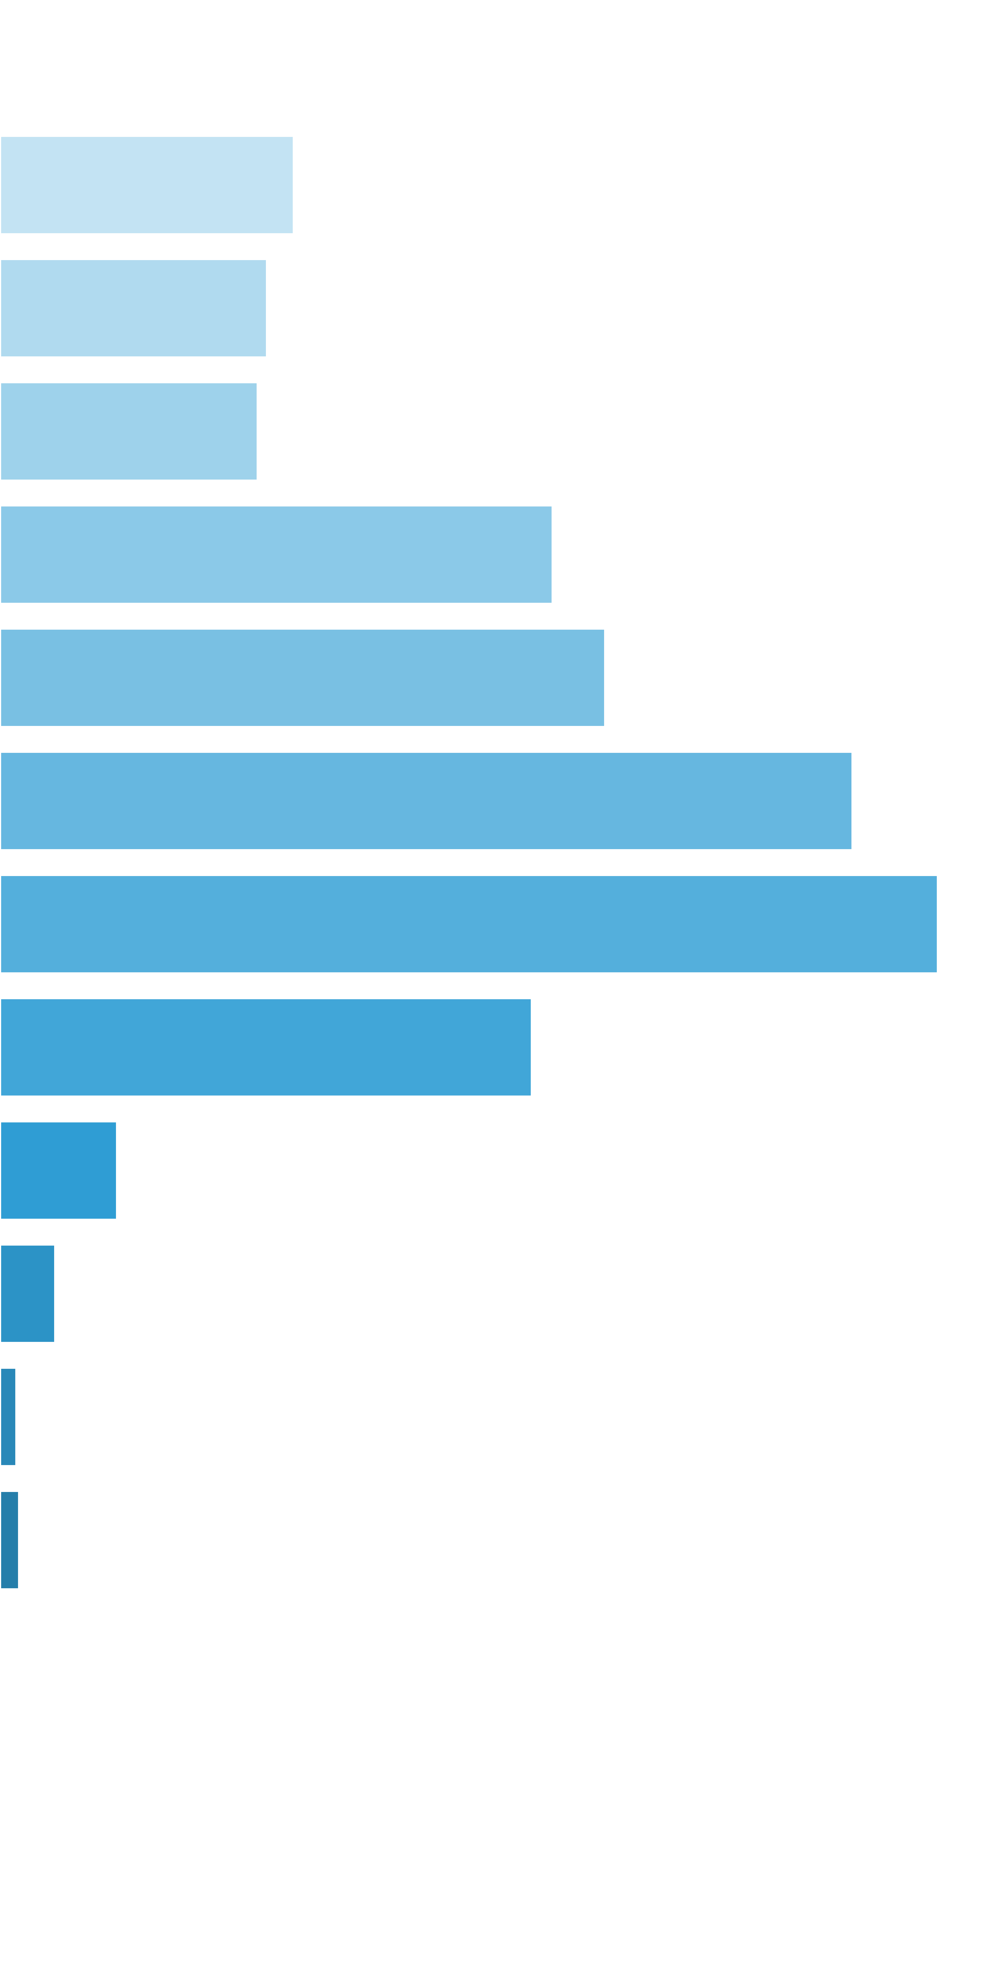
 | [0x, 0x] |  | 1 in 1.16 |  | 0.00x |  | 0.000%
 | (0x, 0.5x] |  | 1 in 21.96 |  | 0.34x |  | 0.046%
 | (0.5x, 1x) |  | 1 in 50.85 |  | 0.71x |  | 0.042%
 | [1x, 1x] |  | 1 in 73.83 |  | 1.00x |  | 0.041%
 | (1x, 2x) |  | 1 in 49.85 |  | 1.45x |  | 0.087%
 | [2x, 3x) |  | 1 in 72.37 |  | 2.30x |  | 0.096%
 | [3x, 5x) |  | 1 in 82.72 |  | 3.71x |  | 0.134%
 | [5x, 10x) |  | 1 in 135.15 |  | 6.67x |  | 0.148%
 | [10x, 20x) |  | 1 in 457.19 |  | 12.78x |  | 0.084%
 | [20x, 30x) |  | 1 in 3,813.78 |  | 23.50x |  | 0.018%
 | [30x, 50x) |  | 1 in 12,516.66 |  | 36.25x |  | 0.009%
 | [50x, 100x) |  | 1 in 68,127.20 |  | 58.58x |  | 0.003%
 | [100x, 200x) |  | 1 in 99,100.87 |  | 100.00x |  | 0.003%
 | [200x, 500x) |  | 1 in inf |  | nan |  | 0.000%
 | [500x, 1000x) |  | 1 in inf |  | nan |  | 0.000%
 | [1000x, inf) |  | 1 in inf |  | nan |  | 0.000%
 | Total |  | 1 in 7.43 |  | 1.76x |  | 0.711%

 | Section Index: |  | 0 | Section Name: |  | Base Game |  |  |  |  |  |  | Go To Content
 | Reelset Index: |  | 11 | Reelset Name: |  | Base Game | CF Max 3 scatters | 2 reel | RTP 86%
 | Win Ranges |  | Win in Range |  | Average Win |  | RTP per Range
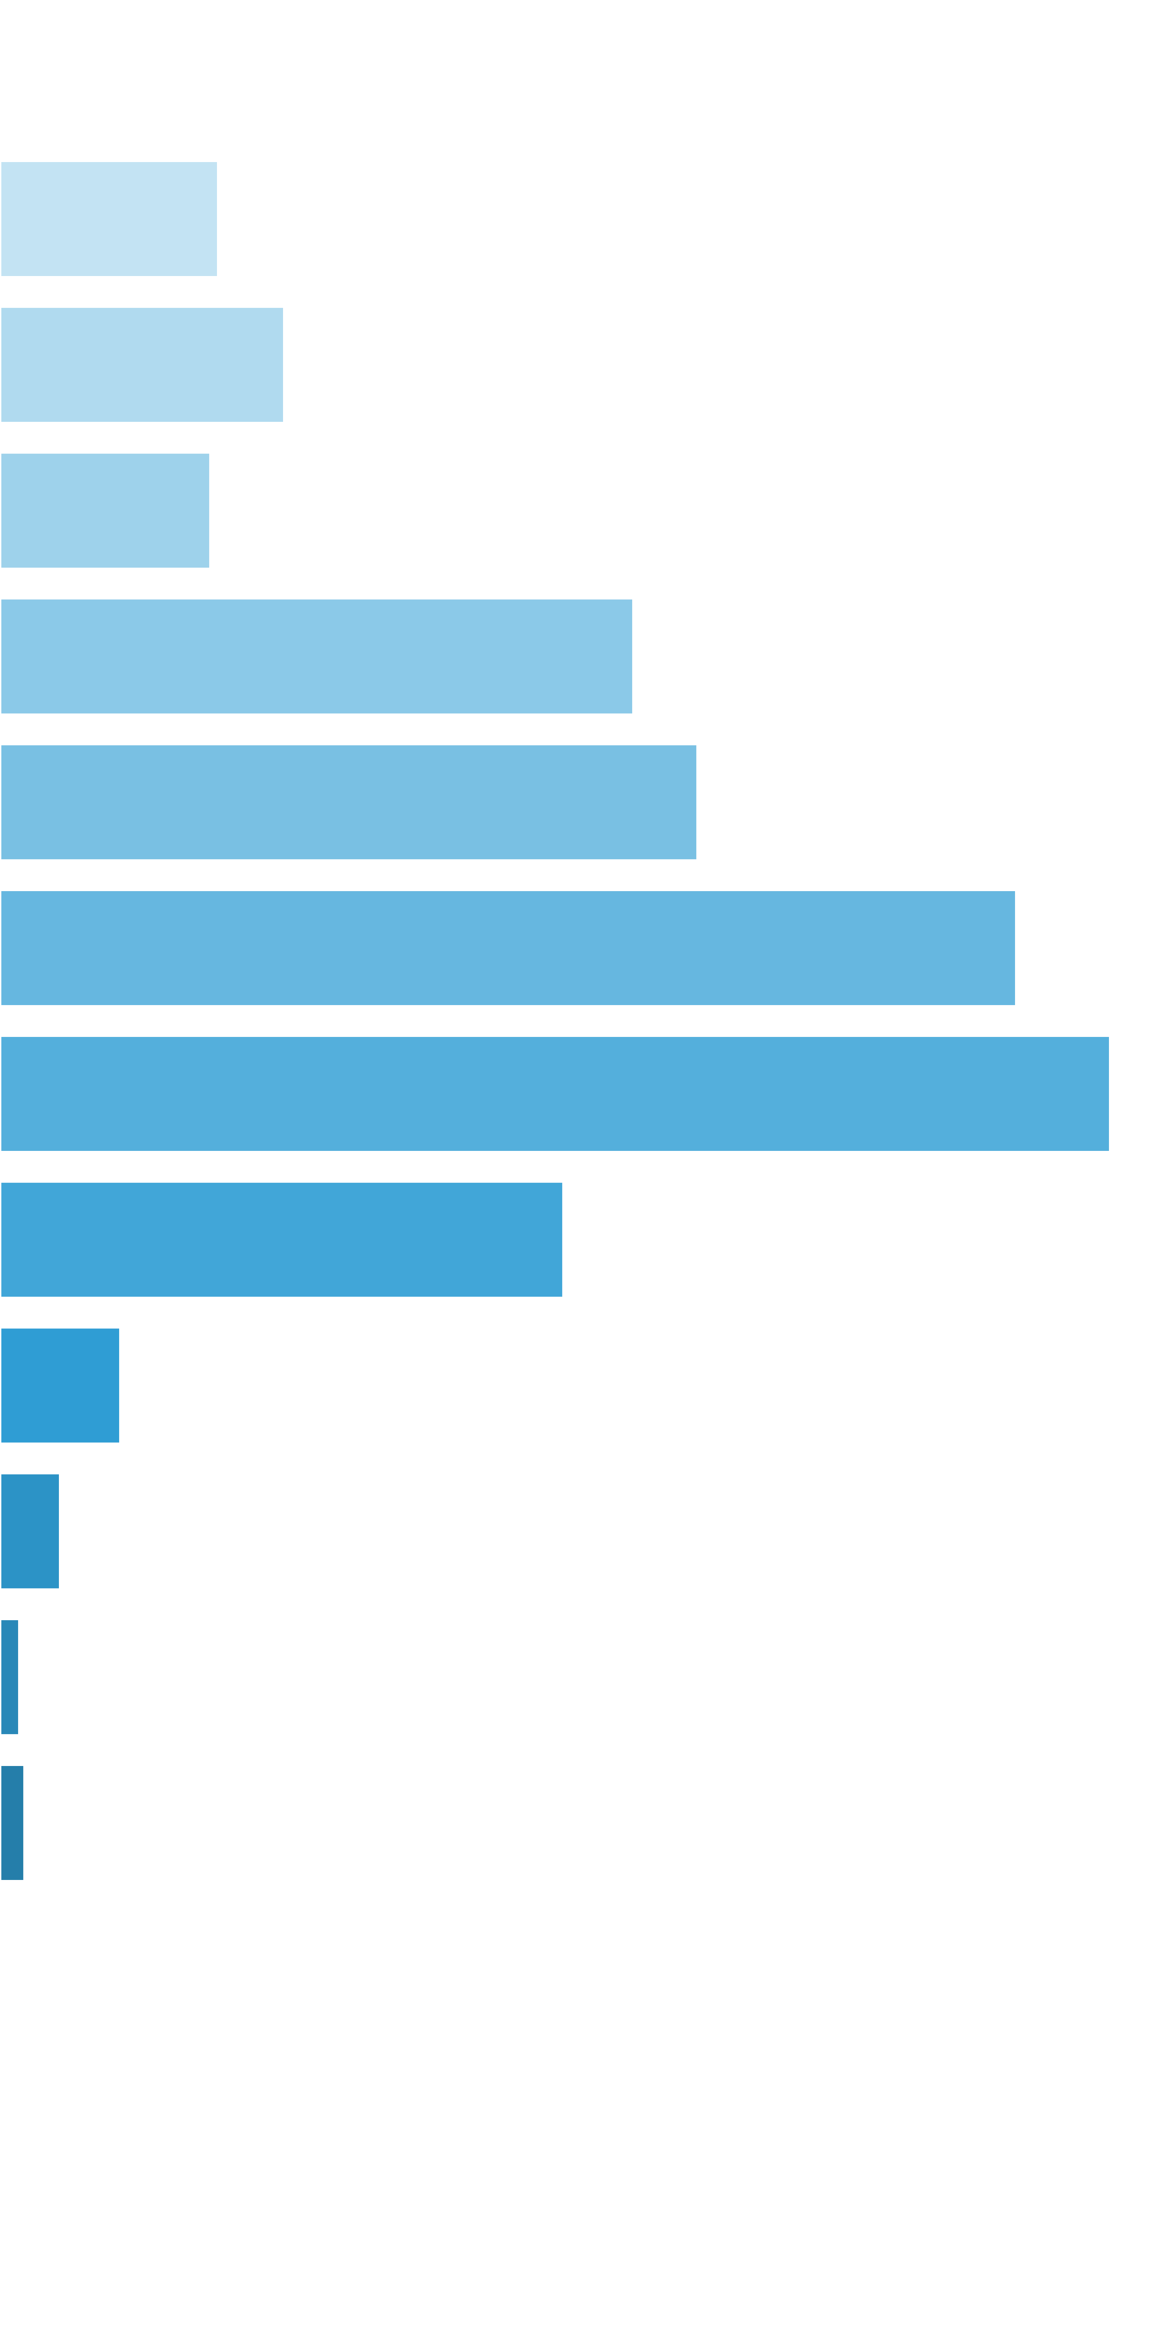
 | [0x, 0x] |  | 1 in 1.11 |  | 0.00x |  | 0.000%
 | (0x, 0.5x] |  | 1 in 39.43 |  | 0.35x |  | 0.031%
 | (0.5x, 1x) |  | 1 in 61.48 |  | 0.71x |  | 0.040%
 | [1x, 1x] |  | 1 in 117.19 |  | 1.00x |  | 0.030%
 | (1x, 2x) |  | 1 in 56.56 |  | 1.45x |  | 0.090%
 | [2x, 3x) |  | 1 in 82.41 |  | 2.33x |  | 0.099%
 | [3x, 5x) |  | 1 in 90.23 |  | 3.72x |  | 0.144%
 | [5x, 10x) |  | 1 in 147.62 |  | 6.65x |  | 0.158%
 | [10x, 20x) |  | 1 in 561.88 |  | 12.85x |  | 0.080%
 | [20x, 30x) |  | 1 in 4,803.84 |  | 23.55x |  | 0.017%
 | [30x, 50x) |  | 1 in 14,944.78 |  | 36.35x |  | 0.009%
 | [50x, 100x) |  | 1 in 74,588.85 |  | 58.56x |  | 0.003%
 | [100x, 200x) |  | 1 in 99,727.38 |  | 100.00x |  | 0.004%
 | [200x, 500x) |  | 1 in inf |  | nan |  | 0.000%
 | [500x, 1000x) |  | 1 in inf |  | nan |  | 0.000%
 | [1000x, inf) |  | 1 in inf |  | nan |  | 0.000%
 | Total |  | 1 in 10.01 |  | 2.01x |  | 0.704%

 | Section Index: |  | 0 | Section Name: |  | Base Game |  |  |  |  |  |  | Go To Content
 | Reelset Index: |  | 12 | Reelset Name: |  | Base Game | CF Max 3 scatters | 3 reel | RTP 86%
 | Win Ranges |  | Win in Range |  | Average Win |  | RTP per Range
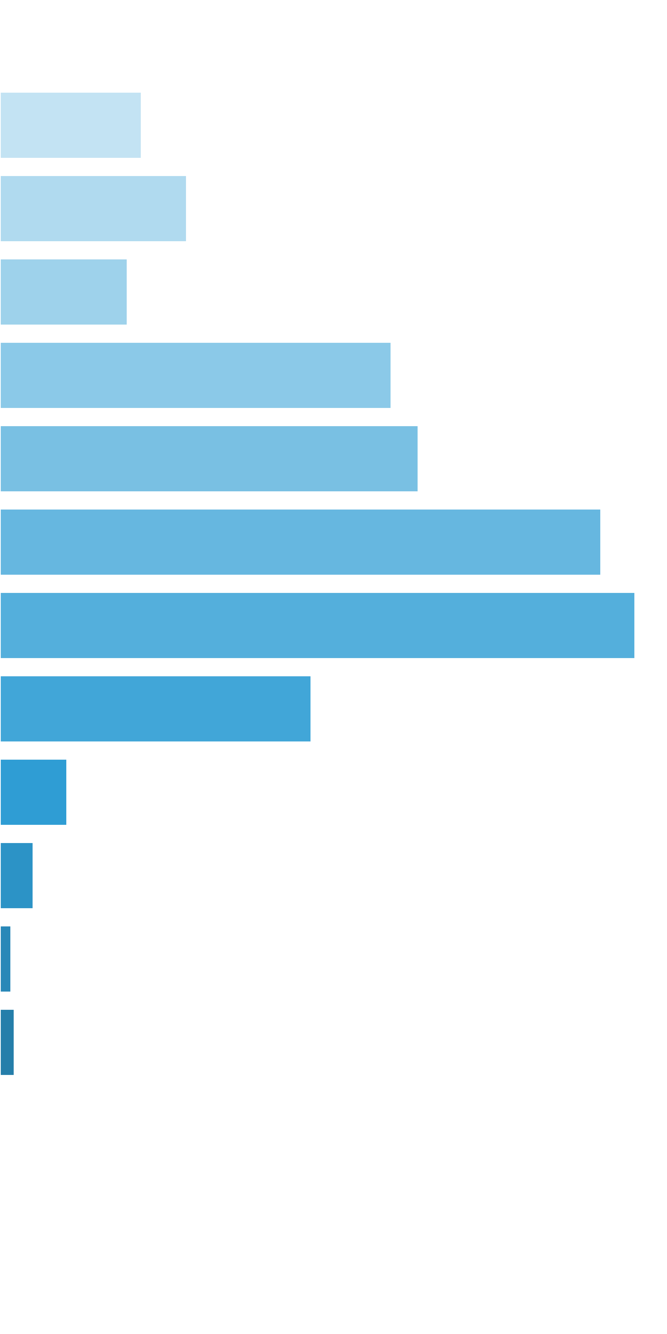
 | [0x, 0x] |  | 1 in 1.12 |  | 0.00x |  | 0.000%
 | (0x, 0.5x] |  | 1 in 35.16 |  | 0.34x |  | 0.034%
 | (0.5x, 1x) |  | 1 in 54.73 |  | 0.70x |  | 0.045%
 | [1x, 1x] |  | 1 in 114.04 |  | 1.00x |  | 0.031%
 | (1x, 2x) |  | 1 in 53.78 |  | 1.45x |  | 0.094%
 | [2x, 3x) |  | 1 in 80.97 |  | 2.33x |  | 0.101%
 | [3x, 5x) |  | 1 in 89.87 |  | 3.72x |  | 0.145%
 | [5x, 10x) |  | 1 in 151.65 |  | 6.64x |  | 0.153%
 | [10x, 20x) |  | 1 in 600.42 |  | 12.87x |  | 0.075%
 | [20x, 30x) |  | 1 in 5,086.25 |  | 23.53x |  | 0.016%
 | [30x, 50x) |  | 1 in 15,858.02 |  | 36.38x |  | 0.008%
 | [50x, 100x) |  | 1 in 77,476.63 |  | 58.49x |  | 0.003%
 | [100x, 200x) |  | 1 in 99,632.98 |  | 100.00x |  | 0.004%
 | [200x, 500x) |  | 1 in inf |  | nan |  | 0.000%
 | [500x, 1000x) |  | 1 in inf |  | nan |  | 0.000%
 | [1000x, inf) |  | 1 in inf |  | nan |  | 0.000%
 | Total |  | 1 in 9.43 |  | 1.91x |  | 0.708%

 | Section Index: |  | 0 | Section Name: |  | Base Game |  |  |  |  |  |  | Go To Content
 | Reelset Index: |  | 13 | Reelset Name: |  | Base Game | CF Max 3 scatters | 5 reel | RTP 86%
 | Win Ranges |  | Win in Range |  | Average Win |  | RTP per Range
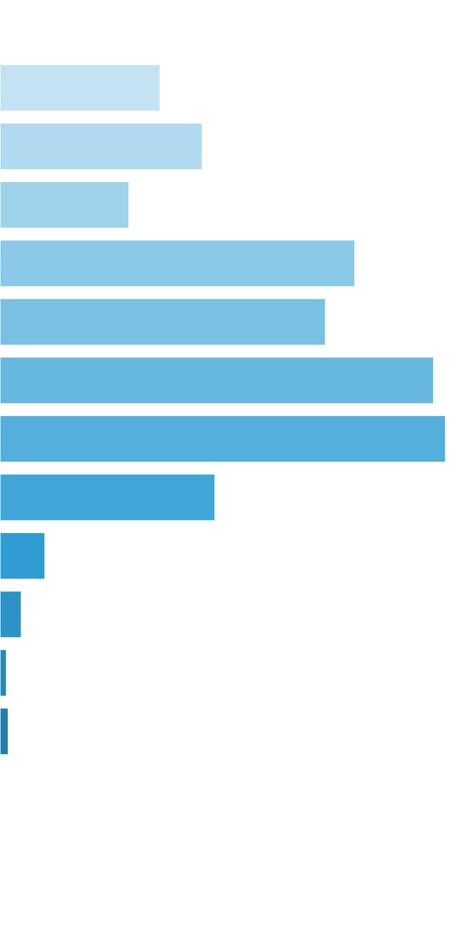
 | [0x, 0x] |  | 1 in 1.22 |  | 0.00x |  | 0.000%
 | (0x, 0.5x] |  | 1 in 17.72 |  | 0.35x |  | 0.035%
 | (0.5x, 1x) |  | 1 in 28.34 |  | 0.70x |  | 0.044%
 | [1x, 1x] |  | 1 in 63.60 |  | 1.00x |  | 0.028%
 | (1x, 2x) |  | 1 in 33.23 |  | 1.44x |  | 0.078%
 | [2x, 3x) |  | 1 in 58.52 |  | 2.32x |  | 0.071%
 | [3x, 5x) |  | 1 in 70.32 |  | 3.72x |  | 0.095%
 | [5x, 10x) |  | 1 in 121.40 |  | 6.60x |  | 0.098%
 | [10x, 20x) |  | 1 in 485.84 |  | 12.74x |  | 0.047%
 | [20x, 30x) |  | 1 in 4,285.25 |  | 23.51x |  | 0.010%
 | [30x, 50x) |  | 1 in 14,003.95 |  | 36.37x |  | 0.005%
 | [50x, 100x) |  | 1 in 74,532.15 |  | 58.69x |  | 0.001%
 | [100x, 200x) |  | 1 in 99,136.75 |  | 100.00x |  | 0.002%
 | [200x, 500x) |  | 1 in inf |  | nan |  | 0.000%
 | [500x, 1000x) |  | 1 in inf |  | nan |  | 0.000%
 | [1000x, inf) |  | 1 in inf |  | nan |  | 0.000%
 | Total |  | 1 in 5.57 |  | 1.59x |  | 0.515%

 | Section Index: |  | 0 | Section Name: |  | Base Game |  |  |  |  |  |  | Go To Content
 | Reelset Index: |  | 14 | Reelset Name: |  | Base Game | CF Max 12 scatters | Common trigger | RTP 86%
 | Win Ranges |  | Win in Range |  | Average Win |  | RTP per Range
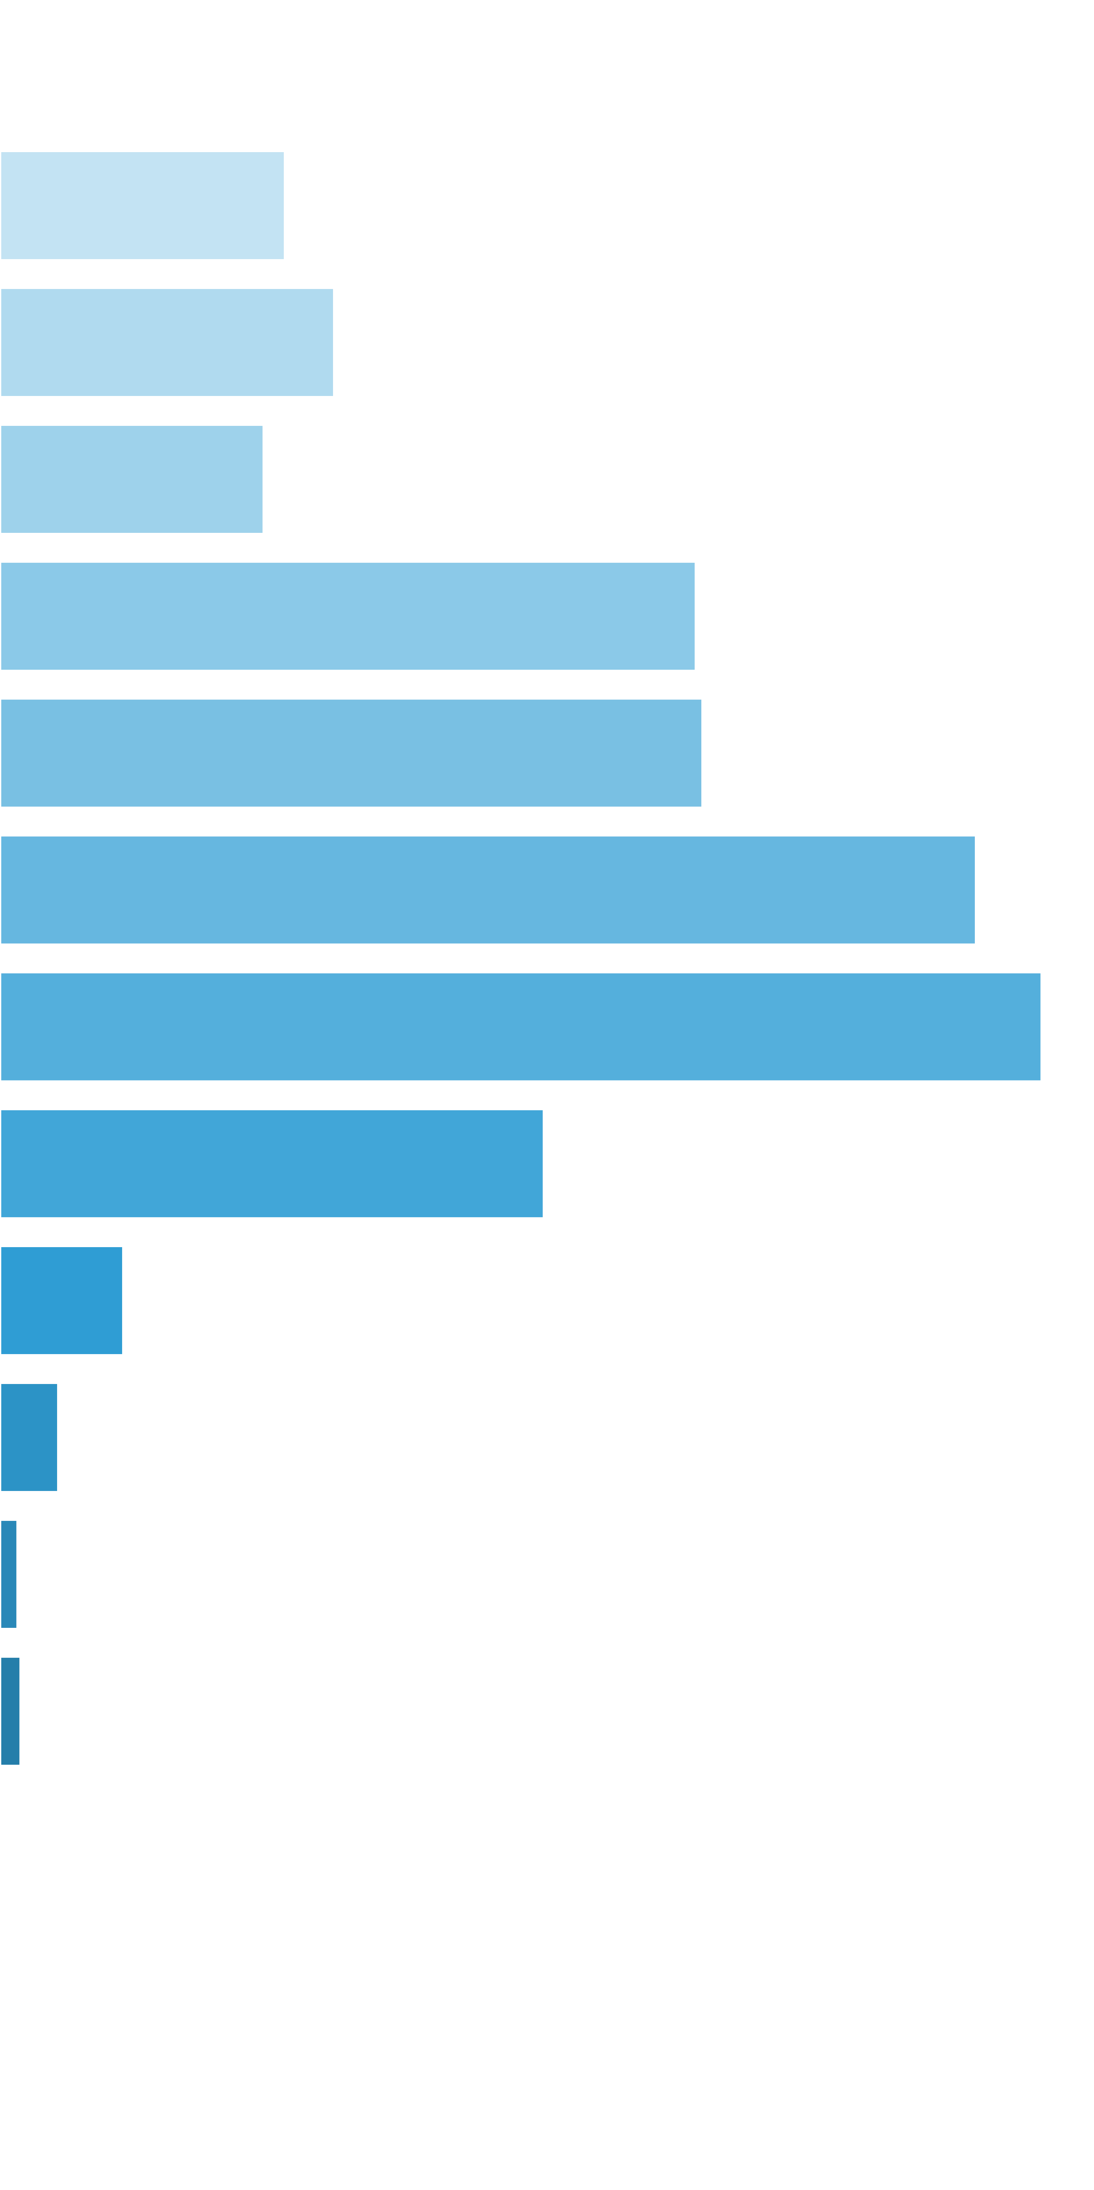
 | [0x, 0x] |  | 1 in 1.16 |  | 0.00x |  | 0.000%
 | (0x, 0.5x] |  | 1 in 25.21 |  | 0.35x |  | 0.277%
 | (0.5x, 1x) |  | 1 in 43.57 |  | 0.71x |  | 0.325%
 | [1x, 1x] |  | 1 in 78.17 |  | 1.00x |  | 0.256%
 | (1x, 2x) |  | 1 in 42.90 |  | 1.45x |  | 0.675%
 | [2x, 3x) |  | 1 in 68.12 |  | 2.32x |  | 0.682%
 | [3x, 5x) |  | 1 in 78.35 |  | 3.71x |  | 0.947%
 | [5x, 10x) |  | 1 in 131.06 |  | 6.62x |  | 1.011%
 | [10x, 20x) |  | 1 in 487.21 |  | 12.86x |  | 0.528%
 | [20x, 30x) |  | 1 in 3,929.96 |  | 23.51x |  | 0.120%
 | [30x, 50x) |  | 1 in 12,796.04 |  | 36.34x |  | 0.057%
 | [50x, 100x) |  | 1 in 69,407.35 |  | 58.56x |  | 0.017%
 | [100x, 200x) |  | 1 in 99,949.36 |  | 100.00x |  | 0.020%
 | [200x, 500x) |  | 1 in inf |  | nan |  | 0.000%
 | [500x, 1000x) |  | 1 in inf |  | nan |  | 0.000%
 | [1000x, inf) |  | 1 in inf |  | nan |  | 0.000%
 | Total |  | 1 in 7.34 |  | 1.80x |  | 4.913%

 | 11.2. Free Spins Reelsets |  |  |  |  |  |  |  |  |  |  |  | Go To Content

 | Section Index: |  | 1 | Section Name: |  | Free Spins
 | Reelset Index: |  | 0 | Reelset Name: |  | Free Game | Normal Game | RTP 86%
 | Win Ranges |  | Win in Range |  | Average Win |  | RTP per Range
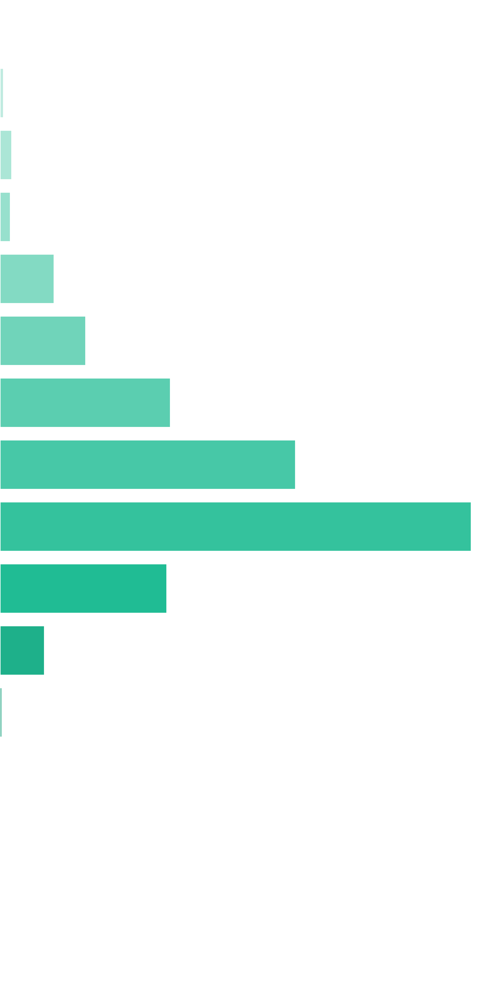
 | [0x, 0x] |  | 1 in 1.78 |  | 0.00x |  | 0.000%
 | (0x, 0.5x] |  | 1 in 53.45 |  | 0.36x |  | 0.002%
 | (0.5x, 1x) |  | 1 in 33.50 |  | 0.73x |  | 0.008%
 | [1x, 1x] |  | 1 in 52.48 |  | 1.00x |  | 0.007%
 | (1x, 2x) |  | 1 in 14.89 |  | 1.48x |  | 0.035%
 | [2x, 3x) |  | 1 in 15.03 |  | 2.36x |  | 0.055%
 | [3x, 5x) |  | 1 in 12.16 |  | 3.80x |  | 0.109%
 | [5x, 10x) |  | 1 in 12.90 |  | 6.99x |  | 0.189%
 | [10x, 20x) |  | 1 in 16.03 |  | 13.84x |  | 0.302%
 | [20x, 30x) |  | 1 in 75.87 |  | 23.19x |  | 0.107%
 | [30x, 50x) |  | 1 in 426.78 |  | 34.93x |  | 0.029%
 | [50x, 100x) |  | 1 in 16,452.20 |  | 55.39x |  | 0.001%
 | [100x, 200x) |  | 1 in 73,164.91 |  | 100.00x |  | 0.000%
 | [200x, 500x) |  | 1 in inf |  | nan |  | 0.000%
 | [500x, 1000x) |  | 1 in inf |  | nan |  | 0.000%
 | [1000x, inf) |  | 1 in inf |  | nan |  | 0.000%
 | Total |  | 1 in 2.28 |  | 5.50x |  | 0.843%

 | Section Index: |  | 1 | Section Name: |  | Free Spins |  |  |  |  |  |  | Go To Content
 | Reelset Index: |  | 1 | Reelset Name: |  | Free Game | Blocker 1 | RTP 86%
 | Win Ranges |  | Win in Range |  | Average Win |  | RTP per Range
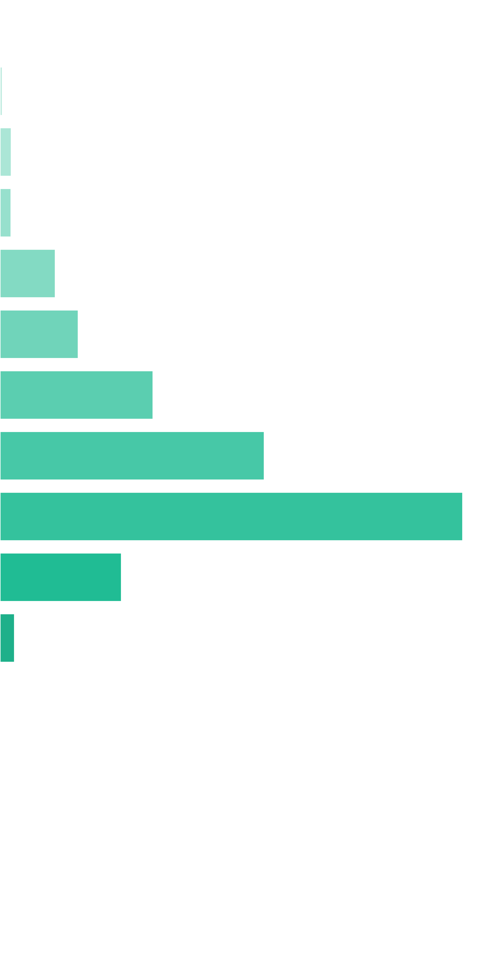
 | [0x, 0x] |  | 1 in 1.42 |  | 0.00x |  | 0.000%
 | (0x, 0.5x] |  | 1 in 121.42 |  | 0.40x |  | 0.003%
 | (0.5x, 1x) |  | 1 in 49.58 |  | 0.75x |  | 0.016%
 | [1x, 1x] |  | 1 in 67.09 |  | 1.00x |  | 0.015%
 | (1x, 2x) |  | 1 in 19.87 |  | 1.47x |  | 0.076%
 | [2x, 3x) |  | 1 in 22.30 |  | 2.33x |  | 0.108%
 | [3x, 5x) |  | 1 in 18.31 |  | 3.75x |  | 0.211%
 | [5x, 10x) |  | 1 in 20.01 |  | 7.07x |  | 0.364%
 | [10x, 20x) |  | 1 in 22.08 |  | 13.67x |  | 0.638%
 | [20x, 30x) |  | 1 in 139.29 |  | 22.65x |  | 0.168%
 | [30x, 50x) |  | 1 in 1,765.54 |  | 34.21x |  | 0.020%
 | [50x, 100x) |  | 1 in 54,421.34 |  | 58.46x |  | 0.001%
 | [100x, 200x) |  | 1 in 73,331.31 |  | 100.00x |  | 0.001%
 | [200x, 500x) |  | 1 in inf |  | nan |  | 0.000%
 | [500x, 1000x) |  | 1 in inf |  | nan |  | 0.000%
 | [1000x, inf) |  | 1 in inf |  | nan |  | 0.000%
 | Total |  | 1 in 3.38 |  | 5.32x |  | 1.622%

 | Section Index: |  | 1 | Section Name: |  | Free Spins |  |  |  |  |  |  | Go To Content
 | Reelset Index: |  | 2 | Reelset Name: |  | Free Game | Blocker 2 | RTP 86%
 | Win Ranges |  | Win in Range |  | Average Win |  | RTP per Range
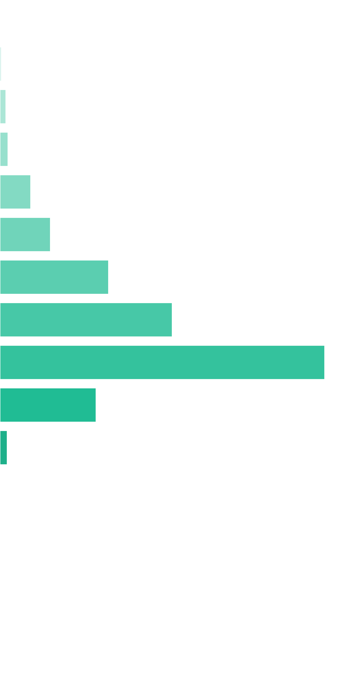
 | [0x, 0x] |  | 1 in 1.42 |  | 0.00x |  | 0.000%
 | (0x, 0.5x] |  | 1 in 138.84 |  | 0.40x |  | 0.003%
 | (0.5x, 1x) |  | 1 in 59.31 |  | 0.72x |  | 0.013%
 | [1x, 1x] |  | 1 in 59.82 |  | 1.00x |  | 0.017%
 | (1x, 2x) |  | 1 in 23.42 |  | 1.50x |  | 0.066%
 | [2x, 3x) |  | 1 in 22.41 |  | 2.35x |  | 0.108%
 | [3x, 5x) |  | 1 in 16.71 |  | 3.78x |  | 0.233%
 | [5x, 10x) |  | 1 in 19.69 |  | 7.07x |  | 0.370%
 | [10x, 20x) |  | 1 in 20.53 |  | 13.89x |  | 0.698%
 | [20x, 30x) |  | 1 in 111.15 |  | 22.23x |  | 0.207%
 | [30x, 50x) |  | 1 in 2,285.11 |  | 34.19x |  | 0.015%
 | [50x, 100x) |  | 1 in 57,535.58 |  | 58.56x |  | 0.001%
 | [100x, 200x) |  | 1 in 72,208.22 |  | 100.00x |  | 0.001%
 | [200x, 500x) |  | 1 in inf |  | nan |  | 0.000%
 | [500x, 1000x) |  | 1 in inf |  | nan |  | 0.000%
 | [1000x, inf) |  | 1 in inf |  | nan |  | 0.000%
 | Total |  | 1 in 3.37 |  | 5.66x |  | 1.734%

 | Section Index: |  | 1 | Section Name: |  | Free Spins |  |  |  |  |  |  | Go To Content
 | Reelset Index: |  | 3 | Reelset Name: |  | Free Game | Blocker 3 | RTP 86%
 | Win Ranges |  | Win in Range |  | Average Win |  | RTP per Range
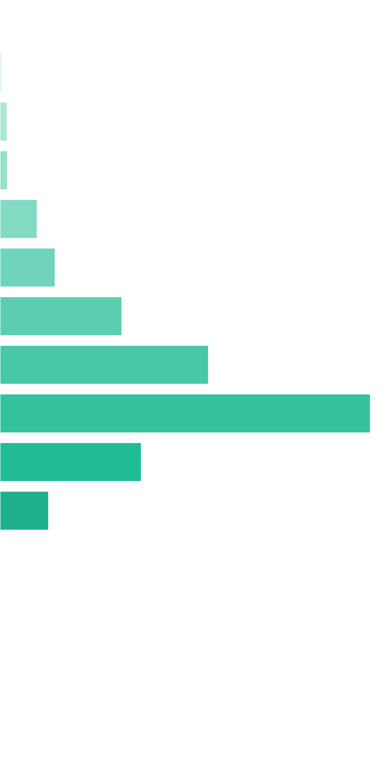
 | [0x, 0x] |  | 1 in 1.42 |  | 0.00x |  | 0.000%
 | (0x, 0.5x] |  | 1 in 136.82 |  | 0.40x |  | 0.003%
 | (0.5x, 1x) |  | 1 in 57.07 |  | 0.72x |  | 0.013%
 | [1x, 1x] |  | 1 in 73.07 |  | 1.00x |  | 0.014%
 | (1x, 2x) |  | 1 in 22.34 |  | 1.50x |  | 0.069%
 | [2x, 3x) |  | 1 in 23.68 |  | 2.35x |  | 0.102%
 | [3x, 5x) |  | 1 in 17.36 |  | 3.80x |  | 0.226%
 | [5x, 10x) |  | 1 in 18.82 |  | 7.05x |  | 0.387%
 | [10x, 20x) |  | 1 in 20.76 |  | 13.82x |  | 0.688%
 | [20x, 30x) |  | 1 in 90.93 |  | 23.08x |  | 0.262%
 | [30x, 50x) |  | 1 in 394.32 |  | 34.52x |  | 0.091%
 | [50x, 100x) |  | 1 in 39,780.34 |  | 57.42x |  | 0.001%
 | [100x, 200x) |  | 1 in 72,360.29 |  | 100.00x |  | 0.001%
 | [200x, 500x) |  | 1 in inf |  | nan |  | 0.000%
 | [500x, 1000x) |  | 1 in inf |  | nan |  | 0.000%
 | [1000x, inf) |  | 1 in inf |  | nan |  | 0.000%
 | Total |  | 1 in 3.36 |  | 6.04x |  | 1.860%

 | 11.3. Base Re-Spin Reelsets |  |  |  |  |  |  |  |  |  |  |  | Go To Content

 | Section Index: |  | 2 | Section Name: |  | Base Re-Spin
 | Reelset Index: |  | 0 | Reelset Name: |  | Re-spin Base Game | Normal game | RTP 86%
 | Win Ranges |  | Win in Range |  | Average Win |  | RTP per Range
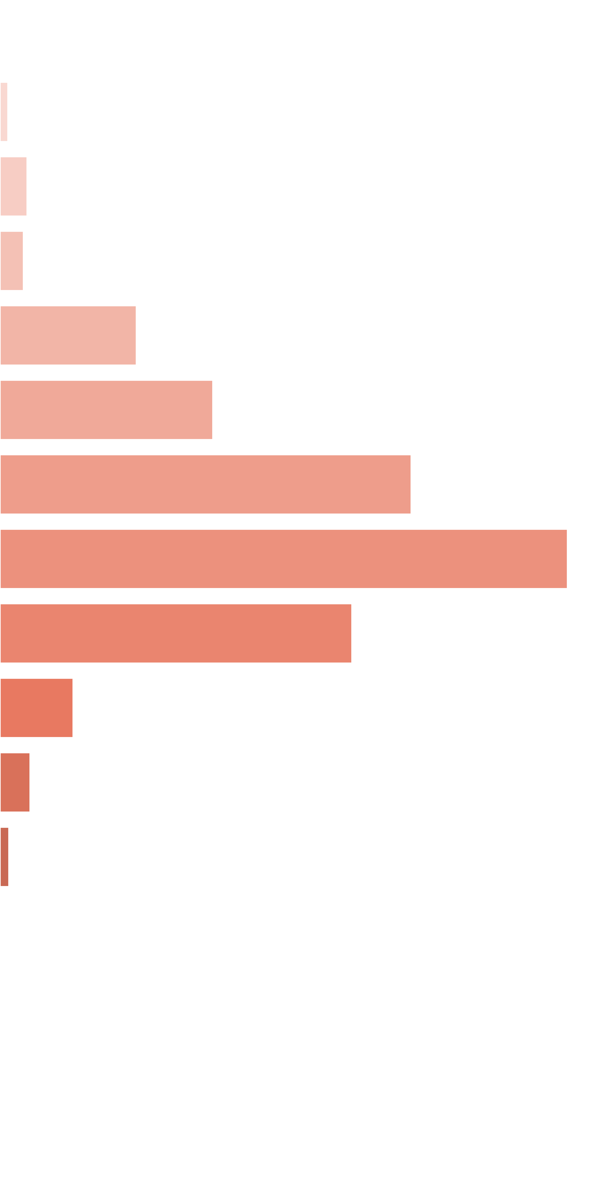
 | [0x, 0x] |  | 1 in 1.74 |  | 0.00x |  | 0.000%
 | (0x, 0.5x] |  | 1 in 55.56 |  | 0.38x |  | 0.008%
 | (0.5x, 1x) |  | 1 in 31.13 |  | 0.73x |  | 0.026%
 | [1x, 1x] |  | 1 in 49.08 |  | 1.00x |  | 0.023%
 | (1x, 2x) |  | 1 in 12.45 |  | 1.48x |  | 0.132%
 | [2x, 3x) |  | 1 in 12.75 |  | 2.36x |  | 0.206%
 | [3x, 5x) |  | 1 in 10.56 |  | 3.78x |  | 0.398%
 | [5x, 10x) |  | 1 in 13.70 |  | 6.77x |  | 0.549%
 | [10x, 20x) |  | 1 in 42.36 |  | 12.98x |  | 0.341%
 | [20x, 30x) |  | 1 in 364.25 |  | 23.21x |  | 0.071%
 | [30x, 50x) |  | 1 in 1,376.71 |  | 36.26x |  | 0.029%
 | [50x, 100x) |  | 1 in 7,565.43 |  | 58.61x |  | 0.009%
 | [100x, 200x) |  | 1 in inf |  | nan |  | 0.000%
 | [200x, 500x) |  | 1 in inf |  | nan |  | 0.000%
 | [500x, 1000x) |  | 1 in inf |  | nan |  | 0.000%
 | [1000x, inf) |  | 1 in inf |  | nan |  | 0.000%
 | Total |  | 1 in 2.36 |  | 3.80x |  | 1.791%

 | Section Index: |  | 2 | Section Name: |  | Base Re-Spin |  |  |  |  |  |  | Go To Content
 | Reelset Index: |  | 1 | Reelset Name: |  | Re-spin Base Game | Blocker 1 | RTP 86%
 | Win Ranges |  | Win in Range |  | Average Win |  | RTP per Range
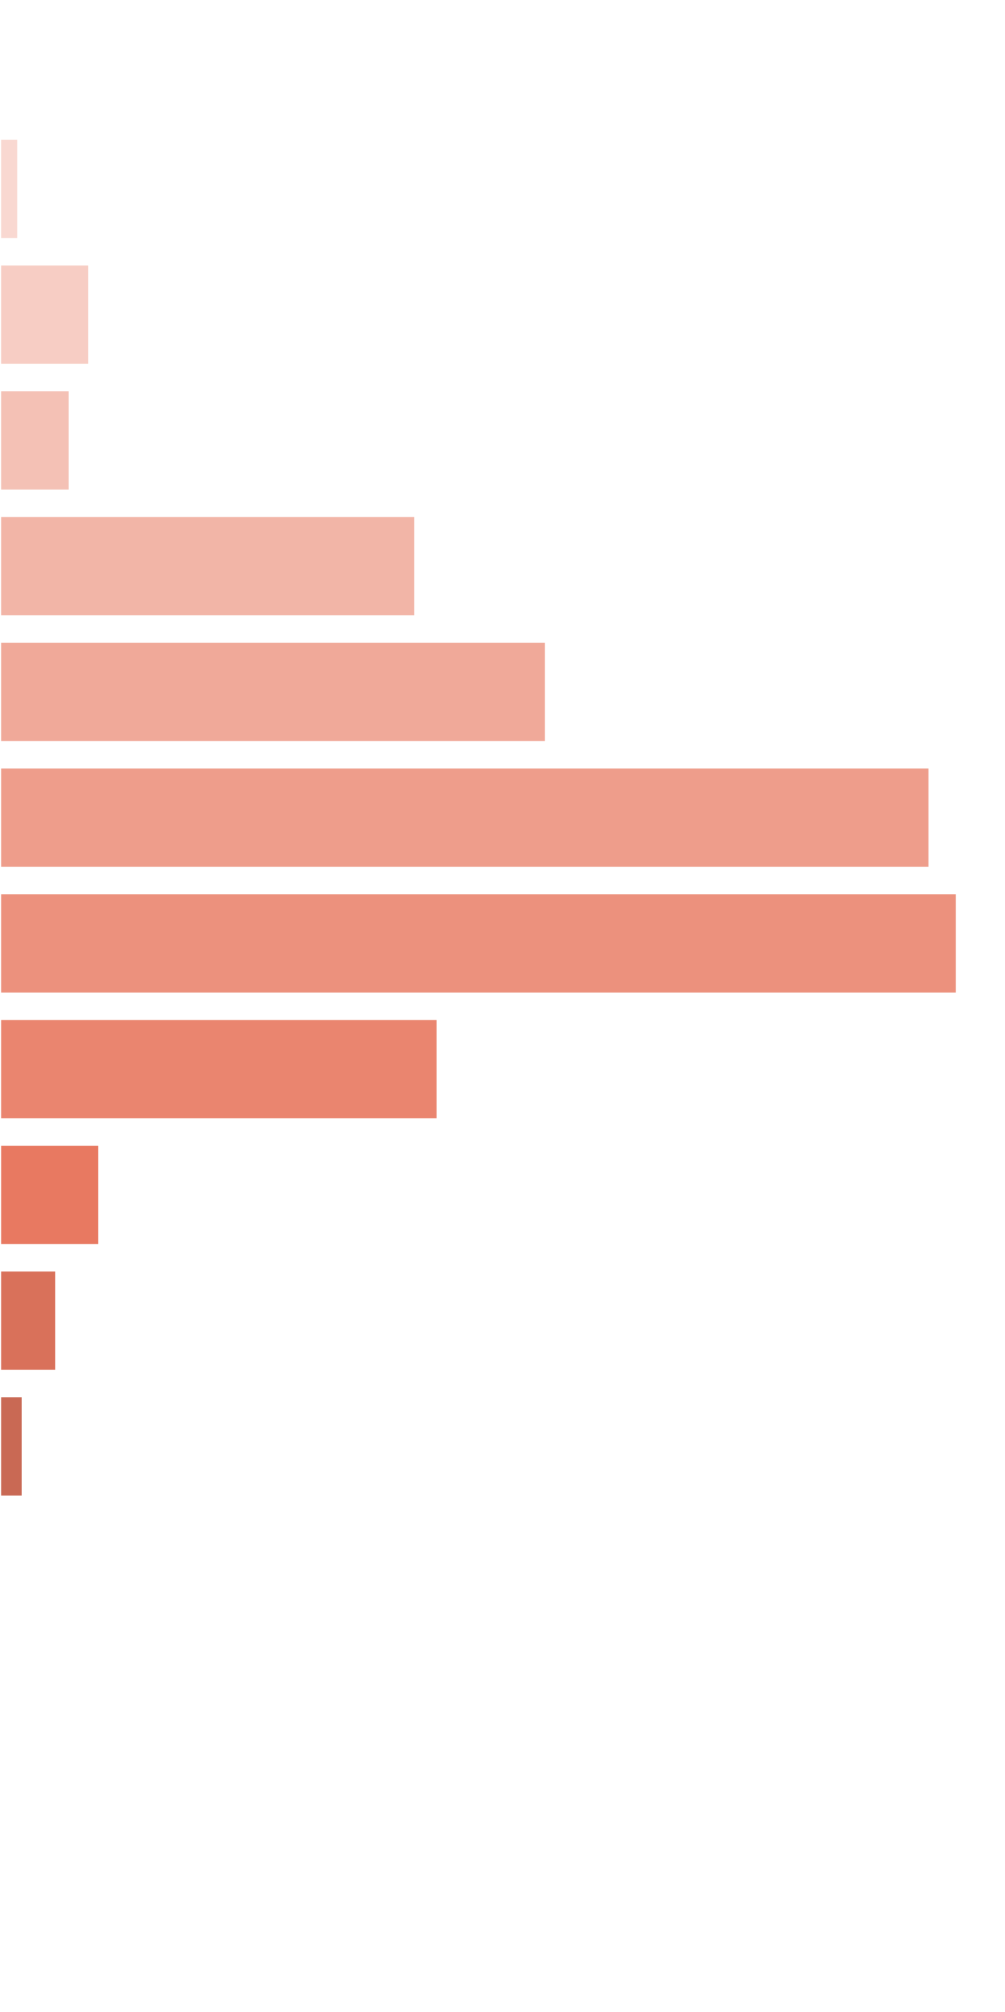
 | [0x, 0x] |  | 1 in 1.44 |  | 0.00x |  | 0.000%
 | (0x, 0.5x] |  | 1 in 80.36 |  | 0.39x |  | 0.016%
 | (0.5x, 1x) |  | 1 in 32.16 |  | 0.75x |  | 0.078%
 | [1x, 1x] |  | 1 in 55.04 |  | 1.00x |  | 0.061%
 | (1x, 2x) |  | 1 in 13.71 |  | 1.48x |  | 0.360%
 | [2x, 3x) |  | 1 in 16.53 |  | 2.34x |  | 0.473%
 | [3x, 5x) |  | 1 in 15.47 |  | 3.74x |  | 0.805%
 | [5x, 10x) |  | 1 in 26.75 |  | 6.65x |  | 0.829%
 | [10x, 20x) |  | 1 in 113.31 |  | 12.89x |  | 0.379%
 | [20x, 30x) |  | 1 in 910.44 |  | 23.56x |  | 0.086%
 | [30x, 50x) |  | 1 in 2,507.48 |  | 36.69x |  | 0.049%
 | [50x, 100x) |  | 1 in 9,821.96 |  | 58.41x |  | 0.020%
 | [100x, 200x) |  | 1 in inf |  | nan |  | 0.000%
 | [200x, 500x) |  | 1 in inf |  | nan |  | 0.000%
 | [500x, 1000x) |  | 1 in inf |  | nan |  | 0.000%
 | [1000x, inf) |  | 1 in inf |  | nan |  | 0.000%
 | Total |  | 1 in 3.25 |  | 3.08x |  | 3.155%

 | Section Index: |  | 2 | Section Name: |  | Base Re-Spin |  |  |  |  |  |  | Go To Content
 | Reelset Index: |  | 2 | Reelset Name: |  | Re-spin Base Game | Blocker 2 | RTP 86%
 | Win Ranges |  | Win in Range |  | Average Win |  | RTP per Range
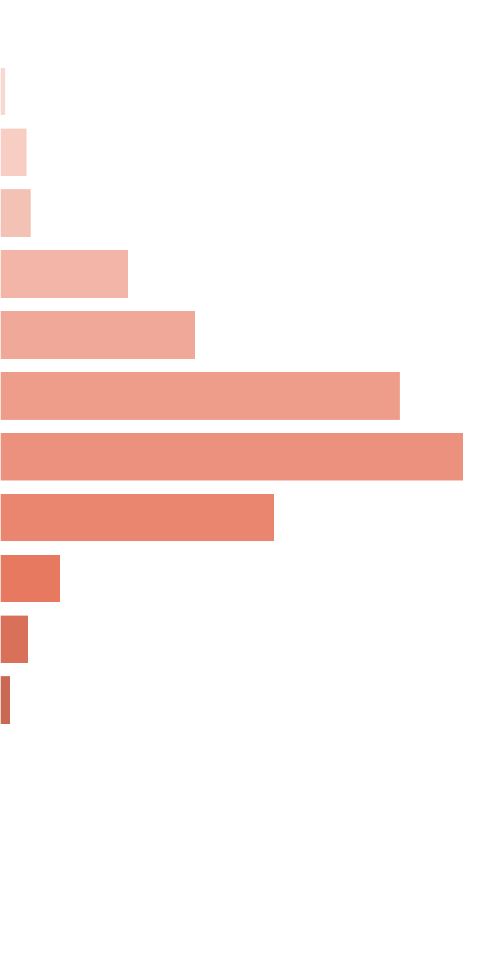
 | [0x, 0x] |  | 1 in 1.42 |  | 0.00x |  | 0.000%
 | (0x, 0.5x] |  | 1 in 104.58 |  | 0.40x |  | 0.013%
 | (0.5x, 1x) |  | 1 in 41.02 |  | 0.73x |  | 0.059%
 | [1x, 1x] |  | 1 in 49.40 |  | 1.00x |  | 0.067%
 | (1x, 2x) |  | 1 in 17.77 |  | 1.49x |  | 0.280%
 | [2x, 3x) |  | 1 in 18.35 |  | 2.34x |  | 0.425%
 | [3x, 5x) |  | 1 in 14.37 |  | 3.75x |  | 0.871%
 | [5x, 10x) |  | 1 in 22.43 |  | 6.79x |  | 1.009%
 | [10x, 20x) |  | 1 in 72.07 |  | 12.91x |  | 0.597%
 | [20x, 30x) |  | 1 in 591.10 |  | 23.22x |  | 0.131%
 | [30x, 50x) |  | 1 in 1,965.60 |  | 36.59x |  | 0.062%
 | [50x, 100x) |  | 1 in 8,844.67 |  | 58.70x |  | 0.022%
 | [100x, 200x) |  | 1 in inf |  | nan |  | 0.000%
 | [200x, 500x) |  | 1 in inf |  | nan |  | 0.000%
 | [500x, 1000x) |  | 1 in inf |  | nan |  | 0.000%
 | [1000x, inf) |  | 1 in inf |  | nan |  | 0.000%
 | Total |  | 1 in 3.39 |  | 3.59x |  | 3.536%

 | Section Index: |  | 2 | Section Name: |  | Base Re-Spin |  |  |  |  |  |  | Go To Content
 | Reelset Index: |  | 3 | Reelset Name: |  | Re-spin Base Game | Blocker 3 | RTP 86%
 | Win Ranges |  | Win in Range |  | Average Win |  | RTP per Range
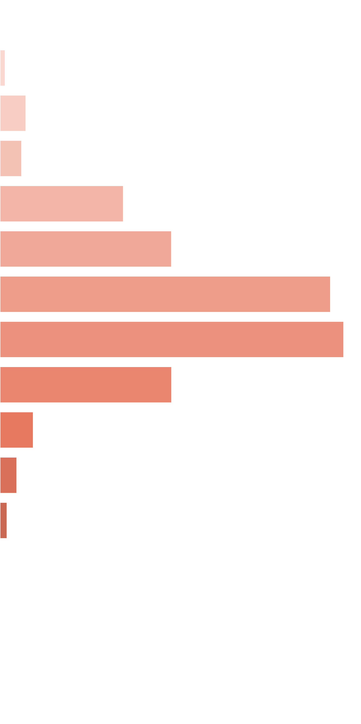
 | [0x, 0x] |  | 1 in 1.44 |  | 0.00x |  | 0.000%
 | (0x, 0.5x] |  | 1 in 95.14 |  | 0.40x |  | 0.014%
 | (0.5x, 1x) |  | 1 in 35.42 |  | 0.74x |  | 0.070%
 | [1x, 1x] |  | 1 in 57.00 |  | 1.00x |  | 0.058%
 | (1x, 2x) |  | 1 in 15.01 |  | 1.50x |  | 0.332%
 | [2x, 3x) |  | 1 in 17.01 |  | 2.35x |  | 0.461%
 | [3x, 5x) |  | 1 in 14.11 |  | 3.77x |  | 0.889%
 | [5x, 10x) |  | 1 in 24.27 |  | 6.74x |  | 0.925%
 | [10x, 20x) |  | 1 in 91.93 |  | 12.75x |  | 0.462%
 | [20x, 30x) |  | 1 in 857.27 |  | 23.10x |  | 0.090%
 | [30x, 50x) |  | 1 in 2,710.14 |  | 36.76x |  | 0.045%
 | [50x, 100x) |  | 1 in 10,351.37 |  | 58.33x |  | 0.019%
 | [100x, 200x) |  | 1 in inf |  | nan |  | 0.000%
 | [200x, 500x) |  | 1 in inf |  | nan |  | 0.000%
 | [500x, 1000x) |  | 1 in inf |  | nan |  | 0.000%
 | [1000x, inf) |  | 1 in inf |  | nan |  | 0.000%
 | Total |  | 1 in 3.27 |  | 3.30x |  | 3.366%

 | 11.4. Free Re-Spin Reelsets |  |  |  |  |  |  |  |  |  |  |  | Go To Content

 | Section Index: |  | 3 | Section Name: |  | Free Re-Spin
 | Reelset Index: |  | 0 | Reelset Name: |  | Re-spin Free Game | Normal Game | RTP 86%
 | Win Ranges |  | Win in Range |  | Average Win |  | RTP per Range

 | [0x, 0x] |  | 1 in 1.78 |  | 0.00x |  | 0.000%
 | (0x, 0.5x] |  | 1 in 55.53 |  | 0.36x |  | 0.002%
 | (0.5x, 1x) |  | 1 in 33.99 |  | 0.73x |  | 0.007%
 | [1x, 1x] |  | 1 in 52.01 |  | 1.00x |  | 0.007%
 | (1x, 2x) |  | 1 in 14.84 |  | 1.48x |  | 0.035%
 | [2x, 3x) |  | 1 in 15.03 |  | 2.36x |  | 0.055%
 | [3x, 5x) |  | 1 in 12.22 |  | 3.80x |  | 0.109%
 | [5x, 10x) |  | 1 in 12.88 |  | 6.99x |  | 0.190%
 | [10x, 20x) |  | 1 in 16.12 |  | 13.83x |  | 0.300%
 | [20x, 30x) |  | 1 in 75.07 |  | 23.21x |  | 0.108%
 | [30x, 50x) |  | 1 in 407.17 |  | 35.03x |  | 0.030%
 | [50x, 100x) |  | 1 in 15,820.89 |  | 55.32x |  | 0.001%
 | [100x, 200x) |  | 1 in inf |  | nan |  | 0.000%
 | [200x, 500x) |  | 1 in inf |  | nan |  | 0.000%
 | [500x, 1000x) |  | 1 in inf |  | nan |  | 0.000%
 | [1000x, inf) |  | 1 in inf |  | nan |  | 0.000%
 | Total |  | 1 in 2.28 |  | 5.51x |  | 0.843%

 | Section Index: |  | 3 | Section Name: |  | Free Re-Spin |  |  |  |  |  |  | Go To Content
 | Reelset Index: |  | 1 | Reelset Name: |  | Re-spin Free Game | Blocker 1 | RTP 86%
 | Win Ranges |  | Win in Range |  | Average Win |  | RTP per Range
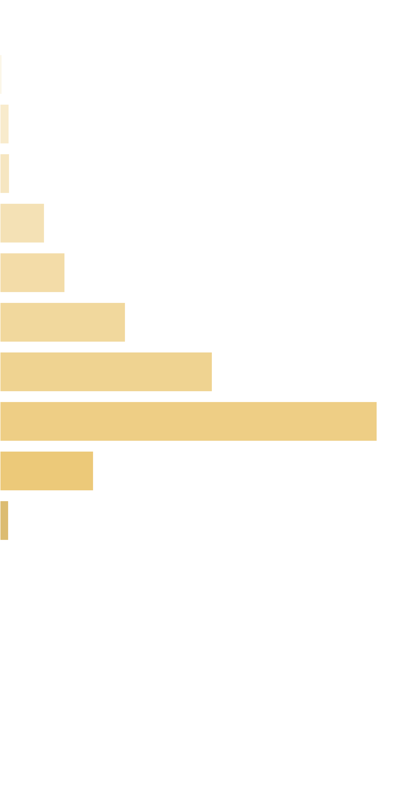
 | [0x, 0x] |  | 1 in 1.42 |  | 0.00x |  | 0.000%
 | (0x, 0.5x] |  | 1 in 129.31 |  | 0.40x |  | 0.003%
 | (0.5x, 1x) |  | 1 in 50.51 |  | 0.75x |  | 0.015%
 | [1x, 1x] |  | 1 in 64.17 |  | 1.00x |  | 0.016%
 | (1x, 2x) |  | 1 in 20.19 |  | 1.48x |  | 0.076%
 | [2x, 3x) |  | 1 in 21.90 |  | 2.34x |  | 0.110%
 | [3x, 5x) |  | 1 in 18.17 |  | 3.76x |  | 0.213%
 | [5x, 10x) |  | 1 in 20.16 |  | 7.07x |  | 0.361%
 | [10x, 20x) |  | 1 in 22.02 |  | 13.70x |  | 0.641%
 | [20x, 30x) |  | 1 in 145.75 |  | 22.51x |  | 0.159%
 | [30x, 50x) |  | 1 in 2,400.44 |  | 34.21x |  | 0.015%
 | [50x, 100x) |  | 1 in 57,277.66 |  | 58.54x |  | 0.001%
 | [100x, 200x) |  | 1 in inf |  | nan |  | 0.000%
 | [200x, 500x) |  | 1 in inf |  | nan |  | 0.000%
 | [500x, 1000x) |  | 1 in inf |  | nan |  | 0.000%
 | [1000x, inf) |  | 1 in inf |  | nan |  | 0.000%
 | Total |  | 1 in 3.38 |  | 5.29x |  | 1.610%

 | Section Index: |  | 3 | Section Name: |  | Free Re-Spin |  |  |  |  |  |  | Go To Content
 | Reelset Index: |  | 2 | Reelset Name: |  | Re-spin Free Game | Blocker 2 | RTP 86%
 | Win Ranges |  | Win in Range |  | Average Win |  | RTP per Range

 | [0x, 0x] |  | 1 in 1.42 |  | 0.00x |  | 0.000%
 | (0x, 0.5x] |  | 1 in 139.33 |  | 0.40x |  | 0.003%
 | (0.5x, 1x) |  | 1 in 59.04 |  | 0.73x |  | 0.013%
 | [1x, 1x] |  | 1 in 62.17 |  | 1.00x |  | 0.017%
 | (1x, 2x) |  | 1 in 23.87 |  | 1.50x |  | 0.065%
 | [2x, 3x) |  | 1 in 22.46 |  | 2.34x |  | 0.108%
 | [3x, 5x) |  | 1 in 16.60 |  | 3.78x |  | 0.235%
 | [5x, 10x) |  | 1 in 19.52 |  | 7.07x |  | 0.374%
 | [10x, 20x) |  | 1 in 20.17 |  | 13.94x |  | 0.714%
 | [20x, 30x) |  | 1 in 103.62 |  | 22.36x |  | 0.223%
 | [30x, 50x) |  | 1 in 1,758.01 |  | 34.12x |  | 0.020%
 | [50x, 100x) |  | 1 in 53,823.80 |  | 58.54x |  | 0.001%
 | [100x, 200x) |  | 1 in inf |  | nan |  | 0.000%
 | [200x, 500x) |  | 1 in inf |  | nan |  | 0.000%
 | [500x, 1000x) |  | 1 in inf |  | nan |  | 0.000%
 | [1000x, inf) |  | 1 in inf |  | nan |  | 0.000%
 | Total |  | 1 in 3.36 |  | 5.76x |  | 1.772%

 | Section Index: |  | 3 | Section Name: |  | Free Re-Spin |  |  |  |  |  |  | Go To Content
 | Reelset Index: |  | 3 | Reelset Name: |  | Re-spin Free Game | Blocker 3 | RTP 86%
 | Win Ranges |  | Win in Range |  | Average Win |  | RTP per Range

 | [0x, 0x] |  | 1 in 1.42 |  | 0.00x |  | 0.000%
 | (0x, 0.5x] |  | 1 in 136.46 |  | 0.40x |  | 0.003%
 | (0.5x, 1x) |  | 1 in 56.26 |  | 0.73x |  | 0.013%
 | [1x, 1x] |  | 1 in 74.27 |  | 1.00x |  | 0.014%
 | (1x, 2x) |  | 1 in 21.93 |  | 1.50x |  | 0.071%
 | [2x, 3x) |  | 1 in 24.03 |  | 2.35x |  | 0.101%
 | [3x, 5x) |  | 1 in 17.16 |  | 3.79x |  | 0.228%
 | [5x, 10x) |  | 1 in 18.81 |  | 7.06x |  | 0.388%
 | [10x, 20x) |  | 1 in 20.95 |  | 13.76x |  | 0.679%
 | [20x, 30x) |  | 1 in 93.42 |  | 23.07x |  | 0.255%
 | [30x, 50x) |  | 1 in 483.88 |  | 34.61x |  | 0.074%
 | [50x, 100x) |  | 1 in 44,899.35 |  | 57.72x |  | 0.001%
 | [100x, 200x) |  | 1 in inf |  | nan |  | 0.000%
 | [200x, 500x) |  | 1 in inf |  | nan |  | 0.000%
 | [500x, 1000x) |  | 1 in inf |  | nan |  | 0.000%
 | [1000x, inf) |  | 1 in inf |  | nan |  | 0.000%
 | Total |  | 1 in 3.36 |  | 5.94x |  | 1.827%

 | 11.5. Spectacular Link Reelsets |  |  |  |  |  |  |  |  |  |  |  | Go To Content

 | Section Index: |  | 4 | Section Name: |  | Spectacular Link
 | Reelset Index: |  | 0 | Reelset Name: |  | CF Fictive
 | Win Ranges |  | Win in Range |  | Average Win |  | RTP per Range
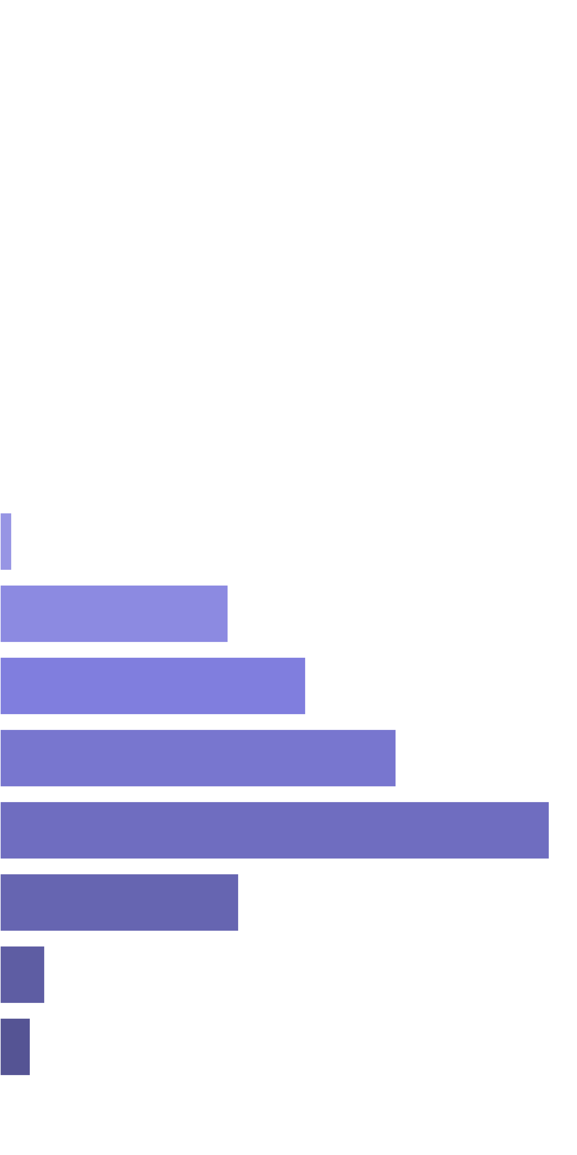
 | [0x, 0x] |  | 1 in inf |  | nan |  | 0.000%
 | (0x, 0.5x] |  | 1 in inf |  | nan |  | 0.000%
 | (0.5x, 1x) |  | 1 in inf |  | nan |  | 0.000%
 | [1x, 1x] |  | 1 in inf |  | nan |  | 0.000%
 | (1x, 2x) |  | 1 in inf |  | nan |  | 0.000%
 | [2x, 3x) |  | 1 in inf |  | nan |  | 0.000%
 | [3x, 5x) |  | 1 in inf |  | nan |  | 0.000%
 | [5x, 10x) |  | 1 in 35.04 |  | 8.31x |  | 0.269%
 | [10x, 20x) |  | 1 in 3.24 |  | 14.77x |  | 5.175%
 | [20x, 30x) |  | 1 in 3.95 |  | 24.12x |  | 6.938%
 | [30x, 50x) |  | 1 in 4.69 |  | 37.10x |  | 8.986%
 | [50x, 100x) |  | 1 in 6.47 |  | 70.96x |  | 12.463%
 | [100x, 200x) |  | 1 in 26.46 |  | 126.11x |  | 5.415%
 | [200x, 500x) |  | 1 in 305.04 |  | 273.26x |  | 1.018%
 | [500x, 1000x) |  | 1 in 826.34 |  | 500.17x |  | 0.688%
 | [1000x, inf) |  | 1 in inf |  | nan |  | 0.000%
 | Total |  | 1 in 1.00 |  | 36.04x |  | 40.952%

12. Reelsets Structure |  |  |  |  |  |  |  |  |  |  |  |  |  | Go To Content

 | Reelsets Structure Content

 | 1. Base Game Reelsets
 |  | 1.0. Reelset: 'Base Game | Normal Game | RTP 86%' structure
 |  | 1.1. Reelset: 'Base Game | Cheap High Win Freq 1 | RTP 86%' structure
 |  | 1.2. Reelset: 'Base Game | Cheap High Win Freq 2 | RTP 86%' structure
 |  | 1.3. Reelset: 'Base Game | Many Pictures | RTP 86%' structure
 |  | 1.4. Reelset: 'Base Game | Free Spin Scatters | Reels 2,4 | RTP 86%' structure
 |  | 1.5. Reelset: 'Base Game | Free Spin Scatters | Reels 1,3,5 | RTP 86%' structure
 |  | 1.6. Reelset: 'Base Game | Free Spin Scatters | Reels 1,2,3,4,5 | RTP 86%' structure
 |  | 1.7. Reelset: 'Base Game | CF Max 3 scatters | 1-2-3 reels | RTP 86%' structure
 |  | 1.8. Reelset: 'Base Game | CF Max 3 scatters | 3-4-5 reels | RTP 86%' structure
 |  | 1.9. Reelset: 'Base Game | CF Max 3 scatters | 2-5 reels | RTP 86%' structure
 |  | 1.10. Reelset: 'Base Game | CF Max 3 scatters | 3-4 reels | RTP 86%' structure
 |  | 1.11. Reelset: 'Base Game | CF Max 3 scatters | 2 reel | RTP 86%' structure
 |  | 1.12. Reelset: 'Base Game | CF Max 3 scatters | 3 reel | RTP 86%' structure
 |  | 1.13. Reelset: 'Base Game | CF Max 3 scatters | 5 reel | RTP 86%' structure
 |  | 1.14. Reelset: 'Base Game | CF Max 12 scatters | Common trigger | RTP 86%' structure
 | 2. Free Spins Reelsets
 |  | 2.0. Reelset: 'Free Game | Normal Game | RTP 86%' structure
 |  | 2.1. Reelset: 'Free Game | Blocker 1 | RTP 86%' structure
 |  | 2.2. Reelset: 'Free Game | Blocker 2 | RTP 86%' structure
 |  | 2.3. Reelset: 'Free Game | Blocker 3 | RTP 86%' structure
 | 3. Base Re-Spin Reelsets
 |  | 3.0. Reelset: 'Re-spin Base Game | Normal game | RTP 86%' structure
 |  | 3.1. Reelset: 'Re-spin Base Game | Blocker 1 | RTP 86%' structure
 |  | 3.2. Reelset: 'Re-spin Base Game | Blocker 2 | RTP 86%' structure
 |  | 3.3. Reelset: 'Re-spin Base Game | Blocker 3 | RTP 86%' structure
 | 4. Free Re-Spin Reelsets
 |  | 4.0. Reelset: 'Re-spin Free Game | Normal Game | RTP 86%' structure
 |  | 4.1. Reelset: 'Re-spin Free Game | Blocker 1 | RTP 86%' structure
 |  | 4.2. Reelset: 'Re-spin Free Game | Blocker 2 | RTP 86%' structure
 |  | 4.3. Reelset: 'Re-spin Free Game | Blocker 3 | RTP 86%' structure
 | 5. Spectacular Link Reelsets
 |  | 5.0. Reelset: 'CF Fictive' structure

 | 12.1. Base Game Reelsets

 | Section Index: |  | 0 | Section Name: |  | Base Game |  |  |  |  |  |  | Total Section Weight: |  |  | 100,000
 | Reelset Index: |  | 0 | Reelset Name: |  | Base Game | Normal Game | RTP 86% |  |  |  |  |  |  | Reelset Range: |  |  | [0 - 24,829]
 | Position Index |  | Reel 0 |  |  |  | Reel 1 |  |  |  | Reel 2 |  |  |  | Reel 3 |  |  |  | Reel 4
 |  |  | Symbols |  |  | Weights | Symbols |  |  | Weights | Symbols |  |  | Weights | Symbols |  |  | Weights | Symbols |  |  | Weights
 | 0 |  | Basketball_Court |  |  | 1 | A |  |  | 1 | Two_Basketball_Players |  |  | 1 | K |  |  | 1 | Q |  |  | 1
 | 1 |  | Basketball_Court |  |  | 1 | Basketball_Court |  |  | 1 | Two_Basketball_Players |  |  | 1 | J |  |  | 1 | Q |  |  | 1
 | 2 |  | Basketball_Court |  |  | 1 | K |  |  | 1 | K |  |  | 1 | Q |  |  | 1 | Q |  |  | 1
 | 3 |  | Basketball_Court |  |  | 1 | Q |  |  | 1 | K |  |  | 1 | Basketball_Court |  |  | 1 | Q |  |  | 1
 | 4 |  | Basketball_Court |  |  | 1 | J |  |  | 1 | K |  |  | 1 | A |  |  | 1 | Q |  |  | 1
 | 5 |  | Two_Basketball_Players |  |  | 1 | Basketball_Court |  |  | 1 | K |  |  | 1 | Two_Basketball_Players |  |  | 1 | Q |  |  | 1
 | 6 |  | Two_Basketball_Players |  |  | 1 | Basketball_Court |  |  | 1 | K |  |  | 1 | Two_Basketball_Players |  |  | 1 | J |  |  | 1
 | 7 |  | A |  |  | 1 | Basketball_Court |  |  | 1 | K |  |  | 1 | Basketball_Court |  |  | 1 | Team_Celebrating |  |  | 1
 | 8 |  | Team_Celebrating |  |  | 1 | Basketball_Court |  |  | 1 | Q |  |  | 1 | Basketball_Court |  |  | 1 | A |  |  | 1
 | 9 |  | Team_Celebrating |  |  | 1 | Basketball_Court |  |  | 1 | Basketball_Court |  |  | 1 | Basketball_Court |  |  | 1 | Two_Basketball_Players |  |  | 1
 | 10 |  | Team_Celebrating |  |  | 1 | A |  |  | 1 | K |  |  | 1 | Basketball_Court |  |  | 1 | Two_Basketball_Players |  |  | 1
 | 11 |  | Team_Celebrating |  |  | 1 | J |  |  | 1 | A |  |  | 1 | Basketball_Court |  |  | 1 | A |  |  | 1
 | 12 |  | Team_Celebrating |  |  | 1 | K |  |  | 1 | Two_Basketball_Players |  |  | 1 | K |  |  | 1 | Q |  |  | 1
 | 13 |  | Male_Player_Dunking |  |  | 1 | Basketball_Court |  |  | 1 | Two_Basketball_Players |  |  | 1 | J |  |  | 1 | Two_Basketball_Players |  |  | 1
 | 14 |  | Male_Player_Dunking |  |  | 1 | A |  |  | 1 | Female_Player_Shooting |  |  | 1 | Two_Basketball_Players |  |  | 1 | Two_Basketball_Players |  |  | 1
 | 15 |  | Male_Player_Dunking |  |  | 1 | Q |  |  | 1 | Female_Player_Shooting |  |  | 1 | Two_Basketball_Players |  |  | 1 | J |  |  | 1
 | 16 |  | Male_Player_Dunking |  |  | 1 | Two_Basketball_Players |  |  | 1 | Female_Player_Shooting |  |  | 1 | Male_Player_Dunking |  |  | 1 | Basketball_Court |  |  | 1
 | 17 |  | Male_Player_Dunking |  |  | 1 | Two_Basketball_Players |  |  | 1 | Female_Player_Shooting |  |  | 1 | Male_Player_Dunking |  |  | 1 | Basketball_Court |  |  | 1
 | 18 |  | A |  |  | 1 | Team_Celebrating |  |  | 1 | Female_Player_Shooting |  |  | 1 | Male_Player_Dunking |  |  | 1 | Basketball_Court |  |  | 1
 | 19 |  | A |  |  | 1 | Male_Player_Dunking |  |  | 1 | J |  |  | 1 | Male_Player_Dunking |  |  | 1 | Basketball_Court |  |  | 1
 | 20 |  | A |  |  | 1 | Two_Basketball_Players |  |  | 1 | Male_Player_Dunking |  |  | 1 | Male_Player_Dunking |  |  | 1 | Basketball_Court |  |  | 1
 | 21 |  | A |  |  | 1 | Two_Basketball_Players |  |  | 1 | Male_Player_Dunking |  |  | 1 | Two_Basketball_Players |  |  | 1 | Female_Player_Shooting |  |  | 1
 | 22 |  | A |  |  | 1 | Q |  |  | 1 | Male_Player_Dunking |  |  | 1 | Two_Basketball_Players |  |  | 1 | K |  |  | 1
 | 23 |  | A |  |  | 1 | Q |  |  | 1 | Male_Player_Dunking |  |  | 1 | Basketball_Court |  |  | 1 | K |  |  | 1
 | 24 |  | J |  |  | 1 | Q |  |  | 1 | Male_Player_Dunking |  |  | 1 | Team_Celebrating |  |  | 1 | K |  |  | 1
 | 25 |  | K |  |  | 1 | Q |  |  | 1 | Two_Basketball_Players |  |  | 1 | Male_Player_Dunking |  |  | 1 | K |  |  | 1
 | 26 |  | Team_Celebrating |  |  | 1 | Q |  |  | 1 | Two_Basketball_Players |  |  | 1 | Two_Basketball_Players |  |  | 1 | K |  |  | 1
 | 27 |  | Two_Basketball_Players |  |  | 1 | Q |  |  | 1 | Basketball_Court |  |  | 1 | Two_Basketball_Players |  |  | 1 | K |  |  | 1
 | 28 |  | Two_Basketball_Players |  |  | 1 | Female_Player_Shooting |  |  | 1 | Team_Celebrating |  |  | 1 | Q |  |  | 1 | Two_Basketball_Players |  |  | 1
 | 29 |  | Q |  |  | 1 | K |  |  | 1 | Two_Basketball_Players |  |  | 1 | Q |  |  | 1 | Two_Basketball_Players |  |  | 1
 | 30 |  | Male_Player_Dunking |  |  | 1 | J |  |  | 1 | Two_Basketball_Players |  |  | 1 | Q |  |  | 1 | Q |  |  | 1
 | 31 |  | J |  |  | 1 | J |  |  | 1 | A |  |  | 1 | Q |  |  | 1 | Male_Player_Dunking |  |  | 1
 | 32 |  | Q |  |  | 1 | J |  |  | 1 | A |  |  | 1 | Q |  |  | 1 | J |  |  | 1
 | 33 |  | Basketball_Court |  |  | 1 | J |  |  | 1 | A |  |  | 1 | Q |  |  | 1 | J |  |  | 1
 | 34 |  | Female_Player_Shooting |  |  | 1 | J |  |  | 1 | A |  |  | 1 | K |  |  | 1 | J |  |  | 1
 | 35 |  | Female_Player_Shooting |  |  | 1 | J |  |  | 1 | A |  |  | 1 | K |  |  | 1 | J |  |  | 1
 | 36 |  | Female_Player_Shooting |  |  | 1 | Team_Celebrating |  |  | 1 | A |  |  | 1 | K |  |  | 1 | J |  |  | 1
 | 37 |  | Female_Player_Shooting |  |  | 1 | Team_Celebrating |  |  | 1 | J |  |  | 1 | K |  |  | 1 | J |  |  | 1
 | 38 |  | Female_Player_Shooting |  |  | 1 | Team_Celebrating |  |  | 1 | Q |  |  | 1 | K |  |  | 1 | Team_Celebrating |  |  | 1
 | 39 |  | J |  |  | 1 | Team_Celebrating |  |  | 1 | Team_Celebrating |  |  | 1 | K |  |  | 1 | Team_Celebrating |  |  | 1
 | 40 |  | J |  |  | 1 | Team_Celebrating |  |  | 1 | Team_Celebrating |  |  | 1 | Team_Celebrating |  |  | 1 | Team_Celebrating |  |  | 1
 | 41 |  | J |  |  | 1 | Male_Player_Dunking |  |  | 1 | Team_Celebrating |  |  | 1 | A |  |  | 1 | Team_Celebrating |  |  | 1
 | 42 |  | J |  |  | 1 | Male_Player_Dunking |  |  | 1 | Team_Celebrating |  |  | 1 | Female_Player_Shooting |  |  | 1 | Team_Celebrating |  |  | 1
 | 43 |  | J |  |  | 1 | Male_Player_Dunking |  |  | 1 | Team_Celebrating |  |  | 1 | Female_Player_Shooting |  |  | 1 | K |  |  | 1
 | 44 |  | J |  |  | 1 | Male_Player_Dunking |  |  | 1 | K |  |  | 1 | Female_Player_Shooting |  |  | 1 | Two_Basketball_Players |  |  | 1
 | 45 |  | K |  |  | 1 | Male_Player_Dunking |  |  | 1 | J |  |  | 1 | Female_Player_Shooting |  |  | 1 | Two_Basketball_Players |  |  | 1
 | 46 |  | Basketball_Court |  |  | 1 | Two_Basketball_Players |  |  | 1 | J |  |  | 1 | Female_Player_Shooting |  |  | 1 | Basketball_Court |  |  | 1
 | 47 |  | Female_Player_Shooting |  |  | 1 | Two_Basketball_Players |  |  | 1 | J |  |  | 1 | Q |  |  | 1 | Team_Celebrating |  |  | 1
 | 48 |  | Q |  |  | 1 | Team_Celebrating |  |  | 1 | J |  |  | 1 | K |  |  | 1 | K |  |  | 1
 | 49 |  | Team_Celebrating |  |  | 1 | Female_Player_Shooting |  |  | 1 | J |  |  | 1 | Female_Player_Shooting |  |  | 1 | A |  |  | 1
 | 50 |  | Two_Basketball_Players |  |  | 1 | Female_Player_Shooting |  |  | 1 | J |  |  | 1 | A |  |  | 1 | Q |  |  | 1
 | 51 |  | Two_Basketball_Players |  |  | 1 | Female_Player_Shooting |  |  | 1 | Basketball_Court |  |  | 1 | A |  |  | 1 | Basketball_Court |  |  | 1
 | 52 |  | Basketball_Court |  |  | 1 | Female_Player_Shooting |  |  | 1 | Basketball_Court |  |  | 1 | A |  |  | 1 | K |  |  | 1
 | 53 |  | Q |  |  | 1 | Female_Player_Shooting |  |  | 1 | Basketball_Court |  |  | 1 | A |  |  | 1 | A |  |  | 1
 | 54 |  | Q |  |  | 1 | A |  |  | 1 | Basketball_Court |  |  | 1 | A |  |  | 1 | A |  |  | 1
 | 55 |  | Q |  |  | 1 | A |  |  | 1 | Basketball_Court |  |  | 1 | A |  |  | 1 | A |  |  | 1
 | 56 |  | Q |  |  | 1 | A |  |  | 1 | Q |  |  | 1 | J |  |  | 1 | A |  |  | 1
 | 57 |  | Q |  |  | 1 | A |  |  | 1 | J |  |  | 1 | J |  |  | 1 | A |  |  | 1
 | 58 |  | Q |  |  | 1 | A |  |  | 1 | A |  |  | 1 | J |  |  | 1 | A |  |  | 1
 | 59 |  | K |  |  | 1 | A |  |  | 1 | Team_Celebrating |  |  | 1 | J |  |  | 1 | J |  |  | 1
 | 60 |  | K |  |  | 1 | K |  |  | 1 | Q |  |  | 1 | J |  |  | 1 | Male_Player_Dunking |  |  | 1
 | 61 |  | K |  |  | 1 | K |  |  | 1 | Q |  |  | 1 | J |  |  | 1 | Male_Player_Dunking |  |  | 1
 | 62 |  | K |  |  | 1 | K |  |  | 1 | Q |  |  | 1 | Q |  |  | 1 | Male_Player_Dunking |  |  | 1
 | 63 |  | K |  |  | 1 | K |  |  | 1 | Q |  |  | 1 | Team_Celebrating |  |  | 1 | Male_Player_Dunking |  |  | 1
 | 64 |  | K |  |  | 1 | K |  |  | 1 | Q |  |  | 1 | Team_Celebrating |  |  | 1 | Male_Player_Dunking |  |  | 1
 | 65 |  | A |  |  | 1 | K |  |  | 1 | Q |  |  | 1 | Team_Celebrating |  |  | 1 | Female_Player_Shooting |  |  | 1
 | 66 |  | J |  |  | 1 | Two_Basketball_Players |  |  | 1 | Male_Player_Dunking |  |  | 1 | Team_Celebrating |  |  | 1 | Female_Player_Shooting |  |  | 1
 | 67 |  | K |  |  | 1 | Two_Basketball_Players |  |  | 1 | A |  |  | 1 | Team_Celebrating |  |  | 1 | Female_Player_Shooting |  |  | 1
 | 68 |  | Team_Celebrating |  |  | 1 | Q |  |  | 1 | K |  |  | 1 | J |  |  | 1 | Female_Player_Shooting |  |  | 1
 | 69 |  | A |  |  | 1 | J |  |  | 1 | Female_Player_Shooting |  |  | 1 | A |  |  | 1 | Female_Player_Shooting |  |  | 1

 | Section Index: |  | 0 | Section Name: |  | Base Game |  |  |  |  |  |  | Total Section Weight: |  |  | 100,000 |  |  | Go To Content
 | Reelset Index: |  | 1 | Reelset Name: |  | Base Game | Cheap High Win Freq 1 | RTP 86% |  |  |  |  |  |  | Reelset Range: |  |  | [24,830 - 27,414]
 | Position Index |  | Reel 0 |  |  |  | Reel 1 |  |  |  | Reel 2 |  |  |  | Reel 3 |  |  |  | Reel 4
 |  |  | Symbols |  |  | Weights | Symbols |  |  | Weights | Symbols |  |  | Weights | Symbols |  |  | Weights | Symbols |  |  | Weights
 | 0 |  | A |  |  | 6 | Female_Player_Shooting |  |  | 6 | A |  |  | 100 | J |  |  | 100 | J |  |  | 5
 | 1 |  | Two_Basketball_Players |  |  | 6 | Team_Celebrating |  |  | 78 | Q |  |  | 100 | Team_Celebrating |  |  | 5 | K |  |  | 5
 | 2 |  | Two_Basketball_Players |  |  | 59 | A |  |  | 6 | Basketball_Court |  |  | 100 | Female_Player_Shooting |  |  | 5 | Basketball_Court |  |  | 64
 | 3 |  | Q |  |  | 6 | Q |  |  | 6 | A |  |  | 5 | Q |  |  | 5 | J |  |  | 5
 | 4 |  | Q |  |  | 6 | Two_Basketball_Players |  |  | 6 | Q |  |  | 5 | J |  |  | 5 | Male_Player_Dunking |  |  | 5
 | 5 |  | Q |  |  | 6 | Two_Basketball_Players |  |  | 6 | Team_Celebrating |  |  | 5 | K |  |  | 5 | K |  |  | 5
 | 6 |  | Q |  |  | 59 | Q |  |  | 5 | Team_Celebrating |  |  | 5 | K |  |  | 5 | K |  |  | 5
 | 7 |  | A |  |  | 6 | Team_Celebrating |  |  | 5 | Team_Celebrating |  |  | 5 | K |  |  | 5 | K |  |  | 5
 | 8 |  | Two_Basketball_Players |  |  | 6 | Female_Player_Shooting |  |  | 78 | Basketball_Court |  |  | 5 | K |  |  | 5 | K |  |  | 5
 | 9 |  | Two_Basketball_Players |  |  | 59 | Q |  |  | 78 | Basketball_Court |  |  | 5 | J |  |  | 5 | Male_Player_Dunking |  |  | 5
 | 10 |  | Q |  |  | 6 | A |  |  | 5 | Basketball_Court |  |  | 100 | Team_Celebrating |  |  | 5 | J |  |  | 5
 | 11 |  | A |  |  | 6 | Team_Celebrating |  |  | 5 | Q |  |  | 5 | K |  |  | 5 | K |  |  | 5
 | 12 |  | A |  |  | 6 | Male_Player_Dunking |  |  | 5 | Q |  |  | 5 | J |  |  | 100 | Male_Player_Dunking |  |  | 5
 | 13 |  | A |  |  | 59 | Male_Player_Dunking |  |  | 5 | Q |  |  | 100 | Team_Celebrating |  |  | 100 | Team_Celebrating |  |  | 5
 | 14 |  | A |  |  | 58 | Male_Player_Dunking |  |  | 5 | Q |  |  | 5 | Female_Player_Shooting |  |  | 100 | Team_Celebrating |  |  | 5
 | 15 |  | Basketball_Court |  |  | 58 | A |  |  | 5 | Male_Player_Dunking |  |  | 5 | K |  |  | 100 | Team_Celebrating |  |  | 5
 | 16 |  | Q |  |  | 58 | A |  |  | 5 | K |  |  | 5 | Team_Celebrating |  |  | 5 | Basketball_Court |  |  | 5
 | 17 |  | A |  |  | 5 | A |  |  | 78 | A |  |  | 5 | Female_Player_Shooting |  |  | 5 | Male_Player_Dunking |  |  | 5
 | 18 |  | Basketball_Court |  |  | 5 | A |  |  | 5 | A |  |  | 5 | A |  |  | 5 | A |  |  | 5
 | 19 |  | Male_Player_Dunking |  |  | 5 | Team_Celebrating |  |  | 5 | A |  |  | 5 | K |  |  | 5 | A |  |  | 5
 | 20 |  | Male_Player_Dunking |  |  | 5 | Female_Player_Shooting |  |  | 5 | A |  |  | 5 | Female_Player_Shooting |  |  | 5 | A |  |  | 5
 | 21 |  | Male_Player_Dunking |  |  | 58 | J |  |  | 5 | J |  |  | 5 | J |  |  | 5 | A |  |  | 5
 | 22 |  | A |  |  | 5 | J |  |  | 5 | Basketball_Court |  |  | 5 | K |  |  | 5 | Two_Basketball_Players |  |  | 64
 | 23 |  | Q |  |  | 5 | J |  |  | 5 | Male_Player_Dunking |  |  | 5 | Team_Celebrating |  |  | 5 | Two_Basketball_Players |  |  | 64
 | 24 |  | J |  |  | 5 | J |  |  | 5 | A |  |  | 5 | J |  |  | 5 | J |  |  | 64
 | 25 |  | Two_Basketball_Players |  |  | 5 | A |  |  | 5 | Two_Basketball_Players |  |  | 5 | K |  |  | 100 | Basketball_Court |  |  | 5
 | 26 |  | Two_Basketball_Players |  |  | 58 | Female_Player_Shooting |  |  | 5 | Two_Basketball_Players |  |  | 100 | Team_Celebrating |  |  | 5 | Basketball_Court |  |  | 64
 | 27 |  | A |  |  | 58 | Female_Player_Shooting |  |  | 5 | A |  |  | 5 | Team_Celebrating |  |  | 5 | Basketball_Court |  |  | 5
 | 28 |  | Q |  |  | 5 | Female_Player_Shooting |  |  | 5 | Q |  |  | 5 | Team_Celebrating |  |  | 5 | K |  |  | 5
 | 29 |  | Male_Player_Dunking |  |  | 5 | K |  |  | 5 | K |  |  | 5 | A |  |  | 5 | Q |  |  | 5
 | 30 |  | K |  |  | 5 | Team_Celebrating |  |  | 78 | K |  |  | 5 | K |  |  | 5 | Basketball_Court |  |  | 5
 | 31 |  | K |  |  | 5 | Q |  |  | 78 | K |  |  | 5 | Team_Celebrating |  |  | 5 | J |  |  | 5
 | 32 |  | K |  |  | 5 | A |  |  | 5 | K |  |  | 5 | Basketball_Court |  |  | 5 | K |  |  | 5
 | 33 |  | K |  |  | 5 | Team_Celebrating |  |  | 5 | Q |  |  | 5 | J |  |  | 5 | Basketball_Court |  |  | 5
 | 34 |  | Basketball_Court |  |  | 5 | Female_Player_Shooting |  |  | 78 | Male_Player_Dunking |  |  | 5 | J |  |  | 5 | J |  |  | 5
 | 35 |  | Basketball_Court |  |  | 5 | A |  |  | 77 | Male_Player_Dunking |  |  | 5 | J |  |  | 5 | Q |  |  | 5
 | 36 |  | Basketball_Court |  |  | 5 | Q |  |  | 5 | Male_Player_Dunking |  |  | 5 | J |  |  | 100 | Q |  |  | 5
 | 37 |  | Q |  |  | 5 | Team_Celebrating |  |  | 5 | Female_Player_Shooting |  |  | 5 | Female_Player_Shooting |  |  | 5 | Q |  |  | 5
 | 38 |  | Female_Player_Shooting |  |  | 5 | Team_Celebrating |  |  | 5 | Basketball_Court |  |  | 5 | Female_Player_Shooting |  |  | 5 | Q |  |  | 5
 | 39 |  | Female_Player_Shooting |  |  | 5 | Team_Celebrating |  |  | 5 | Male_Player_Dunking |  |  | 5 | Female_Player_Shooting |  |  | 5 | K |  |  | 5
 | 40 |  | Female_Player_Shooting |  |  | 5 | Q |  |  | 5 | Two_Basketball_Players |  |  | 5 | Male_Player_Dunking |  |  | 5 | J |  |  | 5
 | 41 |  | Male_Player_Dunking |  |  | 5 | Female_Player_Shooting |  |  | 5 | Two_Basketball_Players |  |  | 5 | Male_Player_Dunking |  |  | 5 | J |  |  | 5
 | 42 |  | A |  |  | 5 | Two_Basketball_Players |  |  | 5 | Q |  |  | 5 | Male_Player_Dunking |  |  | 5 | J |  |  | 5
 | 43 |  | Team_Celebrating |  |  | 5 | Two_Basketball_Players |  |  | 5 | J |  |  | 5 | J |  |  | 5 | J |  |  | 64
 | 44 |  | J |  |  | 5 | Team_Celebrating |  |  | 5 | J |  |  | 5 | A |  |  | 5 | Male_Player_Dunking |  |  | 5
 | 45 |  | J |  |  | 5 | A |  |  | 5 | J |  |  | 5 | A |  |  | 5 | Male_Player_Dunking |  |  | 64
 | 46 |  | J |  |  | 5 | K |  |  | 5 | J |  |  | 5 | A |  |  | 5 | Male_Player_Dunking |  |  | 63
 | 47 |  | J |  |  | 5 | K |  |  | 5 | K |  |  | 5 | A |  |  | 5 | K |  |  | 63
 | 48 |  | Two_Basketball_Players |  |  | 5 | K |  |  | 5 | Q |  |  | 5 | K |  |  | 5 | Two_Basketball_Players |  |  | 5
 | 49 |  | Two_Basketball_Players |  |  | 5 | K |  |  | 5 | Two_Basketball_Players |  |  | 5 | Female_Player_Shooting |  |  | 5 | Two_Basketball_Players |  |  | 5
 | 50 |  | Basketball_Court |  |  | 5 | Female_Player_Shooting |  |  | 77 | Two_Basketball_Players |  |  | 5 | Basketball_Court |  |  | 5 | Q |  |  | 5
 | 51 |  | Male_Player_Dunking |  |  | 58 | Q |  |  | 5 | Basketball_Court |  |  | 100 | Basketball_Court |  |  | 5 | J |  |  | 63
 | 52 |  | Q |  |  | 58 | Q |  |  | 5 | Q |  |  | 5 | Basketball_Court |  |  | 5 | Basketball_Court |  |  | 5
 | 53 |  | A |  |  | 5 | Q |  |  | 5 | A |  |  | 5 | Female_Player_Shooting |  |  | 5 | Male_Player_Dunking |  |  | 5
 | 54 |  | Basketball_Court |  |  | 5 | Q |  |  | 5 | J |  |  | 5 | J |  |  | 5 | Two_Basketball_Players |  |  | 5
 | 55 |  | K |  |  | 5 | Basketball_Court |  |  | 5 | Two_Basketball_Players |  |  | 4 | Two_Basketball_Players |  |  | 4 | Two_Basketball_Players |  |  | 5
 | 56 |  | J |  |  | 5 | J |  |  | 5 | Two_Basketball_Players |  |  | 4 | Two_Basketball_Players |  |  | 4 | Team_Celebrating |  |  | 5
 | 57 |  | Q |  |  | 5 | Q |  |  | 5 | Basketball_Court |  |  | 4 | Q |  |  | 4 | J |  |  | 5
 | 58 |  | A |  |  | 5 | Male_Player_Dunking |  |  | 5 | A |  |  | 4 | K |  |  | 4 | A |  |  | 5
 | 59 |  | Team_Celebrating |  |  | 5 | Basketball_Court |  |  | 5 | Two_Basketball_Players |  |  | 4 | Two_Basketball_Players |  |  | 4 | Two_Basketball_Players |  |  | 63
 | 60 |  | Team_Celebrating |  |  | 5 | Basketball_Court |  |  | 5 | Two_Basketball_Players |  |  | 4 | Two_Basketball_Players |  |  | 4 | Two_Basketball_Players |  |  | 5
 | 61 |  | Team_Celebrating |  |  | 5 | Basketball_Court |  |  | 5 | A |  |  | 4 | Q |  |  | 4 | K |  |  | 5
 | 62 |  | Basketball_Court |  |  | 5 | A |  |  | 5 | Female_Player_Shooting |  |  | 4 | Q |  |  | 4 | A |  |  | 5
 | 63 |  | Two_Basketball_Players |  |  | 5 | K |  |  | 5 | Female_Player_Shooting |  |  | 4 | Q |  |  | 4 | Basketball_Court |  |  | 5
 | 64 |  | Two_Basketball_Players |  |  | 5 | Female_Player_Shooting |  |  | 5 | Female_Player_Shooting |  |  | 4 | Q |  |  | 4 | Two_Basketball_Players |  |  | 5
 | 65 |  | Male_Player_Dunking |  |  | 5 | A |  |  | 5 | A |  |  | 4 | Team_Celebrating |  |  | 4 | Two_Basketball_Players |  |  | 5
 | 66 |  | Basketball_Court |  |  | 5 | J |  |  | 5 | Basketball_Court |  |  | 4 | J |  |  | 4 | Female_Player_Shooting |  |  | 5
 | 67 |  | K |  |  | 5 | Q |  |  | 5 | Male_Player_Dunking |  |  | 4 | K |  |  | 4 | Female_Player_Shooting |  |  | 4
 | 68 |  | Q |  |  | 5 |  |  |  |  | Q |  |  | 4 | Female_Player_Shooting |  |  | 4 | Female_Player_Shooting |  |  | 4
 | 69 |  | Female_Player_Shooting |  |  | 5 |  |  |  |  | Team_Celebrating |  |  | 4 | Male_Player_Dunking |  |  | 4 | K |  |  | 4
 | 70 |  |  |  |  |  |  |  |  |  |  |  |  |  |  |  |  |  | Male_Player_Dunking |  |  | 4
 | 71 |  |  |  |  |  |  |  |  |  |  |  |  |  |  |  |  |  | Female_Player_Shooting |  |  | 4

 | Section Index: |  | 0 | Section Name: |  | Base Game |  |  |  |  |  |  | Total Section Weight: |  |  | 100,000 |  |  | Go To Content
 | Reelset Index: |  | 2 | Reelset Name: |  | Base Game | Cheap High Win Freq 2 | RTP 86% |  |  |  |  |  |  | Reelset Range: |  |  | [27,415 - 29,999]
 | Position Index |  | Reel 0 |  |  |  | Reel 1 |  |  |  | Reel 2 |  |  |  | Reel 3 |  |  |  | Reel 4
 |  |  | Symbols |  |  | Weights | Symbols |  |  | Weights | Symbols |  |  | Weights | Symbols |  |  | Weights | Symbols |  |  | Weights
 | 0 |  | K |  |  | 5 | Male_Player_Dunking |  |  | 5 | Female_Player_Shooting |  |  | 6 | Male_Player_Dunking |  |  | 6 | Female_Player_Shooting |  |  | 6
 | 1 |  | Team_Celebrating |  |  | 5 | J |  |  | 5 | Female_Player_Shooting |  |  | 6 | Two_Basketball_Players |  |  | 54 | Q |  |  | 6
 | 2 |  | Female_Player_Shooting |  |  | 5 | Basketball_Court |  |  | 5 | Female_Player_Shooting |  |  | 54 | Two_Basketball_Players |  |  | 6 | A |  |  | 6
 | 3 |  | J |  |  | 5 | Male_Player_Dunking |  |  | 88 | K |  |  | 54 | A |  |  | 6 | Team_Celebrating |  |  | 78
 | 4 |  | A |  |  | 5 | K |  |  | 5 | J |  |  | 54 | K |  |  | 6 | Q |  |  | 78
 | 5 |  | A |  |  | 5 | K |  |  | 5 | Female_Player_Shooting |  |  | 54 | Two_Basketball_Players |  |  | 6 | Female_Player_Shooting |  |  | 78
 | 6 |  | A |  |  | 5 | K |  |  | 88 | K |  |  | 54 | Two_Basketball_Players |  |  | 54 | Team_Celebrating |  |  | 6
 | 7 |  | A |  |  | 5 | K |  |  | 5 | J |  |  | 6 | Basketball_Court |  |  | 5 | A |  |  | 6
 | 8 |  | Team_Celebrating |  |  | 5 | Two_Basketball_Players |  |  | 5 | Team_Celebrating |  |  | 6 | A |  |  | 5 | K |  |  | 5
 | 9 |  | K |  |  | 5 | Two_Basketball_Players |  |  | 5 | Female_Player_Shooting |  |  | 54 | Q |  |  | 54 | Female_Player_Shooting |  |  | 5
 | 10 |  | Male_Player_Dunking |  |  | 5 | J |  |  | 88 | J |  |  | 6 | Two_Basketball_Players |  |  | 54 | A |  |  | 5
 | 11 |  | Male_Player_Dunking |  |  | 5 | Male_Player_Dunking |  |  | 88 | J |  |  | 6 | Two_Basketball_Players |  |  | 54 | A |  |  | 5
 | 12 |  | Male_Player_Dunking |  |  | 5 | K |  |  | 5 | J |  |  | 54 | A |  |  | 54 | A |  |  | 5
 | 13 |  | Team_Celebrating |  |  | 100 | J |  |  | 5 | J |  |  | 6 | Male_Player_Dunking |  |  | 5 | A |  |  | 5
 | 14 |  | K |  |  | 100 | Q |  |  | 5 | Team_Celebrating |  |  | 6 | Two_Basketball_Players |  |  | 54 | Q |  |  | 5
 | 15 |  | J |  |  | 100 | Team_Celebrating |  |  | 5 | Female_Player_Shooting |  |  | 54 | Two_Basketball_Players |  |  | 5 | J |  |  | 5
 | 16 |  | Female_Player_Shooting |  |  | 5 | Male_Player_Dunking |  |  | 5 | J |  |  | 54 | Q |  |  | 5 | J |  |  | 5
 | 17 |  | K |  |  | 5 | Male_Player_Dunking |  |  | 5 | K |  |  | 54 | A |  |  | 5 | J |  |  | 5
 | 18 |  | Q |  |  | 5 | Male_Player_Dunking |  |  | 5 | Female_Player_Shooting |  |  | 6 | Basketball_Court |  |  | 5 | J |  |  | 5
 | 19 |  | Q |  |  | 5 | J |  |  | 87 | J |  |  | 6 | K |  |  | 5 | Q |  |  | 78
 | 20 |  | Q |  |  | 5 | Basketball_Court |  |  | 87 | Basketball_Court |  |  | 6 | Male_Player_Dunking |  |  | 5 | Female_Player_Shooting |  |  | 5
 | 21 |  | Q |  |  | 5 | K |  |  | 5 | Basketball_Court |  |  | 6 | A |  |  | 5 | Female_Player_Shooting |  |  | 78
 | 22 |  | K |  |  | 5 | J |  |  | 5 | Basketball_Court |  |  | 6 | Q |  |  | 54 | Female_Player_Shooting |  |  | 5
 | 23 |  | J |  |  | 5 | A |  |  | 5 | A |  |  | 6 | Basketball_Court |  |  | 5 | A |  |  | 5
 | 24 |  | Basketball_Court |  |  | 5 | A |  |  | 5 | A |  |  | 6 | Basketball_Court |  |  | 54 | Q |  |  | 5
 | 25 |  | Basketball_Court |  |  | 5 | A |  |  | 5 | A |  |  | 6 | Basketball_Court |  |  | 5 | J |  |  | 5
 | 26 |  | Basketball_Court |  |  | 5 | A |  |  | 5 | A |  |  | 6 | A |  |  | 5 | Female_Player_Shooting |  |  | 78
 | 27 |  | K |  |  | 5 | Two_Basketball_Players |  |  | 5 | J |  |  | 54 | A |  |  | 5 | Team_Celebrating |  |  | 5
 | 28 |  | Female_Player_Shooting |  |  | 5 | Two_Basketball_Players |  |  | 5 | K |  |  | 6 | A |  |  | 5 | Q |  |  | 5
 | 29 |  | Q |  |  | 5 | Basketball_Court |  |  | 5 | Team_Celebrating |  |  | 6 | A |  |  | 5 | Two_Basketball_Players |  |  | 5
 | 30 |  | Team_Celebrating |  |  | 5 | Female_Player_Shooting |  |  | 5 | Team_Celebrating |  |  | 6 | Team_Celebrating |  |  | 5 | Two_Basketball_Players |  |  | 5
 | 31 |  | Female_Player_Shooting |  |  | 5 | K |  |  | 5 | Team_Celebrating |  |  | 6 | Male_Player_Dunking |  |  | 54 | Team_Celebrating |  |  | 5
 | 32 |  | K |  |  | 5 | Two_Basketball_Players |  |  | 5 | Two_Basketball_Players |  |  | 6 | Basketball_Court |  |  | 54 | A |  |  | 5
 | 33 |  | A |  |  | 5 | Two_Basketball_Players |  |  | 5 | Two_Basketball_Players |  |  | 6 | Q |  |  | 53 | Q |  |  | 5
 | 34 |  | Female_Player_Shooting |  |  | 5 | Basketball_Court |  |  | 5 | K |  |  | 53 | Male_Player_Dunking |  |  | 5 | Male_Player_Dunking |  |  | 5
 | 35 |  | Female_Player_Shooting |  |  | 5 | Basketball_Court |  |  | 5 | Female_Player_Shooting |  |  | 6 | Male_Player_Dunking |  |  | 53 | Male_Player_Dunking |  |  | 5
 | 36 |  | Female_Player_Shooting |  |  | 5 | Basketball_Court |  |  | 5 | J |  |  | 6 | Male_Player_Dunking |  |  | 5 | Male_Player_Dunking |  |  | 5
 | 37 |  | Team_Celebrating |  |  | 5 | J |  |  | 5 | Team_Celebrating |  |  | 5 | Q |  |  | 5 | K |  |  | 5
 | 38 |  | J |  |  | 5 | Two_Basketball_Players |  |  | 5 | Female_Player_Shooting |  |  | 5 | Female_Player_Shooting |  |  | 5 | Female_Player_Shooting |  |  | 5
 | 39 |  | Male_Player_Dunking |  |  | 5 | Two_Basketball_Players |  |  | 5 | Male_Player_Dunking |  |  | 5 | A |  |  | 5 | A |  |  | 5
 | 40 |  | Team_Celebrating |  |  | 100 | K |  |  | 5 | Q |  |  | 5 | Basketball_Court |  |  | 5 | Basketball_Court |  |  | 5
 | 41 |  | K |  |  | 5 | Male_Player_Dunking |  |  | 5 | K |  |  | 5 | Q |  |  | 5 | Team_Celebrating |  |  | 5
 | 42 |  | K |  |  | 5 | Basketball_Court |  |  | 5 | K |  |  | 5 | J |  |  | 5 | Q |  |  | 5
 | 43 |  | K |  |  | 100 | K |  |  | 5 | K |  |  | 5 | J |  |  | 5 | Q |  |  | 5
 | 44 |  | K |  |  | 5 | A |  |  | 5 | K |  |  | 5 | J |  |  | 5 | Q |  |  | 5
 | 45 |  | Female_Player_Shooting |  |  | 5 | J |  |  | 5 | Basketball_Court |  |  | 5 | J |  |  | 5 | Q |  |  | 5
 | 46 |  | Team_Celebrating |  |  | 5 | J |  |  | 5 | Q |  |  | 5 | A |  |  | 5 | Two_Basketball_Players |  |  | 5
 | 47 |  | Two_Basketball_Players |  |  | 5 | J |  |  | 5 | Q |  |  | 5 | Basketball_Court |  |  | 5 | Two_Basketball_Players |  |  | 5
 | 48 |  | Two_Basketball_Players |  |  | 5 | J |  |  | 5 | Q |  |  | 5 | Q |  |  | 5 | Female_Player_Shooting |  |  | 5
 | 49 |  | A |  |  | 5 | Q |  |  | 5 | Q |  |  | 5 | Q |  |  | 5 | A |  |  | 5
 | 50 |  | J |  |  | 5 | Q |  |  | 5 | J |  |  | 53 | Q |  |  | 5 | J |  |  | 5
 | 51 |  | Team_Celebrating |  |  | 5 | Q |  |  | 5 | K |  |  | 5 | Q |  |  | 5 | Team_Celebrating |  |  | 5
 | 52 |  | Team_Celebrating |  |  | 5 | Q |  |  | 5 | Team_Celebrating |  |  | 5 | A |  |  | 5 | Team_Celebrating |  |  | 78
 | 53 |  | Team_Celebrating |  |  | 5 | Two_Basketball_Players |  |  | 5 | Q |  |  | 5 | Basketball_Court |  |  | 5 | Team_Celebrating |  |  | 5
 | 54 |  | J |  |  | 5 | Two_Basketball_Players |  |  | 5 | K |  |  | 5 | J |  |  | 5 | Q |  |  | 5
 | 55 |  | Female_Player_Shooting |  |  | 5 | Team_Celebrating |  |  | 5 | A |  |  | 5 | K |  |  | 5 | Male_Player_Dunking |  |  | 5
...

