NBN usual_93
Game Summary

 | Game Name |  |  |  |  | Board Size |  |  | STD
 | Nothing But Net (NBN) |  |  |  |  | 3 rows 5 reels |  |  | 6.081 Medium Profile

 | Line Wins |  |  | RTP 93.3043% |  |  |  | Win Frequency 1 in 6.4079 (15.6057%)
 | Left to Right on a payline

 | 25 winlines

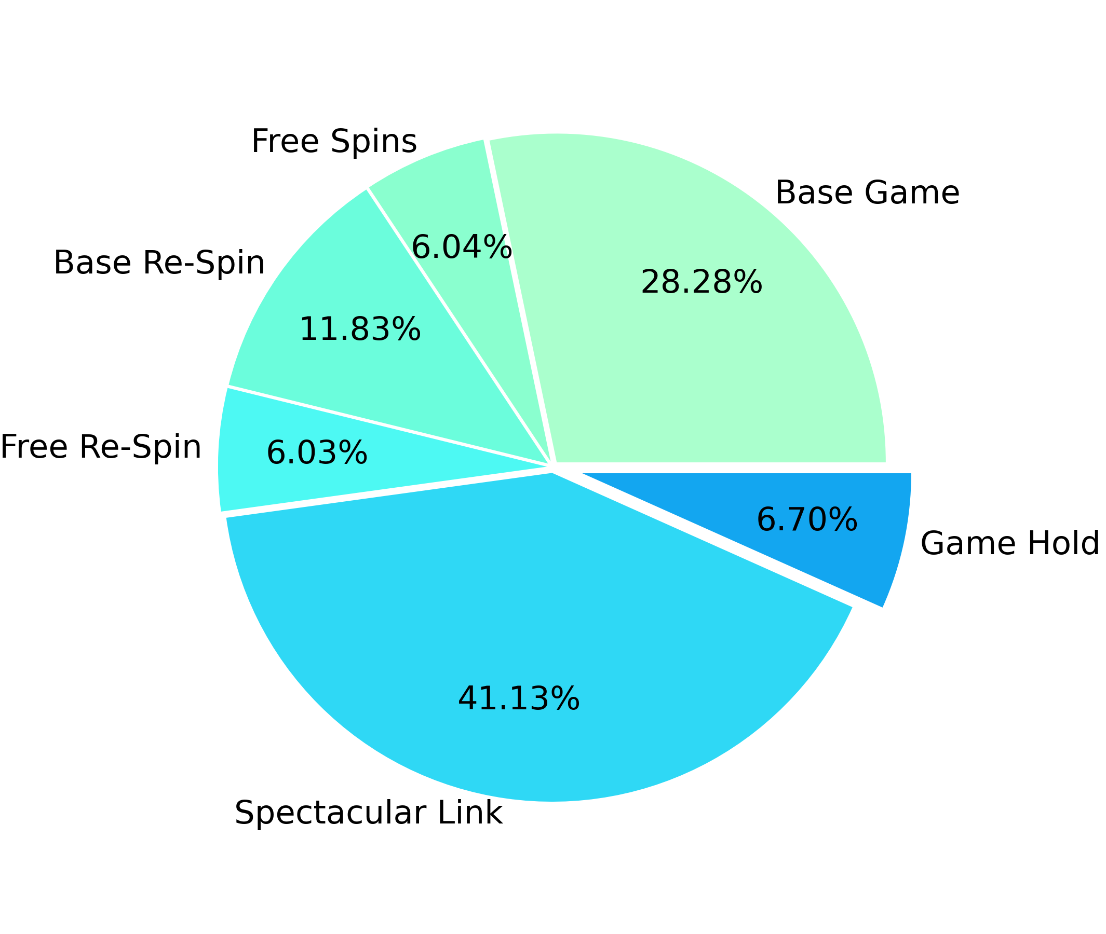
 | Game Features |  |  |  |  | RTP distribution by game sections
 | 1. Free Spins 2. Re-Spins 3. Wild Feature 4. Spectacular Link 5. Feature Spin 6. Buy Feature 7. Feature Re-Spin 8. Gamble 9. Spin Chance

 | Statistics calculated based on
 | 1,000,000 spins
 | Simulation ID
 | NBN Usual usual_93 No Gamble Fri Feb 02 16:42:19 2024

Content

 | 1. Paytable
 | 2. Winlines
 | 3. RTP Distribution
 |  | 3.1. Total RTP Distribution
 |  | 3.2. Base Game RTP distribution
 |  | 3.3. Free Spins RTP distribution
 |  | 3.4. Base Re-Spin RTP distribution
 |  | 3.5. Free Re-Spin RTP distribution
 |  | 3.6. Spectacular Link RTP distribution
 | 4. Symbols wins sorted by payout
 |  | 4.1. Base Game Symbols Wins
 |  | 4.2. Free Spins Symbols Wins
 |  | 4.3. Base Re-Spin Symbols Wins
 |  | 4.4. Free Re-Spin Symbols Wins
 | 5. RTP Confidence Intervals
 |  | 5.1. 95% Confidence Intervals
 |  | 5.2. 99% Confidence Intervals
 | 6. Win Amount Statistics
 |  | 6.1. Top Award Statistics
 |  | 6.2. Max Bet Multiplier
 | 7. Wild Feature Statistics
 |  | 7.1. Number of Wilds Distribution Base Game
 |  | 7.2. Wilds Positions Base Game
 | 8. Free Spins Statistics
 |  | 8.1. Feature Re-Spin Settings
 |  | 8.2. Free Spins Scatters Count Base
 |  | 8.3. Free Spins Scatters Count Base Re-Spin
 | 9. Spectacular Link Statistics
 |  | 9.1. Spectacular Link Main Info
 |  | 9.2. SL Scatters Count
 |  | 9.3. SL Scatters Win Distribution
 |  | 9.4. SL Re-Spin Count
 |  | 9.5. SL Number of Filled Cells Distribution
 |  | 9.6. SL Total Win Distribution
 |  | 9.7. SL Number of Filled Cells on One Re-Spin
 | 10. Reelsets Pivot Tables
 |  | 10.1. RTP distribution by All Reelsets
 |  | 10.2. RTP distribution by Base Reelsets
 | 11. Reelsets Statistics
 |  | 11.1. Base Game Reelsets
 |  | 11.2. Free Spins Reelsets
 |  | 11.3. Base Re-Spin Reelsets
 |  | 11.4. Free Re-Spin Reelsets
 |  | 11.5. Spectacular Link Reelsets
 | 12. Reelsets Structure
 |  | 12.1. Base Game Reelsets
 |  | 12.2. Free Spins Reelsets
 |  | 12.3. Base Re-Spin Reelsets
 |  | 12.4. Free Re-Spin Reelsets
 |  | 12.5. Spectacular Link Reelsets

1. Paytable

 | Symbol ID |  | Symbol Name |  |  | Winline Pay
 |  |  |  |  |  | 3 symbols |  | 4 symbols |  | 5 symbols
 | 0 |  | Two Basketball Players |  |  | 1.0x bets |  | 2.0x bets |  | 3.0x bets
 | 1 |  | Female Player Shooting |  |  | 0.5x bets |  | 0.8x bets |  | 1.5x bets
 | 2 |  | Male Player Dunking |  |  | 0.5x bets |  | 0.8x bets |  | 1.5x bets
 | 3 |  | Team Celebrating |  |  | 0.5x bets |  | 0.8x bets |  | 1.0x bets
 | 4 |  | Basketball Court |  |  | 0.5x bets |  | 0.8x bets |  | 1.0x bets
 | 5 |  | A |  |  | 0.2x bets |  | 0.4x bets |  | 0.8x bets
 | 6 |  | K |  |  | 0.2x bets |  | 0.4x bets |  | 0.8x bets
 | 7 |  | Q |  |  | 0.2x bets |  | 0.4x bets |  | 0.8x bets
 | 8 |  | J |  |  | 0.2x bets |  | 0.4x bets |  | 0.8x bets
 | 9 |  | Scatter |  |  | 0.0x bets |  | 0.0x bets |  | 0.0x bets
 | 10 |  | Wild |  |  | 0.0x bets |  | 0.0x bets |  | 3.0x bets
 | 11 |  | Cash x1 |  |  | 0.0x bets |  | 0.0x bets |  | 0.0x bets
 | 12 |  | Cash x2 |  |  | 0.0x bets |  | 0.0x bets |  | 0.0x bets
 | 13 |  | Cash x3 |  |  | 0.0x bets |  | 0.0x bets |  | 0.0x bets
 | 14 |  | Cash x4 |  |  | 0.0x bets |  | 0.0x bets |  | 0.0x bets
 | 15 |  | Cash x5 |  |  | 0.0x bets |  | 0.0x bets |  | 0.0x bets
 | 16 |  | Cash x10 |  |  | 0.0x bets |  | 0.0x bets |  | 0.0x bets
 | 17 |  | Cash x15 |  |  | 0.0x bets |  | 0.0x bets |  | 0.0x bets
 | 18 |  | Cash x20 |  |  | 0.0x bets |  | 0.0x bets |  | 0.0x bets
 | 19 |  | Cash x25 |  |  | 0.0x bets |  | 0.0x bets |  | 0.0x bets
 | 20 |  | Cash x6 |  |  | 0.0x bets |  | 0.0x bets |  | 0.0x bets
 | 21 |  | Cash x8 |  |  | 0.0x bets |  | 0.0x bets |  | 0.0x bets
 | 22 |  | Cash x12 |  |  | 0.0x bets |  | 0.0x bets |  | 0.0x bets
 | 23 |  | Cash x16 |  |  | 0.0x bets |  | 0.0x bets |  | 0.0x bets
 | 24 |  | Cash x30 |  |  | 0.0x bets |  | 0.0x bets |  | 0.0x bets
 | 25 |  | Cash x40 |  |  | 0.0x bets |  | 0.0x bets |  | 0.0x bets
 | 26 |  | Cash x50 |  |  | 0.0x bets |  | 0.0x bets |  | 0.0x bets
 | 27 |  | Cash x60 |  |  | 0.0x bets |  | 0.0x bets |  | 0.0x bets
 | 28 |  | Cash x80 |  |  | 0.0x bets |  | 0.0x bets |  | 0.0x bets
 | 29 |  | Cash x100 |  |  | 0.0x bets |  | 0.0x bets |  | 0.0x bets
 | 30 |  | Mini x50 |  |  | 0.0x bets |  | 0.0x bets |  | 0.0x bets
 | 31 |  | Minor x100 |  |  | 0.0x bets |  | 0.0x bets |  | 0.0x bets
 | 32 |  | Major x250 |  |  | 0.0x bets |  | 0.0x bets |  | 0.0x bets
 | 33 |  | Grand x500 |  |  | 0.0x bets |  | 0.0x bets |  | 0.0x bets
 | 34 |  | Free Place |  |  | 0.0x bets |  | 0.0x bets |  | 0.0x bets

2. Winlines |  |  |  |  |  |  |  |  |  |  |  |  |  | Go To Content

 | Index 0 |  |  |  |  |  | Index 1
 |  |  |  |  |  |  | 0 | 0 | 0 | 0 | 0
 | 1 | 1 | 1 | 1 | 1

 | Index 2 |  |  |  |  |  | Index 3
 |  |  |  |  |  |  | 0 |  |  |  | 0
 |  |  |  |  |  |  |  | 1 |  | 1
 | 2 | 2 | 2 | 2 | 2 |  |  |  | 2

 | Index 4 |  |  |  |  |  | Index 5
 |  |  | 0 |  |  |  | 0 | 0 |  | 0 | 0
 |  | 1 |  | 1 |  |  |  |  | 1
 | 2 |  |  |  | 2

 | Index 6 |  |  |  |  |  | Index 7

 |  |  | 1 |  |  |  | 1 |  |  |  | 1
 | 2 | 2 |  | 2 | 2 |  |  | 2 | 2 | 2

 | Index 8 |  |  |  |  |  | Index 9
 |  | 0 | 0 | 0 |  |  | 0 | 0
 | 1 |  |  |  | 1 |  |  |  | 1
 |  |  |  |  |  |  |  |  |  | 2 | 2

 | Index 10 |  |  |  |  |  | Index 11
 |  |  |  | 0 | 0 |  | 0 |  |  |  | 0
 |  |  | 1 |  |  |  |  | 1 | 1 | 1
 | 2 | 2

 | Index 12 |  |  |  |  |  | Index 13

 |  | 1 | 1 | 1 |  |  | 1 |  | 1 |  | 1
 | 2 |  |  |  | 2 |  |  | 2 |  | 2

 | Index 14 |  |  |  |  |  | Index 15
 |  | 0 |  | 0 |  |  |  | 0
 | 1 |  | 1 |  | 1 |  | 1 |  | 1 |  | 1
 |  |  |  |  |  |  |  |  |  | 2

 | Index 16 |  |  |  |  |  | Index 17
 |  |  |  | 0
 | 1 |  | 1 |  | 1 |  | 1 | 1 |  | 1 | 1
 |  | 2 |  |  |  |  |  |  | 2

 | Index 18 |  |  |  |  |  | Index 19
 |  |  | 0 |  |  |  | 0 |  | 0 |  | 0
 | 1 | 1 |  | 1 | 1 |  |  | 1 |  | 1

 | Index 20 |  |  |  |  |  | Index 21
 |  |  |  |  |  |  |  |  |  |  | 0
 |  | 1 |  | 1 |  |  |  | 1 | 1 | 1
 | 2 |  | 2 |  | 2 |  | 2

 | Index 22 |  |  |  |  |  | Index 23
 | 0 |  |  |  |  |  | 0
 |  | 1 | 1 | 1 |  |  |  | 1 |  |  | 1
 |  |  |  |  | 2 |  |  |  | 2 | 2

 | Index 24
 |  |  | 0 | 0
 |  | 1 |  |  | 1
 | 2

3. RTP Distribution |  |  |  |  |  |  |  |  |  |  |  |  |  | Go To Content

 | 3.1. Total RTP Distribution

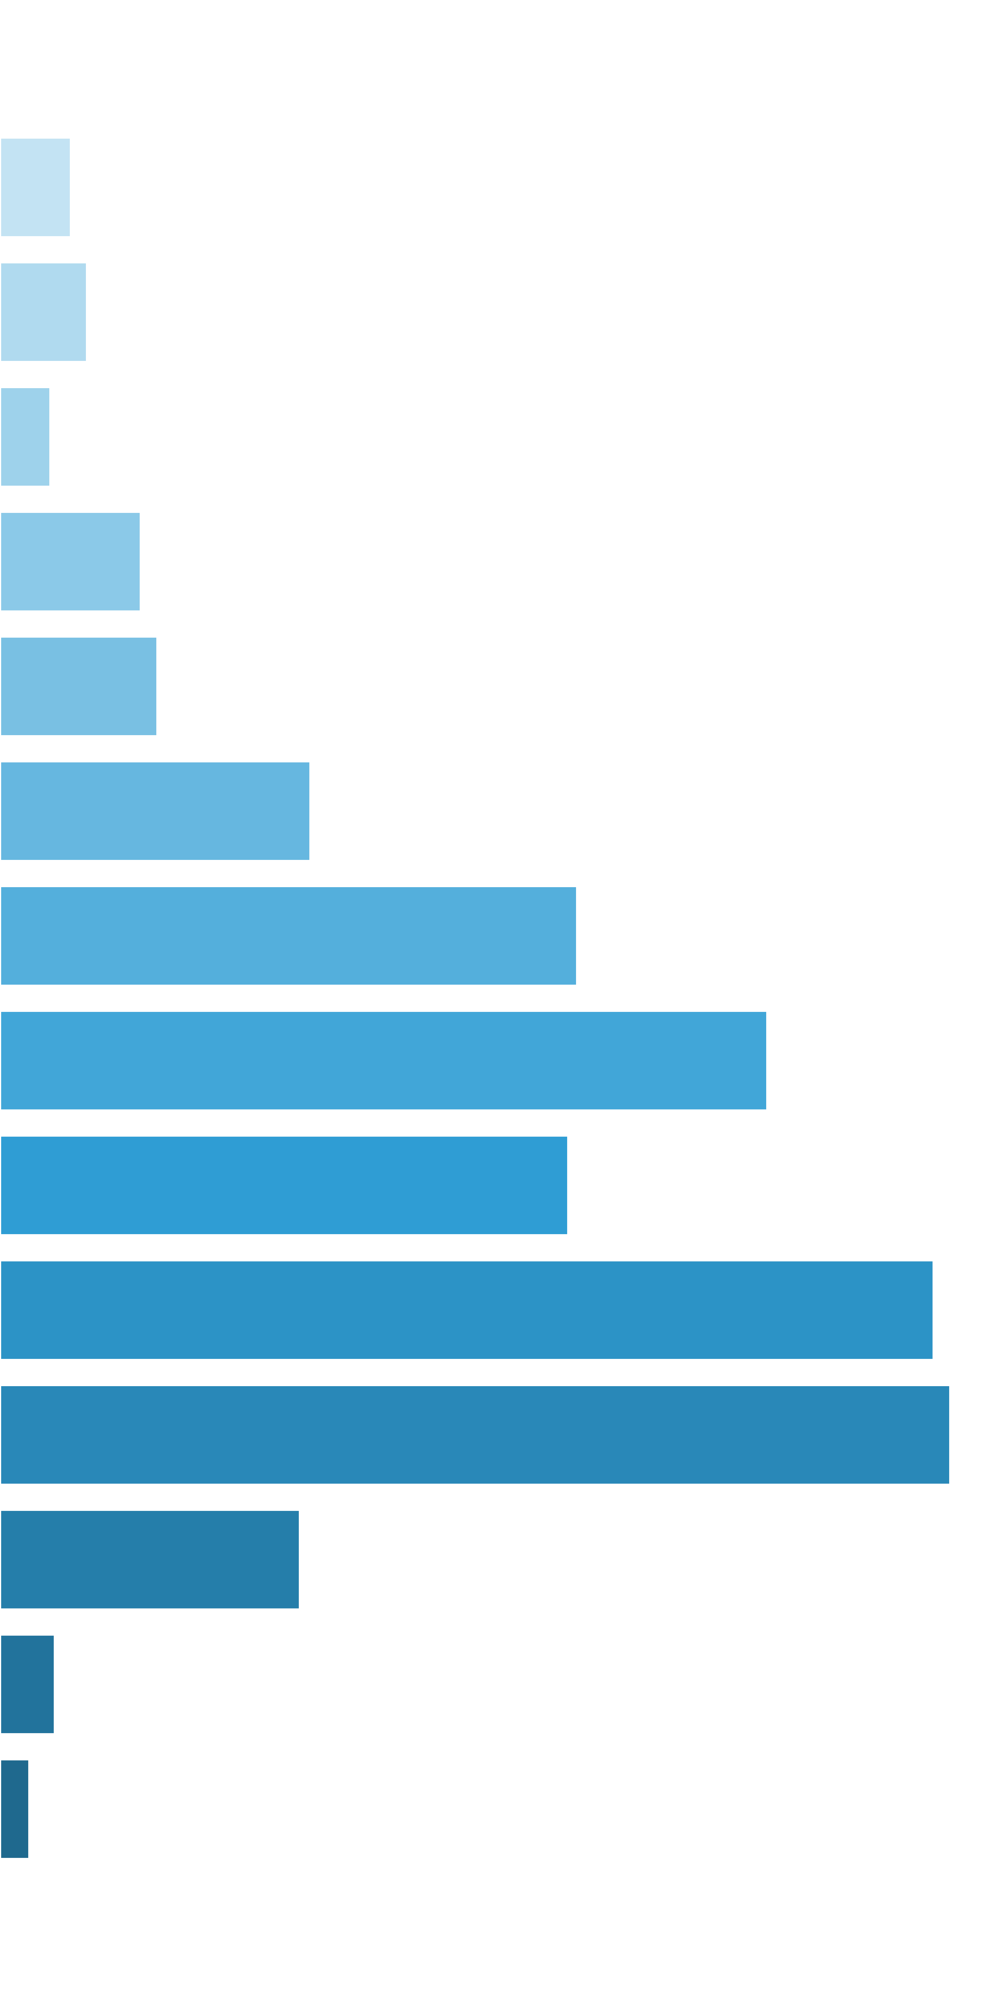
 | Win Ranges |  | Win in Range |  | Average Win |  | RTP per Range
 | [0x, 0x] |  | 1 in 1.18 |  | 0.00x |  | 0.000%
 | (0x, 0.5x] |  | 1 in 25.65 |  | 0.34x |  | 1.323%
 | (0.5x, 1x) |  | 1 in 42.77 |  | 0.69x |  | 1.624%
 | [1x, 1x] |  | 1 in 105.84 |  | 1.00x |  | 0.945%
 | (1x, 2x) |  | 1 in 54.79 |  | 1.44x |  | 2.633%
 | [2x, 3x) |  | 1 in 79.18 |  | 2.32x |  | 2.934%
 | [3x, 5x) |  | 1 in 64.87 |  | 3.76x |  | 5.799%
 | [5x, 10x) |  | 1 in 64.59 |  | 6.96x |  | 10.777%
 | [10x, 20x) |  | 1 in 96.62 |  | 13.84x |  | 14.324%
 | [20x, 30x) |  | 1 in 226.24 |  | 24.00x |  | 10.607%
 | [30x, 50x) |  | 1 in 216.97 |  | 37.80x |  | 17.423%
 | [50x, 100x) |  | 1 in 385.51 |  | 68.39x |  | 17.740%
 | [100x, 200x) |  | 1 in 2,232.14 |  | 125.05x |  | 5.602%
 | [200x, 500x) |  | 1 in 26,315.79 |  | 269.31x |  | 1.023%
 | [500x, 1000x) |  | 1 in 90,909.09 |  | 500.33x |  | 0.550%
 | [1000x, inf) |  | 1 in inf |  | nan |  | 0.000%
 | Total |  | 1 in 6.41 |  | 5.98x |  | 93.304%

 | 3.2. Base Game RTP distribution |  |  |  |  |  |  |  |  |  |  |  | Go To Content

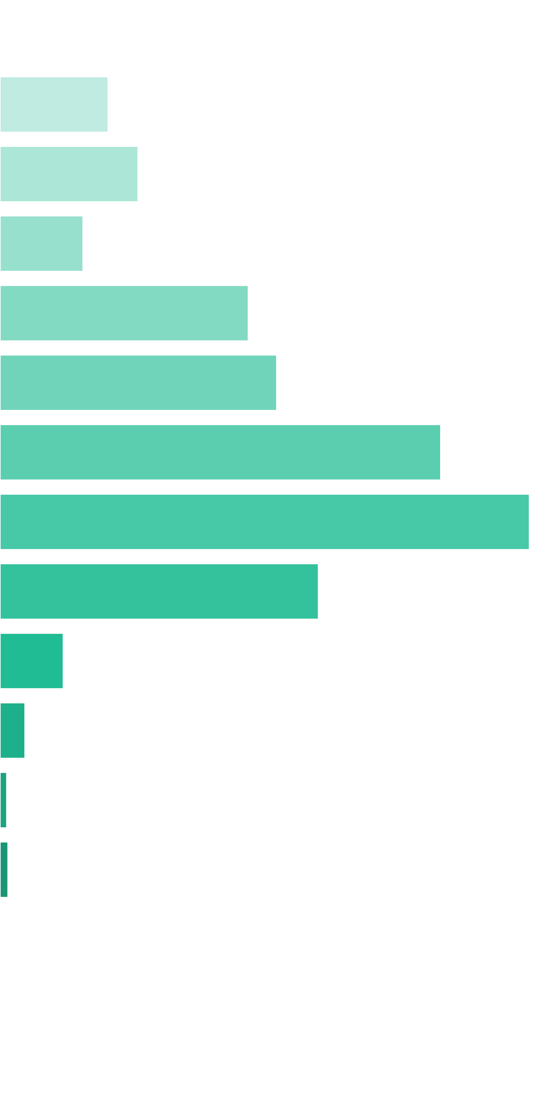
 | Win Ranges |  | Win in Range |  | Average Win |  | RTP per Range
 | [0x, 0x] |  | 1 in 1.16 |  | 0.00x |  | 0.000%
 | (0x, 0.5x] |  | 1 in 25.00 |  | 0.34x |  | 1.361%
 | (0.5x, 1x) |  | 1 in 40.04 |  | 0.70x |  | 1.739%
 | [1x, 1x] |  | 1 in 95.66 |  | 1.00x |  | 1.045%
 | (1x, 2x) |  | 1 in 46.23 |  | 1.45x |  | 3.128%
 | [2x, 3x) |  | 1 in 66.55 |  | 2.32x |  | 3.485%
 | [3x, 5x) |  | 1 in 66.67 |  | 3.70x |  | 5.549%
 | [5x, 10x) |  | 1 in 101.33 |  | 6.75x |  | 6.666%
 | [10x, 20x) |  | 1 in 321.13 |  | 12.87x |  | 4.009%
 | [20x, 30x) |  | 1 in 2,949.85 |  | 23.53x |  | 0.798%
 | [30x, 50x) |  | 1 in 11,764.71 |  | 37.09x |  | 0.315%
 | [50x, 100x) |  | 1 in 66,666.67 |  | 55.92x |  | 0.084%
 | [100x, 200x) |  | 1 in 100,000.00 |  | 100.00x |  | 0.100%
 | [200x, 500x) |  | 1 in inf |  | nan |  | 0.000%
 | [500x, 1000x) |  | 1 in inf |  | nan |  | 0.000%
 | [1000x, inf) |  | 1 in inf |  | nan |  | 0.000%
 | Total |  | 1 in 7.12 |  | 2.01x |  | 28.279%

 | 3.3. Free Spins RTP distribution |  |  |  |  |  |  |  |  |  |  |  | Go To Content

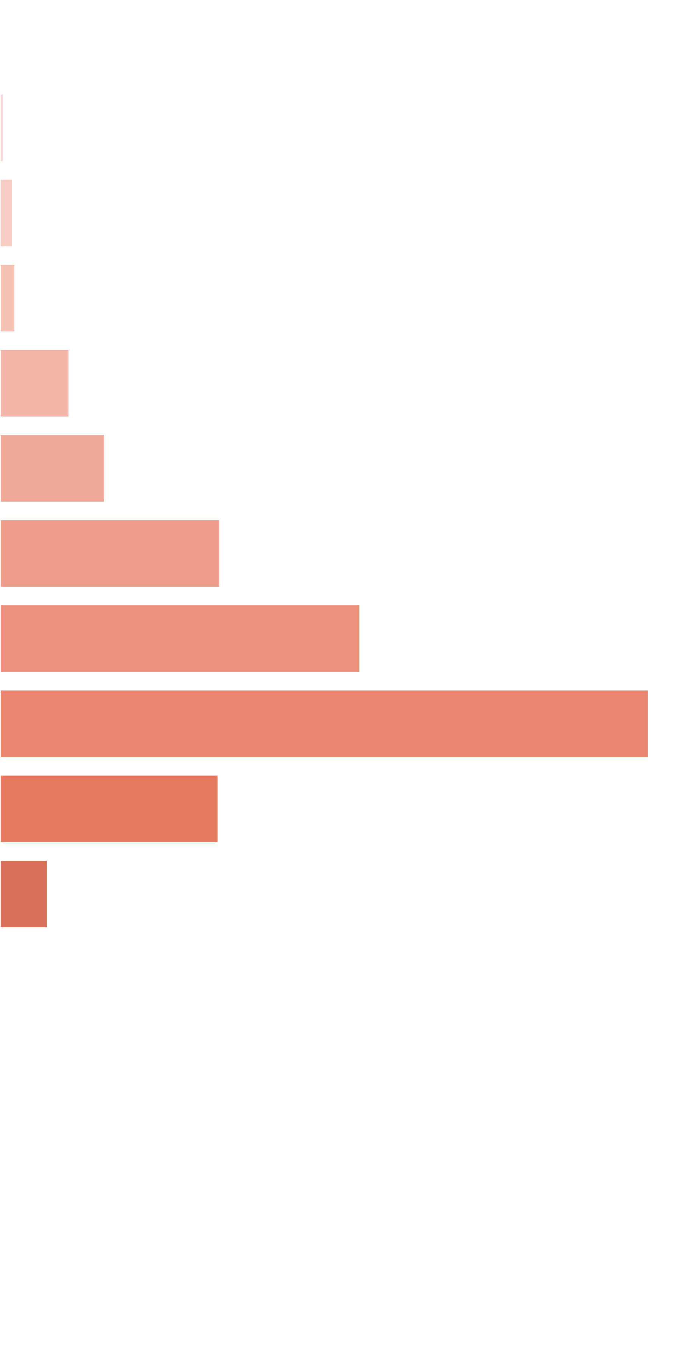
 | Win Ranges |  | Win in Range |  | Average Win |  | RTP per Range
 | [0x, 0x] |  | 1 in 1.45 |  | 0.00x |  | 0.000%
 | (0x, 0.5x] |  | 1 in 114.93 |  | 0.39x |  | 0.012%
 | (0.5x, 1x) |  | 1 in 54.37 |  | 0.73x |  | 0.046%
 | [1x, 1x] |  | 1 in 64.26 |  | 1.00x |  | 0.053%
 | (1x, 2x) |  | 1 in 20.80 |  | 1.49x |  | 0.246%
 | [2x, 3x) |  | 1 in 21.60 |  | 2.34x |  | 0.372%
 | [3x, 5x) |  | 1 in 16.59 |  | 3.78x |  | 0.780%
 | [5x, 10x) |  | 1 in 18.94 |  | 7.07x |  | 1.279%
 | [10x, 20x) |  | 1 in 20.55 |  | 13.81x |  | 2.303%
 | [20x, 30x) |  | 1 in 100.74 |  | 22.80x |  | 0.775%
 | [30x, 50x) |  | 1 in 713.54 |  | 35.37x |  | 0.170%
 | [50x, 100x) |  | 1 in 34,250.00 |  | 52.40x |  | 0.005%
 | [100x, 200x) |  | 1 in inf |  | nan |  | 0.000%
 | [200x, 500x) |  | 1 in inf |  | nan |  | 0.000%
 | [500x, 1000x) |  | 1 in inf |  | nan |  | 0.000%
 | [1000x, inf) |  | 1 in inf |  | nan |  | 0.000%
 | Total |  | 1 in 3.22 |  | 5.69x |  | 6.040%

 | 3.4. Base Re-Spin RTP distribution |  |  |  |  |  |  |  |  |  |  |  | Go To Content

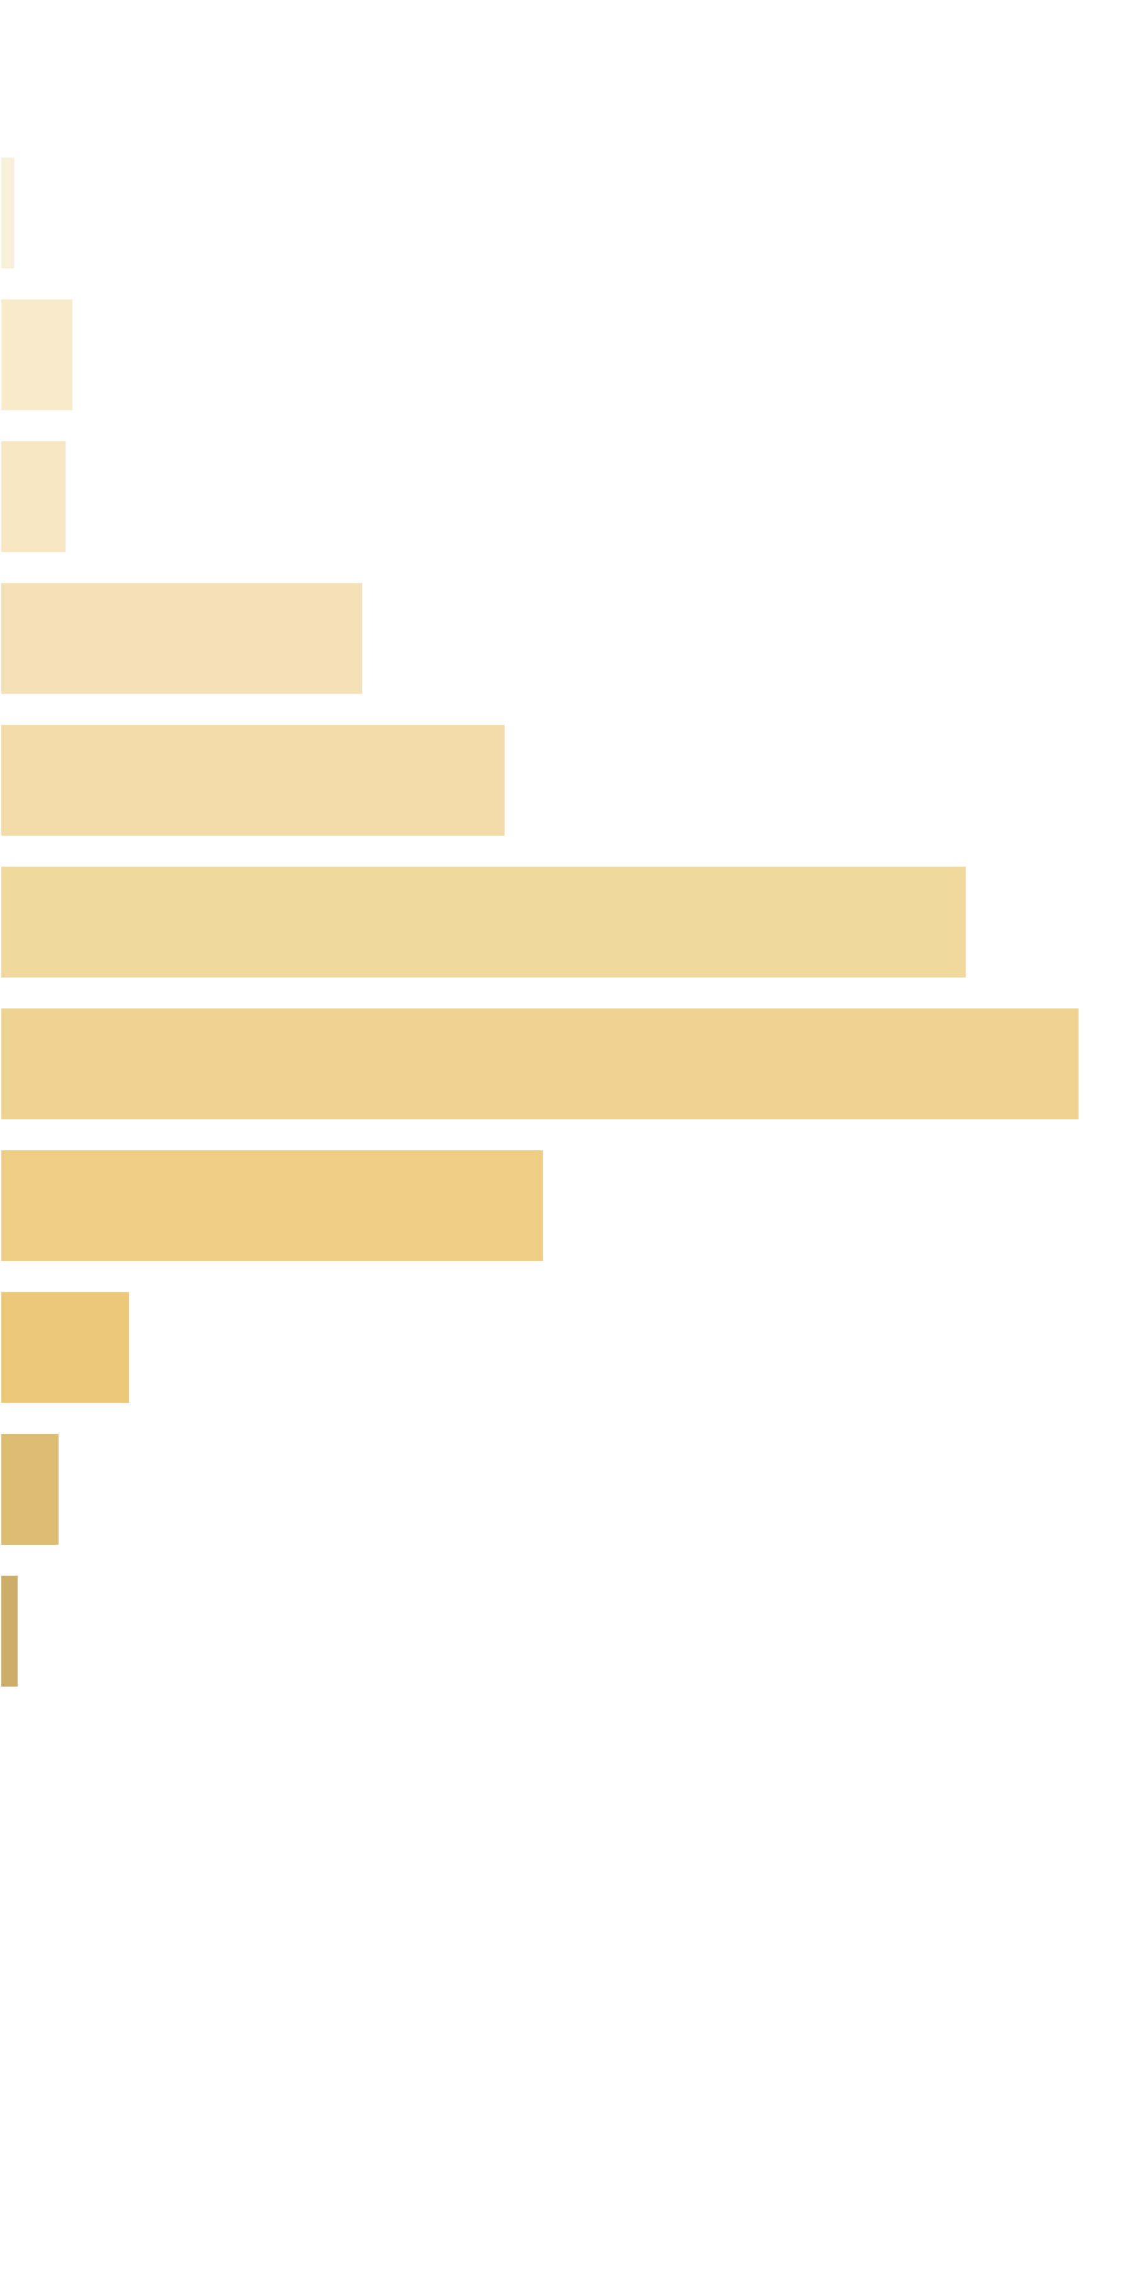
 | Win Ranges |  | Win in Range |  | Average Win |  | RTP per Range
 | [0x, 0x] |  | 1 in 1.46 |  | 0.00x |  | 0.000%
 | (0x, 0.5x] |  | 1 in 89.52 |  | 0.39x |  | 0.049%
 | (0.5x, 1x) |  | 1 in 35.88 |  | 0.74x |  | 0.229%
 | [1x, 1x] |  | 1 in 54.23 |  | 1.00x |  | 0.206%
 | (1x, 2x) |  | 1 in 14.72 |  | 1.48x |  | 1.125%
 | [2x, 3x) |  | 1 in 16.75 |  | 2.35x |  | 1.565%
 | [3x, 5x) |  | 1 in 14.03 |  | 3.76x |  | 2.990%
 | [5x, 10x) |  | 1 in 22.59 |  | 6.76x |  | 3.340%
 | [10x, 20x) |  | 1 in 85.15 |  | 12.84x |  | 1.682%
 | [20x, 30x) |  | 1 in 641.08 |  | 23.18x |  | 0.403%
 | [30x, 50x) |  | 1 in 2,230.96 |  | 36.93x |  | 0.185%
 | [50x, 100x) |  | 1 in 11,154.80 |  | 58.13x |  | 0.058%
 | [100x, 200x) |  | 1 in inf |  | nan |  | 0.000%
 | [200x, 500x) |  | 1 in inf |  | nan |  | 0.000%
 | [500x, 1000x) |  | 1 in inf |  | nan |  | 0.000%
 | [1000x, inf) |  | 1 in inf |  | nan |  | 0.000%
 | Total |  | 1 in 3.18 |  | 3.37x |  | 11.832%

 | 3.5. Free Re-Spin RTP distribution |  |  |  |  |  |  |  |  |  |  |  | Go To Content

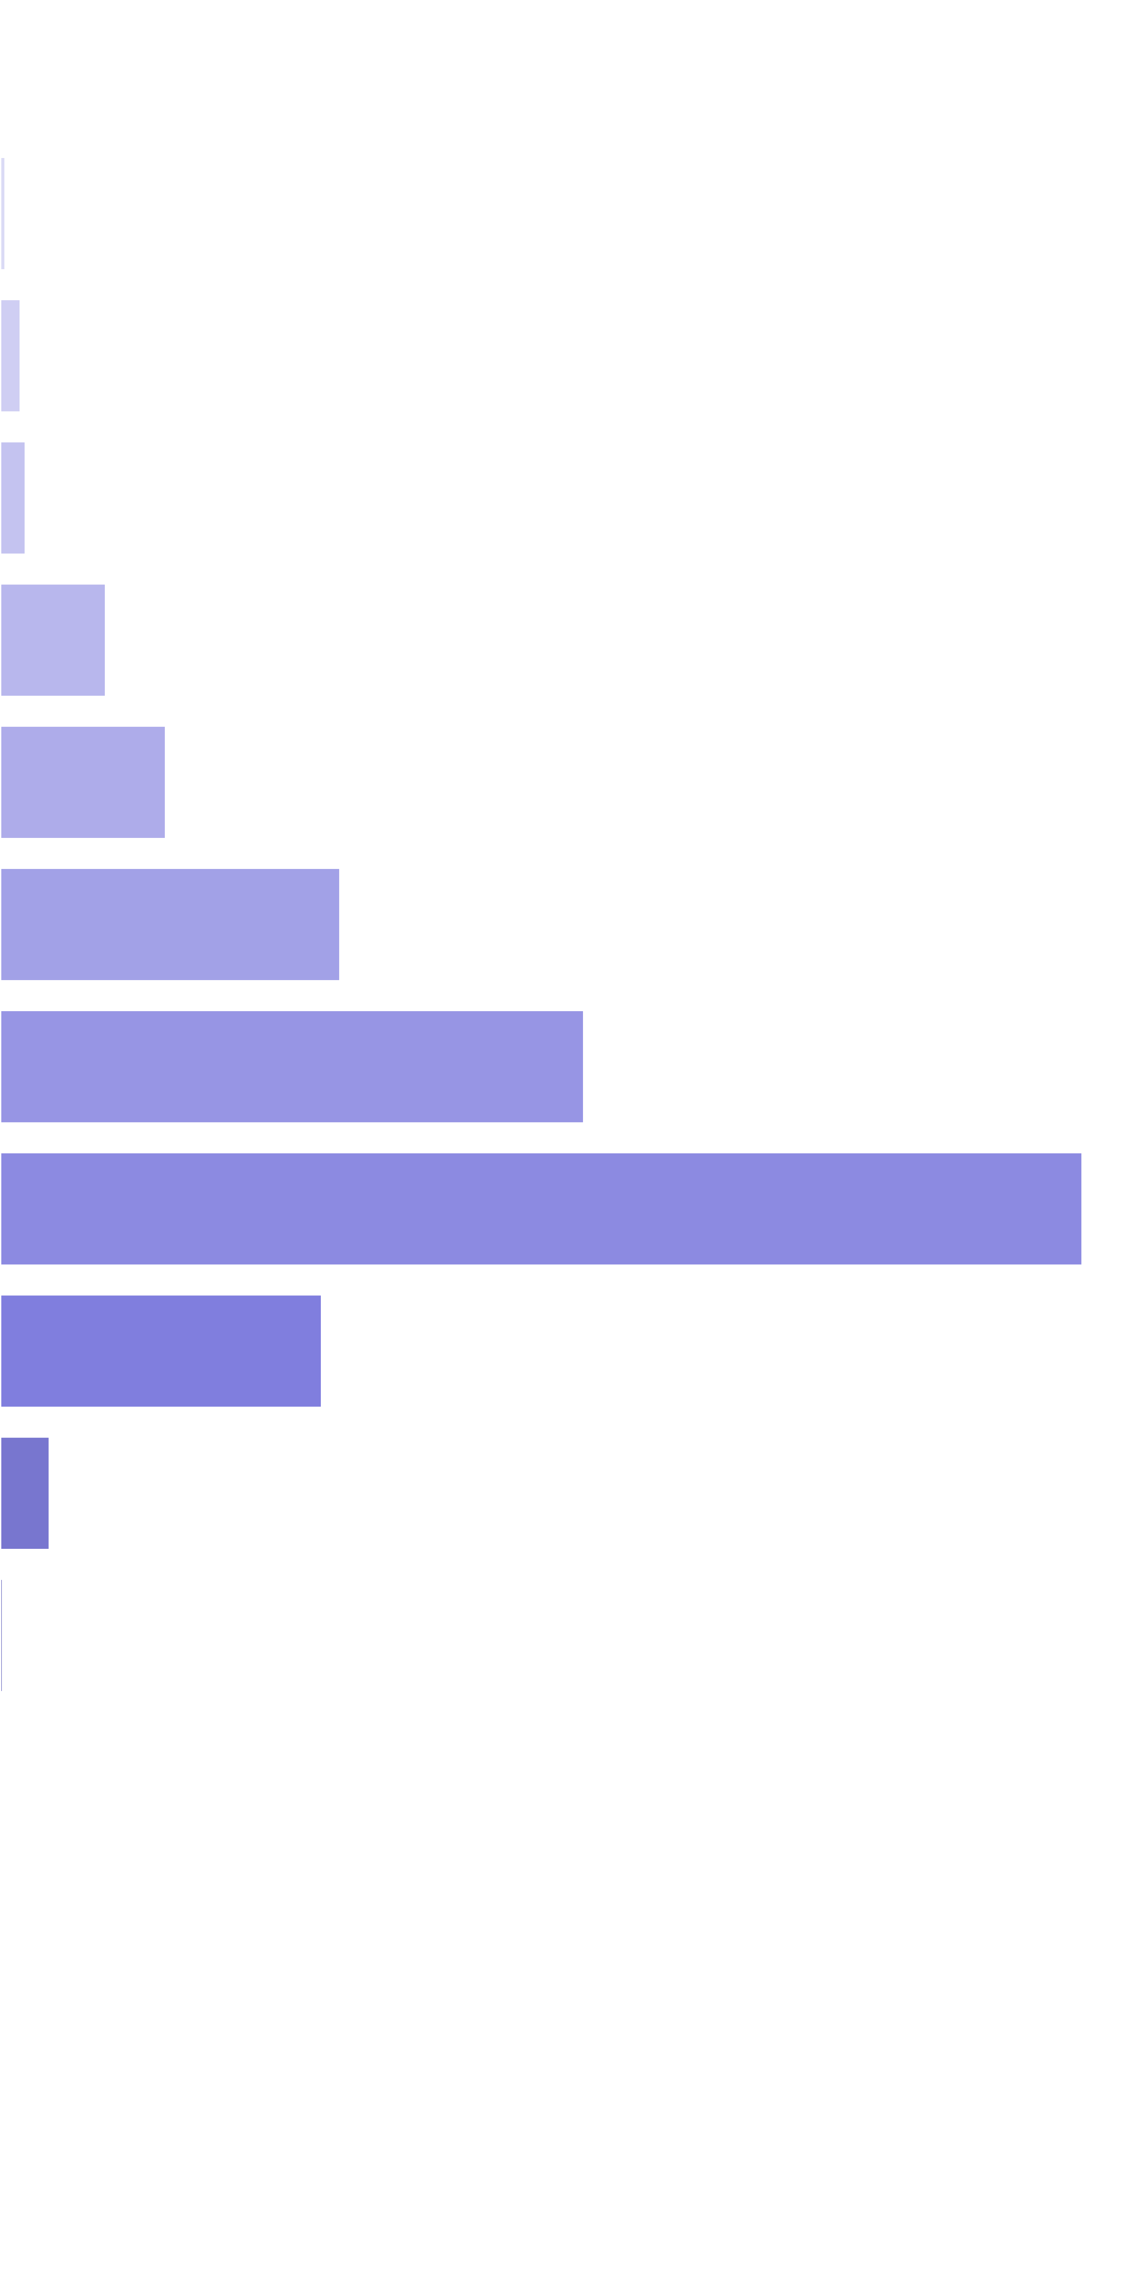
 | Win Ranges |  | Win in Range |  | Average Win |  | RTP per Range
 | [0x, 0x] |  | 1 in 1.45 |  | 0.00x |  | 0.000%
 | (0x, 0.5x] |  | 1 in 109.78 |  | 0.39x |  | 0.012%
 | (0.5x, 1x) |  | 1 in 53.35 |  | 0.73x |  | 0.047%
 | [1x, 1x] |  | 1 in 58.75 |  | 1.00x |  | 0.058%
 | (1x, 2x) |  | 1 in 21.57 |  | 1.49x |  | 0.236%
 | [2x, 3x) |  | 1 in 21.69 |  | 2.34x |  | 0.370%
 | [3x, 5x) |  | 1 in 17.15 |  | 3.80x |  | 0.758%
 | [5x, 10x) |  | 1 in 18.51 |  | 7.03x |  | 1.301%
 | [10x, 20x) |  | 1 in 19.71 |  | 13.87x |  | 2.410%
 | [20x, 30x) |  | 1 in 108.73 |  | 22.78x |  | 0.718%
 | [30x, 50x) |  | 1 in 1,037.88 |  | 33.69x |  | 0.111%
 | [50x, 100x) |  | 1 in 34,250.00 |  | 65.60x |  | 0.007%
 | [100x, 200x) |  | 1 in inf |  | nan |  | 0.000%
 | [200x, 500x) |  | 1 in inf |  | nan |  | 0.000%
 | [500x, 1000x) |  | 1 in inf |  | nan |  | 0.000%
 | [1000x, inf) |  | 1 in inf |  | nan |  | 0.000%
 | Total |  | 1 in 3.22 |  | 5.67x |  | 6.028%

 | 3.6. Spectacular Link RTP distribution |  |  |  |  |  |  |  |  |  |  |  | Go To Content

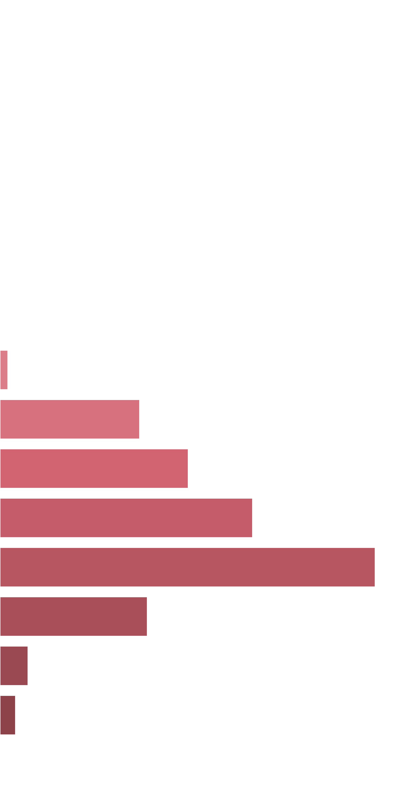
 | Win Ranges |  | Win in Range |  | Average Win |  | RTP per Range
 | [0x, 0x] |  | 1 in inf |  | nan |  | 0.000%
 | (0x, 0.5x] |  | 1 in inf |  | nan |  | 0.000%
 | (0.5x, 1x) |  | 1 in inf |  | nan |  | 0.000%
 | [1x, 1x] |  | 1 in inf |  | nan |  | 0.000%
 | (1x, 2x) |  | 1 in inf |  | nan |  | 0.000%
 | [2x, 3x) |  | 1 in inf |  | nan |  | 0.000%
 | [3x, 5x) |  | 1 in inf |  | nan |  | 0.000%
 | [5x, 10x) |  | 1 in 34.02 |  | 8.37x |  | 0.277%
 | [10x, 20x) |  | 1 in 3.34 |  | 14.77x |  | 4.979%
 | [20x, 30x) |  | 1 in 4.02 |  | 23.98x |  | 6.709%
 | [30x, 50x) |  | 1 in 4.66 |  | 37.22x |  | 8.999%
 | [50x, 100x) |  | 1 in 5.99 |  | 71.15x |  | 13.369%
 | [100x, 200x) |  | 1 in 27.00 |  | 125.78x |  | 5.245%
 | [200x, 500x) |  | 1 in 304.35 |  | 269.70x |  | 0.998%
 | [500x, 1000x) |  | 1 in 1,023.73 |  | 500.00x |  | 0.550%
 | [1000x, inf) |  | 1 in inf |  | nan |  | 0.000%
 | Total |  | 1 in 1.00 |  | 36.52x |  | 41.125%

4. Symbols wins sorted by payout |  |  |  |  |  |  |  |  |  |  |  |  |  | Go To Content

 | 4.1. Base Game Symbols Wins

 | Symbol |  |  | Counter |  | Multiplier |  | Probability |  | Pulls to hit (1 in) |  | Paytable |  | RTP |  | Total Symbol RTP
 | Two Basketball Players |  |  | 3 |  | 1 |  | 0.02402100 |  | 41.63 |  | 1.00x bets |  | 2.402% |  | 4.978%
 |  |  |  | 4 |  | 1 |  | 0.00826500 |  | 120.99 |  | 2.00x bets |  | 1.653%
 |  |  |  | 5 |  | 1 |  | 0.00307700 |  | 324.99 |  | 3.00x bets |  | 0.923%
 | Female Player Shooting |  |  | 3 |  | 1 |  | 0.02275500 |  | 43.95 |  | 0.50x bets |  | 1.138% |  | 2.213%
 |  |  |  | 4 |  | 1 |  | 0.00846400 |  | 118.15 |  | 0.80x bets |  | 0.677%
 |  |  |  | 5 |  | 1 |  | 0.00265700 |  | 376.36 |  | 1.50x bets |  | 0.399%
 | Male Player Dunking |  |  | 3 |  | 1 |  | 0.02447800 |  | 40.85 |  | 0.50x bets |  | 1.224% |  | 2.299%
 |  |  |  | 4 |  | 1 |  | 0.00860800 |  | 116.17 |  | 0.80x bets |  | 0.689%
 |  |  |  | 5 |  | 1 |  | 0.00257800 |  | 387.90 |  | 1.50x bets |  | 0.387%
 | Team Celebrating |  |  | 3 |  | 1 |  | 0.03471500 |  | 28.81 |  | 0.50x bets |  | 1.736% |  | 2.982%
 |  |  |  | 4 |  | 1 |  | 0.01119700 |  | 89.31 |  | 0.80x bets |  | 0.896%
 |  |  |  | 5 |  | 1 |  | 0.00350400 |  | 285.39 |  | 1.00x bets |  | 0.350%
 | Basketball Court |  |  | 5 |  | 1 |  | 0.00397100 |  | 251.83 |  | 1.00x bets |  | 0.397% |  | 3.090%
 |  |  |  | 4 |  | 1 |  | 0.01141400 |  | 87.61 |  | 0.80x bets |  | 0.913%
 |  |  |  | 3 |  | 1 |  | 0.03560300 |  | 28.09 |  | 0.50x bets |  | 1.780%
 | A |  |  | 3 |  | 1 |  | 0.07288900 |  | 13.72 |  | 0.20x bets |  | 1.458% |  | 2.876%
 |  |  |  | 4 |  | 1 |  | 0.02082300 |  | 48.02 |  | 0.40x bets |  | 0.833%
 |  |  |  | 5 |  | 1 |  | 0.00732200 |  | 136.57 |  | 0.80x bets |  | 0.586%
 | K |  |  | 3 |  | 1 |  | 0.08333200 |  | 12.00 |  | 0.20x bets |  | 1.667% |  | 3.160%
 |  |  |  | 4 |  | 1 |  | 0.02219300 |  | 45.06 |  | 0.40x bets |  | 0.888%
 |  |  |  | 5 |  | 1 |  | 0.00757000 |  | 132.10 |  | 0.80x bets |  | 0.606%
 | Q |  |  | 3 |  | 1 |  | 0.08395400 |  | 11.91 |  | 0.20x bets |  | 1.679% |  | 3.163%
 |  |  |  | 4 |  | 1 |  | 0.02181300 |  | 45.84 |  | 0.40x bets |  | 0.873%
 |  |  |  | 5 |  | 1 |  | 0.00764300 |  | 130.84 |  | 0.80x bets |  | 0.611%
 | J |  |  | 3 |  | 1 |  | 0.07640400 |  | 13.09 |  | 0.20x bets |  | 1.528% |  | 3.039%
 |  |  |  | 4 |  | 1 |  | 0.02225300 |  | 44.94 |  | 0.40x bets |  | 0.890%
 |  |  |  | 5 |  | 1 |  | 0.00775900 |  | 128.88 |  | 0.80x bets |  | 0.621%
 | Wild |  |  | 5 |  | 1 |  | 0.00125800 |  | 794.91 |  | 3.00x bets |  | 0.377% |  | 0.377%
 |  |  |  |  |  |  |  |  |  |  |  |  |  |  |  | 28.179%

 | Base Game RTP distribution by Symbols |  |  |  |  |  |  |  |  |  | Base Game RTP distribution by Winline Length
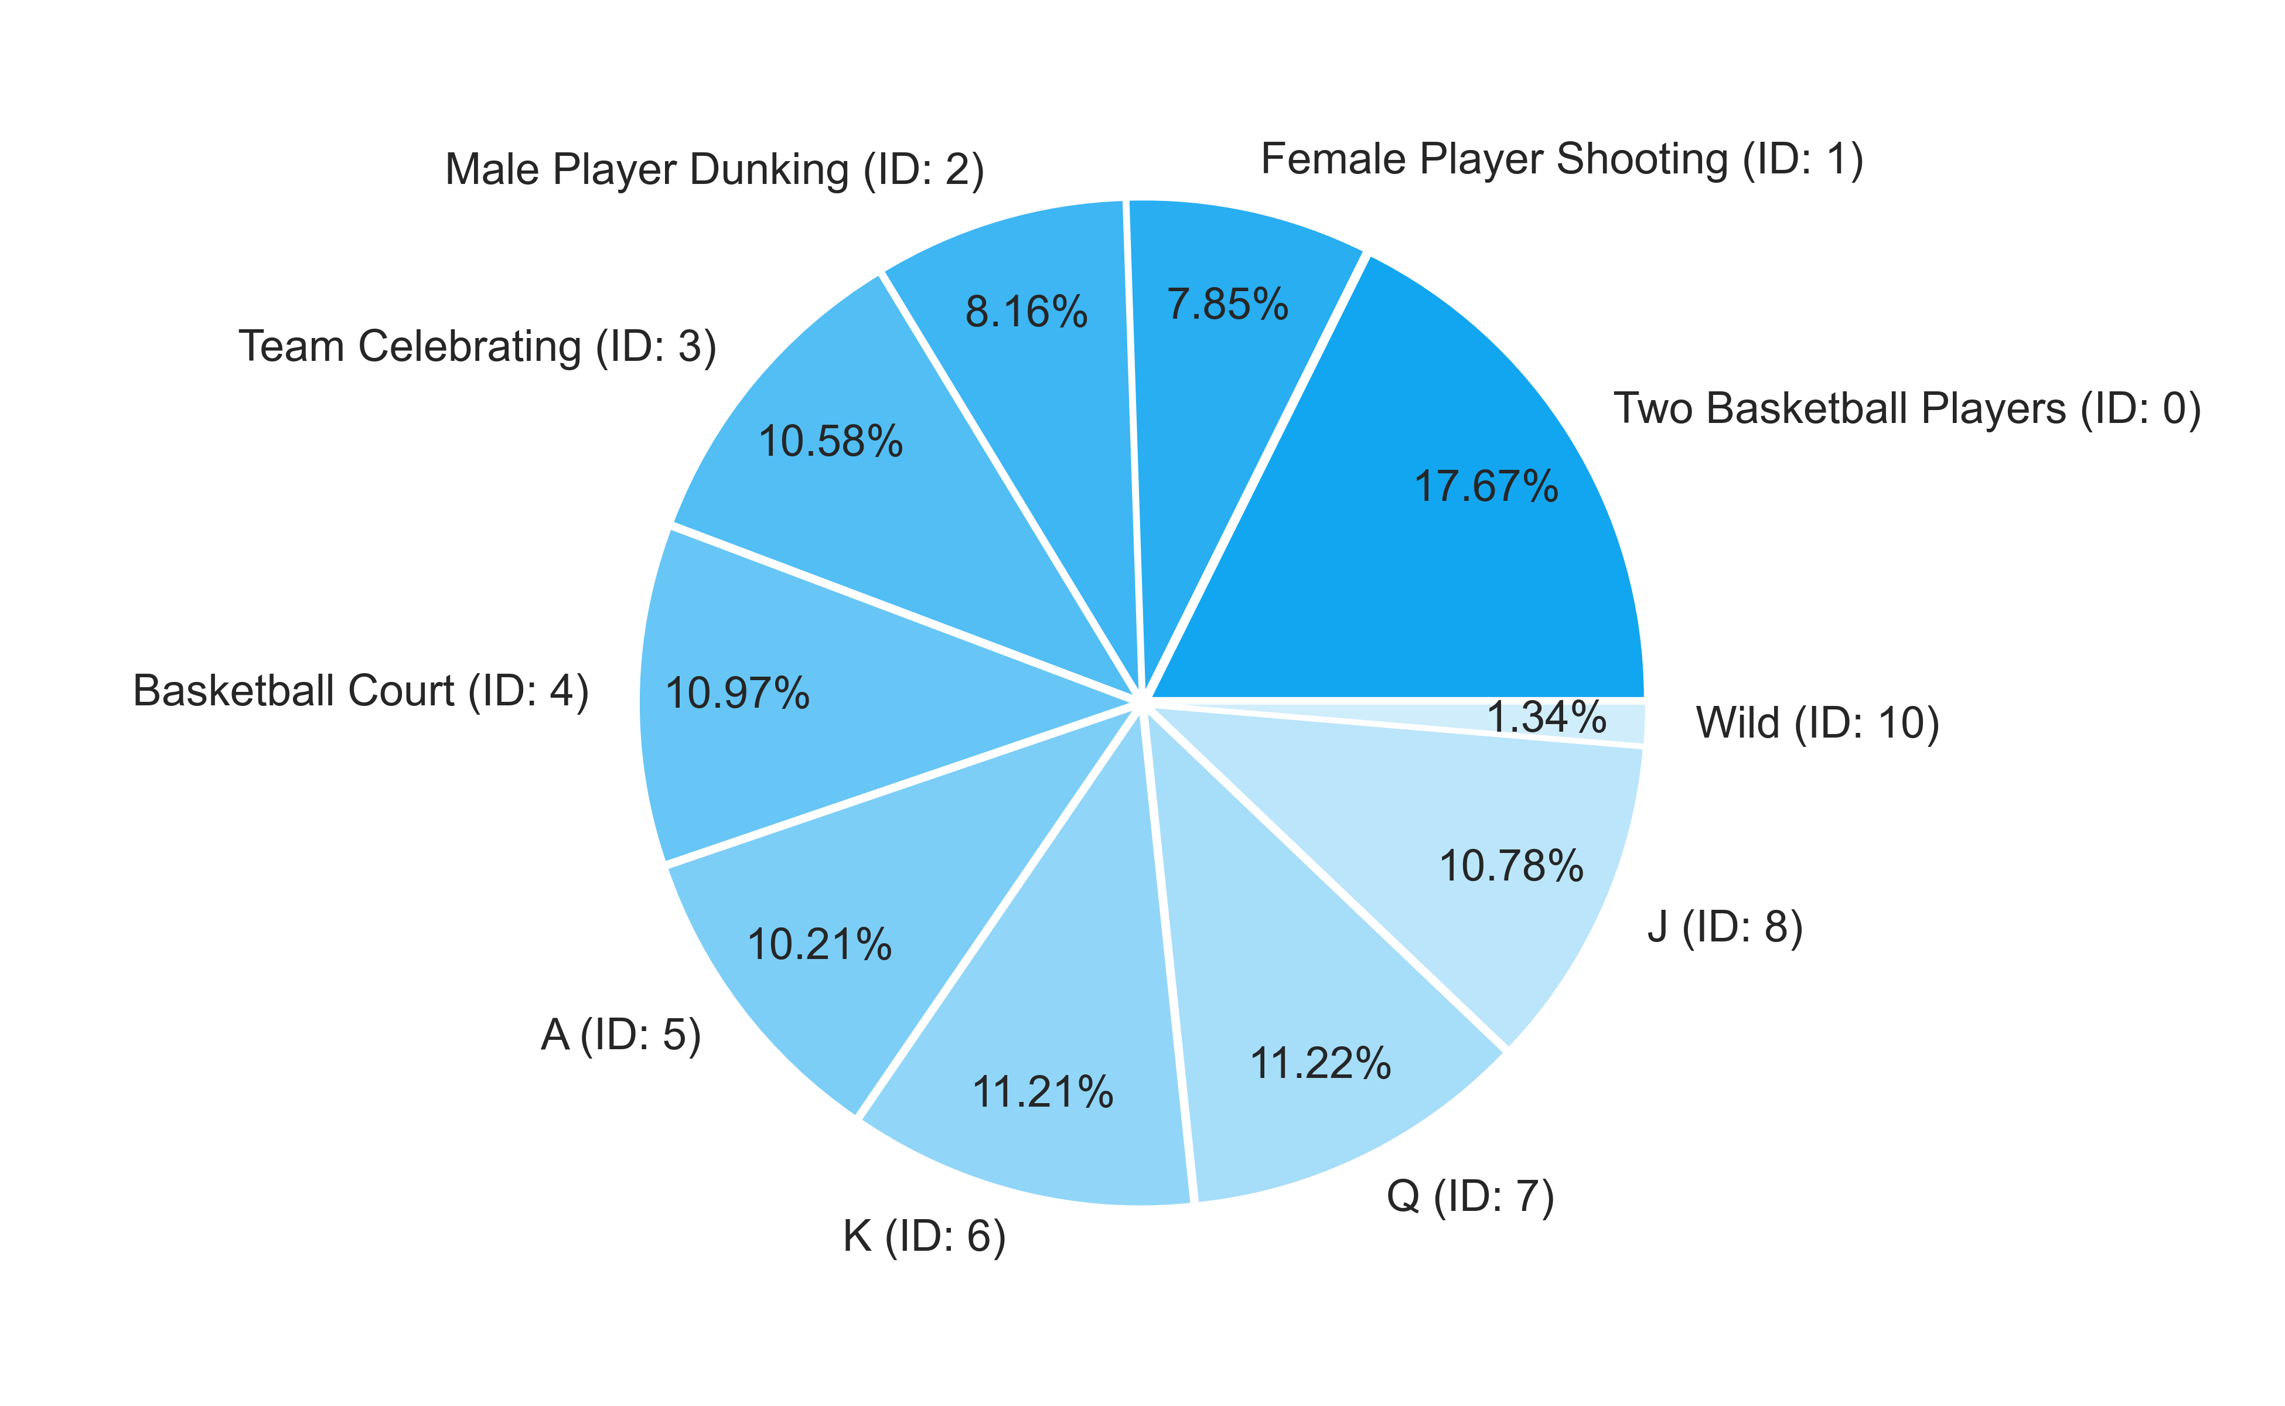
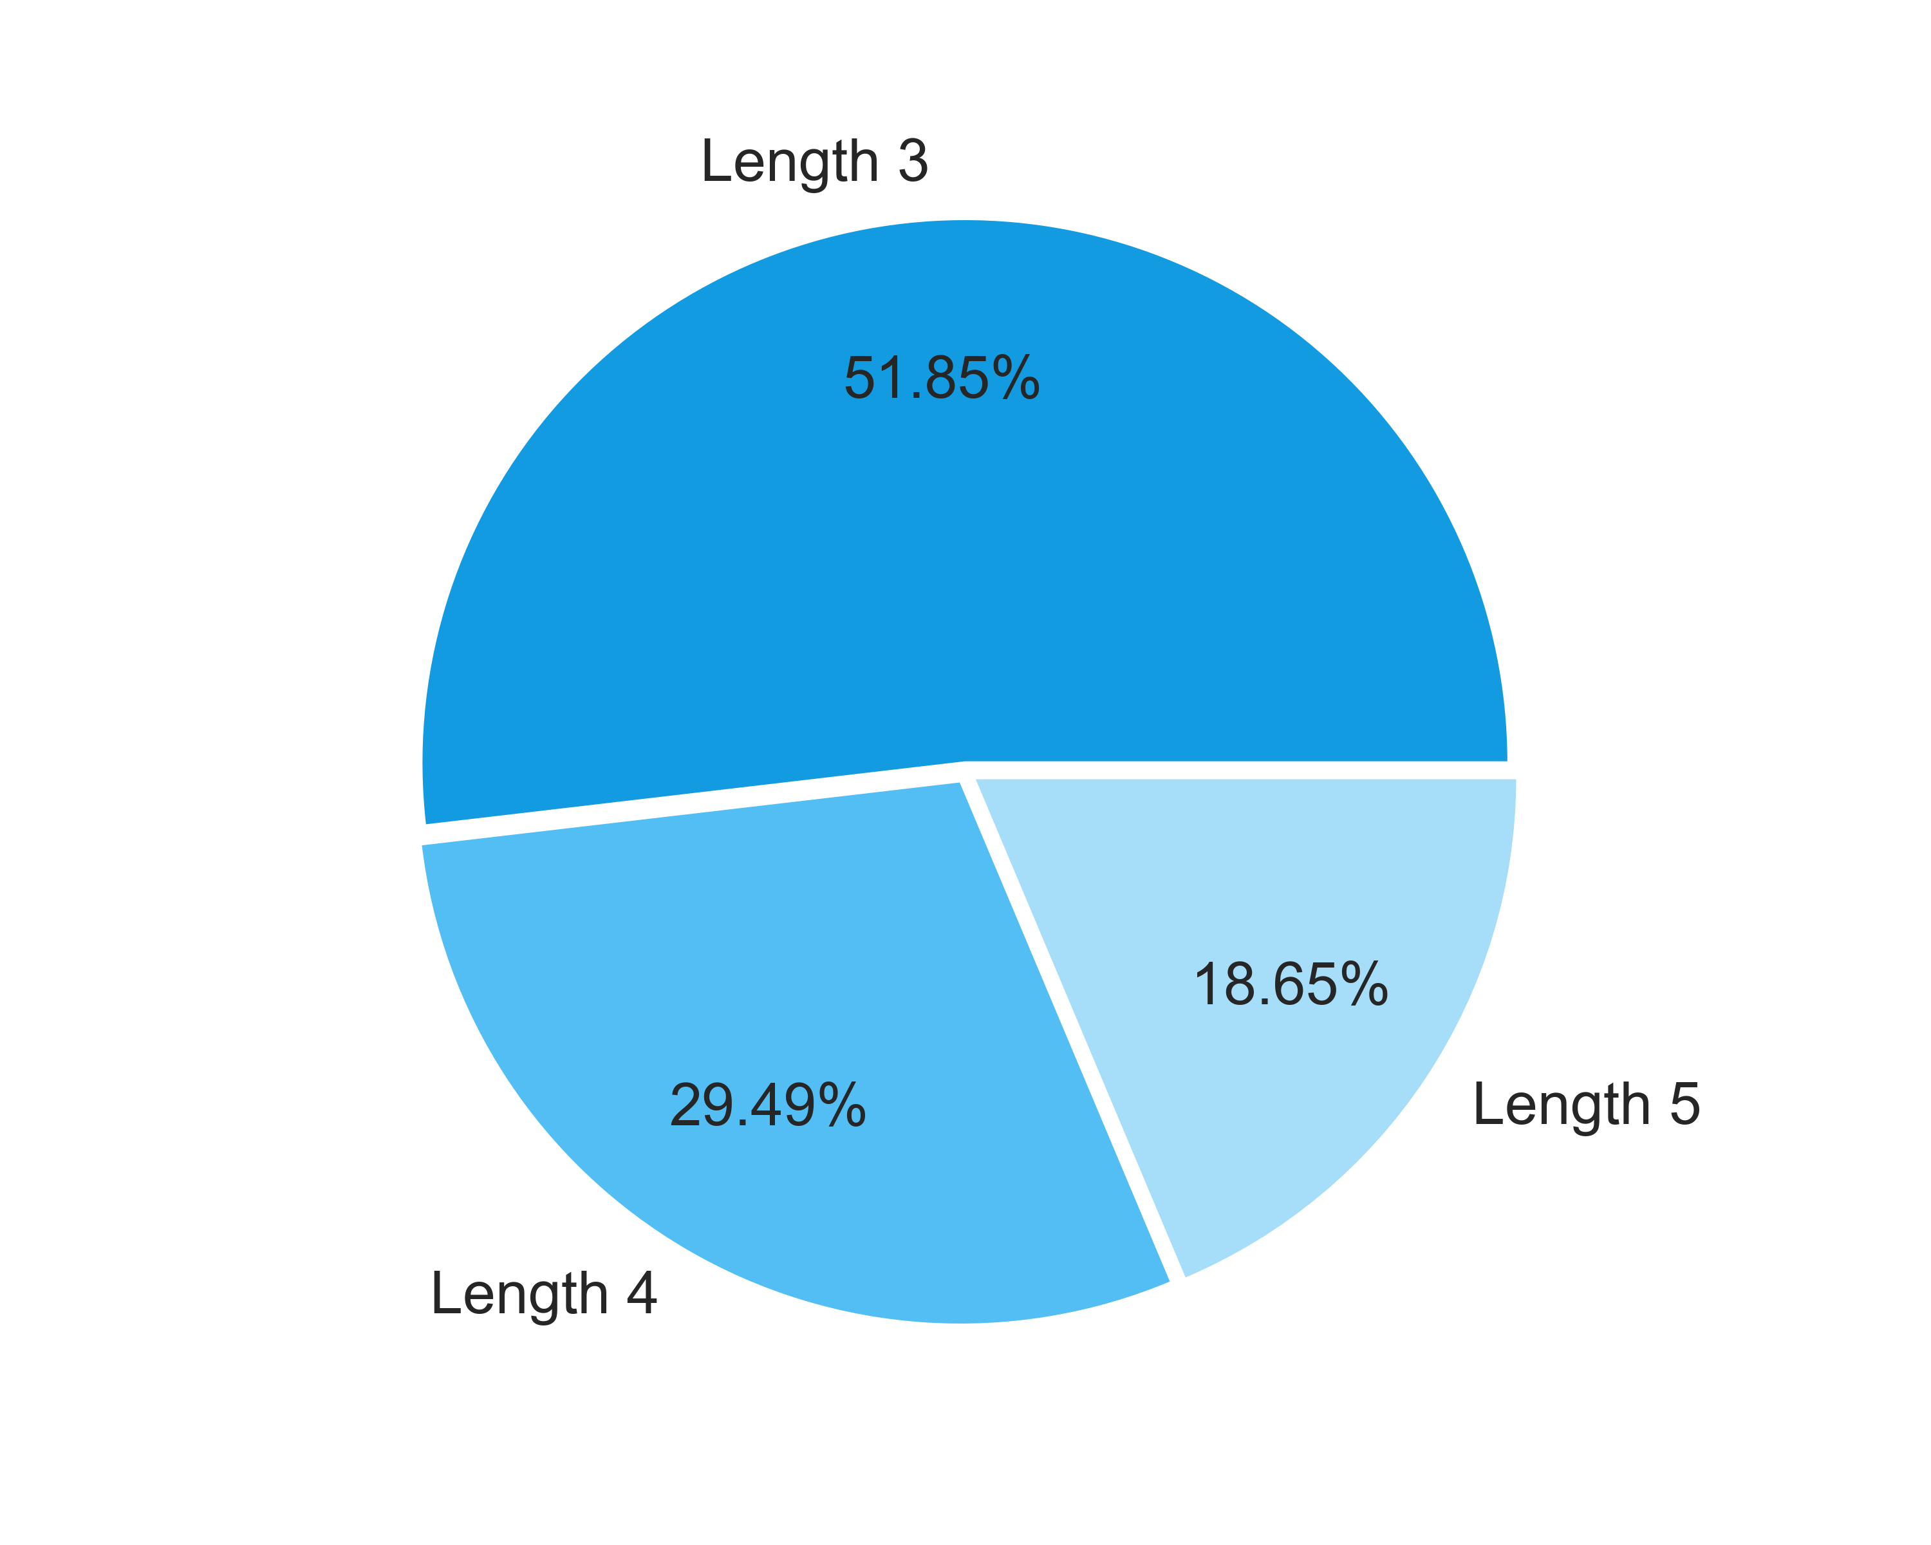

 | 4.2. Free Spins Symbols Wins |  |  |  |  |  |  |  |  |  |  |  | Go To Content

 | Symbol |  |  | Counter |  | Multiplier |  | Probability |  | Pulls to hit (1 in) |  | Paytable |  | RTP |  | Total Symbol RTP
 | Two Basketball Players |  |  | 3 |  | 1 |  | 0.06005839 |  | 16.65 |  | 1.00x bets |  | 0.206% |  | 0.901%
 |  |  |  | 4 |  | 1 |  | 0.06794161 |  | 14.72 |  | 2.00x bets |  | 0.465%
 |  |  |  | 5 |  | 1 |  | 0.02239416 |  | 44.65 |  | 3.00x bets |  | 0.230%
 | Female Player Shooting |  |  | 3 |  | 1 |  | 0.12598540 |  | 7.94 |  | 0.50x bets |  | 0.216% |  | 1.038%
 |  |  |  | 4 |  | 1 |  | 0.15147445 |  | 6.60 |  | 0.80x bets |  | 0.415%
 |  |  |  | 5 |  | 1 |  | 0.07918248 |  | 12.63 |  | 1.50x bets |  | 0.407%
 | Male Player Dunking |  |  | 3 |  | 1 |  | 0.12537226 |  | 7.98 |  | 0.50x bets |  | 0.215% |  | 1.136%
 |  |  |  | 4 |  | 1 |  | 0.14689051 |  | 6.81 |  | 0.80x bets |  | 0.402%
 |  |  |  | 5 |  | 1 |  | 0.10096350 |  | 9.90 |  | 1.50x bets |  | 0.519%
 | Team Celebrating |  |  | 3 |  | 1 |  | 0.13573723 |  | 7.37 |  | 0.50x bets |  | 0.232% |  | 0.996%
 |  |  |  | 4 |  | 1 |  | 0.19541606 |  | 5.12 |  | 0.80x bets |  | 0.535%
 |  |  |  | 5 |  | 1 |  | 0.06662774 |  | 15.01 |  | 1.00x bets |  | 0.228%
 | Basketball Court |  |  | 5 |  | 1 |  | 0.08032117 |  | 12.45 |  | 1.00x bets |  | 0.275% |  | 0.917%
 |  |  |  | 4 |  | 1 |  | 0.16283212 |  | 6.14 |  | 0.80x bets |  | 0.446%
 |  |  |  | 3 |  | 1 |  | 0.11421898 |  | 8.76 |  | 0.50x bets |  | 0.196%
 | A |  |  | 3 |  | 1 |  | 0.14461314 |  | 6.92 |  | 0.20x bets |  | 0.099% |  | 0.613%
 |  |  |  | 4 |  | 1 |  | 0.22113869 |  | 4.52 |  | 0.40x bets |  | 0.303%
 |  |  |  | 5 |  | 1 |  | 0.07687591 |  | 13.01 |  | 0.80x bets |  | 0.211%
 | K |  |  | 3 |  | 1 |  | 0.13690511 |  | 7.30 |  | 0.20x bets |  | 0.094% |  | 0.626%
 |  |  |  | 4 |  | 1 |  | 0.16437956 |  | 6.08 |  | 0.40x bets |  | 0.225%
 |  |  |  | 5 |  | 1 |  | 0.11188321 |  | 8.94 |  | 0.80x bets |  | 0.307%
 | Q |  |  | 3 |  | 1 |  | 0.13223358 |  | 7.56 |  | 0.20x bets |  | 0.091% |  | 0.536%
 |  |  |  | 4 |  | 1 |  | 0.16557664 |  | 6.04 |  | 0.40x bets |  | 0.227%
 |  |  |  | 5 |  | 1 |  | 0.07979562 |  | 12.53 |  | 0.80x bets |  | 0.219%
 | J |  |  | 3 |  | 1 |  | 0.13383942 |  | 7.47 |  | 0.20x bets |  | 0.092% |  | 0.634%
 |  |  |  | 4 |  | 1 |  | 0.17056934 |  | 5.86 |  | 0.40x bets |  | 0.234%
 |  |  |  | 5 |  | 1 |  | 0.11281752 |  | 8.86 |  | 0.80x bets |  | 0.309%
 | Wild |  |  | 5 |  | 1 |  | 0.03156204 |  | 31.68 |  | 3.00x bets |  | 0.324% |  | 0.324%
 |  |  |  |  |  |  |  |  |  |  |  |  |  |  |  | 7.721%

 | Free Spins RTP distribution by Symbols |  |  |  |  |  |  |  |  |  | Free Spins RTP distribution by Winline Length
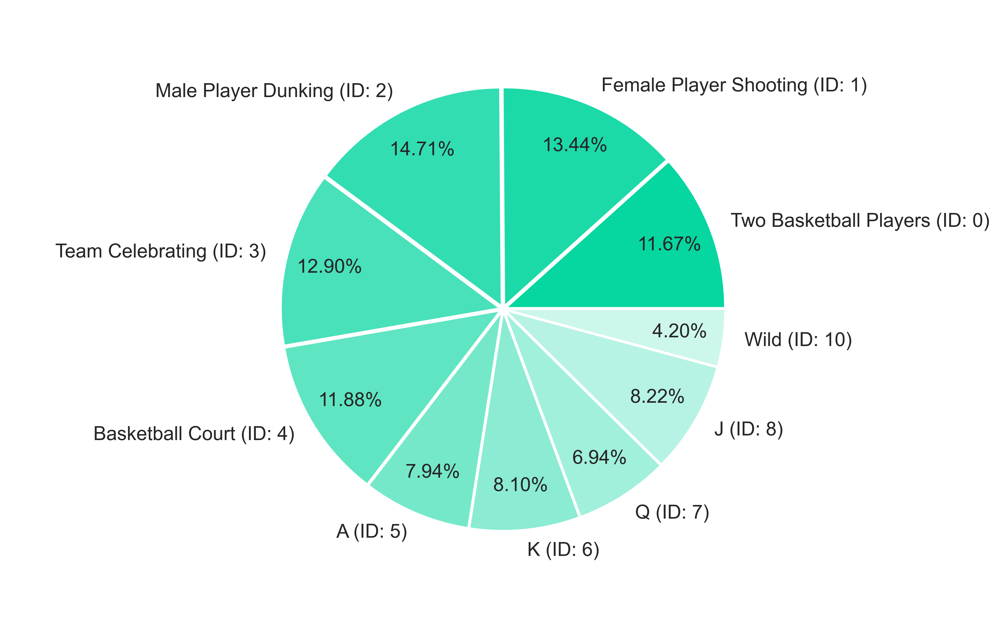
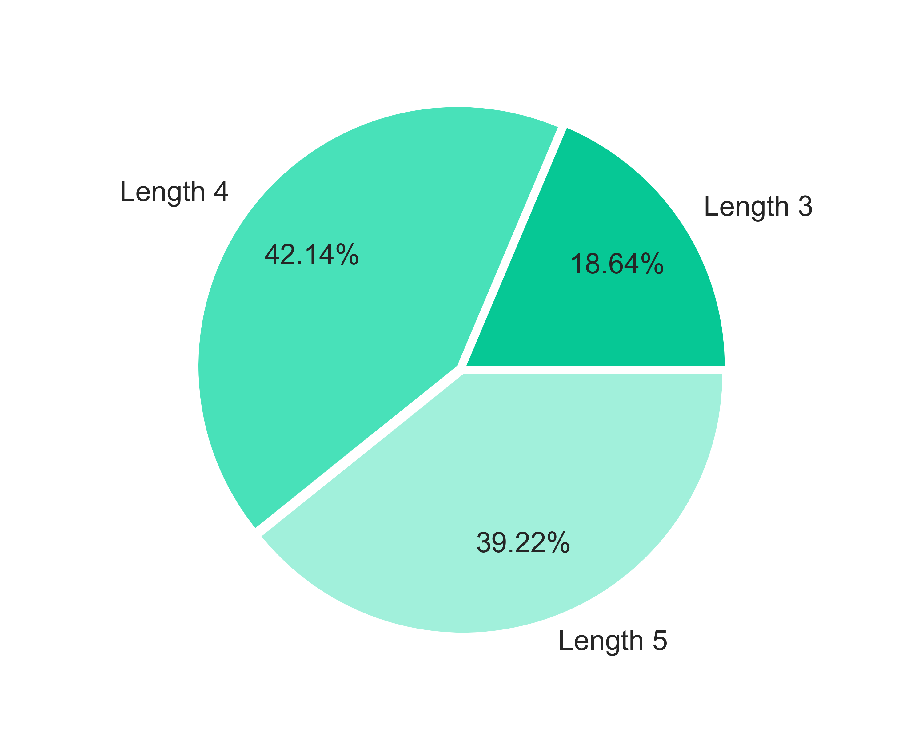

 | 4.3. Base Re-Spin Symbols Wins |  |  |  |  |  |  |  |  |  |  |  | Go To Content

 | Symbol |  |  | Counter |  | Multiplier |  | Probability |  | Pulls to hit (1 in) |  | Paytable |  | RTP |  | Total Symbol RTP
 | Two Basketball Players |  |  | 3 |  | 1 |  | 0.03772367 |  | 26.51 |  | 1.00x bets |  | 0.421% |  | 0.973%
 |  |  |  | 4 |  | 1 |  | 0.01679098 |  | 59.56 |  | 2.00x bets |  | 0.375%
 |  |  |  | 5 |  | 1 |  | 0.00529817 |  | 188.74 |  | 3.00x bets |  | 0.177%
 | Female Player Shooting |  |  | 3 |  | 1 |  | 0.08362319 |  | 11.96 |  | 0.50x bets |  | 0.466% |  | 1.102%
 |  |  |  | 4 |  | 1 |  | 0.04755800 |  | 21.03 |  | 0.80x bets |  | 0.424%
 |  |  |  | 5 |  | 1 |  | 0.01263133 |  | 79.17 |  | 1.50x bets |  | 0.211%
 | Male Player Dunking |  |  | 3 |  | 1 |  | 0.08630365 |  | 11.59 |  | 0.50x bets |  | 0.481% |  | 1.217%
 |  |  |  | 4 |  | 1 |  | 0.04955714 |  | 20.18 |  | 0.80x bets |  | 0.442%
 |  |  |  | 5 |  | 1 |  | 0.01754402 |  | 57.00 |  | 1.50x bets |  | 0.294%
 | Team Celebrating |  |  | 3 |  | 1 |  | 0.11032919 |  | 9.06 |  | 0.50x bets |  | 0.615% |  | 1.653%
 |  |  |  | 4 |  | 1 |  | 0.09445261 |  | 10.59 |  | 0.80x bets |  | 0.843%
 |  |  |  | 5 |  | 1 |  | 0.01745437 |  | 57.29 |  | 1.00x bets |  | 0.195%
 | Basketball Court |  |  | 5 |  | 1 |  | 0.02107613 |  | 47.45 |  | 1.00x bets |  | 0.235% |  | 1.484%
 |  |  |  | 4 |  | 1 |  | 0.07563560 |  | 13.22 |  | 0.80x bets |  | 0.675%
 |  |  |  | 3 |  | 1 |  | 0.10291534 |  | 9.72 |  | 0.50x bets |  | 0.574%
 | A |  |  | 3 |  | 1 |  | 0.17124467 |  | 5.84 |  | 0.20x bets |  | 0.382% |  | 1.471%
 |  |  |  | 4 |  | 1 |  | 0.17012407 |  | 5.88 |  | 0.40x bets |  | 0.759%
 |  |  |  | 5 |  | 1 |  | 0.03695270 |  | 27.06 |  | 0.80x bets |  | 0.330%
 | K |  |  | 3 |  | 1 |  | 0.12615197 |  | 7.93 |  | 0.20x bets |  | 0.281% |  | 1.159%
 |  |  |  | 4 |  | 1 |  | 0.11602180 |  | 8.62 |  | 0.40x bets |  | 0.518%
 |  |  |  | 5 |  | 1 |  | 0.04037724 |  | 24.77 |  | 0.80x bets |  | 0.360%
 | Q |  |  | 3 |  | 1 |  | 0.14952308 |  | 6.69 |  | 0.20x bets |  | 0.334% |  | 1.212%
 |  |  |  | 4 |  | 1 |  | 0.11829885 |  | 8.45 |  | 0.40x bets |  | 0.528%
 |  |  |  | 5 |  | 1 |  | 0.03924768 |  | 25.48 |  | 0.80x bets |  | 0.350%
 | J |  |  | 3 |  | 1 |  | 0.14109621 |  | 7.09 |  | 0.20x bets |  | 0.315% |  | 1.184%
 |  |  |  | 4 |  | 1 |  | 0.10858106 |  | 9.21 |  | 0.40x bets |  | 0.484%
 |  |  |  | 5 |  | 1 |  | 0.04306666 |  | 23.22 |  | 0.80x bets |  | 0.384%
 | Wild |  |  | 5 |  | 1 |  | 0.01127766 |  | 88.67 |  | 3.00x bets |  | 0.377% |  | 0.377%
 |  |  |  |  |  |  |  |  |  |  |  |  |  |  |  | 11.832%

 | Base Re-Spin RTP distribution by Symbols |  |  |  |  |  |  |  |  |  | Base Re-Spin RTP distribution by Winline Length
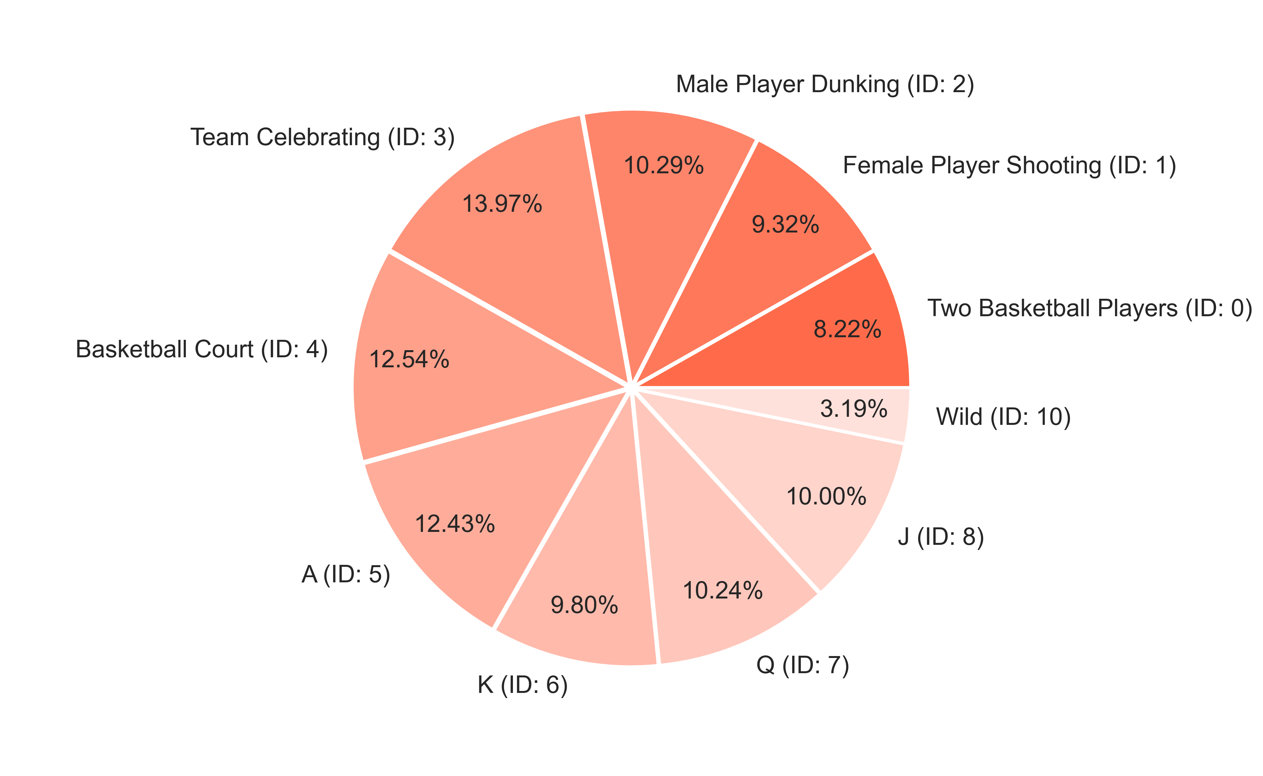
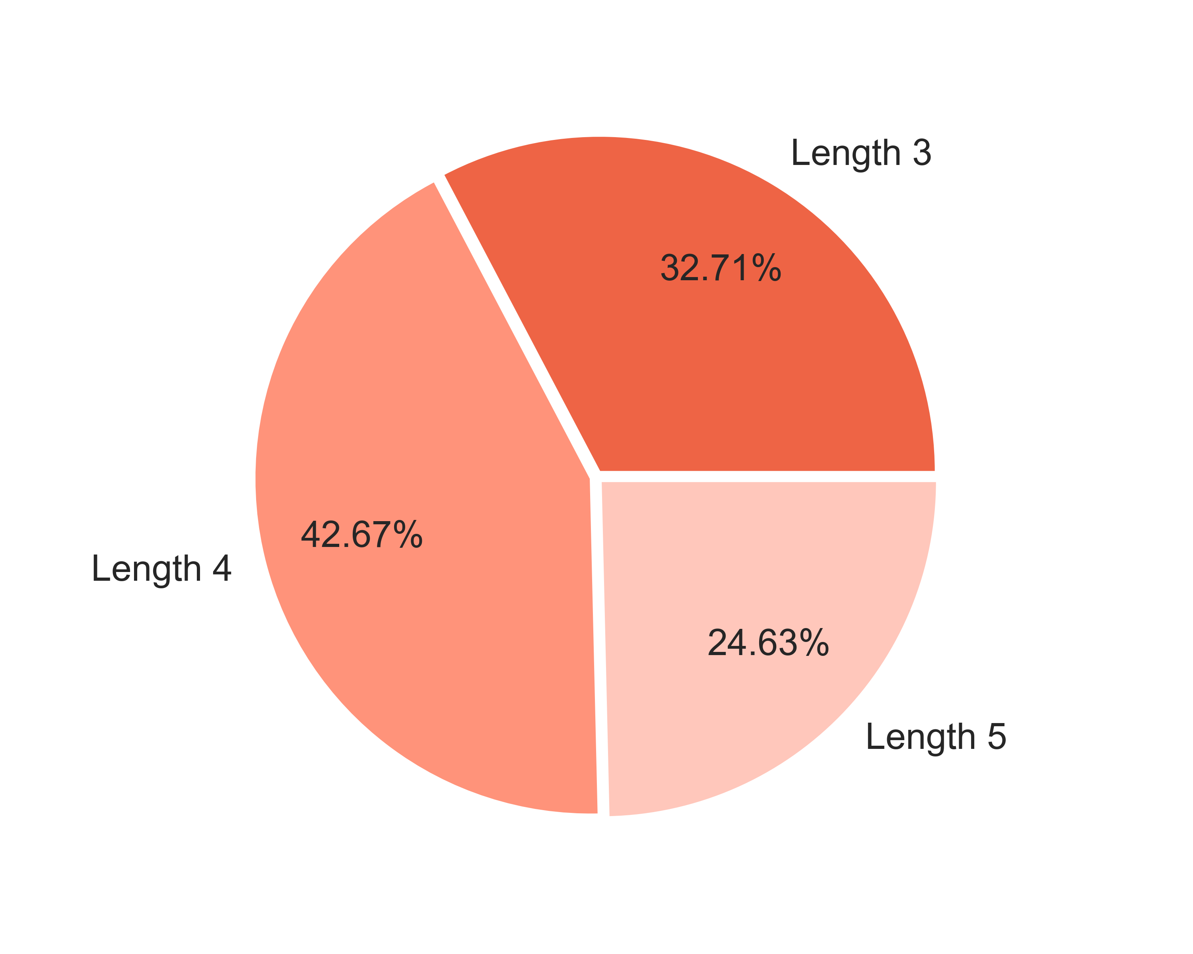

 | 4.4. Free Re-Spin Symbols Wins |  |  |  |  |  |  |  |  |  |  |  | Go To Content

 | Symbol |  |  | Counter |  | Multiplier |  | Probability |  | Pulls to hit (1 in) |  | Paytable |  | RTP |  | Total Symbol RTP
 | Two Basketball Players |  |  | 3 |  | 1 |  | 0.05982482 |  | 16.72 |  | 1.00x bets |  | 0.205% |  | 0.807%
 |  |  |  | 4 |  | 1 |  | 0.05553285 |  | 18.01 |  | 2.00x bets |  | 0.380%
 |  |  |  | 5 |  | 1 |  | 0.02157664 |  | 46.35 |  | 3.00x bets |  | 0.222%
 | Female Player Shooting |  |  | 3 |  | 1 |  | 0.10951825 |  | 9.13 |  | 0.50x bets |  | 0.188% |  | 0.940%
 |  |  |  | 4 |  | 1 |  | 0.13710949 |  | 7.29 |  | 0.80x bets |  | 0.376%
 |  |  |  | 5 |  | 1 |  | 0.07334307 |  | 13.63 |  | 1.50x bets |  | 0.377%
 | Male Player Dunking |  |  | 3 |  | 1 |  | 0.12829197 |  | 7.79 |  | 0.50x bets |  | 0.220% |  | 1.263%
 |  |  |  | 4 |  | 1 |  | 0.17544526 |  | 5.70 |  | 0.80x bets |  | 0.481%
 |  |  |  | 5 |  | 1 |  | 0.10945985 |  | 9.14 |  | 1.50x bets |  | 0.562%
 | Team Celebrating |  |  | 3 |  | 1 |  | 0.12776642 |  | 7.83 |  | 0.50x bets |  | 0.219% |  | 1.041%
 |  |  |  | 4 |  | 1 |  | 0.21237956 |  | 4.71 |  | 0.80x bets |  | 0.582%
 |  |  |  | 5 |  | 1 |  | 0.07001460 |  | 14.28 |  | 1.00x bets |  | 0.240%
 | Basketball Court |  |  | 5 |  | 1 |  | 0.08072993 |  | 12.39 |  | 1.00x bets |  | 0.277% |  | 0.922%
 |  |  |  | 4 |  | 1 |  | 0.15973723 |  | 6.26 |  | 0.80x bets |  | 0.438%
 |  |  |  | 3 |  | 1 |  | 0.12116788 |  | 8.25 |  | 0.50x bets |  | 0.207%
 | A |  |  | 3 |  | 1 |  | 0.14373723 |  | 6.96 |  | 0.20x bets |  | 0.098% |  | 0.613%
 |  |  |  | 4 |  | 1 |  | 0.21325547 |  | 4.69 |  | 0.40x bets |  | 0.292%
 |  |  |  | 5 |  | 1 |  | 0.08108029 |  | 12.33 |  | 0.80x bets |  | 0.222%
 | K |  |  | 3 |  | 1 |  | 0.12931387 |  | 7.73 |  | 0.20x bets |  | 0.089% |  | 0.589%
 |  |  |  | 4 |  | 1 |  | 0.15944526 |  | 6.27 |  | 0.40x bets |  | 0.218%
 |  |  |  | 5 |  | 1 |  | 0.10297810 |  | 9.71 |  | 0.80x bets |  | 0.282%
 | Q |  |  | 3 |  | 1 |  | 0.12496350 |  | 8.00 |  | 0.20x bets |  | 0.086% |  | 0.576%
 |  |  |  | 4 |  | 1 |  | 0.17524088 |  | 5.71 |  | 0.40x bets |  | 0.240%
 |  |  |  | 5 |  | 1 |  | 0.09132847 |  | 10.95 |  | 0.80x bets |  | 0.250%
 | J |  |  | 3 |  | 1 |  | 0.13611679 |  | 7.35 |  | 0.20x bets |  | 0.093% |  | 0.608%
 |  |  |  | 4 |  | 1 |  | 0.16779562 |  | 5.96 |  | 0.40x bets |  | 0.230%
 |  |  |  | 5 |  | 1 |  | 0.10391241 |  | 9.62 |  | 0.80x bets |  | 0.285%
 | Wild |  |  | 5 |  | 1 |  | 0.03156204 |  | 31.68 |  | 3.00x bets |  | 0.324% |  | 0.324%
 |  |  |  |  |  |  |  |  |  |  |  |  |  |  |  | 7.682%

 | Free Re-Spin RTP distribution by Symbols |  |  |  |  |  |  |  |  |  | Free Re-Spin RTP distribution by Winline Length
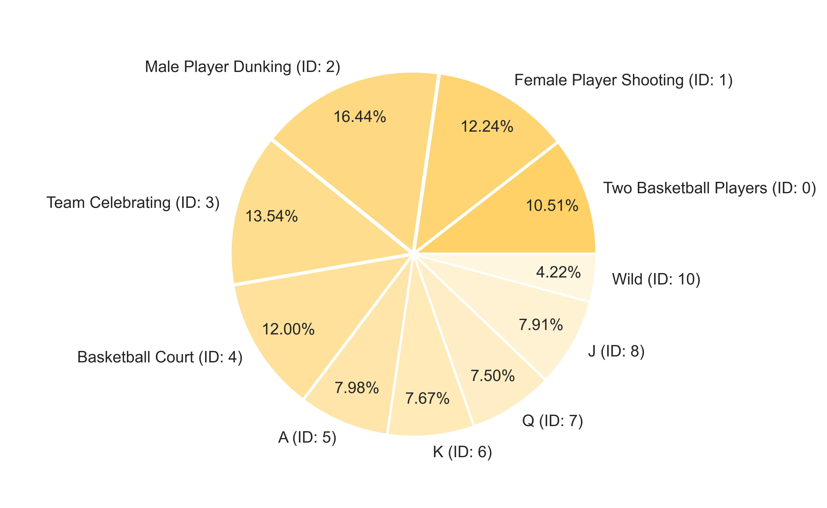
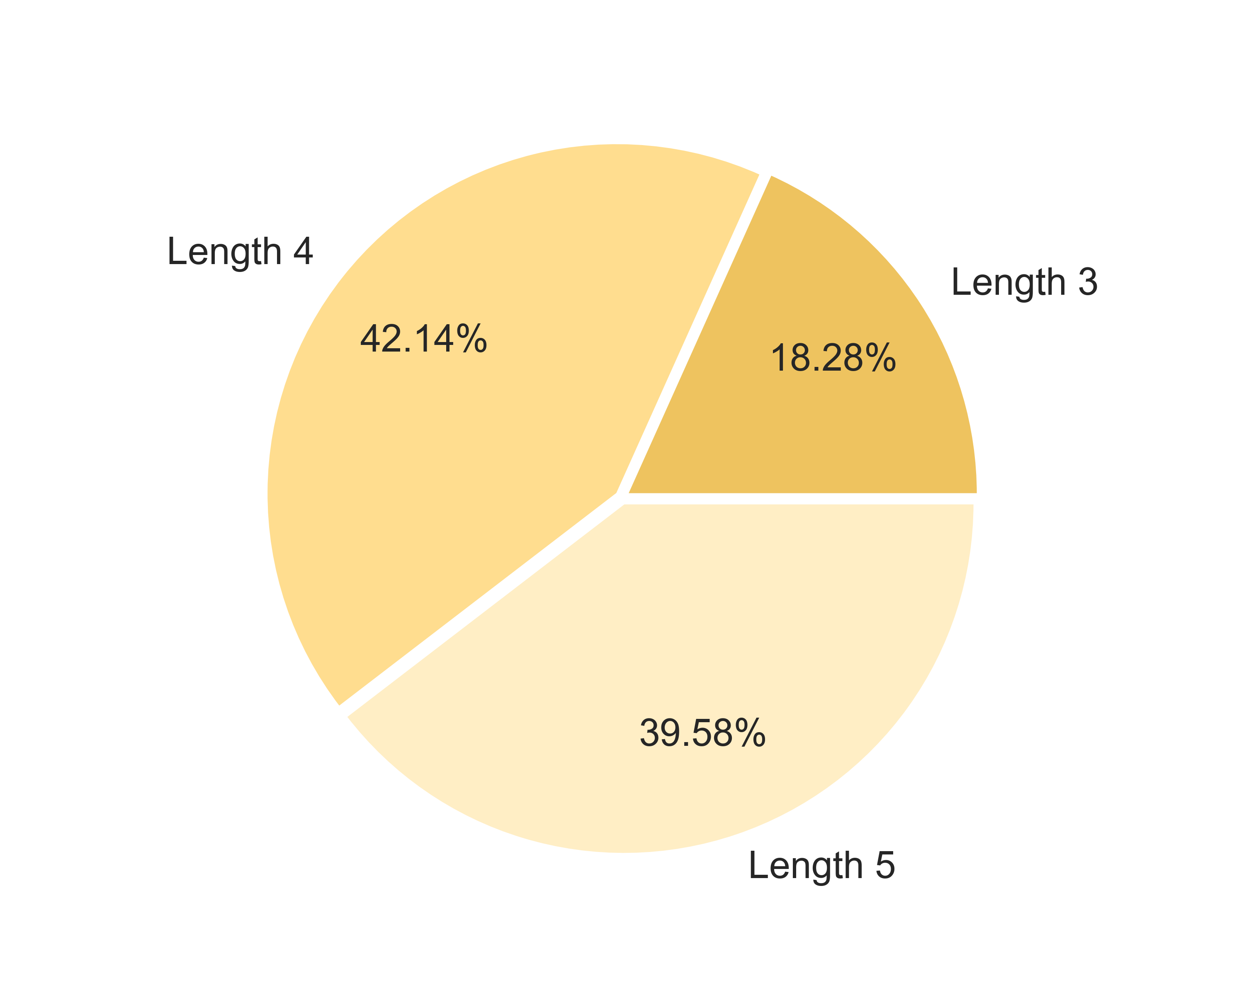

5. RTP Confidence Intervals |  |  |  |  |  |  |  |  |  |  |  |  |  | Go To Content

 | 5.1. 95% Confidence Intervals

 | Total RTP Confidence Intervals |  |  |  |  |  |  |  | Base Game RTP Confidence Intervals |  |  |  |  |  |  |  | Free Spins RTP Confidence Intervals |  |  |  |  |  |  | Base Re-Spin RTP Confidence Intervals |  |  |  |  | Free Re-Spin RTP Confidence Intervals |  |  |  | Spectacular Link RTP Confidence Intervals
 | Theoretical RTP (bet): |  |  |  | 0.933 |  |  |  | Theoretical RTP (bet): |  |  |  | 0.2828 |  |  |  | Theoretical RTP (bet): |  |  |  | 0.0604 |  |  | Theoretical RTP (bet): |  |  | 0.1183 |  | Theoretical RTP (bet): |  | 0.0603 |  | Theoretical RTP (bet): |  | 0.4113
 | Standard deviation (bet): |  |  |  | 6.0809 |  |  |  | Standard deviation (bet): |  |  |  | 1.3228 |  |  |  | Standard deviation (bet): |  |  |  | 0.7774 |  |  | Standard deviation (bet): |  |  | 0.8402 |  | Standard deviation (bet): |  | 0.7662 |  | Standard deviation (bet): |  | 3.5931
 | Confidence: |  |  |  | 95% |  |  |  | Confidence: |  |  |  | 95% |  |  |  | Confidence: |  |  |  | 95% |  |  | Confidence: |  |  | 95% |  | Confidence: |  | 95% |  | Confidence: |  | 95%

 | Number of Games |  |  | RTP Min |  | RTP Max |  |  | Number of Games |  |  | RTP Min |  | RTP Max |  |  | Number of Games |  |  | RTP Min |  | RTP Max |  | Number of Games |  | RTP Min |  | RTP Max | Number of Games | RTP Min |  | RTP Max | Number of Games | RTP Min |  | RTP Max
 | 1,000 |  |  | 55.6150% |  | 130.9936% |  |  | 1,000 |  |  | 20.0804% |  | 36.4775% |  |  | 1,000 |  |  | 1.2219% |  | 10.8581% |  | 1,000 |  | 6.6247% |  | 17.0392% | 1,000 | 1.2794% |  | 10.7769% | 1,000 | 18.8552% |  | 63.3954%
 | 2,000 |  |  | 66.6540% |  | 119.9546% |  |  | 2,000 |  |  | 22.4817% |  | 34.0762% |  |  | 2,000 |  |  | 2.6331% |  | 9.4469% |  | 2,000 |  | 8.1499% |  | 15.5140% | 2,000 | 2.6703% |  | 9.3861% | 2,000 | 25.3780% |  | 56.8726%
 | 3,000 |  |  | 71.5444% |  | 115.0642% |  |  | 3,000 |  |  | 23.5455% |  | 33.0123% |  |  | 3,000 |  |  | 3.2582% |  | 8.8217% |  | 3,000 |  | 8.8255% |  | 14.8384% | 3,000 | 3.2865% |  | 8.7699% | 3,000 | 28.2677% |  | 53.9829%
 | 5,000 |  |  | 76.4492% |  | 110.1595% |  |  | 5,000 |  |  | 24.6124% |  | 31.9454% |  |  | 5,000 |  |  | 3.8853% |  | 8.1947% |  | 5,000 |  | 9.5032% |  | 14.1607% | 5,000 | 3.9045% |  | 8.1519% | 5,000 | 31.1658% |  | 51.0848%
 | 8,000 |  |  | 79.9791% |  | 106.6295% |  |  | 8,000 |  |  | 25.3803% |  | 31.1775% |  |  | 8,000 |  |  | 4.3365% |  | 7.7434% |  | 8,000 |  | 9.9909% |  | 13.6730% | 8,000 | 4.3492% |  | 7.7071% | 8,000 | 33.2516% |  | 48.9990%
 | 10,000 |  |  | 81.3859% |  | 105.2227% |  |  | 10,000 |  |  | 25.6863% |  | 30.8715% |  |  | 10,000 |  |  | 4.5164% |  | 7.5636% |  | 10,000 |  | 10.1853% |  | 13.4786% | 10,000 | 4.5265% |  | 7.5299% | 10,000 | 34.0829% |  | 48.1677%
 | 20,000 |  |  | 84.8767% |  | 101.7319% |  |  | 20,000 |  |  | 26.4457% |  | 30.1122% |  |  | 20,000 |  |  | 4.9626% |  | 7.1173% |  | 20,000 |  | 10.6676% |  | 12.9963% | 20,000 | 4.9663% |  | 7.0900% | 20,000 | 36.1456% |  | 46.1050%
 | 30,000 |  |  | 86.4232% |  | 100.1854% |  |  | 30,000 |  |  | 26.7821% |  | 29.7758% |  |  | 30,000 |  |  | 5.1603% |  | 6.9196% |  | 30,000 |  | 10.8812% |  | 12.7827% | 30,000 | 5.1612% |  | 6.8952% | 30,000 | 37.0594% |  | 45.1912%
 | 50,000 |  |  | 87.9742% |  | 98.6344% |  |  | 50,000 |  |  | 27.1195% |  | 29.4384% |  |  | 50,000 |  |  | 5.3586% |  | 6.7214% |  | 50,000 |  | 11.0955% |  | 12.5684% | 50,000 | 5.3566% |  | 6.6997% | 50,000 | 37.9758% |  | 44.2748%
 | 80,000 |  |  | 89.0905% |  | 97.5181% |  |  | 80,000 |  |  | 27.3623% |  | 29.1955% |  |  | 80,000 |  |  | 5.5013% |  | 6.5787% |  | 80,000 |  | 11.2498% |  | 12.4141% | 80,000 | 5.4972% |  | 6.5591% | 80,000 | 38.6354% |  | 43.6152%
 | 100,000 |  |  | 89.5354% |  | 97.0732% |  |  | 100,000 |  |  | 27.4591% |  | 29.0988% |  |  | 100,000 |  |  | 5.5582% |  | 6.5218% |  | 100,000 |  | 11.3112% |  | 12.3527% | 100,000 | 5.5533% |  | 6.5030% | 100,000 | 38.8983% |  | 43.3523%
 | 200,000 |  |  | 90.6393% |  | 95.9693% |  |  | 200,000 |  |  | 27.6992% |  | 28.8586% |  |  | 200,000 |  |  | 5.6993% |  | 6.3807% |  | 200,000 |  | 11.4637% |  | 12.2001% | 200,000 | 5.6924% |  | 6.3640% | 200,000 | 39.5506% |  | 42.7000%
 | 300,000 |  |  | 91.1283% |  | 95.4803% |  |  | 300,000 |  |  | 27.8056% |  | 28.7523% |  |  | 300,000 |  |  | 5.7618% |  | 6.3182% |  | 300,000 |  | 11.5313% |  | 12.1326% | 300,000 | 5.7540% |  | 6.3023% | 300,000 | 39.8395% |  | 42.4111%
 | 500,000 |  |  | 91.6188% |  | 94.9898% |  |  | 500,000 |  |  | 27.9123% |  | 28.6456% |  |  | 500,000 |  |  | 5.8245% |  | 6.2555% |  | 500,000 |  | 11.5991% |  | 12.0648% | 500,000 | 5.8158% |  | 6.2405% | 500,000 | 40.1294% |  | 42.1212%
 | 800,000 |  |  | 91.9718% |  | 94.6368% |  |  | 800,000 |  |  | 27.9891% |  | 28.5688% |  |  | 800,000 |  |  | 5.8696% |  | 6.2103% |  | 800,000 |  | 11.6478% |  | 12.0160% | 800,000 | 5.8603% |  | 6.1961% | 800,000 | 40.3379% |  | 41.9127%
 | 1,000,000 |  |  | 92.1125% |  | 94.4961% |  |  | 1,000,000 |  |  | 28.0197% |  | 28.5382% |  |  | 1,000,000 |  |  | 5.8876% |  | 6.1923% |  | 1,000,000 |  | 11.6673% |  | 11.9966% | 1,000,000 | 5.8780% |  | 6.1783% | 1,000,000 | 40.4211% |  | 41.8295%

 | 5.2. 99% Confidence Intervals |  |  |  |  |  |  |  |  |  |  |  | Go To Content

 | Total RTP Confidence Intervals |  |  |  |  |  |  |  | Base Game RTP Confidence Intervals |  |  |  |  |  |  |  | Free Spins RTP Confidence Intervals |  |  |  |  |  |  | Base Re-Spin RTP Confidence Intervals |  |  |  |  | Free Re-Spin RTP Confidence Intervals |  |  |  | Spectacular Link RTP Confidence Intervals
 | Theoretical RTP (bet): |  |  |  | 0.933 |  |  |  | Theoretical RTP (bet): |  |  |  | 0.2828 |  |  |  | Theoretical RTP (bet): |  |  |  | 0.0604 |  |  | Theoretical RTP (bet): |  |  | 0.1183 |  | Theoretical RTP (bet): |  | 0.0603 |  | Theoretical RTP (bet): |  | 0.4113
 | Standard deviation (bet): |  |  |  | 6.0809 |  |  |  | Standard deviation (bet): |  |  |  | 1.3228 |  |  |  | Standard deviation (bet): |  |  |  | 0.7774 |  |  | Standard deviation (bet): |  |  | 0.8402 |  | Standard deviation (bet): |  | 0.7662 |  | Standard deviation (bet): |  | 3.5931
 | Confidence: |  |  |  | 99% |  |  |  | Confidence: |  |  |  | 99% |  |  |  | Confidence: |  |  |  | 99% |  |  | Confidence: |  |  | 99% |  | Confidence: |  | 99% |  | Confidence: |  | 99%

 | Number of Games |  |  | RTP Min |  | RTP Max |  |  | Number of Games |  |  | RTP Min |  | RTP Max |  |  | Number of Games |  |  | RTP Min |  | RTP Max |  | Number of Games |  | RTP Min |  | RTP Max | Number of Games | RTP Min |  | RTP Max | Number of Games | RTP Min |  | RTP Max
 | 1,000 |  |  | 43.7722% |  | 142.8364% |  |  | 1,000 |  |  | 17.5042% |  | 39.0536% |  |  | 1,000 |  |  | 0.0000% |  | 12.3720% |  | 1,000 |  | 4.9884% |  | 18.6754% | 1,000 | 0.0000% |  | 12.2691% | 1,000 | 11.8574% |  | 70.3932%
 | 2,000 |  |  | 58.2798% |  | 128.3288% |  |  | 2,000 |  |  | 20.6601% |  | 35.8978% |  |  | 2,000 |  |  | 1.5625% |  | 10.5174% |  | 2,000 |  | 6.9929% |  | 16.6710% | 2,000 | 1.6152% |  | 10.4412% | 2,000 | 20.4298% |  | 61.8208%
 | 3,000 |  |  | 64.7069% |  | 121.9017% |  |  | 3,000 |  |  | 22.0581% |  | 34.4997% |  |  | 3,000 |  |  | 2.3842% |  | 9.6958% |  | 3,000 |  | 7.8808% |  | 15.7830% | 3,000 | 2.4250% |  | 9.6314% | 3,000 | 24.2275% |  | 58.0231%
 | 5,000 |  |  | 71.1529% |  | 115.4557% |  |  | 5,000 |  |  | 23.4603% |  | 33.0975% |  |  | 5,000 |  |  | 3.2082% |  | 8.8718% |  | 5,000 |  | 8.7714% |  | 14.8924% | 5,000 | 3.2371% |  | 8.8192% | 5,000 | 28.0363% |  | 54.2143%
 | 8,000 |  |  | 75.7921% |  | 110.8166% |  |  | 8,000 |  |  | 24.4695% |  | 32.0884% |  |  | 8,000 |  |  | 3.8013% |  | 8.2787% |  | 8,000 |  | 9.4124% |  | 14.2515% | 8,000 | 3.8217% |  | 8.2347% | 8,000 | 30.7775% |  | 51.4731%
 | 10,000 |  |  | 77.6409% |  | 108.9677% |  |  | 10,000 |  |  | 24.8717% |  | 31.6862% |  |  | 10,000 |  |  | 4.0376% |  | 8.0424% |  | 10,000 |  | 9.6678% |  | 13.9960% | 10,000 | 4.0546% |  | 8.0017% | 10,000 | 31.8700% |  | 50.3806%
 | 20,000 |  |  | 82.2286% |  | 104.3800% |  |  | 20,000 |  |  | 25.8696% |  | 30.6882% |  |  | 20,000 |  |  | 4.6241% |  | 7.4559% |  | 20,000 |  | 10.3017% |  | 13.3622% | 20,000 | 4.6327% |  | 7.4237% | 20,000 | 34.5808% |  | 47.6698%
 | 30,000 |  |  | 84.2610% |  | 102.3476% |  |  | 30,000 |  |  | 26.3117% |  | 30.2461% |  |  | 30,000 |  |  | 4.8839% |  | 7.1961% |  | 30,000 |  | 10.5825% |  | 13.0814% | 30,000 | 4.8887% |  | 7.1676% | 30,000 | 35.7817% |  | 46.4689%
 | 50,000 |  |  | 86.2994% |  | 100.3092% |  |  | 50,000 |  |  | 26.7551% |  | 29.8027% |  |  | 50,000 |  |  | 5.1445% |  | 6.9355% |  | 50,000 |  | 10.8641% |  | 12.7998% | 50,000 | 5.1456% |  | 6.9108% | 50,000 | 36.9862% |  | 45.2644%
 | 80,000 |  |  | 87.7665% |  | 98.8422% |  |  | 80,000 |  |  | 27.0743% |  | 29.4836% |  |  | 80,000 |  |  | 5.3320% |  | 6.7479% |  | 80,000 |  | 11.0668% |  | 12.5971% | 80,000 | 5.3304% |  | 6.7259% | 80,000 | 37.8531% |  | 44.3975%
 | 100,000 |  |  | 88.3511% |  | 98.2575% |  |  | 100,000 |  |  | 27.2015% |  | 29.3564% |  |  | 100,000 |  |  | 5.4068% |  | 6.6732% |  | 100,000 |  | 11.1476% |  | 12.5163% | 100,000 | 5.4041% |  | 6.6523% | 100,000 | 38.1985% |  | 44.0521%
 | 200,000 |  |  | 89.8019% |  | 96.8068% |  |  | 200,000 |  |  | 27.5170% |  | 29.0408% |  |  | 200,000 |  |  | 5.5922% |  | 6.4877% |  | 200,000 |  | 11.3480% |  | 12.3158% | 200,000 | 5.5869% |  | 6.4695% | 200,000 | 39.0557% |  | 43.1949%
 | 300,000 |  |  | 90.4446% |  | 96.1640% |  |  | 300,000 |  |  | 27.6568% |  | 28.9010% |  |  | 300,000 |  |  | 5.6744% |  | 6.4056% |  | 300,000 |  | 11.4368% |  | 12.2270% | 300,000 | 5.6678% |  | 6.3885% | 300,000 | 39.4355% |  | 42.8151%
 | 500,000 |  |  | 91.0892% |  | 95.5195% |  |  | 500,000 |  |  | 27.7971% |  | 28.7608% |  |  | 500,000 |  |  | 5.7568% |  | 6.3232% |  | 500,000 |  | 11.5259% |  | 12.1380% | 500,000 | 5.7491% |  | 6.3073% | 500,000 | 39.8164% |  | 42.4342%
 | 800,000 |  |  | 91.5531% |  | 95.0555% |  |  | 800,000 |  |  | 27.8980% |  | 28.6599% |  |  | 800,000 |  |  | 5.8161% |  | 6.2639% |  | 800,000 |  | 11.5900% |  | 12.0739% | 800,000 | 5.8075% |  | 6.2488% | 800,000 | 40.0905% |  | 42.1601%
 | 1,000,000 |  |  | 91.7380% |  | 94.8707% |  |  | 1,000,000 |  |  | 27.9382% |  | 28.6196% |  |  | 1,000,000 |  |  | 5.8397% |  | 6.2402% |  | 1,000,000 |  | 11.6155% |  | 12.0484% | 1,000,000 | 5.8308% |  | 6.2255% | 1,000,000 | 40.1998% |  | 42.0508%

6. Win Amount Statistics |  |  |  |  |  |  |  |  |  |  |  |  |  | Go To Content

 | 6.1. Top Award Statistics

 |  |  |  | Number of Games |  |  | Top Award
 |  |  |  | 5 Thousand |  |  | 128.0x bets
 |  |  |  | 10 Thousand |  |  | 154.0x bets
 |  |  |  | 50 Thousand |  |  | 288.0x bets
 |  |  |  | 100 Thousand |  |  | 500.0x bets
 |  |  |  | 500 Thousand |  |  | 500.0x bets
 |  |  |  | 1 Million |  |  | 500.0x bets

 | 6.2. Max Bet Multiplier |  |  |  |  |  |  |  |  |  |  |  | Go To Content

 |  |  | Max Bet Multiplier: |  |  |  | 503.6x bets
 |  |  | Max Bet Multiplier Counter: |  |  |  | 1
 |  |  | Pulls to Hit Max Bet Multiplier: |  |  |  | 1 in 1,000,000.00
 |  |  | *calculated based on simulation of 1,000,000 spins

7. Wild Feature Statistics |  |  |  |  |  |  |  |  |  |  |  |  |  | Go To Content

 | 7.1. Number of Wilds Distribution Base Game

 |  |  | Average number of Wild: (without zero case) |  |  |  |  | 3.75
 |  |  | Pulls to hit any Wilds: (without zero case, 1 in ... base spins) |  |  |  |  | 1 in 8.96
 |  |  | Pulls to hit 3+ Wilds: (1 in ... base spins) |  |  |  |  | 1 in 8.96
 |  |  | Pulls to hit 5+ Wilds: (1 in ... base spins) |  |  |  |  | 1 in 48.87
 |  |  | Pulls to hit 7+ Wilds: (1 in ... base spins) |  |  |  |  | 1 in 270.12
 |  |  | Pulls to hit 10+ Wilds: (1 in ... base spins) |  |  |  |  | 1 in 3,225.81
 |  |  | Pulls to hit 15+ Wilds: (1 in ... base spins) |  |  |  |  | 1 in 100,000.00

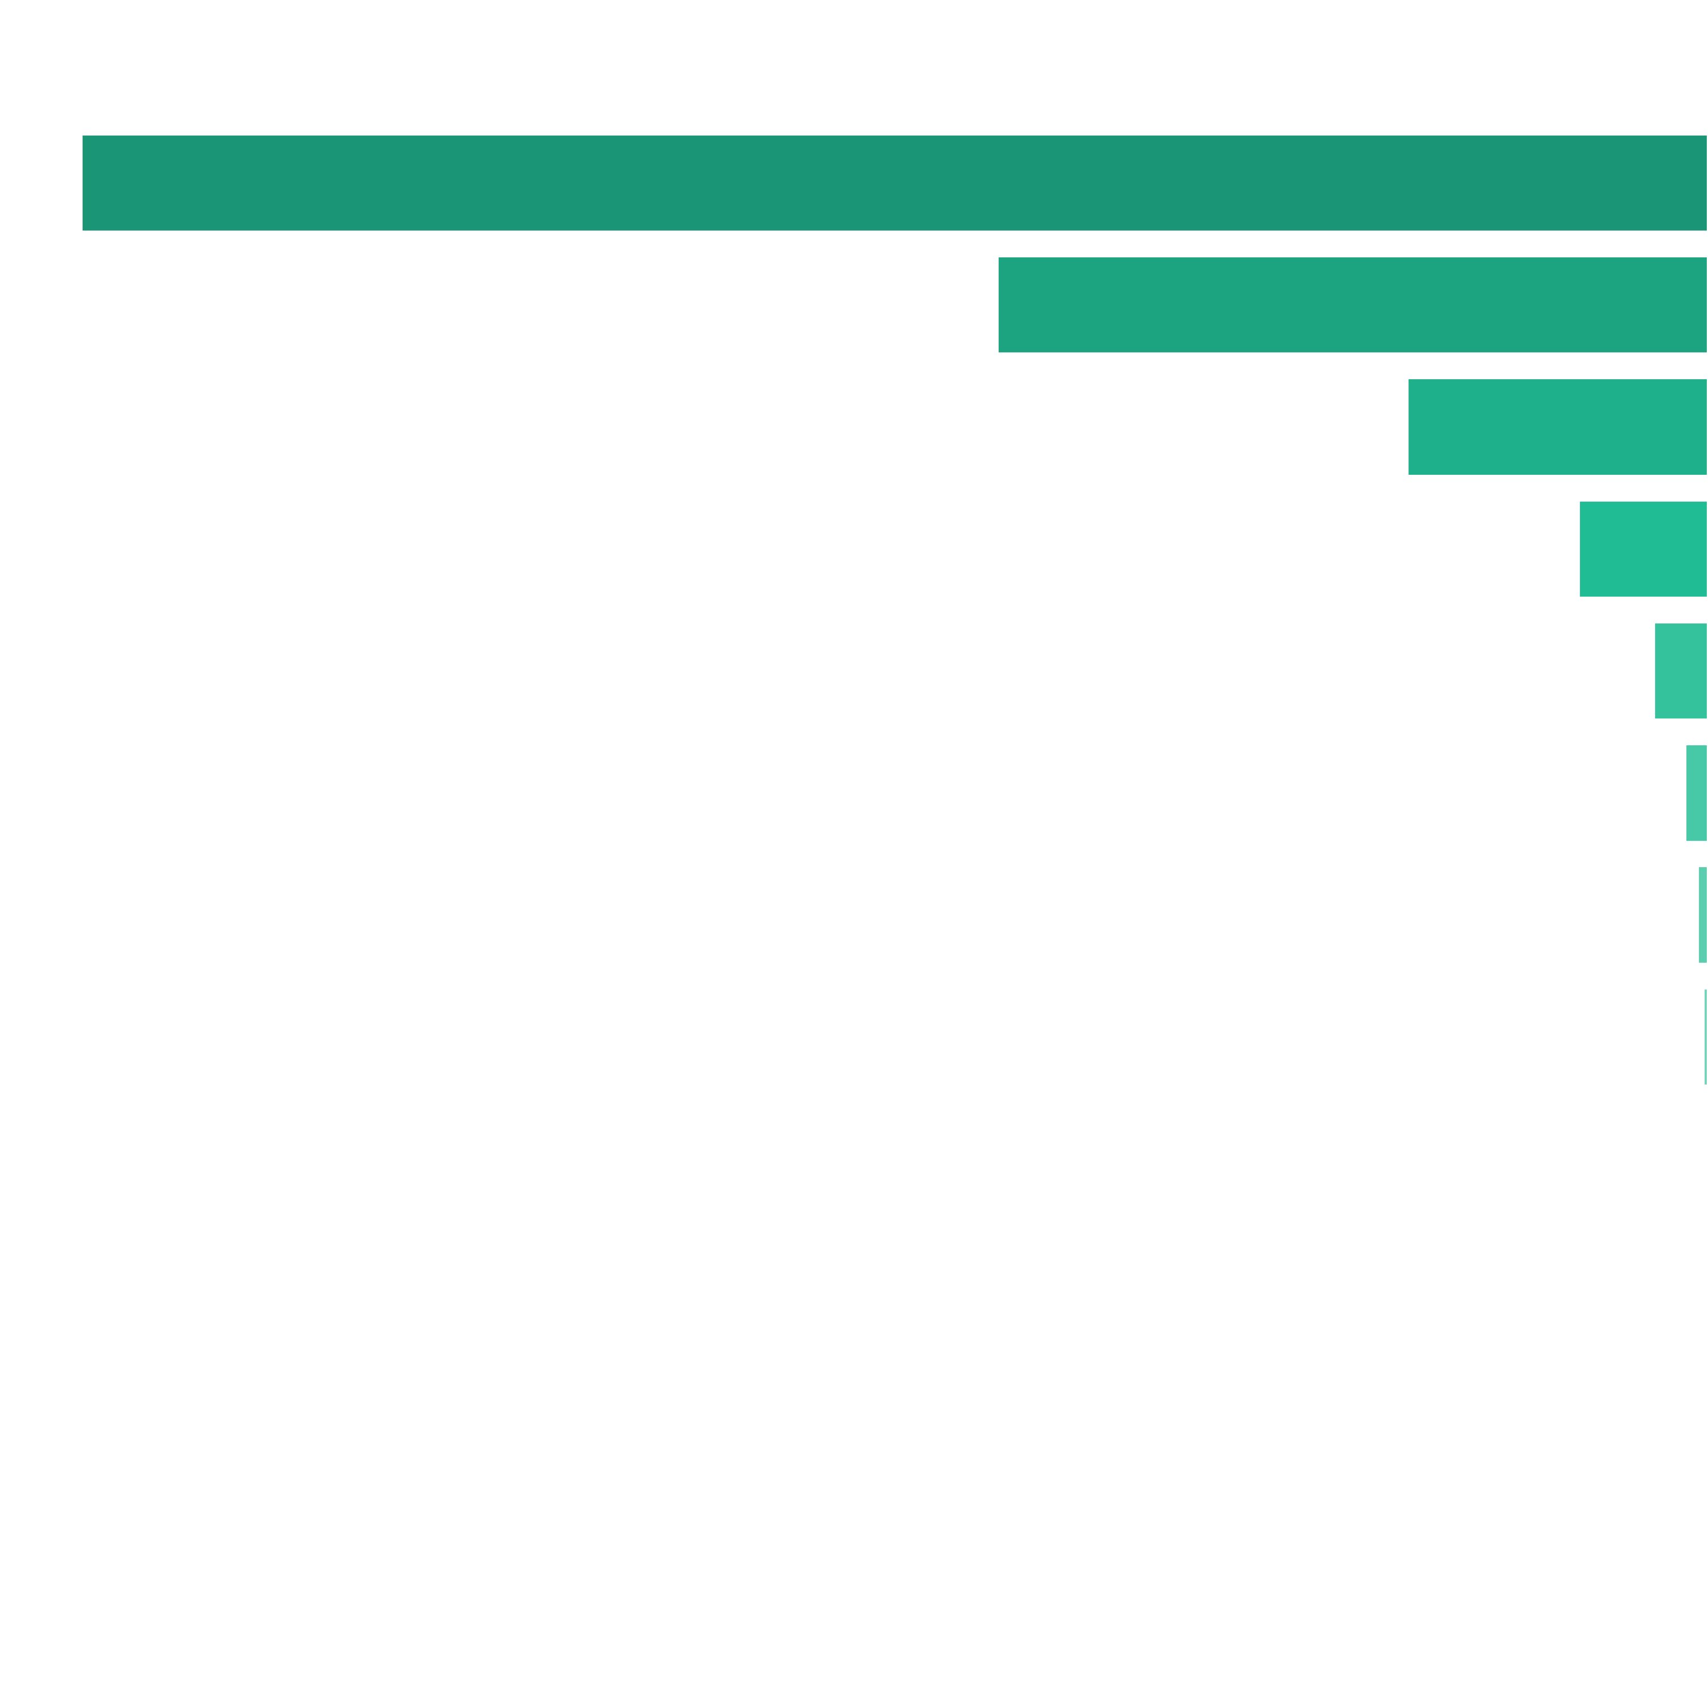
 | Number of Wilds in View Distribution |  |  |  |  |  |  |  | Wilds Count |  | Pulls to Hit (1 in ... feature spins) |  | Merged Ranges (1 in ... feature spins) |  | Percent (from feature spins) |  | Merged Ranges (from feature spins)
 |  |  |  |  |  |  |  |  | 0 |  | 1 in 1.13 |  | 1 in 1.13 |  | 88.84% |  | 88.36%
 |  |  |  |  |  |  |  |  | 3 |  | 1 in 15.77 |  | 1 in 9.32 |  | 6.34% |  | 10.73%
 |  |  |  |  |  |  |  |  | 4 |  | 1 in 36.11 |  |  |  | 2.77%
 |  |  |  |  |  |  |  |  | 5 |  | 1 in 85.35 |  |  |  | 1.17%
 |  |  |  |  |  |  |  |  | 6 |  | 1 in 198.26 |  | 1 in 119.19 |  | 0.50% |  | 0.84%
 |  |  |  |  |  |  |  |  | 7 |  | 1 in 472.81 |  |  |  | 0.21%
 |  |  |  |  |  |  |  |  | 8 |  | 1 in 1,128.67 |  |  |  | 0.09%
 |  |  |  |  |  |  |  |  | 9 |  | 1 in 2,557.54 |  | 1 in 1,472.10 |  | 0.04% |  | 0.07%
 |  |  |  |  |  |  |  |  | 10 |  | 1 in 5,319.15 |  |  |  | 0.02%
 |  |  |  |  |  |  |  |  | 11 |  | 1 in 16,949.15 |  |  |  | 0.01%
 |  |  |  |  |  |  |  |  | 12 |  | 1 in 28,571.43 |  |  |  | 0.00%
 |  |  |  |  |  |  |  |  | 13 |  | 1 in 100,000.00 |  | 1 in 35,908.75 |  | 0.00% |  | 0.00%
 |  |  |  |  |  |  |  |  | 14 |  | 1 in 125,000.00 |  |  |  | 0.00%
 |  |  |  |  |  |  |  |  | 15 |  | 1 in 100,000.00 |  |  |  | 0.00%
 |  |  |  |  |  |  |  |  | Total: |  | 1 in 8.96 |  |  |  | 11.16%

 | 7.2. Wilds Positions Base Game |  |  |  |  |  |  |  |  |  |  |  | Go To Content


 |  |  | 2.23% (1 in 44.75) |  | 4.90% (1 in 20.42) |  | 5.65% (1 in 17.70) |  | 12.15% (1 in 8.23) |  | 7.70% (1 in 12.98)

 |  |  | 2.20% (1 in 45.54) |  | 5.18% (1 in 19.30) |  | 6.72% (1 in 14.87) |  | 12.87% (1 in 7.77) |  | 7.77% (1 in 12.86)

 |  |  | 2.24% (1 in 44.71) |  | 4.88% (1 in 20.50) |  | 5.66% (1 in 17.68) |  | 12.08% (1 in 8.27) |  | 7.77% (1 in 12.87)

8. Free Spins Statistics |  |  |  |  |  |  |  |  |  |  |  |  |  | Go To Content

 | 8.1. Feature Re-Spin Settings

 |  |  | Strategy |  |  |  |  | Best Strategy
 |  |  | BuyFeature 10 free spins (average win) |  |  |  |  | 40.00x bets
 |  |  | FeatureSpin 10 free spins (average win) |  |  |  |  | 40.00x bets
 |  |  | Usual 10 free spins (average win) |  |  |  |  | 29.60x bets
 |  |  | Usual 20 free spins (average win) |  |  |  |  | 43.00x bets
 |  |  | Usual 30 free spins (average win) |  |  |  |  | 57.00x bets
 |  |  | Usual 40 free spins (average win) |  |  |  |  | 83.40x bets
 |  |  | Usual 75 free spins (average win) |  |  |  |  | 115.20x bets
 |  |  | Usual 85 free spins (average win) |  |  |  |  | 133.10x bets
 |  |  | Usual 95 free spins (average win) |  |  |  |  | 143.00x bets
 |  |  | Usual 150 free spins (average win) |  |  |  |  | 216.80x bets

 | 8.2. Free Spins Scatters Count Base |  |  |  |  |  |  |  |  |  |  |  | Go To Content

 |  |  | Average number of scatters: (without zero case) |  |  |  |  | 1.32
 |  |  | Pulls to hit any scatters: (without zero case, 1 in ... base spins) |  |  |  |  | 1 in 8.43
 |  |  | Pulls to hit 3+ scatters: (1 in ... base spins) |  |  |  |  | 1 in 333.56

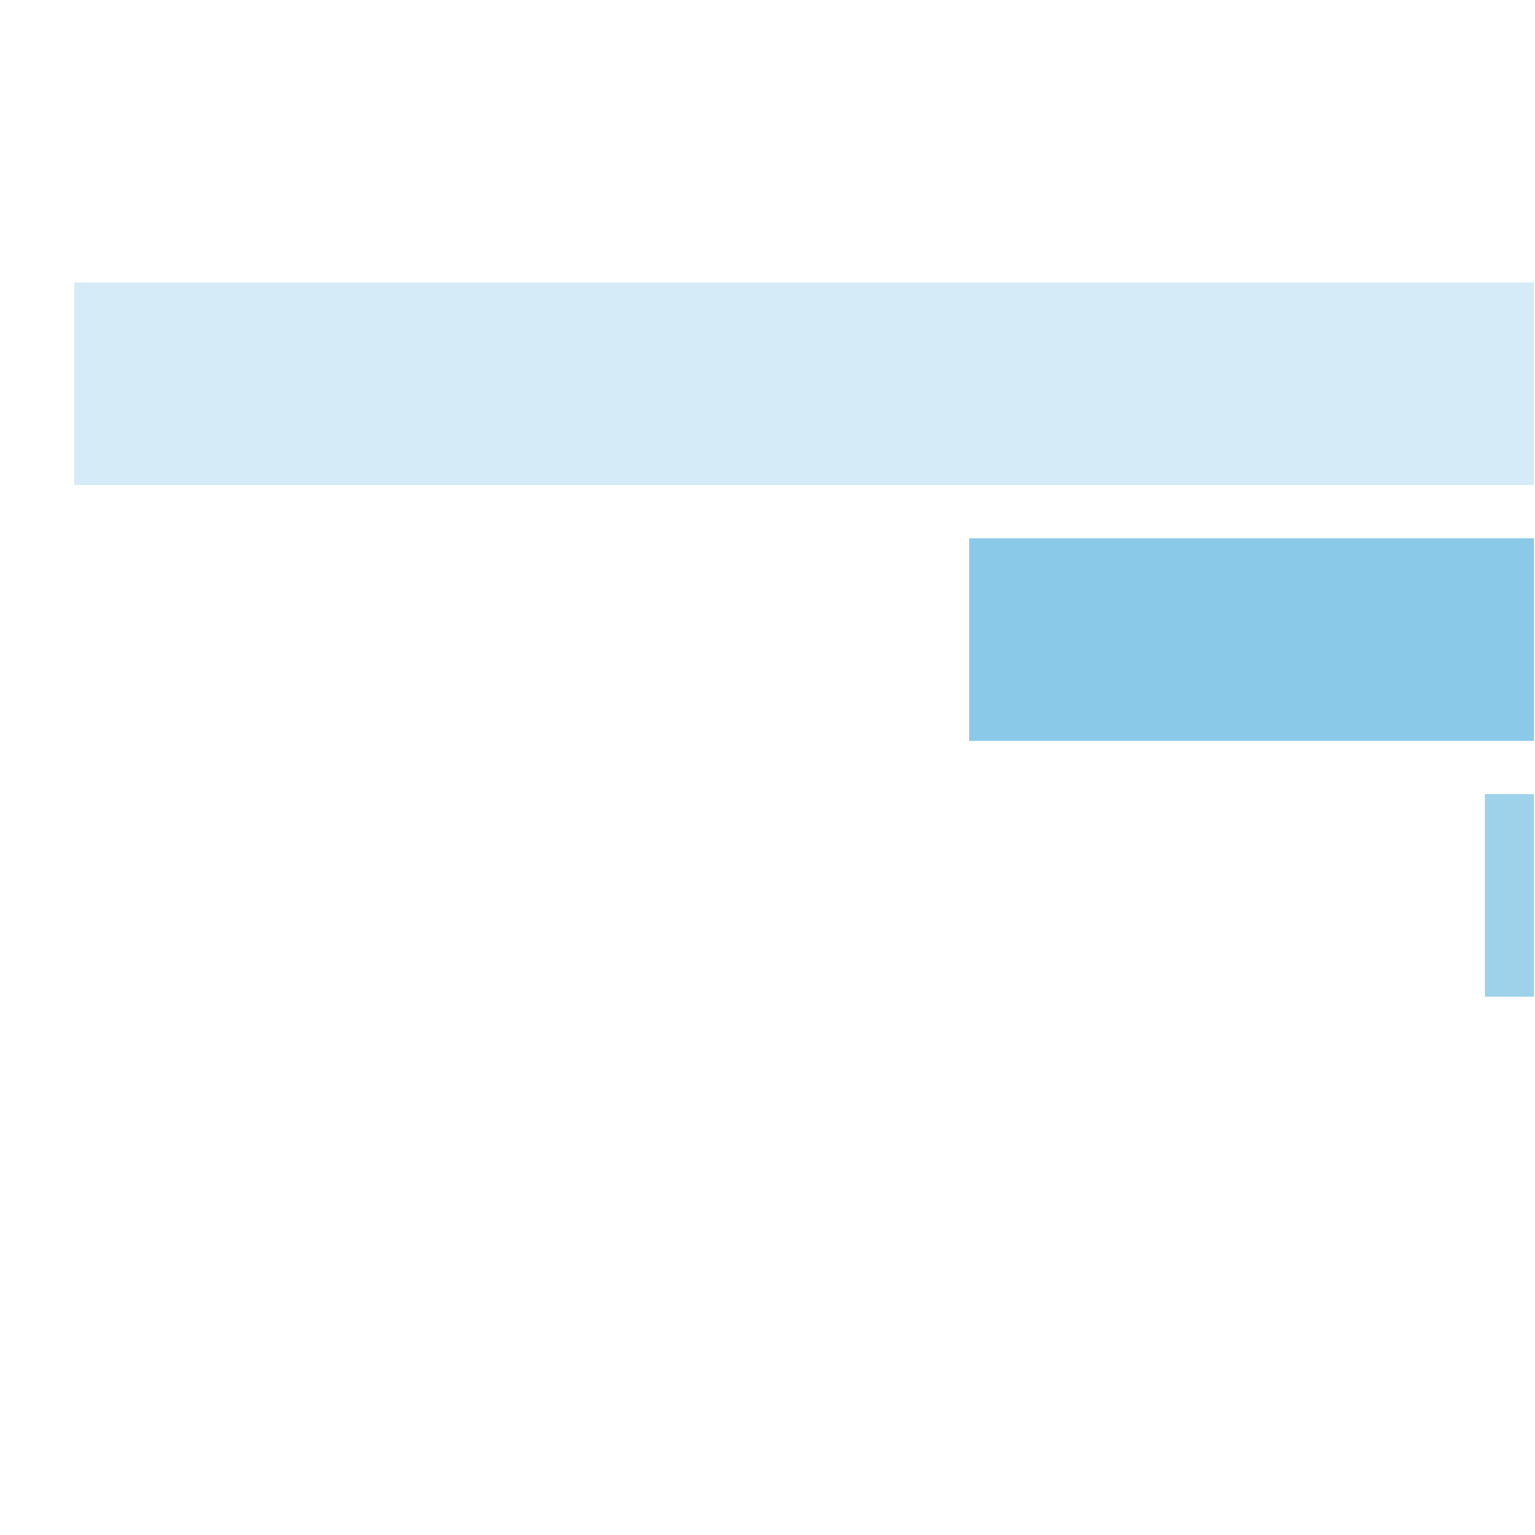
 | Number of Scatters in View Distribution |  |  |  |  |  |  |  | Scatters Count |  | Pulls to Hit (1 in ... base spins) |  | Merged Ranges (1 in ... base spins) |  | Percent (from whole spins) |  | Merged Ranges (from whole spins)
 |  |  |  |  |  |  |  |  | 0 |  | 1 in 1.13 |  | 1 in 1.00 |  | 88.13% |  | 99.99%
 |  |  |  |  |  |  |  |  | 1 |  | 1 in 12.00 |  |  |  | 8.33%
 |  |  |  |  |  |  |  |  | 2 |  | 1 in 30.94 |  |  |  | 3.23%
 |  |  |  |  |  |  |  |  | 3 |  | 1 in 344.35 |  | 1 in 333.56 |  | 0.29% |  | 0.30%
 |  |  |  |  |  |  |  |  | 4 |  | 1 in 10,869.57 |  |  |  | 0.01%
 |  |  |  |  |  |  |  |  | 5 |  | 1 in 500,000.00 |  |  |  | 0.00%
 |  |  |  |  |  |  |  |  | Total: |  | 1 in 8.43 |  |  |  | 11.87%

 | 8.3. Free Spins Scatters Count Base Re-Spin |  |  |  |  |  |  |  |  |  |  |  | Go To Content

 |  |  | Average number of scatters: (without zero case) |  |  |  |  | 1.15
 |  |  | Pulls to hit any scatters: (without zero case, 1 in ... base spins) |  |  |  |  | 1 in 29.53
 |  |  | Pulls to hit any scatters: (without zero case, 1 in ... feature spins) |  |  |  |  | 1 in 3.29
 |  |  | Pulls to hit 3+ scatters: (1 in ... base spins) |  |  |  |  | 1 in 3,205.13
 |  |  | Pulls to hit 3+ scatters: (1 in ... feature spins) |  |  |  |  | 1 in 357.53

 | Number of Scatters in View Distribution |  |  |  |  |  |  |  | Scatters Count |  | Pulls to Hit (1 in ... feature spins) |  | Merged Ranges (1 in ... feature spins) |  | Pulls to Hit (1 in ... base spins) |  | Merged Ranges (1 in ... base spins) |  | Percent (from feature spins) |  | Merged Ranges (from feature spins) |  | Percent (from whole spins) | Merged Ranges (from whole spins)
 |  |  |  |  |  |  |  |  | 0 |  | 1 in 1.44 |  | 1 in 1.00 |  | 1 in 12.87 |  | 1 in 8.97 |  | 69.64% |  | 99.72% |  | 7.77% | 11.15%
 |  |  |  |  |  |  |  |  | 1 |  | 1 in 3.81 |  |  |  | 1 in 34.18 |  |  |  | 26.23% |  |  |  | 2.93%
 |  |  |  |  |  |  |  |  | 2 |  | 1 in 25.95 |  |  |  | 1 in 232.61 |  |  |  | 3.85% |  |  |  | 0.43%
 |  |  |  |  |  |  |  |  | 3 |  | 1 in 369.36 |  | 1 in 358.49 |  | 1 in 3,311.26 |  | 1 in 3,205.13 |  | 0.27% |  | 0.28% |  | 0.03% | 0.03%
 |  |  |  |  |  |  |  |  | 4 |  | 1 in 11,154.80 |  |  |  | 1 in 100,000.00 |  |  |  | 0.01% |  |  |  | 0.00%
 |  |  |  |  |  |  |  |  | Total: |  | 1 in 3.29 |  |  |  | 1 in 29.53 |  |  |  | 30.36% |  |  |  | 3.39%

9. Spectacular Link Statistics |  |  |  |  |  |  |  |  |  |  |  |  |  | Go To Content

 | 9.1. Spectacular Link Main Info

 |  |  | Spectacular Link Triggered: (1 in ... base spins) |  |  |  |  | 1 in 88.802
 |  |  | Average number of Re-Spins: |  |  |  |  | 12.878
 |  |  | Average number of Filled Cells: (total 35 cells) |  |  |  |  | 15.914
 |  |  | Average Win Amount: |  |  |  |  | 36.520x bets
 |  |  | Average SL Scatters Win Amount: |  |  |  |  | 6.339x bets

 |  | SL Upgrades Frequencies

 |  | Upgrade Name |  | Upgrade in View (1 in ... SL features) |  | Upgrade Triggered (when in view) |  | Upgrade Triggered (1 in ... SL features) |  | Trigger Probability (when in view)
 |  | Spinner |  | 1 in 2.037 |  | 1 in 1.949 |  | 1 in 3.969 |  | 51.321%
 |  | Whistle |  | 1 in 2.011 |  | 1 in 1.946 |  | 1 in 3.913 |  | 51.393%
 |  | Elimination |  | 1 in 1.000 |  | 1 in 1.300 |  | 1 in 1.300 |  | 76.894%

 |  | SL Pots Frequencies

 | 9.2. SL Scatters Count |  |  |  |  |  |  |  |  |  |  |  | Go To Content

 |  |  | Average number of scatters: (without zero case) |  |  |  |  | 1.81
 |  |  | Pulls to hit any scatters: (without zero case, 1 in ... base spins) |  |  |  |  | 1 in 3.43
 |  |  | Pulls to hit 4+ scatters: (1 in ... base spins) |  |  |  |  | 1 in 88.80
 |  |  | Pulls to hit 7+ scatters: (1 in ... base spins) |  |  |  |  | 1 in 4,166.67
 |  |  | Pulls to hit 10+ scatters: (1 in ... base spins) |  |  |  |  | 1 in 1,000,000.00

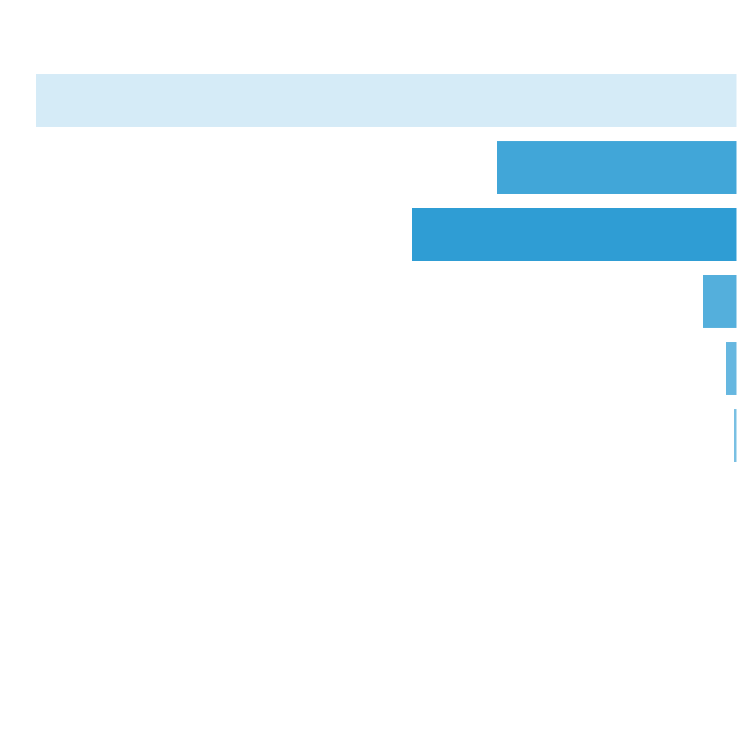
 | Number of Scatters in View Distribution |  |  |  |  |  |  |  | Scatters Count |  | Pulls to Hit (1 in ... base spins) |  | Merged Ranges (1 in ... base spins) |  | Percent (from whole spins) |  | Merged Ranges (from whole spins)
 |  |  |  |  |  |  |  |  | 0 |  | 1 in 1.41 |  | 1 in 1.16 |  | 70.86% |  | 86.37%
 |  |  |  |  |  |  |  |  | 1 |  | 1 in 6.45 |  | 1 in 3.48 |  | 15.51% |  | 28.78%
 |  |  |  |  |  |  |  |  | 2 |  | 1 in 18.81 |  |  |  | 5.32%
 |  |  |  |  |  |  |  |  | 3 |  | 1 in 13.91 |  |  |  | 7.19%
 |  |  |  |  |  |  |  |  | 4 |  | 1 in 131.08 |  | 1 in 89.14 |  | 0.76% |  | 1.12%
 |  |  |  |  |  |  |  |  | 5 |  | 1 in 382.41 |  |  |  | 0.26%
 |  |  |  |  |  |  |  |  | 6 |  | 1 in 1,287.00 |  |  |  | 0.08%
 |  |  |  |  |  |  |  |  | 7 |  | 1 in 5,076.14 |  | 1 in 4,166.67 |  | 0.02% |  | 0.02%
 |  |  |  |  |  |  |  |  | 8 |  | 1 in 30,303.03 |  |  |  | 0.00%
 |  |  |  |  |  |  |  |  | 9 |  | 1 in 111,111.11 |  |  |  | 0.00%
 |  |  |  |  |  |  |  |  | 10 |  | 1 in 1,000,000.00 |  | 1 in 1,000,000.00 |  | 0.00% |  | 0.00%
 |  |  |  |  |  |  |  |  | Total: |  | 1 in 3.43 |  |  |  | 29.14%

 | 9.3. SL Scatters Win Distribution |  |  |  |  |  |  |  |  |  |  |  | Go To Content

 |  |  | Average Win: (no zero wins) |  |  |  | 6.34x bets

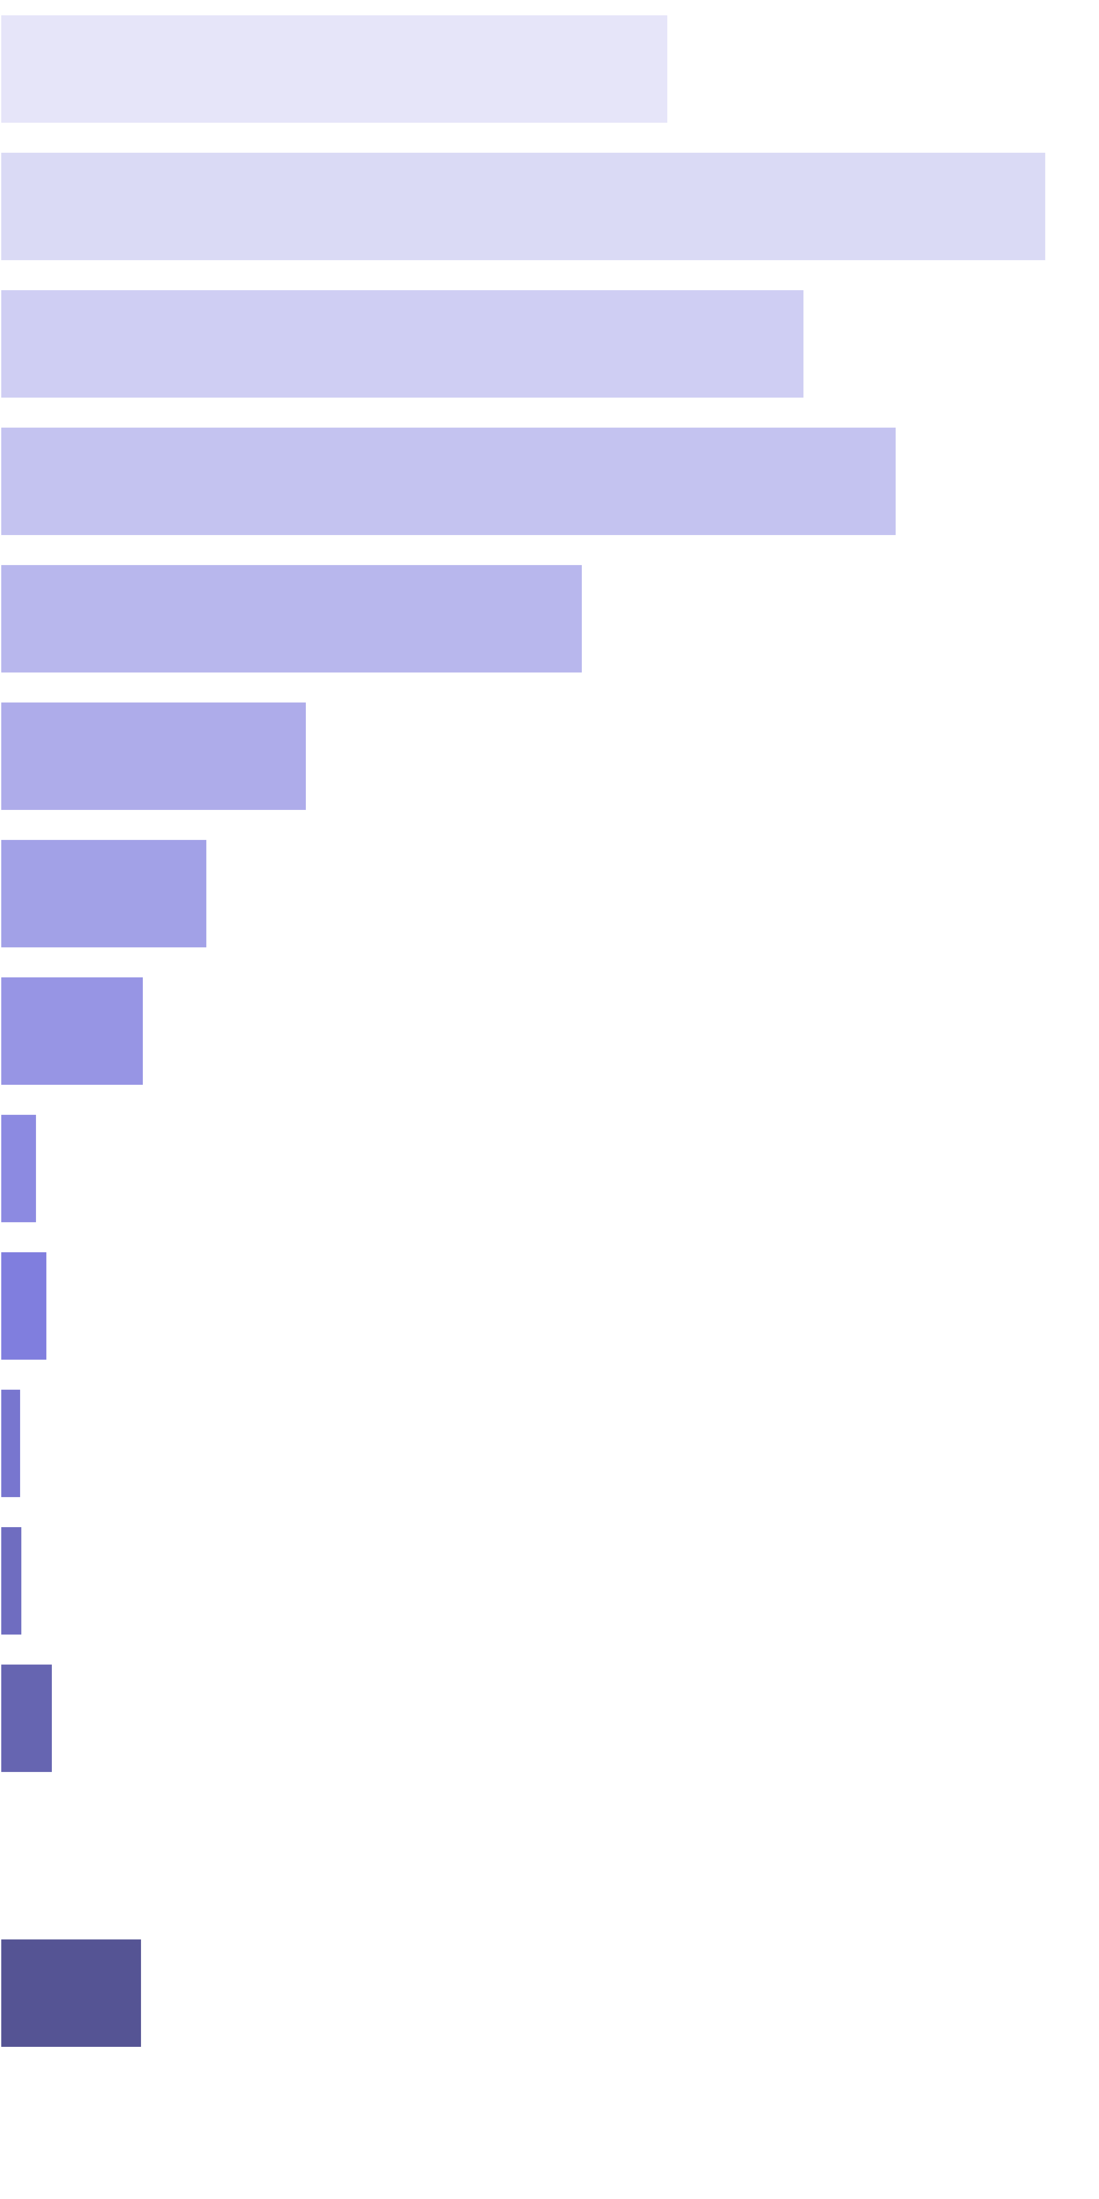
 | Win Ranges |  | Win in Range (1 in ... feature spins) |  | Win in Range (1 in ... base spins) |  | Average Win (in range) |  | Max Win (in range) |  | RTP (from whole RTP) |  | RTP (from common RTP)
 | [4x, 4x] |  | 1 in 4.70 |  | 1 in 417.71 |  | 4.00x bets |  | 4.00x bets |  | 0.958% |  | 13.416%
 | [5x, 5x] |  | 1 in 3.75 |  | 1 in 333.44 |  | 5.00x bets |  | 5.00x bets |  | 1.500% |  | 21.008%
 | [6x, 6x] |  | 1 in 5.86 |  | 1 in 520.29 |  | 6.00x bets |  | 6.00x bets |  | 1.153% |  | 16.156%
 | [7x, 7x] |  | 1 in 6.13 |  | 1 in 544.66 |  | 7.00x bets |  | 7.00x bets |  | 1.285% |  | 18.005%
 | [8x, 8x] |  | 1 in 10.79 |  | 1 in 957.85 |  | 8.00x bets |  | 8.00x bets |  | 0.835% |  | 11.701%
 | [9x, 9x] |  | 1 in 23.03 |  | 1 in 2,044.99 |  | 9.00x bets |  | 9.00x bets |  | 0.440% |  | 6.166%
 | [10x, 10x] |  | 1 in 37.92 |  | 1 in 3,367.00 |  | 10.00x bets |  | 10.00x bets |  | 0.297% |  | 4.161%
 | [11x, 13x] |  | 1 in 62.91 |  | 1 in 5,586.59 |  | 11.52x bets |  | 13.00x bets |  | 0.206% |  | 2.889%
 | [14x, 17x] |  | 1 in 321.74 |  | 1 in 28,571.43 |  | 15.23x bets |  | 17.00x bets |  | 0.053% |  | 0.747%
 | [18x, 23x] |  | 1 in 331.21 |  | 1 in 29,411.76 |  | 20.03x bets |  | 23.00x bets |  | 0.068% |  | 0.954%
 | [24x, 35x] |  | 1 in 1,023.73 |  | 1 in 90,909.09 |  | 27.45x bets |  | 32.00x bets |  | 0.030% |  | 0.423%
 | [36x, 80x] |  | 1 in 1,876.83 |  | 1 in 166,666.67 |  | 53.67x bets |  | 54.00x bets |  | 0.032% |  | 0.451%
 | [81x, 150x] |  | 1 in 1,608.71 |  | 1 in 142,857.14 |  | 108.57x bets |  | 127.00x bets |  | 0.076% |  | 1.065%
 | [151x, 200x] |  | 1 in inf |  | 1 in inf |  | nan |  | 0.00 |  | 0.000% |  | 0.000%
 | [201x, 300x] |  | 1 in 1,407.62 |  | 1 in 125,000.00 |  | 255.12x bets |  | 258.00x bets |  | 0.204% |  | 2.859%
 | [301x, inf) |  | 1 in inf |  | 1 in inf |  | nan |  | 0.00 |  | 0.000% |  | 0.000%
 | Total |  | 1 in 1.27 |  | 1 in 112.78 |  | 8.05x bets |  | 258.00x bets |  | 7.14% |  | 100.00%

 | 9.4. SL Re-Spin Count |  |  |  |  |  |  |  |  |  |  |  | Go To Content

 |  |  | Average number of Re-spins: (without zero case) |  |  |  |  | 12.88
 |  |  | Pulls to hit 10+ Re-spins: (1 in ... feature spins) |  |  |  |  | 1 in 1.34
 |  |  | Pulls to hit 15+ Re-spins: (1 in ... feature spins) |  |  |  |  | 1 in 3.30
 |  |  | Pulls to hit 20+ Re-spins: (1 in ... feature spins) |  |  |  |  | 1 in 13.37
 |  |  | Pulls to hit 30+ Re-spins: (1 in ... feature spins) |  |  |  |  | 1 in 1,876.83

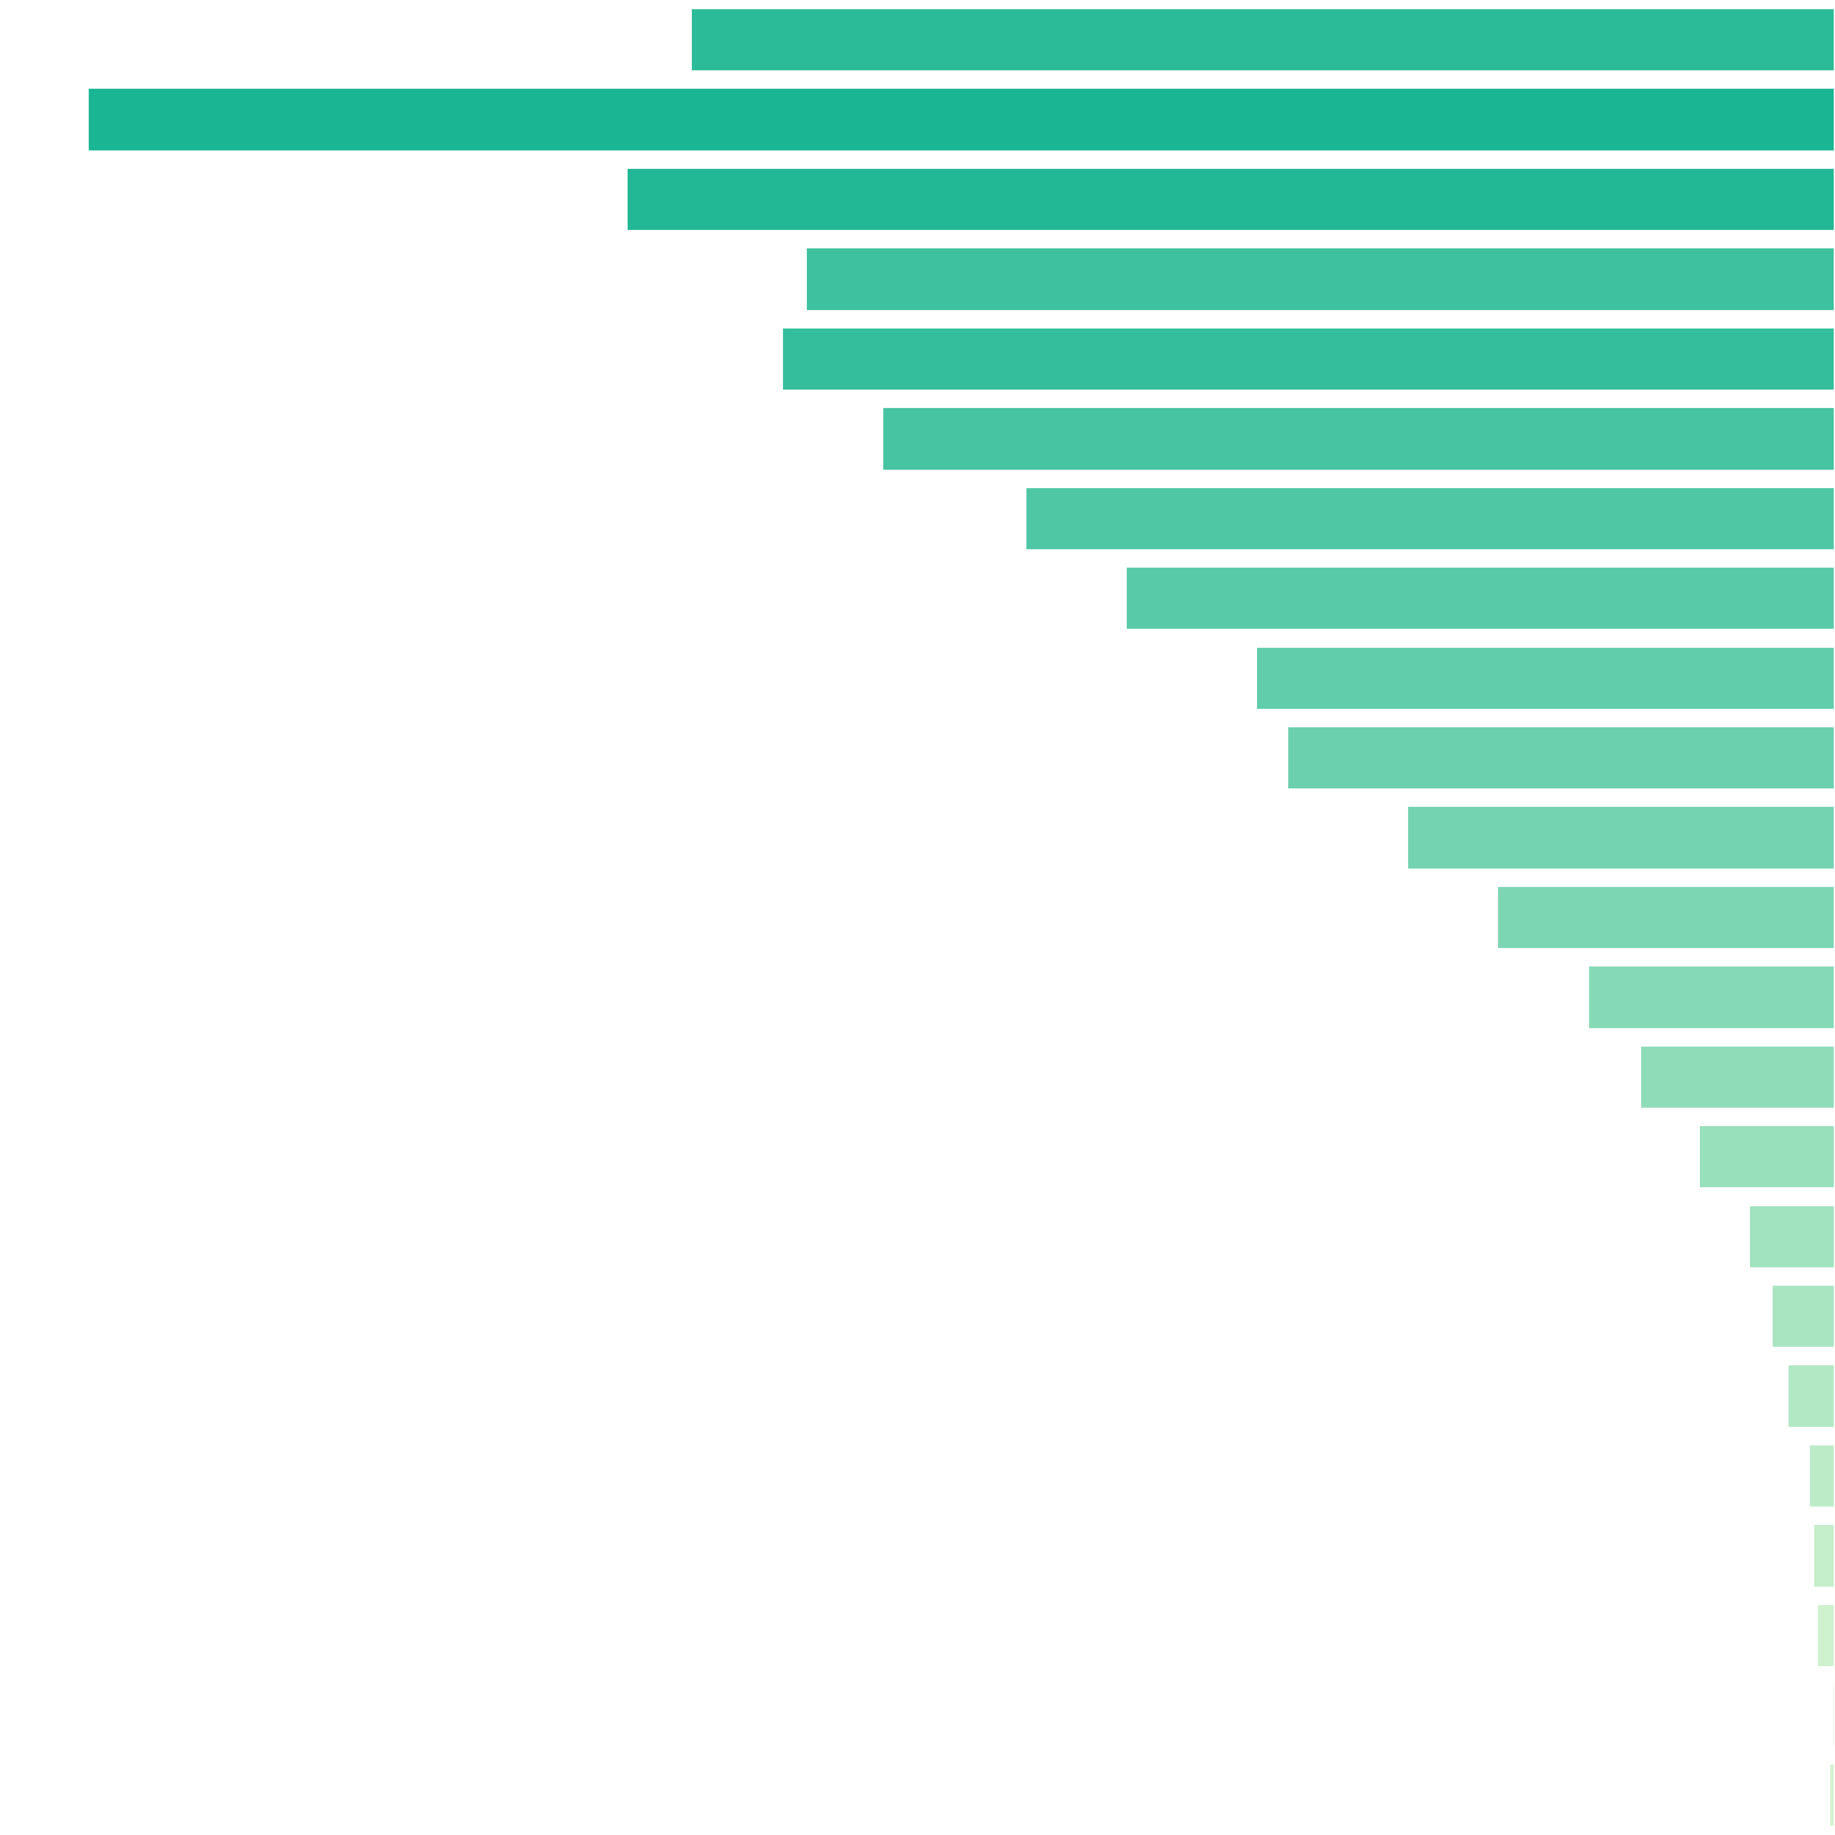
 | Number of Re-spins Distribution |  |  |  |  |  |  |  | Re-spins Count |  | Pulls to Hit (1 in ... feature spins) |  | Merged Ranges (1 in ... feature spins) |  | Percent (from feature spins) |  | Merged Ranges (from feature spins)
 |  |  |  |  |  |  |  |  | 8 |  | 1 in 9.97 |  | 1 in 3.94 |  | 10.03% |  | 25.36%
 |  |  |  |  |  |  |  |  | 9 |  | 1 in 6.52 |  |  |  | 15.33%
 |  |  |  |  |  |  |  |  | 10 |  | 1 in 9.43 |  | 1 in 3.46 |  | 10.60% |  | 28.87%
 |  |  |  |  |  |  |  |  | 11 |  | 1 in 11.07 |  |  |  | 9.03%
 |  |  |  |  |  |  |  |  | 12 |  | 1 in 10.83 |  |  |  | 9.24%
 |  |  |  |  |  |  |  |  | 13 |  | 1 in 11.97 |  | 1 in 4.61 |  | 8.36% |  | 21.69%
 |  |  |  |  |  |  |  |  | 14 |  | 1 in 14.08 |  |  |  | 7.10%
 |  |  |  |  |  |  |  |  | 15 |  | 1 in 16.06 |  |  |  | 6.23%
 |  |  |  |  |  |  |  |  | 16 |  | 1 in 19.69 |  | 1 in 5.33 |  | 5.08% |  | 18.77%
 |  |  |  |  |  |  |  |  | 17 |  | 1 in 20.82 |  |  |  | 4.80%
 |  |  |  |  |  |  |  |  | 18 |  | 1 in 26.62 |  |  |  | 3.76%
 |  |  |  |  |  |  |  |  | 19 |  | 1 in 33.72 |  |  |  | 2.97%
 |  |  |  |  |  |  |  |  | 20 |  | 1 in 46.15 |  |  |  | 2.17%
 |  |  |  |  |  |  |  |  | 21 |  | 1 in 58.35 |  | 1 in 21.53 |  | 1.71% |  | 4.64%
 |  |  |  |  |  |  |  |  | 22 |  | 1 in 83.41 |  |  |  | 1.20%
 |  |  |  |  |  |  |  |  | 23 |  | 1 in 132.48 |  |  |  | 0.75%
 |  |  |  |  |  |  |  |  | 24 |  | 1 in 178.75 |  |  |  | 0.56%
 |  |  |  |  |  |  |  |  | 25 |  | 1 in 239.60 |  |  |  | 0.42%
 |  |  |  |  |  |  |  |  | 26 |  | 1 in 433.12 |  | 1 in 150.15 |  | 0.23% |  | 0.67%
 |  |  |  |  |  |  |  |  | 27 |  | 1 in 511.86 |  |  |  | 0.20%
 |  |  |  |  |  |  |  |  | 28 |  | 1 in 625.61 |  |  |  | 0.16%
 |  |  |  |  |  |  |  |  | 29 |  | 1 in 3,753.67 |  |  |  | 0.03%
 |  |  |  |  |  |  |  |  | 30 |  | 1 in 1,876.83 |  |  |  | 0.05%
 |  |  |  |  |  |  |  |  | Total: |  | 1 in 1.00 |  |  |  | 100.00%

 | 9.5. SL Number of Filled Cells Distribution |  |  |  |  |  |  |  |  |  |  |  | Go To Content

 |  |  | Average number of Filled Cells: (without zero case) |  |  |  |  | 15.91
 |  |  | Pulls to hit 10+ Filled Cells: (1 in ... feature spins) |  |  |  |  | 1 in 1.14
 |  |  | Pulls to hit 15+ Filled Cells: (1 in ... feature spins) |  |  |  |  | 1 in 1.79
 |  |  | Pulls to hit 20+ Filled Cells: (1 in ... feature spins) |  |  |  |  | 1 in 3.44
 |  |  | Pulls to hit 25+ Filled Cells: (1 in ... feature spins) |  |  |  |  | 1 in 16.78
 |  |  | Pulls to hit 30+ Filled Cells: (1 in ... feature spins) |  |  |  |  | 1 in 107.25

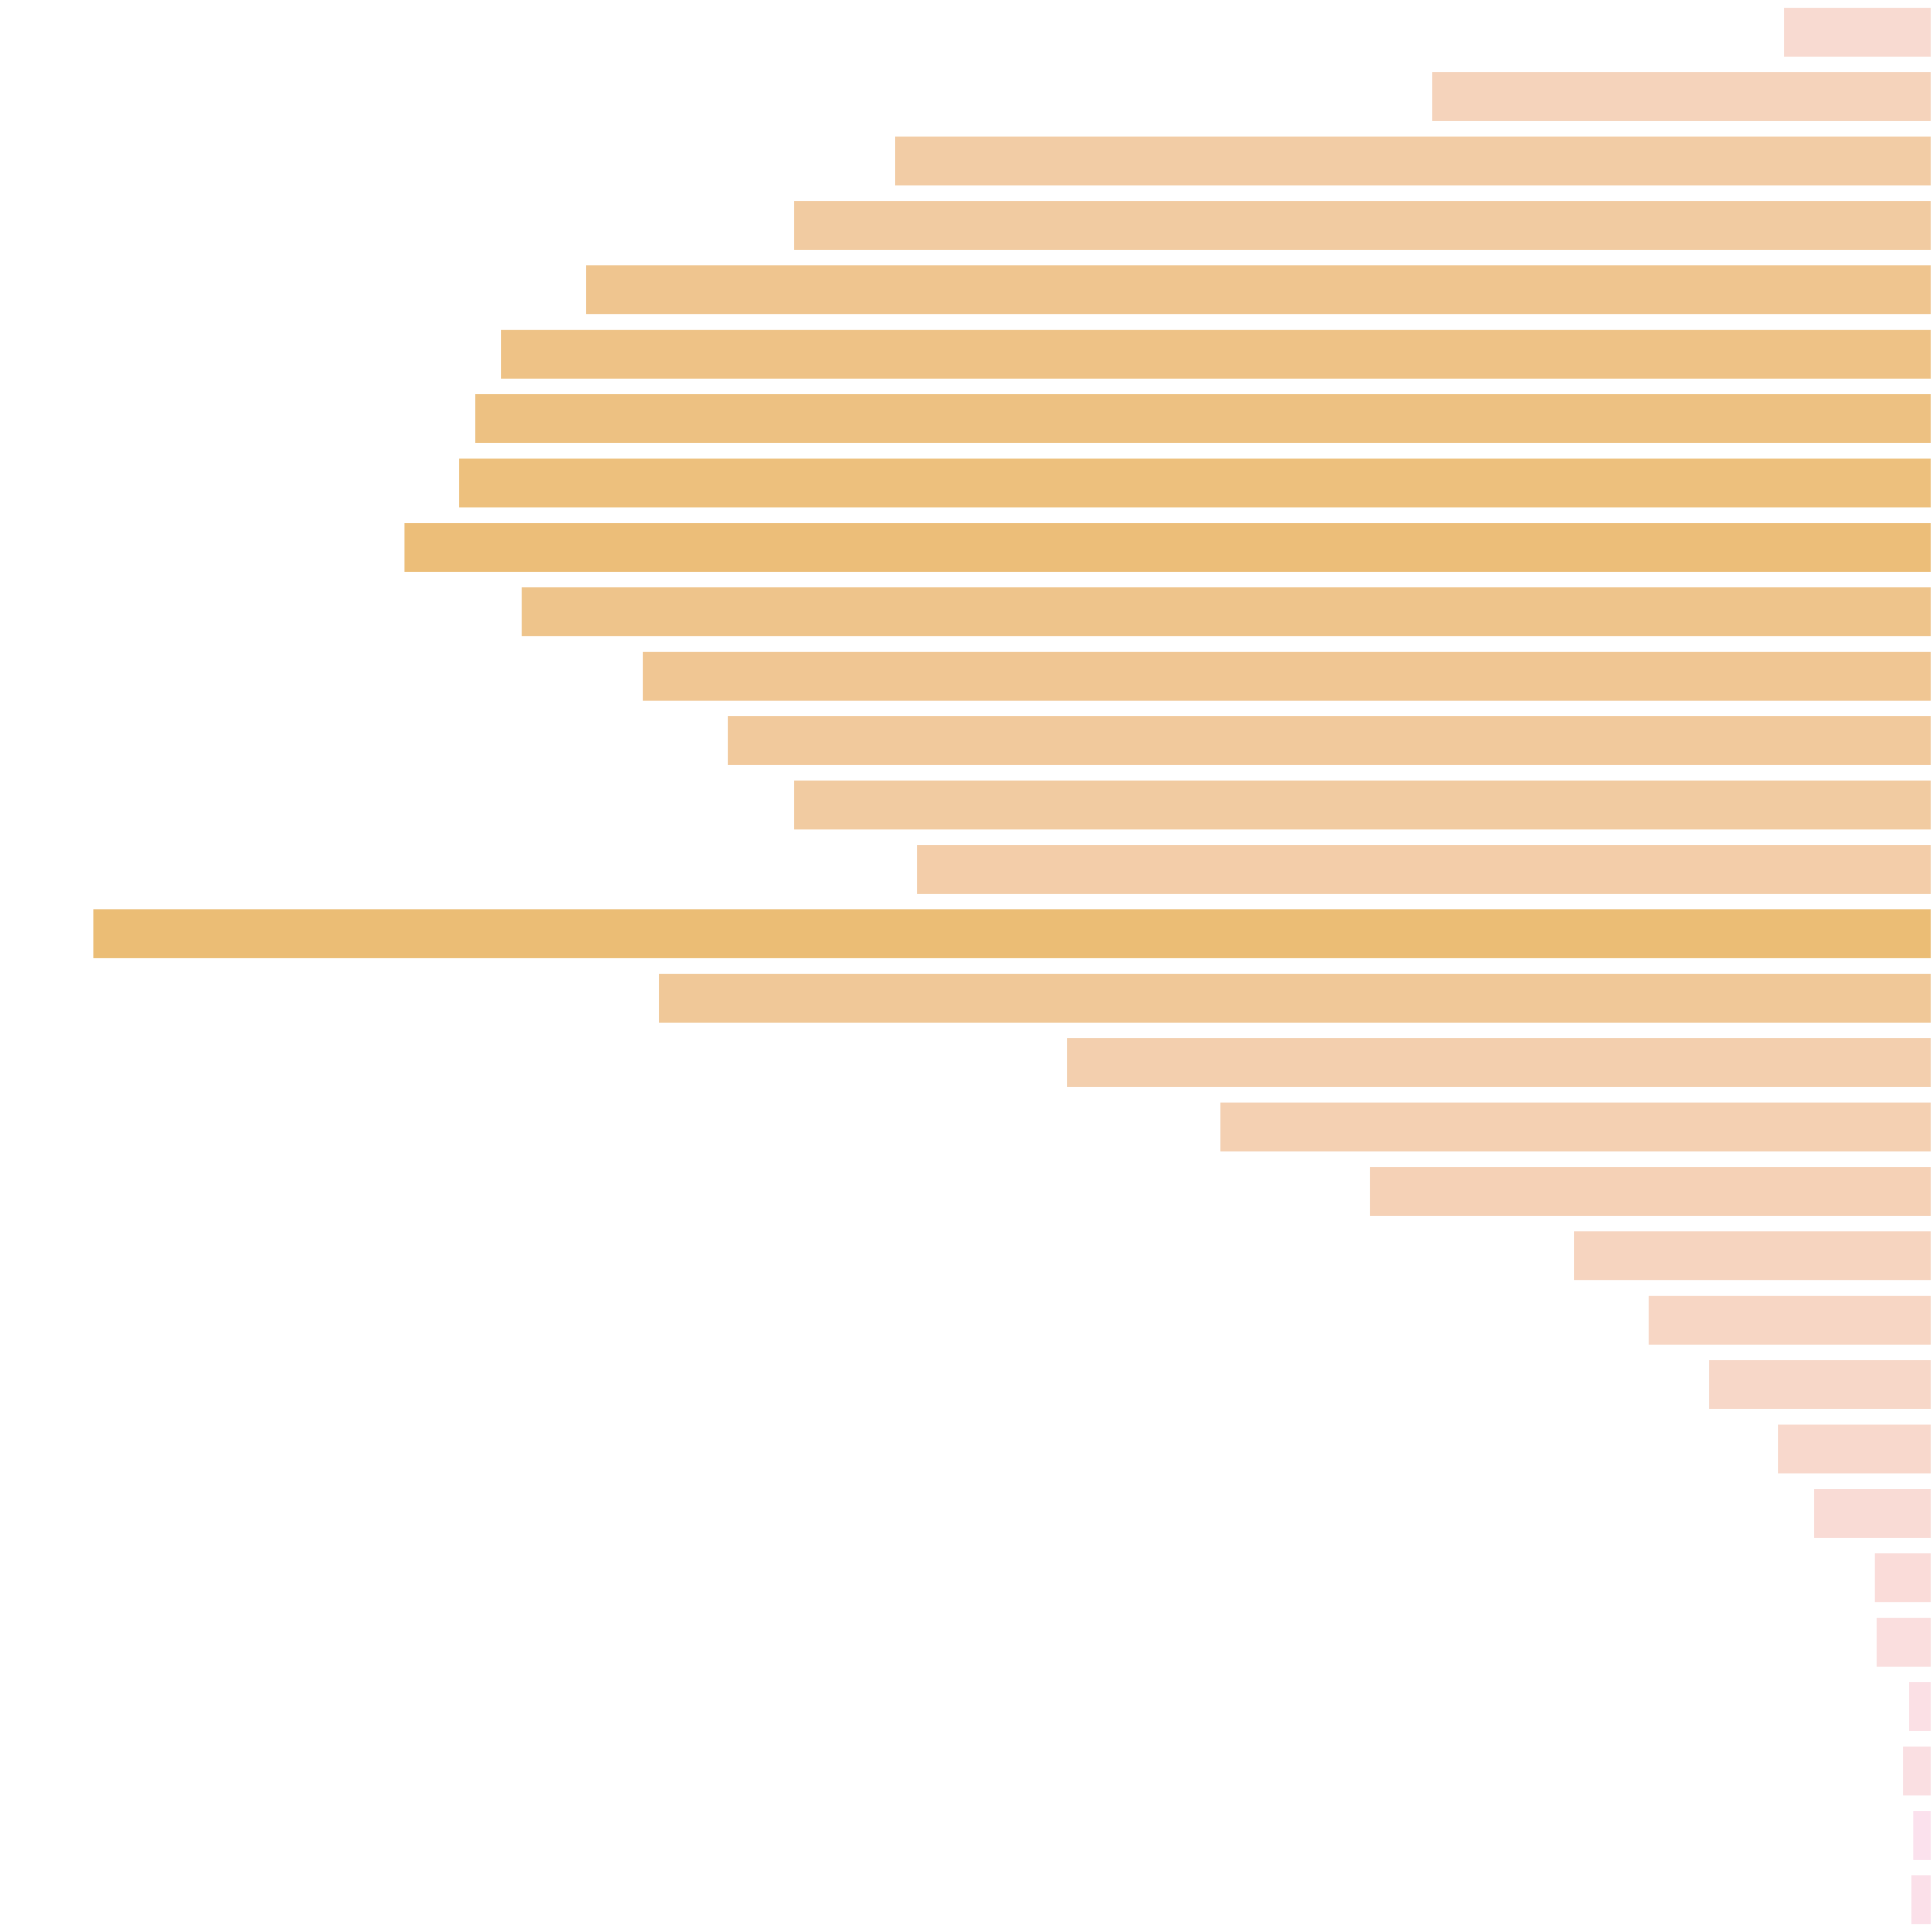
 | Number of Filled Cells Distribution |  |  |  |  |  |  |  | Filled Cells Count |  | Pulls to Hit (1 in ... feature spins) |  | Merged Ranges (1 in ... feature spins) |  | Percent (from feature spins) |  | Merged Ranges (from feature spins)
 |  |  |  |  |  |  |  |  | 6 |  | 1 in 152.18 |  | 1 in 13.47 |  | 0.66% |  | 7.42%
 |  |  |  |  |  |  |  |  | 7 |  | 1 in 45.41 |  |  |  | 2.20%
 |  |  |  |  |  |  |  |  | 8 |  | 1 in 21.91 |  |  |  | 4.56%
 |  |  |  |  |  |  |  |  | 9 |  | 1 in 19.97 |  | 1 in 5.80 |  | 5.01% |  | 17.23%
 |  |  |  |  |  |  |  |  | 10 |  | 1 in 16.88 |  |  |  | 5.92%
 |  |  |  |  |  |  |  |  | 11 |  | 1 in 15.88 |  |  |  | 6.30%
 |  |  |  |  |  |  |  |  | 12 |  | 1 in 15.60 |  | 1 in 3.87 |  | 6.41% |  | 25.82%
 |  |  |  |  |  |  |  |  | 13 |  | 1 in 15.43 |  |  |  | 6.48%
 |  |  |  |  |  |  |  |  | 14 |  | 1 in 14.88 |  |  |  | 6.72%
 |  |  |  |  |  |  |  |  | 15 |  | 1 in 16.11 |  |  |  | 6.21%
 |  |  |  |  |  |  |  |  | 16 |  | 1 in 17.62 |  | 1 in 3.50 |  | 5.67% |  | 28.54%
 |  |  |  |  |  |  |  |  | 17 |  | 1 in 18.86 |  |  |  | 5.30%
 |  |  |  |  |  |  |  |  | 18 |  | 1 in 19.97 |  |  |  | 5.01%
 |  |  |  |  |  |  |  |  | 19 |  | 1 in 22.39 |  |  |  | 4.47%
 |  |  |  |  |  |  |  |  | 20 |  | 1 in 12.36 |  |  |  | 8.09%
 |  |  |  |  |  |  |  |  | 21 |  | 1 in 17.85 |  | 1 in 6.02 |  | 5.60% |  | 16.61%
 |  |  |  |  |  |  |  |  | 22 |  | 1 in 26.25 |  |  |  | 3.81%
 |  |  |  |  |  |  |  |  | 23 |  | 1 in 31.90 |  |  |  | 3.13%
 |  |  |  |  |  |  |  |  | 24 |  | 1 in 40.36 |  |  |  | 2.48%
 |  |  |  |  |  |  |  |  | 25 |  | 1 in 63.26 |  |  |  | 1.58%
 |  |  |  |  |  |  |  |  | 26 |  | 1 in 79.87 |  | 1 in 27.00 |  | 1.25% |  | 3.70%
 |  |  |  |  |  |  |  |  | 27 |  | 1 in 101.45 |  |  |  | 0.99%
 |  |  |  |  |  |  |  |  | 28 |  | 1 in 146.25 |  |  |  | 0.68%
 |  |  |  |  |  |  |  |  | 29 |  | 1 in 190.86 |  |  |  | 0.52%
 |  |  |  |  |  |  |  |  | 30 |  | 1 in 388.31 |  |  |  | 0.26%
 |  |  |  |  |  |  |  |  | 31 |  | 1 in 402.18 |  | 1 in 148.17 |  | 0.25% |  | 0.67%
 |  |  |  |  |  |  |  |  | 32 |  | 1 in 938.42 |  |  |  | 0.11%
 |  |  |  |  |  |  |  |  | 33 |  | 1 in 750.73 |  |  |  | 0.13%
 |  |  |  |  |  |  |  |  | 34 |  | 1 in 1,126.10 |  |  |  | 0.09%
 |  |  |  |  |  |  |  |  | 35 |  | 1 in 1,023.73 |  |  |  | 0.10%
 |  |  |  |  |  |  |  |  | Total: |  | 1 in 1.00 |  |  |  | 100.00%

 | 9.6. SL Total Win Distribution |  |  |  |  |  |  |  |  |  |  |  | Go To Content

 |  |  | Average Win: (no zero wins) |  |  |  | 36.52x bets
 |  |  | Win Frequency: (1 in .. feature spins) |  |  |  | 1 in 1.00
 |  |  | Win Frequency: (1 in .. base spins) |  |  |  | 1 in 88.80

 | Win Ranges |  | Win in Range (1 in ... feature spins) |  | Win in Range (1 in ... base spins) |  | Average Win (in range) |  | Max Win (in range) |  | RTP (from whole RTP) |  | RTP (from common RTP)
 | [0x, 0x] |  | 1 in inf |  | 1 in inf |  | nan |  | 0.00 |  | 0.000% |  | 0.000%
 | (0x, 0.5x] |  | 1 in inf |  | 1 in inf |  | nan |  | 0.00 |  | 0.000% |  | 0.000%
 | (0.5x, 1x) |  | 1 in inf |  | 1 in inf |  | nan |  | 0.00 |  | 0.000% |  | 0.000%
 | [1x, 1x] |  | 1 in inf |  | 1 in inf |  | nan |  | 0.00 |  | 0.000% |  | 0.000%
 | (1x, 2x) |  | 1 in inf |  | 1 in inf |  | nan |  | 0.00 |  | 0.000% |  | 0.000%
 | [2x, 3x) |  | 1 in inf |  | 1 in inf |  | nan |  | 0.00 |  | 0.000% |  | 0.000%
 | [3x, 5x) |  | 1 in inf |  | 1 in inf |  | nan |  | 0.00 |  | 0.000% |  | 0.000%
 | [5x, 10x) |  | 1 in 34.02 |  | 1 in 3,021.15 |  | 8.37x bets |  | 9.00x bets |  | 0.277% |  | 0.673%
 | [10x, 20x) |  | 1 in 3.34 |  | 1 in 296.74 |  | 14.77x bets |  | 19.00x bets |  | 4.979% |  | 12.107%
 | [20x, 30x) |  | 1 in 4.02 |  | 1 in 357.40 |  | 23.98x bets |  | 29.00x bets |  | 6.709% |  | 16.312%
 | [30x, 50x) |  | 1 in 4.66 |  | 1 in 413.56 |  | 37.22x bets |  | 49.00x bets |  | 8.999% |  | 21.883%
 | [50x, 100x) |  | 1 in 5.99 |  | 1 in 532.20 |  | 71.15x bets |  | 99.00x bets |  | 13.369% |  | 32.507%
 | [100x, 200x) |  | 1 in 27.00 |  | 1 in 2,398.08 |  | 125.78x bets |  | 198.00x bets |  | 5.245% |  | 12.753%
 | [200x, 500x) |  | 1 in 304.35 |  | 1 in 27,027.03 |  | 269.70x bets |  | 348.00x bets |  | 0.998% |  | 2.426%
 | [500x, 1000x) |  | 1 in 1,023.73 |  | 1 in 90,909.09 |  | 500.00x bets |  | 500.00x bets |  | 0.550% |  | 1.337%
 | [1000x, inf) |  | 1 in inf |  | 1 in inf |  | nan |  | 0.00 |  | 0.000% |  | 0.000%
 | Total |  | 1 in 1.00 |  | 1 in 88.80 |  | 36.52x bets |  | 500.00x bets |  | 41.13% |  | 100.00%

 | 9.7. SL Number of Filled Cells on One Re-Spin |  |  |  |  |  |  |  |  |  |  |  | Go To Content

 |  |  | Average number of Filled Cells: (without zero case) |  |  |  |  | 2.40
 |  |  | Pulls to hit 2+ Filled Cells: (1 in ... feature spins) |  |  |  |  | 1 in 1.54
 |  |  | Pulls to hit 3+ Filled Cells: (1 in ... feature spins) |  |  |  |  | 1 in 2.50
 |  |  | Pulls to hit 4+ Filled Cells: (1 in ... feature spins) |  |  |  |  | 1 in 4.98
 |  |  | Pulls to hit 5+ Filled Cells: (1 in ... feature spins) |  |  |  |  | 1 in 10.29
 |  |  | Pulls to hit 6+ Filled Cells: (1 in ... feature spins) |  |  |  |  | 1 in 23.31

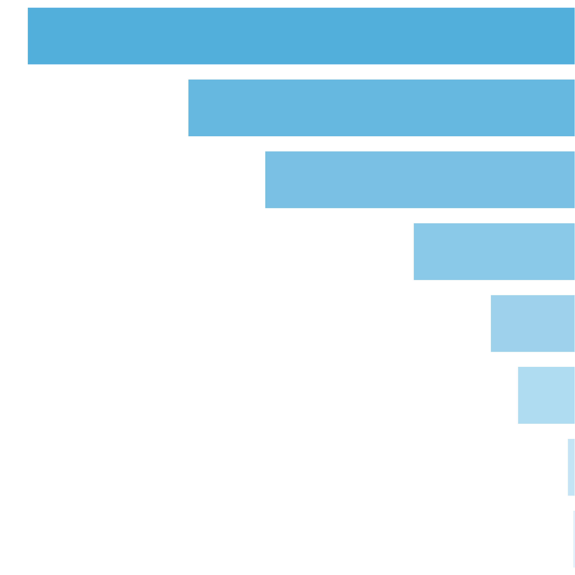
 | Number of Filled Cells Distribution |  |  |  |  |  |  |  | Filled Cells Count |  | Pulls to Hit (1 in ... feature spins) |  | Merged Ranges (1 in ... feature spins) |  | Percent (from feature spins) |  | Merged Ranges (from feature spins)
 |  |  |  |  |  |  |  |  | 1 |  | 1 in 2.84 |  | 1 in 2.61 |  | 35.16% |  | 38.32%
 |  |  |  |  |  |  |  |  | 2 |  | 1 in 4.02 |  | 1 in 3.26 |  | 24.85% |  | 30.70%
 |  |  |  |  |  |  |  |  | 3 |  | 1 in 5.02 |  | 1 in 3.33 |  | 19.91% |  | 30.03%
 |  |  |  |  |  |  |  |  | 4 |  | 1 in 9.64 |  |  |  | 10.37%
 |  |  |  |  |  |  |  |  | 5 |  | 1 in 18.43 |  |  |  | 5.43%
 |  |  |  |  |  |  |  |  | 6 |  | 1 in 27.20 |  | 1 in 105.82 |  | 3.68% |  | 0.94%
 |  |  |  |  |  |  |  |  | 7 |  | 1 in 206.77 |  |  |  | 0.48%
 |  |  |  |  |  |  |  |  | 8 |  | 1 in 774.30 |  |  |  | 0.13%
 |  |  |  |  |  |  |  |  | Total: |  | 1 in 1.00 |  |  |  | 100.00%

10. Reelsets Pivot Tables |  |  |  |  |  |  |  |  |  |  |  |  |  | Go To Content

 | 10.1. RTP distribution by All Reelsets

 | Base Game Reelsets
 | Index | Reelset Name |  |  |  |  |  | RTP, % |  | Common RTP, % |  |  | Probability |  |  | Pulls to Hit |  |  | Average Win |  | Max Win |  | Win Frequency |  | STD
 | 0 | Base Game | Normal Game | RTP 86% |  |  |  |  |  | 7.8021 |  | 31.4223 |  |  | 0.24830 |  |  | 1 in 4.039 |  |  | 2.81x bets |  | 100.00x bets |  | 1 in 8.9301 |  | 1.475x bets
 | 1 | Base Game | Cheap High Win Freq 1 | RTP 86% |  |  |  |  |  | 1.1927 |  | 46.1391 |  |  | 0.02585 |  |  | 1 in 38.909 |  |  | 0.84x bets |  | 38.20x bets |  | 1 in 1.8099 |  | 1.152x bets
 | 2 | Base Game | Cheap High Win Freq 2 | RTP 86% |  |  |  |  |  | 1.1110 |  | 42.9806 |  |  | 0.02585 |  |  | 1 in 38.435 |  |  | 0.83x bets |  | 61.80x bets |  | 1 in 1.9211 |  | 1.125x bets
 | 3 | Base Game | Many Pictures | RTP 86% |  |  |  |  |  | 3.3190 |  | 33.1897 |  |  | 0.10000 |  |  | 1 in 9.972 |  |  | 2.89x bets |  | 100.00x bets |  | 1 in 8.7173 |  | 1.638x bets
 | 4 | Base Game | Free Spin Scatters | Reels 2,4 | RTP 86% |  |  |  |  |  | 1.3063 |  | 26.1252 |  |  | 0.05000 |  |  | 1 in 20.000 |  |  | 2.78x bets |  | 42.40x bets |  | 1 in 10.6406 |  | 1.255x bets
 | 5 | Base Game | Free Spin Scatters | Reels 1,3,5 | RTP 86% |  |  |  |  |  | 1.2720 |  | 25.4397 |  |  | 0.05000 |  |  | 1 in 20.063 |  |  | 2.69x bets |  | 49.80x bets |  | 1 in 10.5846 |  | 1.254x bets
 | 6 | Base Game | Free Spin Scatters | Reels 1,2,3,4,5 | RTP 86% |  |  |  |  |  | 2.6961 |  | 26.9609 |  |  | 0.10000 |  |  | 1 in 9.995 |  |  | 2.74x bets |  | 100.00x bets |  | 1 in 10.1476 |  | 1.345x bets
 | 7 | Base Game | CF Max 3 scatters | 1-2-3 reels | RTP 86% |  |  |  |  |  | 0.5488 |  | 21.1078 |  |  | 0.02600 |  |  | 1 in 38.360 |  |  | 1.64x bets |  | 61.80x bets |  | 1 in 7.7795 |  | 1.041x bets
 | 8 | Base Game | CF Max 3 scatters | 3-4-5 reels | RTP 86% |  |  |  |  |  | 0.7474 |  | 28.7449 |  |  | 0.02600 |  |  | 1 in 38.417 |  |  | 1.65x bets |  | 100.00x bets |  | 1 in 5.7322 |  | 1.363x bets
 | 9 | Base Game | CF Max 3 scatters | 2-5 reels | RTP 86% |  |  |  |  |  | 0.7769 |  | 25.8975 |  |  | 0.03000 |  |  | 1 in 33.111 |  |  | 1.80x bets |  | 100.00x bets |  | 1 in 6.9316 |  | 1.345x bets
 | 10 | Base Game | CF Max 3 scatters | 3-4 reels | RTP 86% |  |  |  |  |  | 0.7057 |  | 23.5243 |  |  | 0.03000 |  |  | 1 in 33.286 |  |  | 1.72x bets |  | 39.40x bets |  | 1 in 7.3044 |  | 1.105x bets
 | 11 | Base Game | CF Max 3 scatters | 2 reel | RTP 86% |  |  |  |  |  | 0.6687 |  | 19.1050 |  |  | 0.03500 |  |  | 1 in 28.504 |  |  | 1.93x bets |  | 48.00x bets |  | 1 in 10.1250 |  | 0.980x bets
 | 12 | Base Game | CF Max 3 scatters | 3 reel | RTP 86% |  |  |  |  |  | 0.6939 |  | 19.8248 |  |  | 0.03500 |  |  | 1 in 28.395 |  |  | 1.85x bets |  | 57.80x bets |  | 1 in 9.3563 |  | 1.042x bets
 | 13 | Base Game | CF Max 3 scatters | 5 reel | RTP 86% |  |  |  |  |  | 0.4968 |  | 27.5979 |  |  | 0.01800 |  |  | 1 in 55.182 |  |  | 1.57x bets |  | 40.60x bets |  | 1 in 5.7059 |  | 1.134x bets
 | 14 | Base Game | CF Max 12 scatters | Common trigger | RTP 86% |  |  |  |  |  | 4.9453 |  | 24.7263 |  |  | 0.20000 |  |  | 1 in 5.006 |  |  | 1.80x bets |  | 100.00x bets |  | 1 in 7.2631 |  | 1.164x bets
 | Total: |  |  |  |  |  |  | 28.2826 |  | 28.2826 |  |  | 1.0000 |  |  | 1 in 1.000 |  |  | 2.01x bets |  | 100.00x bets |  | 1 in 7.1170 |  | 1.323x bets

 | Free Spins Reelsets
 | Index | Reelset Name |  |  |  |  |  | RTP, % |  | Common RTP, % |  |  | Probability |  |  | Pulls to Hit |  |  | Average Win |  | Max Win |  | Win Frequency |  | STD
 | 0 | Free Game | Normal Game | RTP 86% |  |  |  |  |  | 0.8432 |  | 246.1935 |  |  | 0.10000 |  |  | 1 in 9.922 |  |  | 5.61x bets |  | 47.50x bets |  | 1 in 2.2785 |  | 4.856x bets
 | 1 | Free Game | Blocker 1 | RTP 86% |  |  |  |  |  | 1.6415 |  | 159.7609 |  |  | 0.30000 |  |  | 1 in 3.356 |  |  | 5.35x bets |  | 47.20x bets |  | 1 in 3.3517 |  | 3.898x bets
 | 2 | Free Game | Blocker 2 | RTP 86% |  |  |  |  |  | 1.7084 |  | 166.2690 |  |  | 0.30000 |  |  | 1 in 3.300 |  |  | 5.63x bets |  | 42.80x bets |  | 1 in 3.3882 |  | 3.972x bets
 | 3 | Free Game | Blocker 3 | RTP 86% |  |  |  |  |  | 1.8450 |  | 179.5633 |  |  | 0.30000 |  |  | 1 in 3.353 |  |  | 6.12x bets |  | 52.40x bets |  | 1 in 3.4058 |  | 4.448x bets
 | Total: |  |  |  |  |  |  | 6.0382 |  | 176.2973 |  |  | 1.0000 |  |  | 1 in 1.000 |  |  | 5.69x bets |  | 52.40x bets |  | 1 in 3.2244 |  | 4.201x bets

 | Base Re-Spin Reelsets
 | Index | Reelset Name |  |  |  |  |  | RTP, % |  | Common RTP, % |  |  | Probability |  |  | Pulls to Hit |  |  | Average Win |  | Max Win |  | Win Frequency |  | STD
 | 0 | Re-spin Base Game | Normal game | RTP 86% |  |  |  |  |  | 1.7898 |  | 160.4540 |  |  | 0.10000 |  |  | 1 in 10.048 |  |  | 3.79x bets |  | 59.00x bets |  | 1 in 2.3651 |  | 3.120x bets
 | 1 | Re-spin Base Game | Blocker 1 | RTP 86% |  |  |  |  |  | 3.1753 |  | 94.8844 |  |  | 0.30000 |  |  | 1 in 3.327 |  |  | 3.10x bets |  | 61.80x bets |  | 1 in 3.2667 |  | 2.306x bets
 | 2 | Re-spin Base Game | Blocker 2 | RTP 86% |  |  |  |  |  | 3.5096 |  | 104.8761 |  |  | 0.30000 |  |  | 1 in 3.326 |  |  | 3.55x bets |  | 61.80x bets |  | 1 in 3.3891 |  | 2.576x bets
 | 3 | Re-spin Base Game | Blocker 3 | RTP 86% |  |  |  |  |  | 3.3605 |  | 100.4189 |  |  | 0.30000 |  |  | 1 in 3.342 |  |  | 3.28x bets |  | 63.00x bets |  | 1 in 3.2633 |  | 2.405x bets
 | Total: |  |  |  |  |  |  | 11.8352 |  | 106.0992 |  |  | 1.0000 |  |  | 1 in 1.000 |  |  | 3.37x bets |  | 63.00x bets |  | 1 in 3.1796 |  | 2.516x bets

 | Free Re-Spin Reelsets
 | Index | Reelset Name |  |  |  |  |  | RTP, % |  | Common RTP, % |  |  | Probability |  |  | Pulls to Hit |  |  | Average Win |  | Max Win |  | Win Frequency |  | STD
 | 0 | Re-spin Free Game | Normal Game | RTP 86% |  |  |  |  |  | 0.8619 |  | 251.6415 |  |  | 0.10000 |  |  | 1 in 9.951 |  |  | 5.63x bets |  | 43.60x bets |  | 1 in 2.2380 |  | 4.816x bets
 | 1 | Re-spin Free Game | Blocker 1 | RTP 86% |  |  |  |  |  | 1.6535 |  | 160.9205 |  |  | 0.30000 |  |  | 1 in 3.375 |  |  | 5.38x bets |  | 39.00x bets |  | 1 in 3.3422 |  | 3.848x bets
 | 2 | Re-spin Free Game | Blocker 2 | RTP 86% |  |  |  |  |  | 1.7657 |  | 171.8460 |  |  | 0.30000 |  |  | 1 in 3.312 |  |  | 5.76x bets |  | 40.40x bets |  | 1 in 3.3520 |  | 4.060x bets
 | 3 | Re-spin Free Game | Blocker 3 | RTP 86% |  |  |  |  |  | 1.7445 |  | 169.7771 |  |  | 0.30000 |  |  | 1 in 3.319 |  |  | 5.88x bets |  | 65.60x bets |  | 1 in 3.4642 |  | 4.226x bets
 | Total: |  |  |  |  |  |  | 6.0255 |  | 175.9272 |  |  | 1.0000 |  |  | 1 in 1.000 |  |  | 5.67x bets |  | 65.60x bets |  | 1 in 3.2196 |  | 4.140x bets

 | Spectacular Link Reelsets
 | Index | Reelset Name |  |  |  |  |  | RTP, % |  | Common RTP, % |  |  | Probability |  |  | Pulls to Hit |  |  | Average Win |  | Max Win |  | Win Frequency |  | STD
 | 0 | CF Fictive |  |  |  |  |  | 41.1253 |  | 3652.0114 |  |  | 1.00000 |  |  | 1 in 1.000 |  |  | 36.52x bets |  | 500.00x bets |  | 1 in 1.0000 |  | 33.861x bets
 | Total: |  |  |  |  |  |  | 41.1253 |  | 3652.0114 |  |  | 1.0000 |  |  | 1 in 1.000 |  |  | 36.52x bets |  | 500.00x bets |  | 1 in 1.0000 |  | 33.861x bets

 | 10.2. RTP distribution by Base Reelsets |  |  |  |  |  |  |  |  |  |  |  | Go To Content

 | All RTP Distribution by Base Game Reelsets
 | Index | Reelset Name |  |  |  |  |  | RTP, % |  | Common RTP, % |  |  | Probability |  |  | Pulls to Hit |  |  | Average Win |  | Max Win |  | Win Frequency |  | STD
 | 0 | Base Game | Normal Game | RTP 86% |  |  |  |  |  | 11.0615 |  | 44.5490 |  |  | 0.24830 |  |  | 1 in 4.039 |  |  | 3.89x bets |  | 124.80x bets |  | 1 in 8.7357 |  | 2.265x bets
 | 1 | Base Game | Cheap High Win Freq 1 | RTP 86% |  |  |  |  |  | 1.5358 |  | 59.4121 |  |  | 0.02585 |  |  | 1 in 38.909 |  |  | 1.07x bets |  | 58.20x bets |  | 1 in 1.8073 |  | 2.061x bets
 | 2 | Base Game | Cheap High Win Freq 2 | RTP 86% |  |  |  |  |  | 1.4604 |  | 56.4944 |  |  | 0.02585 |  |  | 1 in 38.435 |  |  | 1.08x bets |  | 123.60x bets |  | 1 in 1.9183 |  | 2.199x bets
 | 3 | Base Game | Many Pictures | RTP 86% |  |  |  |  |  | 4.6323 |  | 46.3233 |  |  | 0.10000 |  |  | 1 in 9.972 |  |  | 3.96x bets |  | 123.60x bets |  | 1 in 8.5515 |  | 2.483x bets
 | 4 | Base Game | Free Spin Scatters | Reels 2,4 | RTP 86% |  |  |  |  |  | 1.9313 |  | 38.6268 |  |  | 0.05000 |  |  | 1 in 20.000 |  |  | 3.99x bets |  | 88.60x bets |  | 1 in 10.3348 |  | 2.011x bets
 | 5 | Base Game | Free Spin Scatters | Reels 1,3,5 | RTP 86% |  |  |  |  |  | 7.6836 |  | 153.6721 |  |  | 0.05000 |  |  | 1 in 20.063 |  |  | 12.19x bets |  | 165.50x bets |  | 1 in 7.9317 |  | 7.219x bets
 | 6 | Base Game | Free Spin Scatters | Reels 1,2,3,4,5 | RTP 86% |  |  |  |  |  | 9.1782 |  | 91.7821 |  |  | 0.10000 |  |  | 1 in 9.995 |  |  | 8.07x bets |  | 246.20x bets |  | 1 in 8.7960 |  | 5.250x bets
 | 7 | Base Game | CF Max 3 scatters | 1-2-3 reels | RTP 86% |  |  |  |  |  | 0.8716 |  | 33.5237 |  |  | 0.02600 |  |  | 1 in 38.360 |  |  | 2.56x bets |  | 123.60x bets |  | 1 in 7.6426 |  | 1.969x bets
 | 8 | Base Game | CF Max 3 scatters | 3-4-5 reels | RTP 86% |  |  |  |  |  | 1.0994 |  | 42.2851 |  |  | 0.02600 |  |  | 1 in 38.417 |  |  | 2.39x bets |  | 100.00x bets |  | 1 in 5.6624 |  | 2.244x bets
 | 9 | Base Game | CF Max 3 scatters | 2-5 reels | RTP 86% |  |  |  |  |  | 1.1763 |  | 39.2096 |  |  | 0.03000 |  |  | 1 in 33.111 |  |  | 2.67x bets |  | 127.80x bets |  | 1 in 6.7974 |  | 2.298x bets
 | 10 | Base Game | CF Max 3 scatters | 3-4 reels | RTP 86% |  |  |  |  |  | 1.0745 |  | 35.8157 |  |  | 0.03000 |  |  | 1 in 33.286 |  |  | 2.58x bets |  | 62.10x bets |  | 1 in 7.2167 |  | 1.908x bets
 | 11 | Base Game | CF Max 3 scatters | 2 reel | RTP 86% |  |  |  |  |  | 1.0685 |  | 30.5279 |  |  | 0.03500 |  |  | 1 in 28.504 |  |  | 2.94x bets |  | 94.80x bets |  | 1 in 9.6302 |  | 1.731x bets
 | 12 | Base Game | CF Max 3 scatters | 3 reel | RTP 86% |  |  |  |  |  | 1.1555 |  | 33.0147 |  |  | 0.03500 |  |  | 1 in 28.395 |  |  | 2.96x bets |  | 67.60x bets |  | 1 in 8.9725 |  | 1.939x bets
 | 13 | Base Game | CF Max 3 scatters | 5 reel | RTP 86% |  |  |  |  |  | 0.7181 |  | 39.8946 |  |  | 0.01800 |  |  | 1 in 55.182 |  |  | 2.26x bets |  | 71.10x bets |  | 1 in 5.6543 |  | 2.001x bets
 | 14 | Base Game | CF Max 12 scatters | Common trigger | RTP 86% |  |  |  |  |  | 48.7266 |  | 243.6329 |  |  | 0.20000 |  |  | 1 in 5.006 |  |  | 12.70x bets |  | 503.60x bets |  | 1 in 5.2127 |  | 11.807x bets
 | Total: |  |  |  |  |  |  | 93.3736 |  | 93.3736 |  |  | 1.0000 |  |  | 1 in 1.000 |  |  | 5.98x bets |  | 503.60x bets |  | 1 in 6.4079 |  | 6.081x bets

11. Reelsets Statistics |  |  |  |  |  |  |  |  |  |  |  |  |  | Go To Content

 | Reelsets Statistics Content

 | 1. Base Game Reelsets
 |  | 1.0. Reelset: 'Base Game | Normal Game | RTP 86%' spin wins
 |  | 1.1. Reelset: 'Base Game | Cheap High Win Freq 1 | RTP 86%' spin wins
 |  | 1.2. Reelset: 'Base Game | Cheap High Win Freq 2 | RTP 86%' spin wins
 |  | 1.3. Reelset: 'Base Game | Many Pictures | RTP 86%' spin wins
 |  | 1.4. Reelset: 'Base Game | Free Spin Scatters | Reels 2,4 | RTP 86%' spin wins
 |  | 1.5. Reelset: 'Base Game | Free Spin Scatters | Reels 1,3,5 | RTP 86%' spin wins
 |  | 1.6. Reelset: 'Base Game | Free Spin Scatters | Reels 1,2,3,4,5 | RTP 86%' spin wins
 |  | 1.7. Reelset: 'Base Game | CF Max 3 scatters | 1-2-3 reels | RTP 86%' spin wins
 |  | 1.8. Reelset: 'Base Game | CF Max 3 scatters | 3-4-5 reels | RTP 86%' spin wins
 |  | 1.9. Reelset: 'Base Game | CF Max 3 scatters | 2-5 reels | RTP 86%' spin wins
 |  | 1.10. Reelset: 'Base Game | CF Max 3 scatters | 3-4 reels | RTP 86%' spin wins
 |  | 1.11. Reelset: 'Base Game | CF Max 3 scatters | 2 reel | RTP 86%' spin wins
 |  | 1.12. Reelset: 'Base Game | CF Max 3 scatters | 3 reel | RTP 86%' spin wins
 |  | 1.13. Reelset: 'Base Game | CF Max 3 scatters | 5 reel | RTP 86%' spin wins
 |  | 1.14. Reelset: 'Base Game | CF Max 12 scatters | Common trigger | RTP 86%' spin wins
 | 2. Free Spins Reelsets
 |  | 2.0. Reelset: 'Free Game | Normal Game | RTP 86%' spin wins
 |  | 2.1. Reelset: 'Free Game | Blocker 1 | RTP 86%' spin wins
 |  | 2.2. Reelset: 'Free Game | Blocker 2 | RTP 86%' spin wins
 |  | 2.3. Reelset: 'Free Game | Blocker 3 | RTP 86%' spin wins
 | 3. Base Re-Spin Reelsets
 |  | 3.0. Reelset: 'Re-spin Base Game | Normal game | RTP 86%' spin wins
 |  | 3.1. Reelset: 'Re-spin Base Game | Blocker 1 | RTP 86%' spin wins
 |  | 3.2. Reelset: 'Re-spin Base Game | Blocker 2 | RTP 86%' spin wins
 |  | 3.3. Reelset: 'Re-spin Base Game | Blocker 3 | RTP 86%' spin wins
 | 4. Free Re-Spin Reelsets
 |  | 4.0. Reelset: 'Re-spin Free Game | Normal Game | RTP 86%' spin wins
 |  | 4.1. Reelset: 'Re-spin Free Game | Blocker 1 | RTP 86%' spin wins
 |  | 4.2. Reelset: 'Re-spin Free Game | Blocker 2 | RTP 86%' spin wins
 |  | 4.3. Reelset: 'Re-spin Free Game | Blocker 3 | RTP 86%' spin wins
 | 5. Spectacular Link Reelsets
 |  | 5.0. Reelset: 'CF Fictive' spin wins

 | 11.1. Base Game Reelsets

 | Section Index: |  | 0 | Section Name: |  | Base Game
 | Reelset Index: |  | 0 | Reelset Name: |  | Base Game | Normal Game | RTP 86%
 | Win Ranges |  | Win in Range |  | Average Win |  | RTP per Range
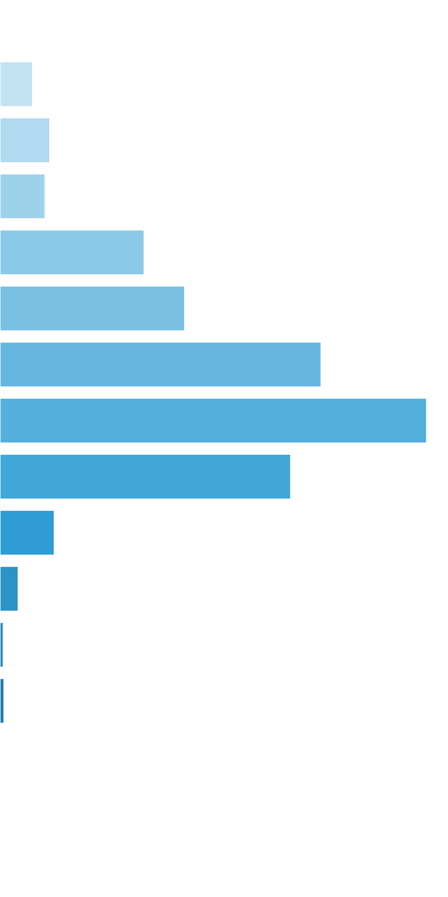
 | [0x, 0x] |  | 1 in 1.13 |  | 0.00x |  | 0.000%
 | (0x, 0.5x] |  | 1 in 54.77 |  | 0.36x |  | 0.161%
 | (0.5x, 1x) |  | 1 in 72.01 |  | 0.71x |  | 0.246%
 | [1x, 1x] |  | 1 in 111.27 |  | 1.00x |  | 0.223%
 | (1x, 2x) |  | 1 in 50.34 |  | 1.45x |  | 0.712%
 | [2x, 3x) |  | 1 in 62.69 |  | 2.31x |  | 0.912%
 | [3x, 5x) |  | 1 in 57.60 |  | 3.69x |  | 1.586%
 | [5x, 10x) |  | 1 in 79.53 |  | 6.77x |  | 2.108%
 | [10x, 20x) |  | 1 in 221.45 |  | 12.85x |  | 1.437%
 | [20x, 30x) |  | 1 in 2,152.85 |  | 23.35x |  | 0.269%
 | [30x, 50x) |  | 1 in 9,903.12 |  | 35.98x |  | 0.090%
 | [50x, 100x) |  | 1 in 82,526.00 |  | 55.13x |  | 0.017%
 | [100x, 200x) |  | 1 in 123,789.00 |  | 100.00x |  | 0.020%
 | [200x, 500x) |  | 1 in inf |  | nan |  | 0.000%
 | [500x, 1000x) |  | 1 in inf |  | nan |  | 0.000%
 | [1000x, inf) |  | 1 in inf |  | nan |  | 0.000%
 | Total |  | 1 in 8.93 |  | 2.81x |  | 7.779%

 | Section Index: |  | 0 | Section Name: |  | Base Game |  |  |  |  |  |  | Go To Content
 | Reelset Index: |  | 1 | Reelset Name: |  | Base Game | Cheap High Win Freq 1 | RTP 86%
 | Win Ranges |  | Win in Range |  | Average Win |  | RTP per Range
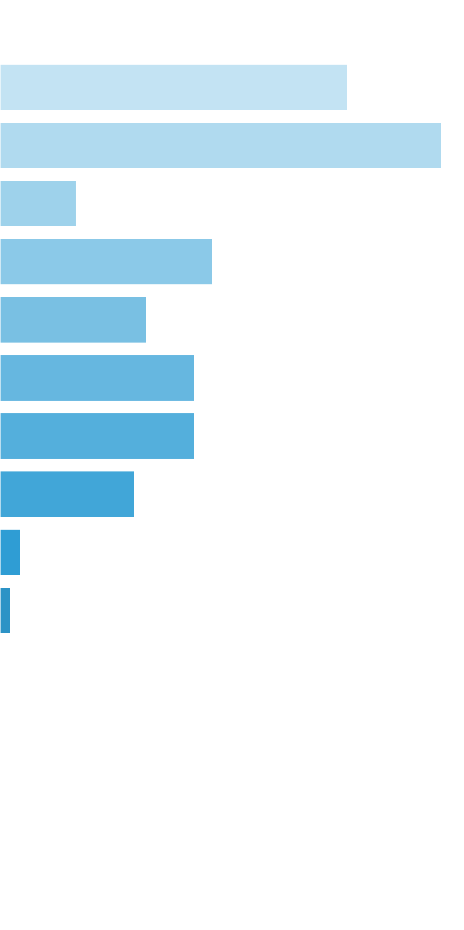
 | [0x, 0x] |  | 1 in 2.23 |  | 0.00x |  | 0.000%
 | (0x, 0.5x] |  | 1 in 3.53 |  | 0.32x |  | 0.232%
 | (0.5x, 1x) |  | 1 in 5.86 |  | 0.67x |  | 0.294%
 | [1x, 1x] |  | 1 in 50.49 |  | 1.00x |  | 0.051%
 | (1x, 2x) |  | 1 in 25.83 |  | 1.42x |  | 0.141%
 | [2x, 3x) |  | 1 in 61.63 |  | 2.34x |  | 0.098%
 | [3x, 5x) |  | 1 in 74.07 |  | 3.73x |  | 0.130%
 | [5x, 10x) |  | 1 in 130.46 |  | 6.59x |  | 0.130%
 | [10x, 20x) |  | 1 in 377.96 |  | 13.20x |  | 0.090%
 | [20x, 30x) |  | 1 in 4,283.50 |  | 22.93x |  | 0.014%
 | [30x, 50x) |  | 1 in 12,850.50 |  | 35.00x |  | 0.007%
 | [50x, 100x) |  | 1 in inf |  | nan |  | 0.000%
 | [100x, 200x) |  | 1 in inf |  | nan |  | 0.000%
 | [200x, 500x) |  | 1 in inf |  | nan |  | 0.000%
 | [500x, 1000x) |  | 1 in inf |  | nan |  | 0.000%
 | [1000x, inf) |  | 1 in inf |  | nan |  | 0.000%
 | Total |  | 1 in 1.81 |  | 0.84x |  | 1.186%

 | Section Index: |  | 0 | Section Name: |  | Base Game |  |  |  |  |  |  | Go To Content
 | Reelset Index: |  | 2 | Reelset Name: |  | Base Game | Cheap High Win Freq 2 | RTP 86%
 | Win Ranges |  | Win in Range |  | Average Win |  | RTP per Range
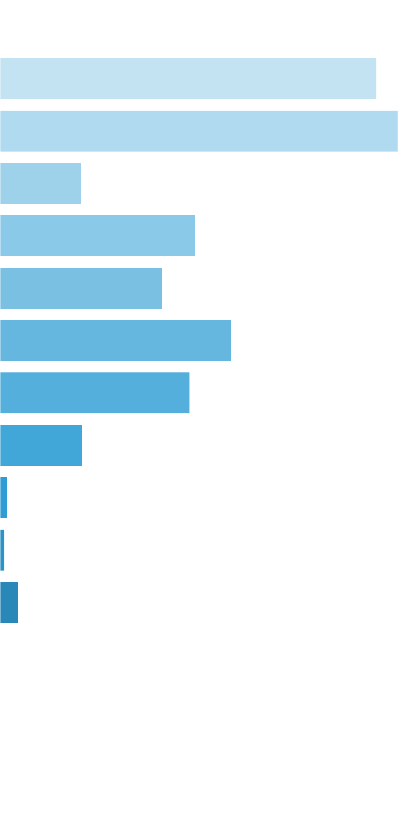
 | [0x, 0x] |  | 1 in 2.09 |  | 0.00x |  | 0.000%
 | (0x, 0.5x] |  | 1 in 3.58 |  | 0.33x |  | 0.241%
 | (0.5x, 1x) |  | 1 in 6.83 |  | 0.67x |  | 0.255%
 | [1x, 1x] |  | 1 in 49.94 |  | 1.00x |  | 0.052%
 | (1x, 2x) |  | 1 in 29.80 |  | 1.43x |  | 0.125%
 | [2x, 3x) |  | 1 in 58.73 |  | 2.34x |  | 0.104%
 | [3x, 5x) |  | 1 in 65.21 |  | 3.71x |  | 0.148%
 | [5x, 10x) |  | 1 in 141.40 |  | 6.60x |  | 0.121%
 | [10x, 20x) |  | 1 in 650.45 |  | 13.20x |  | 0.053%
 | [20x, 30x) |  | 1 in 13,009.00 |  | 23.70x |  | 0.005%
 | [30x, 50x) |  | 1 in 26,018.00 |  | 30.60x |  | 0.003%
 | [50x, 100x) |  | 1 in 13,009.00 |  | 59.60x |  | 0.012%
 | [100x, 200x) |  | 1 in inf |  | nan |  | 0.000%
 | [200x, 500x) |  | 1 in inf |  | nan |  | 0.000%
 | [500x, 1000x) |  | 1 in inf |  | nan |  | 0.000%
 | [1000x, inf) |  | 1 in inf |  | nan |  | 0.000%
 | Total |  | 1 in 1.92 |  | 0.83x |  | 1.118%

 | Section Index: |  | 0 | Section Name: |  | Base Game |  |  |  |  |  |  | Go To Content
 | Reelset Index: |  | 3 | Reelset Name: |  | Base Game | Many Pictures | RTP 86%
 | Win Ranges |  | Win in Range |  | Average Win |  | RTP per Range
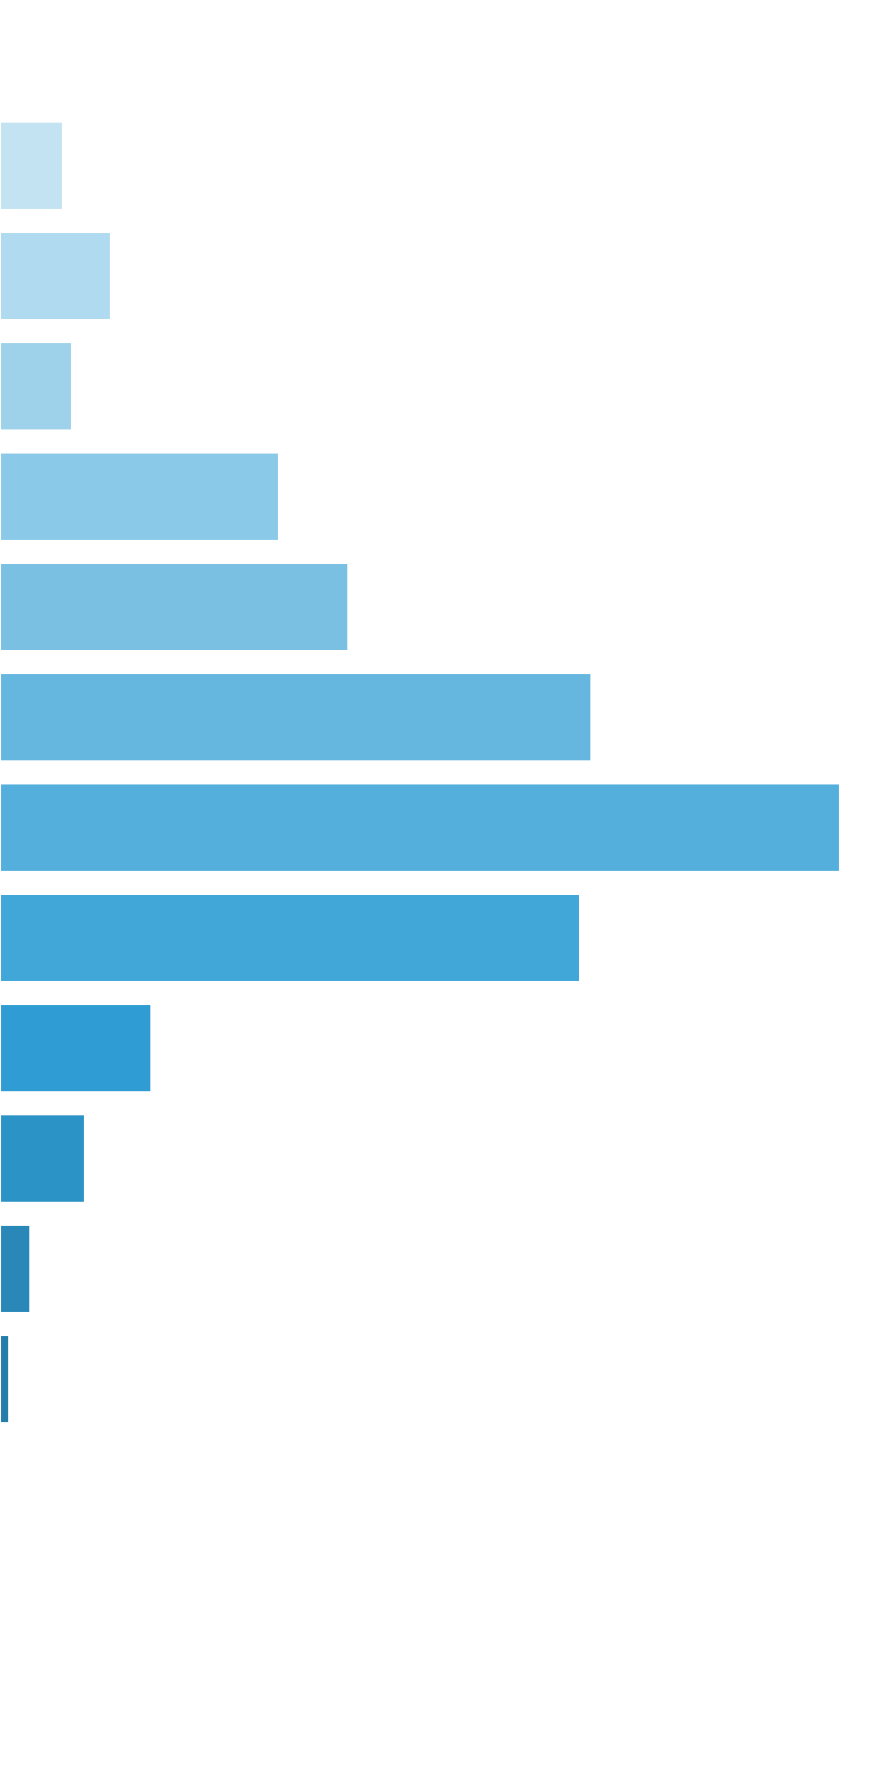
 | [0x, 0x] |  | 1 in 1.13 |  | 0.00x |  | 0.000%
 | (0x, 0.5x] |  | 1 in 52.73 |  | 0.35x |  | 0.066%
 | (0.5x, 1x) |  | 1 in 61.22 |  | 0.71x |  | 0.116%
 | [1x, 1x] |  | 1 in 131.95 |  | 1.00x |  | 0.076%
 | (1x, 2x) |  | 1 in 49.01 |  | 1.44x |  | 0.294%
 | [2x, 3x) |  | 1 in 63.59 |  | 2.33x |  | 0.367%
 | [3x, 5x) |  | 1 in 59.45 |  | 3.69x |  | 0.623%
 | [5x, 10x) |  | 1 in 76.38 |  | 6.74x |  | 0.885%
 | [10x, 20x) |  | 1 in 208.06 |  | 12.68x |  | 0.611%
 | [20x, 30x) |  | 1 in 1,474.76 |  | 23.45x |  | 0.159%
 | [30x, 50x) |  | 1 in 4,178.50 |  | 37.25x |  | 0.089%
 | [50x, 100x) |  | 1 in 16,714.00 |  | 52.97x |  | 0.032%
 | [100x, 200x) |  | 1 in 100,284.00 |  | 100.00x |  | 0.010%
 | [200x, 500x) |  | 1 in inf |  | nan |  | 0.000%
 | [500x, 1000x) |  | 1 in inf |  | nan |  | 0.000%
 | [1000x, inf) |  | 1 in inf |  | nan |  | 0.000%
 | Total |  | 1 in 8.72 |  | 2.89x |  | 3.328%

 | Section Index: |  | 0 | Section Name: |  | Base Game |  |  |  |  |  |  | Go To Content
 | Reelset Index: |  | 4 | Reelset Name: |  | Base Game | Free Spin Scatters | Reels 2,4 | RTP 86%
 | Win Ranges |  | Win in Range |  | Average Win |  | RTP per Range
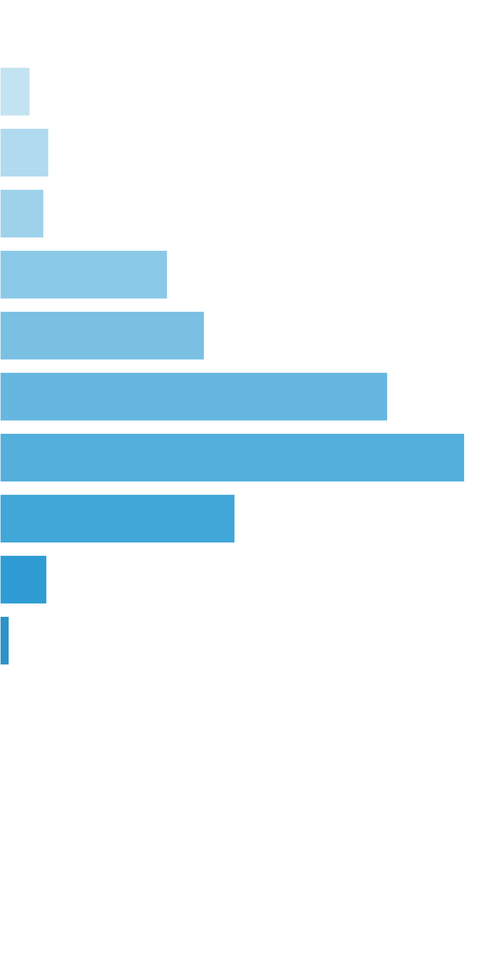
 | [0x, 0x] |  | 1 in 1.10 |  | 0.00x |  | 0.000%
 | (0x, 0.5x] |  | 1 in 75.30 |  | 0.36x |  | 0.024%
 | (0.5x, 1x) |  | 1 in 92.42 |  | 0.72x |  | 0.039%
 | [1x, 1x] |  | 1 in 142.45 |  | 1.00x |  | 0.035%
 | (1x, 2x) |  | 1 in 54.88 |  | 1.47x |  | 0.134%
 | [2x, 3x) |  | 1 in 71.23 |  | 2.32x |  | 0.163%
 | [3x, 5x) |  | 1 in 60.10 |  | 3.71x |  | 0.309%
 | [5x, 10x) |  | 1 in 93.28 |  | 6.91x |  | 0.371%
 | [10x, 20x) |  | 1 in 347.22 |  | 13.01x |  | 0.187%
 | [20x, 30x) |  | 1 in 3,125.00 |  | 23.42x |  | 0.037%
 | [30x, 50x) |  | 1 in 25,000.00 |  | 36.90x |  | 0.007%
 | [50x, 100x) |  | 1 in inf |  | nan |  | 0.000%
 | [100x, 200x) |  | 1 in inf |  | nan |  | 0.000%
 | [200x, 500x) |  | 1 in inf |  | nan |  | 0.000%
 | [500x, 1000x) |  | 1 in inf |  | nan |  | 0.000%
 | [1000x, inf) |  | 1 in inf |  | nan |  | 0.000%
 | Total |  | 1 in 10.64 |  | 2.78x |  | 1.306%

 | Section Index: |  | 0 | Section Name: |  | Base Game |  |  |  |  |  |  | Go To Content
 | Reelset Index: |  | 5 | Reelset Name: |  | Base Game | Free Spin Scatters | Reels 1,3,5 | RTP 86%
 | Win Ranges |  | Win in Range |  | Average Win |  | RTP per Range
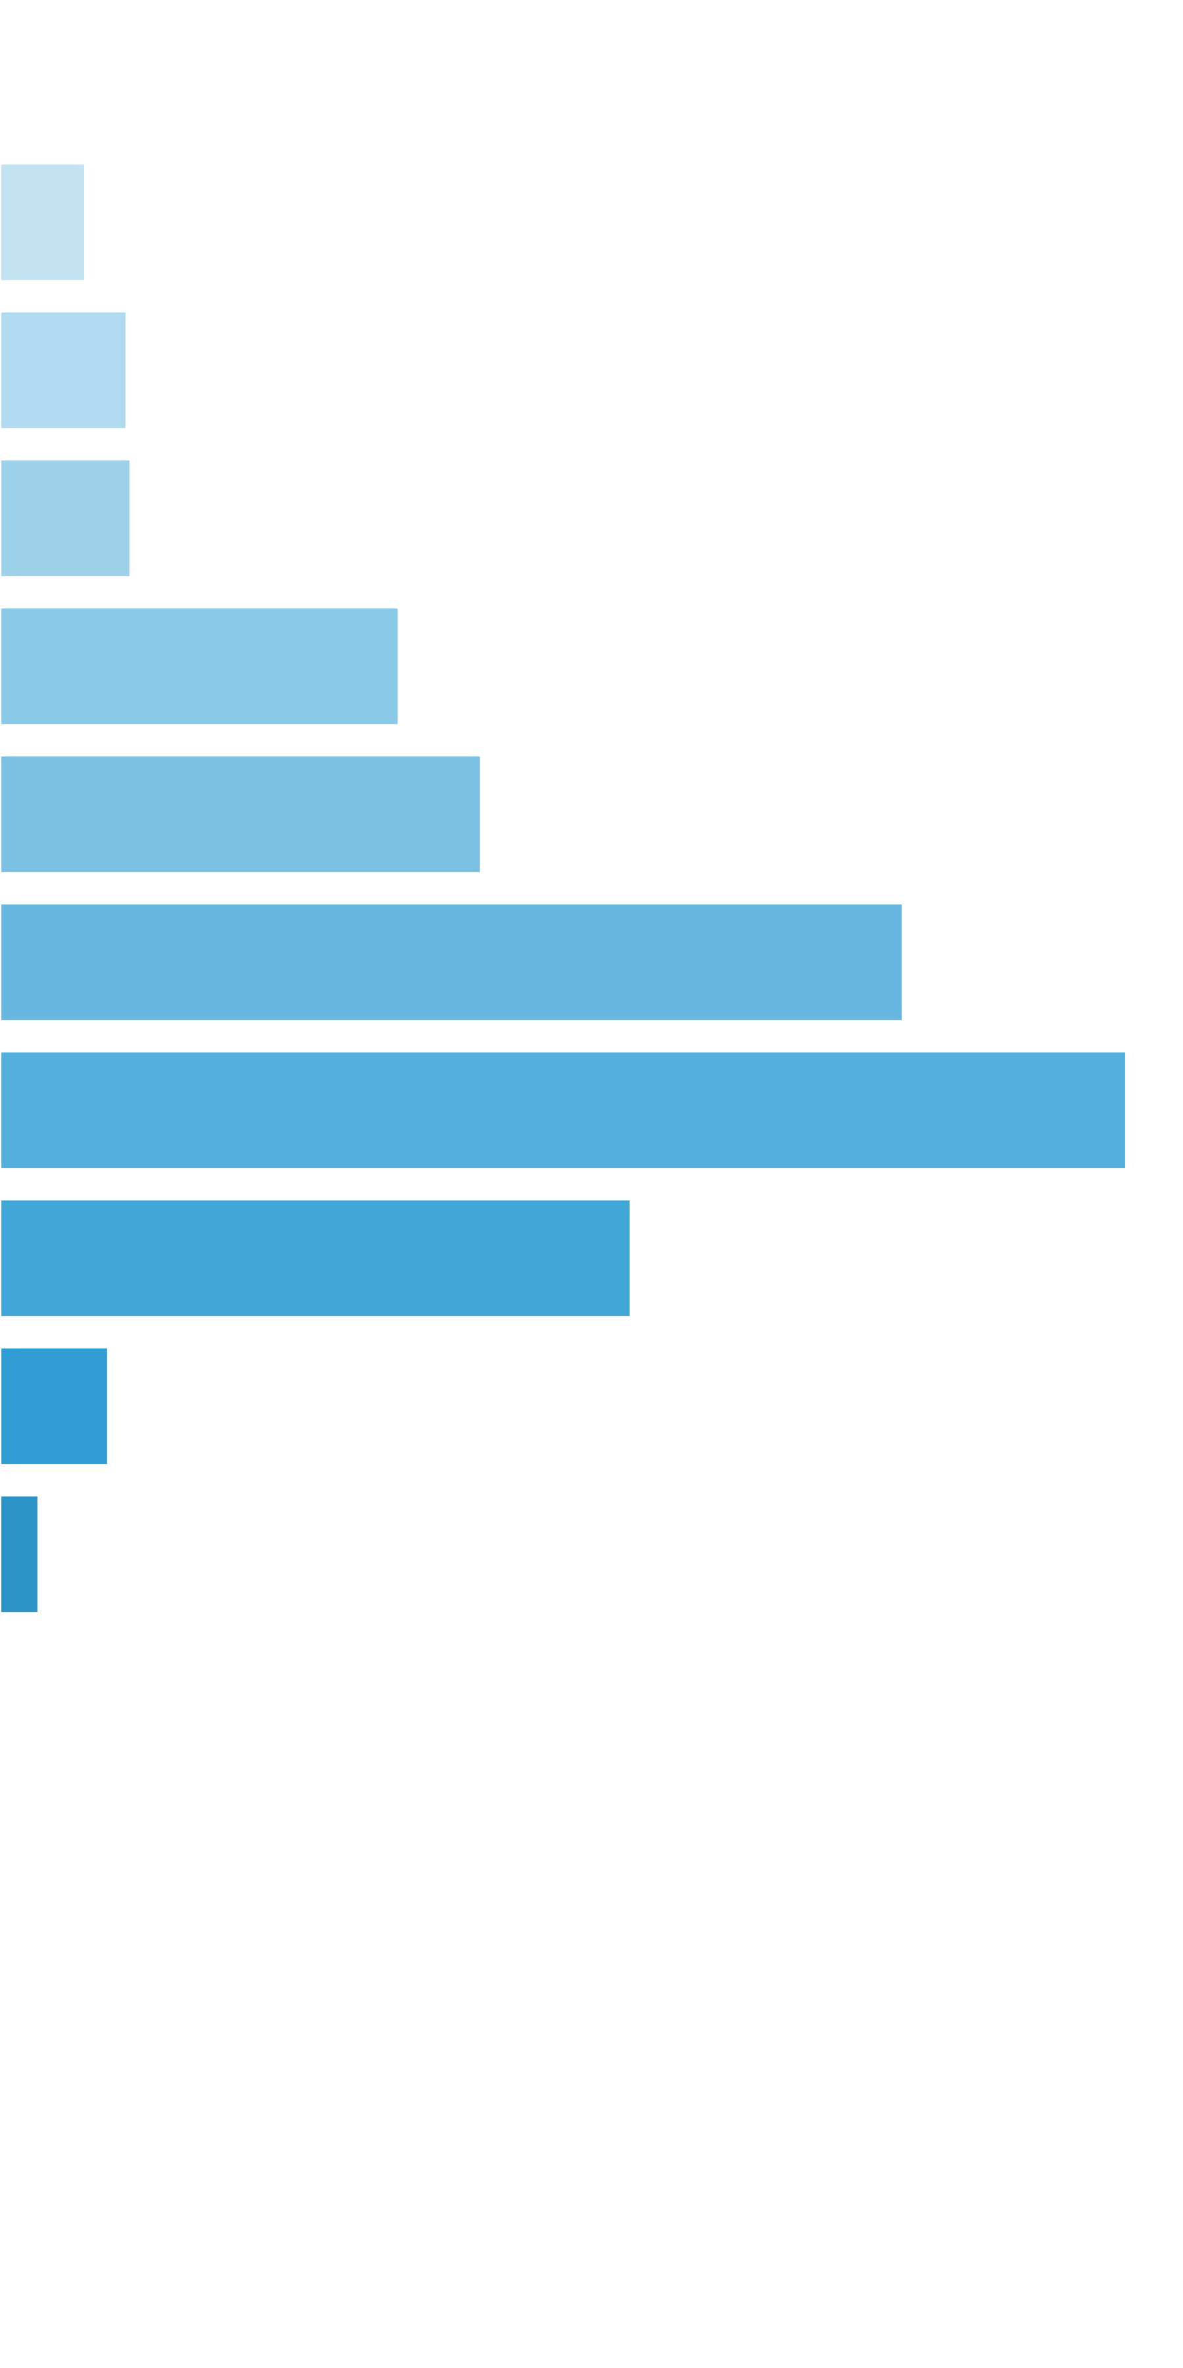
 | [0x, 0x] |  | 1 in 1.10 |  | 0.00x |  | 0.000%
 | (0x, 0.5x] |  | 1 in 65.84 |  | 0.35x |  | 0.027%
 | (0.5x, 1x) |  | 1 in 88.22 |  | 0.71x |  | 0.040%
 | [1x, 1x] |  | 1 in 121.27 |  | 1.00x |  | 0.041%
 | (1x, 2x) |  | 1 in 57.76 |  | 1.45x |  | 0.126%
 | [2x, 3x) |  | 1 in 76.80 |  | 2.33x |  | 0.151%
 | [3x, 5x) |  | 1 in 64.48 |  | 3.67x |  | 0.284%
 | [5x, 10x) |  | 1 in 96.22 |  | 6.84x |  | 0.354%
 | [10x, 20x) |  | 1 in 321.57 |  | 12.80x |  | 0.198%
 | [20x, 30x) |  | 1 in 3,322.87 |  | 22.79x |  | 0.034%
 | [30x, 50x) |  | 1 in 16,614.33 |  | 40.97x |  | 0.012%
 | [50x, 100x) |  | 1 in inf |  | nan |  | 0.000%
 | [100x, 200x) |  | 1 in inf |  | nan |  | 0.000%
 | [200x, 500x) |  | 1 in inf |  | nan |  | 0.000%
 | [500x, 1000x) |  | 1 in inf |  | nan |  | 0.000%
 | [1000x, inf) |  | 1 in inf |  | nan |  | 0.000%
 | Total |  | 1 in 10.58 |  | 2.69x |  | 1.268%

 | Section Index: |  | 0 | Section Name: |  | Base Game |  |  |  |  |  |  | Go To Content
 | Reelset Index: |  | 6 | Reelset Name: |  | Base Game | Free Spin Scatters | Reels 1,2,3,4,5 | RTP 86%
 | Win Ranges |  | Win in Range |  | Average Win |  | RTP per Range
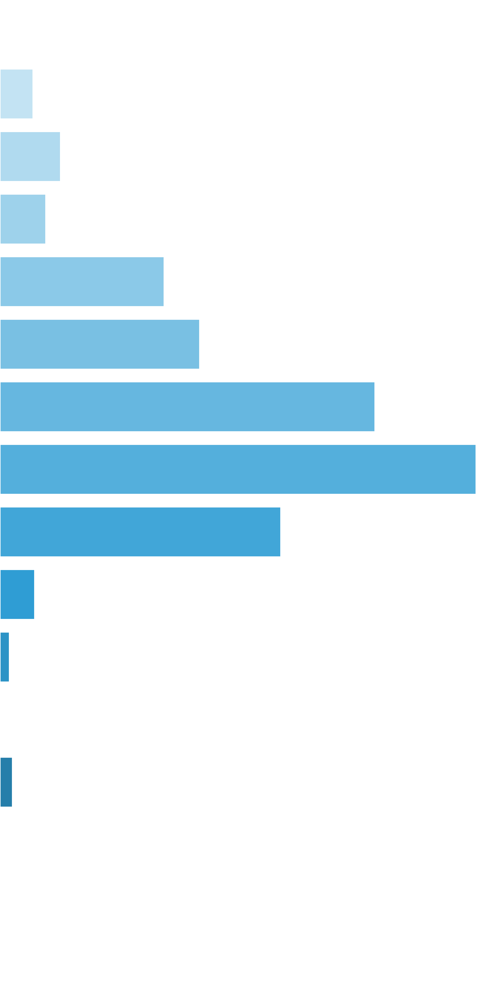
 | [0x, 0x] |  | 1 in 1.11 |  | 0.00x |  | 0.000%
 | (0x, 0.5x] |  | 1 in 66.31 |  | 0.35x |  | 0.053%
 | (0.5x, 1x) |  | 1 in 74.56 |  | 0.72x |  | 0.096%
 | [1x, 1x] |  | 1 in 136.87 |  | 1.00x |  | 0.073%
 | (1x, 2x) |  | 1 in 55.40 |  | 1.45x |  | 0.262%
 | [2x, 3x) |  | 1 in 73.14 |  | 2.33x |  | 0.319%
 | [3x, 5x) |  | 1 in 61.99 |  | 3.70x |  | 0.598%
 | [5x, 10x) |  | 1 in 89.90 |  | 6.82x |  | 0.759%
 | [10x, 20x) |  | 1 in 288.34 |  | 12.90x |  | 0.448%
 | [20x, 30x) |  | 1 in 4,168.96 |  | 23.10x |  | 0.055%
 | [30x, 50x) |  | 1 in 25,013.75 |  | 37.35x |  | 0.015%
 | [50x, 100x) |  | 1 in inf |  | nan |  | 0.000%
 | [100x, 200x) |  | 1 in 50,027.50 |  | 100.00x |  | 0.020%
 | [200x, 500x) |  | 1 in inf |  | nan |  | 0.000%
 | [500x, 1000x) |  | 1 in inf |  | nan |  | 0.000%
 | [1000x, inf) |  | 1 in inf |  | nan |  | 0.000%
 | Total |  | 1 in 10.15 |  | 2.74x |  | 2.698%

 | Section Index: |  | 0 | Section Name: |  | Base Game |  |  |  |  |  |  | Go To Content
 | Reelset Index: |  | 7 | Reelset Name: |  | Base Game | CF Max 3 scatters | 1-2-3 reels | RTP 86%
 | Win Ranges |  | Win in Range |  | Average Win |  | RTP per Range
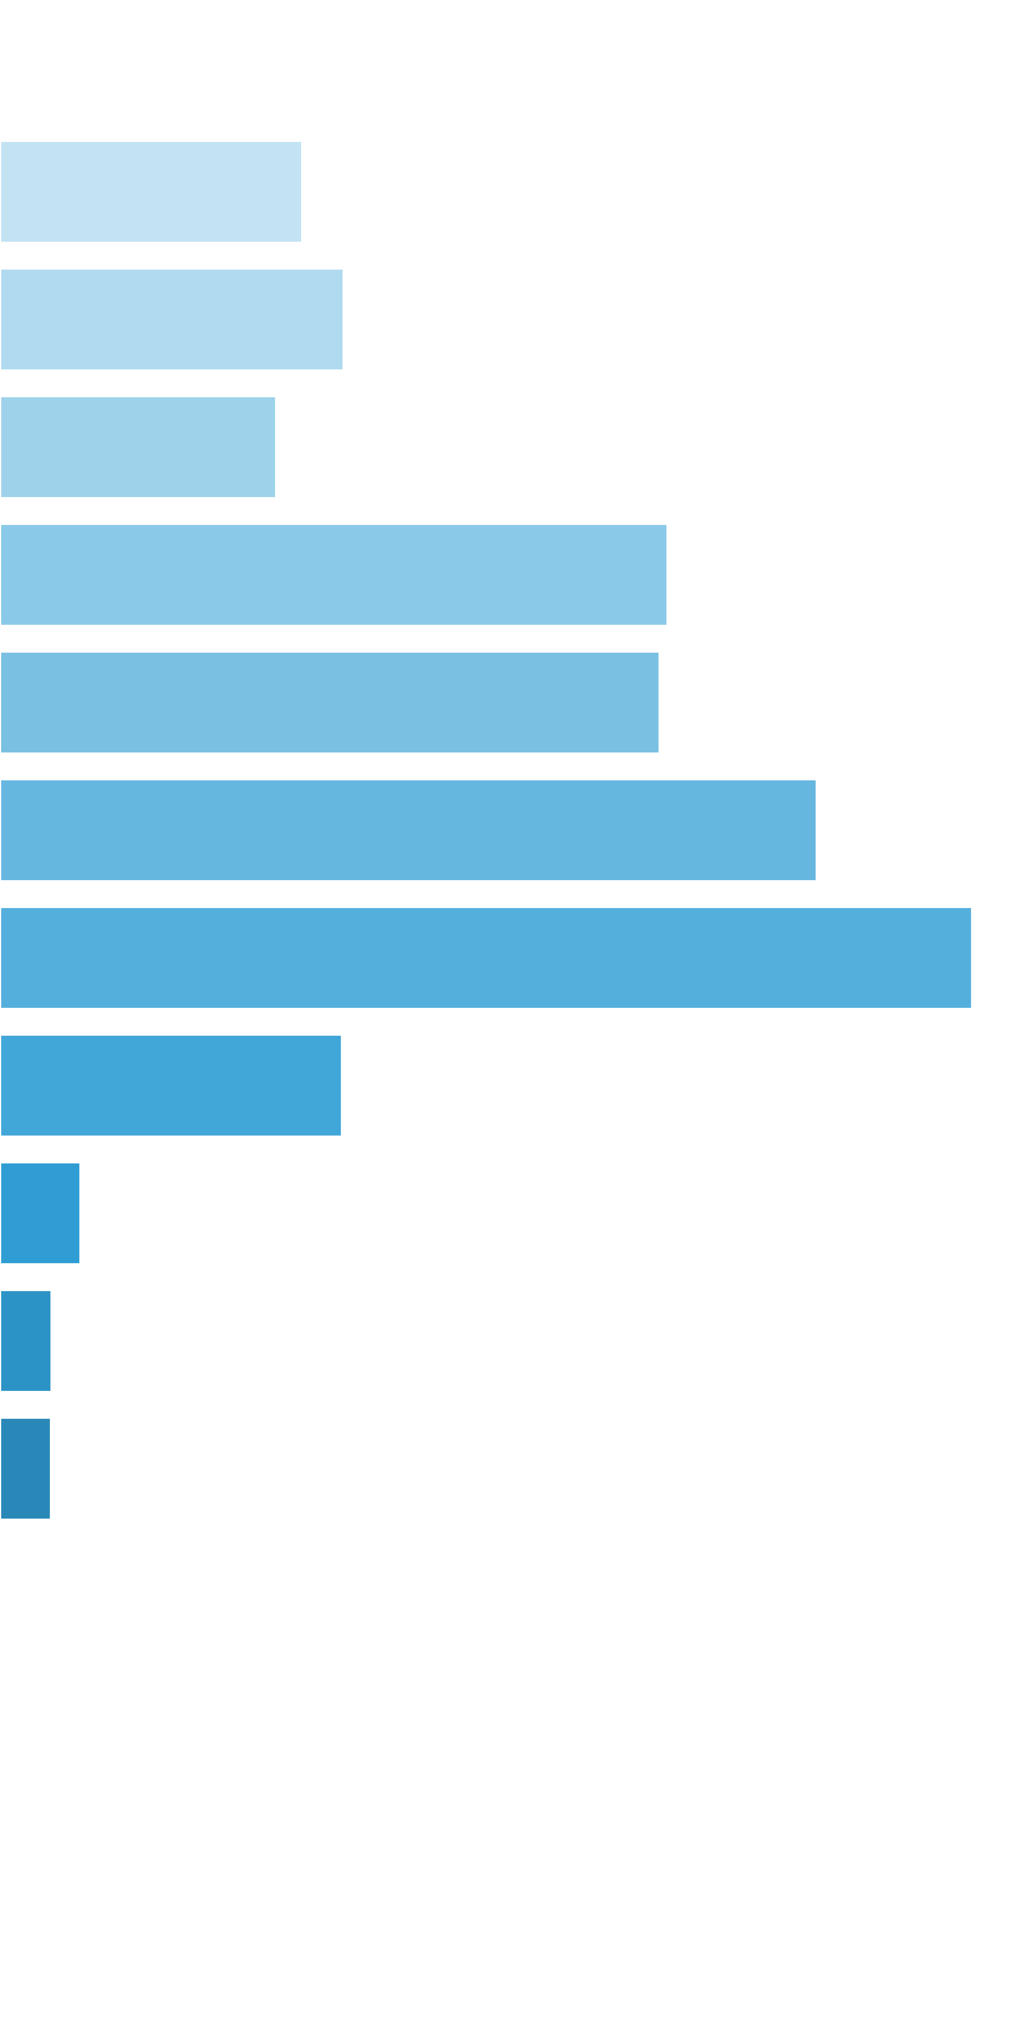
 | [0x, 0x] |  | 1 in 1.15 |  | 0.00x |  | 0.000%
 | (0x, 0.5x] |  | 1 in 25.11 |  | 0.35x |  | 0.036%
 | (0.5x, 1x) |  | 1 in 43.74 |  | 0.70x |  | 0.041%
 | [1x, 1x] |  | 1 in 78.29 |  | 1.00x |  | 0.033%
 | (1x, 2x) |  | 1 in 46.72 |  | 1.44x |  | 0.081%
 | [2x, 3x) |  | 1 in 75.13 |  | 2.29x |  | 0.080%
 | [3x, 5x) |  | 1 in 98.00 |  | 3.70x |  | 0.098%
 | [5x, 10x) |  | 1 in 149.82 |  | 6.74x |  | 0.117%
 | [10x, 20x) |  | 1 in 814.66 |  | 12.88x |  | 0.041%
 | [20x, 30x) |  | 1 in 6,517.25 |  | 24.28x |  | 0.010%
 | [30x, 50x) |  | 1 in 13,034.50 |  | 31.10x |  | 0.006%
 | [50x, 100x) |  | 1 in 26,069.00 |  | 61.80x |  | 0.006%
 | [100x, 200x) |  | 1 in inf |  | nan |  | 0.000%
 | [200x, 500x) |  | 1 in inf |  | nan |  | 0.000%
 | [500x, 1000x) |  | 1 in inf |  | nan |  | 0.000%
 | [1000x, inf) |  | 1 in inf |  | nan |  | 0.000%
 | Total |  | 1 in 7.78 |  | 1.64x |  | 0.550%

 | Section Index: |  | 0 | Section Name: |  | Base Game |  |  |  |  |  |  | Go To Content
 | Reelset Index: |  | 8 | Reelset Name: |  | Base Game | CF Max 3 scatters | 3-4-5 reels | RTP 86%
 | Win Ranges |  | Win in Range |  | Average Win |  | RTP per Range
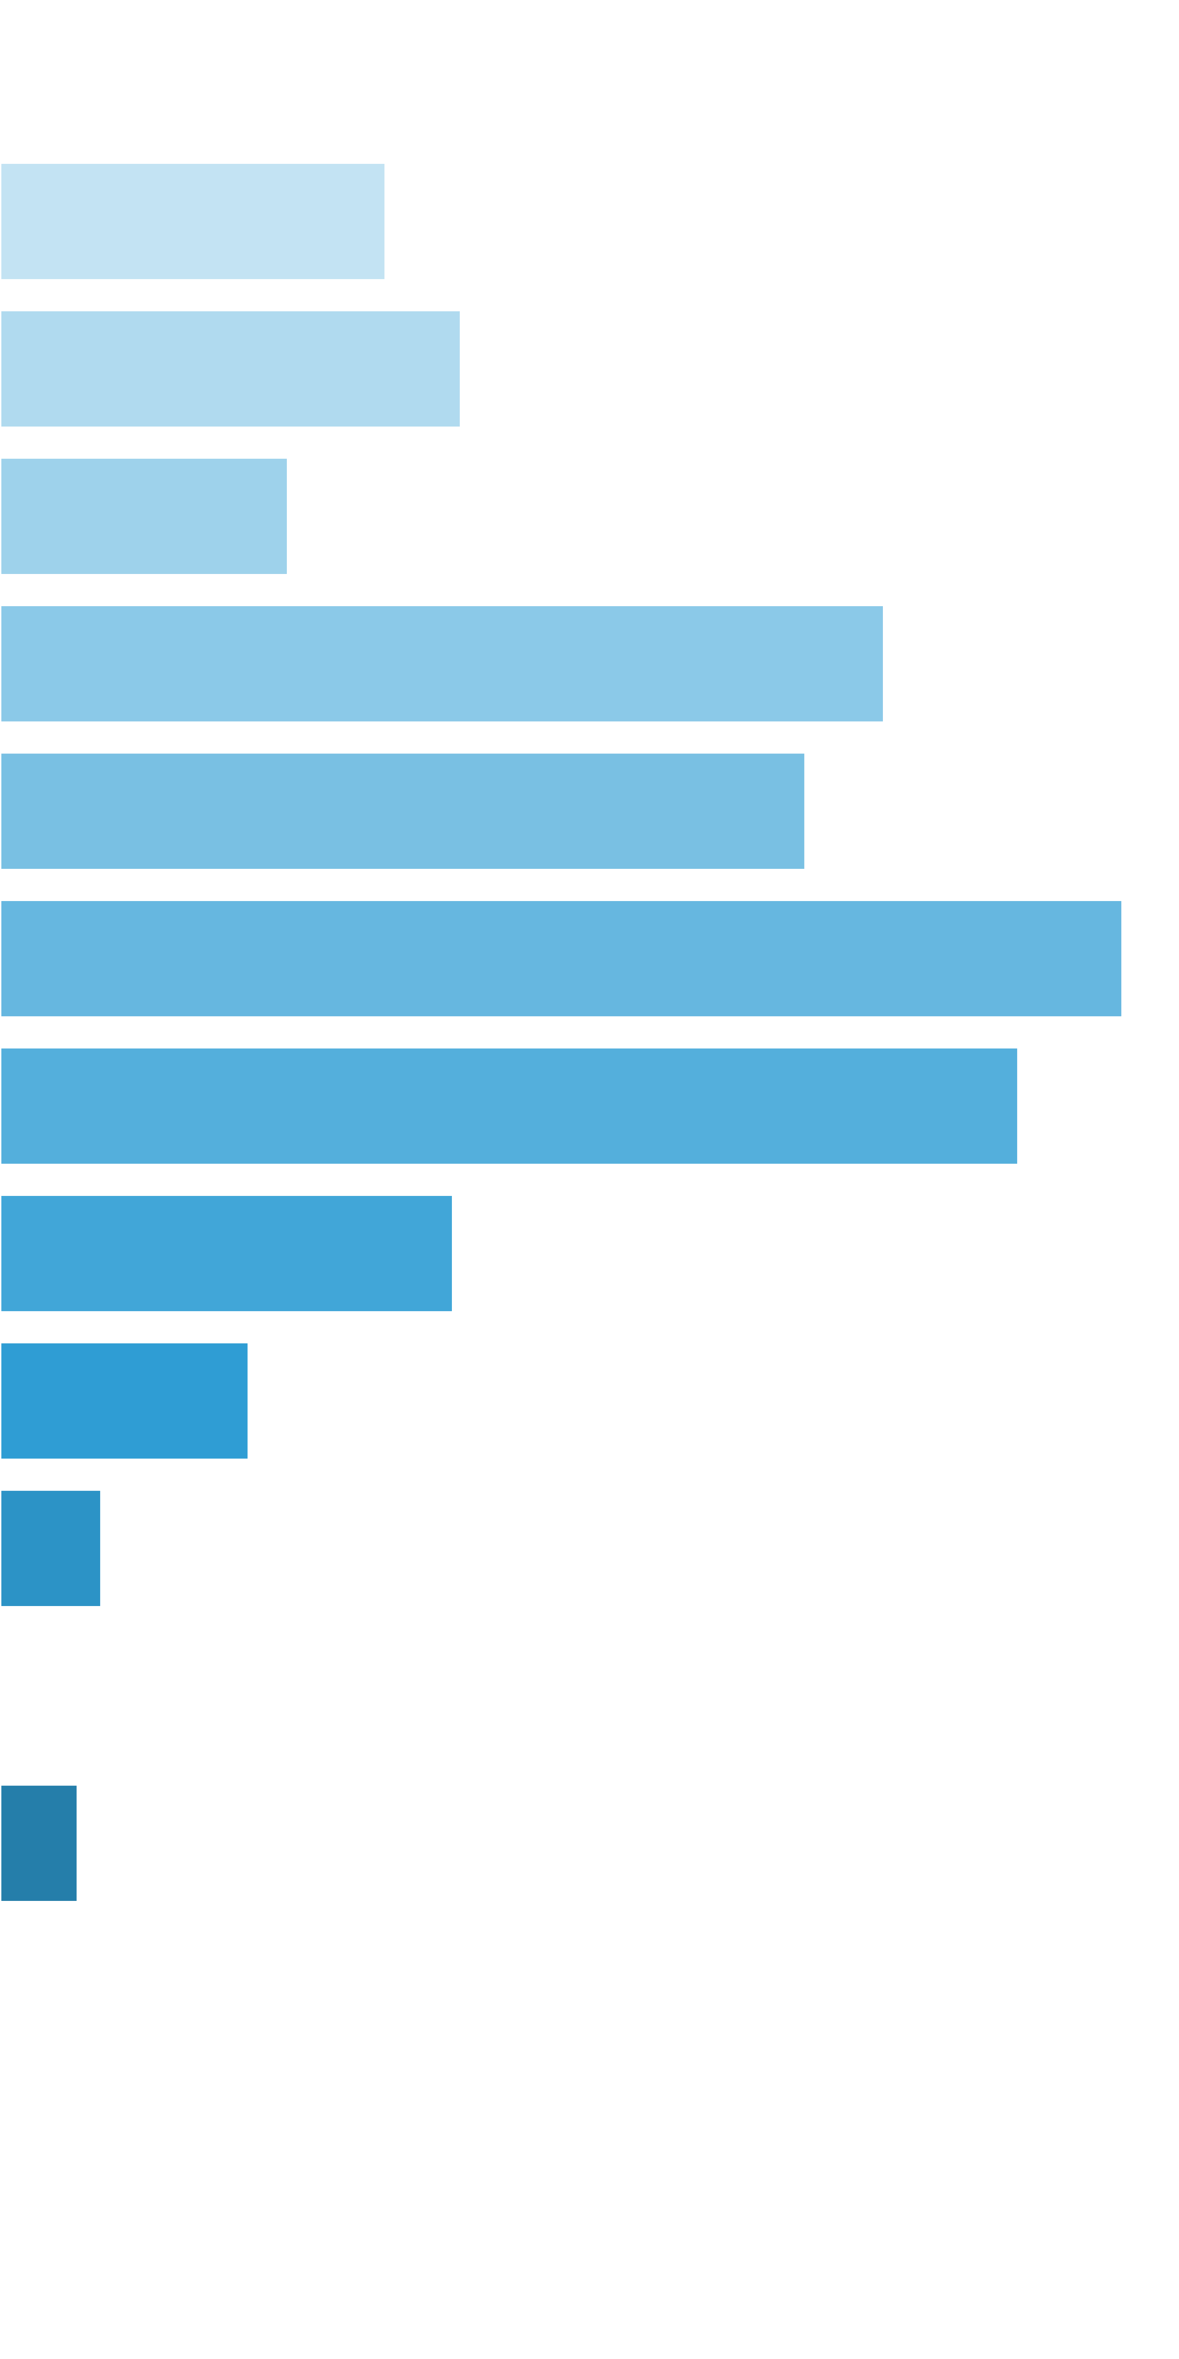
 | [0x, 0x] |  | 1 in 1.21 |  | 0.00x |  | 0.000%
 | (0x, 0.5x] |  | 1 in 18.08 |  | 0.34x |  | 0.049%
 | (0.5x, 1x) |  | 1 in 30.66 |  | 0.69x |  | 0.059%
 | [1x, 1x] |  | 1 in 70.54 |  | 1.00x |  | 0.037%
 | (1x, 2x) |  | 1 in 32.95 |  | 1.43x |  | 0.113%
 | [2x, 3x) |  | 1 in 58.63 |  | 2.32x |  | 0.103%
 | [3x, 5x) |  | 1 in 66.92 |  | 3.69x |  | 0.144%
 | [5x, 10x) |  | 1 in 132.13 |  | 6.62x |  | 0.130%
 | [10x, 20x) |  | 1 in 565.87 |  | 12.60x |  | 0.058%
 | [20x, 30x) |  | 1 in 2,002.31 |  | 24.49x |  | 0.032%
 | [30x, 50x) |  | 1 in 8,676.67 |  | 43.17x |  | 0.013%
 | [50x, 100x) |  | 1 in inf |  | nan |  | 0.000%
 | [100x, 200x) |  | 1 in 26,030.00 |  | 100.00x |  | 0.010%
 | [200x, 500x) |  | 1 in inf |  | nan |  | 0.000%
 | [500x, 1000x) |  | 1 in inf |  | nan |  | 0.000%
 | [1000x, inf) |  | 1 in inf |  | nan |  | 0.000%
 | Total |  | 1 in 5.73 |  | 1.65x |  | 0.748%

 | Section Index: |  | 0 | Section Name: |  | Base Game |  |  |  |  |  |  | Go To Content
 | Reelset Index: |  | 9 | Reelset Name: |  | Base Game | CF Max 3 scatters | 2-5 reels | RTP 86%
 | Win Ranges |  | Win in Range |  | Average Win |  | RTP per Range
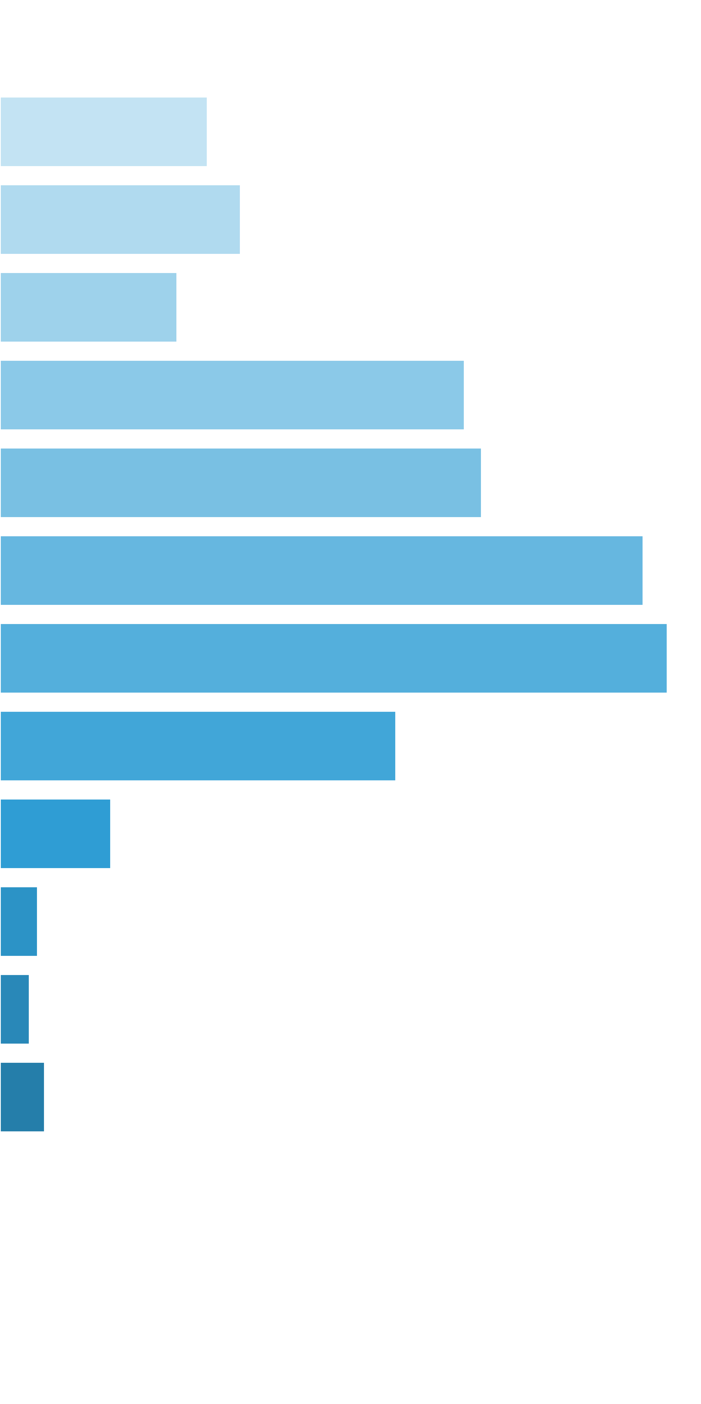
 | [0x, 0x] |  | 1 in 1.17 |  | 0.00x |  | 0.000%
 | (0x, 0.5x] |  | 1 in 22.83 |  | 0.35x |  | 0.046%
 | (0.5x, 1x) |  | 1 in 39.58 |  | 0.70x |  | 0.054%
 | [1x, 1x] |  | 1 in 76.27 |  | 1.00x |  | 0.040%
 | (1x, 2x) |  | 1 in 41.83 |  | 1.44x |  | 0.104%
 | [2x, 3x) |  | 1 in 64.67 |  | 2.30x |  | 0.108%
 | [3x, 5x) |  | 1 in 78.65 |  | 3.74x |  | 0.144%
 | [5x, 10x) |  | 1 in 137.90 |  | 6.81x |  | 0.149%
 | [10x, 20x) |  | 1 in 444.13 |  | 13.01x |  | 0.089%
 | [20x, 30x) |  | 1 in 2,745.55 |  | 22.51x |  | 0.025%
 | [30x, 50x) |  | 1 in 15,100.50 |  | 42.40x |  | 0.008%
 | [50x, 100x) |  | 1 in 30,201.00 |  | 66.00x |  | 0.007%
 | [100x, 200x) |  | 1 in 30,201.00 |  | 100.00x |  | 0.010%
 | [200x, 500x) |  | 1 in inf |  | nan |  | 0.000%
 | [500x, 1000x) |  | 1 in inf |  | nan |  | 0.000%
 | [1000x, inf) |  | 1 in inf |  | nan |  | 0.000%
 | Total |  | 1 in 6.93 |  | 1.80x |  | 0.782%

 | Section Index: |  | 0 | Section Name: |  | Base Game |  |  |  |  |  |  | Go To Content
 | Reelset Index: |  | 10 | Reelset Name: |  | Base Game | CF Max 3 scatters | 3-4 reels | RTP 86%
 | Win Ranges |  | Win in Range |  | Average Win |  | RTP per Range
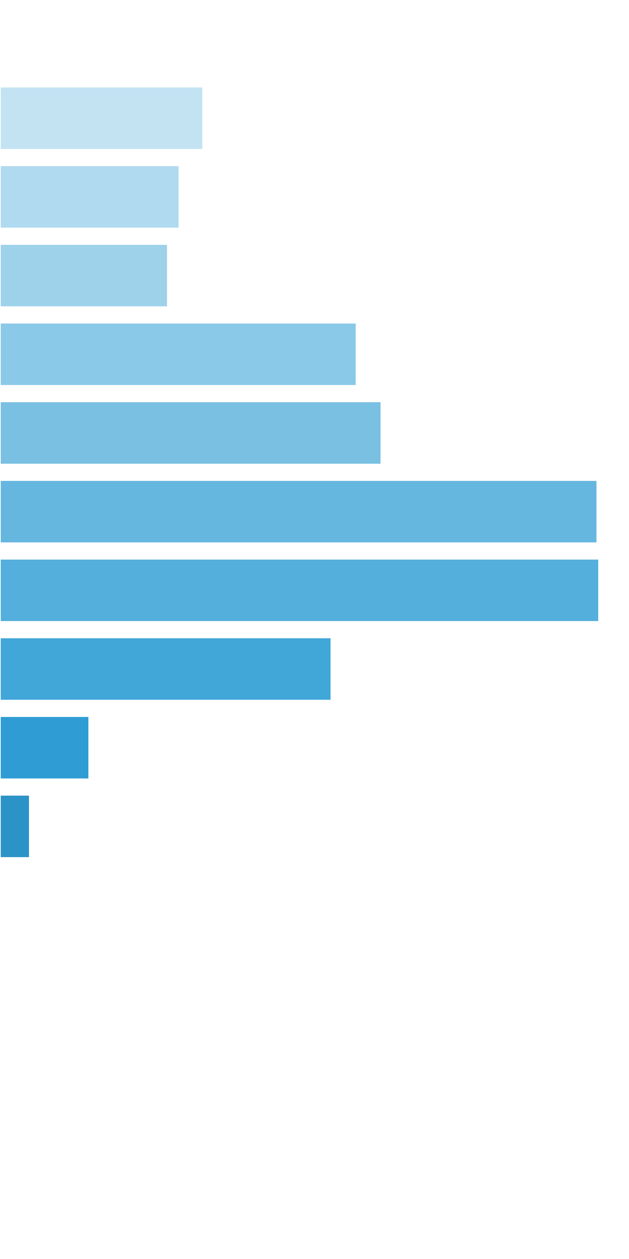
 | [0x, 0x] |  | 1 in 1.16 |  | 0.00x |  | 0.000%
 | (0x, 0.5x] |  | 1 in 20.76 |  | 0.34x |  | 0.049%
 | (0.5x, 1x) |  | 1 in 49.99 |  | 0.72x |  | 0.043%
 | [1x, 1x] |  | 1 in 74.36 |  | 1.00x |  | 0.040%
 | (1x, 2x) |  | 1 in 51.18 |  | 1.46x |  | 0.086%
 | [2x, 3x) |  | 1 in 75.30 |  | 2.30x |  | 0.092%
 | [3x, 5x) |  | 1 in 78.24 |  | 3.75x |  | 0.144%
 | [5x, 10x) |  | 1 in 137.18 |  | 6.59x |  | 0.144%
 | [10x, 20x) |  | 1 in 492.51 |  | 13.08x |  | 0.080%
 | [20x, 30x) |  | 1 in 3,338.11 |  | 23.89x |  | 0.021%
 | [30x, 50x) |  | 1 in 15,021.50 |  | 35.60x |  | 0.007%
 | [50x, 100x) |  | 1 in inf |  | nan |  | 0.000%
 | [100x, 200x) |  | 1 in inf |  | nan |  | 0.000%
 | [200x, 500x) |  | 1 in inf |  | nan |  | 0.000%
 | [500x, 1000x) |  | 1 in inf |  | nan |  | 0.000%
 | [1000x, inf) |  | 1 in inf |  | nan |  | 0.000%
 | Total |  | 1 in 7.30 |  | 1.72x |  | 0.707%

 | Section Index: |  | 0 | Section Name: |  | Base Game |  |  |  |  |  |  | Go To Content
 | Reelset Index: |  | 11 | Reelset Name: |  | Base Game | CF Max 3 scatters | 2 reel | RTP 86%
 | Win Ranges |  | Win in Range |  | Average Win |  | RTP per Range
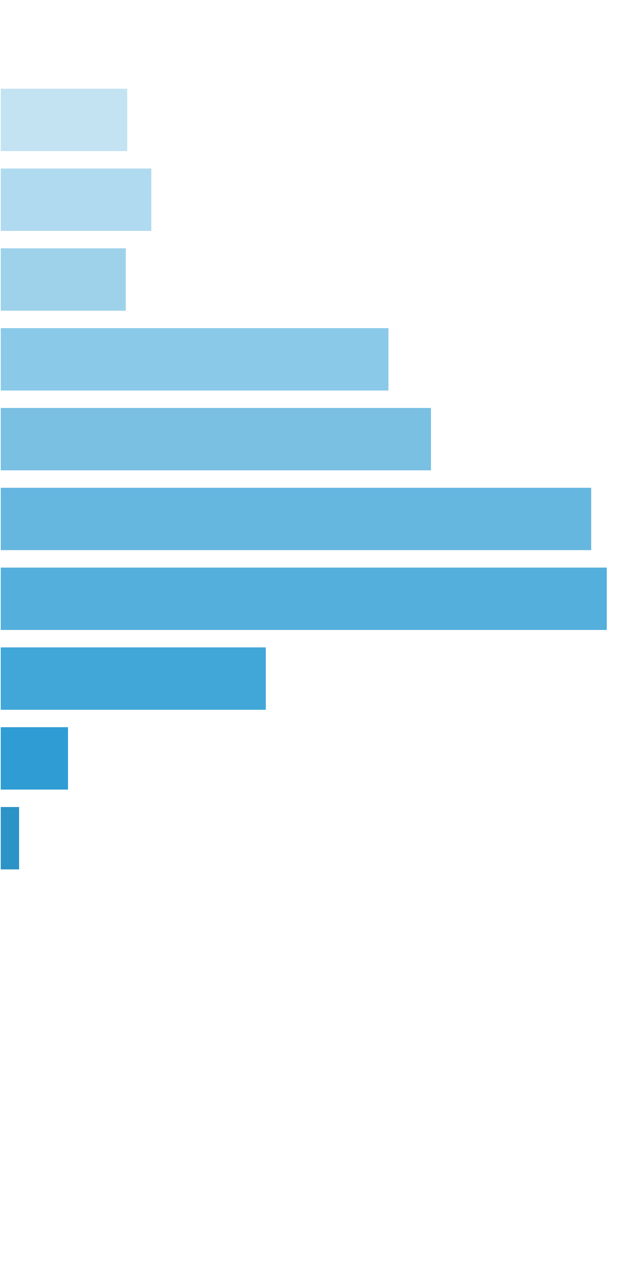
 | [0x, 0x] |  | 1 in 1.11 |  | 0.00x |  | 0.000%
 | (0x, 0.5x] |  | 1 in 39.42 |  | 0.35x |  | 0.031%
 | (0.5x, 1x) |  | 1 in 68.25 |  | 0.71x |  | 0.037%
 | [1x, 1x] |  | 1 in 115.03 |  | 1.00x |  | 0.030%
 | (1x, 2x) |  | 1 in 54.65 |  | 1.46x |  | 0.094%
 | [2x, 3x) |  | 1 in 77.96 |  | 2.31x |  | 0.104%
 | [3x, 5x) |  | 1 in 91.60 |  | 3.72x |  | 0.143%
 | [5x, 10x) |  | 1 in 156.62 |  | 6.53x |  | 0.146%
 | [10x, 20x) |  | 1 in 715.98 |  | 13.11x |  | 0.064%
 | [20x, 30x) |  | 1 in 5,011.86 |  | 23.67x |  | 0.017%
 | [30x, 50x) |  | 1 in 35,083.00 |  | 48.00x |  | 0.005%
 | [50x, 100x) |  | 1 in inf |  | nan |  | 0.000%
 | [100x, 200x) |  | 1 in inf |  | nan |  | 0.000%
 | [200x, 500x) |  | 1 in inf |  | nan |  | 0.000%
 | [500x, 1000x) |  | 1 in inf |  | nan |  | 0.000%
 | [1000x, inf) |  | 1 in inf |  | nan |  | 0.000%
 | Total |  | 1 in 10.12 |  | 1.93x |  | 0.670%

 | Section Index: |  | 0 | Section Name: |  | Base Game |  |  |  |  |  |  | Go To Content
 | Reelset Index: |  | 12 | Reelset Name: |  | Base Game | CF Max 3 scatters | 3 reel | RTP 86%
 | Win Ranges |  | Win in Range |  | Average Win |  | RTP per Range
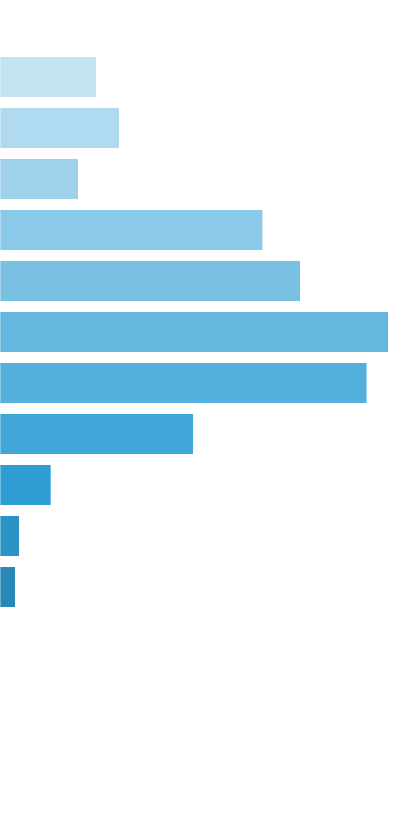
 | [0x, 0x] |  | 1 in 1.12 |  | 0.00x |  | 0.000%
 | (0x, 0.5x] |  | 1 in 33.70 |  | 0.34x |  | 0.036%
 | (0.5x, 1x) |  | 1 in 56.17 |  | 0.70x |  | 0.044%
 | [1x, 1x] |  | 1 in 121.44 |  | 1.00x |  | 0.029%
 | (1x, 2x) |  | 1 in 52.48 |  | 1.45x |  | 0.097%
 | [2x, 3x) |  | 1 in 73.52 |  | 2.32x |  | 0.111%
 | [3x, 5x) |  | 1 in 91.47 |  | 3.72x |  | 0.143%
 | [5x, 10x) |  | 1 in 175.21 |  | 6.73x |  | 0.135%
 | [10x, 20x) |  | 1 in 640.31 |  | 12.97x |  | 0.071%
 | [20x, 30x) |  | 1 in 4,402.12 |  | 23.46x |  | 0.019%
 | [30x, 50x) |  | 1 in 17,608.50 |  | 35.65x |  | 0.007%
 | [50x, 100x) |  | 1 in 35,217.00 |  | 57.80x |  | 0.006%
 | [100x, 200x) |  | 1 in inf |  | nan |  | 0.000%
 | [200x, 500x) |  | 1 in inf |  | nan |  | 0.000%
 | [500x, 1000x) |  | 1 in inf |  | nan |  | 0.000%
 | [1000x, inf) |  | 1 in inf |  | nan |  | 0.000%
 | Total |  | 1 in 9.36 |  | 1.85x |  | 0.698%

 | Section Index: |  | 0 | Section Name: |  | Base Game |  |  |  |  |  |  | Go To Content
 | Reelset Index: |  | 13 | Reelset Name: |  | Base Game | CF Max 3 scatters | 5 reel | RTP 86%
 | Win Ranges |  | Win in Range |  | Average Win |  | RTP per Range
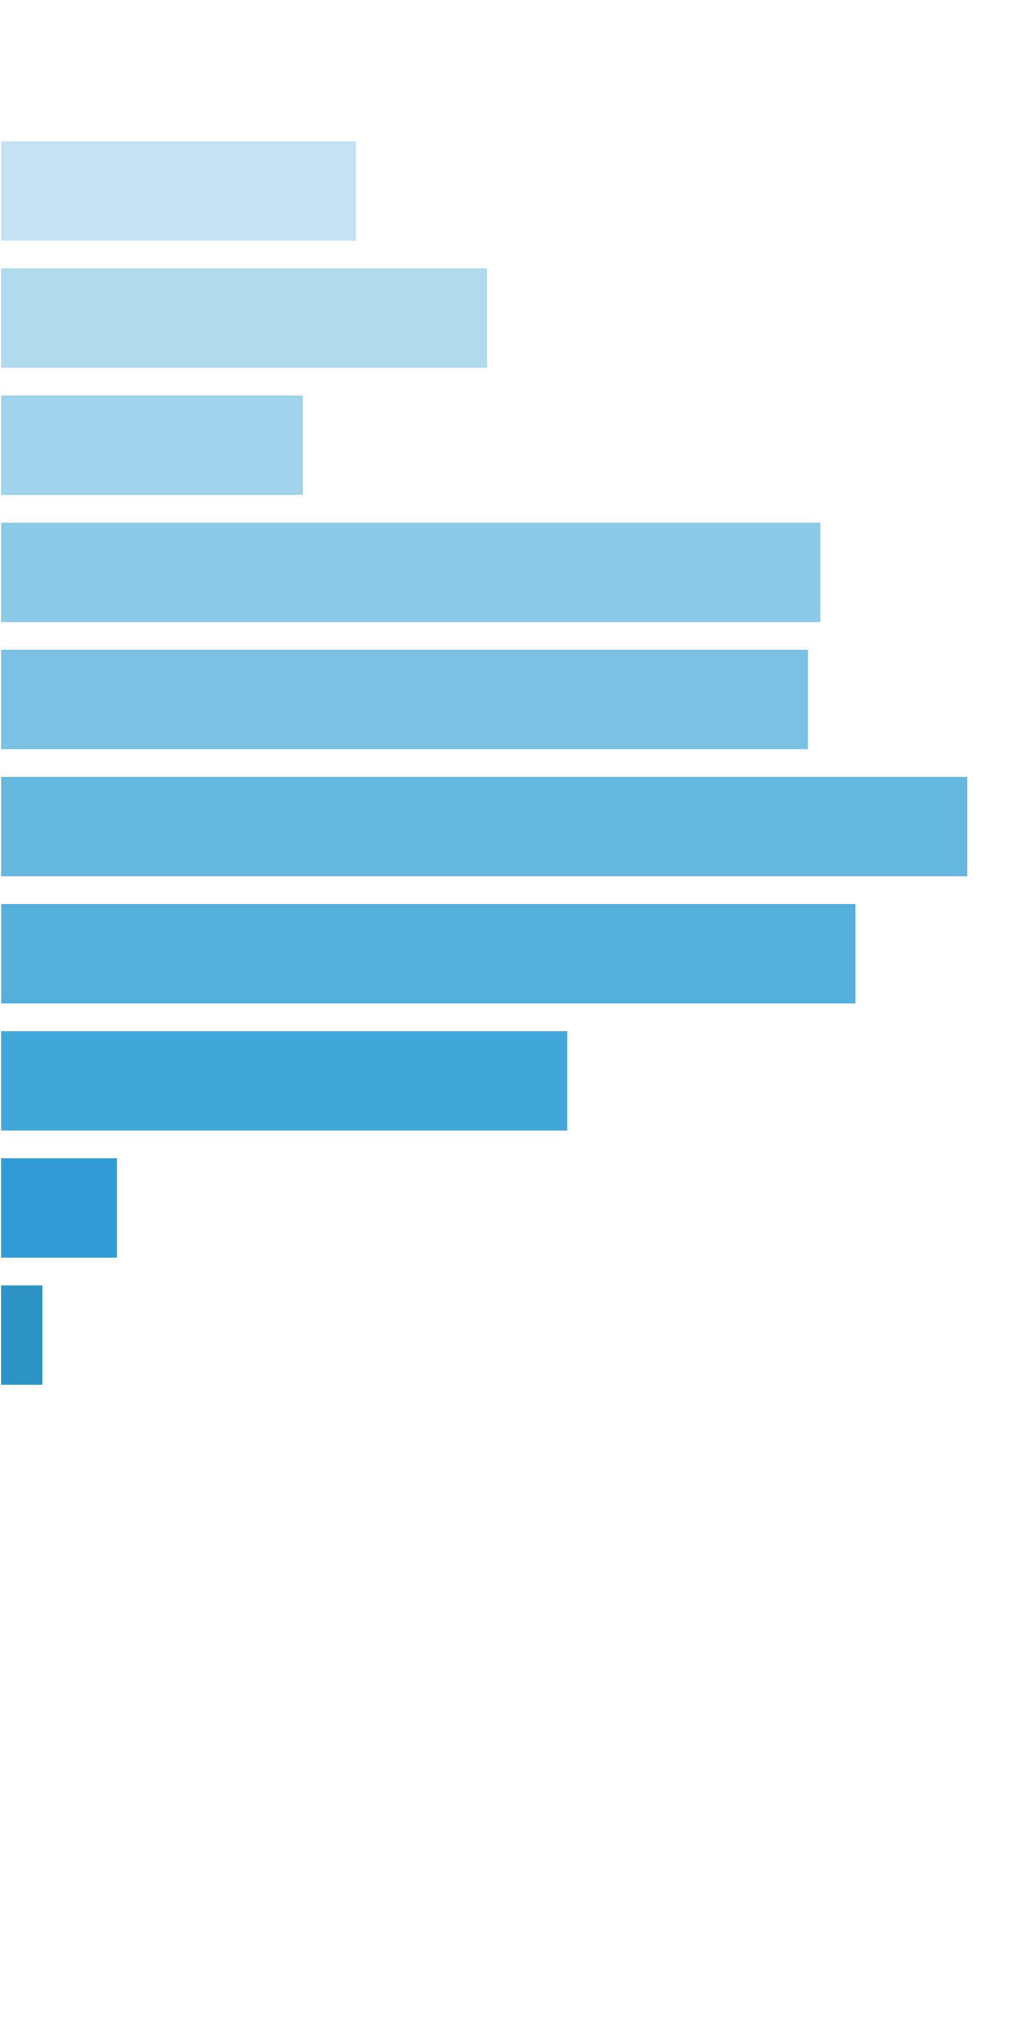
 | [0x, 0x] |  | 1 in 1.21 |  | 0.00x |  | 0.000%
 | (0x, 0.5x] |  | 1 in 18.68 |  | 0.35x |  | 0.033%
 | (0.5x, 1x) |  | 1 in 27.88 |  | 0.70x |  | 0.046%
 | [1x, 1x] |  | 1 in 63.59 |  | 1.00x |  | 0.028%
 | (1x, 2x) |  | 1 in 33.75 |  | 1.43x |  | 0.077%
 | [2x, 3x) |  | 1 in 56.11 |  | 2.35x |  | 0.076%
 | [3x, 5x) |  | 1 in 73.97 |  | 3.71x |  | 0.091%
 | [5x, 10x) |  | 1 in 151.02 |  | 6.69x |  | 0.080%
 | [10x, 20x) |  | 1 in 442.00 |  | 12.99x |  | 0.053%
 | [20x, 30x) |  | 1 in 4,530.50 |  | 27.70x |  | 0.011%
 | [30x, 50x) |  | 1 in 18,122.00 |  | 40.60x |  | 0.004%
 | [50x, 100x) |  | 1 in inf |  | nan |  | 0.000%
 | [100x, 200x) |  | 1 in inf |  | nan |  | 0.000%
 | [200x, 500x) |  | 1 in inf |  | nan |  | 0.000%
 | [500x, 1000x) |  | 1 in inf |  | nan |  | 0.000%
 | [1000x, inf) |  | 1 in inf |  | nan |  | 0.000%
 | Total |  | 1 in 5.71 |  | 1.57x |  | 0.500%

 | Section Index: |  | 0 | Section Name: |  | Base Game |  |  |  |  |  |  | Go To Content
 | Reelset Index: |  | 14 | Reelset Name: |  | Base Game | CF Max 12 scatters | Common trigger | RTP 86%
 | Win Ranges |  | Win in Range |  | Average Win |  | RTP per Range
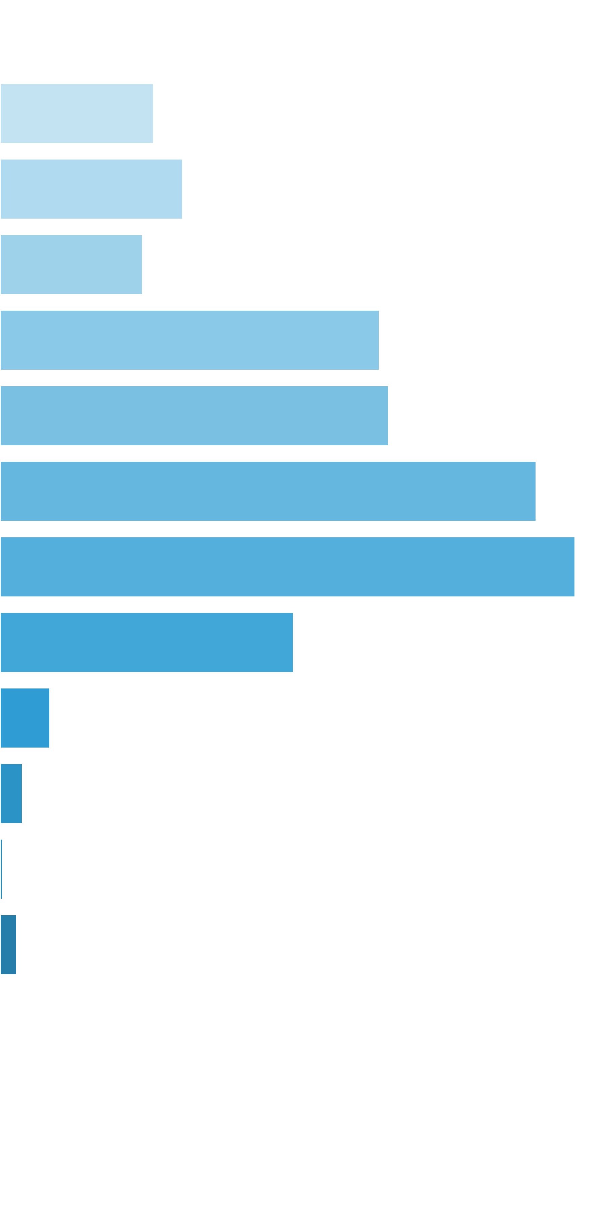
 | [0x, 0x] |  | 1 in 1.16 |  | 0.00x |  | 0.000%
 | (0x, 0.5x] |  | 1 in 25.15 |  | 0.35x |  | 0.277%
 | (0.5x, 1x) |  | 1 in 42.88 |  | 0.71x |  | 0.329%
 | [1x, 1x] |  | 1 in 77.91 |  | 1.00x |  | 0.256%
 | (1x, 2x) |  | 1 in 42.41 |  | 1.45x |  | 0.683%
 | [2x, 3x) |  | 1 in 66.30 |  | 2.32x |  | 0.699%
 | [3x, 5x) |  | 1 in 76.42 |  | 3.69x |  | 0.965%
 | [5x, 10x) |  | 1 in 129.63 |  | 6.72x |  | 1.035%
 | [10x, 20x) |  | 1 in 489.60 |  | 12.96x |  | 0.529%
 | [20x, 30x) |  | 1 in 5,398.81 |  | 24.30x |  | 0.090%
 | [30x, 50x) |  | 1 in 18,159.64 |  | 36.80x |  | 0.040%
 | [50x, 100x) |  | 1 in 199,756.00 |  | 50.80x |  | 0.005%
 | [100x, 200x) |  | 1 in 66,585.33 |  | 100.00x |  | 0.030%
 | [200x, 500x) |  | 1 in inf |  | nan |  | 0.000%
 | [500x, 1000x) |  | 1 in inf |  | nan |  | 0.000%
 | [1000x, inf) |  | 1 in inf |  | nan |  | 0.000%
 | Total |  | 1 in 7.26 |  | 1.80x |  | 4.939%

 | 11.2. Free Spins Reelsets |  |  |  |  |  |  |  |  |  |  |  | Go To Content

 | Section Index: |  | 1 | Section Name: |  | Free Spins
 | Reelset Index: |  | 0 | Reelset Name: |  | Free Game | Normal Game | RTP 86%
 | Win Ranges |  | Win in Range |  | Average Win |  | RTP per Range
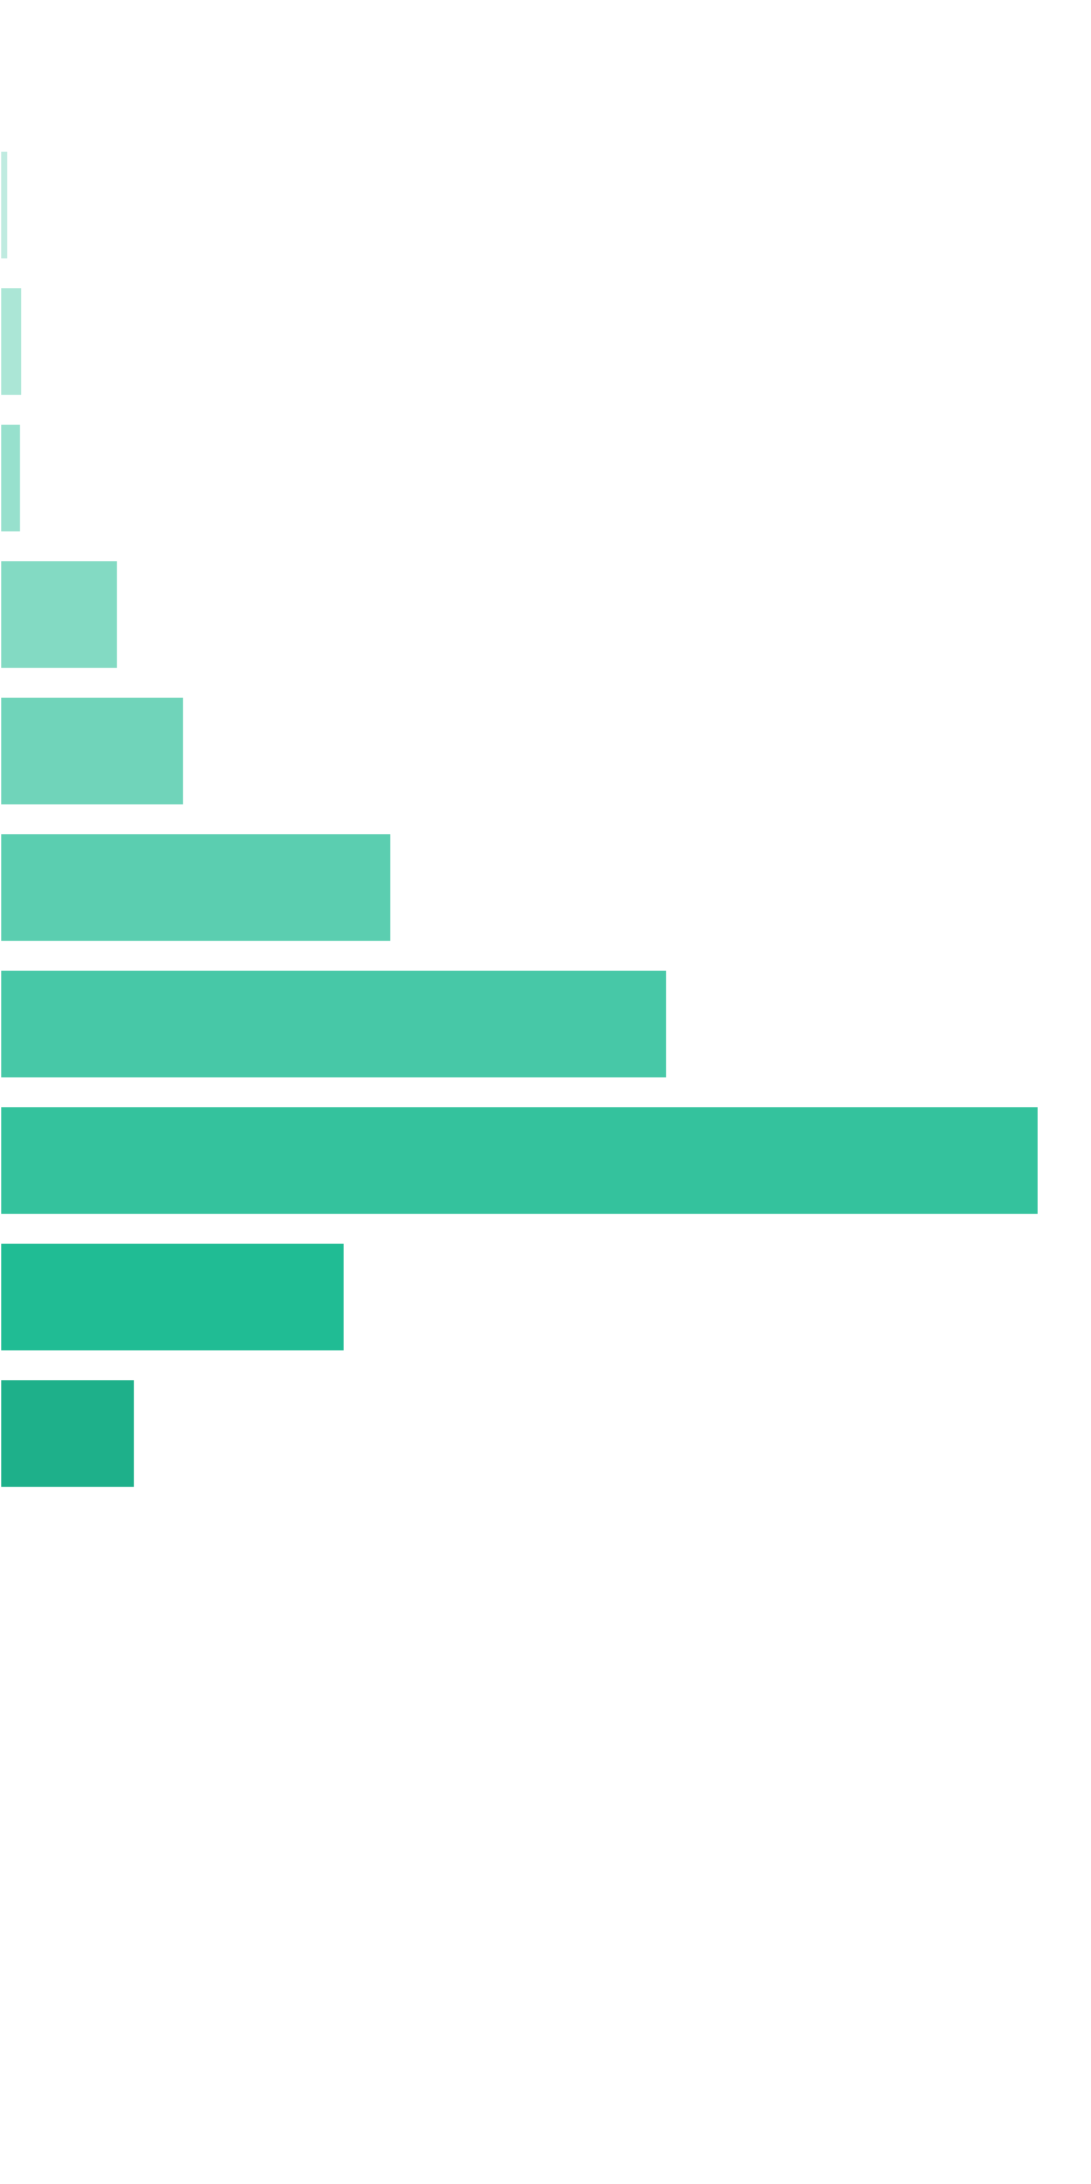
 | [0x, 0x] |  | 1 in 1.78 |  | 0.00x |  | 0.000%
 | (0x, 0.5x] |  | 1 in 53.94 |  | 0.38x |  | 0.002%
 | (0.5x, 1x) |  | 1 in 38.79 |  | 0.73x |  | 0.006%
 | [1x, 1x] |  | 1 in 55.68 |  | 1.00x |  | 0.006%
 | (1x, 2x) |  | 1 in 14.88 |  | 1.48x |  | 0.034%
 | [2x, 3x) |  | 1 in 15.21 |  | 2.35x |  | 0.053%
 | [3x, 5x) |  | 1 in 11.58 |  | 3.81x |  | 0.113%
 | [5x, 10x) |  | 1 in 12.55 |  | 7.03x |  | 0.193%
 | [10x, 20x) |  | 1 in 16.13 |  | 14.07x |  | 0.301%
 | [20x, 30x) |  | 1 in 80.28 |  | 23.24x |  | 0.100%
 | [30x, 50x) |  | 1 in 313.82 |  | 35.62x |  | 0.039%
 | [50x, 100x) |  | 1 in inf |  | nan |  | 0.000%
 | [100x, 200x) |  | 1 in inf |  | nan |  | 0.000%
 | [200x, 500x) |  | 1 in inf |  | nan |  | 0.000%
 | [500x, 1000x) |  | 1 in inf |  | nan |  | 0.000%
 | [1000x, inf) |  | 1 in inf |  | nan |  | 0.000%
 | Total |  | 1 in 2.28 |  | 5.61x |  | 0.850%

 | Section Index: |  | 1 | Section Name: |  | Free Spins |  |  |  |  |  |  | Go To Content
 | Reelset Index: |  | 1 | Reelset Name: |  | Free Game | Blocker 1 | RTP 86%
 | Win Ranges |  | Win in Range |  | Average Win |  | RTP per Range
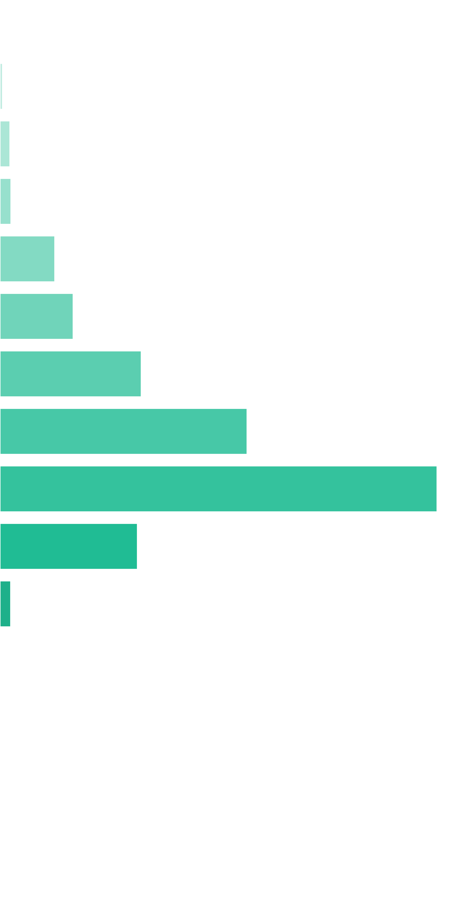
 | [0x, 0x] |  | 1 in 1.43 |  | 0.00x |  | 0.000%
 | (0x, 0.5x] |  | 1 in 112.15 |  | 0.40x |  | 0.004%
 | (0.5x, 1x) |  | 1 in 52.34 |  | 0.74x |  | 0.015%
 | [1x, 1x] |  | 1 in 64.19 |  | 1.00x |  | 0.016%
 | (1x, 2x) |  | 1 in 18.97 |  | 1.47x |  | 0.079%
 | [2x, 3x) |  | 1 in 22.43 |  | 2.33x |  | 0.106%
 | [3x, 5x) |  | 1 in 18.59 |  | 3.73x |  | 0.205%
 | [5x, 10x) |  | 1 in 20.13 |  | 7.06x |  | 0.358%
 | [10x, 20x) |  | 1 in 22.19 |  | 13.78x |  | 0.634%
 | [20x, 30x) |  | 1 in 117.31 |  | 22.89x |  | 0.199%
 | [30x, 50x) |  | 1 in 2,551.50 |  | 38.60x |  | 0.015%
 | [50x, 100x) |  | 1 in inf |  | nan |  | 0.000%
 | [100x, 200x) |  | 1 in inf |  | nan |  | 0.000%
 | [200x, 500x) |  | 1 in inf |  | nan |  | 0.000%
 | [500x, 1000x) |  | 1 in inf |  | nan |  | 0.000%
 | [1000x, inf) |  | 1 in inf |  | nan |  | 0.000%
 | Total |  | 1 in 3.35 |  | 5.35x |  | 1.631%

 | Section Index: |  | 1 | Section Name: |  | Free Spins |  |  |  |  |  |  | Go To Content
 | Reelset Index: |  | 2 | Reelset Name: |  | Free Game | Blocker 2 | RTP 86%
 | Win Ranges |  | Win in Range |  | Average Win |  | RTP per Range
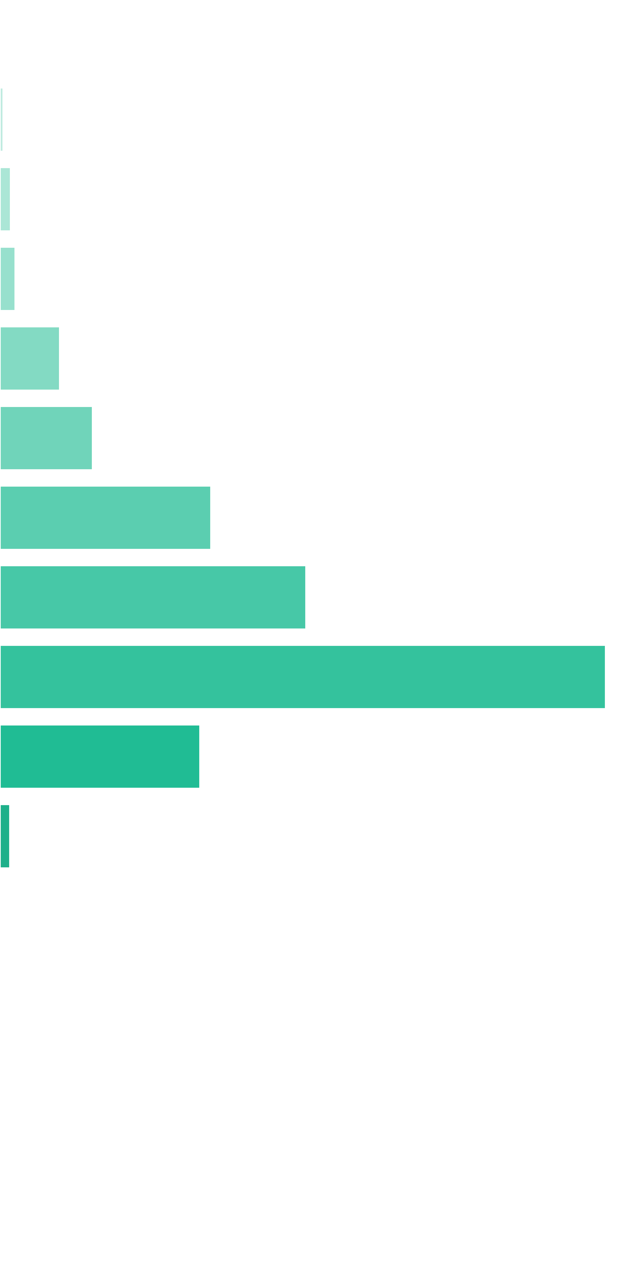
 | [0x, 0x] |  | 1 in 1.42 |  | 0.00x |  | 0.000%
 | (0x, 0.5x] |  | 1 in 117.93 |  | 0.40x |  | 0.003%
 | (0.5x, 1x) |  | 1 in 63.28 |  | 0.73x |  | 0.012%
 | [1x, 1x] |  | 1 in 59.30 |  | 1.00x |  | 0.017%
 | (1x, 2x) |  | 1 in 23.01 |  | 1.51x |  | 0.068%
 | [2x, 3x) |  | 1 in 23.06 |  | 2.35x |  | 0.106%
 | [3x, 5x) |  | 1 in 16.32 |  | 3.78x |  | 0.241%
 | [5x, 10x) |  | 1 in 21.14 |  | 7.10x |  | 0.349%
 | [10x, 20x) |  | 1 in 20.71 |  | 13.78x |  | 0.690%
 | [20x, 30x) |  | 1 in 99.79 |  | 21.93x |  | 0.228%
 | [30x, 50x) |  | 1 in 3,459.33 |  | 37.27x |  | 0.011%
 | [50x, 100x) |  | 1 in inf |  | nan |  | 0.000%
 | [100x, 200x) |  | 1 in inf |  | nan |  | 0.000%
 | [200x, 500x) |  | 1 in inf |  | nan |  | 0.000%
 | [500x, 1000x) |  | 1 in inf |  | nan |  | 0.000%
 | [1000x, inf) |  | 1 in inf |  | nan |  | 0.000%
 | Total |  | 1 in 3.39 |  | 5.63x |  | 1.726%

 | Section Index: |  | 1 | Section Name: |  | Free Spins |  |  |  |  |  |  | Go To Content
 | Reelset Index: |  | 3 | Reelset Name: |  | Free Game | Blocker 3 | RTP 86%
 | Win Ranges |  | Win in Range |  | Average Win |  | RTP per Range
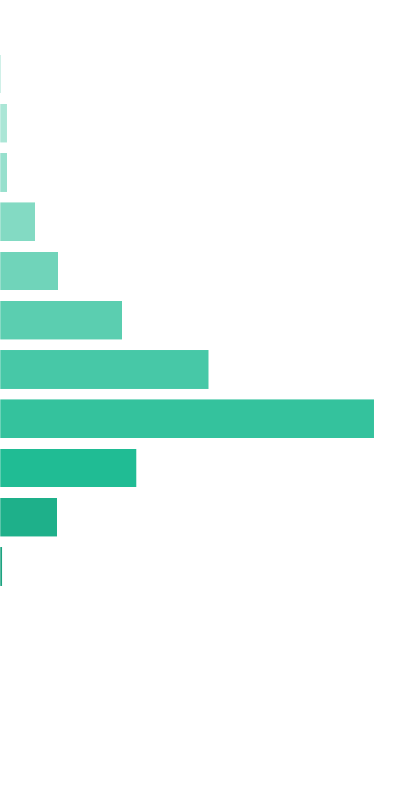
 | [0x, 0x] |  | 1 in 1.42 |  | 0.00x |  | 0.000%
 | (0x, 0.5x] |  | 1 in 185.71 |  | 0.40x |  | 0.002%
 | (0.5x, 1x) |  | 1 in 56.12 |  | 0.71x |  | 0.013%
 | [1x, 1x] |  | 1 in 74.55 |  | 1.00x |  | 0.014%
 | (1x, 2x) |  | 1 in 23.98 |  | 1.50x |  | 0.064%
 | [2x, 3x) |  | 1 in 22.50 |  | 2.35x |  | 0.107%
 | [3x, 5x) |  | 1 in 17.58 |  | 3.81x |  | 0.222%
 | [5x, 10x) |  | 1 in 19.09 |  | 7.07x |  | 0.378%
 | [10x, 20x) |  | 1 in 20.76 |  | 13.78x |  | 0.678%
 | [20x, 30x) |  | 1 in 96.36 |  | 23.39x |  | 0.248%
 | [30x, 50x) |  | 1 in 340.47 |  | 34.66x |  | 0.104%
 | [50x, 100x) |  | 1 in 10,214.00 |  | 52.40x |  | 0.005%
 | [100x, 200x) |  | 1 in inf |  | nan |  | 0.000%
 | [200x, 500x) |  | 1 in inf |  | nan |  | 0.000%
 | [500x, 1000x) |  | 1 in inf |  | nan |  | 0.000%
 | [1000x, inf) |  | 1 in inf |  | nan |  | 0.000%
 | Total |  | 1 in 3.41 |  | 6.12x |  | 1.834%

 | 11.3. Base Re-Spin Reelsets |  |  |  |  |  |  |  |  |  |  |  | Go To Content

 | Section Index: |  | 2 | Section Name: |  | Base Re-Spin
 | Reelset Index: |  | 0 | Reelset Name: |  | Re-spin Base Game | Normal game | RTP 86%
 | Win Ranges |  | Win in Range |  | Average Win |  | RTP per Range
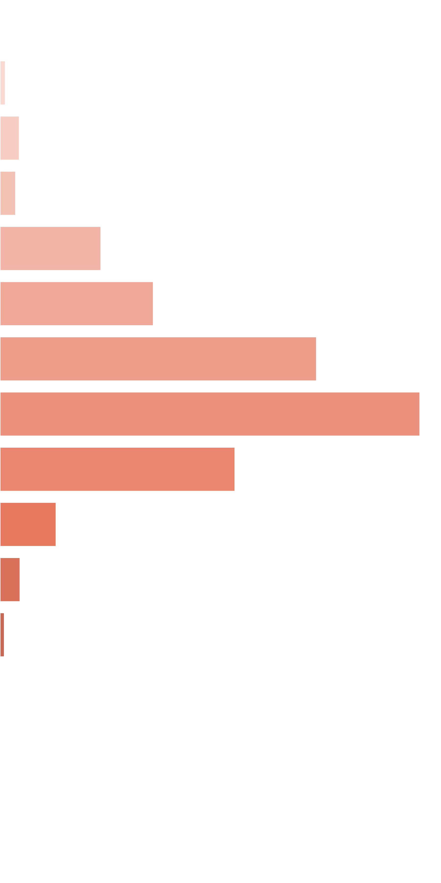
 | [0x, 0x] |  | 1 in 1.73 |  | 0.00x |  | 0.000%
 | (0x, 0.5x] |  | 1 in 59.37 |  | 0.38x |  | 0.007%
 | (0.5x, 1x) |  | 1 in 31.63 |  | 0.73x |  | 0.026%
 | [1x, 1x] |  | 1 in 53.89 |  | 1.00x |  | 0.021%
 | (1x, 2x) |  | 1 in 12.34 |  | 1.48x |  | 0.133%
 | [2x, 3x) |  | 1 in 13.00 |  | 2.38x |  | 0.203%
 | [3x, 5x) |  | 1 in 10.05 |  | 3.79x |  | 0.419%
 | [5x, 10x) |  | 1 in 13.64 |  | 6.83x |  | 0.556%
 | [10x, 20x) |  | 1 in 46.84 |  | 13.12x |  | 0.311%
 | [20x, 30x) |  | 1 in 346.94 |  | 23.16x |  | 0.074%
 | [30x, 50x) |  | 1 in 1,586.00 |  | 37.96x |  | 0.027%
 | [50x, 100x) |  | 1 in 11,102.00 |  | 59.00x |  | 0.006%
 | [100x, 200x) |  | 1 in inf |  | nan |  | 0.000%
 | [200x, 500x) |  | 1 in inf |  | nan |  | 0.000%
 | [500x, 1000x) |  | 1 in inf |  | nan |  | 0.000%
 | [1000x, inf) |  | 1 in inf |  | nan |  | 0.000%
 | Total |  | 1 in 2.37 |  | 3.79x |  | 1.781%

 | Section Index: |  | 2 | Section Name: |  | Base Re-Spin |  |  |  |  |  |  | Go To Content
 | Reelset Index: |  | 1 | Reelset Name: |  | Re-spin Base Game | Blocker 1 | RTP 86%
 | Win Ranges |  | Win in Range |  | Average Win |  | RTP per Range
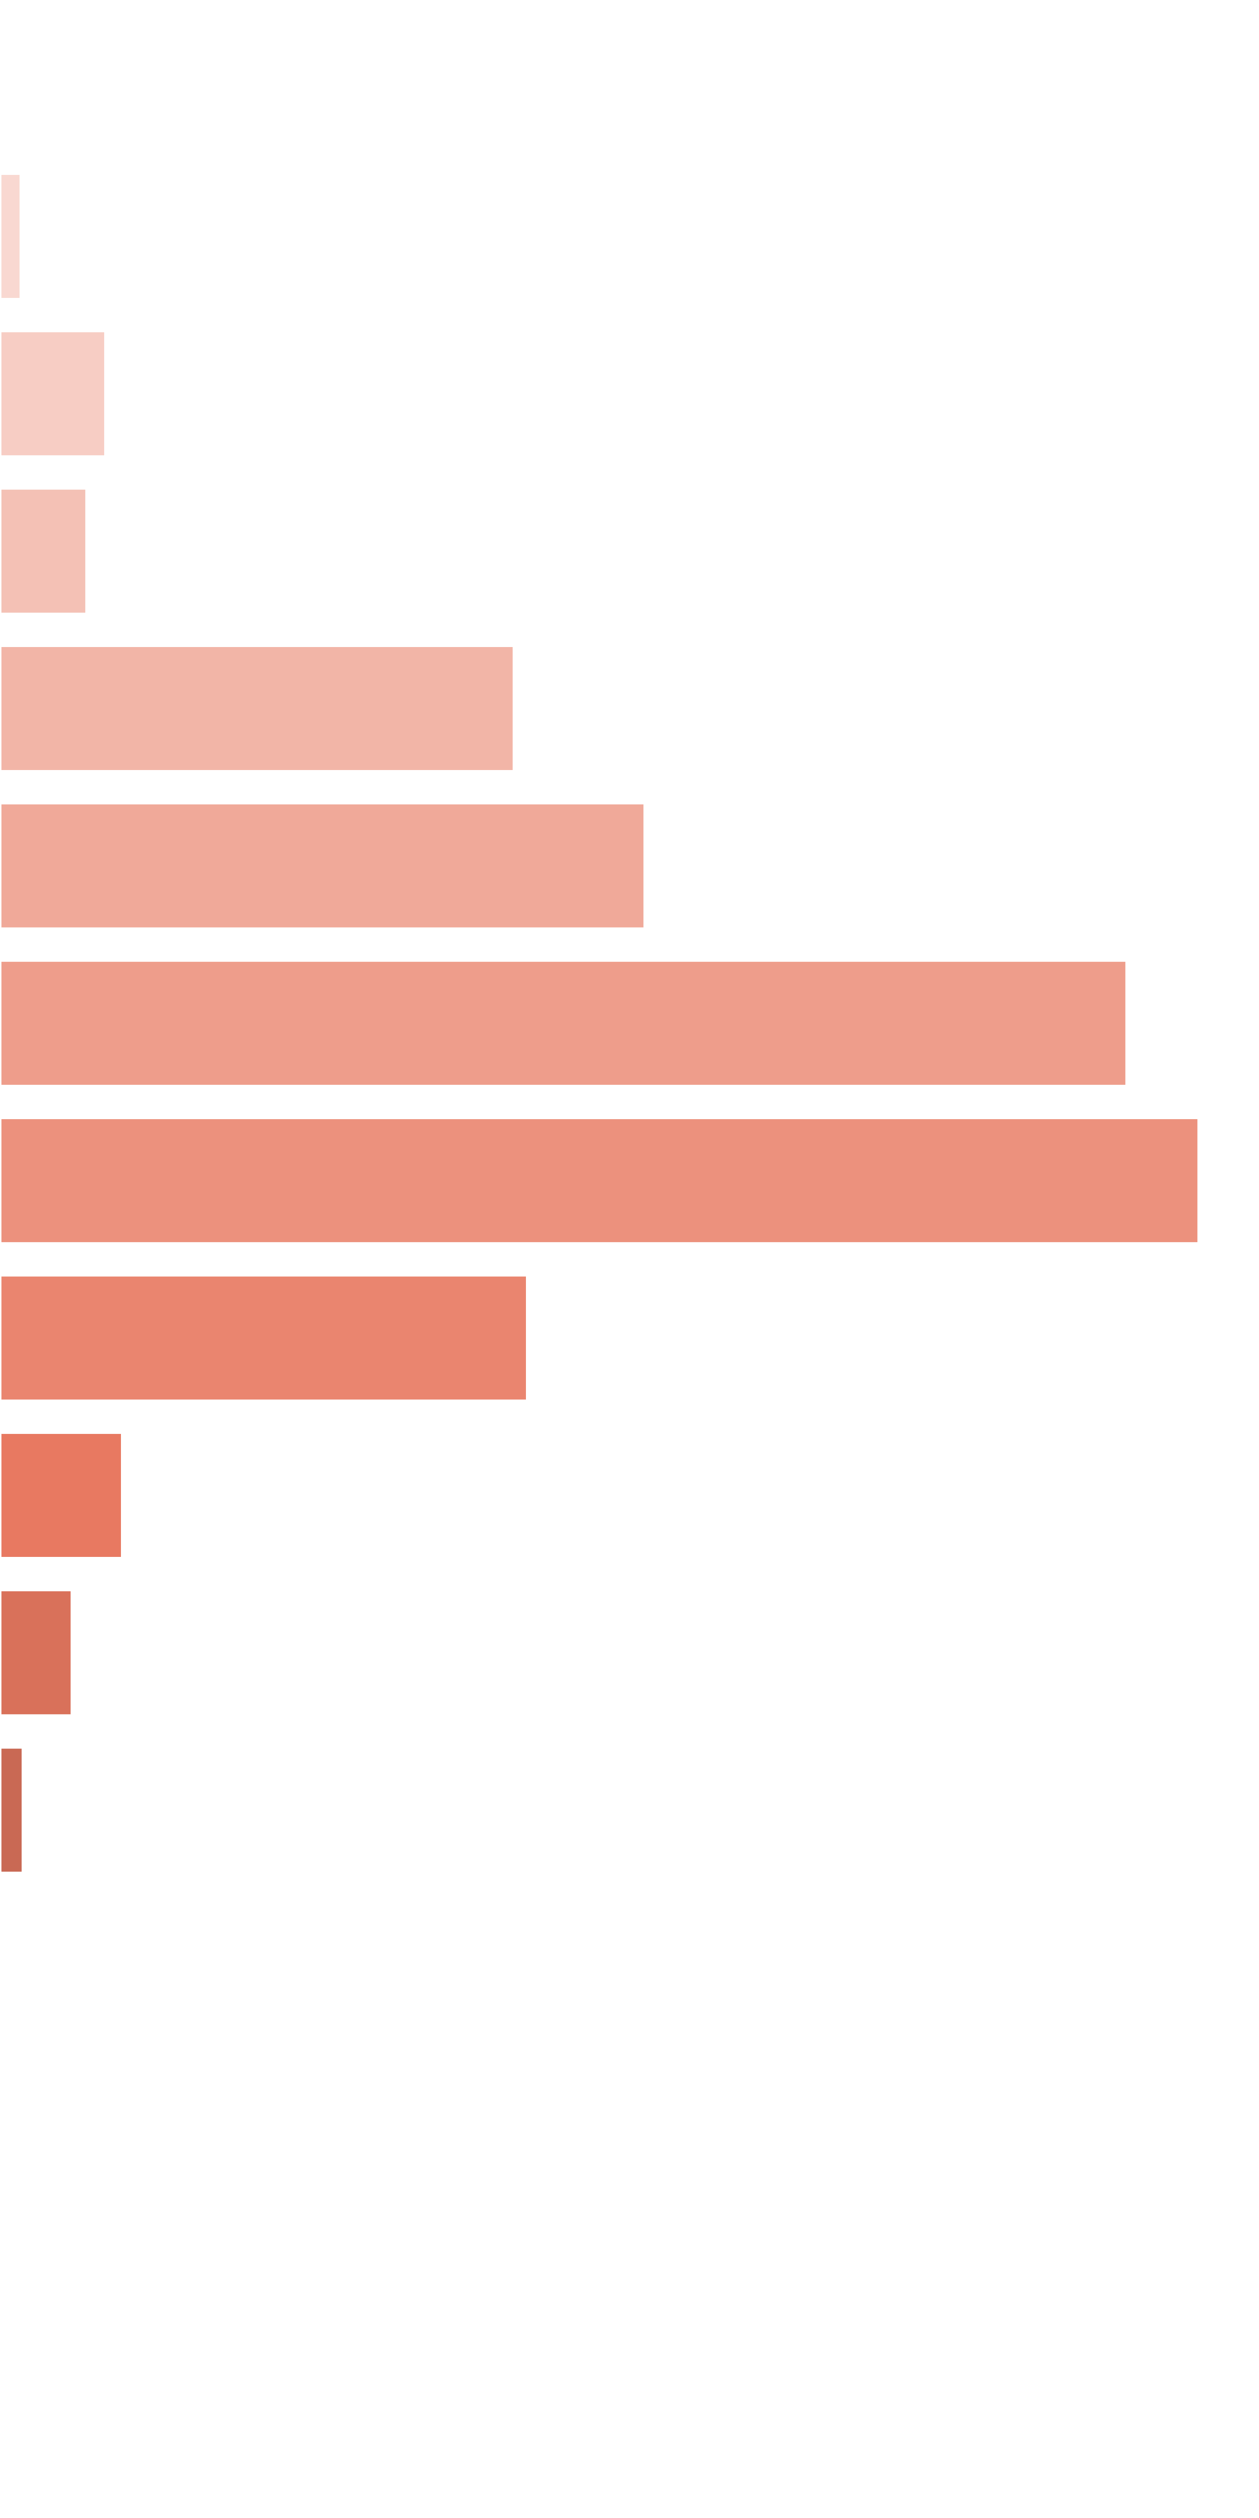
 | [0x, 0x] |  | 1 in 1.44 |  | 0.00x |  | 0.000%
 | (0x, 0.5x] |  | 1 in 86.20 |  | 0.39x |  | 0.015%
 | (0.5x, 1x) |  | 1 in 33.14 |  | 0.75x |  | 0.076%
 | [1x, 1x] |  | 1 in 54.17 |  | 1.00x |  | 0.062%
 | (1x, 2x) |  | 1 in 13.49 |  | 1.48x |  | 0.368%
 | [2x, 3x) |  | 1 in 17.00 |  | 2.34x |  | 0.462%
 | [3x, 5x) |  | 1 in 15.56 |  | 3.74x |  | 0.807%
 | [5x, 10x) |  | 1 in 26.08 |  | 6.68x |  | 0.859%
 | [10x, 20x) |  | 1 in 115.23 |  | 12.98x |  | 0.378%
 | [20x, 30x) |  | 1 in 882.45 |  | 23.05x |  | 0.088%
 | [30x, 50x) |  | 1 in 2,395.21 |  | 36.81x |  | 0.052%
 | [50x, 100x) |  | 1 in 11,177.67 |  | 54.87x |  | 0.016%
 | [100x, 200x) |  | 1 in inf |  | nan |  | 0.000%
 | [200x, 500x) |  | 1 in inf |  | nan |  | 0.000%
 | [500x, 1000x) |  | 1 in inf |  | nan |  | 0.000%
 | [1000x, inf) |  | 1 in inf |  | nan |  | 0.000%
 | Total |  | 1 in 3.27 |  | 3.10x |  | 3.182%

 | Section Index: |  | 2 | Section Name: |  | Base Re-Spin |  |  |  |  |  |  | Go To Content
 | Reelset Index: |  | 2 | Reelset Name: |  | Re-spin Base Game | Blocker 2 | RTP 86%
 | Win Ranges |  | Win in Range |  | Average Win |  | RTP per Range
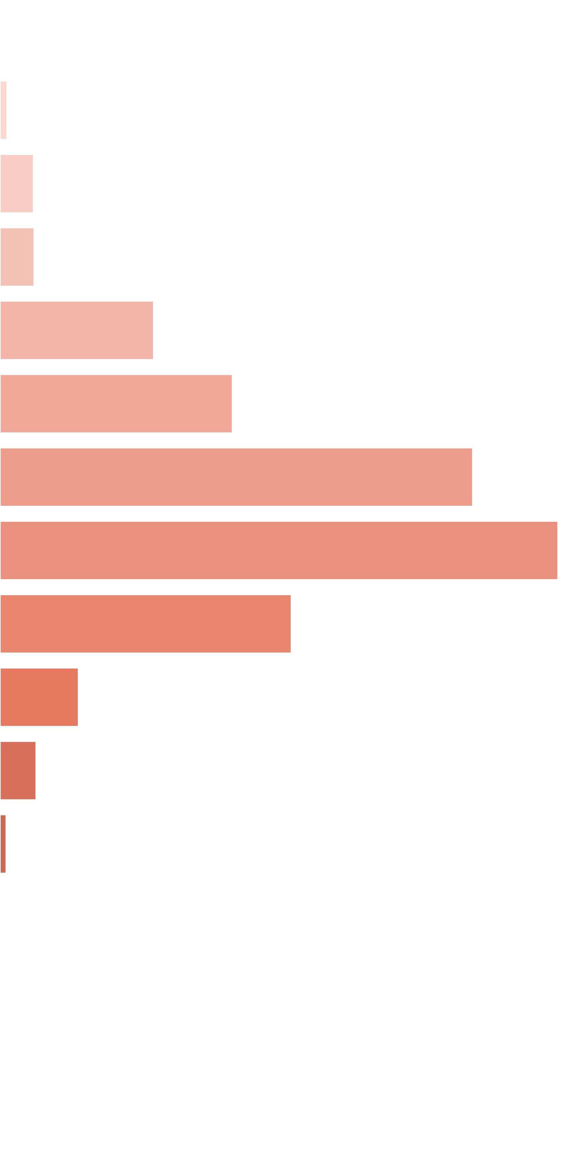
 | [0x, 0x] |  | 1 in 1.42 |  | 0.00x |  | 0.000%
 | (0x, 0.5x] |  | 1 in 102.25 |  | 0.40x |  | 0.013%
 | (0.5x, 1x) |  | 1 in 39.18 |  | 0.72x |  | 0.062%
 | [1x, 1x] |  | 1 in 53.15 |  | 1.00x |  | 0.063%
 | (1x, 2x) |  | 1 in 17.60 |  | 1.49x |  | 0.284%
 | [2x, 3x) |  | 1 in 18.24 |  | 2.34x |  | 0.430%
 | [3x, 5x) |  | 1 in 14.45 |  | 3.76x |  | 0.873%
 | [5x, 10x) |  | 1 in 22.26 |  | 6.84x |  | 1.031%
 | [10x, 20x) |  | 1 in 78.92 |  | 12.67x |  | 0.538%
 | [20x, 30x) |  | 1 in 532.37 |  | 23.04x |  | 0.145%
 | [30x, 50x) |  | 1 in 1,863.28 |  | 36.97x |  | 0.067%
 | [50x, 100x) |  | 1 in 16,769.50 |  | 57.80x |  | 0.012%
 | [100x, 200x) |  | 1 in inf |  | nan |  | 0.000%
 | [200x, 500x) |  | 1 in inf |  | nan |  | 0.000%
 | [500x, 1000x) |  | 1 in inf |  | nan |  | 0.000%
 | [1000x, inf) |  | 1 in inf |  | nan |  | 0.000%
 | Total |  | 1 in 3.39 |  | 3.55x |  | 3.517%

 | Section Index: |  | 2 | Section Name: |  | Base Re-Spin |  |  |  |  |  |  | Go To Content
 | Reelset Index: |  | 3 | Reelset Name: |  | Re-spin Base Game | Blocker 3 | RTP 86%
 | Win Ranges |  | Win in Range |  | Average Win |  | RTP per Range

 | [0x, 0x] |  | 1 in 1.44 |  | 0.00x |  | 0.000%
 | (0x, 0.5x] |  | 1 in 97.58 |  | 0.40x |  | 0.014%
 | (0.5x, 1x) |  | 1 in 37.50 |  | 0.74x |  | 0.066%
 | [1x, 1x] |  | 1 in 55.53 |  | 1.00x |  | 0.060%
 | (1x, 2x) |  | 1 in 14.61 |  | 1.48x |  | 0.339%
 | [2x, 3x) |  | 1 in 16.73 |  | 2.36x |  | 0.471%
 | [3x, 5x) |  | 1 in 14.08 |  | 3.76x |  | 0.891%
 | [5x, 10x) |  | 1 in 25.06 |  | 6.72x |  | 0.894%
 | [10x, 20x) |  | 1 in 93.48 |  | 12.76x |  | 0.456%
 | [20x, 30x) |  | 1 in 814.00 |  | 23.53x |  | 0.096%
 | [30x, 50x) |  | 1 in 3,034.00 |  | 36.34x |  | 0.040%
 | [50x, 100x) |  | 1 in 8,343.50 |  | 60.52x |  | 0.024%
 | [100x, 200x) |  | 1 in inf |  | nan |  | 0.000%
 | [200x, 500x) |  | 1 in inf |  | nan |  | 0.000%
 | [500x, 1000x) |  | 1 in inf |  | nan |  | 0.000%
 | [1000x, inf) |  | 1 in inf |  | nan |  | 0.000%
 | Total |  | 1 in 3.26 |  | 3.28x |  | 3.351%

 | 11.4. Free Re-Spin Reelsets |  |  |  |  |  |  |  |  |  |  |  | Go To Content

 | Section Index: |  | 3 | Section Name: |  | Free Re-Spin
 | Reelset Index: |  | 0 | Reelset Name: |  | Re-spin Free Game | Normal Game | RTP 86%
 | Win Ranges |  | Win in Range |  | Average Win |  | RTP per Range

 | [0x, 0x] |  | 1 in 1.81 |  | 0.00x |  | 0.000%
 | (0x, 0.5x] |  | 1 in 43.02 |  | 0.36x |  | 0.003%
 | (0.5x, 1x) |  | 1 in 32.17 |  | 0.72x |  | 0.008%
 | [1x, 1x] |  | 1 in 44.13 |  | 1.00x |  | 0.008%
 | (1x, 2x) |  | 1 in 17.65 |  | 1.48x |  | 0.029%
 | [2x, 3x) |  | 1 in 15.16 |  | 2.36x |  | 0.053%
 | [3x, 5x) |  | 1 in 12.34 |  | 3.83x |  | 0.107%
 | [5x, 10x) |  | 1 in 11.91 |  | 7.16x |  | 0.207%
 | [10x, 20x) |  | 1 in 14.84 |  | 13.99x |  | 0.325%
 | [20x, 30x) |  | 1 in 78.23 |  | 23.31x |  | 0.103%
 | [30x, 50x) |  | 1 in 491.71 |  | 34.74x |  | 0.024%
 | [50x, 100x) |  | 1 in inf |  | nan |  | 0.000%
 | [100x, 200x) |  | 1 in inf |  | nan |  | 0.000%
 | [200x, 500x) |  | 1 in inf |  | nan |  | 0.000%
 | [500x, 1000x) |  | 1 in inf |  | nan |  | 0.000%
 | [1000x, inf) |  | 1 in inf |  | nan |  | 0.000%
 | Total |  | 1 in 2.24 |  | 5.63x |  | 0.866%

 | Section Index: |  | 3 | Section Name: |  | Free Re-Spin |  |  |  |  |  |  | Go To Content
 | Reelset Index: |  | 1 | Reelset Name: |  | Re-spin Free Game | Blocker 1 | RTP 86%
 | Win Ranges |  | Win in Range |  | Average Win |  | RTP per Range
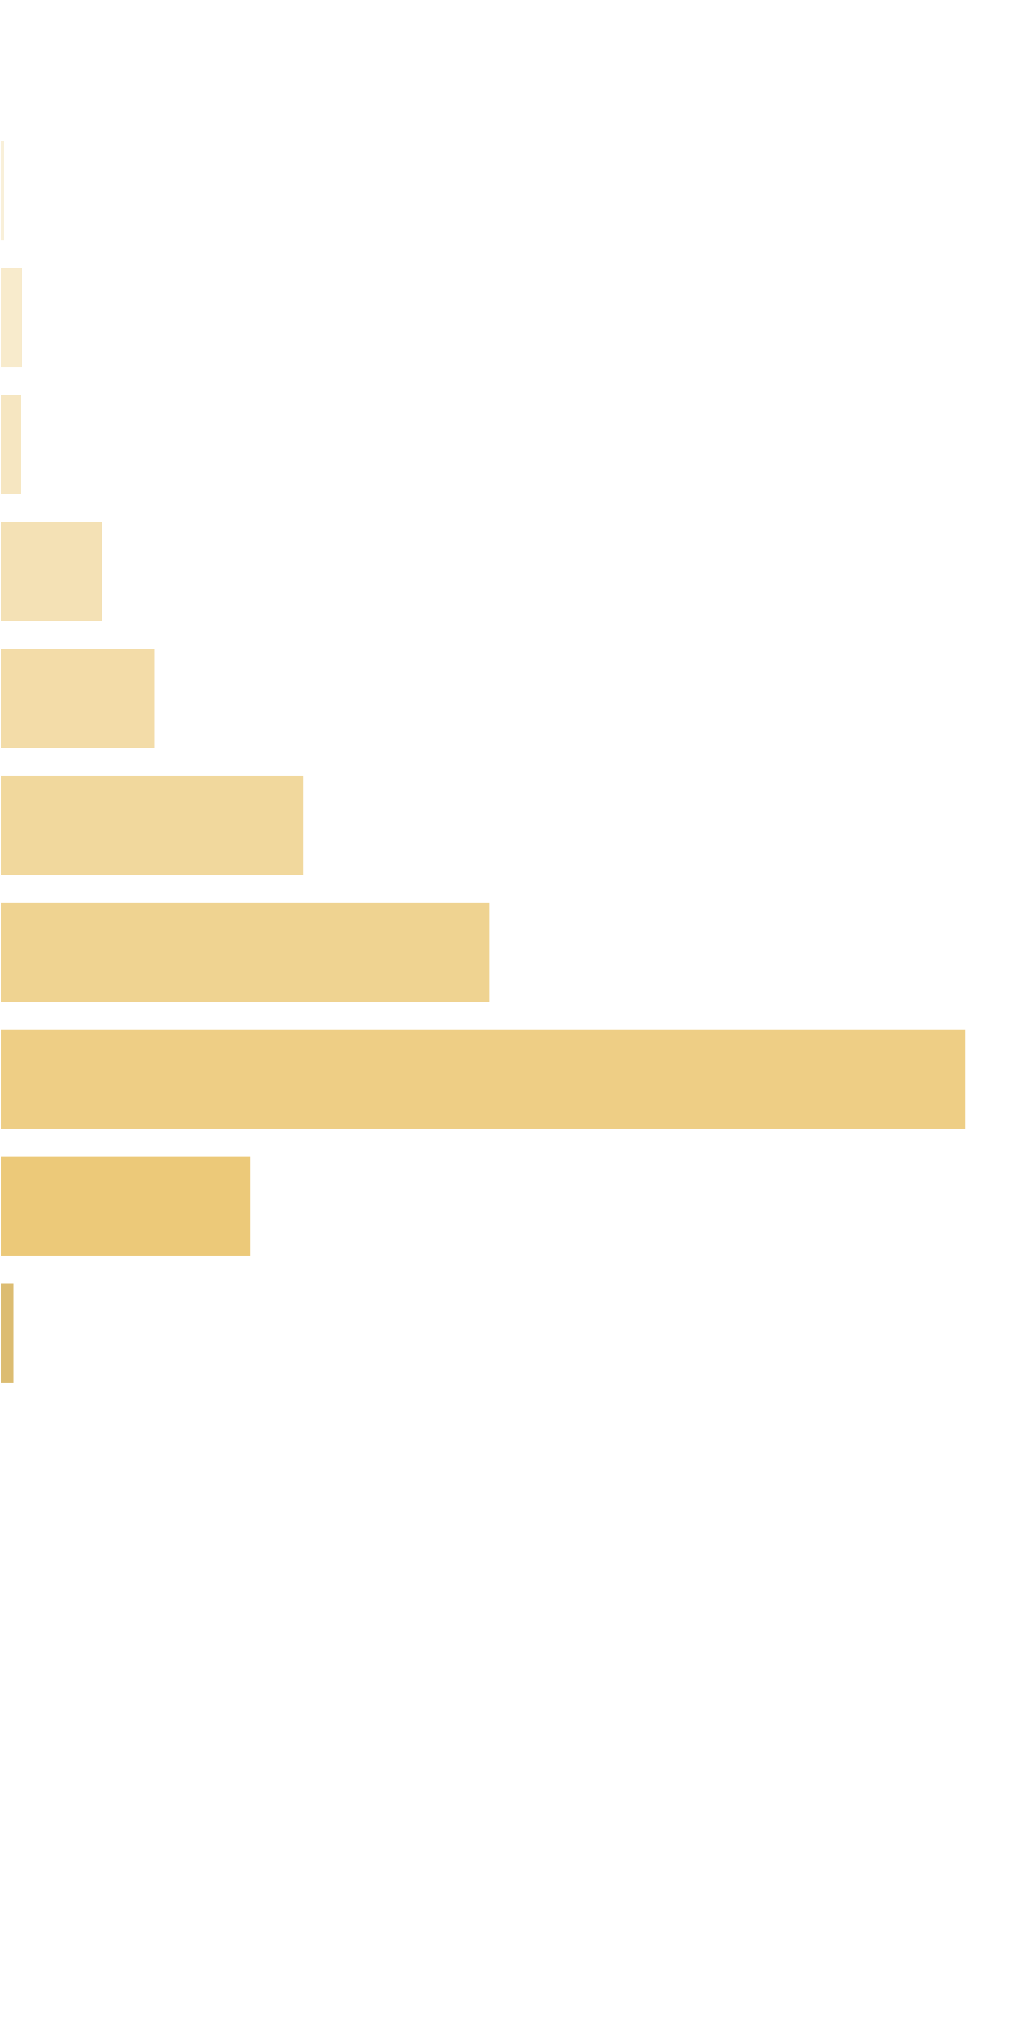
 | [0x, 0x] |  | 1 in 1.43 |  | 0.00x |  | 0.000%
 | (0x, 0.5x] |  | 1 in 117.99 |  | 0.40x |  | 0.003%
 | (0.5x, 1x) |  | 1 in 47.42 |  | 0.75x |  | 0.016%
 | [1x, 1x] |  | 1 in 65.46 |  | 1.00x |  | 0.015%
 | (1x, 2x) |  | 1 in 20.88 |  | 1.48x |  | 0.072%
 | [2x, 3x) |  | 1 in 21.77 |  | 2.33x |  | 0.109%
 | [3x, 5x) |  | 1 in 18.02 |  | 3.78x |  | 0.213%
 | [5x, 10x) |  | 1 in 20.58 |  | 6.96x |  | 0.343%
 | [10x, 20x) |  | 1 in 20.67 |  | 13.76x |  | 0.676%
 | [20x, 30x) |  | 1 in 128.44 |  | 22.26x |  | 0.176%
 | [30x, 50x) |  | 1 in 3,382.33 |  | 33.50x |  | 0.010%
 | [50x, 100x) |  | 1 in inf |  | nan |  | 0.000%
 | [100x, 200x) |  | 1 in inf |  | nan |  | 0.000%
 | [200x, 500x) |  | 1 in inf |  | nan |  | 0.000%
 | [500x, 1000x) |  | 1 in inf |  | nan |  | 0.000%
 | [1000x, inf) |  | 1 in inf |  | nan |  | 0.000%
 | Total |  | 1 in 3.34 |  | 5.38x |  | 1.633%

 | Section Index: |  | 3 | Section Name: |  | Free Re-Spin |  |  |  |  |  |  | Go To Content
 | Reelset Index: |  | 2 | Reelset Name: |  | Re-spin Free Game | Blocker 2 | RTP 86%
 | Win Ranges |  | Win in Range |  | Average Win |  | RTP per Range
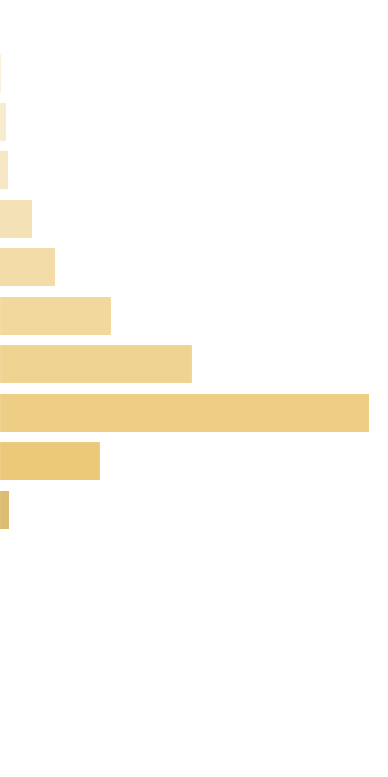
 | [0x, 0x] |  | 1 in 1.43 |  | 0.00x |  | 0.000%
 | (0x, 0.5x] |  | 1 in 152.07 |  | 0.40x |  | 0.003%
 | (0.5x, 1x) |  | 1 in 61.55 |  | 0.73x |  | 0.012%
 | [1x, 1x] |  | 1 in 57.77 |  | 1.00x |  | 0.018%
 | (1x, 2x) |  | 1 in 23.61 |  | 1.48x |  | 0.065%
 | [2x, 3x) |  | 1 in 21.96 |  | 2.35x |  | 0.111%
 | [3x, 5x) |  | 1 in 17.68 |  | 3.80x |  | 0.223%
 | [5x, 10x) |  | 1 in 18.77 |  | 6.99x |  | 0.385%
 | [10x, 20x) |  | 1 in 19.47 |  | 13.95x |  | 0.741%
 | [20x, 30x) |  | 1 in 117.51 |  | 22.80x |  | 0.201%
 | [30x, 50x) |  | 1 in 1,723.50 |  | 33.33x |  | 0.020%
 | [50x, 100x) |  | 1 in inf |  | nan |  | 0.000%
 | [100x, 200x) |  | 1 in inf |  | nan |  | 0.000%
 | [200x, 500x) |  | 1 in inf |  | nan |  | 0.000%
 | [500x, 1000x) |  | 1 in inf |  | nan |  | 0.000%
 | [1000x, inf) |  | 1 in inf |  | nan |  | 0.000%
 | Total |  | 1 in 3.35 |  | 5.76x |  | 1.777%

 | Section Index: |  | 3 | Section Name: |  | Free Re-Spin |  |  |  |  |  |  | Go To Content
 | Reelset Index: |  | 3 | Reelset Name: |  | Re-spin Free Game | Blocker 3 | RTP 86%
 | Win Ranges |  | Win in Range |  | Average Win |  | RTP per Range
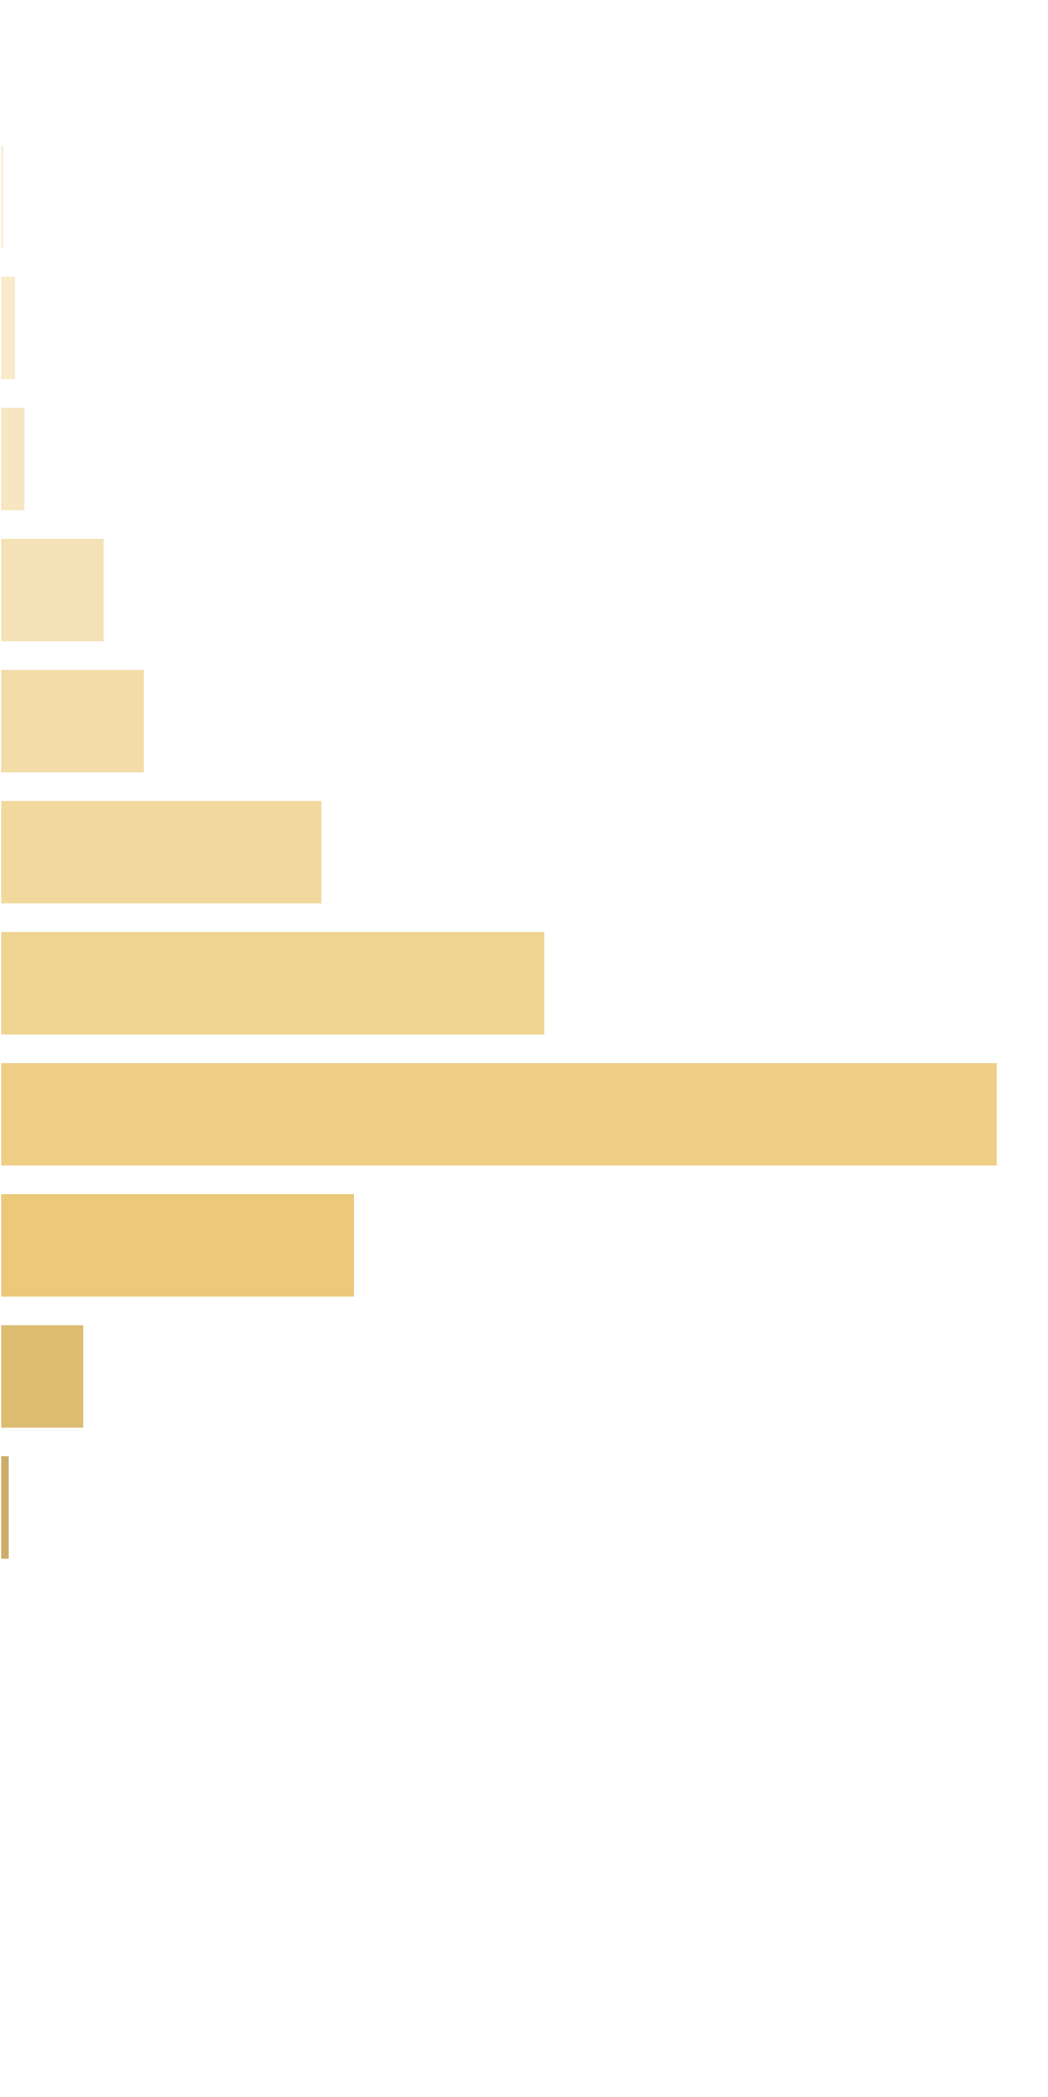
 | [0x, 0x] |  | 1 in 1.41 |  | 0.00x |  | 0.000%
 | (0x, 0.5x] |  | 1 in 132.31 |  | 0.40x |  | 0.003%
 | (0.5x, 1x) |  | 1 in 67.45 |  | 0.72x |  | 0.011%
 | [1x, 1x] |  | 1 in 60.35 |  | 1.00x |  | 0.017%
 | (1x, 2x) |  | 1 in 22.00 |  | 1.50x |  | 0.070%
 | [2x, 3x) |  | 1 in 24.87 |  | 2.34x |  | 0.097%
 | [3x, 5x) |  | 1 in 18.11 |  | 3.79x |  | 0.216%
 | [5x, 10x) |  | 1 in 19.96 |  | 7.08x |  | 0.366%
 | [10x, 20x) |  | 1 in 21.32 |  | 13.83x |  | 0.670%
 | [20x, 30x) |  | 1 in 99.23 |  | 22.93x |  | 0.238%
 | [30x, 50x) |  | 1 in 607.06 |  | 33.42x |  | 0.057%
 | [50x, 100x) |  | 1 in 10,320.00 |  | 65.60x |  | 0.007%
 | [100x, 200x) |  | 1 in inf |  | nan |  | 0.000%
 | [200x, 500x) |  | 1 in inf |  | nan |  | 0.000%
 | [500x, 1000x) |  | 1 in inf |  | nan |  | 0.000%
 | [1000x, inf) |  | 1 in inf |  | nan |  | 0.000%
 | Total |  | 1 in 3.46 |  | 5.88x |  | 1.752%

 | 11.5. Spectacular Link Reelsets |  |  |  |  |  |  |  |  |  |  |  | Go To Content

 | Section Index: |  | 4 | Section Name: |  | Spectacular Link
 | Reelset Index: |  | 0 | Reelset Name: |  | CF Fictive
 | Win Ranges |  | Win in Range |  | Average Win |  | RTP per Range
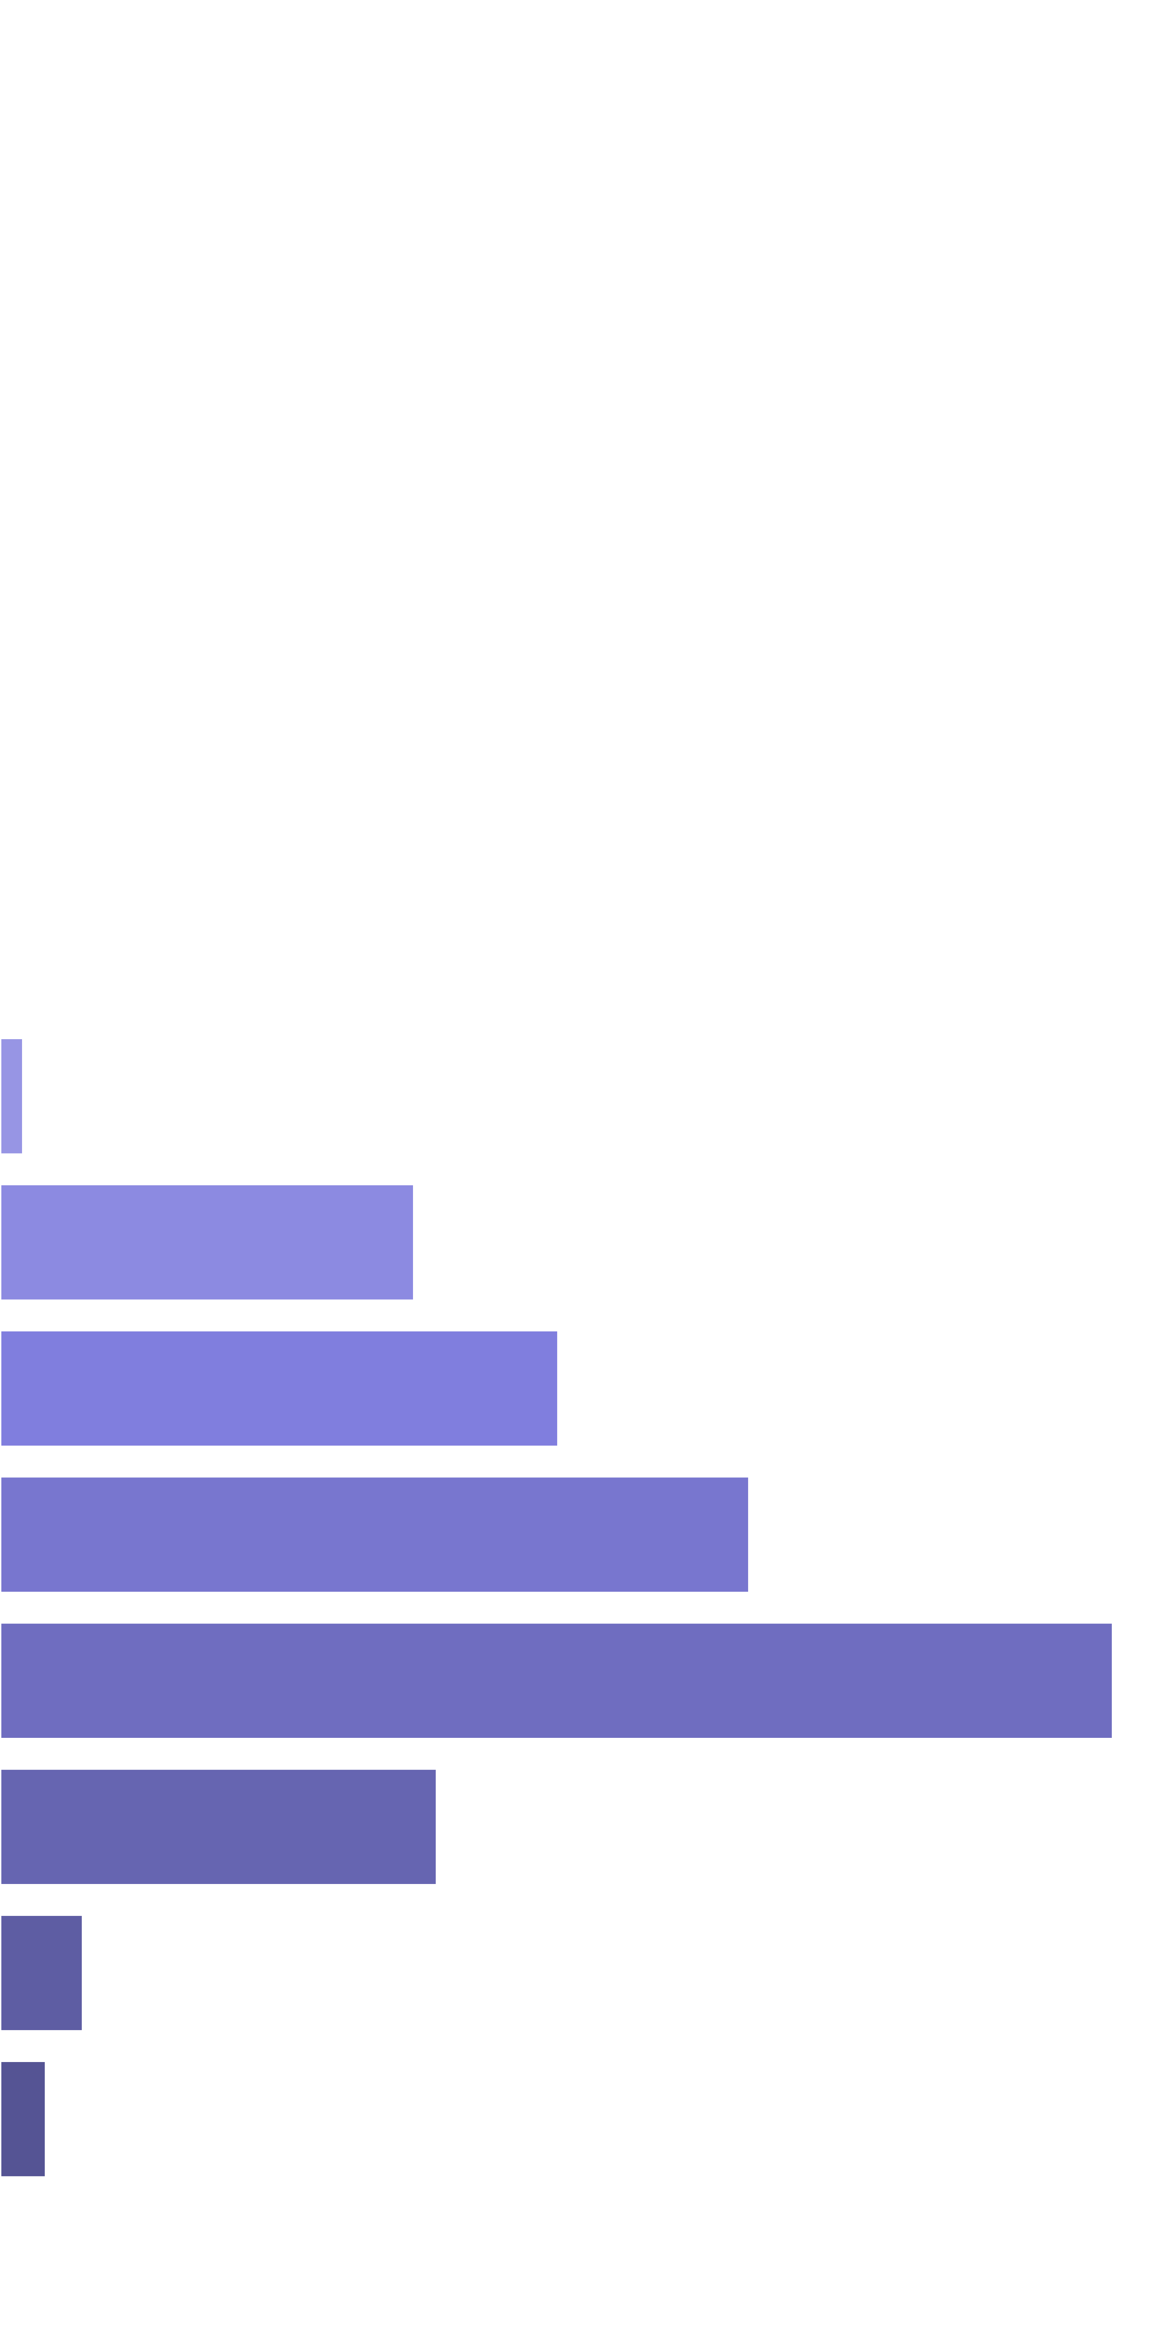
 | [0x, 0x] |  | 1 in inf |  | nan |  | 0.000%
 | (0x, 0.5x] |  | 1 in inf |  | nan |  | 0.000%
 | (0.5x, 1x) |  | 1 in inf |  | nan |  | 0.000%
 | [1x, 1x] |  | 1 in inf |  | nan |  | 0.000%
 | (1x, 2x) |  | 1 in inf |  | nan |  | 0.000%
 | [2x, 3x) |  | 1 in inf |  | nan |  | 0.000%
 | [3x, 5x) |  | 1 in inf |  | nan |  | 0.000%
 | [5x, 10x) |  | 1 in 34.02 |  | 8.37x |  | 0.277%
 | [10x, 20x) |  | 1 in 3.34 |  | 14.77x |  | 4.979%
 | [20x, 30x) |  | 1 in 4.02 |  | 23.98x |  | 6.709%
 | [30x, 50x) |  | 1 in 4.66 |  | 37.22x |  | 8.999%
 | [50x, 100x) |  | 1 in 5.99 |  | 71.15x |  | 13.369%
 | [100x, 200x) |  | 1 in 27.00 |  | 125.78x |  | 5.245%
 | [200x, 500x) |  | 1 in 304.35 |  | 269.70x |  | 0.998%
 | [500x, 1000x) |  | 1 in 1,023.73 |  | 500.00x |  | 0.550%
 | [1000x, inf) |  | 1 in inf |  | nan |  | 0.000%
 | Total |  | 1 in 1.00 |  | 36.52x |  | 41.125%

12. Reelsets Structure |  |  |  |  |  |  |  |  |  |  |  |  |  | Go To Content

 | Reelsets Structure Content

 | 1. Base Game Reelsets
 |  | 1.0. Reelset: 'Base Game | Normal Game | RTP 86%' structure
 |  | 1.1. Reelset: 'Base Game | Cheap High Win Freq 1 | RTP 86%' structure
 |  | 1.2. Reelset: 'Base Game | Cheap High Win Freq 2 | RTP 86%' structure
 |  | 1.3. Reelset: 'Base Game | Many Pictures | RTP 86%' structure
 |  | 1.4. Reelset: 'Base Game | Free Spin Scatters | Reels 2,4 | RTP 86%' structure
 |  | 1.5. Reelset: 'Base Game | Free Spin Scatters | Reels 1,3,5 | RTP 86%' structure
 |  | 1.6. Reelset: 'Base Game | Free Spin Scatters | Reels 1,2,3,4,5 | RTP 86%' structure
 |  | 1.7. Reelset: 'Base Game | CF Max 3 scatters | 1-2-3 reels | RTP 86%' structure
 |  | 1.8. Reelset: 'Base Game | CF Max 3 scatters | 3-4-5 reels | RTP 86%' structure
 |  | 1.9. Reelset: 'Base Game | CF Max 3 scatters | 2-5 reels | RTP 86%' structure
 |  | 1.10. Reelset: 'Base Game | CF Max 3 scatters | 3-4 reels | RTP 86%' structure
 |  | 1.11. Reelset: 'Base Game | CF Max 3 scatters | 2 reel | RTP 86%' structure
 |  | 1.12. Reelset: 'Base Game | CF Max 3 scatters | 3 reel | RTP 86%' structure
 |  | 1.13. Reelset: 'Base Game | CF Max 3 scatters | 5 reel | RTP 86%' structure
 |  | 1.14. Reelset: 'Base Game | CF Max 12 scatters | Common trigger | RTP 86%' structure
 | 2. Free Spins Reelsets
 |  | 2.0. Reelset: 'Free Game | Normal Game | RTP 86%' structure
 |  | 2.1. Reelset: 'Free Game | Blocker 1 | RTP 86%' structure
 |  | 2.2. Reelset: 'Free Game | Blocker 2 | RTP 86%' structure
 |  | 2.3. Reelset: 'Free Game | Blocker 3 | RTP 86%' structure
 | 3. Base Re-Spin Reelsets
 |  | 3.0. Reelset: 'Re-spin Base Game | Normal game | RTP 86%' structure
 |  | 3.1. Reelset: 'Re-spin Base Game | Blocker 1 | RTP 86%' structure
 |  | 3.2. Reelset: 'Re-spin Base Game | Blocker 2 | RTP 86%' structure
 |  | 3.3. Reelset: 'Re-spin Base Game | Blocker 3 | RTP 86%' structure
 | 4. Free Re-Spin Reelsets
 |  | 4.0. Reelset: 'Re-spin Free Game | Normal Game | RTP 86%' structure
 |  | 4.1. Reelset: 'Re-spin Free Game | Blocker 1 | RTP 86%' structure
 |  | 4.2. Reelset: 'Re-spin Free Game | Blocker 2 | RTP 86%' structure
 |  | 4.3. Reelset: 'Re-spin Free Game | Blocker 3 | RTP 86%' structure
 | 5. Spectacular Link Reelsets
 |  | 5.0. Reelset: 'CF Fictive' structure

 | 12.1. Base Game Reelsets

 | Section Index: |  | 0 | Section Name: |  | Base Game |  |  |  |  |  |  | Total Section Weight: |  |  | 100,000
 | Reelset Index: |  | 0 | Reelset Name: |  | Base Game | Normal Game | RTP 86% |  |  |  |  |  |  | Reelset Range: |  |  | [0 - 24,829]
 | Position Index |  | Reel 0 |  |  |  | Reel 1 |  |  |  | Reel 2 |  |  |  | Reel 3 |  |  |  | Reel 4
 |  |  | Symbols |  |  | Weights | Symbols |  |  | Weights | Symbols |  |  | Weights | Symbols |  |  | Weights | Symbols |  |  | Weights
 | 0 |  | Basketball_Court |  |  | 1 | A |  |  | 1 | Two_Basketball_Players |  |  | 1 | K |  |  | 1 | Q |  |  | 1
 | 1 |  | Basketball_Court |  |  | 1 | Basketball_Court |  |  | 1 | Two_Basketball_Players |  |  | 1 | J |  |  | 1 | Q |  |  | 1
 | 2 |  | Basketball_Court |  |  | 1 | K |  |  | 1 | K |  |  | 1 | Q |  |  | 1 | Q |  |  | 1
 | 3 |  | Basketball_Court |  |  | 1 | Q |  |  | 1 | K |  |  | 1 | Basketball_Court |  |  | 1 | Q |  |  | 1
 | 4 |  | Basketball_Court |  |  | 1 | J |  |  | 1 | K |  |  | 1 | A |  |  | 1 | Q |  |  | 1
 | 5 |  | Two_Basketball_Players |  |  | 1 | Basketball_Court |  |  | 1 | K |  |  | 1 | Two_Basketball_Players |  |  | 1 | Q |  |  | 1
 | 6 |  | Two_Basketball_Players |  |  | 1 | Basketball_Court |  |  | 1 | K |  |  | 1 | Two_Basketball_Players |  |  | 1 | J |  |  | 1
 | 7 |  | A |  |  | 1 | Basketball_Court |  |  | 1 | K |  |  | 1 | Basketball_Court |  |  | 1 | Team_Celebrating |  |  | 1
 | 8 |  | Team_Celebrating |  |  | 1 | Basketball_Court |  |  | 1 | Q |  |  | 1 | Basketball_Court |  |  | 1 | A |  |  | 1
 | 9 |  | Team_Celebrating |  |  | 1 | Basketball_Court |  |  | 1 | Basketball_Court |  |  | 1 | Basketball_Court |  |  | 1 | Two_Basketball_Players |  |  | 1
 | 10 |  | Team_Celebrating |  |  | 1 | A |  |  | 1 | K |  |  | 1 | Basketball_Court |  |  | 1 | Two_Basketball_Players |  |  | 1
 | 11 |  | Team_Celebrating |  |  | 1 | J |  |  | 1 | A |  |  | 1 | Basketball_Court |  |  | 1 | A |  |  | 1
 | 12 |  | Team_Celebrating |  |  | 1 | K |  |  | 1 | Two_Basketball_Players |  |  | 1 | K |  |  | 1 | Q |  |  | 1
 | 13 |  | Male_Player_Dunking |  |  | 1 | Basketball_Court |  |  | 1 | Two_Basketball_Players |  |  | 1 | J |  |  | 1 | Two_Basketball_Players |  |  | 1
 | 14 |  | Male_Player_Dunking |  |  | 1 | A |  |  | 1 | Female_Player_Shooting |  |  | 1 | Two_Basketball_Players |  |  | 1 | Two_Basketball_Players |  |  | 1
 | 15 |  | Male_Player_Dunking |  |  | 1 | Q |  |  | 1 | Female_Player_Shooting |  |  | 1 | Two_Basketball_Players |  |  | 1 | J |  |  | 1
 | 16 |  | Male_Player_Dunking |  |  | 1 | Two_Basketball_Players |  |  | 1 | Female_Player_Shooting |  |  | 1 | Male_Player_Dunking |  |  | 1 | Basketball_Court |  |  | 1
 | 17 |  | Male_Player_Dunking |  |  | 1 | Two_Basketball_Players |  |  | 1 | Female_Player_Shooting |  |  | 1 | Male_Player_Dunking |  |  | 1 | Basketball_Court |  |  | 1
 | 18 |  | A |  |  | 1 | Team_Celebrating |  |  | 1 | Female_Player_Shooting |  |  | 1 | Male_Player_Dunking |  |  | 1 | Basketball_Court |  |  | 1
 | 19 |  | A |  |  | 1 | Male_Player_Dunking |  |  | 1 | J |  |  | 1 | Male_Player_Dunking |  |  | 1 | Basketball_Court |  |  | 1
 | 20 |  | A |  |  | 1 | Two_Basketball_Players |  |  | 1 | Male_Player_Dunking |  |  | 1 | Male_Player_Dunking |  |  | 1 | Basketball_Court |  |  | 1
 | 21 |  | A |  |  | 1 | Two_Basketball_Players |  |  | 1 | Male_Player_Dunking |  |  | 1 | Two_Basketball_Players |  |  | 1 | Female_Player_Shooting |  |  | 1
 | 22 |  | A |  |  | 1 | Q |  |  | 1 | Male_Player_Dunking |  |  | 1 | Two_Basketball_Players |  |  | 1 | K |  |  | 1
 | 23 |  | A |  |  | 1 | Q |  |  | 1 | Male_Player_Dunking |  |  | 1 | Basketball_Court |  |  | 1 | K |  |  | 1
 | 24 |  | J |  |  | 1 | Q |  |  | 1 | Male_Player_Dunking |  |  | 1 | Team_Celebrating |  |  | 1 | K |  |  | 1
 | 25 |  | K |  |  | 1 | Q |  |  | 1 | Two_Basketball_Players |  |  | 1 | Male_Player_Dunking |  |  | 1 | K |  |  | 1
 | 26 |  | Team_Celebrating |  |  | 1 | Q |  |  | 1 | Two_Basketball_Players |  |  | 1 | Two_Basketball_Players |  |  | 1 | K |  |  | 1
 | 27 |  | Two_Basketball_Players |  |  | 1 | Q |  |  | 1 | Basketball_Court |  |  | 1 | Two_Basketball_Players |  |  | 1 | K |  |  | 1
 | 28 |  | Two_Basketball_Players |  |  | 1 | Female_Player_Shooting |  |  | 1 | Team_Celebrating |  |  | 1 | Q |  |  | 1 | Two_Basketball_Players |  |  | 1
 | 29 |  | Q |  |  | 1 | K |  |  | 1 | Two_Basketball_Players |  |  | 1 | Q |  |  | 1 | Two_Basketball_Players |  |  | 1
 | 30 |  | Male_Player_Dunking |  |  | 1 | J |  |  | 1 | Two_Basketball_Players |  |  | 1 | Q |  |  | 1 | Q |  |  | 1
 | 31 |  | J |  |  | 1 | J |  |  | 1 | A |  |  | 1 | Q |  |  | 1 | Male_Player_Dunking |  |  | 1
 | 32 |  | Q |  |  | 1 | J |  |  | 1 | A |  |  | 1 | Q |  |  | 1 | J |  |  | 1
 | 33 |  | Basketball_Court |  |  | 1 | J |  |  | 1 | A |  |  | 1 | Q |  |  | 1 | J |  |  | 1
 | 34 |  | Female_Player_Shooting |  |  | 1 | J |  |  | 1 | A |  |  | 1 | K |  |  | 1 | J |  |  | 1
 | 35 |  | Female_Player_Shooting |  |  | 1 | J |  |  | 1 | A |  |  | 1 | K |  |  | 1 | J |  |  | 1
 | 36 |  | Female_Player_Shooting |  |  | 1 | Team_Celebrating |  |  | 1 | A |  |  | 1 | K |  |  | 1 | J |  |  | 1
 | 37 |  | Female_Player_Shooting |  |  | 1 | Team_Celebrating |  |  | 1 | J |  |  | 1 | K |  |  | 1 | J |  |  | 1
 | 38 |  | Female_Player_Shooting |  |  | 1 | Team_Celebrating |  |  | 1 | Q |  |  | 1 | K |  |  | 1 | Team_Celebrating |  |  | 1
 | 39 |  | J |  |  | 1 | Team_Celebrating |  |  | 1 | Team_Celebrating |  |  | 1 | K |  |  | 1 | Team_Celebrating |  |  | 1
 | 40 |  | J |  |  | 1 | Team_Celebrating |  |  | 1 | Team_Celebrating |  |  | 1 | Team_Celebrating |  |  | 1 | Team_Celebrating |  |  | 1
 | 41 |  | J |  |  | 1 | Male_Player_Dunking |  |  | 1 | Team_Celebrating |  |  | 1 | A |  |  | 1 | Team_Celebrating |  |  | 1
 | 42 |  | J |  |  | 1 | Male_Player_Dunking |  |  | 1 | Team_Celebrating |  |  | 1 | Female_Player_Shooting |  |  | 1 | Team_Celebrating |  |  | 1
 | 43 |  | J |  |  | 1 | Male_Player_Dunking |  |  | 1 | Team_Celebrating |  |  | 1 | Female_Player_Shooting |  |  | 1 | K |  |  | 1
 | 44 |  | J |  |  | 1 | Male_Player_Dunking |  |  | 1 | K |  |  | 1 | Female_Player_Shooting |  |  | 1 | Two_Basketball_Players |  |  | 1
 | 45 |  | K |  |  | 1 | Male_Player_Dunking |  |  | 1 | J |  |  | 1 | Female_Player_Shooting |  |  | 1 | Two_Basketball_Players |  |  | 1
 | 46 |  | Basketball_Court |  |  | 1 | Two_Basketball_Players |  |  | 1 | J |  |  | 1 | Female_Player_Shooting |  |  | 1 | Basketball_Court |  |  | 1
 | 47 |  | Female_Player_Shooting |  |  | 1 | Two_Basketball_Players |  |  | 1 | J |  |  | 1 | Q |  |  | 1 | Team_Celebrating |  |  | 1
 | 48 |  | Q |  |  | 1 | Team_Celebrating |  |  | 1 | J |  |  | 1 | K |  |  | 1 | K |  |  | 1
 | 49 |  | Team_Celebrating |  |  | 1 | Female_Player_Shooting |  |  | 1 | J |  |  | 1 | Female_Player_Shooting |  |  | 1 | A |  |  | 1
 | 50 |  | Two_Basketball_Players |  |  | 1 | Female_Player_Shooting |  |  | 1 | J |  |  | 1 | A |  |  | 1 | Q |  |  | 1
 | 51 |  | Two_Basketball_Players |  |  | 1 | Female_Player_Shooting |  |  | 1 | Basketball_Court |  |  | 1 | A |  |  | 1 | Basketball_Court |  |  | 1
 | 52 |  | Basketball_Court |  |  | 1 | Female_Player_Shooting |  |  | 1 | Basketball_Court |  |  | 1 | A |  |  | 1 | K |  |  | 1
 | 53 |  | Q |  |  | 1 | Female_Player_Shooting |  |  | 1 | Basketball_Court |  |  | 1 | A |  |  | 1 | A |  |  | 1
 | 54 |  | Q |  |  | 1 | A |  |  | 1 | Basketball_Court |  |  | 1 | A |  |  | 1 | A |  |  | 1
 | 55 |  | Q |  |  | 1 | A |  |  | 1 | Basketball_Court |  |  | 1 | A |  |  | 1 | A |  |  | 1
 | 56 |  | Q |  |  | 1 | A |  |  | 1 | Q |  |  | 1 | J |  |  | 1 | A |  |  | 1
 | 57 |  | Q |  |  | 1 | A |  |  | 1 | J |  |  | 1 | J |  |  | 1 | A |  |  | 1
 | 58 |  | Q |  |  | 1 | A |  |  | 1 | A |  |  | 1 | J |  |  | 1 | A |  |  | 1
 | 59 |  | K |  |  | 1 | A |  |  | 1 | Team_Celebrating |  |  | 1 | J |  |  | 1 | J |  |  | 1
 | 60 |  | K |  |  | 1 | K |  |  | 1 | Q |  |  | 1 | J |  |  | 1 | Male_Player_Dunking |  |  | 1
 | 61 |  | K |  |  | 1 | K |  |  | 1 | Q |  |  | 1 | J |  |  | 1 | Male_Player_Dunking |  |  | 1
 | 62 |  | K |  |  | 1 | K |  |  | 1 | Q |  |  | 1 | Q |  |  | 1 | Male_Player_Dunking |  |  | 1
 | 63 |  | K |  |  | 1 | K |  |  | 1 | Q |  |  | 1 | Team_Celebrating |  |  | 1 | Male_Player_Dunking |  |  | 1
 | 64 |  | K |  |  | 1 | K |  |  | 1 | Q |  |  | 1 | Team_Celebrating |  |  | 1 | Male_Player_Dunking |  |  | 1
 | 65 |  | A |  |  | 1 | K |  |  | 1 | Q |  |  | 1 | Team_Celebrating |  |  | 1 | Female_Player_Shooting |  |  | 1
 | 66 |  | J |  |  | 1 | Two_Basketball_Players |  |  | 1 | Male_Player_Dunking |  |  | 1 | Team_Celebrating |  |  | 1 | Female_Player_Shooting |  |  | 1
 | 67 |  | K |  |  | 1 | Two_Basketball_Players |  |  | 1 | A |  |  | 1 | Team_Celebrating |  |  | 1 | Female_Player_Shooting |  |  | 1
 | 68 |  | Team_Celebrating |  |  | 1 | Q |  |  | 1 | K |  |  | 1 | J |  |  | 1 | Female_Player_Shooting |  |  | 1
 | 69 |  | A |  |  | 1 | J |  |  | 1 | Female_Player_Shooting |  |  | 1 | A |  |  | 1 | Female_Player_Shooting |  |  | 1

 | Section Index: |  | 0 | Section Name: |  | Base Game |  |  |  |  |  |  | Total Section Weight: |  |  | 100,000 |  |  | Go To Content
 | Reelset Index: |  | 1 | Reelset Name: |  | Base Game | Cheap High Win Freq 1 | RTP 86% |  |  |  |  |  |  | Reelset Range: |  |  | [24,830 - 27,414]
 | Position Index |  | Reel 0 |  |  |  | Reel 1 |  |  |  | Reel 2 |  |  |  | Reel 3 |  |  |  | Reel 4
 |  |  | Symbols |  |  | Weights | Symbols |  |  | Weights | Symbols |  |  | Weights | Symbols |  |  | Weights | Symbols |  |  | Weights
 | 0 |  | A |  |  | 6 | Female_Player_Shooting |  |  | 6 | A |  |  | 100 | J |  |  | 100 | J |  |  | 5
 | 1 |  | Two_Basketball_Players |  |  | 6 | Team_Celebrating |  |  | 78 | Q |  |  | 100 | Team_Celebrating |  |  | 5 | K |  |  | 5
 | 2 |  | Two_Basketball_Players |  |  | 59 | A |  |  | 6 | Basketball_Court |  |  | 100 | Female_Player_Shooting |  |  | 5 | Basketball_Court |  |  | 64
 | 3 |  | Q |  |  | 6 | Q |  |  | 6 | A |  |  | 5 | Q |  |  | 5 | J |  |  | 5
 | 4 |  | Q |  |  | 6 | Two_Basketball_Players |  |  | 6 | Q |  |  | 5 | J |  |  | 5 | Male_Player_Dunking |  |  | 5
 | 5 |  | Q |  |  | 6 | Two_Basketball_Players |  |  | 6 | Team_Celebrating |  |  | 5 | K |  |  | 5 | K |  |  | 5
 | 6 |  | Q |  |  | 59 | Q |  |  | 5 | Team_Celebrating |  |  | 5 | K |  |  | 5 | K |  |  | 5
 | 7 |  | A |  |  | 6 | Team_Celebrating |  |  | 5 | Team_Celebrating |  |  | 5 | K |  |  | 5 | K |  |  | 5
 | 8 |  | Two_Basketball_Players |  |  | 6 | Female_Player_Shooting |  |  | 78 | Basketball_Court |  |  | 5 | K |  |  | 5 | K |  |  | 5
 | 9 |  | Two_Basketball_Players |  |  | 59 | Q |  |  | 78 | Basketball_Court |  |  | 5 | J |  |  | 5 | Male_Player_Dunking |  |  | 5
 | 10 |  | Q |  |  | 6 | A |  |  | 5 | Basketball_Court |  |  | 100 | Team_Celebrating |  |  | 5 | J |  |  | 5
 | 11 |  | A |  |  | 6 | Team_Celebrating |  |  | 5 | Q |  |  | 5 | K |  |  | 5 | K |  |  | 5
 | 12 |  | A |  |  | 6 | Male_Player_Dunking |  |  | 5 | Q |  |  | 5 | J |  |  | 100 | Male_Player_Dunking |  |  | 5
 | 13 |  | A |  |  | 59 | Male_Player_Dunking |  |  | 5 | Q |  |  | 100 | Team_Celebrating |  |  | 100 | Team_Celebrating |  |  | 5
 | 14 |  | A |  |  | 58 | Male_Player_Dunking |  |  | 5 | Q |  |  | 5 | Female_Player_Shooting |  |  | 100 | Team_Celebrating |  |  | 5
 | 15 |  | Basketball_Court |  |  | 58 | A |  |  | 5 | Male_Player_Dunking |  |  | 5 | K |  |  | 100 | Team_Celebrating |  |  | 5
 | 16 |  | Q |  |  | 58 | A |  |  | 5 | K |  |  | 5 | Team_Celebrating |  |  | 5 | Basketball_Court |  |  | 5
 | 17 |  | A |  |  | 5 | A |  |  | 78 | A |  |  | 5 | Female_Player_Shooting |  |  | 5 | Male_Player_Dunking |  |  | 5
 | 18 |  | Basketball_Court |  |  | 5 | A |  |  | 5 | A |  |  | 5 | A |  |  | 5 | A |  |  | 5
 | 19 |  | Male_Player_Dunking |  |  | 5 | Team_Celebrating |  |  | 5 | A |  |  | 5 | K |  |  | 5 | A |  |  | 5
 | 20 |  | Male_Player_Dunking |  |  | 5 | Female_Player_Shooting |  |  | 5 | A |  |  | 5 | Female_Player_Shooting |  |  | 5 | A |  |  | 5
 | 21 |  | Male_Player_Dunking |  |  | 58 | J |  |  | 5 | J |  |  | 5 | J |  |  | 5 | A |  |  | 5
 | 22 |  | A |  |  | 5 | J |  |  | 5 | Basketball_Court |  |  | 5 | K |  |  | 5 | Two_Basketball_Players |  |  | 64
 | 23 |  | Q |  |  | 5 | J |  |  | 5 | Male_Player_Dunking |  |  | 5 | Team_Celebrating |  |  | 5 | Two_Basketball_Players |  |  | 64
 | 24 |  | J |  |  | 5 | J |  |  | 5 | A |  |  | 5 | J |  |  | 5 | J |  |  | 64
 | 25 |  | Two_Basketball_Players |  |  | 5 | A |  |  | 5 | Two_Basketball_Players |  |  | 5 | K |  |  | 100 | Basketball_Court |  |  | 5
 | 26 |  | Two_Basketball_Players |  |  | 58 | Female_Player_Shooting |  |  | 5 | Two_Basketball_Players |  |  | 100 | Team_Celebrating |  |  | 5 | Basketball_Court |  |  | 64
 | 27 |  | A |  |  | 58 | Female_Player_Shooting |  |  | 5 | A |  |  | 5 | Team_Celebrating |  |  | 5 | Basketball_Court |  |  | 5
 | 28 |  | Q |  |  | 5 | Female_Player_Shooting |  |  | 5 | Q |  |  | 5 | Team_Celebrating |  |  | 5 | K |  |  | 5
 | 29 |  | Male_Player_Dunking |  |  | 5 | K |  |  | 5 | K |  |  | 5 | A |  |  | 5 | Q |  |  | 5
 | 30 |  | K |  |  | 5 | Team_Celebrating |  |  | 78 | K |  |  | 5 | K |  |  | 5 | Basketball_Court |  |  | 5
 | 31 |  | K |  |  | 5 | Q |  |  | 78 | K |  |  | 5 | Team_Celebrating |  |  | 5 | J |  |  | 5
 | 32 |  | K |  |  | 5 | A |  |  | 5 | K |  |  | 5 | Basketball_Court |  |  | 5 | K |  |  | 5
 | 33 |  | K |  |  | 5 | Team_Celebrating |  |  | 5 | Q |  |  | 5 | J |  |  | 5 | Basketball_Court |  |  | 5
 | 34 |  | Basketball_Court |  |  | 5 | Female_Player_Shooting |  |  | 78 | Male_Player_Dunking |  |  | 5 | J |  |  | 5 | J |  |  | 5
 | 35 |  | Basketball_Court |  |  | 5 | A |  |  | 77 | Male_Player_Dunking |  |  | 5 | J |  |  | 5 | Q |  |  | 5
 | 36 |  | Basketball_Court |  |  | 5 | Q |  |  | 5 | Male_Player_Dunking |  |  | 5 | J |  |  | 100 | Q |  |  | 5
 | 37 |  | Q |  |  | 5 | Team_Celebrating |  |  | 5 | Female_Player_Shooting |  |  | 5 | Female_Player_Shooting |  |  | 5 | Q |  |  | 5
 | 38 |  | Female_Player_Shooting |  |  | 5 | Team_Celebrating |  |  | 5 | Basketball_Court |  |  | 5 | Female_Player_Shooting |  |  | 5 | Q |  |  | 5
 | 39 |  | Female_Player_Shooting |  |  | 5 | Team_Celebrating |  |  | 5 | Male_Player_Dunking |  |  | 5 | Female_Player_Shooting |  |  | 5 | K |  |  | 5
 | 40 |  | Female_Player_Shooting |  |  | 5 | Q |  |  | 5 | Two_Basketball_Players |  |  | 5 | Male_Player_Dunking |  |  | 5 | J |  |  | 5
 | 41 |  | Male_Player_Dunking |  |  | 5 | Female_Player_Shooting |  |  | 5 | Two_Basketball_Players |  |  | 5 | Male_Player_Dunking |  |  | 5 | J |  |  | 5
 | 42 |  | A |  |  | 5 | Two_Basketball_Players |  |  | 5 | Q |  |  | 5 | Male_Player_Dunking |  |  | 5 | J |  |  | 5
 | 43 |  | Team_Celebrating |  |  | 5 | Two_Basketball_Players |  |  | 5 | J |  |  | 5 | J |  |  | 5 | J |  |  | 64
 | 44 |  | J |  |  | 5 | Team_Celebrating |  |  | 5 | J |  |  | 5 | A |  |  | 5 | Male_Player_Dunking |  |  | 5
 | 45 |  | J |  |  | 5 | A |  |  | 5 | J |  |  | 5 | A |  |  | 5 | Male_Player_Dunking |  |  | 64
 | 46 |  | J |  |  | 5 | K |  |  | 5 | J |  |  | 5 | A |  |  | 5 | Male_Player_Dunking |  |  | 63
 | 47 |  | J |  |  | 5 | K |  |  | 5 | K |  |  | 5 | A |  |  | 5 | K |  |  | 63
 | 48 |  | Two_Basketball_Players |  |  | 5 | K |  |  | 5 | Q |  |  | 5 | K |  |  | 5 | Two_Basketball_Players |  |  | 5
 | 49 |  | Two_Basketball_Players |  |  | 5 | K |  |  | 5 | Two_Basketball_Players |  |  | 5 | Female_Player_Shooting |  |  | 5 | Two_Basketball_Players |  |  | 5
 | 50 |  | Basketball_Court |  |  | 5 | Female_Player_Shooting |  |  | 77 | Two_Basketball_Players |  |  | 5 | Basketball_Court |  |  | 5 | Q |  |  | 5
 | 51 |  | Male_Player_Dunking |  |  | 58 | Q |  |  | 5 | Basketball_Court |  |  | 100 | Basketball_Court |  |  | 5 | J |  |  | 63
 | 52 |  | Q |  |  | 58 | Q |  |  | 5 | Q |  |  | 5 | Basketball_Court |  |  | 5 | Basketball_Court |  |  | 5
 | 53 |  | A |  |  | 5 | Q |  |  | 5 | A |  |  | 5 | Female_Player_Shooting |  |  | 5 | Male_Player_Dunking |  |  | 5
 | 54 |  | Basketball_Court |  |  | 5 | Q |  |  | 5 | J |  |  | 5 | J |  |  | 5 | Two_Basketball_Players |  |  | 5
 | 55 |  | K |  |  | 5 | Basketball_Court |  |  | 5 | Two_Basketball_Players |  |  | 4 | Two_Basketball_Players |  |  | 4 | Two_Basketball_Players |  |  | 5
 | 56 |  | J |  |  | 5 | J |  |  | 5 | Two_Basketball_Players |  |  | 4 | Two_Basketball_Players |  |  | 4 | Team_Celebrating |  |  | 5
 | 57 |  | Q |  |  | 5 | Q |  |  | 5 | Basketball_Court |  |  | 4 | Q |  |  | 4 | J |  |  | 5
 | 58 |  | A |  |  | 5 | Male_Player_Dunking |  |  | 5 | A |  |  | 4 | K |  |  | 4 | A |  |  | 5
 | 59 |  | Team_Celebrating |  |  | 5 | Basketball_Court |  |  | 5 | Two_Basketball_Players |  |  | 4 | Two_Basketball_Players |  |  | 4 | Two_Basketball_Players |  |  | 63
 | 60 |  | Team_Celebrating |  |  | 5 | Basketball_Court |  |  | 5 | Two_Basketball_Players |  |  | 4 | Two_Basketball_Players |  |  | 4 | Two_Basketball_Players |  |  | 5
 | 61 |  | Team_Celebrating |  |  | 5 | Basketball_Court |  |  | 5 | A |  |  | 4 | Q |  |  | 4 | K |  |  | 5
 | 62 |  | Basketball_Court |  |  | 5 | A |  |  | 5 | Female_Player_Shooting |  |  | 4 | Q |  |  | 4 | A |  |  | 5
 | 63 |  | Two_Basketball_Players |  |  | 5 | K |  |  | 5 | Female_Player_Shooting |  |  | 4 | Q |  |  | 4 | Basketball_Court |  |  | 5
 | 64 |  | Two_Basketball_Players |  |  | 5 | Female_Player_Shooting |  |  | 5 | Female_Player_Shooting |  |  | 4 | Q |  |  | 4 | Two_Basketball_Players |  |  | 5
 | 65 |  | Male_Player_Dunking |  |  | 5 | A |  |  | 5 | A |  |  | 4 | Team_Celebrating |  |  | 4 | Two_Basketball_Players |  |  | 5
 | 66 |  | Basketball_Court |  |  | 5 | J |  |  | 5 | Basketball_Court |  |  | 4 | J |  |  | 4 | Female_Player_Shooting |  |  | 5
 | 67 |  | K |  |  | 5 | Q |  |  | 5 | Male_Player_Dunking |  |  | 4 | K |  |  | 4 | Female_Player_Shooting |  |  | 4
 | 68 |  | Q |  |  | 5 |  |  |  |  | Q |  |  | 4 | Female_Player_Shooting |  |  | 4 | Female_Player_Shooting |  |  | 4
 | 69 |  | Female_Player_Shooting |  |  | 5 |  |  |  |  | Team_Celebrating |  |  | 4 | Male_Player_Dunking |  |  | 4 | K |  |  | 4
 | 70 |  |  |  |  |  |  |  |  |  |  |  |  |  |  |  |  |  | Male_Player_Dunking |  |  | 4
 | 71 |  |  |  |  |  |  |  |  |  |  |  |  |  |  |  |  |  | Female_Player_Shooting |  |  | 4

 | Section Index: |  | 0 | Section Name: |  | Base Game |  |  |  |  |  |  | Total Section Weight: |  |  | 100,000 |  |  | Go To Content
 | Reelset Index: |  | 2 | Reelset Name: |  | Base Game | Cheap High Win Freq 2 | RTP 86% |  |  |  |  |  |  | Reelset Range: |  |  | [27,415 - 29,999]
 | Position Index |  | Reel 0 |  |  |  | Reel 1 |  |  |  | Reel 2 |  |  |  | Reel 3 |  |  |  | Reel 4
 |  |  | Symbols |  |  | Weights | Symbols |  |  | Weights | Symbols |  |  | Weights | Symbols |  |  | Weights | Symbols |  |  | Weights
 | 0 |  | K |  |  | 5 | Male_Player_Dunking |  |  | 5 | Female_Player_Shooting |  |  | 6 | Male_Player_Dunking |  |  | 6 | Female_Player_Shooting |  |  | 6
 | 1 |  | Team_Celebrating |  |  | 5 | J |  |  | 5 | Female_Player_Shooting |  |  | 6 | Two_Basketball_Players |  |  | 54 | Q |  |  | 6
 | 2 |  | Female_Player_Shooting |  |  | 5 | Basketball_Court |  |  | 5 | Female_Player_Shooting |  |  | 54 | Two_Basketball_Players |  |  | 6 | A |  |  | 6
 | 3 |  | J |  |  | 5 | Male_Player_Dunking |  |  | 88 | K |  |  | 54 | A |  |  | 6 | Team_Celebrating |  |  | 78
 | 4 |  | A |  |  | 5 | K |  |  | 5 | J |  |  | 54 | K |  |  | 6 | Q |  |  | 78
 | 5 |  | A |  |  | 5 | K |  |  | 5 | Female_Player_Shooting |  |  | 54 | Two_Basketball_Players |  |  | 6 | Female_Player_Shooting |  |  | 78
 | 6 |  | A |  |  | 5 | K |  |  | 88 | K |  |  | 54 | Two_Basketball_Players |  |  | 54 | Team_Celebrating |  |  | 6
 | 7 |  | A |  |  | 5 | K |  |  | 5 | J |  |  | 6 | Basketball_Court |  |  | 5 | A |  |  | 6
 | 8 |  | Team_Celebrating |  |  | 5 | Two_Basketball_Players |  |  | 5 | Team_Celebrating |  |  | 6 | A |  |  | 5 | K |  |  | 5
 | 9 |  | K |  |  | 5 | Two_Basketball_Players |  |  | 5 | Female_Player_Shooting |  |  | 54 | Q |  |  | 54 | Female_Player_Shooting |  |  | 5
 | 10 |  | Male_Player_Dunking |  |  | 5 | J |  |  | 88 | J |  |  | 6 | Two_Basketball_Players |  |  | 54 | A |  |  | 5
 | 11 |  | Male_Player_Dunking |  |  | 5 | Male_Player_Dunking |  |  | 88 | J |  |  | 6 | Two_Basketball_Players |  |  | 54 | A |  |  | 5
 | 12 |  | Male_Player_Dunking |  |  | 5 | K |  |  | 5 | J |  |  | 54 | A |  |  | 54 | A |  |  | 5
 | 13 |  | Team_Celebrating |  |  | 100 | J |  |  | 5 | J |  |  | 6 | Male_Player_Dunking |  |  | 5 | A |  |  | 5
 | 14 |  | K |  |  | 100 | Q |  |  | 5 | Team_Celebrating |  |  | 6 | Two_Basketball_Players |  |  | 54 | Q |  |  | 5
 | 15 |  | J |  |  | 100 | Team_Celebrating |  |  | 5 | Female_Player_Shooting |  |  | 54 | Two_Basketball_Players |  |  | 5 | J |  |  | 5
 | 16 |  | Female_Player_Shooting |  |  | 5 | Male_Player_Dunking |  |  | 5 | J |  |  | 54 | Q |  |  | 5 | J |  |  | 5
 | 17 |  | K |  |  | 5 | Male_Player_Dunking |  |  | 5 | K |  |  | 54 | A |  |  | 5 | J |  |  | 5
 | 18 |  | Q |  |  | 5 | Male_Player_Dunking |  |  | 5 | Female_Player_Shooting |  |  | 6 | Basketball_Court |  |  | 5 | J |  |  | 5
 | 19 |  | Q |  |  | 5 | J |  |  | 87 | J |  |  | 6 | K |  |  | 5 | Q |  |  | 78
 | 20 |  | Q |  |  | 5 | Basketball_Court |  |  | 87 | Basketball_Court |  |  | 6 | Male_Player_Dunking |  |  | 5 | Female_Player_Shooting |  |  | 5
 | 21 |  | Q |  |  | 5 | K |  |  | 5 | Basketball_Court |  |  | 6 | A |  |  | 5 | Female_Player_Shooting |  |  | 78
 | 22 |  | K |  |  | 5 | J |  |  | 5 | Basketball_Court |  |  | 6 | Q |  |  | 54 | Female_Player_Shooting |  |  | 5
 | 23 |  | J |  |  | 5 | A |  |  | 5 | A |  |  | 6 | Basketball_Court |  |  | 5 | A |  |  | 5
 | 24 |  | Basketball_Court |  |  | 5 | A |  |  | 5 | A |  |  | 6 | Basketball_Court |  |  | 54 | Q |  |  | 5
 | 25 |  | Basketball_Court |  |  | 5 | A |  |  | 5 | A |  |  | 6 | Basketball_Court |  |  | 5 | J |  |  | 5
 | 26 |  | Basketball_Court |  |  | 5 | A |  |  | 5 | A |  |  | 6 | A |  |  | 5 | Female_Player_Shooting |  |  | 78
 | 27 |  | K |  |  | 5 | Two_Basketball_Players |  |  | 5 | J |  |  | 54 | A |  |  | 5 | Team_Celebrating |  |  | 5
 | 28 |  | Female_Player_Shooting |  |  | 5 | Two_Basketball_Players |  |  | 5 | K |  |  | 6 | A |  |  | 5 | Q |  |  | 5
 | 29 |  | Q |  |  | 5 | Basketball_Court |  |  | 5 | Team_Celebrating |  |  | 6 | A |  |  | 5 | Two_Basketball_Players |  |  | 5
 | 30 |  | Team_Celebrating |  |  | 5 | Female_Player_Shooting |  |  | 5 | Team_Celebrating |  |  | 6 | Team_Celebrating |  |  | 5 | Two_Basketball_Players |  |  | 5
 | 31 |  | Female_Player_Shooting |  |  | 5 | K |  |  | 5 | Team_Celebrating |  |  | 6 | Male_Player_Dunking |  |  | 54 | Team_Celebrating |  |  | 5
 | 32 |  | K |  |  | 5 | Two_Basketball_Players |  |  | 5 | Two_Basketball_Players |  |  | 6 | Basketball_Court |  |  | 54 | A |  |  | 5
 | 33 |  | A |  |  | 5 | Two_Basketball_Players |  |  | 5 | Two_Basketball_Players |  |  | 6 | Q |  |  | 53 | Q |  |  | 5
 | 34 |  | Female_Player_Shooting |  |  | 5 | Basketball_Court |  |  | 5 | K |  |  | 53 | Male_Player_Dunking |  |  | 5 | Male_Player_Dunking |  |  | 5
 | 35 |  | Female_Player_Shooting |  |  | 5 | Basketball_Court |  |  | 5 | Female_Player_Shooting |  |  | 6 | Male_Player_Dunking |  |  | 53 | Male_Player_Dunking |  |  | 5
 | 36 |  | Female_Player_Shooting |  |  | 5 | Basketball_Court |  |  | 5 | J |  |  | 6 | Male_Player_Dunking |  |  | 5 | Male_Player_Dunking |  |  | 5
 | 37 |  | Team_Celebrating |  |  | 5 | J |  |  | 5 | Team_Celebrating |  |  | 5 | Q |  |  | 5 | K |  |  | 5
 | 38 |  | J |  |  | 5 | Two_Basketball_Players |  |  | 5 | Female_Player_Shooting |  |  | 5 | Female_Player_Shooting |  |  | 5 | Female_Player_Shooting |  |  | 5
 | 39 |  | Male_Player_Dunking |  |  | 5 | Two_Basketball_Players |  |  | 5 | Male_Player_Dunking |  |  | 5 | A |  |  | 5 | A |  |  | 5
 | 40 |  | Team_Celebrating |  |  | 100 | K |  |  | 5 | Q |  |  | 5 | Basketball_Court |  |  | 5 | Basketball_Court |  |  | 5
 | 41 |  | K |  |  | 5 | Male_Player_Dunking |  |  | 5 | K |  |  | 5 | Q |  |  | 5 | Team_Celebrating |  |  | 5
 | 42 |  | K |  |  | 5 | Basketball_Court |  |  | 5 | K |  |  | 5 | J |  |  | 5 | Q |  |  | 5
 | 43 |  | K |  |  | 100 | K |  |  | 5 | K |  |  | 5 | J |  |  | 5 | Q |  |  | 5
 | 44 |  | K |  |  | 5 | A |  |  | 5 | K |  |  | 5 | J |  |  | 5 | Q |  |  | 5
 | 45 |  | Female_Player_Shooting |  |  | 5 | J |  |  | 5 | Basketball_Court |  |  | 5 | J |  |  | 5 | Q |  |  | 5
 | 46 |  | Team_Celebrating |  |  | 5 | J |  |  | 5 | Q |  |  | 5 | A |  |  | 5 | Two_Basketball_Players |  |  | 5
 | 47 |  | Two_Basketball_Players |  |  | 5 | J |  |  | 5 | Q |  |  | 5 | Basketball_Court |  |  | 5 | Two_Basketball_Players |  |  | 5
 | 48 |  | Two_Basketball_Players |  |  | 5 | J |  |  | 5 | Q |  |  | 5 | Q |  |  | 5 | Female_Player_Shooting |  |  | 5
 | 49 |  | A |  |  | 5 | Q |  |  | 5 | Q |  |  | 5 | Q |  |  | 5 | A |  |  | 5
 | 50 |  | J |  |  | 5 | Q |  |  | 5 | J |  |  | 53 | Q |  |  | 5 | J |  |  | 5
 | 51 |  | Team_Celebrating |  |  | 5 | Q |  |  | 5 | K |  |  | 5 | Q |  |  | 5 | Team_Celebrating |  |  | 5
 | 52 |  | Team_Celebrating |  |  | 5 | Q |  |  | 5 | Team_Celebrating |  |  | 5 | A |  |  | 5 | Team_Celebrating |  |  | 78
 | 53 |  | Team_Celebrating |  |  | 5 | Two_Basketball_Players |  |  | 5 | Q |  |  | 5 | Basketball_Court |  |  | 5 | Team_Celebrating |  |  | 5
 | 54 |  | J |  |  | 5 | Two_Basketball_Players |  |  | 5 | K |  |  | 5 | J |  |  | 5 | Q |  |  | 5
 | 55 |  | Female_Player_Shooting |  |  | 5 | Team_Celebrating |  |  | 5 | A |  |  | 5 | K |  |  | 5 | Male_Player_Dunking |  |  | 5
 | 56 |  | Basketball_Court |  |  | 5 | Team_Celebrating |  |  | 5 | Team_Celebrating |  |  | 5 | K |  |  | 5 | K |  |  | 5
 | 57 |  | J |  |  | 5 | Team_Celebrating |  |  | 5 | Female_Player_Shooting |  |  | 5 | K |  |  | 5 | K |  |  | 5
 | 58 |  | J |  |  | 5 | A |  |  | 4 | Two_Basketball_Players |  |  | 5 | K |  |  | 5 | K |  |  | 5
 | 59 |  | J |  |  | 5 | K |  |  | 4 | Two_Basketball_Players |  |  | 5 | Male_Player_Dunking |  |  | 5 | K |  |  | 5
 | 60 |  | J |  |  | 5 | Q |  |  | 4 | A |  |  | 5 | Two_Basketball_Players |  |  | 5 | Team_Celebrating |  |  | 77
 | 61 |  | Q |  |  | 4 | J |  |  | 87 | Team_Celebrating |  |  | 5 | Two_Basketball_Players |  |  | 5 | A |  |  | 5
 | 62 |  | K |  |  | 4 | K |  |  | 4 | J |  |  | 5 | J |  |  | 5 | Female_Player_Shooting |  |  | 5
 | 63 |  | J |  |  | 4 | Basketball_Court |  |  | 4 | Male_Player_Dunking |  |  | 5 | Q |  |  | 5 | Basketball_Court |  |  | 5
 | 64 |  | Two_Basketball_Players |  |  | 4 | Male_Player_Dunking |  |  | 4 | Male_Player_Dunking |  |  | 5 | Male_Player_Dunking |  |  | 5 | Basketball_Court |  |  | 5
 | 65 |  | Two_Basketball_Players |  |  | 4 | J |  |  | 4 | Male_Player_Dunking |  |  | 5 | Female_Player_Shooting |  |  | 5 | Basketball_Court |  |  | 5
 | 66 |  | Female_Player_Shooting |  |  | 100 | Female_Player_Shooting |  |  | 4 | Team_Celebrating |  |  | 5 | Female_Player_Shooting |  |  | 5 | Team_Celebrating |  |  | 77
 | 67 |  | J |  |  | 100 | Female_Player_Shooting |  |  | 4 | K |  |  | 5 | Female_Player_Shooting |  |  | 5 | A |  |  | 5
 | 68 |  |  |  |  |  | Female_Player_Shooting |  |  | 4 |  |  |  |  | Q |  |  | 5
 | 69 |  |  |  |  |  | K |  |  | 87 |  |  |  |  | Team_Celebrating |  |  | 5
 | 70 |  |  |  |  |  |  |  |  |  |  |  |  |  | Team_Celebrating |  |  | 5
 | 71 |  |  |  |  |  |  |  |  |  |  |  |  |  | Team_Celebrating |  |  | 5

 | Section Index: |  | 0 | Section Name: |  | Base Game |  |  |  |  |  |  | Total Section Weight: |  |  | 100,000 |  |  | Go To Content
 | Reelset Index: |  | 3 | Reelset Name: |  | Base Game | Many Pictures | RTP 86% |  |  |  |  |  |  | Reelset Range: |  |  | [30,000 - 39,999]
 | Position Index |  | Reel 0 |  |  |  | Reel 1 |  |  |  | Reel 2 |  |  |  | Reel 3 |  |  |  | Reel 4
 |  |  | Symbols |  |  | Weights | Symbols |  |  | Weights | Symbols |  |  | Weights | Symbols |  |  | Weights | Symbols |  |  | Weights
 | 0 |  | K |  |  | 12 | K |  |  | 12 | Two_Basketball_Players |  |  | 0 | Q |  |  | 12 | Basketball_Court |  |  | 11
 | 1 |  | K |  |  | 12 | A |  |  | 12 | Two_Basketball_Players |  |  | 0 | K |  |  | 12 | Team_Celebrating |  |  | 11
 | 2 |  | K |  |  | 12 | Team_Celebrating |  |  | 12 | Scatter |  |  | 0 | Two_Basketball_Players |  |  | 12 | Team_Celebrating |  |  | 11
 | 3 |  | K |  |  | 12 | Team_Celebrating |  |  | 12 | Team_Celebrating |  |  | 12 | Two_Basketball_Players |  |  | 12 | Team_Celebrating |  |  | 11
 | 4 |  | K |  |  | 12 | Team_Celebrating |  |  | 12 | Team_Celebrating |  |  | 12 | Basketball_Court |  |  | 12 | Team_Celebrating |  |  | 11
 | 5 |  | K |  |  | 12 | Team_Celebrating |  |  | 12 | Team_Celebrating |  |  | 12 | A |  |  | 12 | Team_Celebrating |  |  | 11
 | 6 |  | K |  |  | 12 | Team_Celebrating |  |  | 0 | Team_Celebrating |  |  | 12 | Two_Basketball_Players |  |  | 12 | Team_Celebrating |  |  | 11
 | 7 |  | K |  |  | 12 | Team_Celebrating |  |  | 0 | Team_Celebrating |  |  | 0 | Two_Basketball_Players |  |  | 12 | Two_Basketball_Players |  |  | 11
 | 8 |  | J |  |  | 12 | Scatter |  |  | 0 | Team_Celebrating |  |  | 0 | Team_Celebrating |  |  | 12 | Two_Basketball_Players |  |  | 11
 | 9 |  | Basketball_Court |  |  | 12 | Two_Basketball_Players |  |  | 12 | Scatter |  |  | 0 | K |  |  | 12 | Q |  |  | 11
 | 10 |  | A |  |  | 12 | Two_Basketball_Players |  |  | 12 | K |  |  | 12 | Two_Basketball_Players |  |  | 12 | J |  |  | 11
 | 11 |  | Basketball_Court |  |  | 12 | Female_Player_Shooting |  |  | 12 | K |  |  | 12 | Two_Basketball_Players |  |  | 12 | Two_Basketball_Players |  |  | 11
 | 12 |  | Basketball_Court |  |  | 12 | Team_Celebrating |  |  | 12 | K |  |  | 12 | A |  |  | 12 | Two_Basketball_Players |  |  | 11
 | 13 |  | Basketball_Court |  |  | 12 | J |  |  | 12 | K |  |  | 12 | Q |  |  | 12 | J |  |  | 11
 | 14 |  | Basketball_Court |  |  | 12 | J |  |  | 12 | K |  |  | 12 | Q |  |  | 12 | K |  |  | 11
 | 15 |  | Basketball_Court |  |  | 12 | J |  |  | 12 | K |  |  | 12 | Q |  |  | 12 | A |  |  | 11
 | 16 |  | Basketball_Court |  |  | 12 | J |  |  | 12 | K |  |  | 0 | Q |  |  | 12 | Two_Basketball_Players |  |  | 11
 | 17 |  | J |  |  | 12 | J |  |  | 12 | K |  |  | 0 | Q |  |  | 12 | Two_Basketball_Players |  |  | 11
 | 18 |  | Male_Player_Dunking |  |  | 12 | J |  |  | 12 | Scatter |  |  | 0 | Q |  |  | 12 | Female_Player_Shooting |  |  | 11
 | 19 |  | Q |  |  | 12 | J |  |  | 12 | Basketball_Court |  |  | 12 | Q |  |  | 12 | Male_Player_Dunking |  |  | 11
 | 20 |  | A |  |  | 12 | J |  |  | 12 | Basketball_Court |  |  | 12 | Q |  |  | 12 | Two_Basketball_Players |  |  | 11
 | 21 |  | A |  |  | 12 | K |  |  | 12 | Basketball_Court |  |  | 12 | Two_Basketball_Players |  |  | 0 | Two_Basketball_Players |  |  | 11
 | 22 |  | A |  |  | 12 | Q |  |  | 12 | Basketball_Court |  |  | 12 | Two_Basketball_Players |  |  | 0 | J |  |  | 11
 | 23 |  | A |  |  | 12 | Two_Basketball_Players |  |  | 12 | Basketball_Court |  |  | 12 | Scatter |  |  | 0 | Q |  |  | 11
 | 24 |  | A |  |  | 12 | Two_Basketball_Players |  |  | 12 | Basketball_Court |  |  | 12 | J |  |  | 12 | Female_Player_Shooting |  |  | 11
 | 25 |  | A |  |  | 12 | Male_Player_Dunking |  |  | 12 | K |  |  | 12 | J |  |  | 12 | Female_Player_Shooting |  |  | 11
 | 26 |  | A |  |  | 12 | K |  |  | 12 | Two_Basketball_Players |  |  | 12 | J |  |  | 12 | Female_Player_Shooting |  |  | 11
 | 27 |  | A |  |  | 12 | K |  |  | 12 | Two_Basketball_Players |  |  | 12 | J |  |  | 12 | Female_Player_Shooting |  |  | 11
 | 28 |  | Basketball_Court |  |  | 12 | K |  |  | 12 | Basketball_Court |  |  | 12 | J |  |  | 12 | Female_Player_Shooting |  |  | 0
 | 29 |  | Q |  |  | 12 | K |  |  | 12 | J |  |  | 12 | J |  |  | 12 | Female_Player_Shooting |  |  | 0
 | 30 |  | K |  |  | 12 | K |  |  | 12 | A |  |  | 12 | J |  |  | 0 | Scatter |  |  | 0
 | 31 |  | J |  |  | 12 | K |  |  | 12 | A |  |  | 12 | J |  |  | 0 | Two_Basketball_Players |  |  | 11
 | 32 |  | Q |  |  | 12 | K |  |  | 12 | A |  |  | 12 | Scatter |  |  | 0 | Two_Basketball_Players |  |  | 11
 | 33 |  | K |  |  | 12 | K |  |  | 12 | A |  |  | 12 | Two_Basketball_Players |  |  | 12 | K |  |  | 11
 | 34 |  | Two_Basketball_Players |  |  | 12 | Q |  |  | 12 | A |  |  | 12 | Two_Basketball_Players |  |  | 12 | A |  |  | 11
 | 35 |  | Two_Basketball_Players |  |  | 12 | J |  |  | 12 | A |  |  | 12 | A |  |  | 12 | A |  |  | 11
 | 36 |  | K |  |  | 12 | Male_Player_Dunking |  |  | 12 | A |  |  | 12 | A |  |  | 12 | A |  |  | 11
 | 37 |  | J |  |  | 12 | Male_Player_Dunking |  |  | 12 | A |  |  | 12 | A |  |  | 12 | A |  |  | 11
 | 38 |  | Q |  |  | 12 | Male_Player_Dunking |  |  | 12 | Q |  |  | 12 | A |  |  | 11 | A |  |  | 11
 | 39 |  | Two_Basketball_Players |  |  | 0 | Male_Player_Dunking |  |  | 12 | K |  |  | 12 | A |  |  | 11 | A |  |  | 11
 | 40 |  | Two_Basketball_Players |  |  | 0 | Male_Player_Dunking |  |  | 12 | Male_Player_Dunking |  |  | 12 | A |  |  | 11 | A |  |  | 11
 | 41 |  | Scatter |  |  | 0 | Male_Player_Dunking |  |  | 12 | Male_Player_Dunking |  |  | 12 | A |  |  | 11 | A |  |  | 11
 | 42 |  | Female_Player_Shooting |  |  | 12 | A |  |  | 12 | Male_Player_Dunking |  |  | 12 | A |  |  | 11 | Two_Basketball_Players |  |  | 11
 | 43 |  | Female_Player_Shooting |  |  | 12 | Two_Basketball_Players |  |  | 0 | Male_Player_Dunking |  |  | 12 | Two_Basketball_Players |  |  | 0 | Two_Basketball_Players |  |  | 11
 | 44 |  | Female_Player_Shooting |  |  | 12 | Two_Basketball_Players |  |  | 0 | Male_Player_Dunking |  |  | 12 | Two_Basketball_Players |  |  | 0 | A |  |  | 11
 | 45 |  | Female_Player_Shooting |  |  | 12 | Scatter |  |  | 0 | Male_Player_Dunking |  |  | 12 | Scatter |  |  | 0 | J |  |  | 11
 | 46 |  | Female_Player_Shooting |  |  | 12 | A |  |  | 12 | Q |  |  | 12 | Team_Celebrating |  |  | 11 | K |  |  | 11
 | 47 |  | Female_Player_Shooting |  |  | 12 | A |  |  | 12 | Q |  |  | 12 | Team_Celebrating |  |  | 11 | K |  |  | 11
 | 48 |  | Team_Celebrating |  |  | 12 | A |  |  | 12 | Q |  |  | 12 | Team_Celebrating |  |  | 11 | K |  |  | 11
 | 49 |  | Team_Celebrating |  |  | 12 | A |  |  | 12 | Q |  |  | 12 | Team_Celebrating |  |  | 11 | K |  |  | 11
 | 50 |  | Team_Celebrating |  |  | 12 | A |  |  | 12 | Q |  |  | 12 | Team_Celebrating |  |  | 11 | K |  |  | 11
 | 51 |  | Team_Celebrating |  |  | 12 | A |  |  | 12 | Q |  |  | 12 | Team_Celebrating |  |  | 11 | K |  |  | 11
 | 52 |  | Team_Celebrating |  |  | 0 | A |  |  | 12 | Q |  |  | 12 | K |  |  | 11 | K |  |  | 11
 | 53 |  | Team_Celebrating |  |  | 0 | A |  |  | 12 | Q |  |  | 12 | K |  |  | 11 | K |  |  | 11
 | 54 |  | Scatter |  |  | 0 | Two_Basketball_Players |  |  | 0 | A |  |  | 12 | K |  |  | 11 | Two_Basketball_Players |  |  | 11
 | 55 |  | Two_Basketball_Players |  |  | 12 | Two_Basketball_Players |  |  | 0 | Two_Basketball_Players |  |  | 12 | K |  |  | 11 | Two_Basketball_Players |  |  | 11
 | 56 |  | Two_Basketball_Players |  |  | 12 | Scatter |  |  | 0 | Two_Basketball_Players |  |  | 12 | K |  |  | 11 | J |  |  | 11
 | 57 |  | Male_Player_Dunking |  |  | 12 | Female_Player_Shooting |  |  | 12 | Team_Celebrating |  |  | 12 | K |  |  | 11 | J |  |  | 11
 | 58 |  | Male_Player_Dunking |  |  | 12 | Female_Player_Shooting |  |  | 12 | Q |  |  | 12 | K |  |  | 11 | J |  |  | 11
 | 59 |  | Male_Player_Dunking |  |  | 12 | Female_Player_Shooting |  |  | 12 | K |  |  | 12 | K |  |  | 11 | J |  |  | 11
 | 60 |  | Male_Player_Dunking |  |  | 12 | Female_Player_Shooting |  |  | 12 | A |  |  | 12 | J |  |  | 11 | J |  |  | 11
 | 61 |  | Male_Player_Dunking |  |  | 0 | Female_Player_Shooting |  |  | 12 | Two_Basketball_Players |  |  | 12 | Male_Player_Dunking |  |  | 11 | J |  |  | 11
 | 62 |  | Male_Player_Dunking |  |  | 0 | Female_Player_Shooting |  |  | 12 | Two_Basketball_Players |  |  | 12 | Q |  |  | 11 | J |  |  | 11
 | 63 |  | Scatter |  |  | 0 | J |  |  | 12 | J |  |  | 12 | A |  |  | 11 | J |  |  | 11
 | 64 |  | Two_Basketball_Players |  |  | 12 | K |  |  | 12 | Basketball_Court |  |  | 12 | Basketball_Court |  |  | 11 | Two_Basketball_Players |  |  | 11
 | 65 |  | Two_Basketball_Players |  |  | 12 | Two_Basketball_Players |  |  | 12 | A |  |  | 12 | Basketball_Court |  |  | 11 | Two_Basketball_Players |  |  | 11
 | 66 |  | Team_Celebrating |  |  | 12 | Two_Basketball_Players |  |  | 12 | J |  |  | 12 | Basketball_Court |  |  | 11 | Team_Celebrating |  |  | 11
 | 67 |  | Female_Player_Shooting |  |  | 12 | J |  |  | 12 | Male_Player_Dunking |  |  | 12 | Basketball_Court |  |  | 11 | K |  |  | 11
 | 68 |  | A |  |  | 12 | Basketball_Court |  |  | 12 | Female_Player_Shooting |  |  | 12 | Basketball_Court |  |  | 11 | Q |  |  | 11
 | 69 |  | J |  |  | 12 | Basketball_Court |  |  | 12 | Two_Basketball_Players |  |  | 12 | Basketball_Court |  |  | 11 | Q |  |  | 11
 | 70 |  | J |  |  | 12 | Basketball_Court |  |  | 12 | Two_Basketball_Players |  |  | 12 | K |  |  | 11 | Q |  |  | 11
 | 71 |  | J |  |  | 12 | Basketball_Court |  |  | 12 | Q |  |  | 12 | Female_Player_Shooting |  |  | 11 | Q |  |  | 11
 | 72 |  | J |  |  | 12 | Basketball_Court |  |  | 12 | J |  |  | 12 | Female_Player_Shooting |  |  | 11 | Q |  |  | 11
 | 73 |  | J |  |  | 12 | Basketball_Court |  |  | 12 | A |  |  | 12 | Female_Player_Shooting |  |  | 11 | Q |  |  | 11
 | 74 |  | J |  |  | 12 | Q |  |  | 12 | Two_Basketball_Players |  |  | 12 | Female_Player_Shooting |  |  | 11 | Q |  |  | 11
 | 75 |  | J |  |  | 12 | A |  |  | 12 | Two_Basketball_Players |  |  | 12 | Female_Player_Shooting |  |  | 11 | Q |  |  | 11
 | 76 |  | J |  |  | 12 | Two_Basketball_Players |  |  | 12 | J |  |  | 12 | Female_Player_Shooting |  |  | 11 | Two_Basketball_Players |  |  | 0
 | 77 |  | Q |  |  | 12 | Two_Basketball_Players |  |  | 12 | J |  |  | 12 | A |  |  | 11 | Two_Basketball_Players |  |  | 0
 | 78 |  | Q |  |  | 12 | J |  |  | 12 | J |  |  | 12 | K |  |  | 11 | Scatter |  |  | 0
 | 79 |  | Q |  |  | 12 | Basketball_Court |  |  | 12 | J |  |  | 12 | Female_Player_Shooting |  |  | 11 | Male_Player_Dunking |  |  | 11
 | 80 |  | Q |  |  | 12 | Q |  |  | 12 | J |  |  | 12 | Two_Basketball_Players |  |  | 11 | Male_Player_Dunking |  |  | 11
 | 81 |  | Q |  |  | 12 | A |  |  | 12 | J |  |  | 12 | Two_Basketball_Players |  |  | 11 | Male_Player_Dunking |  |  | 11
 | 82 |  | Q |  |  | 12 | Team_Celebrating |  |  | 12 | J |  |  | 12 | J |  |  | 11 | Male_Player_Dunking |  |  | 11
 | 83 |  | Q |  |  | 12 | Basketball_Court |  |  | 12 | J |  |  | 12 | Q |  |  | 11 | Male_Player_Dunking |  |  | 11
 | 84 |  | Q |  |  | 12 | K |  |  | 12 | Q |  |  | 12 | Team_Celebrating |  |  | 11 | Male_Player_Dunking |  |  | 11
 | 85 |  | A |  |  | 11 | Q |  |  | 11 | Female_Player_Shooting |  |  | 11 | J |  |  | 11 | K |  |  | 11
 | 86 |  | Two_Basketball_Players |  |  | 11 | Q |  |  | 11 | Female_Player_Shooting |  |  | 11 | Two_Basketball_Players |  |  | 11 | Basketball_Court |  |  | 10
 | 87 |  | Two_Basketball_Players |  |  | 11 | Q |  |  | 11 | Female_Player_Shooting |  |  | 11 | Two_Basketball_Players |  |  | 11 | A |  |  | 10
 | 88 |  | A |  |  | 11 | Q |  |  | 11 | Female_Player_Shooting |  |  | 11 | Basketball_Court |  |  | 11 | Q |  |  | 10
 | 89 |  | K |  |  | 11 | Q |  |  | 11 | Female_Player_Shooting |  |  | 11 | J |  |  | 11 | Team_Celebrating |  |  | 10
 | 90 |  | Team_Celebrating |  |  | 11 | Q |  |  | 11 | Female_Player_Shooting |  |  | 11 | Q |  |  | 11 | Two_Basketball_Players |  |  | 0
 | 91 |  | Two_Basketball_Players |  |  | 11 | Q |  |  | 11 | K |  |  | 11 | Male_Player_Dunking |  |  | 11 | Two_Basketball_Players |  |  | 0
 | 92 |  | Two_Basketball_Players |  |  | 11 | Q |  |  | 11 | Team_Celebrating |  |  | 11 | Male_Player_Dunking |  |  | 11 | Scatter |  |  | 0
 | 93 |  |  |  |  |  |  |  |  |  |  |  |  |  | Male_Player_Dunking |  |  | 11 | Basketball_Court |  |  | 10
 | 94 |  |  |  |  |  |  |  |  |  |  |  |  |  | Male_Player_Dunking |  |  | 11 | Basketball_Court |  |  | 10
 | 95 |  |  |  |  |  |  |  |  |  |  |  |  |  | Male_Player_Dunking |  |  | 11 | Basketball_Court |  |  | 10
...

