Sheet4
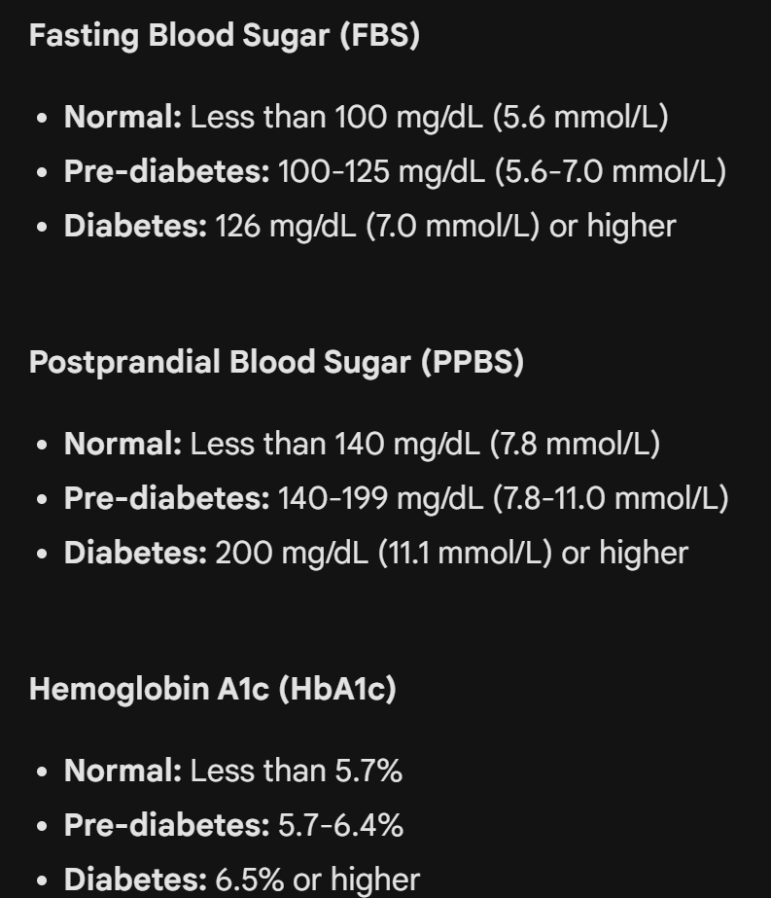
Diabetes Test Report
 | ATTRIBUTE | NORMAL RANGE
 | FASTING BLOOD SUGAR (FBS) | Less than 100
 | POSTPRANDIAL BLOOD SUGAR (PPBS) | Less than 140
 | HAEMOGLOBIN A1c (HbA1c) | Less than 5.7

Sheet5
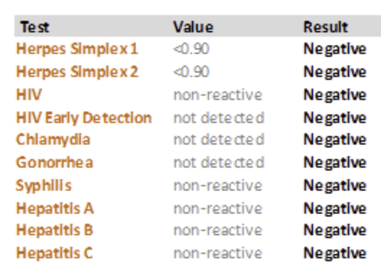
Sexually Transmitted Test
 | ATTRIBUTE | NORMAL RANGE
 | HERPES SIMPLEX 1 | NEGATIVE
 | HERPES SIMPLEX 2 | NEGATIVE
 | HIV | NEGATIVE
 | CHLAMYDIA | NEGATIVE
 | GONORRHEA | NEGATIVE
 | SYPHILLIS | NEGATIVE
 | HEPATITIS A | NEGATIVE
 | HEPATITIS B | NEGATIVE
 | HEPATITIS C | NEGATIVE

