Sheet4
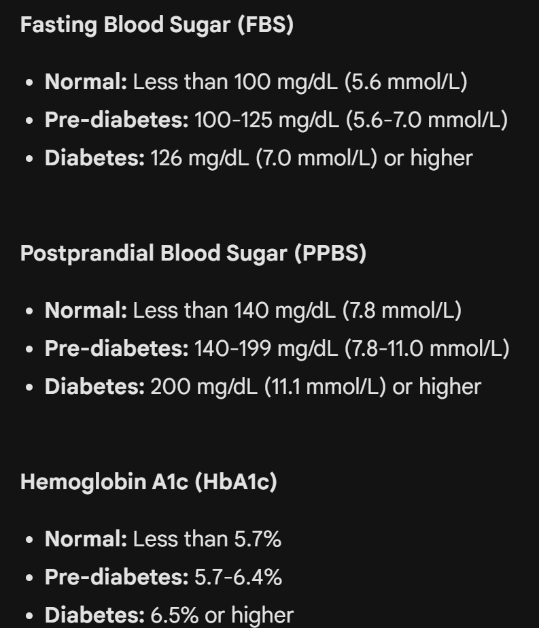
Diabetes Test Report
 | ATTRIBUTE | YOUR RESULT | NORMAL RANGE | UNIT
 | FASTING BLOOD SUGAR (FBS) |  | Less than 100 | mg/dL
 | POSTPRANDIAL BLOOD SUGAR (PPBS) |  | Less than 140 | mg/dL
 | HAEMOGLOBIN A1c (HbA1c) |  | Less than 5.7 | %

Sheet5
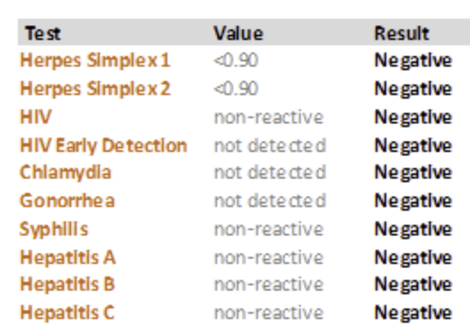
Sexually Transmitted Test
 | ATTRIBUTE | YOUR RESULT | NORMAL RANGE
 | HERPES SIMPLEX 1 |  | NEGATIVE
 | HERPES SIMPLEX 2 |  | NEGATIVE
 | HIV |  | NEGATIVE
 | CHLAMYDIA |  | NEGATIVE
 | GONORRHEA |  | NEGATIVE
 | SYPHILLIS |  | NEGATIVE
 | HEPATITIS A |  | NEGATIVE
 | HEPATITIS B |  | NEGATIVE
 | HEPATITIS C |  | NEGATIVE

