Version Control

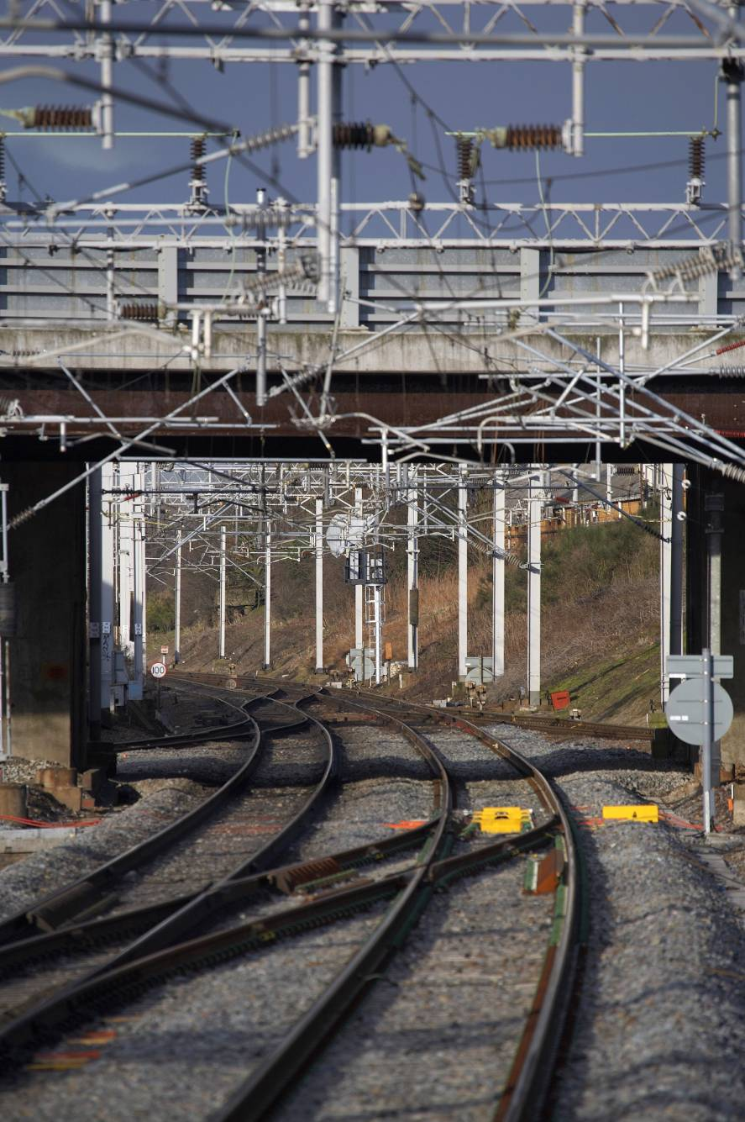

T1010-04 Detailed Overview of Selected RCM Areas

RCM Toolkit

Version | 3.0
Date | 2014-08-12

Asset
RCM

© RSSB Copyright 2014 Rail Safety and Standards Board |  | psw | RSSB2014

