Dashboard
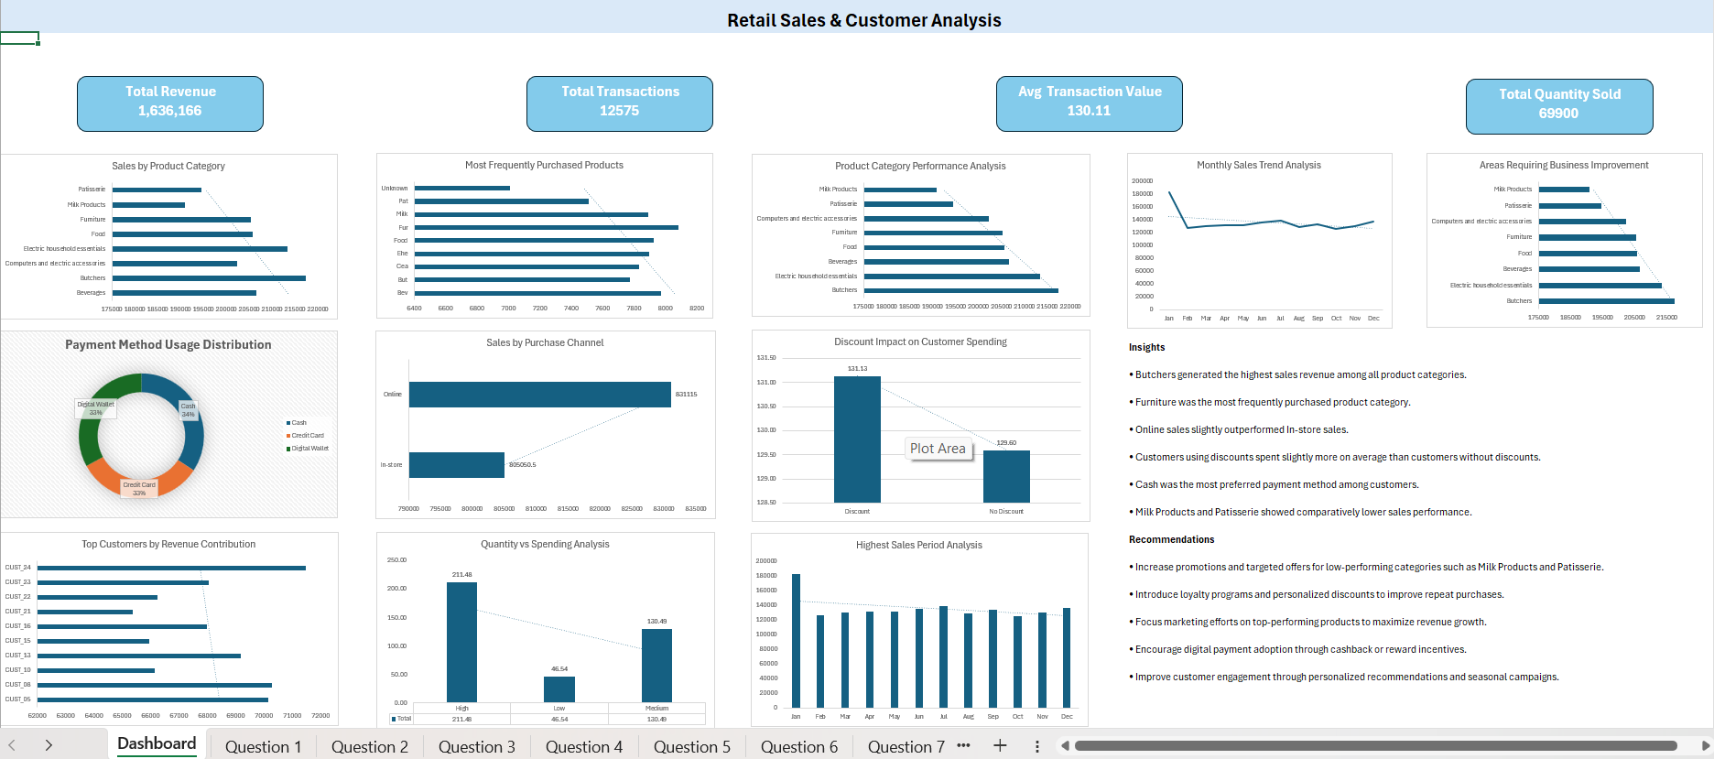

Question 2
Row Labels | Sum of Total Spent
Beverages | 206617.5
Butchers | 217397
Computers and electric accessories | 202353.5
Electric household essentials | 213401.5
Food | 205684
Furniture | 205324
Milk Products | 190877.5
Patisserie | 194510.5
Grand Total | 1636165.5

Sales by Product Category

Question 3
Row Labels | Sum of Quantity
Bev | 7974
But | 7774
Cea | 7832
Ehe | 7897
Food | 7925
Fur | 8083
Milk | 7889
Pat | 7515
Unknown | 7011
Grand Total | 69900
Most Frequently Purchased Products

Question 4
Row Labels | Sum of Total Spent
Butchers | 217397
Electric household essentials | 213401.5
Beverages | 206617.5
Food | 205684
Furniture | 205324
Computers and electric accessories | 202353.5
Patisserie | 194510.5
Milk Products | 190877.5
Grand Total | 1636165.5
Product Category Performance Analysis

Question 5
Row Labels | Count of Transaction ID
Cash | 4310
Credit Card | 4121
Digital Wallet | 4144
Grand Total | 12575
Payment Method Usage Distribution

Question 6
Row Labels | Sum of Total Spent
In-store | 805050.5
Online | 831115
Grand Total | 1636165.5

Sales by Purchase Channel

Question 7
Row Labels | Average of Total Spent
Discount | 131.13
No Discount | 129.60
Grand Total | 130.11

Discount Impact on Customer Spending

Question 10
Monthly Sales Trend Analysis
Row Labels | Sum of Total Spent
Jan | 183268
Feb | 127225.5
Mar | 129991
Apr | 132149.5
May | 131605.5
Jun | 136176
Jul | 138980.5
Aug | 128879.5
Sep | 134219
Oct | 125764.5
Nov | 130605.5
Dec | 137301
Grand Total | 1636165.5

Question 11
Highest Sales Period Analysis
Row Labels | Sum of Total Spent
Jan | 183268
Feb | 127225.5
Mar | 129991
Apr | 132149.5
May | 131605.5
Jun | 136176
Jul | 138980.5
Aug | 128879.5
Sep | 134219
Oct | 125764.5
Nov | 130605.5
Dec | 137301
Grand Total | 1636165.5

Question 12
Row Labels | Average of Total Spent
High | 211.47545757
Low | 46.540028289
Medium | 130.48693412
Grand Total | 130.11256461
Quantity vs Spending Analysis

Question 13
Areas Requiring Business Improvement
Row Labels | Sum of Total Spent
Milk Products | 190877.5
Patisserie | 194510.5
Computers and electric accessories | 202353.5
Furniture | 205324
Food | 205684
Beverages | 206617.5
Electric household essentials | 213401.5
Butchers | 217397
Grand Total | 1636165.5

